Sheet1
Digit | Ldip (mm) | Rdip (mm) | Lpip (mm) | Rpip (mm) | Lmcp (mm) | Rmcp (mm) | Mdip (kg) | Mpip (kg) | Mmcp (kg) | The collumns that you have to fill are the ones in yellow. The length of each segment is self explanatory. For the radius of each segment you measure the diameter first. Then insert the diameter values into the Measurements of the segment diameter table and the rest are taken care off.
Thumb |  | 0 |  | 0 |  | 0 | 0 | 0 | 0
Index |  | 0 |  | 0 |  | 0 | 0 | 0 | 0
Middle |  | 0 |  | 0 |  | 0 | 0 | 0 | 0
Ring |  | 0 |  | 0 |  | 0 | 0 | 0 | 0
Little |  | 0 |  | 0 |  | 0 | 0 | 0 | 0 | The palm length is the hand length minus the length of the middle phalanx the palm breadth is known and the palm width is the width of the palm.

Palm Length (mm) | Palm Breadth (mm) | Palm Width (mm)
 |  |  |  | ρ times pi (kg/m^3)
 |  |  |  | 3455.7519189 |  |  | Mtotal digits (kg) | Mtotal digits (gr)
 | Palm Total (gr) | 0 |  |  |  |  | 0 | 0

 |  |  |  |  |  |  |  | Total Hand Mass Theoretical (gr) |  | Absolute error between theoretical and experimental weight (%)
 |  |  |  |  |  |  |  | 0 |  | #DIV/0!

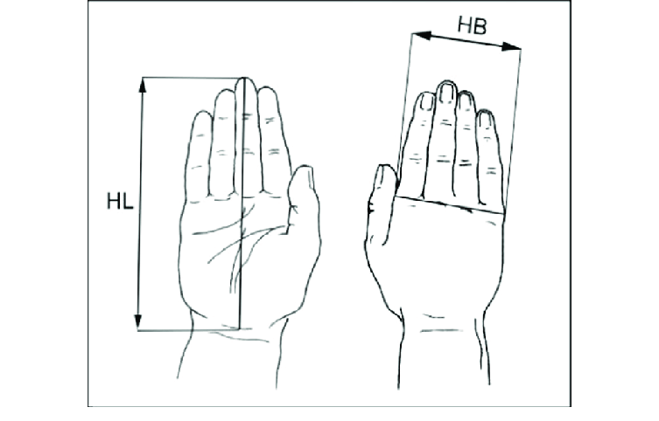
 |  |  |  |  |  |  |  | Weighted Hand Total (gr)
 |  |  |  |  |  |  |  | -63.9914

 |  | Measurements of the segment diameter
 | Digit | Ddip (mm) | Dpip (mm) | Dmcp (mm) |  |  | weight Table (N) | weight table+hand (N) | std( table+Hand) (N)
 | Thumb |  |  |  |  |  |  |  | -4872.579001
 | Index
 | Middle |  |  |  |  |  | 0
 | Ring
 | Little

 |  | Moment of interial (kg*m^2) | Proximal | Middle | Distal | Abduction
 |  | Thumb | 0 | 0 | 0 | 0
 |  | Index | 0 | 0 | 0 | 0
 |  | Middle | 0 | 0 | 0 | 0
 |  | Ring | 0 | 0 | 0 | 0
 |  | Little | 0 | 0 | 0 | 0

 |  | Liquid Displacement Method
 |  | Water mass |  | Container mass (gr) |  | Displaced water Mass (gr) | Mean Hand Mass (gr) | Standard deviation Hand Mass (gr)
 |  |  |  | 58 |  | -63.9914 | -63.9914 | 0
 |  |  |  |  |  | -63.9914
 |  |  |  |  |  | -63.9914
 |  |  |  |  |  | -63.9914
 |  |  |  |  |  | -63.9914

