Sheet1
Digit | Ldip (mm) | Rdip (mm) | Lpip (mm) | Rpip (mm) | Lmcp (mm) | Rmcp (mm) | Mdip (kg) | Mpip (kg) | Mmcp (kg) | The collumns that you have to fill are the ones in yellow in millimeters. The length of each segment is found from palpation. For the radius of each segment you measure the diameter first. Then insert the diameter values into the Measurements of the segment diameter table.
Thumb |  | 0 |  | 0 |  | 0 | 0 | 0 | 0
Index |  | 0 |  | 0 |  | 0 | 0 | 0 | 0
Middle |  | 0 |  | 0 |  | 0 | 0 | 0 | 0
Ring |  | 0 |  | 0 |  | 0 | 0 | 0 | 0
Little |  | 0 |  | 0 |  | 0 | 0 | 0 | 0 | The palm length is the hand length minus the length of the middle phalanx the palm breadth is shown below and the palm width is measured from the ulnar side of the little finger's metacarpal bone. The diameter of the thumb metacarpal is measured on its own.

Palm Length (mm) | Palm Breadth (mm) | Palm Width (mm)
 |  |  |  | ρ times pi (kg/m^3)
 |  |  |  | 3455.7519189 |  |  | Mtotal digits (kg) | Mtotal digits (gr)
 | Palm Total (gr) | 0 |  |  |  |  | 0 | 0

 |  |  |  |  |  |  |  | Total Hand Mass Theoretical (gr) |  | Absolute error between theoretical and experimental weight (%)
 |  |  |  |  |  |  |  | 0 |  | #DIV/0!

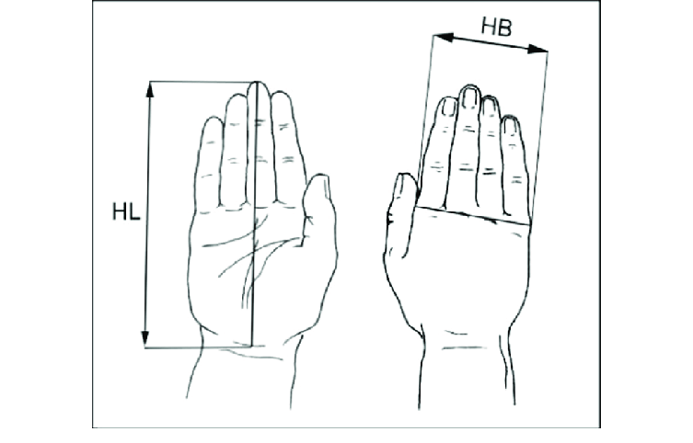
 |  |  |  |  |  |  |  | Weighted Hand Total (gr)
 |  |  |  |  |  |  |  | -63.991975928

 |  | Measurements of the segment diameter
 | Digit | Ddip (mm) | Dpip (mm) | Dmcp (mm)
 | Thumb
 | Index
 | Middle
 | Ring
 | Little

 |  | Moment of interial (kg*m^2) | Proximal | Middle | Distal | Abduction
 |  | Thumb | 0 | 0 | 0 | 0
 |  | Index | 0 | 0 | 0 | 0
 |  | Middle | 0 | 0 | 0 | 0
 |  | Ring | 0 | 0 | 0 | 0
 |  | Little | 0 | 0 | 0 | 0

 |  | Liquid Displacement Method
 |  | Water mass |  | Container mass (gr) |  | Displaced water Mass (gr) | Mean Hand Mass (gr) | Standard deviation Hand Mass (gr)
 |  |  |  | 58 |  | -63.991975928 | -63.991975928 | 0
 |  |  |  |  |  | -63.991975928 | Human body density (gr/cm^3) | 1.1
 |  |  |  |  |  | -63.991975928 | Water density (gr/cm^3) | 0.997
 |  |  |  |  |  | -63.991975928 | ratio between body and water density | 1.1033099298
 |  |  |  |  |  | -63.991975928

