Resolução Evolução Canal
CAC
LTV Bruto versus Canal
LTV x CAC versus Canal
Mês da Venda | Hotel Name | Hotel Country | Canal venda | Venda (R$) | Nº Bookings | Nº Noites Vendidas | Canal | Total Vendas por Canal | Canal | CAC
1 | Hotel 2 | BRAZIL | Agencia | 8,606 | 20 | 38 | Agencia | 224,443 | Agencia | 636
1 | Hotel 9 | BRAZIL | Agencia | 155 | 1 | 1 | App | 617,344 | App | 656
2 | Hotel 4 | BRAZIL | Agencia | 35,427 | 64 | 93 | Google | 296,480 | Google | 22,806
2 | Hotel 5 | BRAZIL | Agencia | 56,009 | 77 | 143 | Others | 353,029 | Others | 564
3 | Hotel 10 | BRAZIL | Agencia | 12,827 | 27 | 39 | Site direto | 737,750 | Site direto | 506
3 | Hotel 3 | BRAZIL | Agencia | 902 | 3 | 3 | Total Vendas Geral | 2,229,046 | Total CAC Geral | 657
3 | Hotel 6 | BRAZIL | Agencia | 110,517 | 161 | 264
1 | Hotel 2 | BRAZIL | App | 39,975 | 100 | 180 | Canal | Total Bookings
1 | Hotel 7 | BRAZIL | App | 17,946 | 19 | 85 | Agencia | 353
CL
AOV
2 | Hotel 1 | BRAZIL | App | 31,814 | 69 | 111 | App | 941
2 | Hotel 3 | BRAZIL | App | 27,382 | 45 | 87 | Google | 13 | Canal | CL
2 | Hotel 5 | BRAZIL | App | 134,692 | 182 | 350 | Others | 626 | Agencia | 1,907
2 | Hotel 9 | BRAZIL | App | 30,197 | 72 | 115 | Site direto | 1,458 | App | 1,968
3 | Hotel 10 | BRAZIL | App | 38,858 | 58 | 126 | Total | 3,391 | Google | 68,419
3 | Hotel 4 | BRAZIL | App | 54,753 | 93 | 123 |  |  | Others | 1,692
3 | Hotel 6 | BRAZIL | App | 240,878 | 301 | 576 | Canal | Total N° Noites Vendidas por canal | Site direto | 1,518
3 | Hotel 8 | BRAZIL | App | 849 | 2 | 3 | Agencia | 581 | Total CAC Geral | 1,972
1 | Hotel 10 | BRAZIL | Google | 600 | 1 | 3 | App | 1,756
2 | Hotel 5 | BRAZIL | Google | 2,299 | 6 | 6 | Google | 19
3 | Hotel 2 | BRAZIL | Google | 2,182 | 6 | 10 | Others | 1,024 | Canal | LTV Bruto
1 | Hotel 1 | BRAZIL | Others | 484 | 2 | 2 | Site direto | 2,327 | Agencia | 1,132,743,921
1 | Hotel 10 | BRAZIL | Others | 22,433 | 37 | 74 | Total | 5,707 | App | 3,482,384,443
1 | Hotel 2 | BRAZIL | Others | 7,405 | 29 | 35 |  |  | Google | 49,931,650,078
1 | Hotel 3 | BRAZIL | Others | 851 | 2 | 3 |  |  | Others | 1,574,260,090
1 | Hotel 4 | BRAZIL | Others | 43,743 | 82 | 111 |  |  | Site direto | 2,907,304,701
1 | Hotel 5 | BRAZIL | Others | 4,319 | 3 | 12 | Canal | AOV | Total CAC Geral | 11,793,684,933
1 | Hotel 6 | BRAZIL | Others | 112,436 | 155 | 260 | Agencia | 636
1 | Hotel 8 | BRAZIL | Others | 3,890 | 4 | 14 | App | 656
1 | Hotel 9 | BRAZIL | Others | 649 | 2 | 3 | Google | 22,806
2 | Hotel 1 | BRAZIL | Others | 507 | 1 | 2 | Others | 564 | Canal | LTV x CAC
2 | Hotel 10 | BRAZIL | Others | 6,096 | 4 | 14 | Site direto | 506 | Agencia | 1,781,558 | Para comparar o resultado LTV:CAC com um valor de referência ou com a média do setor,fórmula para calcular o resultado LTV:CAC é:
2 | Hotel 2 | BRAZIL | Others | 18,128 | 39 | 86 | Total | 657 | App | 5,308,104 | é necessário calcular o resultado da métrica e depois compará-lo com o valor de referência. A
2 | Hotel 3 | BRAZIL | Others | 4,336 | 7 | 20 |  |  | Google | 2,189,392 | LTV:CAC = (LTV / CAC)
2 | Hotel 4 | BRAZIL | Others | 568 | 2 | 2 |  |  | Others | 2,791,521
2 | Hotel 5 | BRAZIL | Others | 11,688 | 25 | 34 | Canal | PF | Site direto | 5,745,646
2 | Hotel 6 | BRAZIL | Others | 8,893 | 8 | 18 | Agencia | 934 | Total geral LTV X CAC | 17,941,484
2 | Hotel 7 | BRAZIL | Others | 3,003 | 9 | 14 | App | 2,697
2 | Hotel 8 | BRAZIL | Others | 616 | 2 | 2 | Google | 32
3 | Hotel 1 | BRAZIL | Others | 11,838 | 37 | 48 | Others | 1,650
3 | Hotel 10 | BRAZIL | Others | 1,196 | 3 | 4 | Site direto | 3,785
3 | Hotel 2 | BRAZIL | Others | 794 | 3 | 4 | Total | 9,098
3 | Hotel 3 | BRAZIL | Others | 18,240 | 42 | 64
Total Vendas por Canal
3 | Hotel 5 | BRAZIL | Others | 40,619 | 63 | 103
3 | Hotel 6 | BRAZIL | Others | 20,675 | 39 | 53
3 | Hotel 7 | BRAZIL | Others | 521 | 1 | 2
3 | Hotel 9 | BRAZIL | Others | 9,101 | 25 | 40
1 | Hotel 1 | BRAZIL | Site direto | 32,106 | 64 | 111
1 | Hotel 10 | BRAZIL | Site direto | 64,009 | 110 | 215
1 | Hotel 3 | BRAZIL | Site direto | 102,262 | 304 | 379
1 | Hotel 6 | BRAZIL | Site direto | 197,075 | 304 | 484
1 | Hotel 8 | BRAZIL | Site direto | 4,342 | 5 | 16
2 | Hotel 2 | BRAZIL | Site direto | 67,119 | 189 | 332
2 | Hotel 7 | BRAZIL | Site direto | 15,971 | 41 | 72
2 | Hotel 9 | BRAZIL | Site direto | 33,179 | 87 | 136
3 | Hotel 4 | BRAZIL | Site direto | 76,245 | 141 | 205
3 | Hotel 5 | BRAZIL | Site direto | 145,443 | 213 | 377

Resolução Ticket_médio
Ticket Médio
Mês da Venda | Hotel Name | Hotel Country | Canal venda | Venda (R$) | Nº Bookings | Nº Noites Vendidas | Ticket_médio
1 | Hotel 2 | BRAZIL | Agencia | 8,606 | 20 | 38 | R$ 226.48
1 | Hotel 9 | BRAZIL | Agencia | 155 | 1 | 1 | R$ 155.40
2 | Hotel 4 | BRAZIL | Agencia | 35,427 | 64 | 93 | R$ 380.93
2 | Hotel 5 | BRAZIL | Agencia | 56,009 | 77 | 143 | R$ 391.67
3 | Hotel 10 | BRAZIL | Agencia | 12,827 | 27 | 39 | R$ 328.90
3 | Hotel 3 | BRAZIL | Agencia | 902 | 3 | 3 | R$ 300.52
3 | Hotel 6 | BRAZIL | Agencia | 110,517 | 161 | 264 | R$ 418.63
1 | Hotel 2 | BRAZIL | App | 39,975 | 100 | 180 | R$ 222.08
1 | Hotel 7 | BRAZIL | App | 17,946 | 19 | 85 | R$ 211.12
2 | Hotel 1 | BRAZIL | App | 31,814 | 69 | 111 | R$ 286.61
2 | Hotel 3 | BRAZIL | App | 27,382 | 45 | 87 | R$ 314.73
2 | Hotel 5 | BRAZIL | App | 134,692 | 182 | 350 | R$ 384.84
2 | Hotel 9 | BRAZIL | App | 30,197 | 72 | 115 | R$ 262.58
3 | Hotel 10 | BRAZIL | App | 38,858 | 58 | 126 | R$ 308.39
3 | Hotel 4 | BRAZIL | App | 54,753 | 93 | 123 | R$ 445.15
3 | Hotel 6 | BRAZIL | App | 240,878 | 301 | 576 | R$ 418.19
3 | Hotel 8 | BRAZIL | App | 849 | 2 | 3 | R$ 282.94
1 | Hotel 10 | BRAZIL | Google | 600 | 1 | 3 | R$ 200.00
2 | Hotel 5 | BRAZIL | Google | 2,299 | 6 | 6 | R$ 383.21
3 | Hotel 2 | BRAZIL | Google | 2,182 | 6 | 10 | R$ 218.20
1 | Hotel 1 | BRAZIL | Others | 484 | 2 | 2 | R$ 241.78
1 | Hotel 10 | BRAZIL | Others | 22,433 | 37 | 74 | R$ 303.14
1 | Hotel 2 | BRAZIL | Others | 7,405 | 29 | 35 | R$ 211.58
1 | Hotel 3 | BRAZIL | Others | 851 | 2 | 3 | R$ 283.77
1 | Hotel 4 | BRAZIL | Others | 43,743 | 82 | 111 | R$ 394.08
1 | Hotel 5 | BRAZIL | Others | 4,319 | 3 | 12 | R$ 359.92
1 | Hotel 6 | BRAZIL | Others | 112,436 | 155 | 260 | R$ 432.45
1 | Hotel 8 | BRAZIL | Others | 3,890 | 4 | 14 | R$ 277.88
1 | Hotel 9 | BRAZIL | Others | 649 | 2 | 3 | R$ 216.27
2 | Hotel 1 | BRAZIL | Others | 507 | 1 | 2 | R$ 253.65
2 | Hotel 10 | BRAZIL | Others | 6,096 | 4 | 14 | R$ 435.45
2 | Hotel 2 | BRAZIL | Others | 18,128 | 39 | 86 | R$ 210.79
2 | Hotel 3 | BRAZIL | Others | 4,336 | 7 | 20 | R$ 216.81
2 | Hotel 4 | BRAZIL | Others | 568 | 2 | 2 | R$ 283.78
2 | Hotel 5 | BRAZIL | Others | 11,688 | 25 | 34 | R$ 343.78
2 | Hotel 6 | BRAZIL | Others | 8,893 | 8 | 18 | R$ 494.07
2 | Hotel 7 | BRAZIL | Others | 3,003 | 9 | 14 | R$ 214.48
2 | Hotel 8 | BRAZIL | Others | 616 | 2 | 2 | R$ 307.80
3 | Hotel 1 | BRAZIL | Others | 11,838 | 37 | 48 | R$ 246.63
3 | Hotel 10 | BRAZIL | Others | 1,196 | 3 | 4 | R$ 298.88
3 | Hotel 2 | BRAZIL | Others | 794 | 3 | 4 | R$ 198.55
3 | Hotel 3 | BRAZIL | Others | 18,240 | 42 | 64 | R$ 285.00
3 | Hotel 5 | BRAZIL | Others | 40,619 | 63 | 103 | R$ 394.36
3 | Hotel 6 | BRAZIL | Others | 20,675 | 39 | 53 | R$ 390.09
3 | Hotel 7 | BRAZIL | Others | 521 | 1 | 2 | R$ 260.30
3 | Hotel 9 | BRAZIL | Others | 9,101 | 25 | 40 | R$ 227.54
1 | Hotel 1 | BRAZIL | Site direto | 32,106 | 64 | 111 | R$ 289.24
1 | Hotel 10 | BRAZIL | Site direto | 64,009 | 110 | 215 | R$ 297.72
1 | Hotel 3 | BRAZIL | Site direto | 102,262 | 304 | 379 | R$ 269.82
1 | Hotel 6 | BRAZIL | Site direto | 197,075 | 304 | 484 | R$ 407.18
1 | Hotel 8 | BRAZIL | Site direto | 4,342 | 5 | 16 | R$ 271.36
2 | Hotel 2 | BRAZIL | Site direto | 67,119 | 189 | 332 | R$ 202.17
2 | Hotel 7 | BRAZIL | Site direto | 15,971 | 41 | 72 | R$ 221.82
2 | Hotel 9 | BRAZIL | Site direto | 33,179 | 87 | 136 | R$ 243.96
3 | Hotel 4 | BRAZIL | Site direto | 76,245 | 141 | 205 | R$ 371.93
3 | Hotel 5 | BRAZIL | Site direto | 145,443 | 213 | 377 | R$ 385.79

Página2
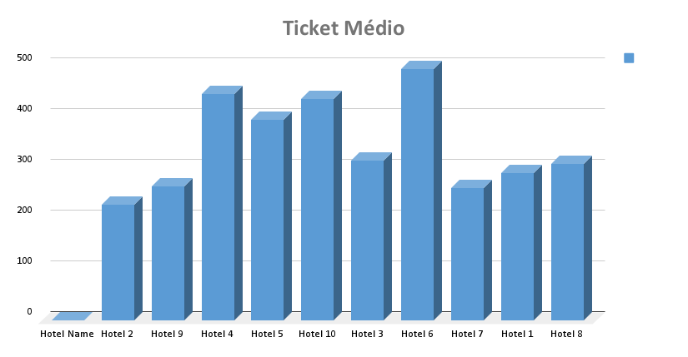
DASHBOARD VENDAS DE HOTÉIS

Média de Noites Hospedadas
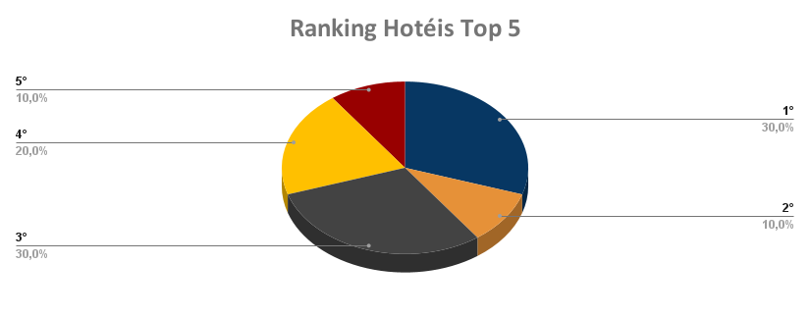
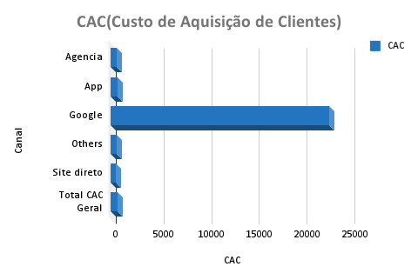
LTV (Valor Tempo de Vida)

Total Vendas por Canal
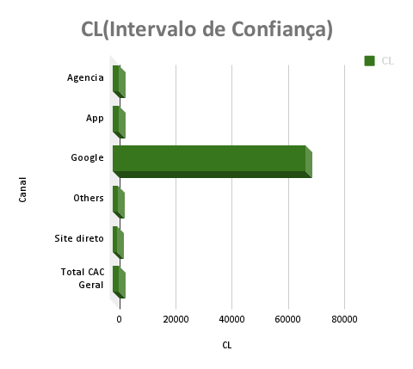
AOV(Análise de Variância)

