TangNano20K(CPU)
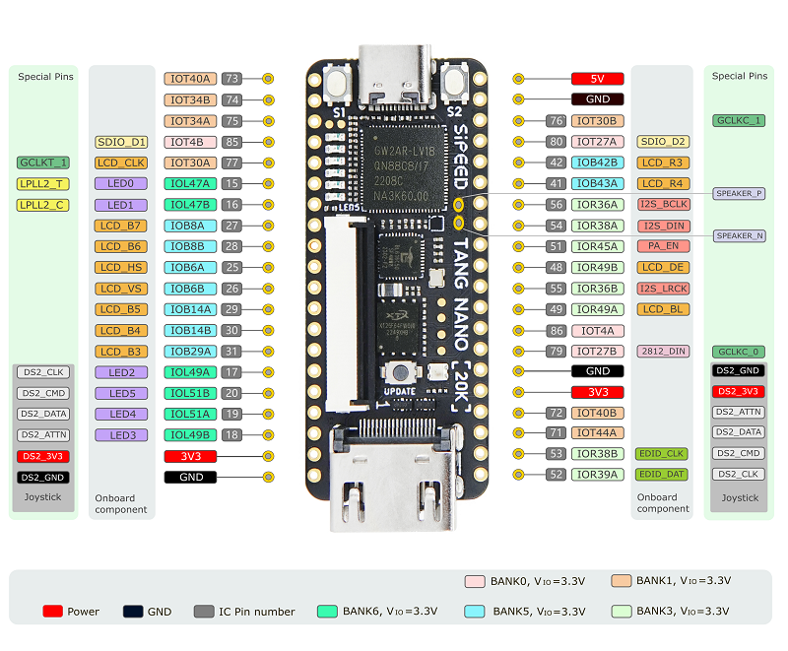
TangNano20K GW2AR-LV18QN88C8/I7 (Arora)

# | Pin | Bank | Memo | Assign | Dir |  | # | Pin | Bank | Memo | Assign | Dir
1 | Pin73 | 1 |  | vdp_so_clk | out |  | 40 | 5V | - | - | - | in
2 | Pin74 | 1 |  | vdp_so0 | out |  | 39 | GND | - | - | - | -
3 | Pin75 | 1 |  | vdp_so1 | out |  | 38 | Pin76 | 1 | GCLKC | CLK14M | in
4 | Pin85 | 0 |  | vdp_si_clk | in |  | 37 | Pin80 | 0 | GCLKT | IO_SEL2 | out | Extend
5 | Pin77 | 1 | LCD | vdp_si0 | in |  | 36 | Pin42 | 4 | LCD | IO_SEL1 | out
6 | Pin15 | 6 | LED | vdp_si1 | in |  | 35 | Pin41 | 4 | LCD | IO_SEL0 | out
7 | Pin16 | 6 | LED | srom_sio0 | inout |  | 34 | Pin56 | 3 | I2S_BCLK | I2S_BCLK | out | AD I2S
8 | Pin27 | 5 | LCD | srom_sio1 | inout |  | 33 | Pin54 | 3 | I2S_DIN | I2S_DOUT | out
9 | Pin28 | 5 | LCD | srom_sio2 | inout |  | 32 | Pin51 | 3 | PA_EN | 1'固定 | nc
10 | Pin25 | 5 | LCD | srom_sio3 | inout |  | 31 | Pin48 | 3 | LCD | DIPSW | in
11 | Pin26 | 5 | LCD | srom2_clk | out |  | 30 | Pin55 | 3 | I2S_LRCK | I2S_LRCK | out | AD I2S
12 | Pin29 | 5 | LCD | srom_cs_n | out |  | 29 | Pin49 | 3 | LCD | RESET_N | out | Extend
13 | Pin30 | 5 | LCD | DIO0 | inout | Extend | 28 | Pin86 | 0 |  | IO_CLK | out
14 | Pin31 | 5 | LCD | DIO1 | inout |  | 27 | Pin79 | 0 | WS2812(LED) | WS2812 | nc
15 | Pin17 | 6 | LED | DIO2 | inout |  | 26 | GND | - | - | - | -
16 | Pin20 | 6 | LED | DIO3 | inout |  | 25 | 3V3 | - | - | - | out
17 | Pin19 | 6 | LED | DIO4 | inout |  | 24 | Pin72 | 1 |  | DIO6 | inout | Extend
18 | Pin18 | 6 | LED | DIO5 | inout |  | 23 | Pin71 | 1 |  | DIO7 | inout
19 | 3V3 | - | - | - | out |  | 22 | Pin53 | 3 | EDID_CLK | srom_cs_n | out
20 | GND | - | - | - | - |  | 21 | Pin52 | 3 | EDID_DAT | INTR | in

 |  |  | BIOS や MapperRAM は、FPGA内蔵の SDRAM を利用する。

RasPiPico2W
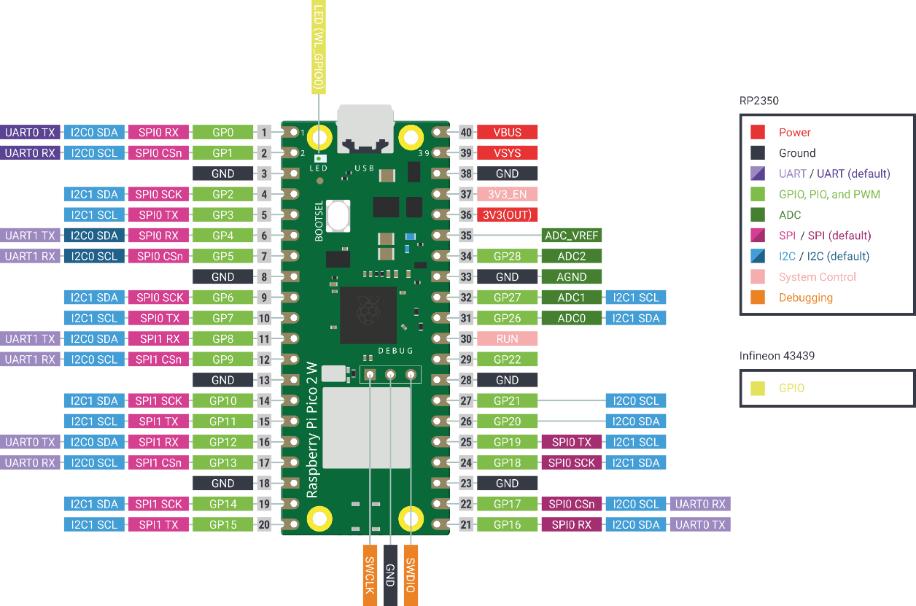
Raspberry Pi Pico2W

# | Pin | Memo | Assign | Dir | # | Pin | Memo | Assign | Dir
1 | GP0 |  |  |  | 40 | VBUS
2 | GP1 |  |  |  | 39 | VSYS
3 | GND |  |  |  | 38 | GND
4 | GP2 |  |  |  | 37 | 3V3_EN
5 | GP3 |  | fpga_spi_intr | in | 36 | 3V3(OUT)
6 | GP4 | SPI0_RX | fpga_spi_miso | in | 35 | ADC_REF
7 | GP5 | SPI0_CSn | fpga_spi_cs_n | out | 34 | GP28
8 | GND |  |  |  | 33 | GND
9 | GP6 | SPI0_SCK | fpga_spi_clk | out | 32 | GP27
10 | GP7 | SPI0_TX | fpga_spi_mosi | out | 31 | GP26
11 | GP8 | SPI1_RX | sd_spi_miso | in | 30 | RUN
12 | GP9 | SPI1_CSn | sd_spi_cs_n | out | 29 | GP22
13 | GND |  |  |  | 28 | GND
14 | GP10 | SPI1_SCK | sd_spi_sck | out | 27 | GP21
15 | GP11 | SPI1_TX | sd_spi_mosi | out | 26 | GP20
16 | GP12 |  |  |  | 25 | GP19
17 | GP13 |  |  |  | 24 | GP18
18 | GND |  |  |  | 23 | GND
19 | GP14 |  |  |  | 22 | GP17
20 | GP15 |  |  |  | 21 | GP16

