TangPrimer25K(CPU)
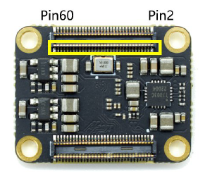
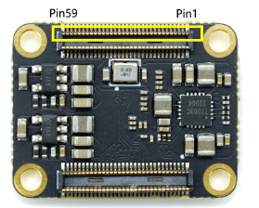
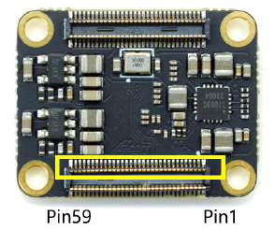
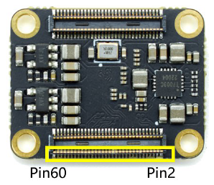
 | GW5A-LV25MG121-Version A

# | Name | BANK | Memo | Assign | Dir | # | Name | BANK | Memo | Assign | Dir | # | Name | BANK | Memo | Assign | Dir | # | Name | BANK | Memo | Assign | Dir
1 | GND | - |  | - | - | 2 | VCCIO2/3 |  | Input | - | - | 61 | GND | - |  | - | - | 62 | GND | - |  | - | -
3 | B2 | 5 |  |  |  | 4 | VCCIO2/3 |  | Input | - | - | 63 | L9 | 0 |  | slot_a0 | out | 64 | H5 | 1 | GCLKT | clk28m | in
5 | C2 | 5 |  |  |  | 6 | L2 | 2 |  | slot_m1_n | out | 65 | K9 | 0 |  | slot_a1 | out | 66 | J5 | 1 | GCLKC | slot_rfsh_n | out
7 | F2 | 5 | GCLKT | sram_sclk | out | 8 | L1 | 2 |  | slot_oe_n | out | 67 | J8 | 0 | GCLK | slot_a2 | out | 68 | L5 | 1 | GCLKT | slot_iorq_n | out
9 | F1 | 5 | GCLKC | sram_sio0 | inout | 10 | K1 | 2 |  |  |  | 69 | K8 | 0 | GCLK | slot_a3 | out | 70 | K5 | 1 | GCLKC | slot_merq_n | out
11 | A1 | 5 |  | sram_sio1 | inout | 12 | K2 | 2 |  |  |  | 71 | F7 | 0 | GCLK | slot_a4 | out | 72 | H8 | 1 |  | slot_a13 | out
13 | D8 | 5 | RECONFIG |  |  | 14 | J4 | 2 |  | mcu_cs_n | in | 73 | F6 | 0 | GCLK | slot_a5 | out | 74 | H7 | 1 |  | slot_a12 | out
15 | E1 | 5 | GCLKC | sram_sio2 | inout | 16 | K4 | 2 |  | mcu_csclk | in | 75 | GND | - |  | - | - | 76 | G7 | 1 |  | slot_a11 | out
17 | D1 | 5 |  | sram_sio3 | inout | 18 | G2 | 2 | RPLL | mcu_mosi | in | 77 | E8 | 4 | READY |  |  | 78 | G8 | 1 |  | slot_a10 | out
19 | GND | - |  | - | - | 20 | G1 | 2 |  | mcu_miso | out | 79 | B3 | 4 | UART_RX | uart_rx | in | 80 | F5 | 1 |  | slot_a9 | out
21 | C1 | 10 | TCK | - | - | 22 | L4 | 2 | GCLKT | sram_cs0_n | out | 81 | C3 | 4 | UART_TX | uart_tx | out | 82 | G5 | 1 |  | slot_a8 | out
23 | B1 | 10 | TMS | - | - | 24 | L3 | 2 | GCLKC | sram_cs1_n | out | 83 | E3 | 4 |  | mcu_intr | out | 84 | VCCIO0/1 | - | Input | - | -
25 | A2 | 10 | TDO | - | - | 26 | J1 | 2 | GCLKT | sram_cs2_n | out | 85 | D7 | 4 | DONE |  |  | 86 | VCCIO0/1 | - | Input | - | -
27 | A3 | 10 | TDI | - | - | 28 | J2 | 2 | GCLKC | sram_cs3_n | out | 87 | GND | - |  | - | - | 88 | GND | - |  | - | -
29 | GND | - |  | - | - | 30 | G4 | 3 | GCLKT | slot_sltsl0_n | out | 89 | VCCIO6/7 | - | Input | - | - | 90 | L6 | 7 |  | slot_d0 | in/out
31 | M0_D3_P | MIPI |  |  |  | 32 | H4 | 3 | GCLKC | slot_sltsl1_n | out | 91 | VCCIO6/7 | - | Input | - | - | 92 | K6 | 7 |  | slot_d1 | in/out
33 | M0_D3_N | MIPI |  |  |  | 34 | H1 | 3 | GCLKT | slot_sltsl2_n | out | 93 | J11 | 7 | GCLK | slot_a6 | out | 94 | K7 | 7 |  | slot_d2 | in/out
35 | GND | - |  | - | - | 36 | H2 | 3 | GCLKC | slot_sltsl3_n | out | 95 | J10 | 7 | GCLK | slot_a7 | out | 96 | J7 | 7 |  | slot_d3 | in/out
37 | M0_D2_P | MIPI |  |  |  | 38 | VDD_1V8 | - | Output |  |  | 97 | H11 | 7 | GCLK | slot_int_n | in | 98 | L7 | 7 |  | slot_d4 | in/out
39 | M0_D2_N | MIPI |  |  |  | 40 | VDD_1V8 | - | Output |  |  | 99 | H10 | 7 | GCLK | slot_wait_n | in | 100 | L8 | 7 |  | slot_d5 | in/out
41 | GND | - |  | - | - | 42 | VDD_2V5 | - | Output |  |  | 101 | G11 | 7 |  | slot_reset_n | out | 102 | L10 | 7 |  | slot_d6 | in/out
43 | M0_CK_P | MIPI |  |  |  | 44 | VDD_2V5 | - | Output |  |  | 103 | G10 | 7 |  | slot_busdir | in | 104 | K10 | 7 |  | slot_d7 | in/out
45 | M0_CK_N | MIPI |  |  |  | 46 | VDD_3V3 | - | Output |  |  | 105 | GND | - |  | - | - | 106 | L11 | 7 |  | slot_a15 | out
47 | GND | - |  | - | - | 48 | VDD_3V3 | - | Output |  |  | 107 | D11 | 6 |  | slot_wr_n | out | 108 | K11 | 7 |  | slot_a14 | out
49 | M0_D1_P | MIPI |  |  |  | 50 | VDD_3V3 | - | Output |  |  | 109 | D10 | 6 |  | slot_rd_n | out | 110 | GND | - |  | - | -
51 | M0_D1_N | MIPI |  |  |  | 52 | VDD_5V | - | Input |  |  | 111 | C11 | 6 | GCLK | slot_a16 | out | 112 | E11 | 6 | GCLKT | dipsw0 | in
53 | GND | - |  | - | - | 54 | VDD_5V | - | Input |  |  | 113 | C10 | 6 | GCLK | slot_a17 | out | 114 | E10 | 6 | GCLKC | dipsw1 | in
55 | M0_D0_P | MIPI |  |  |  | 56 | VDD_5V | - | Input |  |  | 115 | B11 | 6 | RPLL | slot_a18 | out | 116 | A11 | 6 |  | dipsw2 | in
57 | M0_D0_N | MIPI |  |  |  | 58 | VDD_5V | - | Input |  |  | 117 | B10 | 6 |  | slot_a19 | out | 118 | A10 | 6 |  | dipsw3 | in
59 | GND | - |  | - | - | 60 | VDD_5V | - | Input |  |  | 119 | GND | - |  | - | - | 120 | GND | - |  | - | -

TangNano20K(VDP)
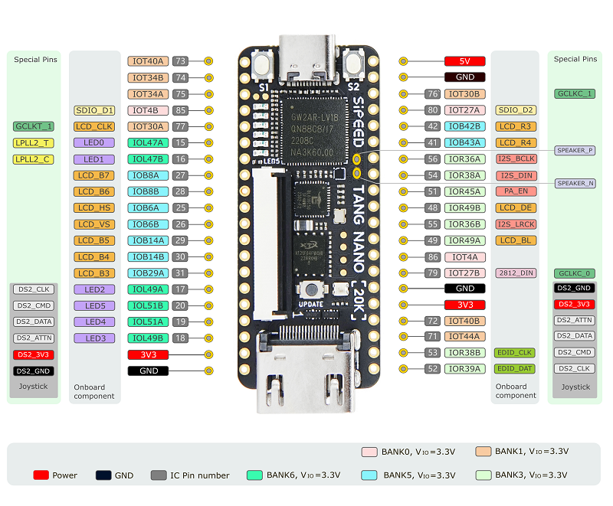
TangNano20K GW2AR-LV18QN88C8/I7-Version C (Arora)

# | Pin | Bank | Memo | Assign | Dir | # | Pin | Bank | Memo | Assign | Dir
1 | Pin73 | 1 |  | SLOT_D7 | in/out | 40 | 5V | - | - | - | in
2 | Pin74 | 1 |  | SLOT_D6 | in/out | 39 | GND | - | - | - | -
3 | Pin75 | 1 |  | SLOT_D5 | in/out | 38 | Pin76 | 1 |  | SLOT_A2 | in
4 | Pin85 | 0 |  | SLOT_D4 | in/out | 37 | Pin80 | 0 | GCLKT | CLK14M | in
5 | Pin77 | 1 |  | SLOT_D3 | in/out | 36 | Pin42 | 4 |  | SLOT_A3 | in
6 | Pin15 | 6 | LED | SLOT_RD_N | in | 35 | Pin41 | 4 |  | SLOT_A4 | in
7 | Pin16 | 6 | LED | SLOT_WR_N | in | 34 | Pin56 | 3 |  | I2S_BCLK | in
8 | Pin27 | 5 |  | SLOT_D2 | in/out | 33 | Pin54 | 3 |  | I2S_DIN | in
9 | Pin28 | 5 |  | SLOT_D1 | in/out | 32 | Pin51 | 3 |  | I2S_EN | in
10 | Pin25 | 5 | DVI_CEC |  |  | 31 | Pin48 | 3 |  | SLOT_A5 | in
11 | Pin26 | 5 | HPD |  |  | 30 | Pin55 | 3 |  | I2S_LRCLK | in
12 | Pin29 | 5 |  | SLOT_D0 | in/out | 29 | Pin49 | 3 |  | SLOT_A6 | in
13 | Pin30 | 5 |  | SLOT_A0 | in | 28 | Pin86 | 0 |  | SLOT_RESET_N | in
14 | Pin31 | 5 |  | SLOT_A1 | in | 27 | Pin79 | 0 | WS2812(LED) | ES2812_LED | out
15 | Pin17 | 6 | LED | SLOT_A7 | in | 26 | GND | - | - | - | -
16 | Pin20 | 6 | LED |  |  | 25 | 3V3 | - | - | - | out
17 | Pin19 | 6 | LED |  |  | 24 | Pin72 | 1 |  | SLOT_WAIT_N | out
18 | Pin18 | 6 | LED | SLOT_IORQ_N | in | 23 | Pin71 | 1 |  | SLOT_INT_N | out
19 | 3V3 | - | - | - | out | 22 | Pin53 | 3 |  | DIPSW0 | in
20 | GND | - | - | - | - | 21 | Pin52 | 3 |  | DIPSW1 | in

RasPiPico2W
Raspberry Pi Pico2W

# | Pin | Memo | Assign | Dir | # | Pin | Memo | Assign | Dir
1 | GP0 |  |  |  | 40 | VBUS |  |  | in
2 | GP1 |  |  |  | 39 | VSYS |  |  | in
3 | GND |  |  |  | 38 | GND
4 | GP2 |  |  |  | 37 | 3V3_EN
5 | GP3 |  | fpga_spi_intr | in | 36 | 3V3(OUT) |  |  | out
6 | GP4 | SPI0_RX | fpga_spi_miso | in | 35 | ADC_REF
7 | GP5 | SPI0_CSn | fpga_spi_cs_n | out | 34 | GP28
8 | GND |  |  |  | 33 | GND
9 | GP6 | SPI0_SCK | fpga_spi_clk | out | 32 | GP27
10 | GP7 | SPI0_TX | fpga_spi_mosi | out | 31 | GP26
11 | GP8 | SPI1_RX | sd_spi_miso | in | 30 | RUN
12 | GP9 | SPI1_CSn | sd_spi_cs_n | out | 29 | GP22
13 | GND |  |  |  | 28 | GND
14 | GP10 | SPI1_SCK | sd_spi_sck | out | 27 | GP21 | Keyboard | I2C0_SCL | out
15 | GP11 | SPI1_TX | sd_spi_mosi | out | 26 | GP20 | Keyboard | I2C0_SDA | inout
16 | GP12 |  |  |  | 25 | GP19
17 | GP13 |  |  |  | 24 | GP18
18 | GND |  |  |  | 23 | GND
19 | GP14 |  |  |  | 22 | GP17
20 | GP15 |  |  |  | 21 | GP16

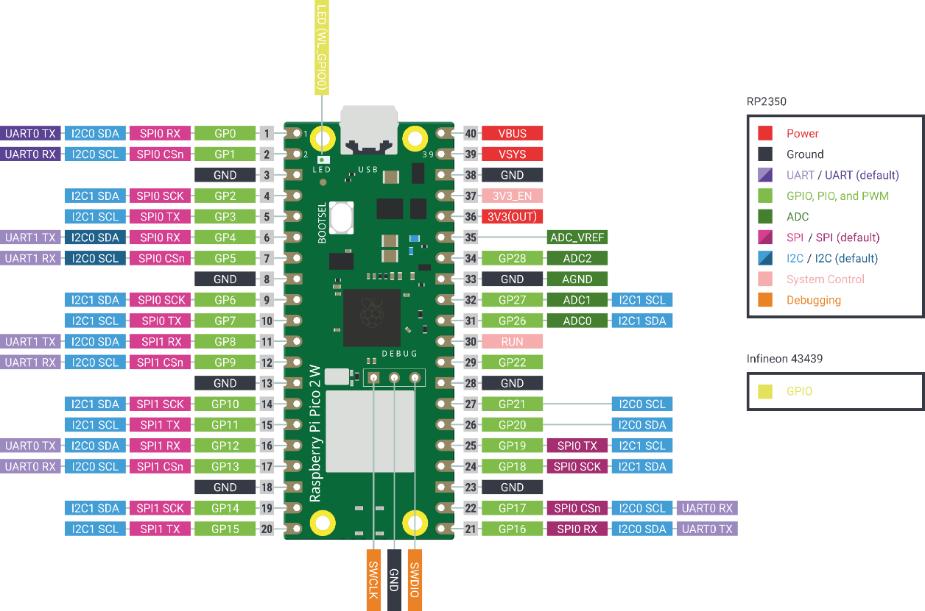

 |  |  |  |  |  |  |  |  | groove
 |  |  |  |  |  |  |  | GND |  | GND
 |  |  |  |  |  |  |  | 3V3(OUT) |  | 3V3
 |  |  |  |  |  |  |  | GP20 |  | SDA
 |  |  |  |  |  |  |  | GP21 |  | SCL

 |  |  |  |  |  |  |  | ST-LINK

