Sheet1
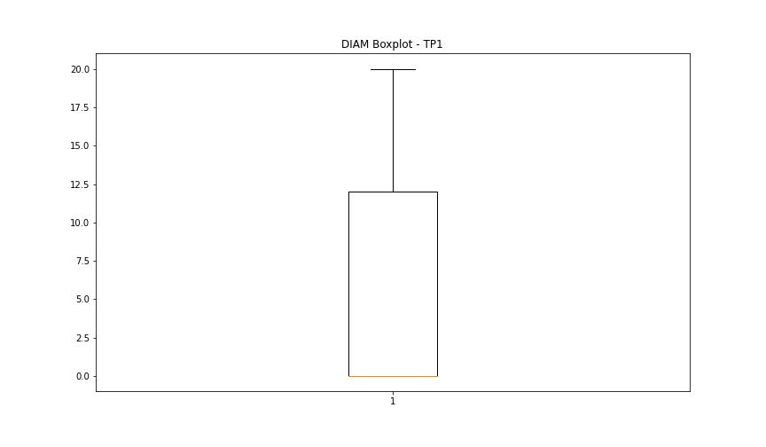
statorCelsius

numTP |  | 1 | 8
statorCelsius outliers |  | [14. 15. 18. 16. 20. 17. 5. 7. 10. 12. 19. 6. 11. 9. 13. 8. 4. 0.] | []
upper_bound |  | 37 | 0
lower_bound |  | 21 | 0

statistiche con outliers: |  |  |  | statistiche senza outliers:
numTP |  | 1 | 8 | numTP |  | 1 | 8
statorCelsius | max | 36 | 0 | statorCelsius | max | 36 | 0
 | min | 0 | 0 |  | min | 21 | 0
 | avg | 28.657875436 | 0 |  | avg | 29.448720344 | 0
 | median | 30 | 0 |  | median | 30 | 0

BOXPLOT CON OUTLIERS
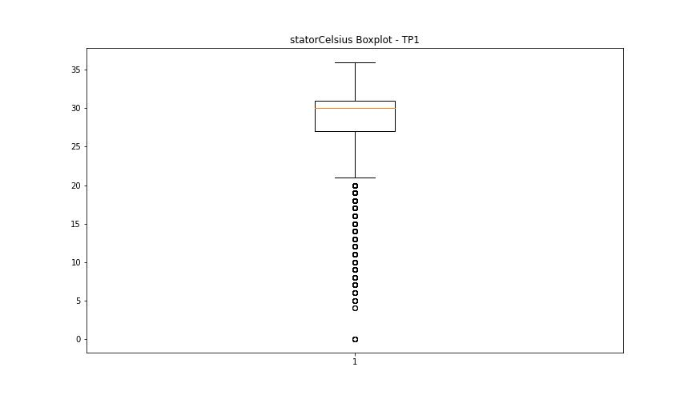
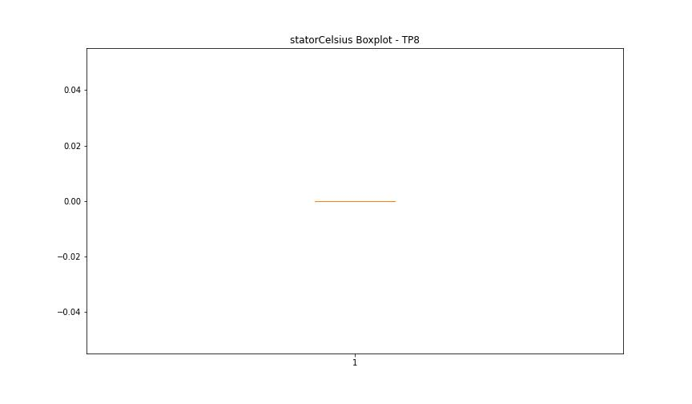

BOXPLOT SENZA OUTLIERS

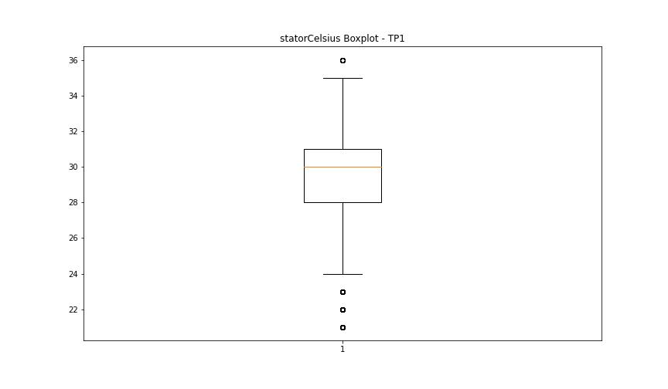

bearingsCelsius

numTP |  | 1 | 8
bearingsCelsius outliers |  | [12. 13. 15. 5. 6. 7. 8. 14. 9. 11. 3. 4. 10. 0.] | []
upper_bound |  | 35.5 | 0
lower_bound |  | 15.5 | 0

statistiche con outliers: |  |  |  | statistiche senza outliers:
numTP |  | 1 | 8 | numTP |  | 1 | 8
bearingsCelsius | max | 33 | 0 | bearingsCelsius | max | 33 | 0
 | min | 0 | 0 |  | min | 16 | 0
 | avg | 24.895737378 | 0 |  | avg | 25.528037383 | 0
 | median | 26 | 0 |  | median | 26 | 0

BOXPLOT CON OUTLIERS
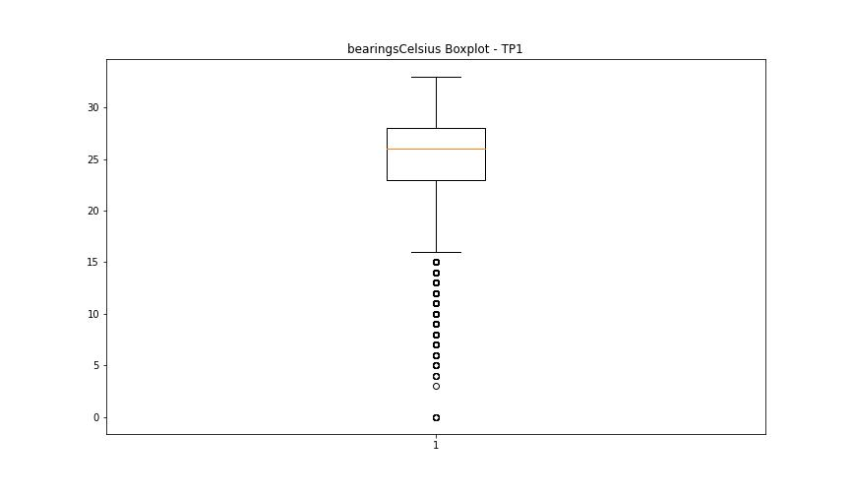


BOXPLOT SENZA OUTLIERS

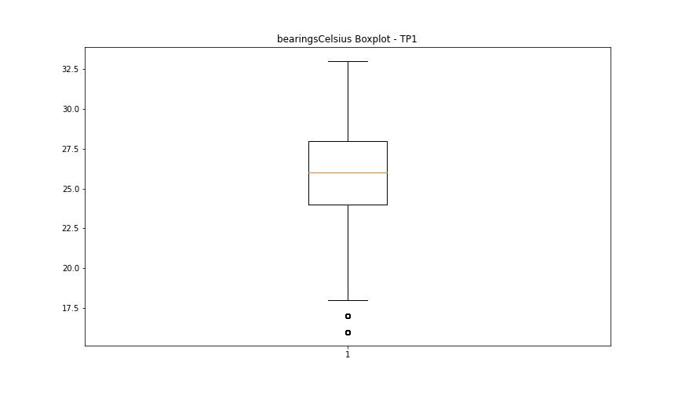

spindleRpm

numTP |  | 1 | 8
spindleRpm outliers |  | [12002. 5003. 10002. 15004. 5000. 10003. 9997. 4997. 10000. 10001. 12000. 13438. 9251. 4995. 4998. 4947. 4996. 5001. 12005. 12015. 4999. 5002. 10004. 9992. 15003. 9998. 14996. 9996. 12009. 15006. 9999. 12798. 14855. 14401. 14397. 14240. 14085. 13904. 13766. 14101. 14260. 14559. 14378. 12370. 10005. 12003. 10006. 10007. 14400. 14598. 14712. 14876. 13809. 15002. 14761. 14760. 14753. 14407. 14998. 9993. 0. 10009. 11996. 11993. 11998. 9995. 10008. 9994. 4994. 14842. 13780. 10010. 11997. 9991. 12010. 7998.199 8001. 7997.5 8003.799 8004.5 7999.6 7983.5 7994.699 7998.899 7995.399 7994. 12001. 11425. 7996.1 7996.799 7991.199 8007.299 7857.5 7993.299 8000.299 8005.199 8001.699 8002.399 8005.899 7990.5 7898.799 7992.6 7991.899 7984.899 15007. 7987. 7985.6 7987.699 8003.1 8010.1 7984.199 7988.399 7989.1 8010.799 8006.6 7989.799] | []
upper_bound |  | 22987.5 | 0
lower_bound |  | 15007.5 | 0

statistiche con outliers: |  |  |  | statistiche senza outliers:
numTP |  | 1 | 8 | numTP |  | 1 | 8
spindleRpm | max | 20056 | 0 | spindleRpm | max | 20056 | 0
 | min | 0 | 0 |  | min | 15009 | 0
 | avg | 18338.920521 | 0 |  | avg | 18683.228885 | 0
 | median | 18009 | 0 |  | median | 18009 | 0

BOXPLOT CON OUTLIERS
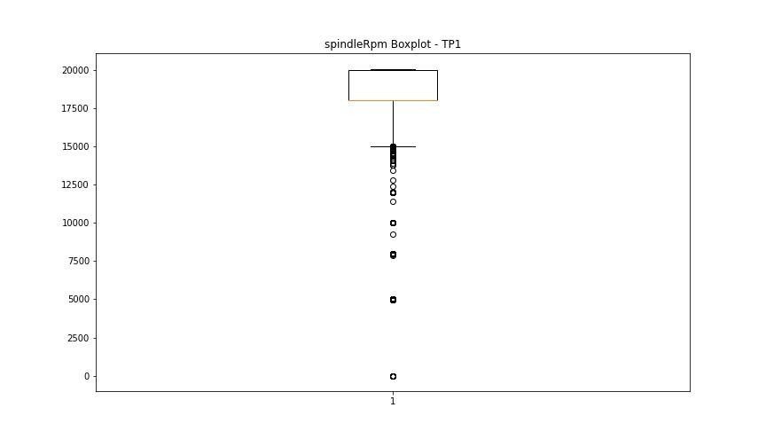


BOXPLOT SENZA OUTLIERS

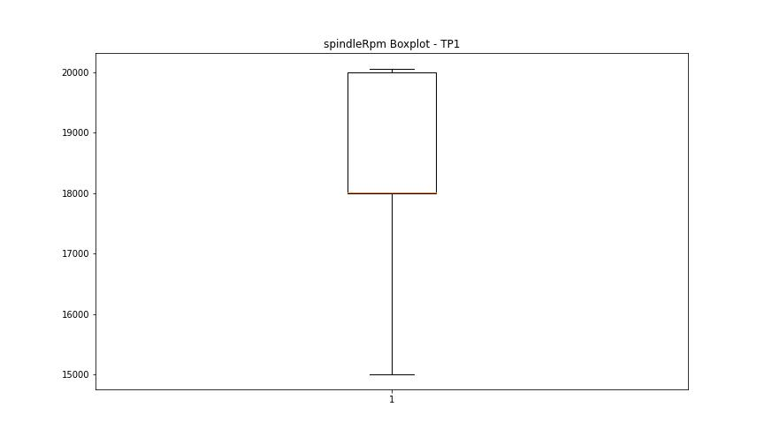

rpmSetPoint

numTP |  | 1 | 8
rpmSetPoint outliers |  | [12000. 5000. 10000. 0. 8000.] | []
upper_bound |  | 23000 | 5000
lower_bound |  | 15000 | 5000

statistiche con outliers: |  |  |  | statistiche senza outliers:
numTP |  | 1 | 8 | numTP |  | 1 | 8
rpmSetPoint | max | 20000 | 5000 | rpmSetPoint | max | 20000 | 5000
 | min | 0 | 5000 |  | min | 15000 | 5000
 | avg | 18345.17558 | 5000 |  | avg | 18681.789254 | 5000
 | median | 18000 | 5000 |  | median | 18000 | 5000

BOXPLOT CON OUTLIERS
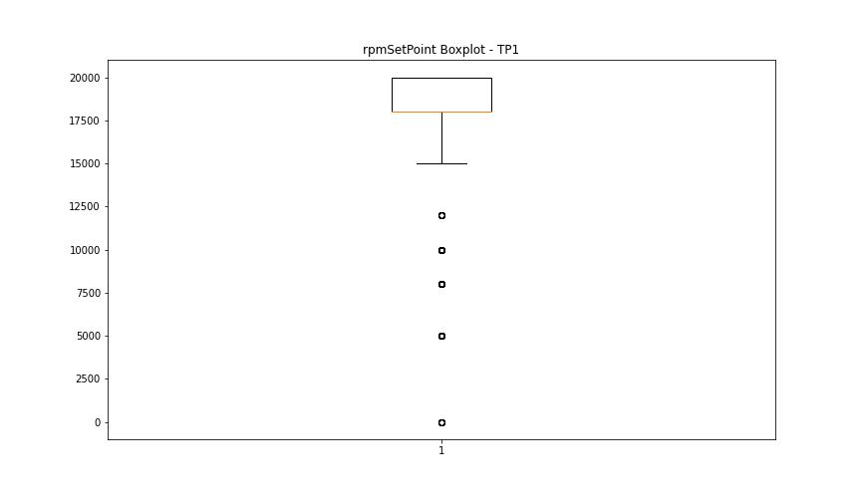
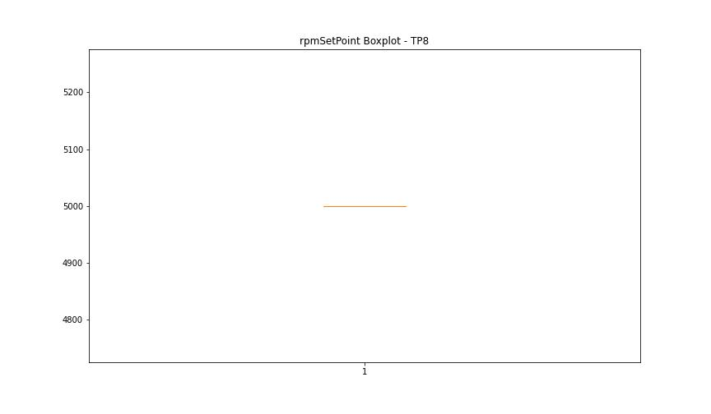

BOXPLOT SENZA OUTLIERS

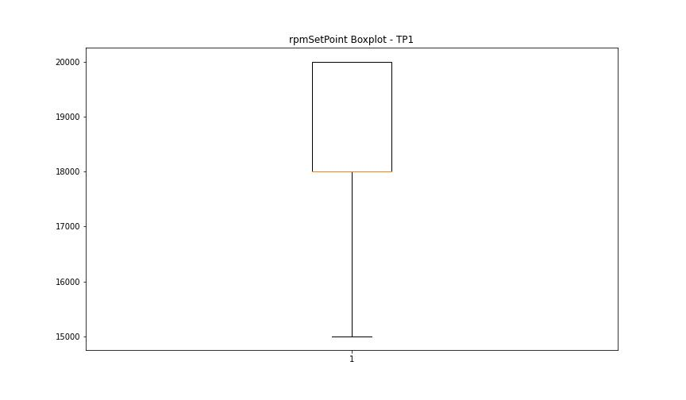

CurrentPeak

numTP |  | 1 | 8
CurrentPeak outliers |  | [13.225 13.133 13.076 13.041 13.211 13.246 13.501 13.119 13.317 12.906 13.027 13.26 7.271 8.064 12.999 13.303 13.105 12.984 13.197 13.409 13.154 13.353 13.607 9.883 0.757 13.091 13.168 12.97 13.183 13.367 12.935 13.459 10.053 0.651 13.062 12.956 13.381 12.892 12.921 13.275 13.289 13.622 13.423 13.473 13.013 13.565 12.864 13.331 13.395 0.594 1.139 13.537 13.445 9.558 12.751 13.685 2.499 9.395 13.551 9.699 0.361 1.812 12.843 12.878 7.667 8.184 7.618 8.127 7.419 12.8 7.391 8.219 12.829 14.5 14.769 7.837 13.657 9.607 0.375 0.623 15.002 15.045 14.875 14.804 9.501 0.743 2.867 3.278 3.115 2.116 2.789 3.129 2.138 2.322 2.166 1.614 3.632 2.959 2.916 2.378 2.35 2.931 1.649 2.881 2.47 2.655 2.697 1.387 13.579 9.529 0.332 0.29 2.839 0.516 5.055 0.608 0.665 0.424 2.626 2.534 1.585 0.488 0.453 0.531 0.7 2.718 2.52 2.824 3.101 1.755 1.359 1.43 0.106 0.559 0.346 2.031 2.775 2.902 2.64 3.263 0.502 2.732 0.41 0.545 0.729 1.508 0.318 13.749 9.713 13.643 10.018 7.483 8.078 10.11 12.814 9.635 13.855 9.742 0.304 14.096 9.345 0.637 0.686 9.466 13.487 6.534 5.373 7.681 8.17 9.685 0.467 9.317 9.763 7.575 8.34 9.82 9.94 9.487 4.474 2.853 2.81 2.046 1.876 2.01 3.065 3.568 6.364 9.777 7.377 7.745 8.106 12.737 13.515 9.451 4.948 1.862 3.341 0.58 9.791 12.064 9.728 12.418 9.289 9.303 7.289 1.798 2.286 9.593 12.786 9.359 13.777 9.579 0.396 13.791 9.912 9.253 9.515 8.969 9.926 7.257 7.273 9.197 9.869 0.269 9.409 9.206 7.367 9.423 9.543 11.837 12.524 9.225 13.593 9.381 0.24 0.212 7.21 0.438 9.621 13.735 9.805 9.175 9.211 9.65 13.763 9.437 0.254 0.226 9.671 7.226 9.239 7.4 12.645 12.142 9.267 9.331 9.989 9.848 9.975 13.827 13.898 9.961 12.722 13.671 14.025 6.442 4.807 12.772 6.626 5.465 13.699 14.252 12.666 9.161 12.708 5.664 7.165 8.156 | [7.775 7.493 7.446]
upper_bound |  | 21.314 | 7.7725
lower_bound |  | 15.226 | 7.5085

statistiche con outliers: |  |  |  | statistiche senza outliers:
numTP |  | 1 | 8 | numTP |  | 1 | 8
CurrentPeak | max | 20.992 | 7.775 | CurrentPeak | max | 20.992 | 7.761
 | min | 0.106 | 7.446 |  | min | 15.873 | 7.571
 | avg | 17.325925455 | 7.6285 |  | avg | 18.536372333 | 7.6462
 | median | 18.132 | 7.634 |  | median | 18.379 | 7.634

BOXPLOT CON OUTLIERS
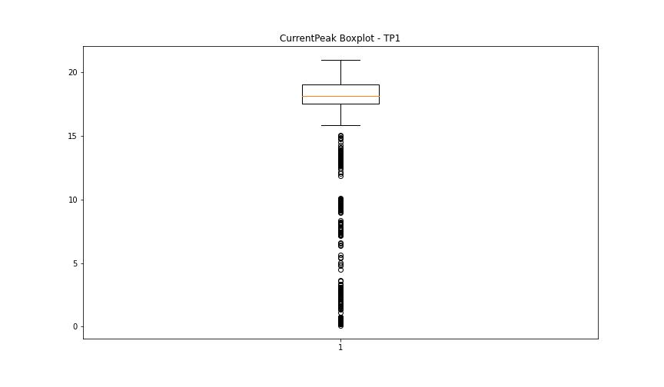
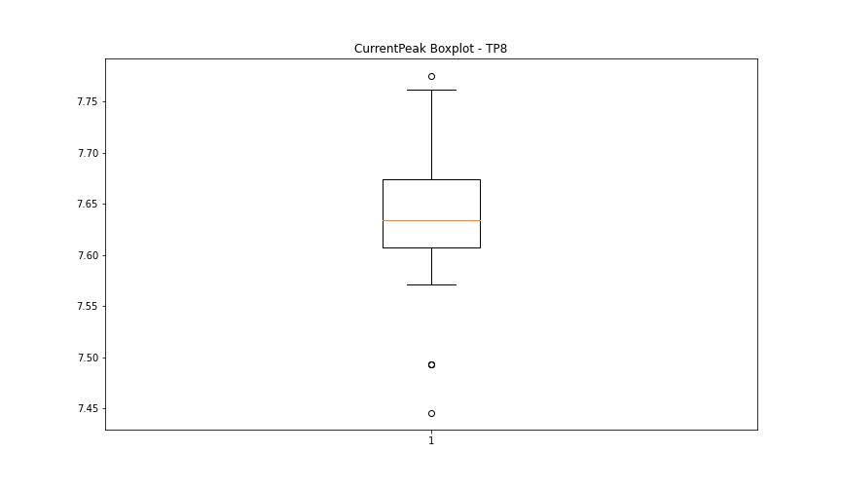

BOXPLOT SENZA OUTLIERS

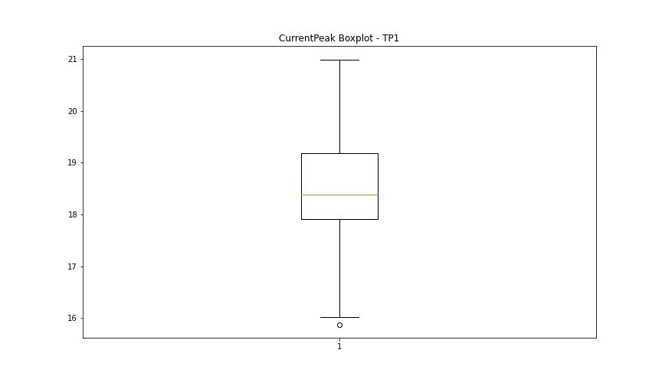
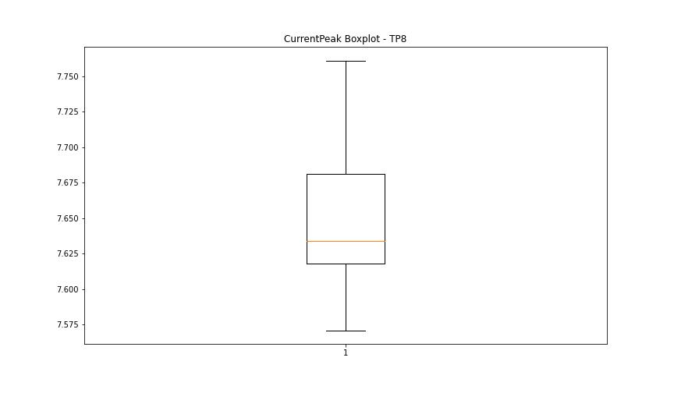

VibromPeak

numTP |  | 1 | 8
VibromPeak outliers |  | [ 0.1 0.2 2.8 2. 11.4 11. 10.3 12.8 11.8 3.2 2.1 2.5 2.2 2.6 2.4 2.3 2.7]
upper_bound |  | 1.9
lower_bound |  | 0.3

statistiche con outliers: |  |  |  | statistiche senza outliers:
numTP |  | 1 | 8 | numTP |  | 1 | 8
VibromPeak | max | 12.8 | nan | VibromPeak | max | 1.9
 | min | 0.1 | nan |  | min | 0.3
 | avg | 1.0944473792 | nan |  | avg | 1.10737531
 | median | 1.1 | nan |  | median | 1.1

BOXPLOT CON OUTLIERS
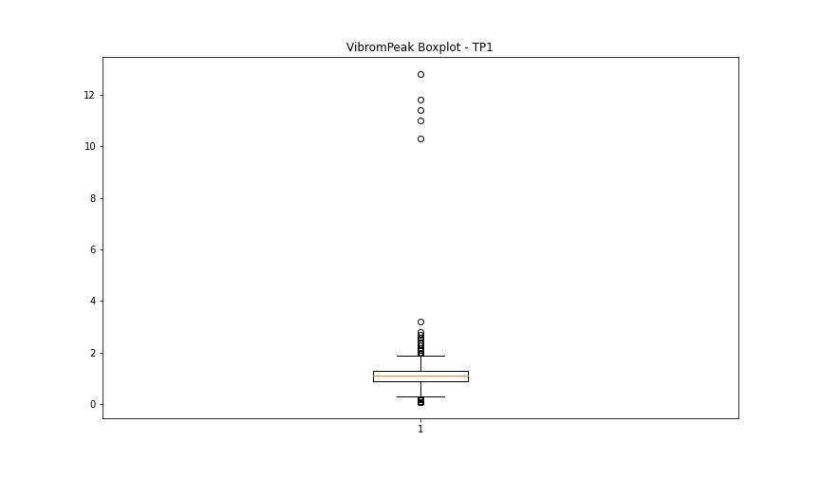
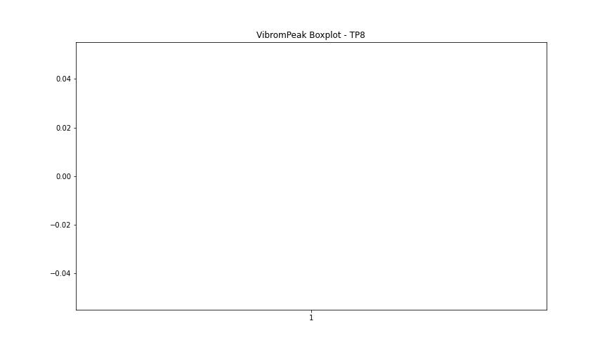

BOXPLOT SENZA OUTLIERS

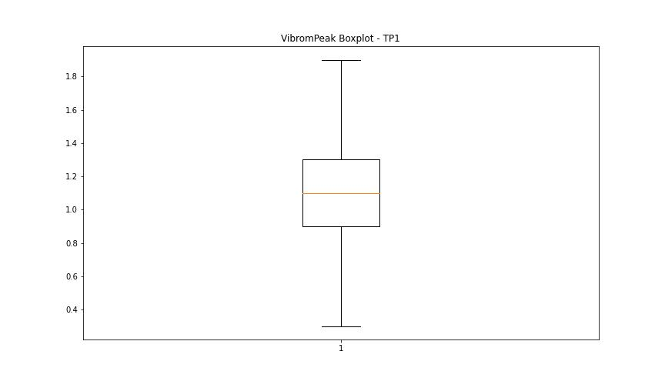

LUNG

numTP |  | 1 | 8
LUNG outliers |  | [125.965 115.017 122.13 231.203 130.446 125.939 122.106 124.991 123.552 123.55 122.119 123.539 126.317 114.979 130.439 2. 115.038 130.442 121.95 114.854 130.259] | []
upper_bound |  | 113.274 | 2
lower_bound |  | 97.154 | 2

statistiche con outliers: |  |  |  | statistiche senza outliers:
numTP |  | 1 | 8 | numTP |  | 1 | 8
LUNG | max | 231.203 | 2 | LUNG | max | 111 | 2
 | min | 2 | 2 |  | min | 103 | 2
 | avg | 105.4641947 | 2 |  | avg | 105.1485356 | 2
 | median | 107.19 | 2 |  | median | 103.201 | 2

BOXPLOT CON OUTLIERS
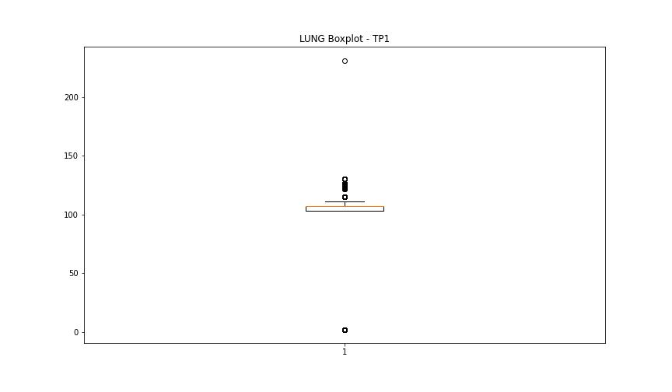
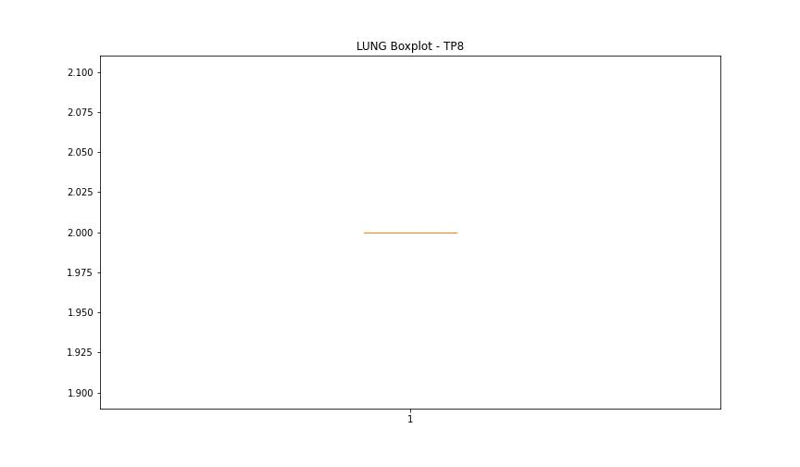

BOXPLOT SENZA OUTLIERS

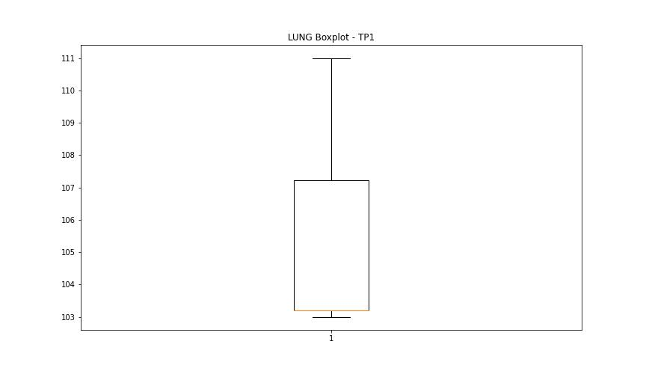

DIAM

numTP |  | 1 | 8
DIAM outliers |  | [ 80. 180.] | []
upper_bound |  | 29.985 | 120
lower_bound |  | -17.975 | 120

statistiche con outliers: |  |  |  | statistiche senza outliers:
numTP |  | 1 | 8 | numTP |  | 1 | 8
DIAM | max | 180 | 120 | DIAM | max | 20 | 120
 | min | 0.01 | 120 |  | min | 0.01 | 120
 | avg | 5.8376448148 | 120 |  | avg | 4.8544640274 | 120
 | median | 0.01 | 120 |  | median | 0.01 | 120

BOXPLOT CON OUTLIERS
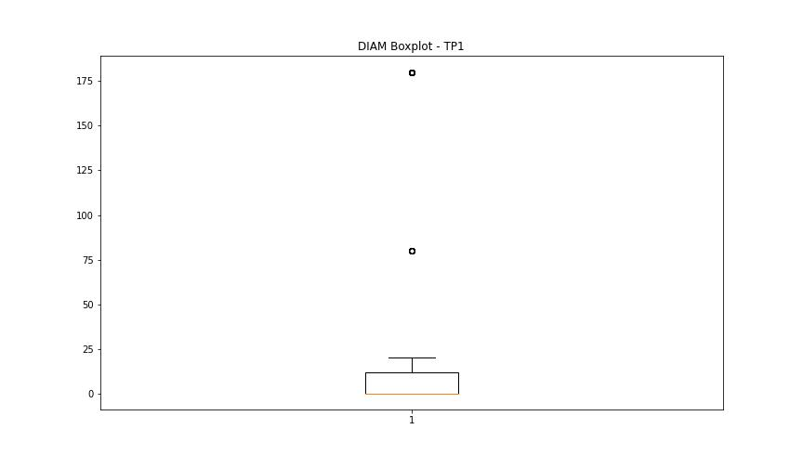
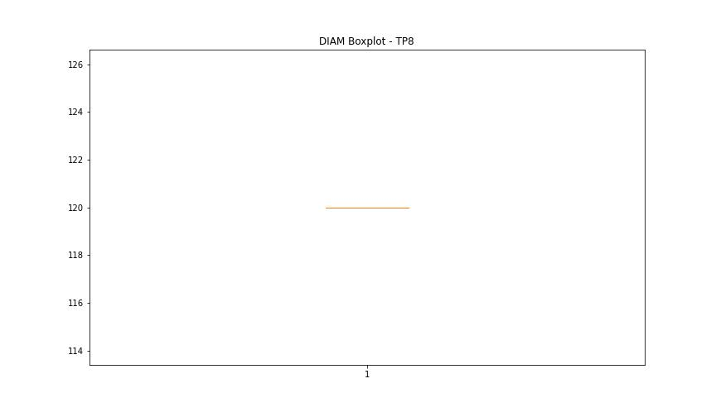

BOXPLOT SENZA OUTLIERS

