Sheet1
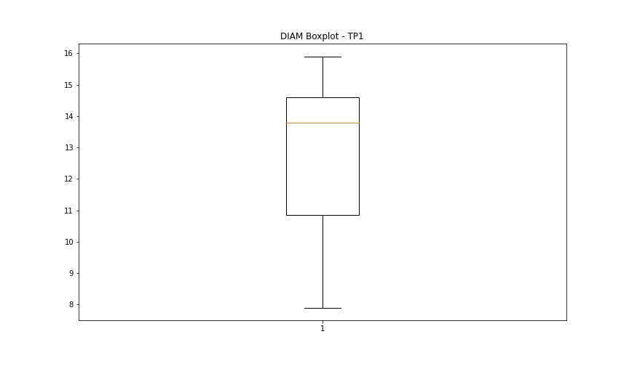
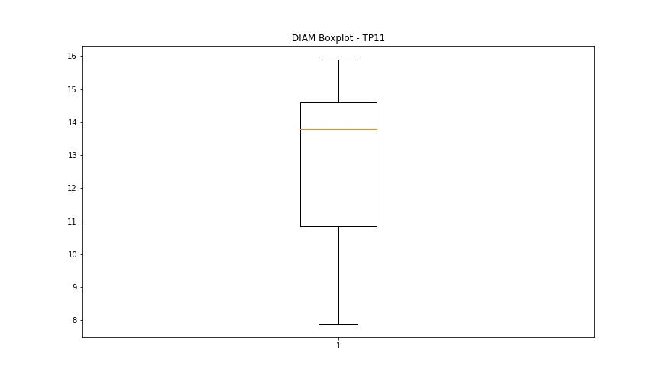
statorCelsius

numTP |  | 1 | 11
statorCelsius outliers |  | [20. 21. 17. 18. 22.] | [21. 23. 22. 16. 18. 20. 17. 13. 15. 19.]
upper_bound |  | 55 | 48
lower_bound |  | 23 | 24

statistiche con outliers: |  |  |  | statistiche senza outliers:
numTP |  | 1 | 11 | numTP |  | 1 | 11
statorCelsius | max | 50 | 45 | statorCelsius | max | 50 | 45
 | min | 17 | 13 |  | min | 23 | 24
 | avg | 38.128892456 | 34.873659559 |  | avg | 38.189241424 | 35.760889591
 | median | 39 | 36 |  | median | 39 | 37

BOXPLOT CON OUTLIERS
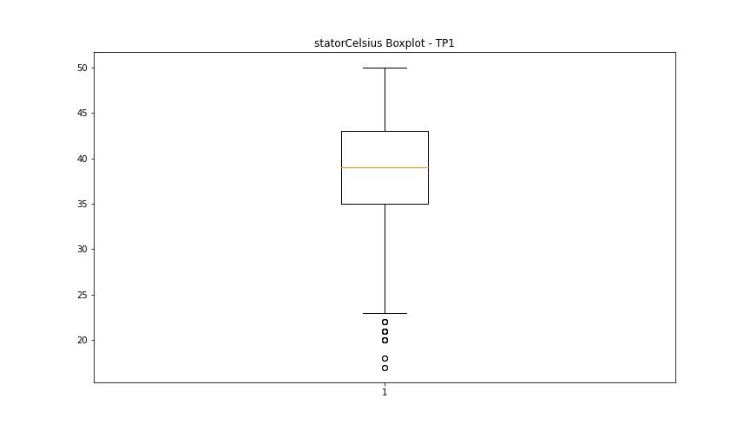
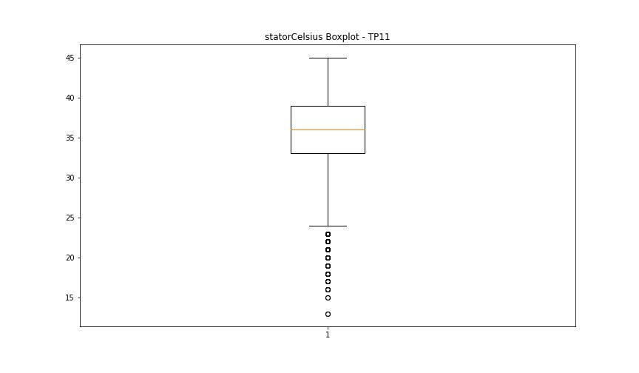

BOXPLOT SENZA OUTLIERS

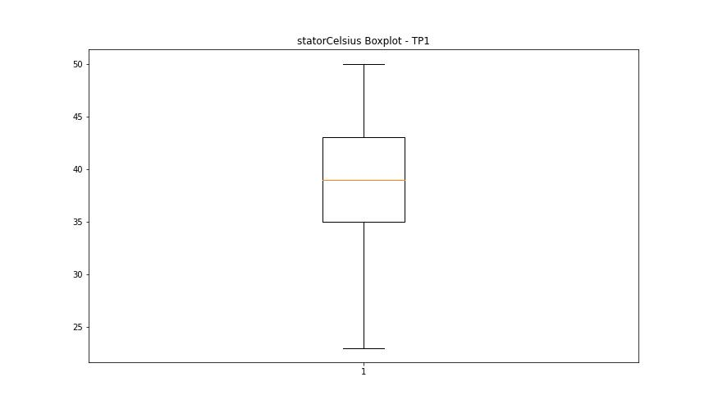
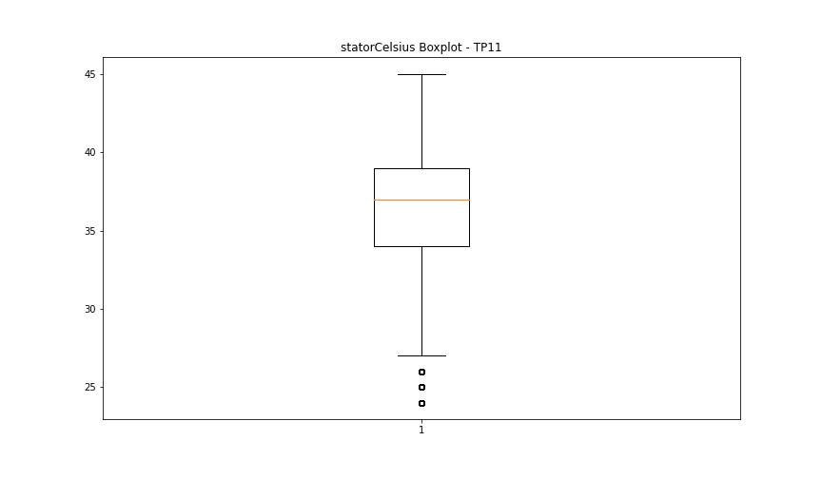

bearingsCelsius

numTP |  | 1 | 11
bearingsCelsius outliers |  | [21. 22. 19. 20. 23. 18.] | [20. 15. 18. 19. 13. 16. 17. 11. 33. 34.]
upper_bound |  | 43.5 | 32.5
lower_bound |  | 23.5 | 20.5

statistiche con outliers: |  |  |  | statistiche senza outliers:
numTP |  | 1 | 11 | numTP |  | 1 | 11
bearingsCelsius | max | 42 | 34 | bearingsCelsius | max | 42 | 32
 | min | 18 | 11 |  | min | 24 | 21
 | avg | 33.444462279 | 25.92961913 |  | avg | 33.500483871 | 26.270582134
 | median | 34 | 26 |  | median | 34 | 26

BOXPLOT CON OUTLIERS
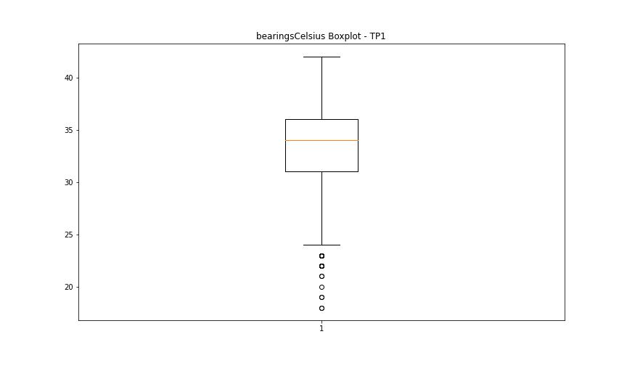
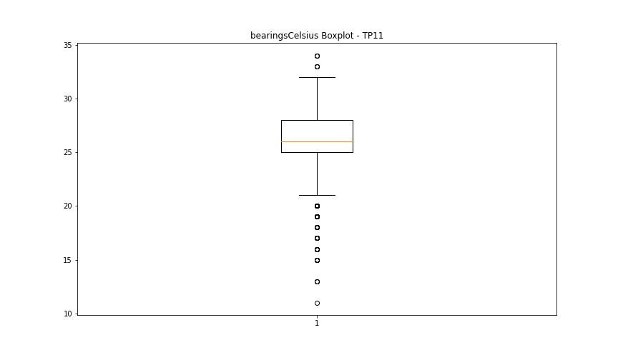

BOXPLOT SENZA OUTLIERS

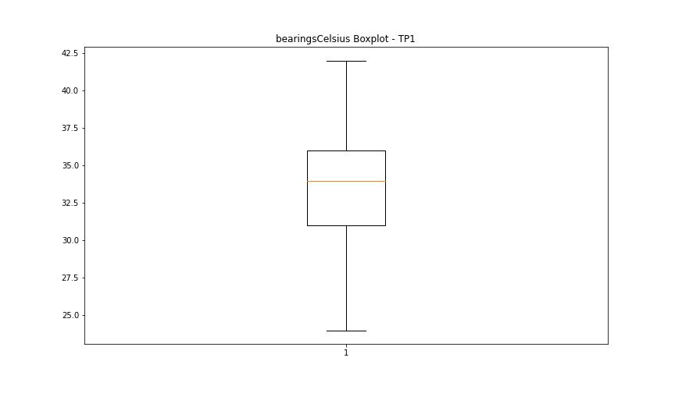
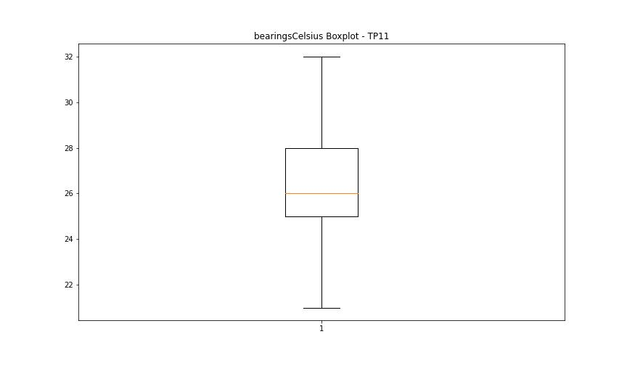

spindleRpm

numTP |  | 1 | 11
spindleRpm outliers |  | [22003. 21997. 21982. 21985. 22008. 22005. 21993. 21977. 21995. 22000. 22013. 21992. 21988. 21987. 21975. 21980. 21998. 22018. 22015. 22010. 22028. 22023. 21990. 22033. 22035. 22002. 21983. 21952. 18616. 22020. 21954. 21959. 22030. 22017. 21972. 22012. 21978. 22038. 11035. 21970. 21964. 21937. 21967. 22025. 22053. 22007. 20089. 22535. 23491. 23165. 23032. 23715. 23636. 23462. 23260. 23210. 23018. 22829. 22614. 22476. 22283. 22252. 22060. 21753. 21743. 21567. 21304. 21123. 20925. 22542. 21845. 21271. 21010. 20833. 20618. 20366. 20114. 19892. 19637. 19426. 19659. 19912. 20157. 20731. 21107. 21314. 23422. 23709. 7089. 11672. 22043. 21934. 4394. 7400. 21957. 21962. 21969. 22048. 22045. 23776. 23718. 23451. 23694. 23368. 23563. 23416. 23683. 23747. 23477. 23735. 23749. 23500. 23729. 23460. 23662. 23506. 23717. 23677. 23483. 23706. 23465. 23686. 23485. 23697. 23445. 23650. 23457. 23680. 23685. 23468. 23454. 23674. 23712. 23779. 23723. 23511. 23753. 23494. 23720. 23480. 23806. 23529. 23750. 23575. 23744. 23374. 23586. 23726. 23411. 23648. 23391. 23630. 23388. 23624. 23520. 23437. 23621. 23618. 23377. 23668. 23405. 23572. 23759. 23732. 23526. 23752. 23770. 23788. 23764. 23508. 23755. 23738. 23514. 23756. 23474. 23543. 23471. 23633. 23714. 23497. 23431. 23700. 23448. 23679. 23671. 23682. 23692. 23627. 23434. 23688. 23503. 23691. 23703. 23442. 23659. 23761. 23523. 23773. 23517. 23741. 23371. 23607. 23439. 65535. 23656. 23595. 23653. 23762. 5953. 6062. 8244. 7903. 23782. 5367. 5089. 23758. 5323. 23721. 23746. 23800. 14246. 23647. 23794. 23791. 23767. 23534. 2761. 10532. 17777.] | [22003. 21993. 21998. 21988. 22023. 22005. 22033. 22028. 22013. 22018. 21995. 21985. 21980. 22010. 22030. 21990. 22008. 22015. 22020. 21997. 9982. 9984. 22000. 21992. 21983. 21987. 21982. 22025. 21977. 22007. 22043. 21952. 21954. 22045. 9987. 22040. 22050. 21975. 9986. 22545. 21795. 21268. 21084. 20855. 20609. 20375. 20127. 19892. 19655. 19409. 19672. 19906. 20151. 20700. 21112. 21340. 23329. 23720. 9187. 22038. 22002. 21970. 22035. 21962. 8904. 12349. 9988. 9734. 9983. 21972. 2556. 23779. 21967. 9844. 9643. 9955. 9990. 9993. 9992. 9985. 21964. 920. 22012. 9995. 21978. 23753. 23741. 23397. 23683. 23348. 23549. 23437. 23674. 23747. 23497. 23759. 23738. 23477. 23685. 23465. 23703. 23480. 23712. 23468. 23709. 23706. 23697. 23451. 23721. 23471. 23503. 23688. 23457. 23662. 23460. 23691. 23462. 23700. 23445. 23686. 23764. 23770. 23494. 23782. 23511. 23750. 23514. 23526. 23762. 23715. 23408. 23612. 23402. 23694. 23388. 23569. 23351. 23540. 23454. 23723. 23598. 23416. 23639. 23615. 23405. 23773. 23485. 23491. 23756. 23749. 23488. 23743. 23506. 23483. 23500. 23732. 23758. 23508. 23517. 23735. 23761. 23442. 23726. 23653. 23439. 23581. 23434. 23717. 23665. 23718. 23676. 23689. 23647. 23692. 23671. 23682. 23529. 23369. 23543. 23744. 23729. 23679. 23668. 23627. 23650. 23474. 23659. 23677. 23767. 5475. 9991. 6098. 9975. 14264. 9980. 6796. 9989. 9978. 6671. 4675. 5554. 18464. 490. 6445. 5489. 6792. 5143. 6407. 6771. 23776. 5703. 9886. 4478. 23752. 6491. 5634. 23755. 8991. 8219. 23746. 23785. 9979. 9971. 14659. 9758. 9671. 9686. 9779. 9676. 9754. 9674. 9773. 9669. 9732. 9771. 23523. 5744. 6489. 1570. 5847. 238. 10325. 14853. 9981. 9976. 9996. 8985. 16094.]
upper_bound |  | 24094.5 | 24081
lower_bound |  | 23842.5 | 23865

statistiche con outliers: |  |  |  | statistiche senza outliers:
numTP |  | 1 | 11 | numTP |  | 1 | 11
spindleRpm | max | 65535 | 24063 | spindleRpm | max | 24078 | 24063
 | min | 2761 | 238 |  | min | 23844 | 23895
 | avg | 23632.575602 | 23377.719339 |  | avg | 23983.859384 | 23986.698778
 | median | 23976 | 23976 |  | median | 23988 | 23988

BOXPLOT CON OUTLIERS
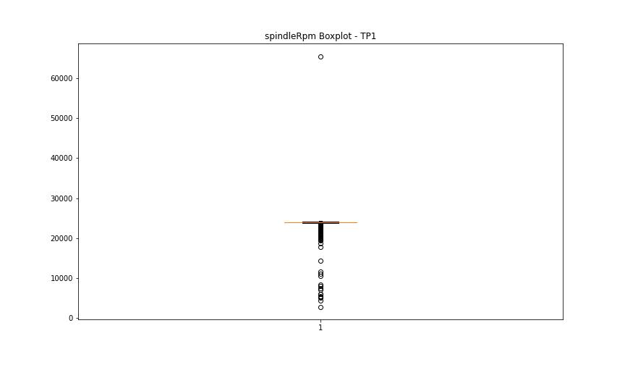
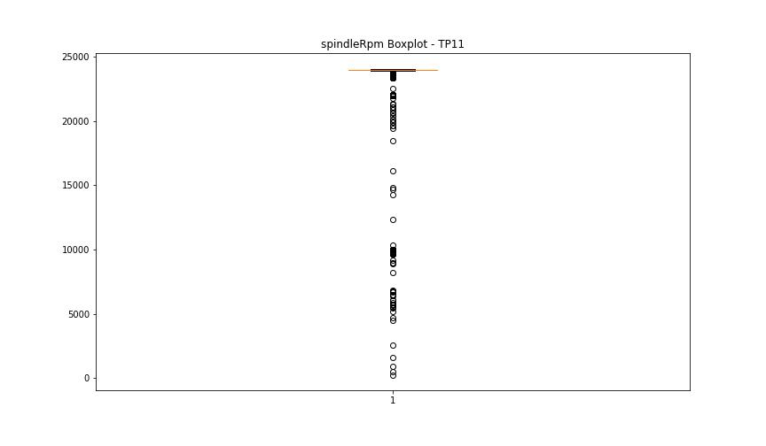

BOXPLOT SENZA OUTLIERS

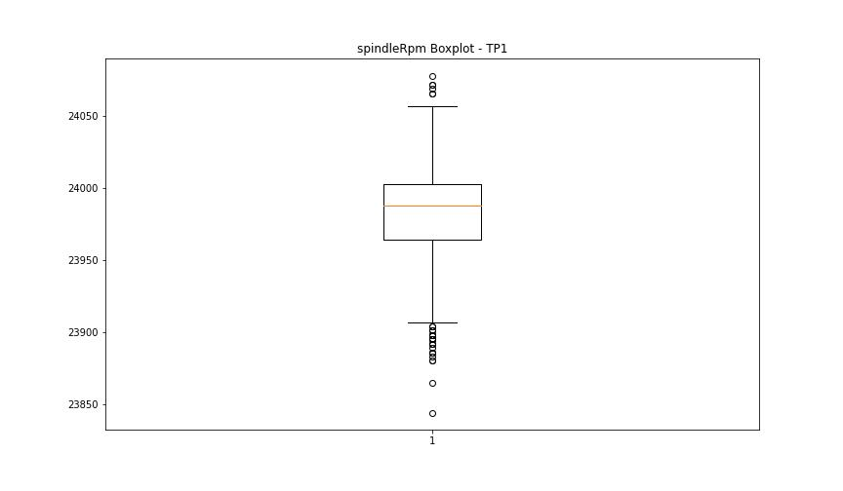
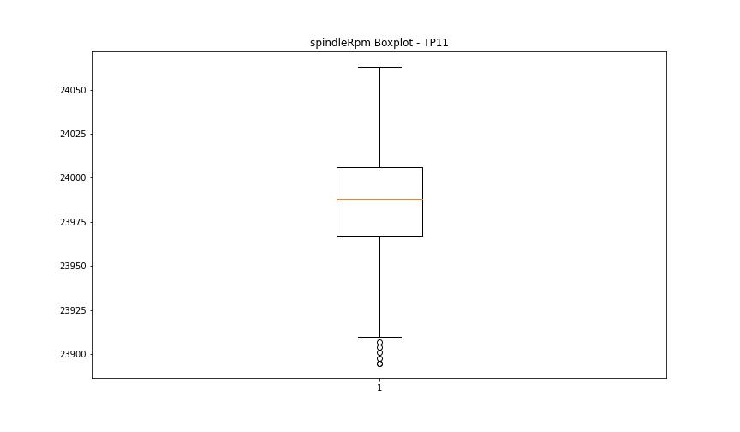

rpmSetPoint

numTP |  | 1 | 11
rpmSetPoint outliers |  | [22000.] | [22000. 10000.]
upper_bound |  | 24000 | 24000
lower_bound |  | 24000 | 24000

statistiche con outliers: |  |  |  | statistiche senza outliers:
numTP |  | 1 | 11 | numTP |  | 1 | 11
rpmSetPoint | max | 24000 | 24000 | rpmSetPoint | max | 24000 | 24000
 | min | 22000 | 10000 |  | min | 24000 | 24000
 | avg | 23714.606742 | 23486.996179 |  | avg | 24000 | 24000
 | median | 24000 | 24000 |  | median | 24000 | 24000

BOXPLOT CON OUTLIERS
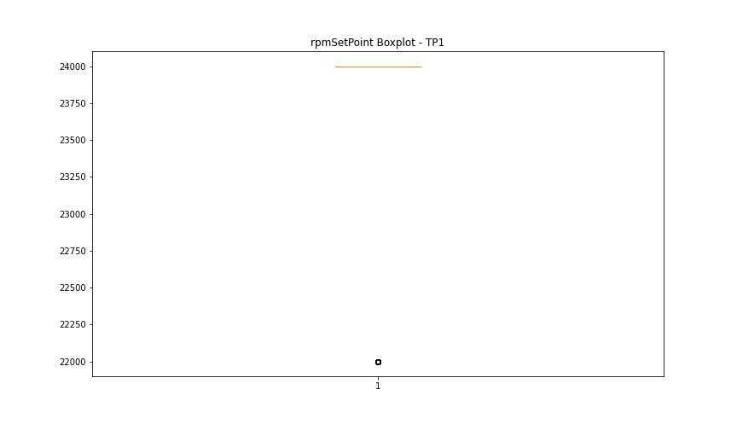
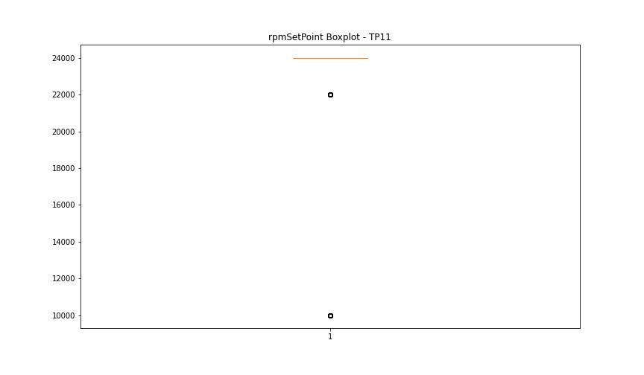

BOXPLOT SENZA OUTLIERS

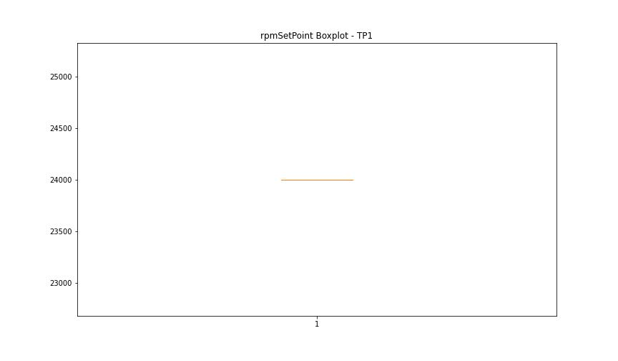


CurrentPeak

numTP |  | 1 | 11
CurrentPeak outliers |  | [3.568 3.54 3.617 3.525 3.738 3.858 3.83 3.908 3.695 3.079 2.116 1.097 4.276 1.918 2.364 0.608 1.033 2.442 0.743 1.416 1.536 2.81 1.189 2.577 0.594 2.194 1.203 1.862 0.467 0.361 0.991 1.741 1.401 1.614 2.166 0.24 0.623 1.585 0.559 0.849 3.327 3.66 0.134 3.065 4.425 2.853 2.973 3.986 2.839 3.752 2.916 3.299 3.101 2.789 3.646 2.761 3.023 4.134 2.683 3.009 0.545 2.669 0.488 2.534 0.438 2.35 2.088 4.644 3.936 1.139 2.393 0.212 0.396 2.697 0.198 2.428 0.29 2.987 0.162 2.272 0.269 3.207 0.346 2.485 2.867 0.177 1.125 0.424 3.051 2.18 0.778 2.244 2.52 3.115 4.396 3.193 2.824 0.899 3.037 2.931 4.552 1.982 4.226 2.747 1.217 4.262 2.23 1.508 4.58 4.594 4.368 2.322 2.301 2.945 4.609 2.548 2.902 3.221 1.826 4.184 4.46 0.502 2.378 0.913 2.286 0.686 4.658 1.323 2.258 3.157 3.724 3.483 3.922 3.554 3.171] | [2.499 2.272 1.033 1.189 0.212 0.12 1.416 0.198 3.447 4. 3.83 4.807 2.655 0.162 2.959 4.226 2.853 3.278 3.936 2.747 4.333 3.66 2.973 2.612 4.517 3.37 3.051 4.644 2.52 2.718 2.562 2.732 0.453 2.591 0.545 2.683 0.757 2.116 0.913 2.485 0.778 2.286 4.842 3.922 1.295 2.945 4.934 2.301 0.835 3.327 0.318 2.839 1.005 0.715 0.686 0.148 2.931 0.424 2.407 2.697 0.304 0.346 3.065 1.557 4.46 0.488 0.991 0.559 3.115 3.773 3.816 4.262 2.881 5.317 2.336 1.522 5.253 3.037 2.577 4.29 1.996 4.276 5.026 2.902 2.669 4.382 1.359 5.239 5.055 1.968 1.6 4.75 4.58 3.752 4.425 2.393 1.89 5.111 3.207 4.701 2.088 4.552 2.166 3.787 4.871 2.378 0.665 2.442 0.7 0.955 2.775 2.074 3.023 4.042 1.585 3.355 2.194 3.157 4.963 3.738 3.483 3.589 4.17 4.396 4.12 4.856]
upper_bound |  | 26.2315 | 26.233
lower_bound |  | 4.7635 | 5.329

statistiche con outliers: |  |  |  | statistiche senza outliers:
numTP |  | 1 | 11 | numTP |  | 1 | 11
CurrentPeak | max | 20.213 | 20.192 | CurrentPeak | max | 20.213 | 20.192
 | min | 0.134 | 0.12 |  | min | 4.779 | 5.345
 | avg | 15.032286838 | 15.54760705 |  | avg | 15.415306102 | 15.821400554
 | median | 15.059 | 15.675 |  | median | 15.547 | 15.873

BOXPLOT CON OUTLIERS
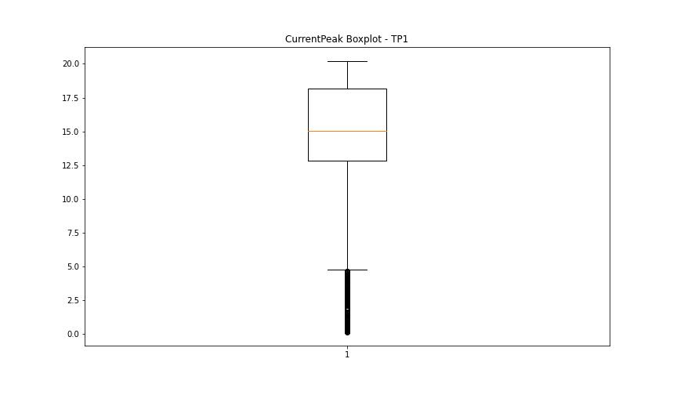
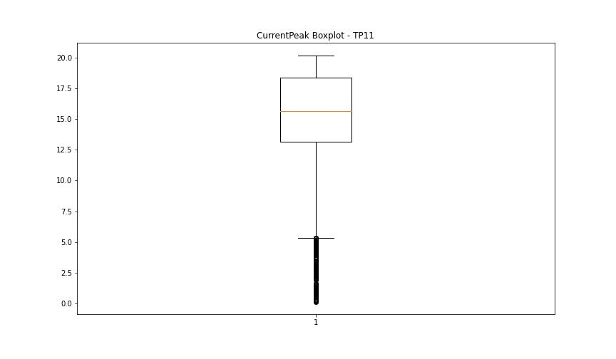

BOXPLOT SENZA OUTLIERS

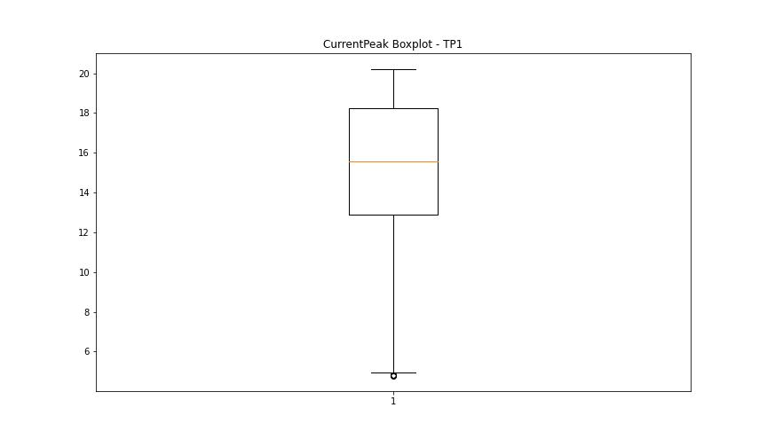
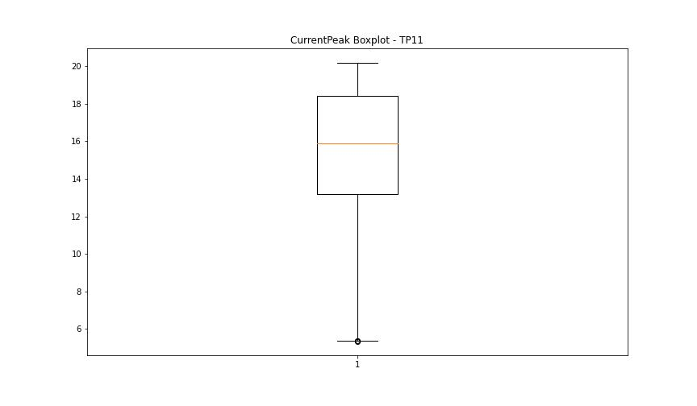

VibromPeak

numTP |  | 1 | 11
VibromPeak outliers |  | [ 5.1 4.8 4.7 4.6 5. 4.9 6.9 6.6 6. 4.4 5.4 4.5 8.4 5.6 8. 7.5 6.3 5.9 7.7 7.6 5.7 8.3 5.3 8.7 6.7 5.2 5.5 5.8 6.1 9.5 9.1 6.4 8.2 6.2 13.9 9.3 11.8 10.5 8.5 6.8 11. 7.3 7.4 7.2 7. 6.5 13.2 13.6 12.4 14.5 11.4 7.1 8.1 9.7 13.4 15.3 10. 14.2 9.8 9.2 10.7 10.8 10.3 11.6 7.9 10.6 8.6 9.9 13.1 12.5 11.9 13.7 12.8 14. 12.7 14.9 12.3 11.5 15.2 18. 12.6 14.1 11.2 8.8 10.9 9.4 9. 10.1 7.8 17. 9.6 8.9 10.2 12.2 13. ] | [2.7 2.9 3.4 2.6 2.3 2.5 2.4 3.1 3.6 5. 5.3 4.5 4.6 3.2 3.3 2.8 4.4 4.1 3.7 3.9 4.2 3.8 7.1 6.5 3. 6.1 6.2 5.7 5.2 4.7 5.1 6.7 6.4 6.3 4. 4.3 3.5 4.8 5.5 4.9 6.9 7.6 8.1 7. 5.6 7.4 8.7 8.2 9.2 8.3 8.9 6.8 5.4 7.9 5.9 7.3 5.8 6. 0.2 9.7 0.1 7.5 7.2 7.8]
upper_bound |  | 4.3 | 2.25
lower_bound |  | -1.3 | 0.25

statistiche con outliers: |  |  |  | statistiche senza outliers:
numTP |  | 1 | 11 | numTP |  | 1 | 11
VibromPeak | max | 18 | 9.7 | VibromPeak | max | 4.3 | 2.2
 | min | 0.2 | 0.1 |  | min | 0.2 | 0.3
 | avg | 1.9278330658 | 1.46158018 |  | avg | 1.4445324881 | 1.2006639004
 | median | 1.3 | 1.2 |  | median | 1.2 | 1.2

BOXPLOT CON OUTLIERS
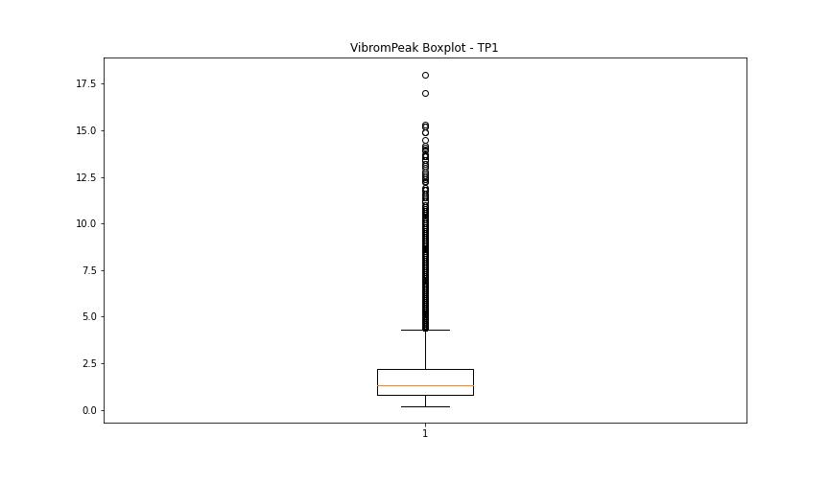
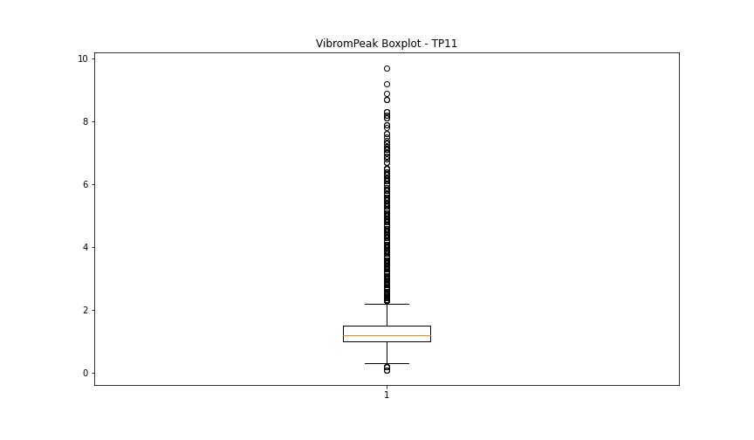

BOXPLOT SENZA OUTLIERS

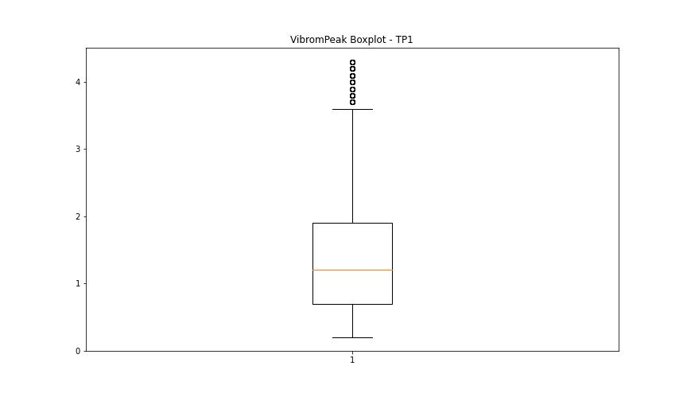
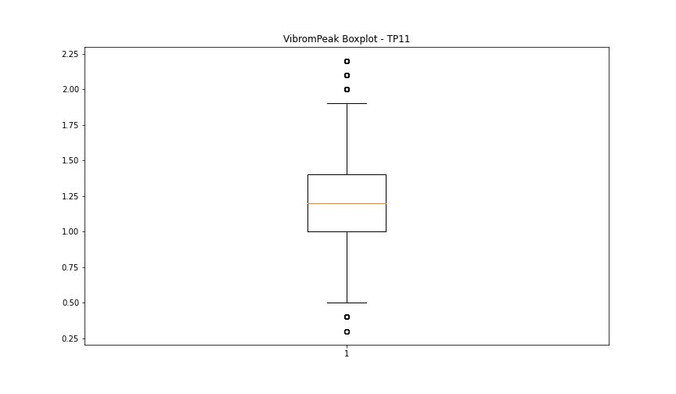

LUNG

numTP |  | 1 | 11
LUNG outliers |  | [] | [84.089 84.05 ]
upper_bound |  | 147.5165 | 144.8125
lower_bound |  | 85.8725 | 89.5765

statistiche con outliers: |  |  |  | statistiche senza outliers:
numTP |  | 1 | 11 | numTP |  | 1 | 11
LUNG | max | 127.599 | 127.599 | LUNG | max | 127.599 | 127.599
 | min | 102.48 | 84.05 |  | min | 102.48 | 102.11
 | avg | 116.28276533 | 116.00772415 |  | avg | 116.28276533 | 116.55651003
 | median | 118.9 | 119 |  | median | 118.9 | 119

BOXPLOT CON OUTLIERS
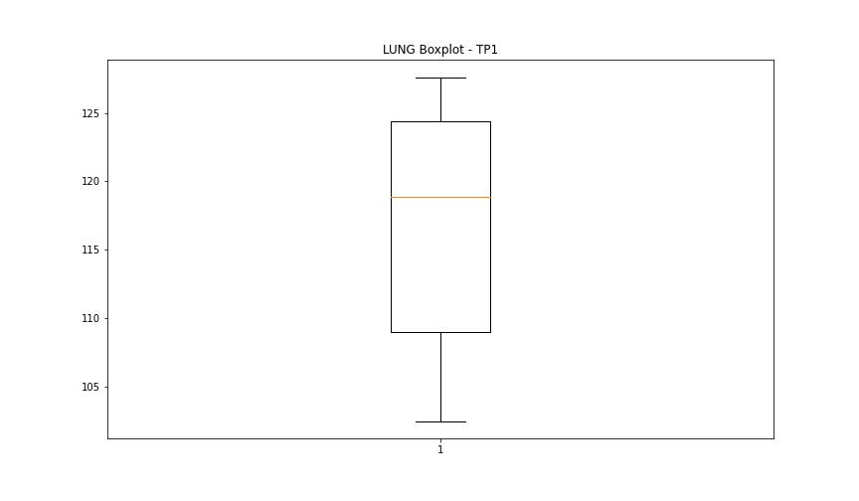
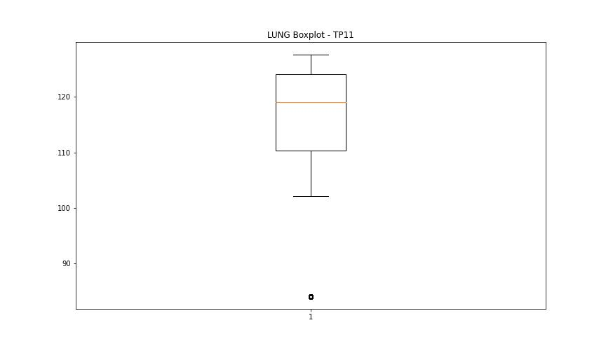

BOXPLOT SENZA OUTLIERS

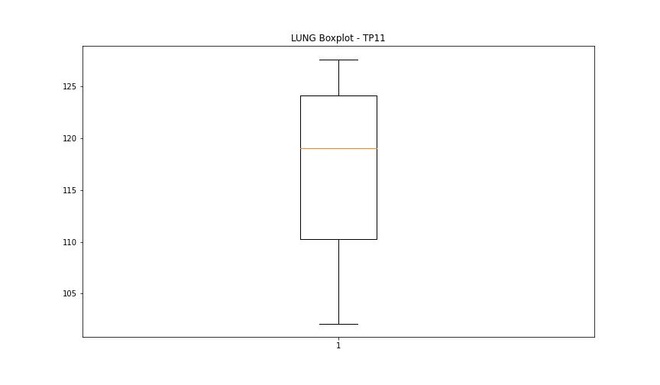

DIAM

numTP |  | 1 | 11
DIAM outliers |  | [38. 36.2 40. ] | [180. 38. 36.2 40. ]
upper_bound |  | 20.225 | 19.5
lower_bound |  | 5.225 | 6.7

statistiche con outliers: |  |  |  | statistiche senza outliers:
numTP |  | 1 | 11 | numTP |  | 1 | 11
DIAM | max | 40 | 180 | DIAM | max | 15.9 | 15.9
 | min | 7.9 | 7.9 |  | min | 7.9 | 7.9
 | avg | 14.695604815 | 17.297615925 |  | avg | 12.799794542 | 12.969344477
 | median | 13.9 | 13.9 |  | median | 13.8 | 13.8

BOXPLOT CON OUTLIERS
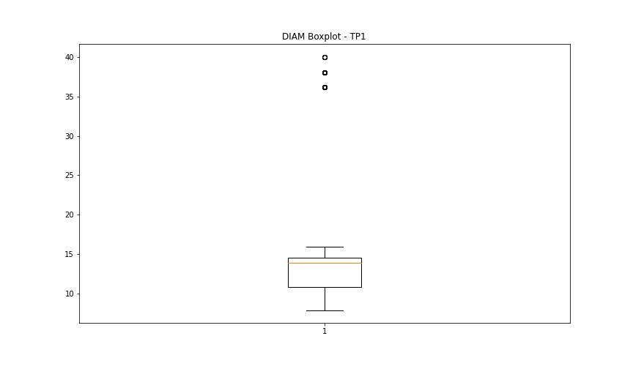
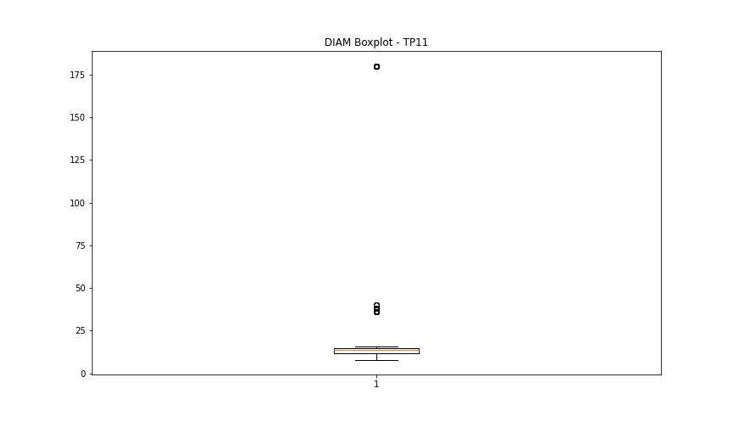

BOXPLOT SENZA OUTLIERS

