Sheet1
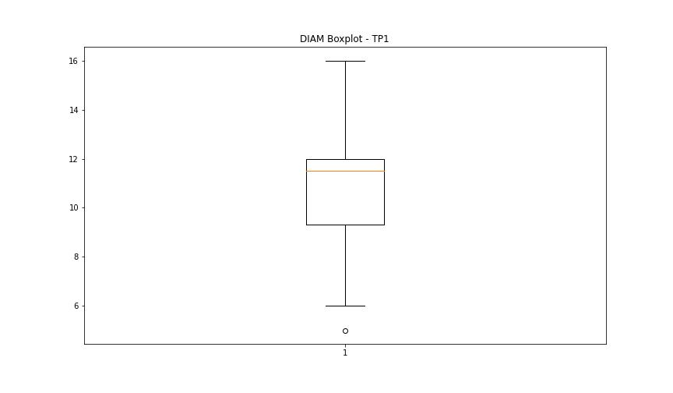
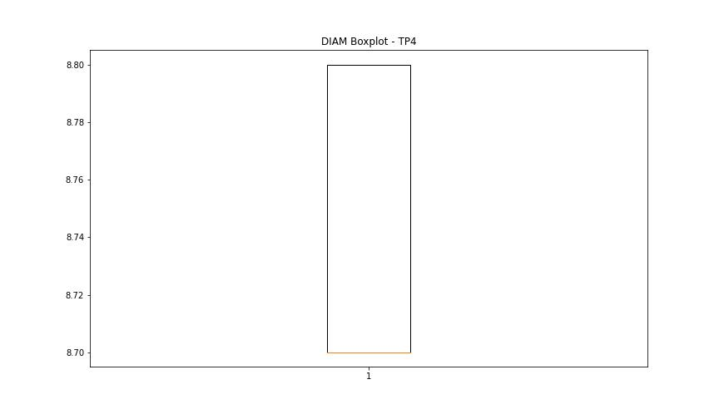
statorCelsius

numTP |  | 1 | 4
statorCelsius outliers |  | [15. 13. 14. 10. 12. 0. 11. 8. 46. 45. 48. 47. 51. 50.] | []
upper_bound |  | 44.5 | 0
lower_bound |  | 16.5 | 0

statistiche con outliers: |  |  |  | statistiche senza outliers:
numTP |  | 1 | 4 | numTP |  | 1 | 4
statorCelsius | max | 51 | 0 | statorCelsius | max | 43 | 0
 | min | 0 | 0 |  | min | 17 | 0
 | avg | 30.011097659 | 0 |  | avg | 30.100824869 | 0
 | median | 30 | 0 |  | median | 30 | 0

BOXPLOT CON OUTLIERS
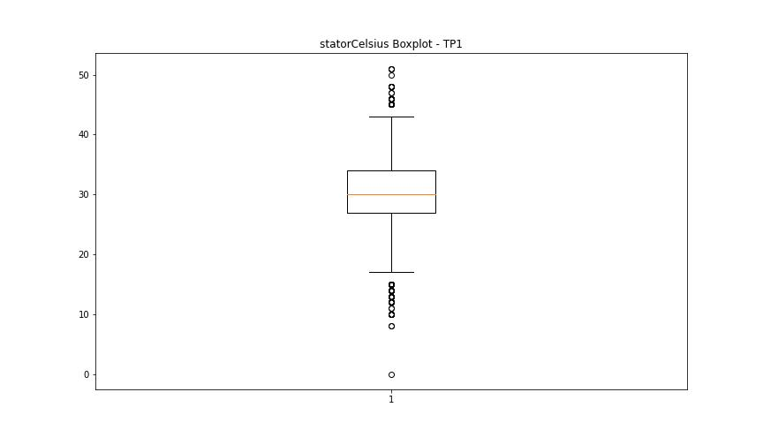
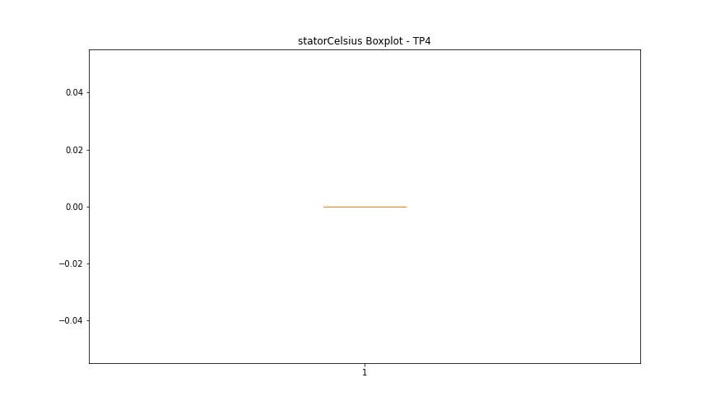

BOXPLOT SENZA OUTLIERS

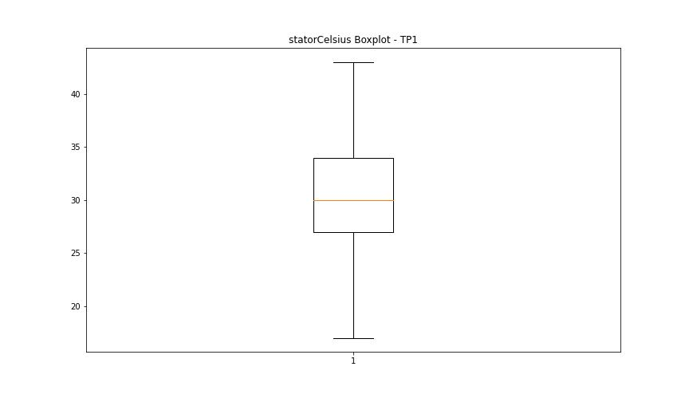

bearingsCelsius

numTP |  | 1 | 4
bearingsCelsius outliers |  | [17. 15. 13. 14. 12. 11. 0. 10. 8. 9. 38. 39. 40.] | []
upper_bound |  | 37.5 | 0
lower_bound |  | 17.5 | 0

statistiche con outliers: |  |  |  | statistiche senza outliers:
numTP |  | 1 | 4 | numTP |  | 1 | 4
bearingsCelsius | max | 40 | 0 | bearingsCelsius | max | 37 | 0
 | min | 0 | 0 |  | min | 18 | 0
 | avg | 26.865617433 | 0 |  | avg | 27.147718216 | 0
 | median | 27 | 0 |  | median | 27 | 0

BOXPLOT CON OUTLIERS
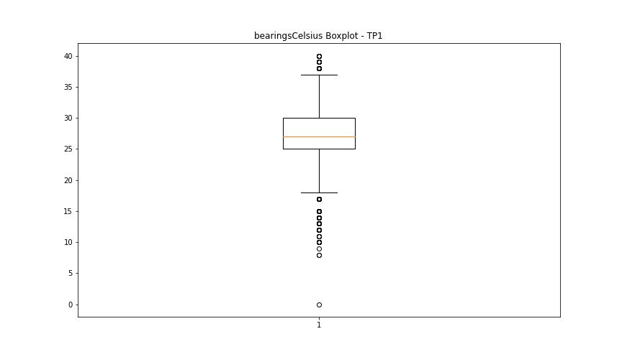


BOXPLOT SENZA OUTLIERS

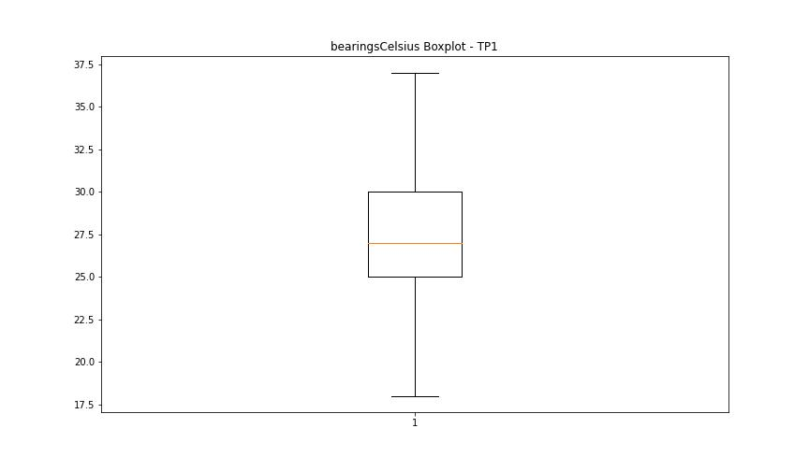

spindleRpm

numTP |  | 1 | 4
spindleRpm outliers |  | [4.9600e+03 9.9640e+03 1.5085e+04 1.0009e+04 3.0000e+00 1.7449e+04 1.7661e+04 1.7649e+04 1.7637e+04 1.7592e+04 1.7609e+04 1.7669e+04 1.7636e+04 1.7809e+04 6.5535e+04 1.7482e+04 1.6942e+04 1.6933e+04 1.6736e+04 1.6755e+04 1.6740e+04 1.6750e+04 9.2720e+03 1.6761e+04 1.6734e+04 0.0000e+00 1.7126e+04 1.7116e+04 1.7094e+04 1.7104e+04 1.7070e+04 1.7110e+04 1.7115e+04 1.7082e+04 1.7119e+04 1.7112e+04 1.7120e+04 1.7107e+04 1.7130e+04 1.7100e+04 1.7132e+04 5.0080e+03 1.5038e+04 1.7676e+04 1.7843e+04 1.7833e+04 1.7845e+04 1.7647e+04 1.7639e+04 1.7653e+04 1.7664e+04 1.7604e+04 9.9900e+03 4.9840e+03 1.0003e+04 1.5074e+04 9.9870e+03 9.9410e+03 9.9830e+03 9.9810e+03 9.8900e+03 9.9070e+03 1.0005e+04 9.9840e+03 5.0150e+03 1.4962e+04 1.5181e+04 4.9730e+03 9.9950e+03 1.4972e+04 1.0011e+04 9.9330e+03 4.9420e+03 9.9820e+03 1.5008e+04 9.9510e+03 4.9610e+03 9.9960e+03 1.5061e+04 9.9450e+03 4.9580e+03 9.9590e+03 1.4987e+04 4.9830e+03 9.9610e+03 1.4909e+04 9.9770e+03 4.9440e+03 9.9530e+03 1.4994e+04 4.9810e+03 1.0021e+04 1.5073e+04 1.0017e+04 1.7658e+04 5.0010e+03 9.9560e+03 1.5042e+04 1.0000e+00 5.0070e+03 1.0000e+04 1.5006e+04 9.9860e+03 4.9480e+03 1.5072e+04 9.9670e+03 4.9520e+03 1.0019e+04 1.7908e+04 9.9880e+03 4.9990e+03 1.5075e+04 9.9980e+03 1.4832e+04 2.9400e+02 2.1200e+02 2.3380e+03 1.5067e+04 1.7914e+04 4.9950e+03 9.9740e+03 9.9480e+03 5.0050e+03 1.0006e+04 1.4963e+04 9.9550e+03 5.0090e+03 1.4990e+04 9.9850e+03 1.0008e+04 1.5068e+04 5.1100e+02 1.0002e+04 1.4967e+04 1.5015e+04 5.0680e+03 1.4845e+04 1.7924e+04 5.0140e+03 1.7915e+04 9.9920e+03 4.9970e+03 4.9880e+03 1.5048e+04 9.8330e+03 1.7429e+04 4.9740e+03 1.4998e+04 9.9940e+03 4.9960e+03 1.5034e+04 9.9690e+03 1.0014e+04 1.5005e+04 4.9980e+03 9.9660e+03 9.9930e+03 5.3690e+03 4.9660e+03 9.9500e+03 9.9400e+03 2.0280e+03 4.9910e+03 1.0001e+04 1.5071e+04 4.9820e+03 1.0010e+04 4.9620e+03 1.4961e+04 9.9700e+03 1.5017e+04 1.5259e+04 9.9580e+03 1.0013e+04 4.9720e+03 9.9780e+03 1.504 | []
upper_bound |  | 18079 | 0
lower_bound |  | 17927 | 0

statistiche con outliers: |  |  |  | statistiche senza outliers:
numTP |  | 1 | 4 | numTP |  | 1 | 4
spindleRpm | max | 65535 | 0 | spindleRpm | max | 18067 | 0
 | min | 0 | 0 |  | min | 17927 | 0
 | avg | 18037.156443 | 0 |  | avg | 18002.748227 | 0
 | median | 18006 | 0 |  | median | 18007 | 0

BOXPLOT CON OUTLIERS
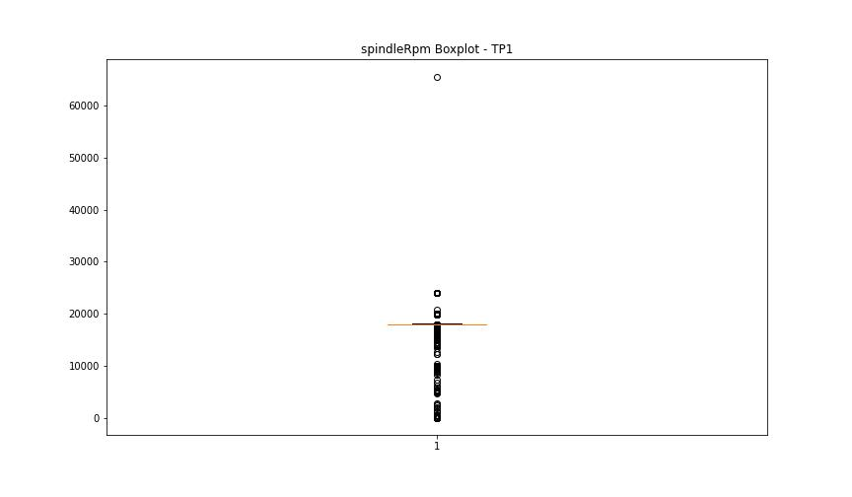


BOXPLOT SENZA OUTLIERS

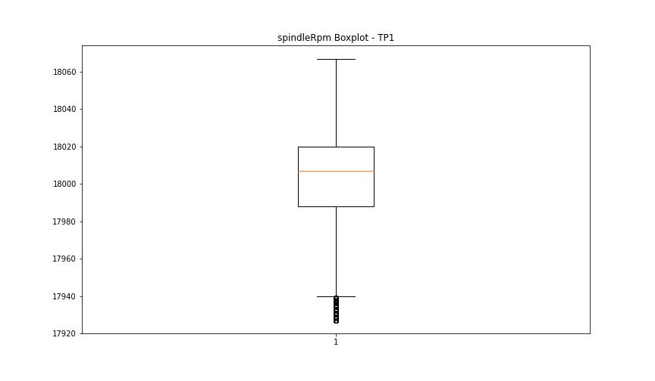

rpmSetPoint

numTP |  | 1 | 4
rpmSetPoint outliers |  | [ 5000. 10000. 15000. 0. 14000. 16000. 20000. 24000.] | []
upper_bound |  | 18000 | 18000
lower_bound |  | 18000 | 18000

statistiche con outliers: |  |  |  | statistiche senza outliers:
numTP |  | 1 | 4 | numTP |  | 1 | 4
rpmSetPoint | max | 24000 | 18000 | rpmSetPoint | max | 18000 | 18000
 | min | 0 | 18000 |  | min | 18000 | 18000
 | avg | 18071.798493 | 18000 |  | avg | 18000 | 18000
 | median | 18000 | 18000 |  | median | 18000 | 18000

BOXPLOT CON OUTLIERS
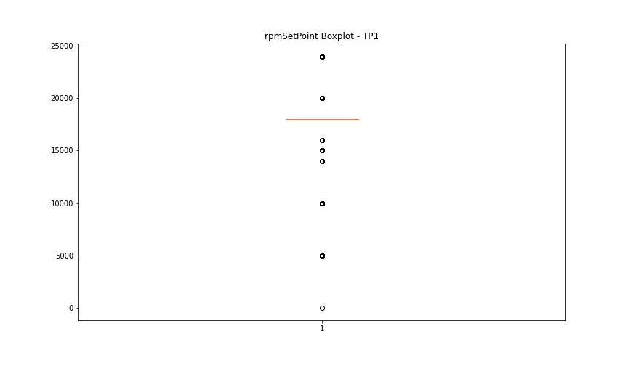
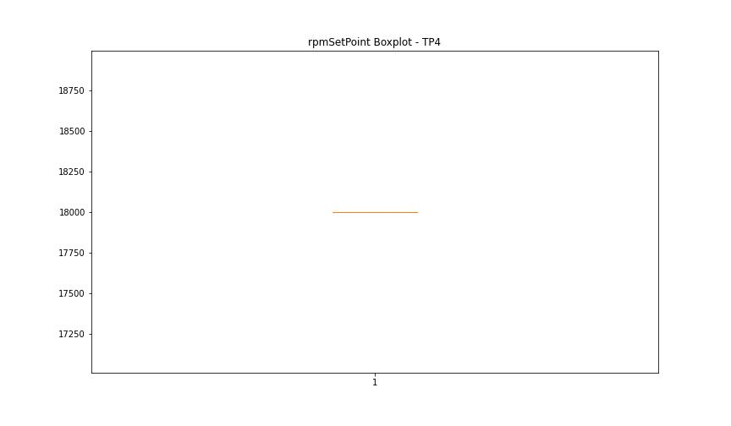

BOXPLOT SENZA OUTLIERS



CurrentPeak

numTP |  | 1 | 4
CurrentPeak outliers |  | [12.342 5.27 20.417 20.468 9.775 3.689 6.817 3.536 4.573 19.856 10.047 5.083 3.706 4.947 8.398 10.693 2.788 4.012 18.836 11.543 5.151 3.74 3.791 3.859 9.044 4.93 20.535 20.4 13.736 5.134 20.094 9.724 4.794 20.485 11.186 5.525 20.451 9.792 4.777 20.434 12.546 4.896 9.367 4.811 9.197 4.658 5.678 2.193 6.46 14.161 4.641 20.552 10.659 10.863 4.862 10.744 12.988 20.502 18.802 18.955 18.819 13.209 5.253 11.628 4.981 10.472 12.801 13.583 5.049 10.608 5.236 11.662 5.1 20.518 18.768 20.077 12.614 11.05 18.886 12.954 5.015 5.967 9.894 5.168 11.22 9.486 12.495 12.002 4.845 11.509 10.982 14.076 4.998 10.438 10.149 5.202 10.557 5.338 11.424 5.304 11.917 5.066 20.059 11.679 3.57 9.316 4.675 2.516 3.604 4.131 3.094 11.934 7.276 12.852 3.876 10.642 8.738 2.907 2.482 3.893 5.916 1.224 2.618 10.54 9.299 10.098 5.219 11.441 12.087 4.25 7.429 8.143 5.695 2.465 5.185 4.08 2.992 5.491 6.035 2.567 5.814 5.576 2.941 3.128 3.145 4.709 2.108 3.757 11.832 6.919 9.639 2.686 9.69 11.237 2.754 9.928 11.781 20.604 2.737 3.162 3.927 20.57 3.774 6.681 20.587 11.305 4.556 3.111 5.44 10.897 2.227 7.99 4.692 1.751 12.665 4.624 3.468 4.097 1.802 8.381 11.577 1.428 8.245 4.352 8.653 2.975 9.384 13.566 4.743 18.683 11.254 12.631 11.084 5.61 4.454 11.203 13.702 11.594 10.574 5.032 12.376 8.856 2.635 5.865 5.712 20.621 12.92 4.879 12.291 6.188 6.426 18.938 9.248 18.853 19.379 5.355 4.199 3.587 5.321 5.746 4.964 4.437 15.045 4.913 2.448 6.341 1.564 1.003 1.258 1.054 1.853 0.646 1.445 1.547 2.142 1.649 4.267 2.125 2.057 1.768 2.329 2.533 2.023 3.213 6.273 7.446 6.12 7.48 3.723 3.502 3.553 2.363 3.672 3.417 2.856 4.488 3.23 4.301 20.875 23.885 22.61 21.25 21.641 21.674 23.459 22.083 22.865 21.539 23.086 22.66 21.011 23.646 23.749 20.655 21.93 21.896 22.474 21.08 2 | [7.446 7.509 5.67 5.367 5.821 5.695 5.443 7.597 5.115 7.623 7.471 5.934 7.497 7.761 7.547 7.484 7.774 7.572 5.808 6.148 5.846 7.459 7.749 7.698 7.522 7.534 7.61 5.14 6.01 7.56 5.166 5.052 7.673 7.648 5.09 5.884 5.266 7.711 6.199 5.909 7.66 ]
upper_bound |  | 20.3845 | 7.433
lower_bound |  | 20.1085 | 6.225

statistiche con outliers: |  |  |  | statistiche senza outliers:
numTP |  | 1 | 4 | numTP |  | 1 | 4
CurrentPeak | max | 24.888 | 7.774 | CurrentPeak | max | 20.382 | 7.421
 | min | 0.646 | 5.052 |  | min | 20.111 | 6.237
 | avg | 20.08797118 | 6.828252812 |  | avg | 20.241629938 | 6.8229898658
 | median | 20.247 | 6.804 |  | median | 20.247 | 6.804

BOXPLOT CON OUTLIERS
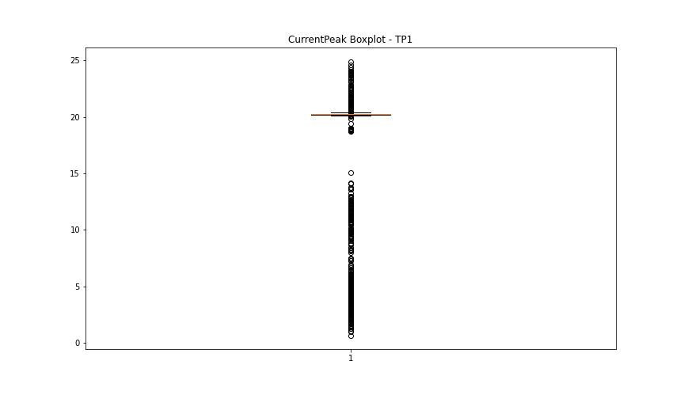
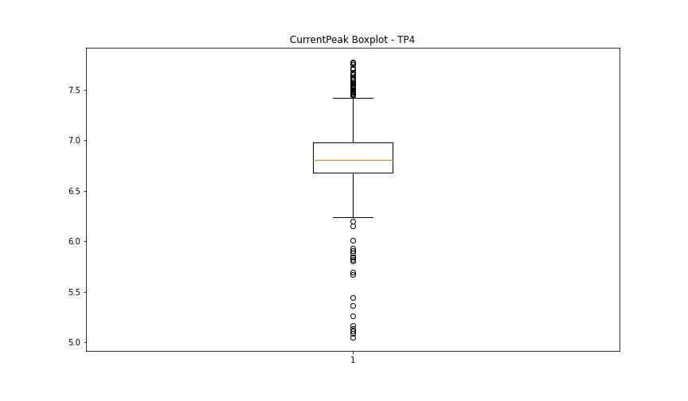

BOXPLOT SENZA OUTLIERS

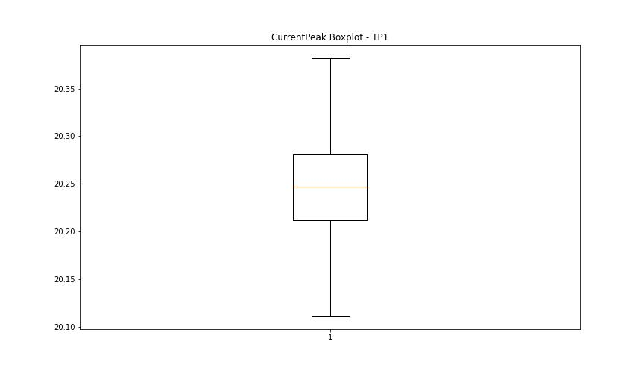
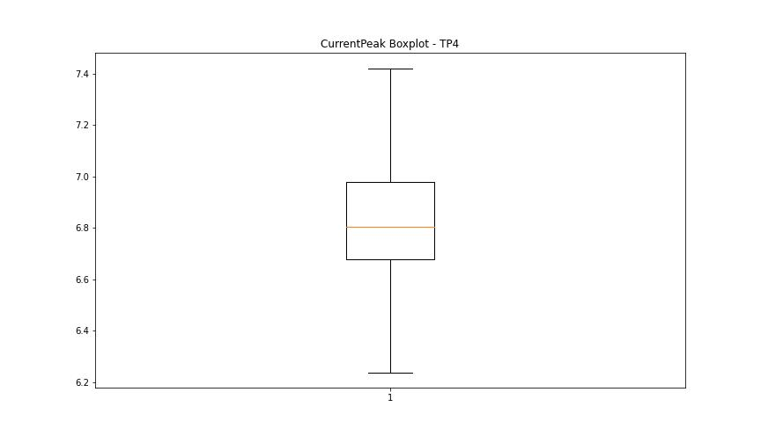

VibromPeak

numTP |  | 1 | 4
VibromPeak outliers |  | [ 7.2 7.8 7.9 7.5 6.9 7.6 6.6 6.7 7.1 6.8 8.6 7.7 8.5 8.1 7.3 7. 7.4 8.4 9.3 12.2 8.2 10. 9.5 9. 8.3 10.9 10.6 10.2 12.9 11.1 10.8 11.4 11.8 8. 8.7 10.7 15.9 17.9 14. 13.7 17.5 17.6 15.6 14.1 16.2 16.799 13.2 13.9 15.7 15.3 17.1 13.3 8.9 9.2 6.5 9.6 8.8 9.8 6.4 9.1 11.7 10.5 18.299 16. 16.6 15.4 18.7 17.799 15.2 12.8 11.2 11.3 12.5 14.8 13.8 14.4 13. 17.4 15. 16.9 17. 13.4 16.7 15.5 12.3 14.7 17.299 15.8 14.3 18. 14.2 16.299 13.6 18.799 14.5 14.9 16.4 18.2 15.1 9.4 11.5 10.1 10.4 13.1 16.5 11.9 12.7 12. 9.9 14.6 12.1 10.3 13.5 9.7 11. 12.4 11.6 20.7 21.2 12.6 18.4 18.9 18.1 21.6 19.2 17.2 16.1 ]
upper_bound |  | 6.35
lower_bound |  | -2.05

statistiche con outliers: |  |  |  | statistiche senza outliers:
numTP |  | 1 | 4 | numTP |  | 1 | 4
VibromPeak | max | 21.6 | nan | VibromPeak | max | 6.3
 | min | 0.1 | nan |  | min | 0.1
 | avg | 2.6925774004 | nan |  | avg | 1.9126518451
 | median | 1.6 | nan |  | median | 1.5

BOXPLOT CON OUTLIERS
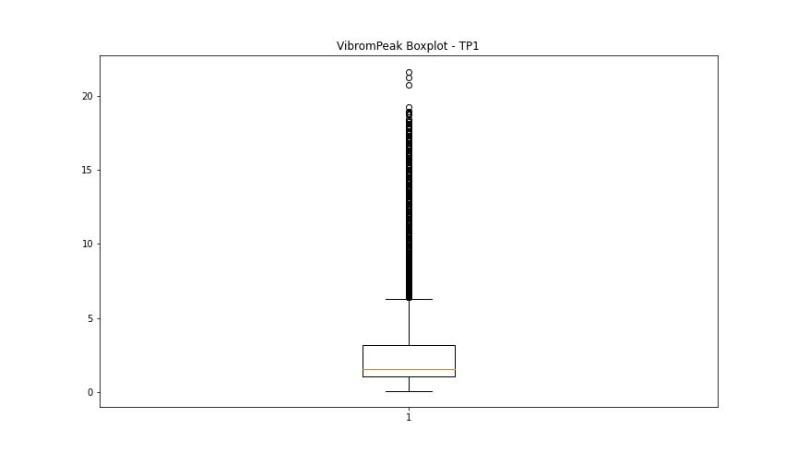
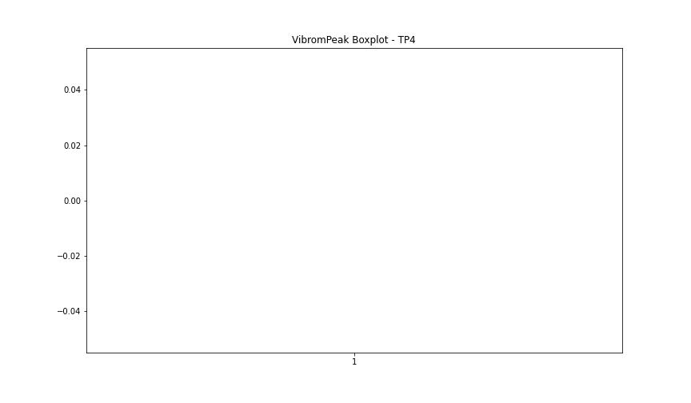

BOXPLOT SENZA OUTLIERS

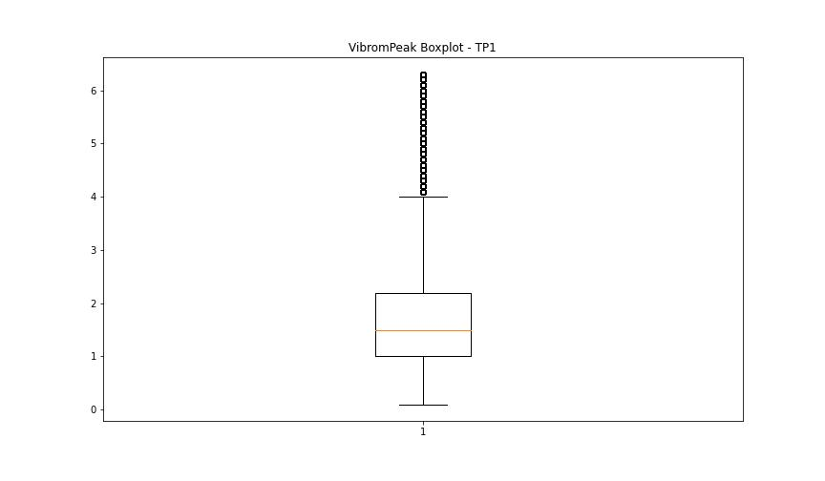

LUNG

numTP |  | 1 | 4
LUNG outliers |  | [236.004] | [28.5]
upper_bound |  | 155.5825 | 35.25
lower_bound |  | 67.7065 | 29.25

statistiche con outliers: |  |  |  | statistiche senza outliers:
numTP |  | 1 | 4 | numTP |  | 1 | 4
LUNG | max | 236.004 | 33.599 | LUNG | max | 151.684 | 33.599
 | min | 89.209 | 28.5 |  | min | 89.209 | 29.5
 | avg | 113.35698961 | 32.086100161 |  | avg | 112.91405623 | 32.094764564
 | median | 104.9 | 32.2 |  | median | 104.9 | 32.2

BOXPLOT CON OUTLIERS
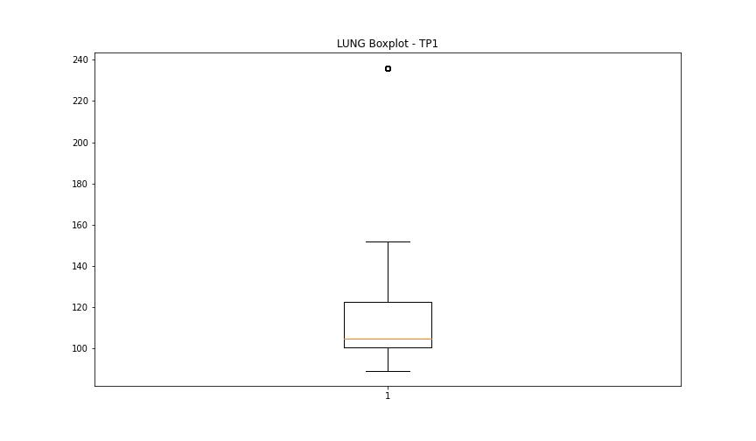
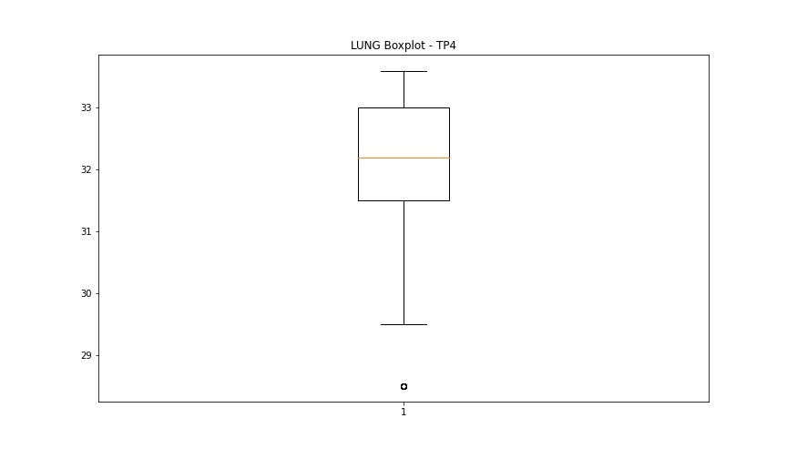

BOXPLOT SENZA OUTLIERS

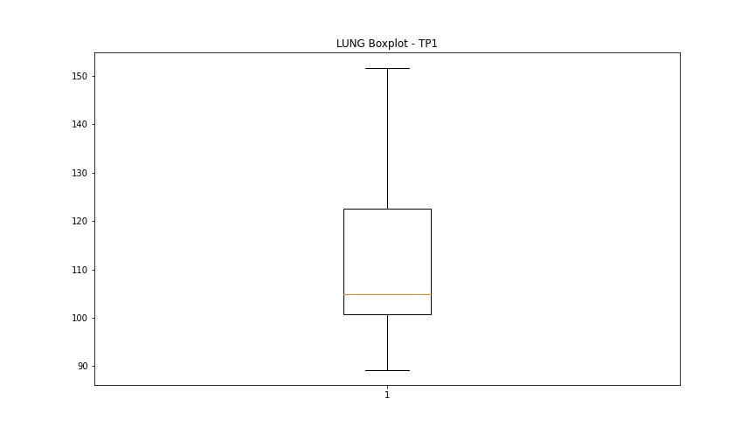
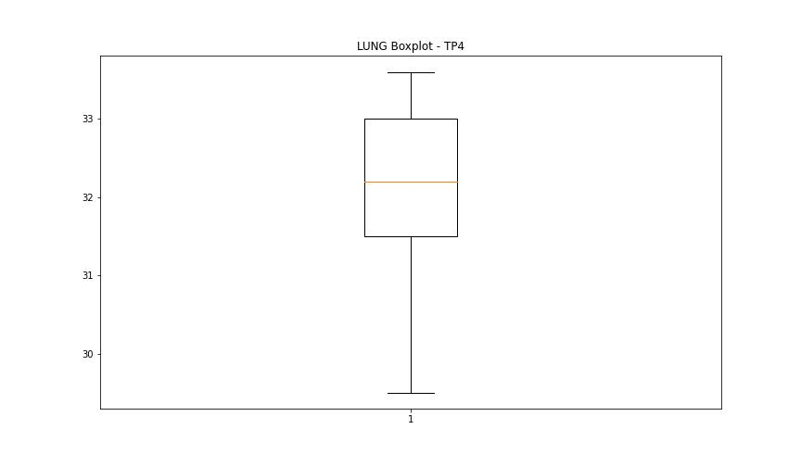

DIAM

numTP |  | 1 | 4
DIAM outliers |  | [100. 4. 50. 43.5 44. 3. 24. 0.2 1. ] | [9. 7.]
upper_bound |  | 16.5 | 8.95
lower_bound |  | 4.5 | 8.55

statistiche con outliers: |  |  |  | statistiche senza outliers:
numTP |  | 1 | 4 | numTP |  | 1 | 4
DIAM | max | 100 | 9 | DIAM | max | 16 | 8.8
 | min | 0.2 | 7 |  | min | 5 | 8.7
 | avg | 12.553687574 | 8.6687734333 |  | avg | 10.622343026 | 8.7361522199
 | median | 11.5 | 8.7 |  | median | 11.5 | 8.7

BOXPLOT CON OUTLIERS
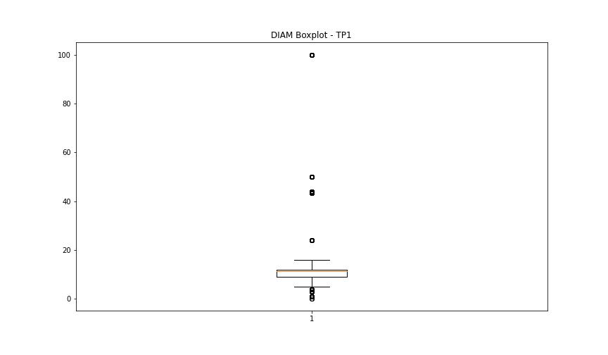
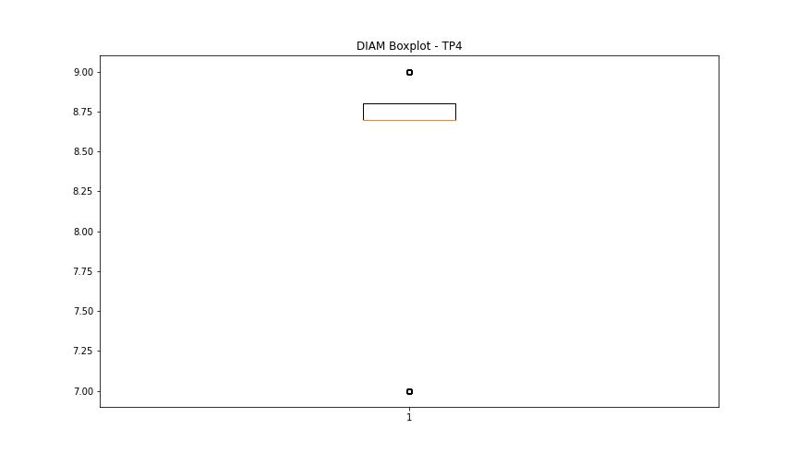

BOXPLOT SENZA OUTLIERS

