Sheet1
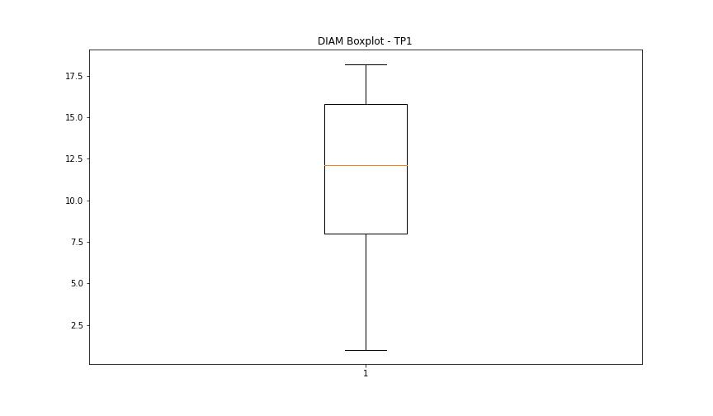
statorCelsius

numTP |  | 1 | 8
statorCelsius outliers |  | [43. 45.] | []
upper_bound |  | 42 | 0
lower_bound |  | 18 | 0

statistiche con outliers: |  |  |  | statistiche senza outliers:
numTP |  | 1 | 8 | numTP |  | 1 | 8
statorCelsius | max | 45 | 0 | statorCelsius | max | 42 | 0
 | min | 20 | 0 |  | min | 20 | 0
 | avg | 30.178196565 | 0 |  | avg | 30.143027984 | 0
 | median | 29 | 0 |  | median | 29 | 0

BOXPLOT CON OUTLIERS
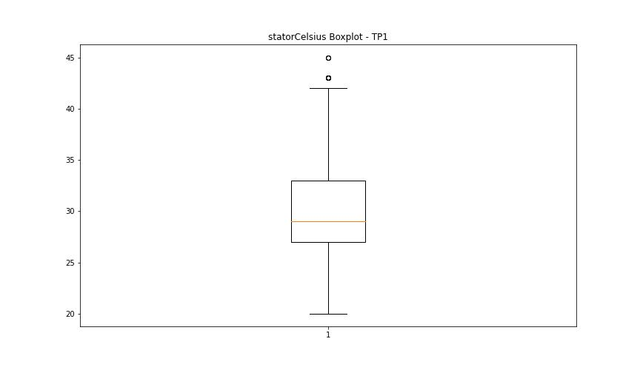
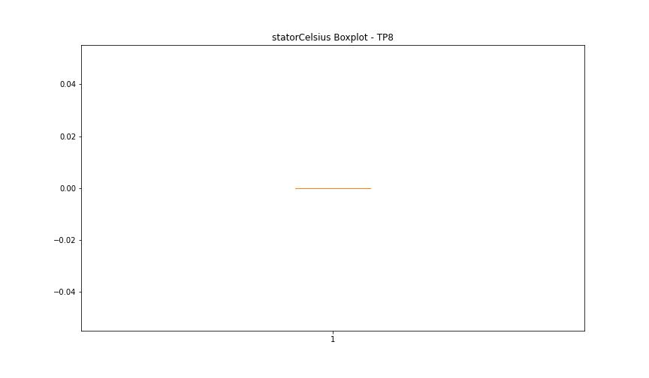

BOXPLOT SENZA OUTLIERS

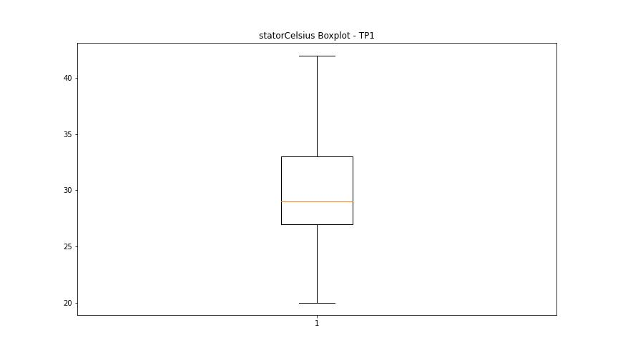

bearingsCelsius

numTP |  | 1 | 8
bearingsCelsius outliers |  | [33. 34. 35. 37. 20.] | []
upper_bound |  | 32.5 | 0
lower_bound |  | 20.5 | 0

statistiche con outliers: |  |  |  | statistiche senza outliers:
numTP |  | 1 | 8 | numTP |  | 1 | 8
bearingsCelsius | max | 37 | 0 | bearingsCelsius | max | 32 | 0
 | min | 20 | 0 |  | min | 22 | 0
 | avg | 27.291507634 | 0 |  | avg | 27.023892484 | 0
 | median | 27 | 0 |  | median | 27 | 0

BOXPLOT CON OUTLIERS
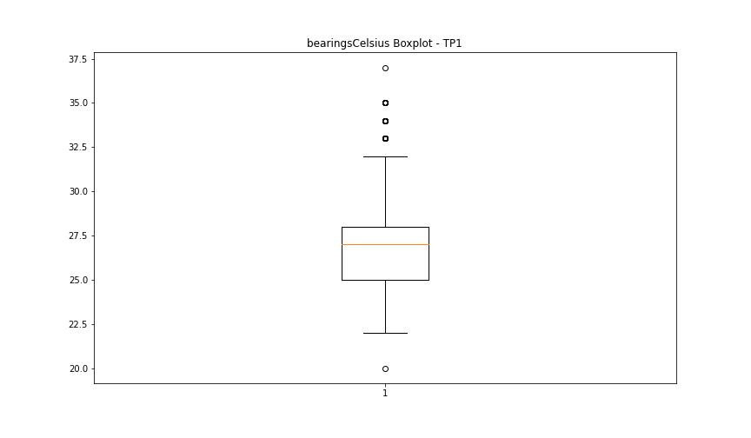


BOXPLOT SENZA OUTLIERS

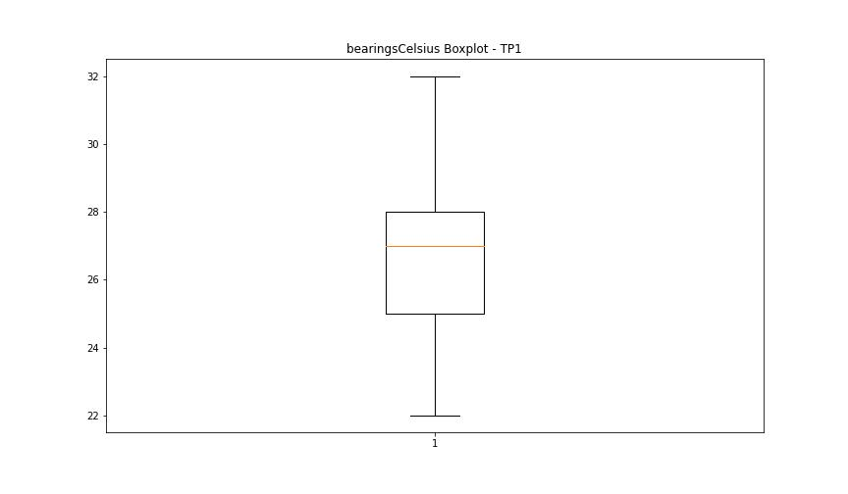

spindleRpm

numTP |  | 1 | 8
spindleRpm outliers |  | [] | []
upper_bound |  | 39328 | 0
lower_bound |  | -14856 | 0

statistiche con outliers: |  |  |  | statistiche senza outliers:
numTP |  | 1 | 8 | numTP |  | 1 | 8
spindleRpm | max | 24010 | 0 | spindleRpm | max | 24010 | 0
 | min | 0 | 0 |  | min | 0 | 0
 | avg | 14197.837309 | 0 |  | avg | 14197.837309 | 0
 | median | 18879.5 | 0 |  | median | 18879.5 | 0

BOXPLOT CON OUTLIERS
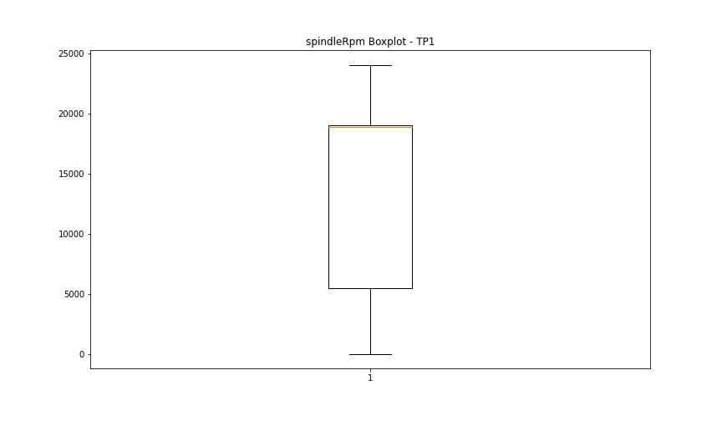


BOXPLOT SENZA OUTLIERS

rpmSetPoint

numTP |  | 1 | 8
rpmSetPoint outliers |  | [] | []
upper_bound |  | 39250 | 6000
lower_bound |  | -14750 | 6000

statistiche con outliers: |  |  |  | statistiche senza outliers:
numTP |  | 1 | 8 | numTP |  | 1 | 8
rpmSetPoint | max | 24000 | 6000 | rpmSetPoint | max | 24000 | 6000
 | min | 4000 | 6000 |  | min | 4000 | 6000
 | avg | 14316.555344 | 6000 |  | avg | 14316.555344 | 6000
 | median | 19000 | 6000 |  | median | 19000 | 6000

BOXPLOT CON OUTLIERS
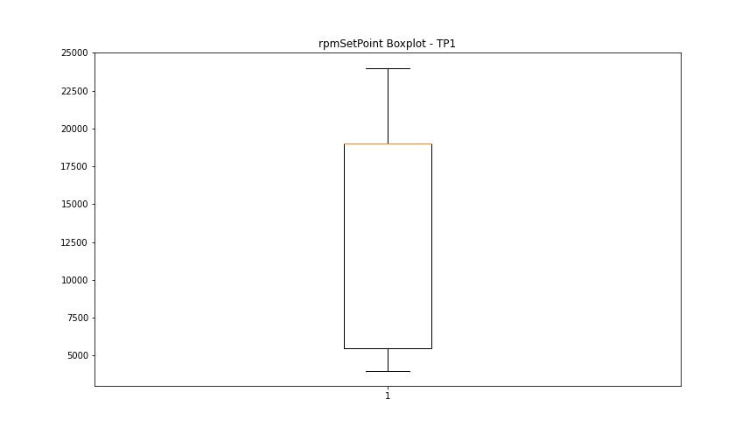
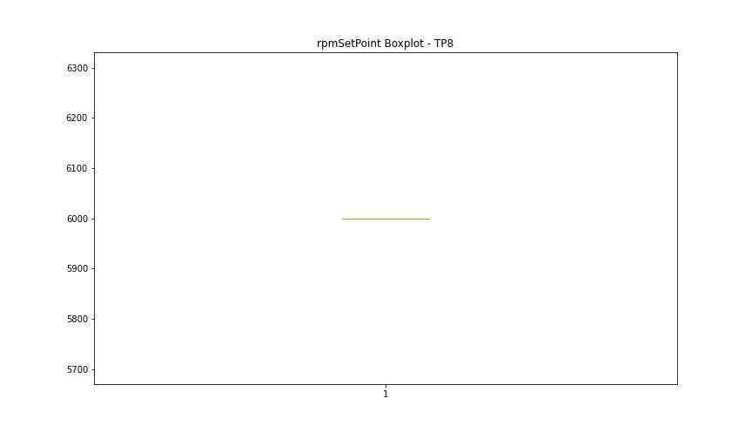

BOXPLOT SENZA OUTLIERS

CurrentPeak

numTP |  | 1 | 8
CurrentPeak outliers |  | [ 6.732 5.389 6.477 6.256 3.519 3.587 3.91 13.651 13.634 20.434 7.259 3.502 4.131 18.972 18.886 20.451 20.655 20.74 20.552 1.802 1.564 1.666 6.97 3.604 6.29 1.547 6.035 5.814 0.935 4.947 2.431 4.624 4.522 0.765 5.151 1.275 4.267 3.043 5.661 0.969 7.752 2.244 5.236 3.162 2.363 0.884 2.618 0.714 1.377 1.088 2.261 3.57 0.799 3.723 1.972 0.578 2.499 3.06 2.856 20.077 2.873 1.292 0.748 1.445 1.938 2.839 3.298 0.629 1.054 20.468 1.003 1.887 1.258 2.142 2.737 0.663 0.527 1.87 0.85 0.952 2.159 0.901 1.649 1.598 2.567 2.227 1.836 1.785 1.768 2.975 20.502 0.986 0.918 0.442 1.36 3.536 2.907 2.448 3.757 3.009 3.196 1.139 1.122 1.853 1.921 1.479 3.553 1.496 1.394 0.646 2.329 2.023 1.411 2.516 0.374 1.513 2.295 1.071 1.615 3.23 0.833 2.108 2.686 2.584 3.451 2.652 3.094 1.751 3.74 1.02 1.224 0.408 2.125 0.731 0.493 2.397 0.867 2.703 0.782 2.057 3.077 1.326 3.111 2.176 4.743 2.601 2.958 3.213 3.791 3.349 3.332 20.688 5.253 5.066 5.933 11.577 5.1 6.681 7.684 9.248 6.834 7.344 11.781 6.052 12.631 5.049 5.321 3.842 6.596 20.825 20.518 3.672 20.485 11.424 9.316 53.022 18.903 20.535 20.621 18.87 20.587 20.841 21.097 20.57 4.59 20.672 20.705 21.131 20.604 20.944 20.858 20.893 20.638 20.757 20.961 21.046 21.556 18.938] | []
upper_bound |  | 20.427 | 6.852
lower_bound |  | 20.083 | 6.704

statistiche con outliers: |  |  |  | statistiche senza outliers:
numTP |  | 1 | 8 | numTP |  | 1 | 8
CurrentPeak | max | 53.022 | 6.815 | CurrentPeak | max | 20.417 | 6.815
 | min | 0.374 | 6.741 |  | min | 20.094 | 6.741
 | avg | 19.272328006 | 6.778 |  | avg | 20.251820671 | 6.778
 | median | 20.247 | 6.778 |  | median | 20.247 | 6.778

BOXPLOT CON OUTLIERS
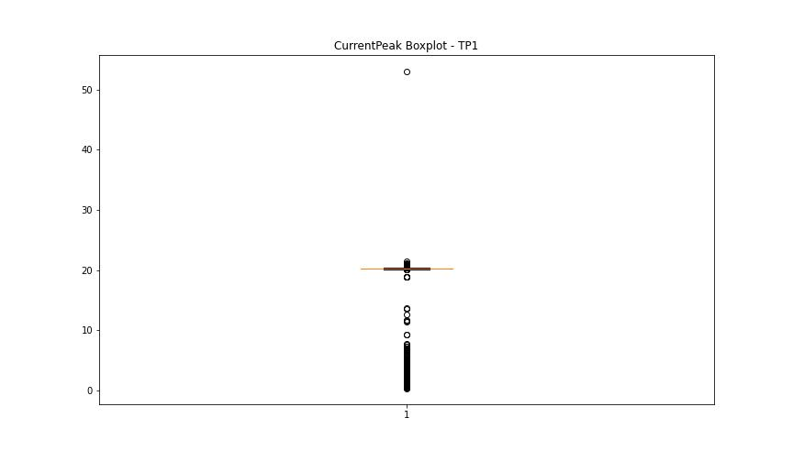
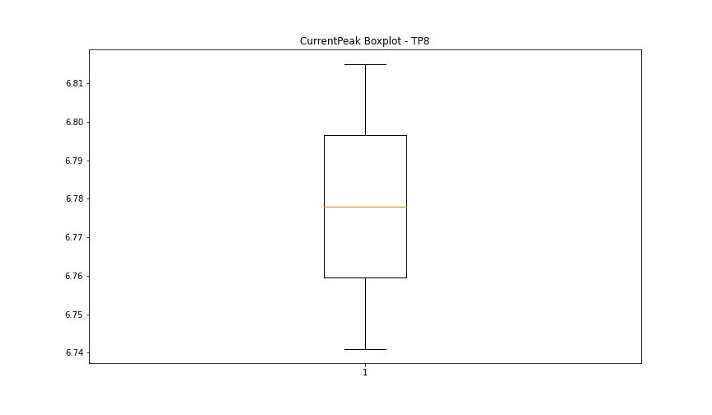

BOXPLOT SENZA OUTLIERS

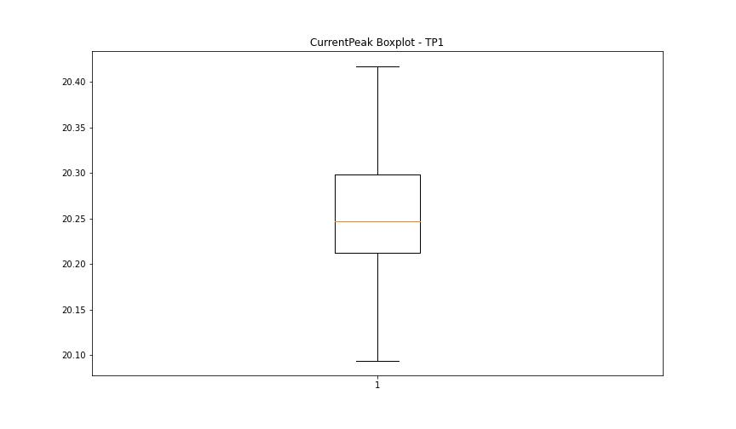

VibromPeak

numTP |  | 1 | 8
VibromPeak outliers |  | [5. 5.2 5.6 6.2 6.1 5.5 5.8 6. 6.3 5.9 6.6 6.4 6.7 6.5 5.4 4.2 5.3 4.3 4.9 5.1 4.4 4.8 4.7 5.7 4.5 6.9 7.1 7. 4.6 7.5 9.7]
upper_bound |  | 4.15
lower_bound |  | -1.05

statistiche con outliers: |  |  |  | statistiche senza outliers:
numTP |  | 1 | 8 | numTP |  | 1 | 8
VibromPeak | max | 9.7 | nan | VibromPeak | max | 4.1
 | min | 0.1 | nan |  | min | 0.1
 | avg | 1.6035782443 | nan |  | avg | 1.3393048812
 | median | 1.1 | nan |  | median | 1

BOXPLOT CON OUTLIERS
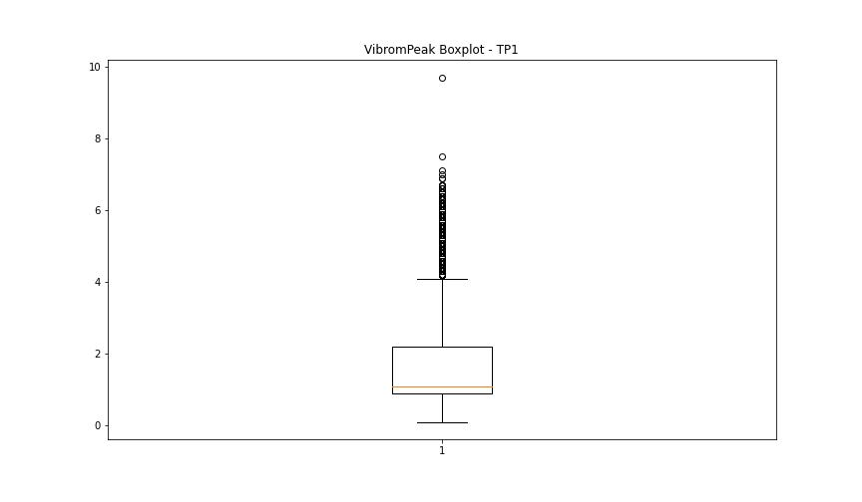
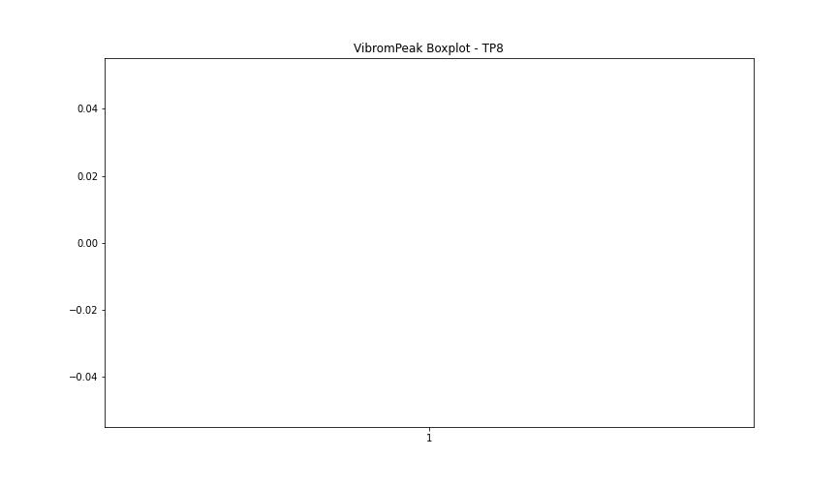

BOXPLOT SENZA OUTLIERS

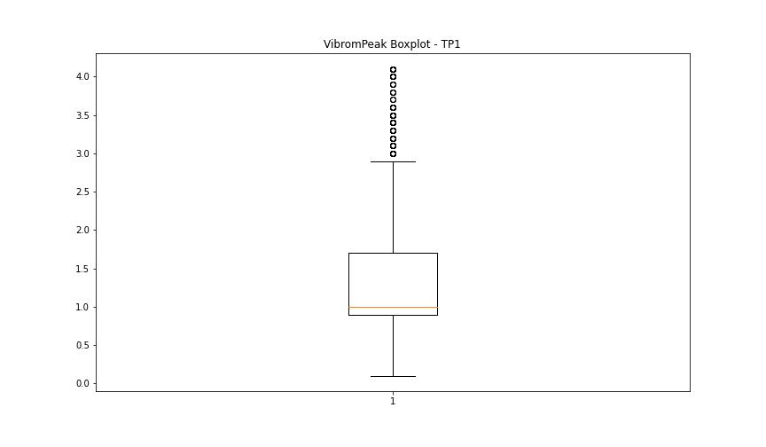

LUNG

numTP |  | 1 | 8
LUNG outliers |  | [] | []
upper_bound |  | 168.939 | 20
lower_bound |  | 85.579 | 20

statistiche con outliers: |  |  |  | statistiche senza outliers:
numTP |  | 1 | 8 | numTP |  | 1 | 8
LUNG | max | 153.589 | 20 | LUNG | max | 153.589 | 20
 | min | 97.9 | 20 |  | min | 97.9 | 20
 | avg | 126.25524141 | 20 |  | avg | 126.25524141 | 20
 | median | 129.024 | 20 |  | median | 129.024 | 20

BOXPLOT CON OUTLIERS
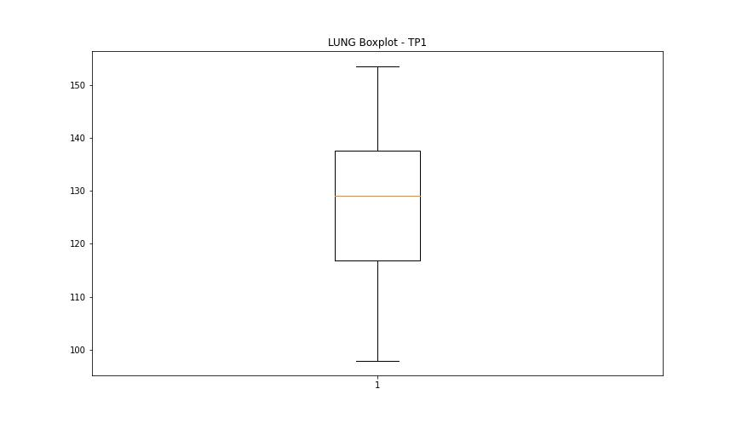
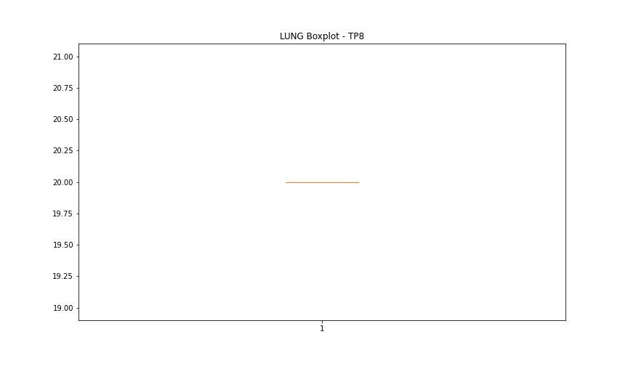

BOXPLOT SENZA OUTLIERS

DIAM

numTP |  | 1 | 8
DIAM outliers |  | [ 80. 300.5 298.799 299.2 ] | []
upper_bound |  | 33.5 | 120
lower_bound |  | -7.3 | 120

statistiche con outliers: |  |  |  | statistiche senza outliers:
numTP |  | 1 | 8 | numTP |  | 1 | 8
DIAM | max | 300.5 | 120 | DIAM | max | 18.2 | 120
 | min | 1 | 120 |  | min | 1 | 120
 | avg | 63.566981393 | 120 |  | avg | 10.901227177 | 120
 | median | 15.5 | 120 |  | median | 12.1 | 120

BOXPLOT CON OUTLIERS
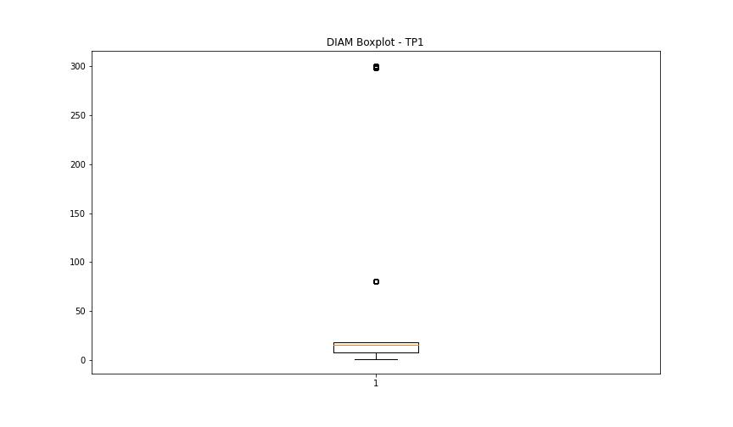
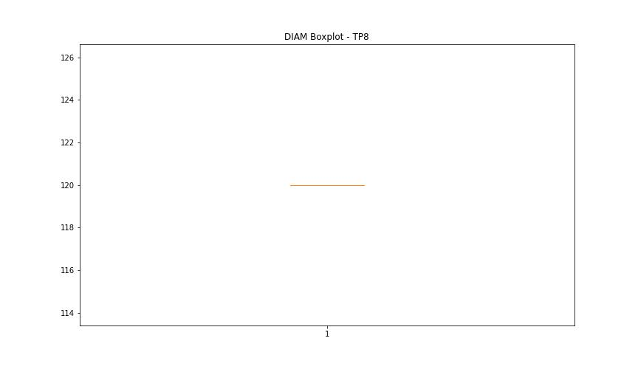

BOXPLOT SENZA OUTLIERS

