Sheet1
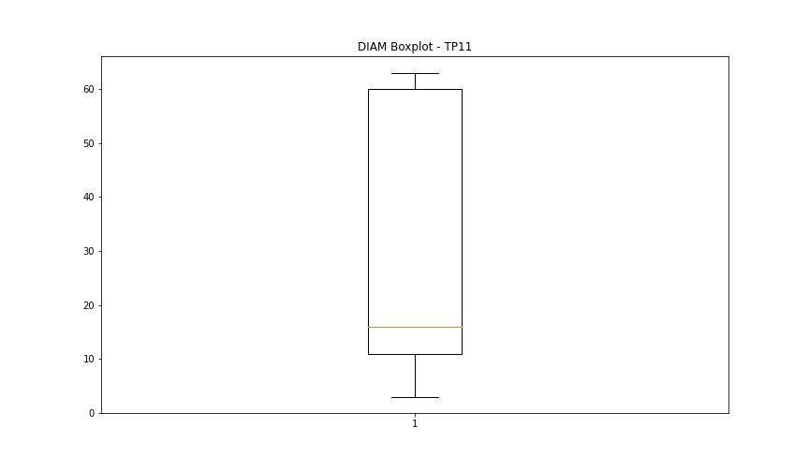
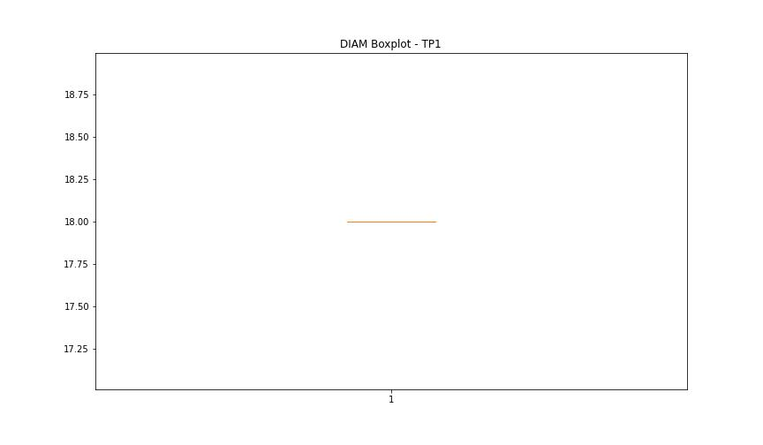
statorCelsius

numTP |  | 11 | 1 | 19 | 18
statorCelsius outliers |  | [19. 18. 17. 16. 15. 46. 45. 39. 37. 38.] | [13. 14. 15. 12. 16. 11. 9. 10. 34. 35.] | [] | []
upper_bound |  | 36 | 33 | 0 | 0
lower_bound |  | 20 | 17 | 0 | 0

statistiche con outliers: |  |  |  |  |  | statistiche senza outliers:
numTP |  | 11 | 1 | 19 | 18 | numTP |  | 11 | 1 | 19 | 18
statorCelsius | max | 46 | 35 | 0 | 0 | statorCelsius | max | 36 | 33 | 0 | 0
 | min | 15 | 9 | 0 | 0 |  | min | 20 | 17 | 0 | 0
 | avg | 27.898581618 | 24.642952896 | 0 | 0 |  | avg | 27.574666092 | 25.05326502 | 0 | 0
 | median | 27 | 25 | 0 | 0 |  | median | 27 | 26 | 0 | 0

BOXPLOT CON OUTLIERS
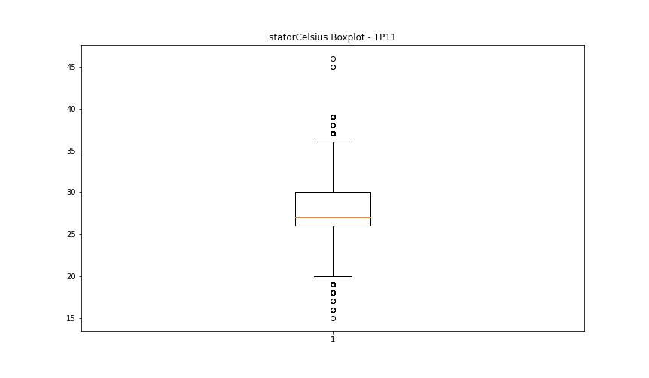
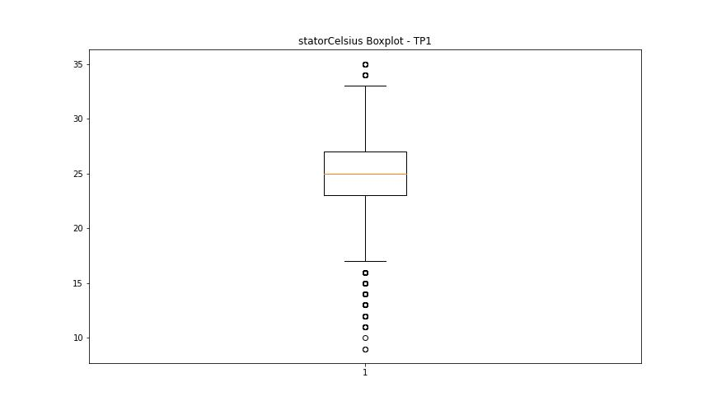
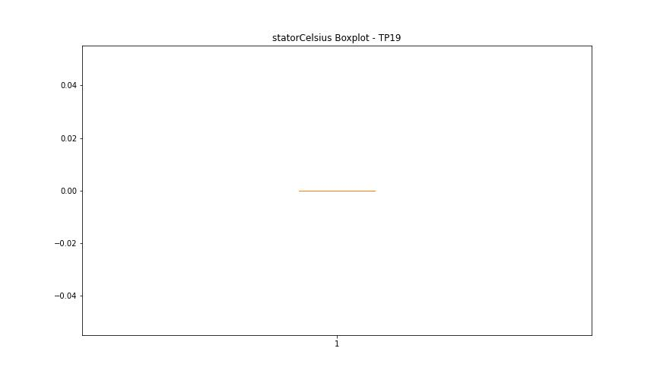


BOXPLOT SENZA OUTLIERS

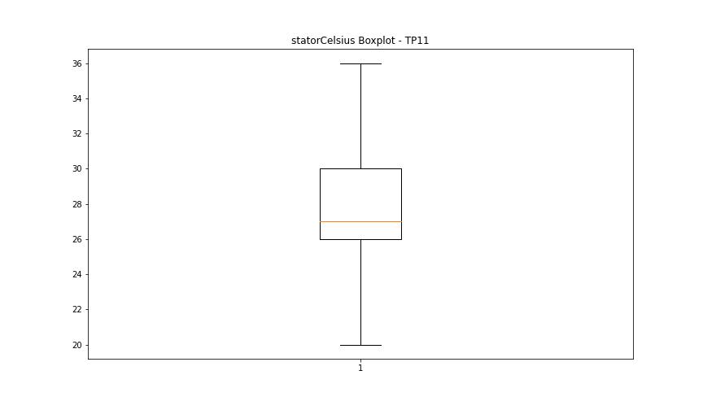
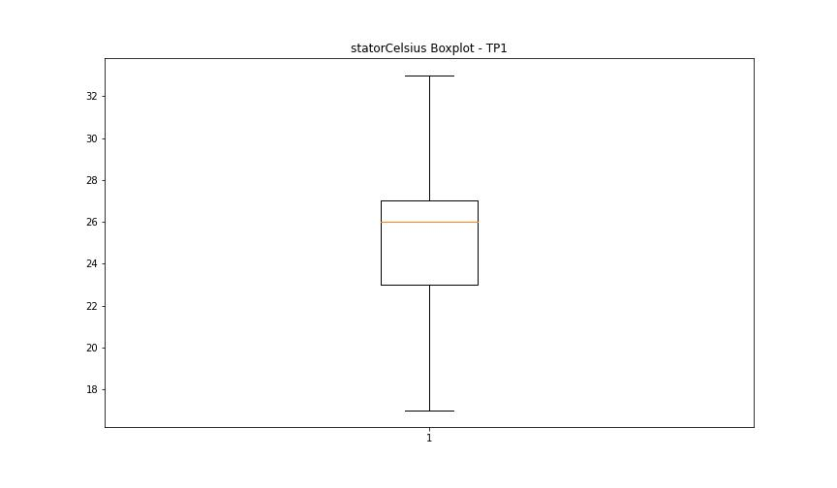

bearingsCelsius

numTP |  | 11 | 1 | 19 | 18
bearingsCelsius outliers |  | [13. 35.] | [12. 11. 10. 8. 9.] | [] | []
upper_bound |  | 33.5 | 29 | 0 | 0
lower_bound |  | 13.5 | 13 | 0 | 0

statistiche con outliers: |  |  |  |  |  | statistiche senza outliers:
numTP |  | 11 | 1 | 19 | 18 | numTP |  | 11 | 1 | 19 | 18
bearingsCelsius | max | 35 | 28 | 0 | 0 | bearingsCelsius | max | 33 | 28 | 0 | 0
 | min | 13 | 8 | 0 | 0 |  | min | 14 | 13 | 0 | 0
 | avg | 23.363695991 | 20.847362825 | 0 | 0 |  | avg | 23.366037736 | 20.897625354 | 0 | 0
 | median | 24 | 21 | 0 | 0 |  | median | 24 | 21 | 0 | 0

BOXPLOT CON OUTLIERS
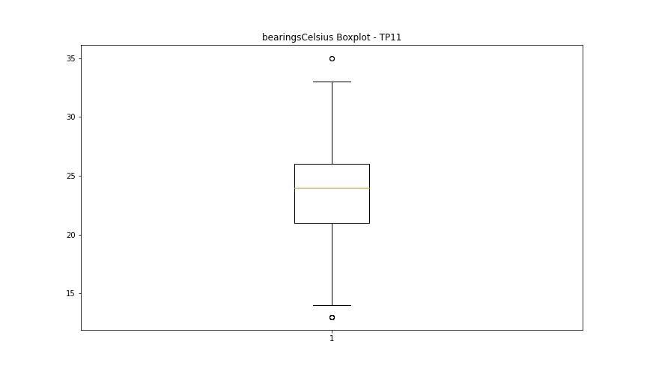
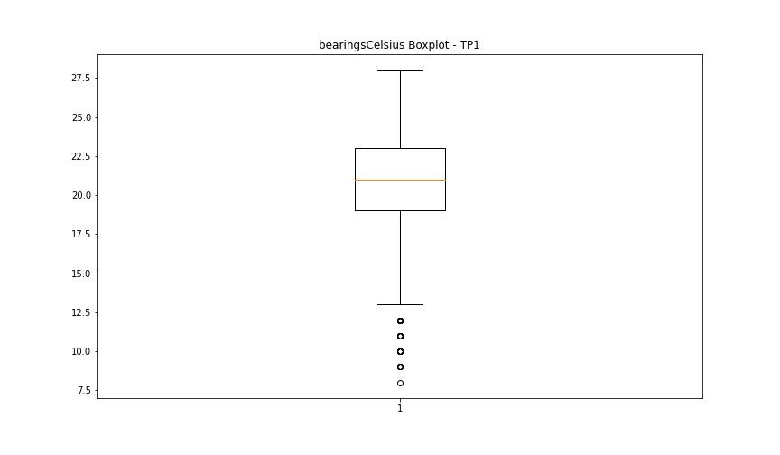



BOXPLOT SENZA OUTLIERS

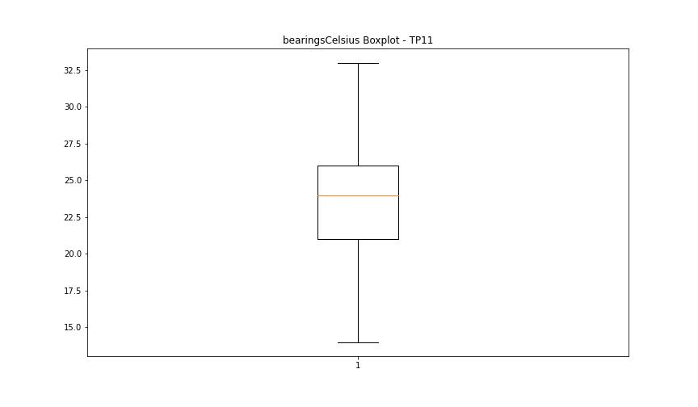
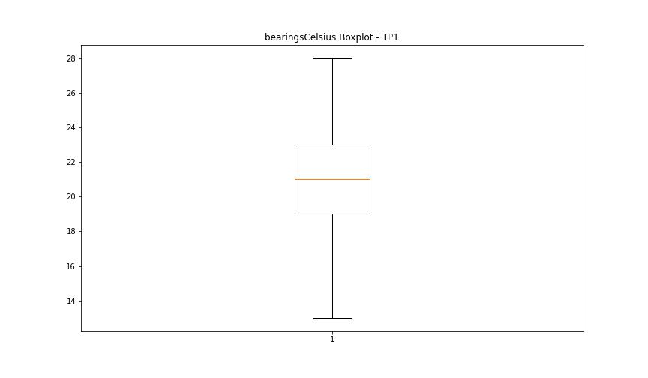

spindleRpm

numTP |  | 11 | 1 | 19 | 18
spindleRpm outliers |  | [65535.] | [18034. 17972. 18031. 11994. 16022. 16011. 16009. 15994. 15999. 15991. 16025. 16001. 15997. 15986. 15998. 15984. 16003. 16005. 16008. 16010. 15990. 15995. 16004. 16015. 16018. 16002. 16006. 15992. 16013. 18039. 18033. 17973. 18032. 16030. 15993. 16007. 15989. 11997. 12009. 12003. 11999. 11998. 12000. 12018. 12006. 11984. 12008. 11993. 11988. 11985. 12004. 12002. 11992. 12027. 11991. 11995. 11996. 12007. 12015. 11989. 12001. 12005. 12011. 11990. 12010. 12017. 12012. 11986. 12013. 12014. 11982. 11987. 11976. 12021. 8483. 18036. 17964. 6753. 17968. 17970. 15090. 18046. 18043. 17960. 17969. 8126. 17673. 18044. 11983. 11981. 18125. 16021. 17967. 12019. 9583. 11974. 17965. 15972. 18041. 16000. 15983. 16023. 16016. 16027. 15979. 15968. 15980. 16019. 15009. 7328. 17239. 16012. 16020. 16032. 15996. 15970. 16026. 15971. 16033. 15988. 15964. 12023. 11975. 12020. 11384. 12026. 12024. 9091. 8496. 12016. 8486. 18058. 18048. 17230. 10726.] | [] | []
upper_bound |  | 34624.5 | 18030 | 0 | 0
lower_bound |  | -9531.5 | 17974 | 0 | 0

statistiche con outliers: |  |  |  |  |  | statistiche senza outliers:
numTP |  | 11 | 1 | 19 | 18 | numTP |  | 11 | 1 | 19 | 18
spindleRpm | max | 65535 | 18125 | 0 | 0 | spindleRpm | max | 18131 | 18029 | 0 | 0
 | min | 0 | 6753 | 0 | 0 |  | min | 0 | 17974 | 0 | 0
 | avg | 13156.931131 | 17528.53631 | 0 | 0 |  | avg | 13105.348297 | 18003.506692 | 0 | 0
 | median | 16058 | 18002 | 0 | 0 |  | median | 16057 | 18004 | 0 | 0

BOXPLOT CON OUTLIERS
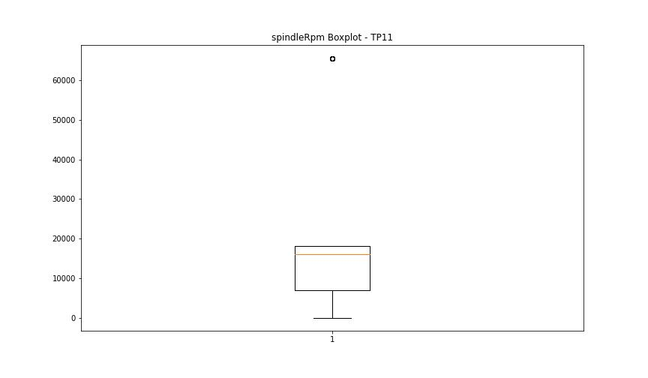
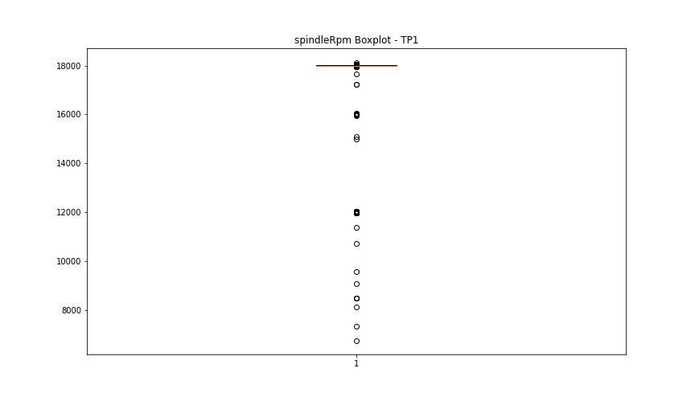



BOXPLOT SENZA OUTLIERS

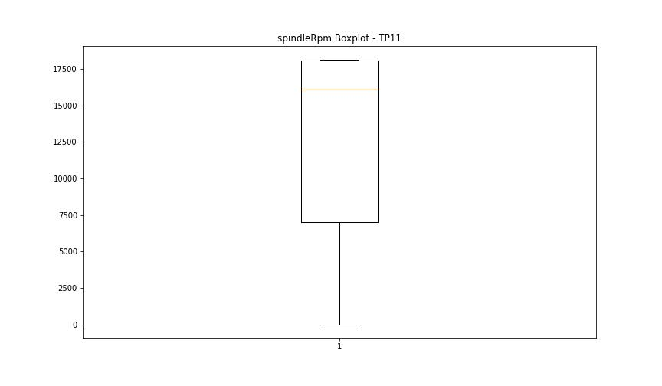
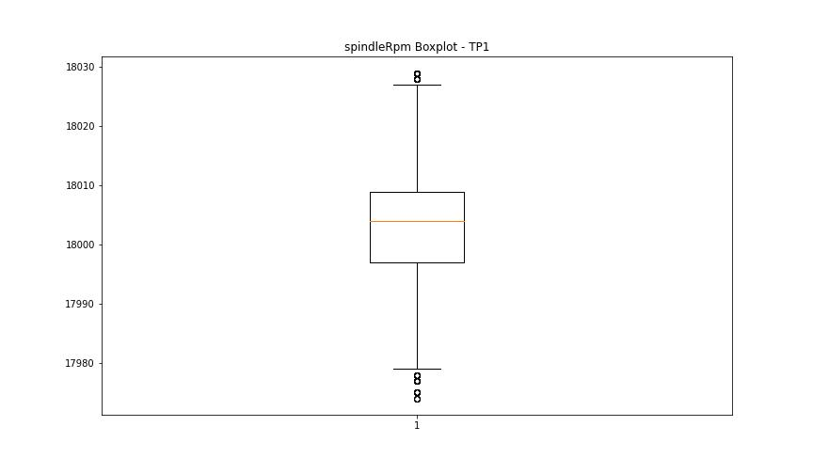

rpmSetPoint

numTP |  | 11 | 1 | 19 | 18
rpmSetPoint outliers |  | [] | [12000. 16000.] | [] | []
upper_bound |  | 34500 | 18000 | 0 | 6000
lower_bound |  | -9500 | 18000 | 0 | 6000

statistiche con outliers: |  |  |  |  |  | statistiche senza outliers:
numTP |  | 11 | 1 | 19 | 18 | numTP |  | 11 | 1 | 19 | 18
rpmSetPoint | max | 18000 | 18000 | 0 | 6000 | rpmSetPoint | max | 18000 | 18000 | 0 | 6000
 | min | 0 | 12000 | 0 | 6000 |  | min | 0 | 18000 | 0 | 6000
 | avg | 13063.37624 | 17529.237739 | 0 | 6000 |  | avg | 13063.37624 | 18000 | 0 | 6000
 | median | 16000 | 18000 | 0 | 6000 |  | median | 16000 | 18000 | 0 | 6000

BOXPLOT CON OUTLIERS
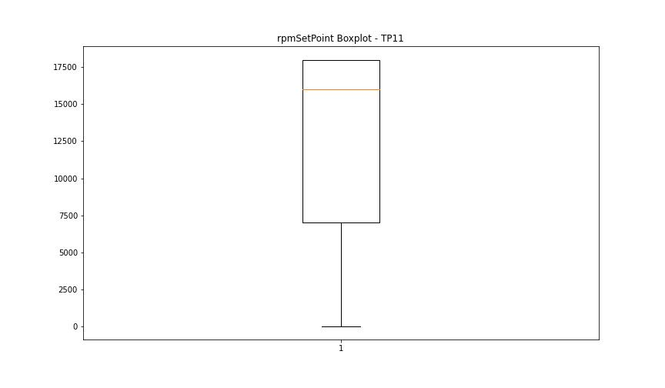
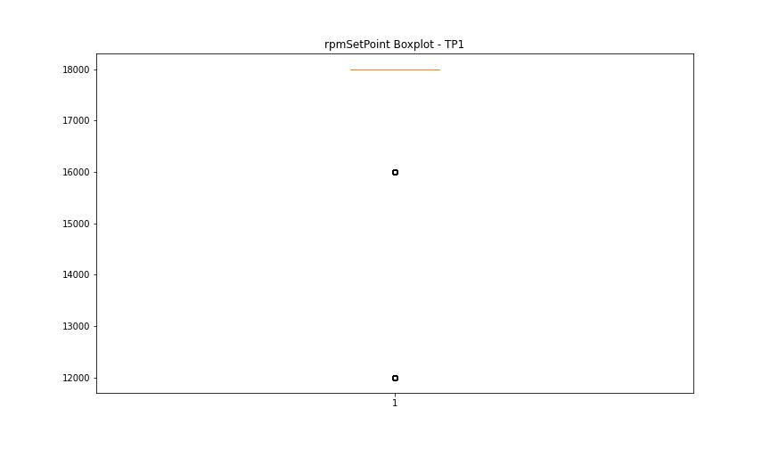

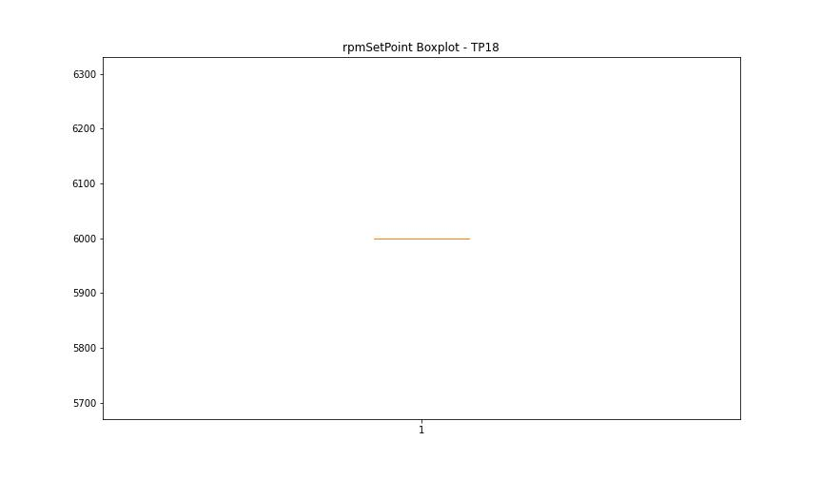

BOXPLOT SENZA OUTLIERS

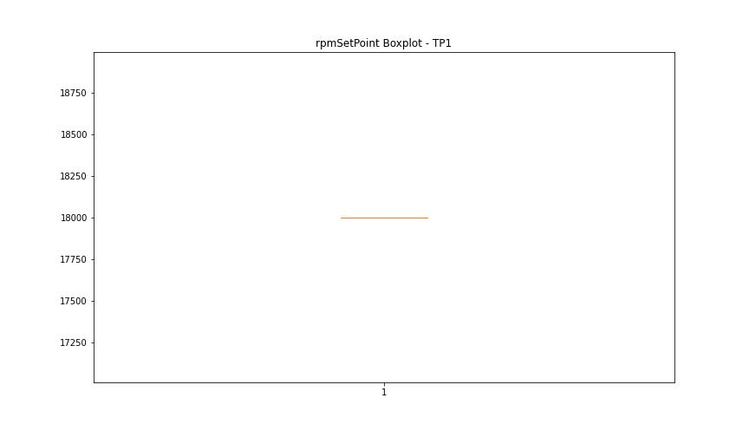

CurrentPeak

numTP |  | 11 | 1 | 19 | 18
CurrentPeak outliers |  | [15.345 15.19 15.159 15.035 15.066 15.376 15.407 15.438 15.283 15.097 15.128 14.973 16.12 16.492 15.221 15.469 15.252 14.942 17.112 3.379 3.348 3.472 3.007 16.957 17.08 17.267 17.143 17.205 3.72 3.441 3.596 4.03 4.061 3.503 3.131 3.41 3.782 3.658 3.906 3.193 3.038 3.627 3.317 3.162 3.534 3.224 3.751 4.185 3.565 3.813 3.689 3.999 2.945 3.968 4.123 3.255 3.1 4.371 2.852 3.937 2.697 15.314 16.895 17.236 16.926 17.018 17.174 17.298 17.049 16.833 16.988 16.306 3.844 3.286 3.875 15.903 15.004 4.154 2.728 2.976 2.79 2.914 2.821 16.461 16.523 16.275 4.247 4.216 4.557 4.495 4.092 4.309 16.646 15.965 16.74 16.709 16.584 15.562 16.399 15.779 4.34 2.759 4.278 4.402 4.526 4.433 16.337 3.069 4.712 16.243] | [53.737 52.808 52.431 53.794 54.432 53.127 53.301 54.491 53.62 54.113 53.186 53.679 74.704 75.4 75.661 76.211 76.386 54.258 53.882 53.563 52.49 52.693 53.939 53.417 54.172 53.36 52.112 54.81 53.998 52.75 53.243 54.751 54.317 54.375 54.549 54.056 53.07 52.983 52.867 53.505 52.605 54.694 54.606 52.548 56.811 64.148 64.64 64.002 65.134 62.494 64.206 65.192 64.438 64.815 64.264 63.568 64.379 65.075 63.771 64.06 64.496 65.336 64.583 64.698 64.321 75.283 64.959 74.964 57.623 56.318 55.187 56.433 56.752 55.999 55.882 57.071 55.244 55.622 55.68 56.259 55.737 55.07 55.506 55.796 56.173 55.448 56.375 54.868 55.941 52.924 56.056 51.997 56.115 55.361 56.492 54.984 55.563 54.925 56.637 56.868 51.504 52.171 56.985 55.303 55.129 2.175 75.892 63.945 2.668 2.929 2.871 3.045 52.316 63.394 51.619 51.185 56.549 50.981 74.762 64.873 65.25 63.683 65.017 56.695 64.757 63.828 57.449 63.509 63.625 63.306 56.926 51.04 51.881 74.848 74.646 75.023 75.196 2.378 2.61 2.436 3.103 3.19 3.48 3.248 3.567 3.306 3.683 3.364 3.915 3.741 3.625 3.422 2.726 2.987 2.552 2.233 1.74 2.291 2.059 1.798 1.305 1.624 1.189 1.363 1.421 1.537 1.479 1.682 1.856 1.914 2.001 2.494 0.928] | [20.445 20.504 20.49 20.459 20.549 20.535 20.52 20.58 20.055] | [6.534 6.438 6.371 4.736 6.497 6.556]
upper_bound |  | 39.866 | 74.617 | 20.43 | 6.356
lower_bound |  | 17.298 | 65.337 | 20.07 | 4.876

statistiche con outliers: |  |  |  |  |  | statistiche senza outliers:
numTP |  | 11 | 1 | 19 | 18 | numTP |  | 11 | 1 | 19 | 18
CurrentPeak | max | 39.339 | 76.386 | 20.58 | 6.556 | CurrentPeak | max | 39.339 | 74.587 | 20.43 | 6.356
 | min | 2.697 | 0.928 | 20.055 | 4.736 |  | min | 17.329 | 65.394 | 20.084 | 4.898
 | avg | 26.423448143 | 68.271263348 | 20.250667757 | 5.6285758575 |  | avg | 30.325089178 | 70.290677399 | 20.247884001 | 5.6248679496
 | median | 28.396 | 70.151 | 20.235 | 5.616 |  | median | 29.264 | 70.383 | 20.235 | 5.616

BOXPLOT CON OUTLIERS
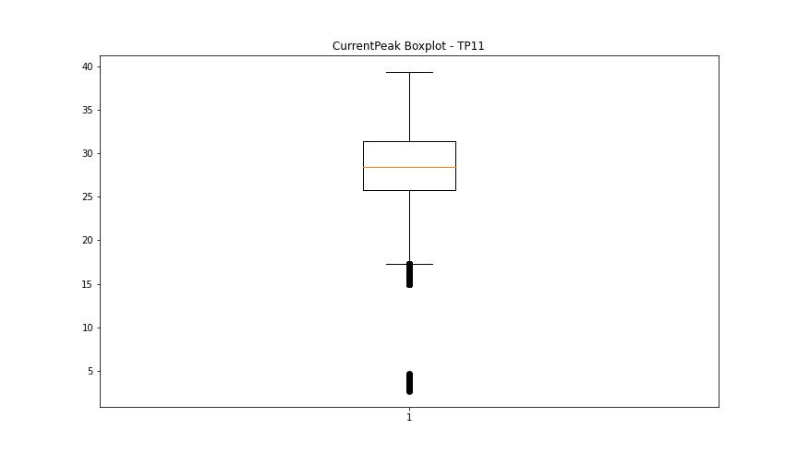
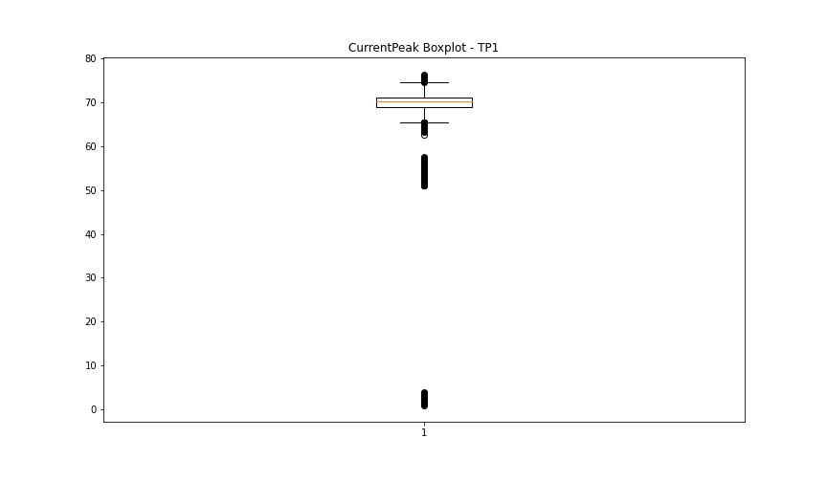
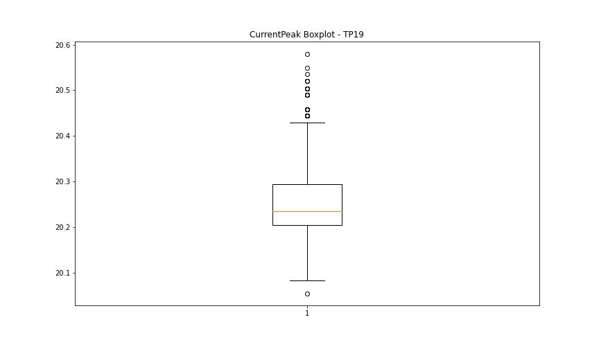
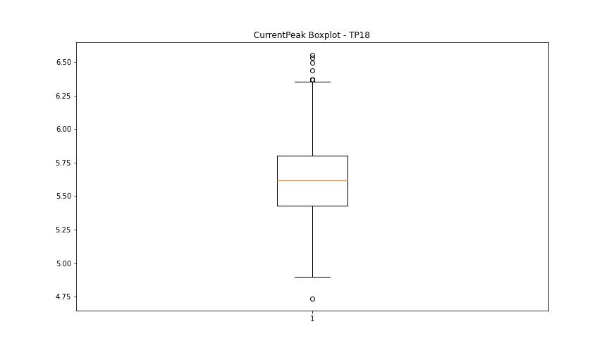

BOXPLOT SENZA OUTLIERS

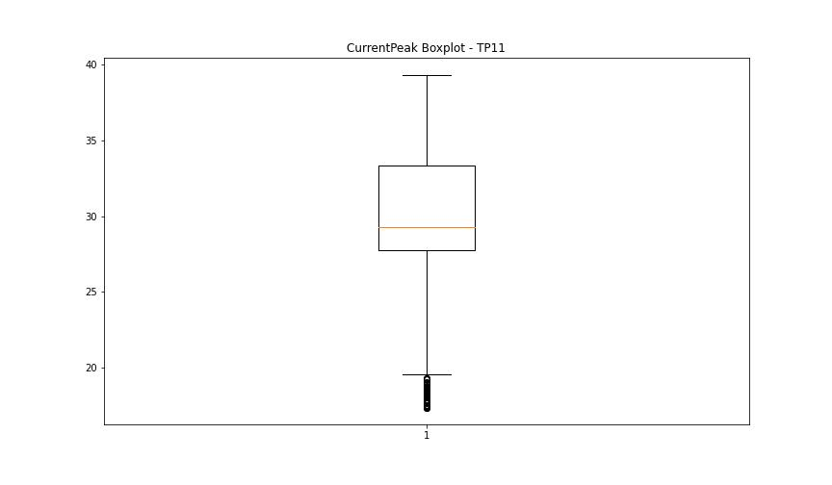
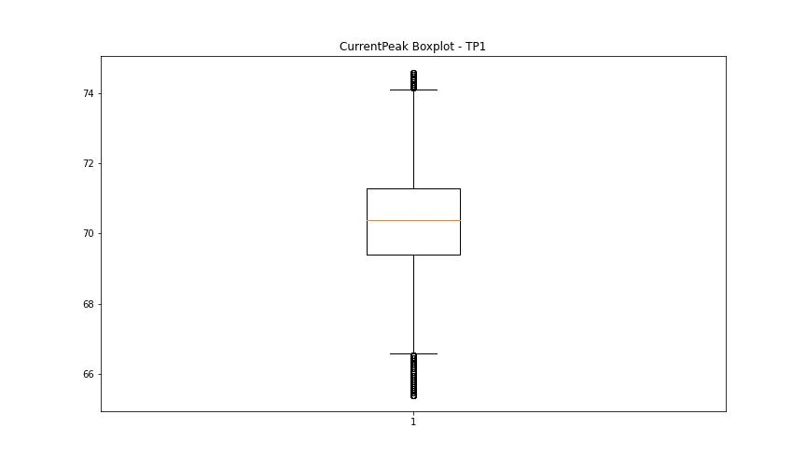
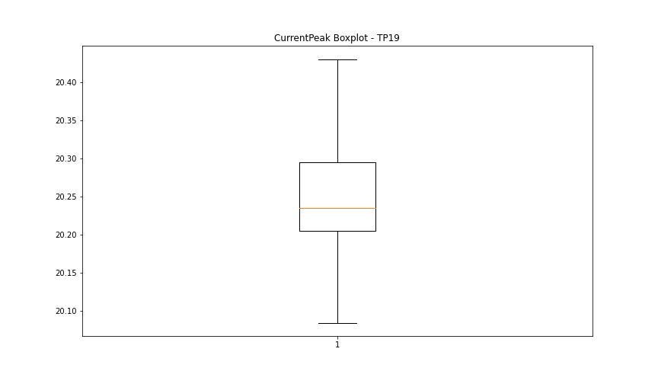
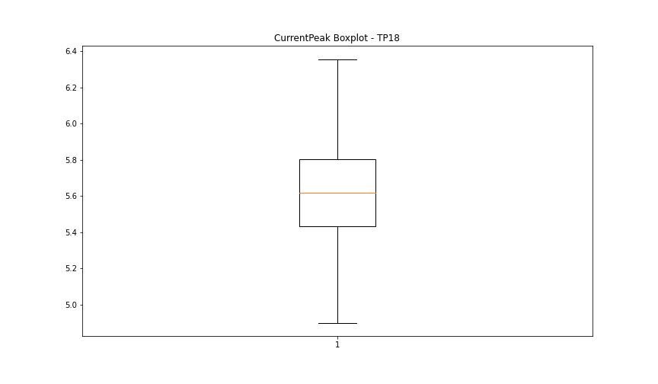

VibromPeak

numTP |  | 11 | 1 | 19 | 18
VibromPeak outliers |  | [ 2.7 5.5 8.5 3.1 4.3 3. 3.9 3.3 6.4 3.6 3.5 4.5 3.7 2.9 2.8 3.2 4. 3.8 3.4 4.1 7.8 8. 8.1 7.9 8.2 7.4 11.1 4.4 4.2 10.6 5.1 4.7 4.8 4.6 22.299 5. 4.9 6.8 6.6 ] | [ 8.4 2.2 1.9 3.8 2.7 2. 11.5 2.8 2.3 2.5 3.2 2.6 2.1 1.8 6. 4.5 3. 2.4 12.8 7. 3.1 3.4 3.3 4.3 4.4 4.6 4.7 5.3 5.1 5.2 5.8 5.4 6.1 5.9 6.2 3.6 2.9 4.1 3.5 4.8 4.2 3.9 4. 3.7 4.9 5. 5.5 19.9 10.5 9.9 11.3 11.9 7.5 11.4 8.9 6.7 5.6 9.6 9.1 5.7 7.2 6.8 8. 6.6 7.4 6.5 7.1 7.3 7.6 7.7 7.9 8.2 8.6 8.5 8.3 7.8 6.9 6.4 8.1 6.3]
upper_bound |  | 2.65 | 1.75
lower_bound |  | -0.15 | -0.25

statistiche con outliers: |  |  |  |  |  | statistiche senza outliers:
numTP |  | 11 | 1 | 19 | 18 | numTP |  | 11 | 1 | 19 | 18
VibromPeak | max | 22.299 | 19.9 | nan | nan | VibromPeak | max | 2.6 | 1.7
 | min | 0.2 | 0.1 | nan | nan |  | min | 0.2 | 0.1
 | avg | 1.4148970239 | 0.92079230805 | nan | nan |  | avg | 1.2627878576 | 0.74066209245
 | median | 1.2 | 0.7 | nan | nan |  | median | 1.2 | 0.7

BOXPLOT CON OUTLIERS
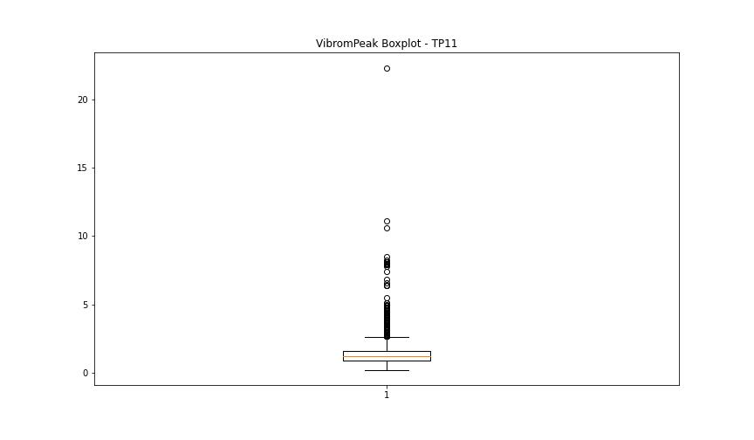
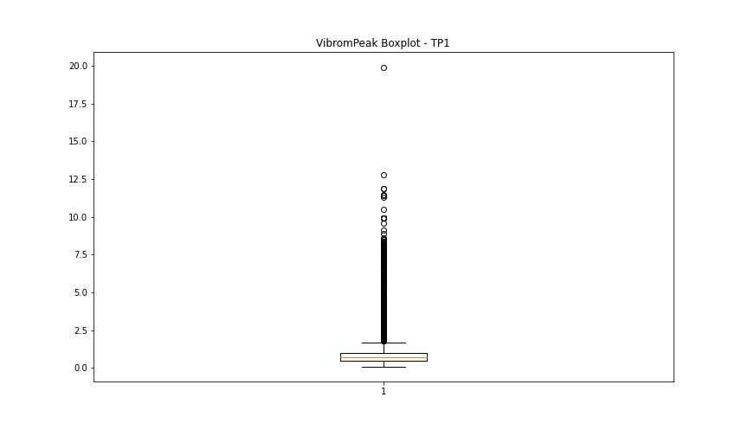
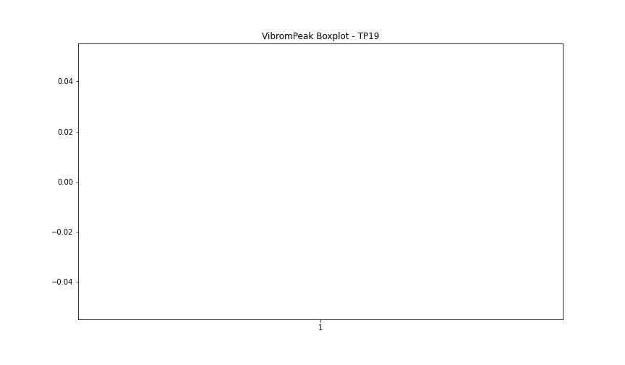


BOXPLOT SENZA OUTLIERS

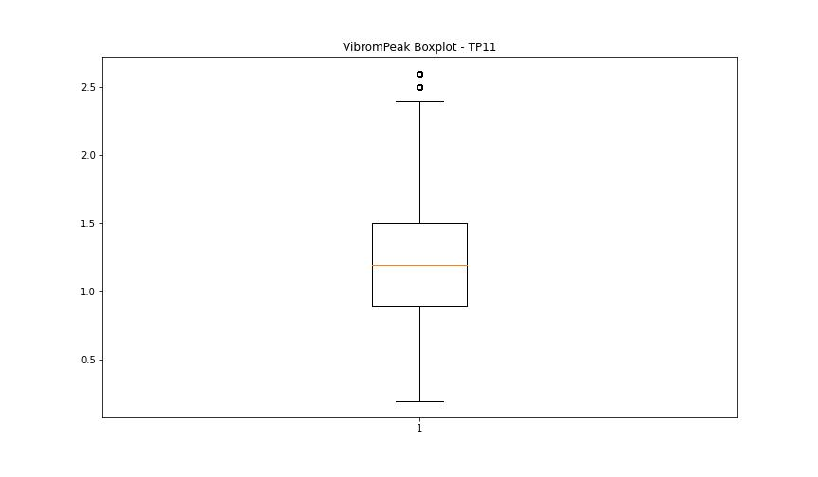
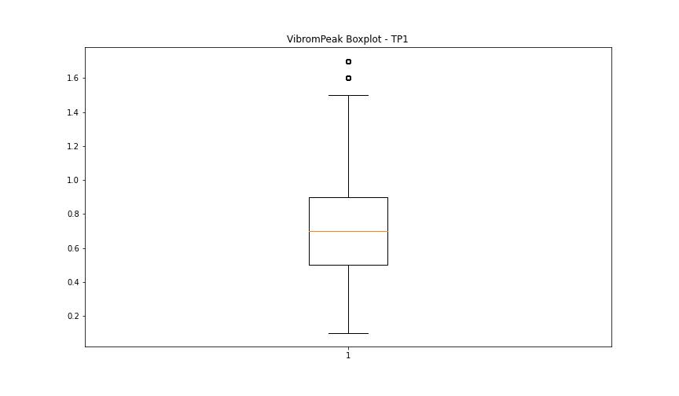

LUNG

numTP |  | 11 | 1 | 19 | 18
LUNG outliers |  | [ 9. 213. 13.1 205.6] | [1.01300e+02 1.10599e+02 1.13699e+02 1.57660e+02 1.00000e-02 9.19000e+01 1.16599e+02] | [] | []
upper_bound |  | 195.05 | 139.1475 | 1 | 2
lower_bound |  | 45.05 | 117.1515 | 1 | 2

statistiche con outliers: |  |  |  |  |  | statistiche senza outliers:
numTP |  | 11 | 1 | 19 | 18 | numTP |  | 11 | 1 | 19 | 18
LUNG | max | 213 | 157.66 | 1 | 2 | LUNG | max | 166.929 | 131.6 | 1 | 2
 | min | 9 | 0.01 | 1 | 2 |  | min | 91.9 | 118 | 1 | 2
 | avg | 111.70537009 | 118.15699635 | 1 | 2 |  | avg | 115.69894707 | 127.62883229 | 1 | 2
 | median | 101.3 | 127.62 | 1 | 2 |  | median | 101.3 | 127.62 | 1 | 2

BOXPLOT CON OUTLIERS
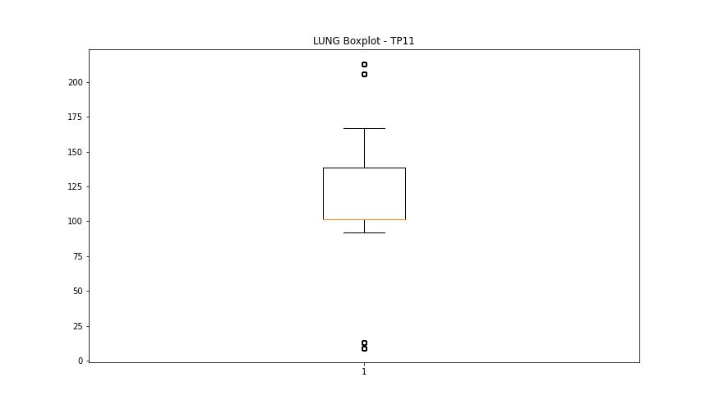
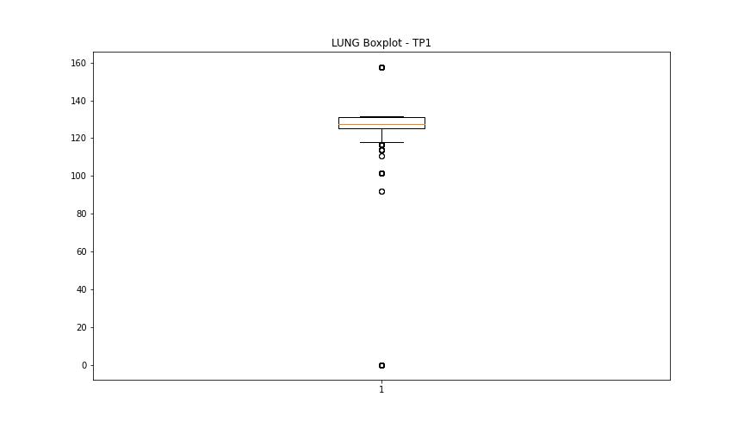
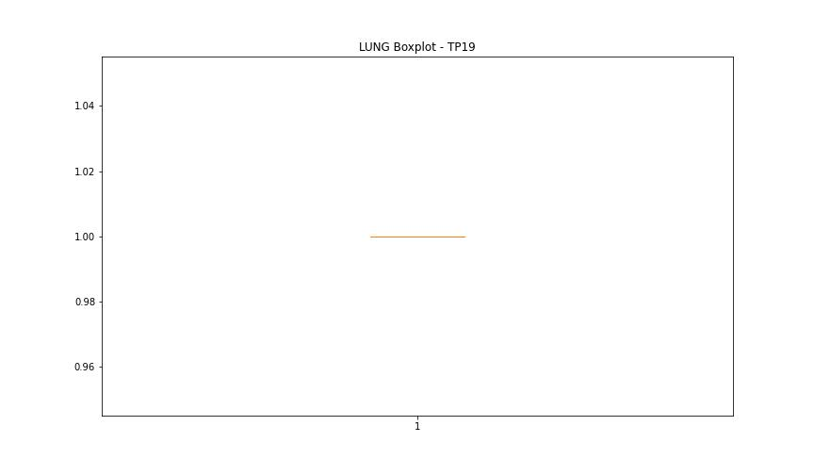
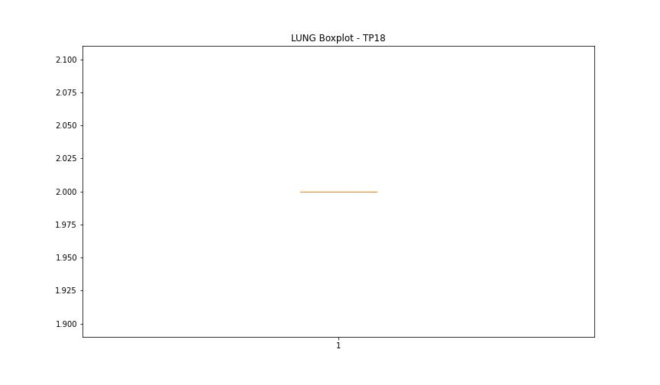

BOXPLOT SENZA OUTLIERS

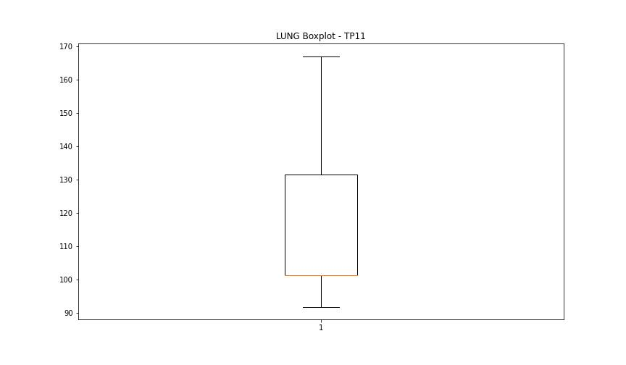
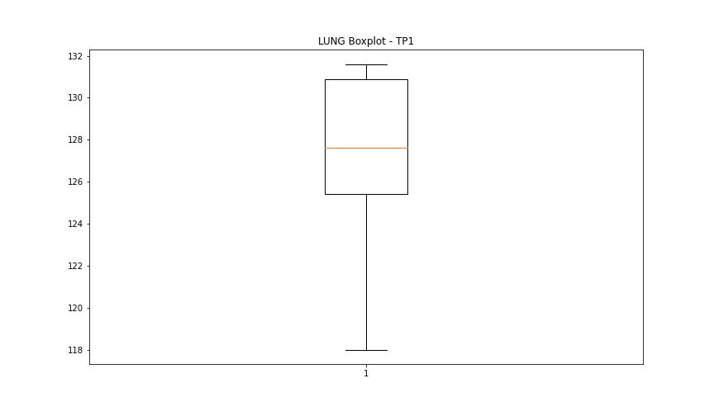

DIAM

numTP |  | 11 | 1 | 19 | 18
DIAM outliers |  | [300.299] | [16. 8. 5. 4. 6. 9.6] | [] | []
upper_bound |  | 126 | 18 | 50 | 120
lower_bound |  | -50 | 18 | 50 | 120

statistiche con outliers: |  |  |  |  |  | statistiche senza outliers:
numTP |  | 11 | 1 | 19 | 18 | numTP |  | 11 | 1 | 19 | 18
DIAM | max | 300.299 | 18 | 50 | 120 | DIAM | max | 63 | 18 | 50 | 120
 | min | 3 | 4 | 50 | 120 |  | min | 3 | 18 | 50 | 120
 | avg | 60.872193572 | 15.614542597 | 50 | 120 |  | avg | 25.887352002 | 18 | 50 | 120
 | median | 16 | 18 | 50 | 120 |  | median | 16 | 18 | 50 | 120

BOXPLOT CON OUTLIERS
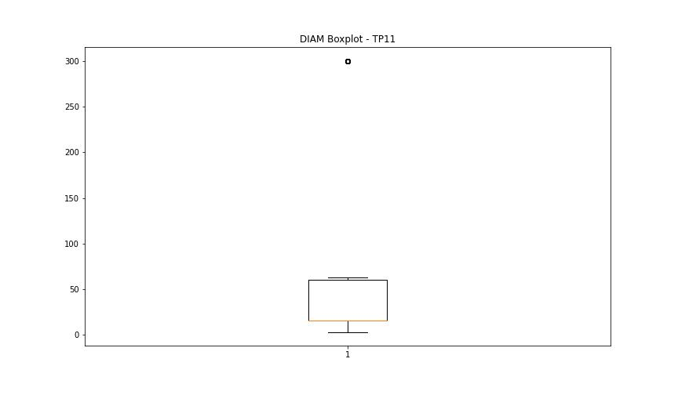
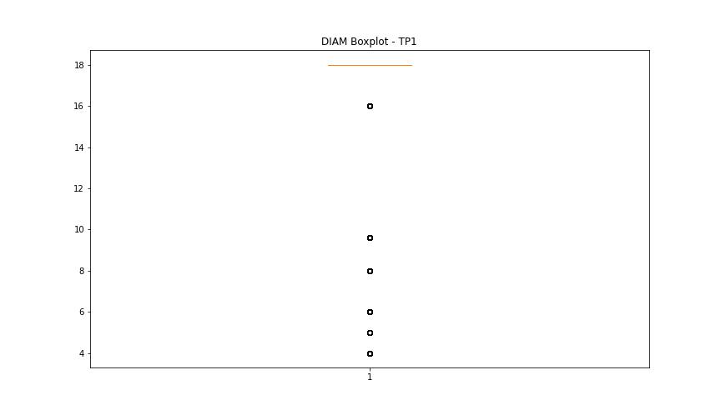
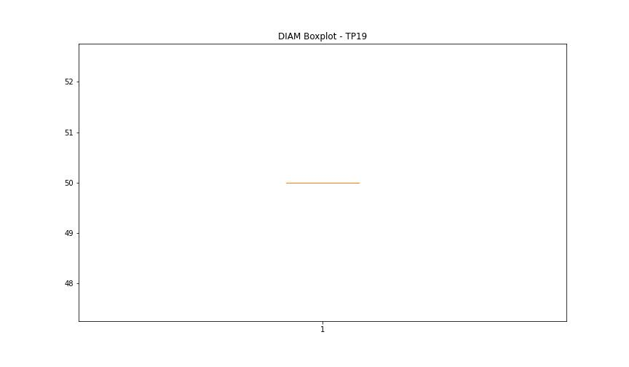
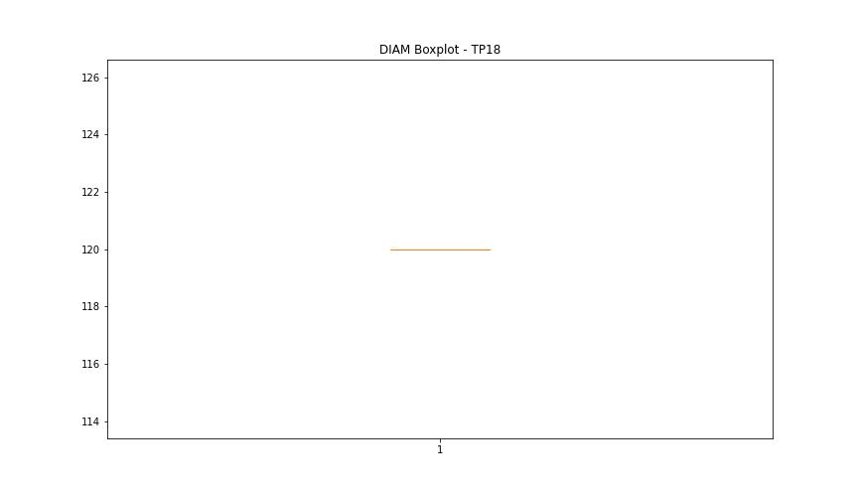

BOXPLOT SENZA OUTLIERS

