Sheet1
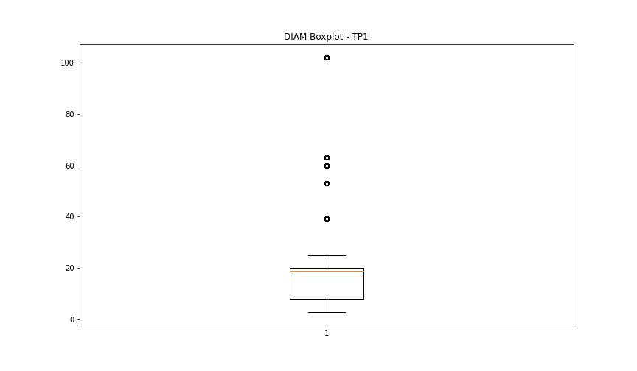
statorCelsius

numTP |  | 1 | 19 | 10 | 8
statorCelsius outliers |  | [13. 14. 0. 43. 12. 45. 46.] | [] | [] | []
upper_bound |  | 42.5 | 0 | 0 | 0
lower_bound |  | 14.5 | 0 | 0 | 0

statistiche con outliers: |  |  |  |  |  | statistiche senza outliers:
numTP |  | 1 | 19 | 10 | 8 | numTP |  | 1 | 19 | 10 | 8
statorCelsius | max | 46 | 0 | 0 | 0 | statorCelsius | max | 42 | 0 | 0 | 0
 | min | 0 | 0 | 0 | 0 |  | min | 15 | 0 | 0 | 0
 | avg | 28.83246353 | 0 | 0 | 0 |  | avg | 28.825337393 | 0 | 0 | 0
 | median | 28 | 0 | 0 | 0 |  | median | 28 | 0 | 0 | 0

BOXPLOT CON OUTLIERS
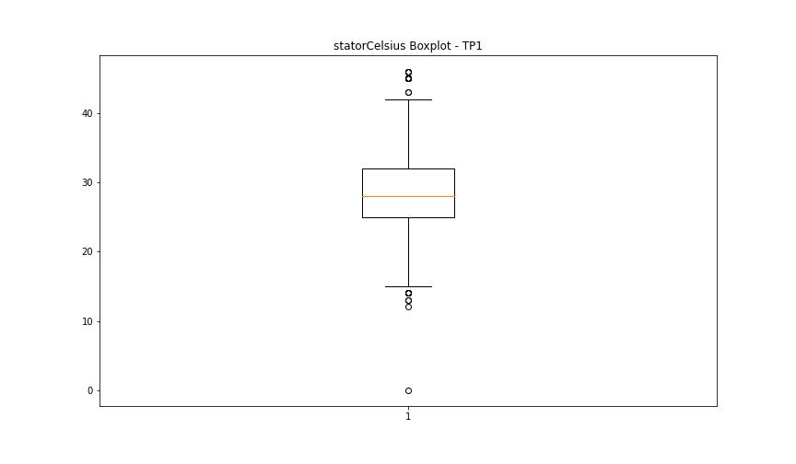
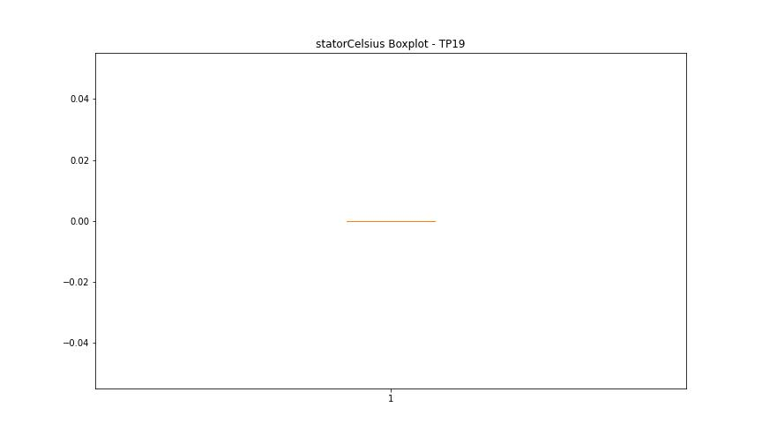



BOXPLOT SENZA OUTLIERS

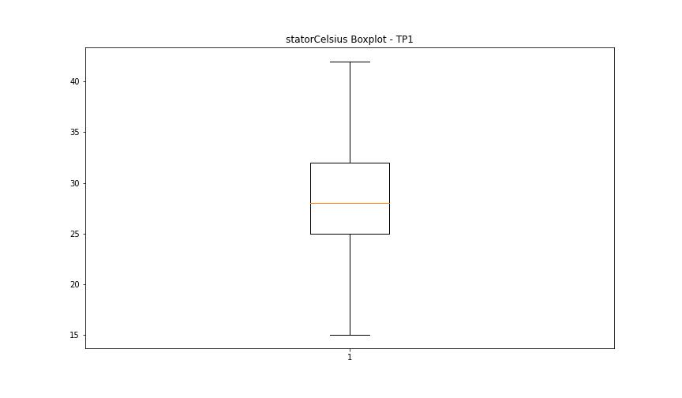

bearingsCelsius

numTP |  | 1 | 19 | 10 | 8
bearingsCelsius outliers |  | [22. 20. 17. 18. 19. 27. 15. 28. 29. 30. 14. 12. 13. 0. 32. 33. 34.] | [] | [] | []
upper_bound |  | 26.5 | 0 | 0 | 0
lower_bound |  | 22.5 | 0 | 0 | 0

statistiche con outliers: |  |  |  |  |  | statistiche senza outliers:
numTP |  | 1 | 19 | 10 | 8 | numTP |  | 1 | 19 | 10 | 8
bearingsCelsius | max | 34 | 0 | 0 | 0 | bearingsCelsius | max | 25 | 0 | 0 | 0
 | min | 0 | 0 | 0 | 0 |  | min | 23 | 0 | 0 | 0
 | avg | 24.616396137 | 0 | 0 | 0 |  | avg | 24.430937802 | 0 | 0 | 0
 | median | 25 | 0 | 0 | 0 |  | median | 25 | 0 | 0 | 0

BOXPLOT CON OUTLIERS
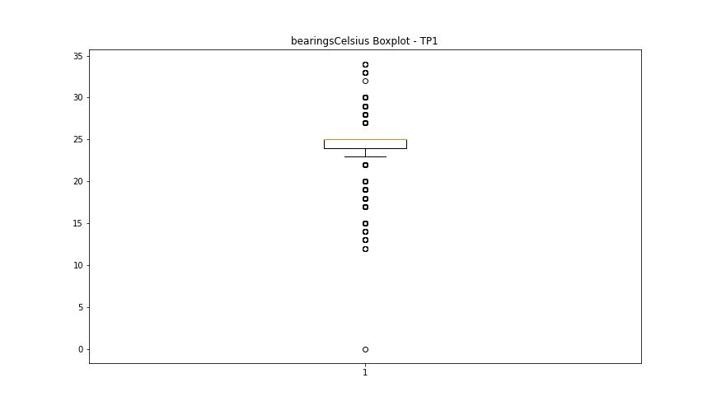




BOXPLOT SENZA OUTLIERS

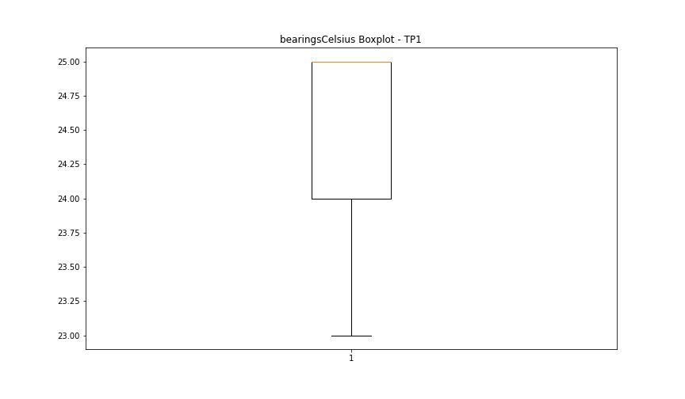

spindleRpm

numTP |  | 1 | 19 | 10 | 8
spindleRpm outliers |  | [0.0000000e+00 7.2000000e+01 5.4000000e+02 9.3715046e+04 5.1500000e+02 7.9000000e+01 5.9000000e+02 1.3240000e+03 6.5535000e+04 1.1570000e+03 8.0000000e+01] | [] | [] | []
upper_bound |  | 29599 | 0 | 0 | 0
lower_bound |  | 1399 | 0 | 0 | 0

statistiche con outliers: |  |  |  |  |  | statistiche senza outliers:
numTP |  | 1 | 19 | 10 | 8 | numTP |  | 1 | 19 | 10 | 8
spindleRpm | max | 93715.046 | 0 | 0 | 0 | spindleRpm | max | 20073 | 0 | 0 | 0
 | min | 0 | 0 | 0 | 0 |  | min | 1614 | 0 | 0 | 0
 | avg | 14199.063011 | 0 | 0 | 0 |  | avg | 14208.8132 | 0 | 0 | 0
 | median | 16496 | 0 | 0 | 0 |  | median | 16497 | 0 | 0 | 0

BOXPLOT CON OUTLIERS
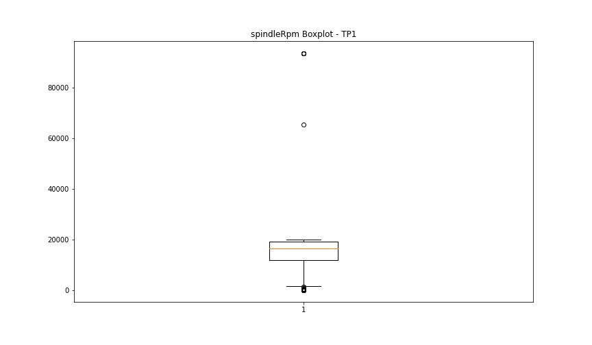




BOXPLOT SENZA OUTLIERS

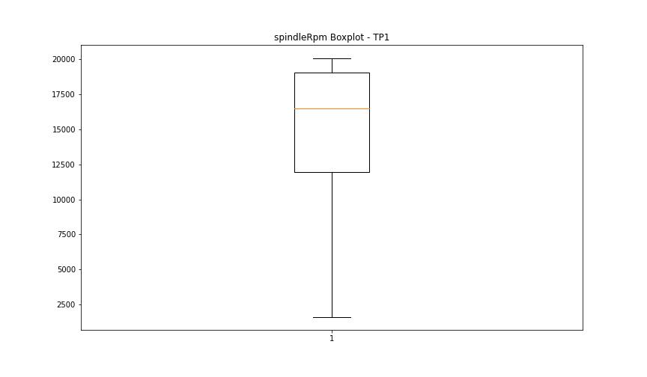

rpmSetPoint

numTP |  | 1 | 19 | 10 | 8
rpmSetPoint outliers |  | [0.] | [] | [] | []
upper_bound |  | 29500 | 0 | 6000 | 6000
lower_bound |  | 1500 | 0 | 6000 | 6000

statistiche con outliers: |  |  |  |  |  | statistiche senza outliers:
numTP |  | 1 | 19 | 10 | 8 | numTP |  | 1 | 19 | 10 | 8
rpmSetPoint | max | 20000 | 0 | 6000 | 6000 | rpmSetPoint | max | 20000 | 0 | 6000 | 6000
 | min | 0 | 0 | 6000 | 6000 |  | min | 3500 | 0 | 6000 | 6000
 | avg | 14208.937744 | 0 | 6000 | 6000 |  | avg | 14214.779034 | 0 | 6000 | 6000
 | median | 16500 | 0 | 6000 | 6000 |  | median | 16500 | 0 | 6000 | 6000

BOXPLOT CON OUTLIERS
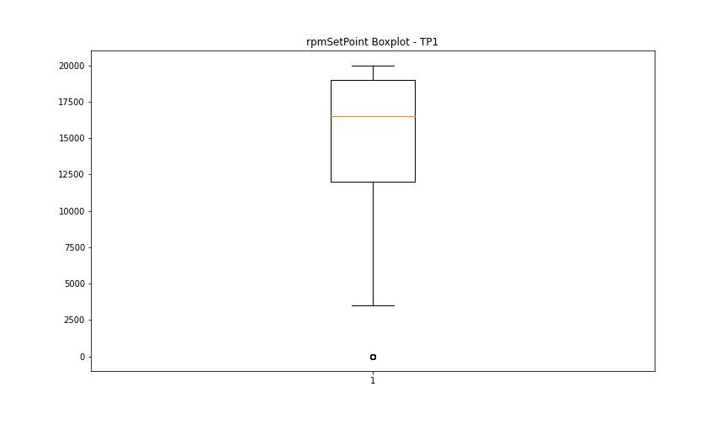

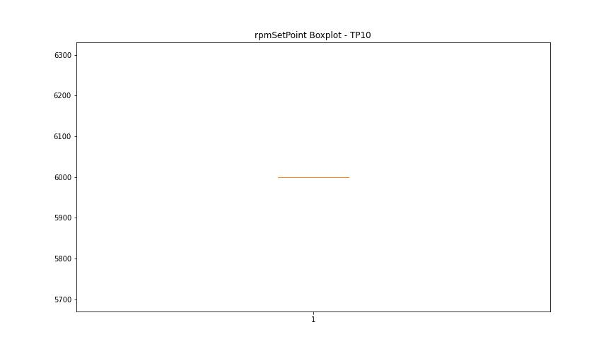


BOXPLOT SENZA OUTLIERS

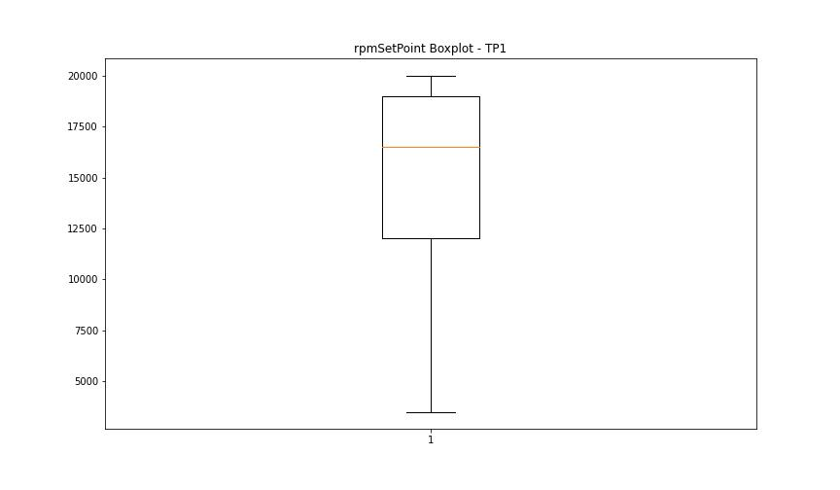

CurrentPeak

numTP |  | 1 | 19 | 10 | 8
CurrentPeak outliers |  | [ 3.74 20.434 20.468 2.788 18.972 20.417 3.553 3.213 3.604 3.791 4.131 4.114 3.978 20.791 20.451 20.518 3.094 3.298 3.485 20.535 3.757 3.808 2.924 3.876 3.621 3.519 3.111 3.315 11.407 12.036 11.747 12.886 3.383 3.672 3.247 3.842 3.587 3.638 7.939 10.081 7.259 10.863 9.945 18.87 3.043 3.366 2.907 3.502 3.468 2.89 3.23 3.927 3.145 3.06 3.349 3.706 3.451 3.179 3.128 2.805 3.417 2.992 3.536 3.332 4.029 3.57 3.026 3.774 3.196 2.55 3.162 2.754 20.485 2.567 3.264 2.941 3.4 18.853 2.295 3.009 3.281 2.958 2.771 3.434 3.689 3.859 2.397 3.944 20.655 2.822 2.448 7.718 12.087 8.007 8.245 12.002 5.746 7.31 12.172 8.177 6.885 12.206 7.174 8.721 9.809 10.982 8.67 6.494 6.97 18.938 3.723 18.802 20.502 0. 21.641 4.063 21.454 2.652 2.873 3.995 20.587 3.077 4.012 2.686 2.839 2.856 4.046 3.825 2.516 2.533 18.75 20.621 10.795 19.278 12.224 3.655 3.893 19.822 20.705 21.046 20.875 20.552 18.836 18.819 6.63 2.584 6.8 6.188 5.389 4.59 4.454 5.049 4.386 5.372 4.692 5.933 7.089 4.947 4.913 4.097 6.137 6.953 6.545 4.862 5.848 5.831 5.015 8.653 5.423 4.777 5.712 6.103 6.086 4.522 4.998 5.916 8.109 4.437 5.066 5.151 3.91 4.505 5.678 6.171 4.08 6.29 5.61 5.185 4.743 4.811 5.797 7.48 20.059 2.414 5.627 4.726 11.594 1.19 6.035 4.488 14.144 9.163 6.341 11.815 7.157 0.085 11.921 21.488 21.011 20.978 1.972 2.703 2.618 4.301 19.006 10.472 11.424 9.129 10.438 8.823 7.565 11.254 15.725 12.189 12.342 12.427 10.047 6.834 20.638 20.944 11.288 11.067 8.534 12.155 11.135 8.143 7.616 9.741 7.786 9.044 20.995 2.737 4.182 2.635 4.539 20.961 21.216 22.066 20.672 3.961 2.669 4.318 21.521 21.301 20.57 20.688 21.284 21.794 19.992 9.554 11.492 5.032 5.355 10.251 8.024 9.707 5.338 7.123 4.556 4.794 6.256 12.461 2.193 21.165 25.245 12.076 2.227 1.887 1 | [20.504 20.445 6.726 20.58 20.49 20.459 0. 0.9 0.765 0.675 1.17 0.69 0.78 0.93 20.549 0.99 0.705 0.885 0.615 0.795 1.155 0.915 1.08 ] | [] | []
upper_bound |  | 20.41 | 20.439 | 7.866 | 20.5525
lower_bound |  | 20.066 | 20.015 | 7.866 | -1.9715

statistiche con outliers: |  |  |  |  |  | statistiche senza outliers:
numTP |  | 1 | 19 | 10 | 8 | numTP |  | 1 | 19 | 10 | 8
CurrentPeak | max | 25.245 | 20.58 | 7.866 | 12.439 | CurrentPeak | max | 20.4 | 20.43 | 7.866 | 12.439
 | min | 0 | 0 | 7.866 | 6.134 |  | min | 20.077 | 20.055 | 7.866 | 6.134
 | avg | 19.616600164 | 19.455163311 | 7.866 | 8.8171166667 |  | avg | 20.236858265 | 20.24300176 | 7.866 | 8.8171166667
 | median | 20.23 | 20.235 | 7.866 | 7.007 |  | median | 20.23 | 20.235 | 7.866 | 7.007

BOXPLOT CON OUTLIERS
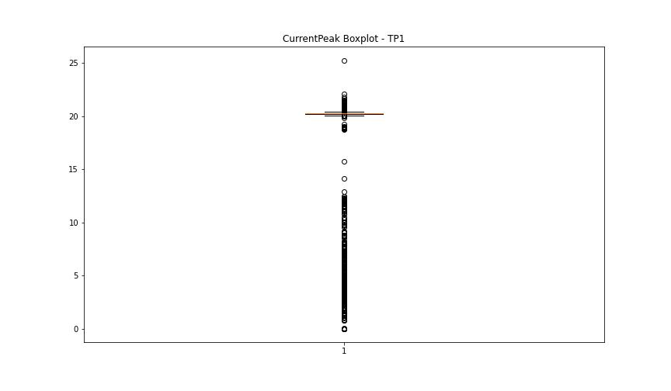
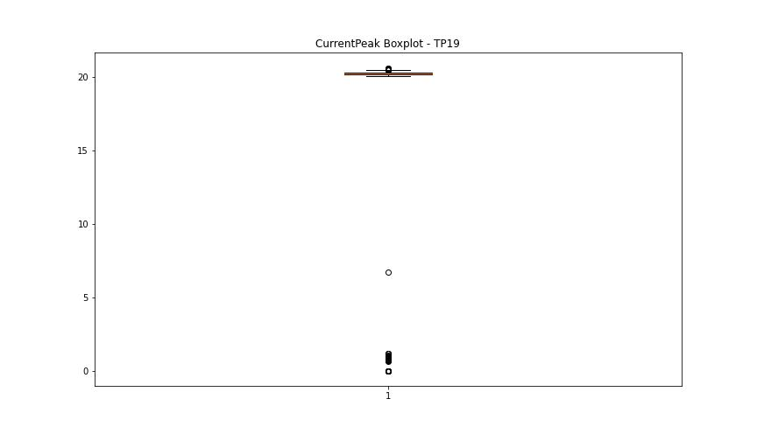
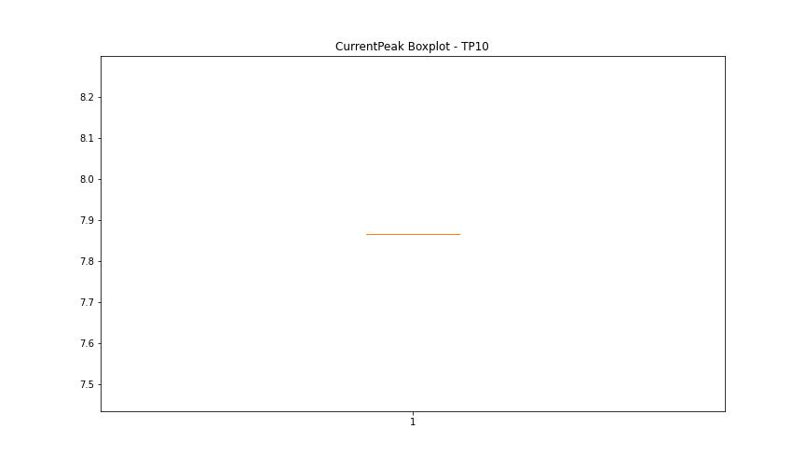
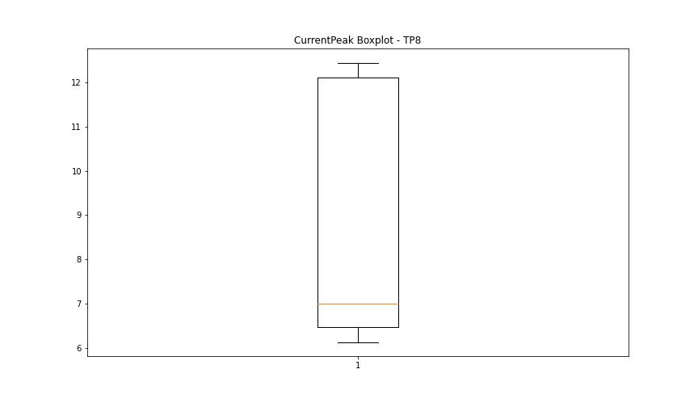

BOXPLOT SENZA OUTLIERS

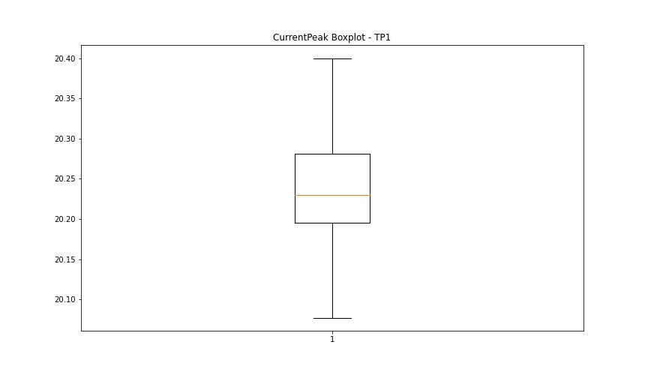
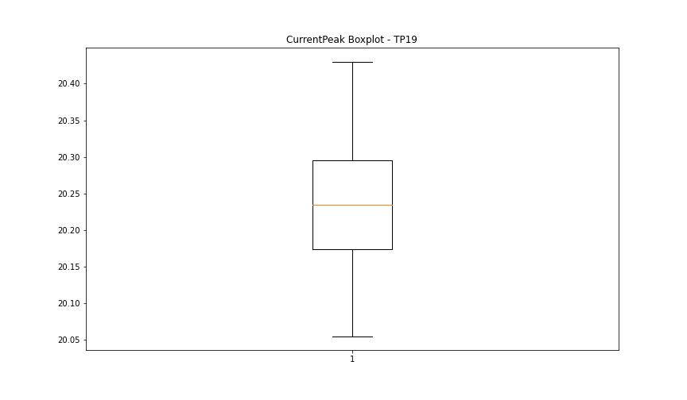

VibromPeak

numTP |  | 1 | 19 | 10 | 8
VibromPeak outliers |  | [ 3.9 3.7 3.2 4.9 4.2 4.3 3.1 4. 3.8 3.5 4.6 5.9 3.6 3.3 5. 4.4 4.1 3.4 5.1 5.2 4.8 5.3 5.4 4.7 5.5 4.5 6.5 6. 6.1 7.2 6.3 6.2 8. 8.1 8.7 9.7 7.4 8.8 7.1 7.8 7.3 6.9 7. 6.6 6.7 6.8 5.8 7.9 6.4 9.9 5.6 7.5 13.5 8.9 8.3]
upper_bound |  | 3.05
lower_bound |  | -0.55

statistiche con outliers: |  |  |  |  |  | statistiche senza outliers:
numTP |  | 1 | 19 | 10 | 8 | numTP |  | 1 | 19 | 10 | 8
VibromPeak | max | 13.5 | nan | nan | nan | VibromPeak | max | 3
 | min | 0.1 | nan | nan | nan |  | min | 0.1
 | avg | 1.3204379562 | nan | nan | nan |  | avg | 1.2313351146
 | median | 1.1 | nan | nan | nan |  | median | 1.1

BOXPLOT CON OUTLIERS
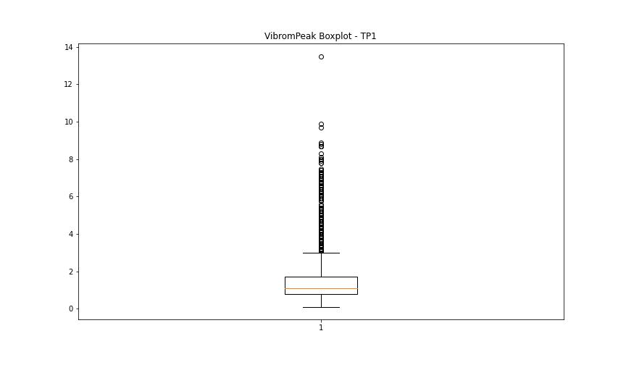
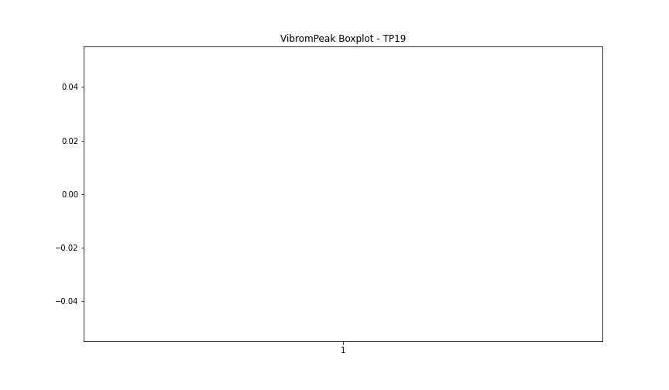

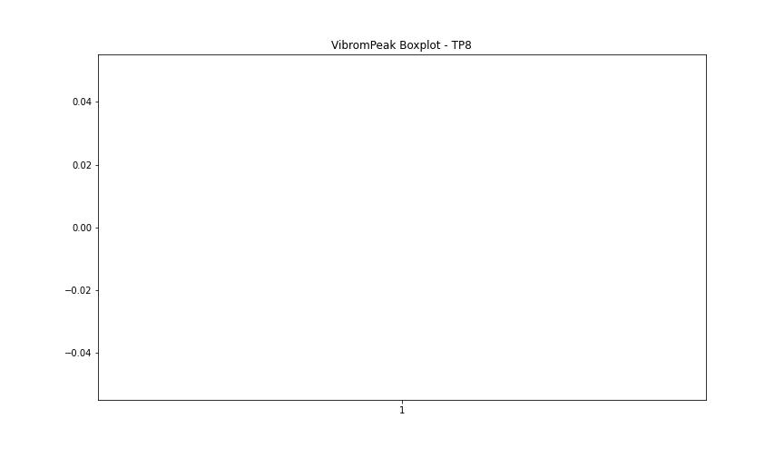

BOXPLOT SENZA OUTLIERS

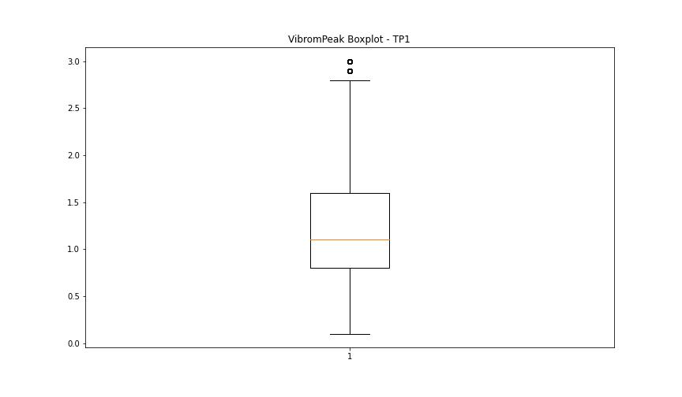

LUNG

numTP |  | 1 | 19 | 10 | 8
LUNG outliers |  | [1.10000e+01 1.00000e-02 1.26000e+01 5.87700e+01 2.14000e+02 8.55000e+01 3.75990e+01 4.69000e+01 1.76443e+02 1.76440e+02 1.76207e+02 2.28786e+02 2.24738e+02] | [] | [] | [4.]
upper_bound |  | 171.231 | 1 | 2 | 2
lower_bound |  | 93.831 | 1 | 2 | 2

statistiche con outliers: |  |  |  |  |  | statistiche senza outliers:
numTP |  | 1 | 19 | 10 | 8 | numTP |  | 1 | 19 | 10 | 8
LUNG | max | 228.786 | 1 | 2 | 4 | LUNG | max | 166.429 | 1 | 2 | 2
 | min | 0.01 | 1 | 2 | 2 |  | min | 100 | 1 | 2 | 2
 | avg | 114.43528002 | 1 | 2 | 2.0666666667 |  | avg | 135.38740006 | 1 | 2 | 2
 | median | 136.029 | 1 | 2 | 2 |  | median | 138.593 | 1 | 2 | 2

BOXPLOT CON OUTLIERS
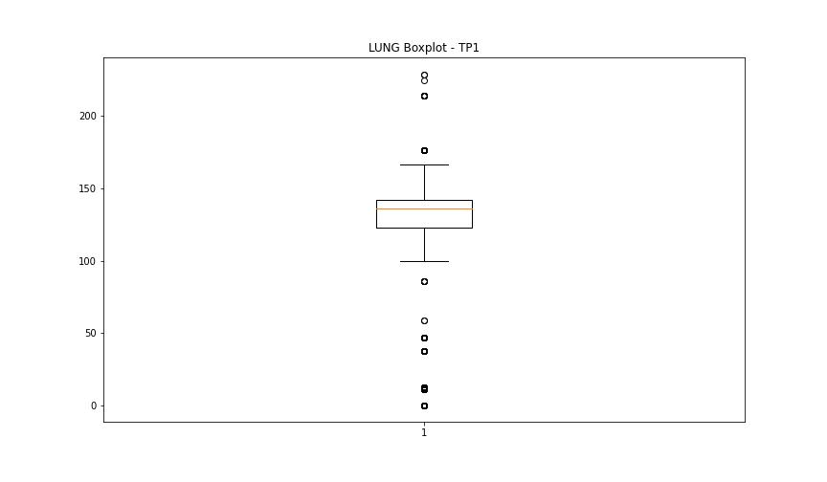
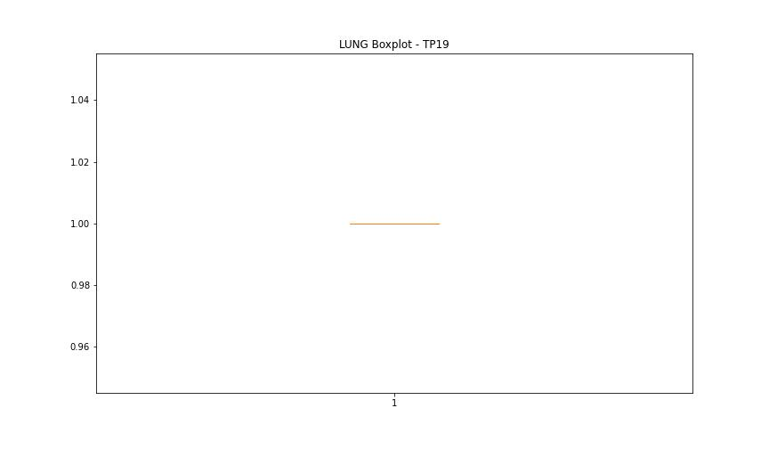
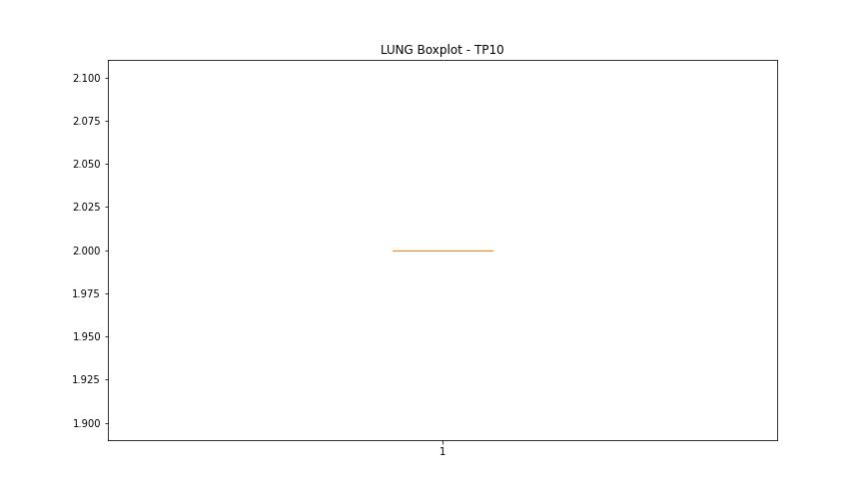
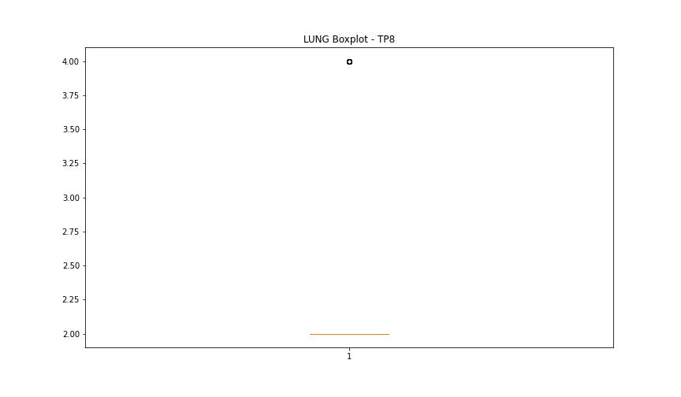

BOXPLOT SENZA OUTLIERS

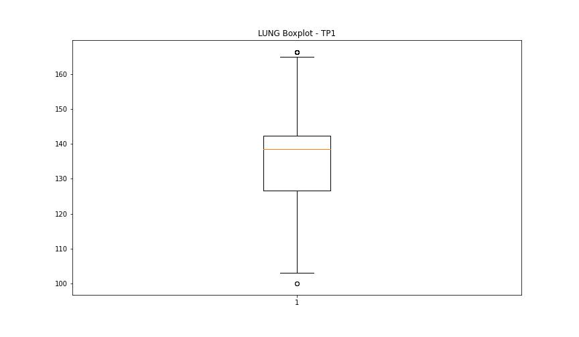
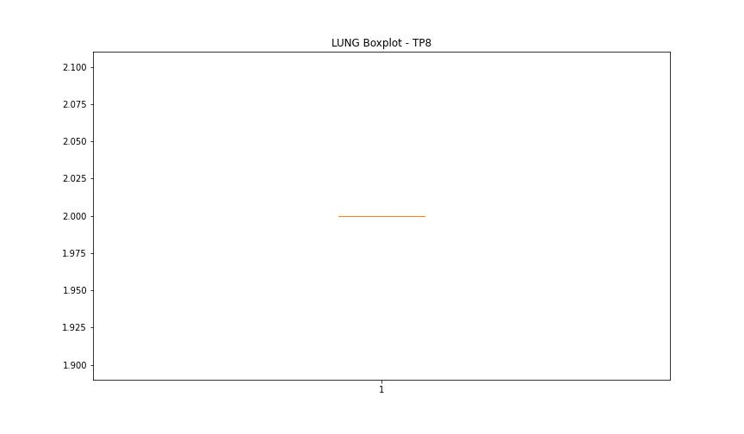

DIAM

numTP |  | 1 | 19 | 10 | 8
DIAM outliers |  | [260.7 130. 179.6 179.3] | [] | [] | []
upper_bound |  | 120.5 | 50 | 120 | 120
lower_bound |  | -59.5 | 50 | 120 | 120

statistiche con outliers: |  |  |  |  |  | statistiche senza outliers:
numTP |  | 1 | 19 | 10 | 8 | numTP |  | 1 | 19 | 10 | 8
DIAM | max | 260.7 | 50 | 120 | 120 | DIAM | max | 102 | 50 | 120 | 120
 | min | 3 | 50 | 120 | 120 |  | min | 3 | 50 | 120 | 120
 | avg | 42.157334429 | 50 | 120 | 120 |  | avg | 20.397163401 | 50 | 120 | 120
 | median | 18.9 | 50 | 120 | 120 |  | median | 18.9 | 50 | 120 | 120

BOXPLOT CON OUTLIERS
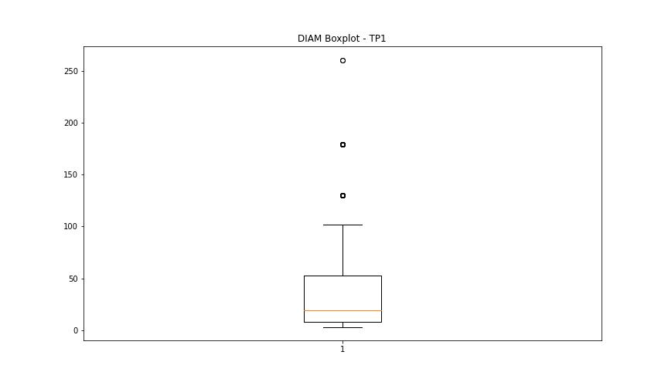
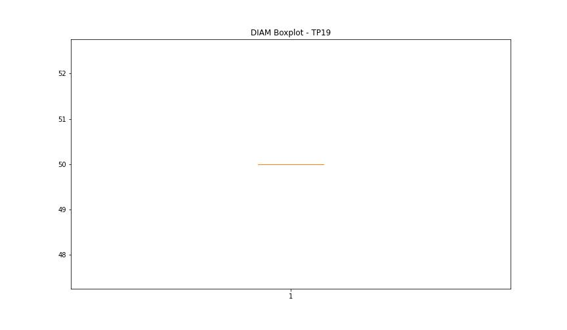
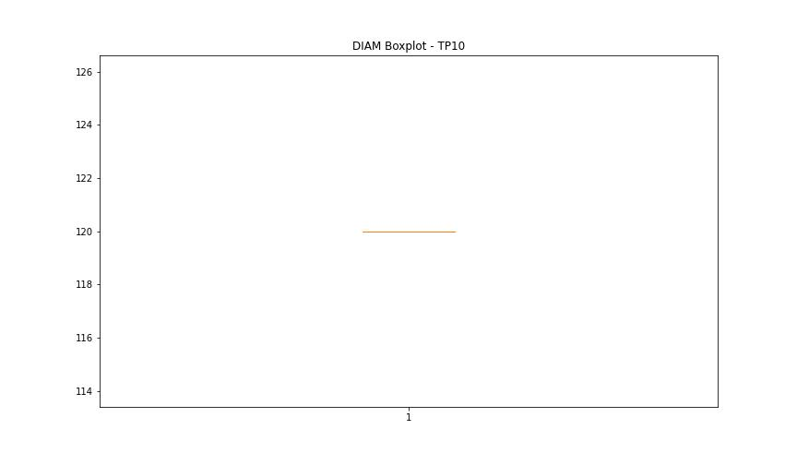
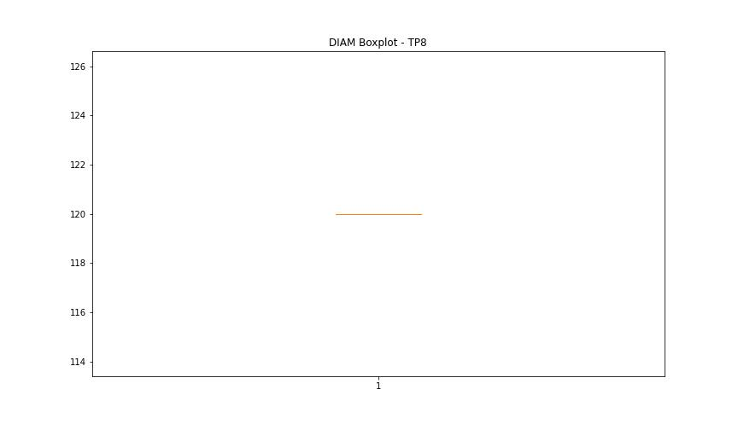

BOXPLOT SENZA OUTLIERS

