Sheet1
statorCelsius

numTP |  | 1 | 8 | 19
statorCelsius outliers |  | [12. 11.] | [] | []
upper_bound |  | 40.5 | 0 | 0
lower_bound |  | 12.5 | 0 | 0

statistiche con outliers: |  |  |  |  | statistiche senza outliers:
numTP |  | 1 | 8 | 19 | numTP |  | 1 | 8 | 19
statorCelsius | max | 40 | 0 | 0 | statorCelsius | max | 40 | 0 | 0
 | min | 11 | 0 | 0 |  | min | 13 | 0 | 0
 | avg | 26.423761571 | 0 | 0 |  | avg | 26.429734405 | 0 | 0
 | median | 27 | 0 | 0 |  | median | 27 | 0 | 0

BOXPLOT CON OUTLIERS
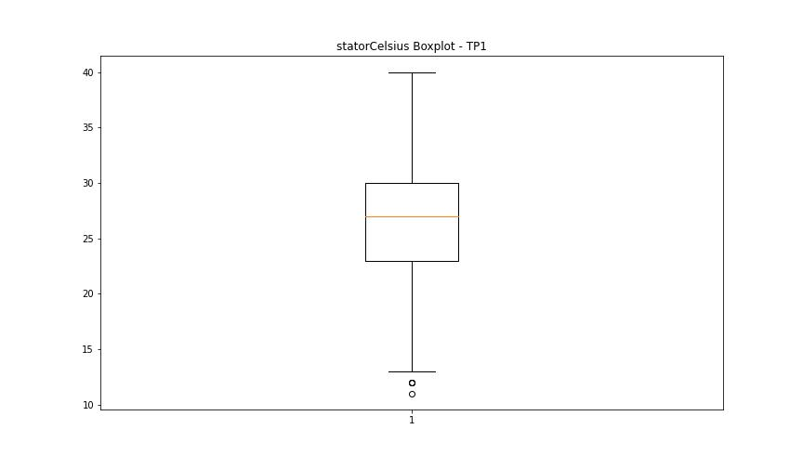
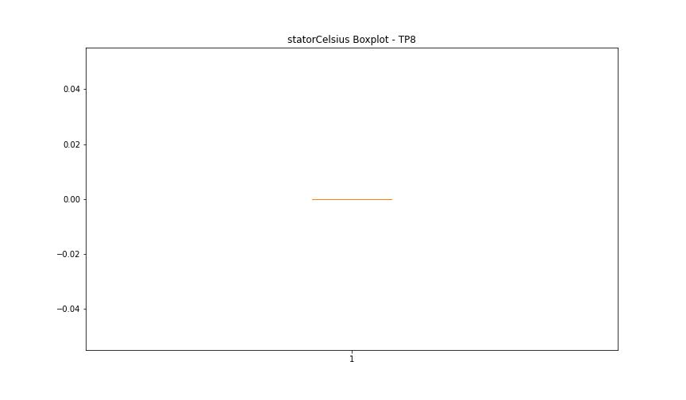


BOXPLOT SENZA OUTLIERS

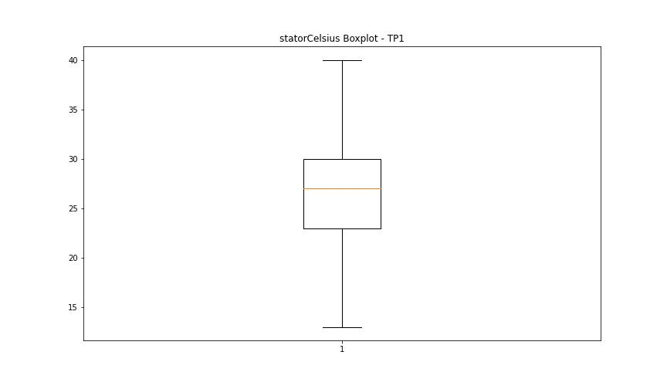

bearingsCelsius

numTP |  | 1 | 8 | 19
bearingsCelsius outliers |  | [13. 12. 10. 11.] | [] | []
upper_bound |  | 30 | 0 | 0
lower_bound |  | 14 | 0 | 0

statistiche con outliers: |  |  |  |  | statistiche senza outliers:
numTP |  | 1 | 8 | 19 | numTP |  | 1 | 8 | 19
bearingsCelsius | max | 30 | 0 | 0 | bearingsCelsius | max | 30 | 0 | 0
 | min | 10 | 0 | 0 |  | min | 14 | 0 | 0
 | avg | 22.288983827 | 0 | 0 |  | avg | 22.461012737 | 0 | 0
 | median | 23 | 0 | 0 |  | median | 23 | 0 | 0

BOXPLOT CON OUTLIERS
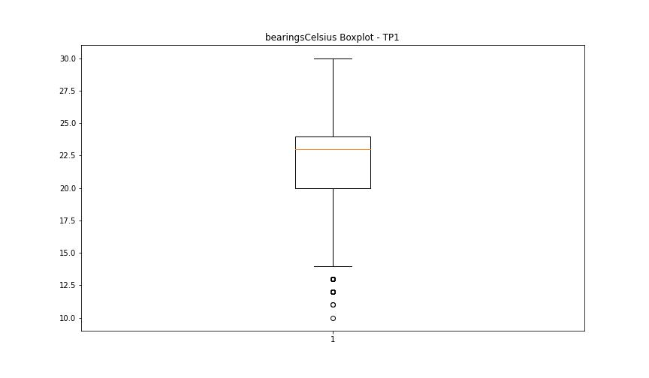



BOXPLOT SENZA OUTLIERS

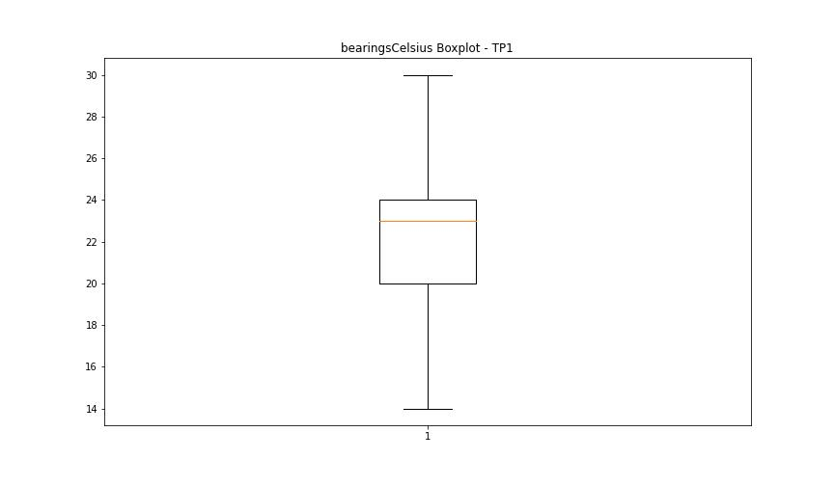

spindleRpm

numTP |  | 1 | 8 | 19
spindleRpm outliers |  | [65535.] | [] | []
upper_bound |  | 35922.5 | 0 | 0
lower_bound |  | -11937.5 | 0 | 0

statistiche con outliers: |  |  |  |  | statistiche senza outliers:
numTP |  | 1 | 8 | 19 | numTP |  | 1 | 8 | 19
spindleRpm | max | 65535 | 0 | 0 | spindleRpm | max | 20049 | 0 | 0
 | min | 0 | 0 | 0 |  | min | 0 | 0 | 0
 | avg | 12693.270268 | 0 | 0 |  | avg | 12617.912804 | 0 | 0
 | median | 14894 | 0 | 0 |  | median | 14880 | 0 | 0

BOXPLOT CON OUTLIERS
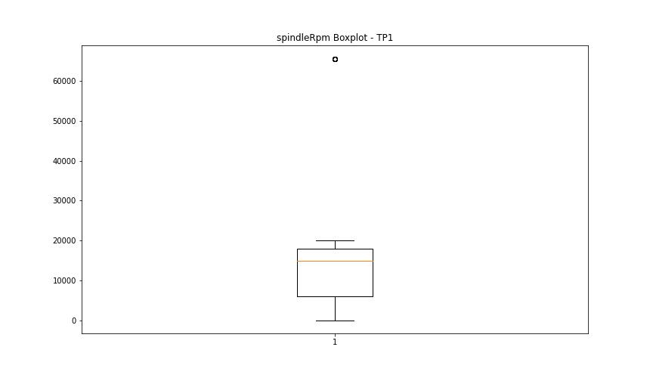



BOXPLOT SENZA OUTLIERS

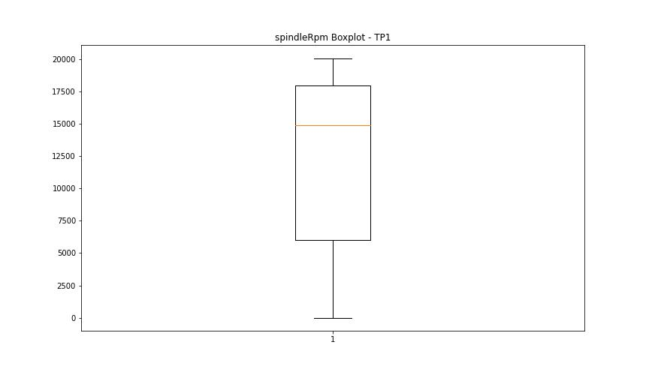

rpmSetPoint

numTP |  | 1 | 8 | 19
rpmSetPoint outliers |  | [] | [] | []
upper_bound |  | 36000 | 6000 | 0
lower_bound |  | -12000 | 6000 | 0

statistiche con outliers: |  |  |  |  | statistiche senza outliers:
numTP |  | 1 | 8 | 19 | numTP |  | 1 | 8 | 19
rpmSetPoint | max | 20000 | 6000 | 0 | rpmSetPoint | max | 20000 | 6000 | 0
 | min | 0 | 6000 | 0 |  | min | 0 | 6000 | 0
 | avg | 12683.145153 | 6000 | 0 |  | avg | 12683.145153 | 6000 | 0
 | median | 15000 | 6000 | 0 |  | median | 15000 | 6000 | 0

BOXPLOT CON OUTLIERS

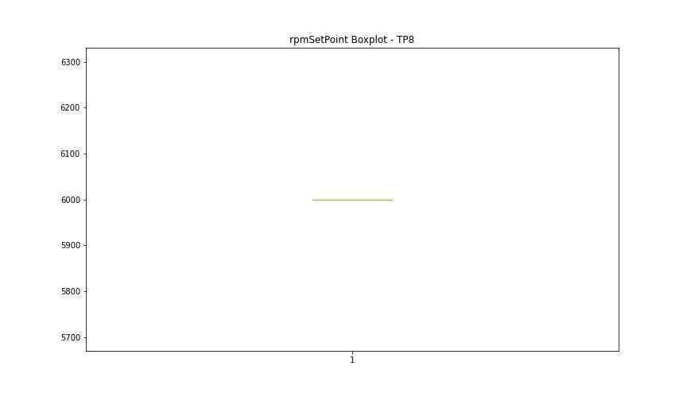


BOXPLOT SENZA OUTLIERS

CurrentPeak

numTP |  | 1 | 8 | 19
CurrentPeak outliers |  | [11.509 5.236 8.959 5.032 7.463 6.97 5.746 7.106 6.902 1.649 6.069 7.259 5.695 3.247 0.782 5.627 5.27 1.853 2.703 7.718 6.63 9.486 5.321 1.292 4.437 6.239 2.822 3.128 3.332 5.984 6.953 20.723 4.182 5.525 6.511 6.919 4.981 3.57 6.001 5.661 6.358 2.975 5.729 6.256 6.715 1.53 3.094 6.137 20.688 4.947 5.95 4.25 6.596 7.004 6.188 2.856 3.145 1.054 5.831 6.375 5.219 5.253 5.576 5.304 7.174 5.1 6.426 5.763 6.579 5.389 5.916 4.573 5.865 6.562 6.46 7.157 3.366 4.777 2.788 3.349 1.122 3.961 5.78 1.36 1.496 1.938 5.168 5.882 5.406 5.61 2.873 5.848 6.12 5.678 6.8 5.457 4.675 1.666 1.462 4.845 6.817 3.876 6.035 6.29 6.103 6.341 4.811 5.712 6.783 3.23 1.258 5.933 2.346 6.851 4.454 1.768 2.38 0.765 3.298 2.057 6.766 5.151 5.372 3.281 4.692 2.142 6.749 5.967 4.352 6.834 1.734 7.021 3.077 6.732 5.423 3.383 6.273 7.225 7.038 4.964 2.312 1.972 4.726 4.165 6.205 3.808 1.428 7.191 4.199 6.443 6.664 3.604 5.814 4.386 5.338 2.737 1.921 20.502 6.307 7.055 0.799 0.901 3.91 4.998 6.987 5.185 5.644 6.885 0.935 3.621 6.154 3.723 11.016 5.015 20.485 1.088 7.242 6.086 4.131 7.854 6.409 1.479 2.669 6.647 4.93 4.216 4.76 20.705 6.528 1.989 3.043 4.862 7.208 0.51 5.44 1.343 4.913 6.545 5.117 0.697 2.941 3.264 6.171 4.012 4.08 3.213 0.918 4.403 3.111 3.162 3.4 3.315 2.652 3.009 6.681 7.14 5.083 2.771 3.655 20.552 2.839 7.089 1.241 6.868 5.491 1.547 3.196 3.774 0.85 20.57 3.451 6.494 3.638 3.842 1.071 7.378 3.519 2.89 3.587 2.108 20.535 1.87 4.471 3.502 2.21 4.42 1.632 1.513 6.477 4.743 2.482 3.672 6.936 5.355 0.561 10.098 3.179 3.417 4.488 5.593 5.066 2.295 7.293 4.556 7.395 4.335 1.326 4.267 7.361 3.74 2.924 2.567 4.046 12.172 7.446 2.533 4.896 7.565 5. | [] | [2.649 2.637 2.152 2.599 2.625]
upper_bound |  | 20.4765 | 21.5155 | 2.592
lower_bound |  | 20.0005 | -3.4965 | 2.16

statistiche con outliers: |  |  |  |  | statistiche senza outliers:
numTP |  | 1 | 8 | 19 | numTP |  | 1 | 8 | 19
CurrentPeak | max | 21.607 | 12.358 | 2.649 | CurrentPeak | max | 20.468 | 12.358 | 2.587
 | min | 0.51 | 5.513 | 2.152 |  | min | 20.077 | 5.513 | 2.188
 | avg | 18.025538704 | 8.1552926829 | 2.3798199052 |  | avg | 20.257130456 | 8.1552926829 | 2.3761165049
 | median | 20.247 | 6.356 | 2.358 |  | median | 20.247 | 6.356 | 2.358

BOXPLOT CON OUTLIERS
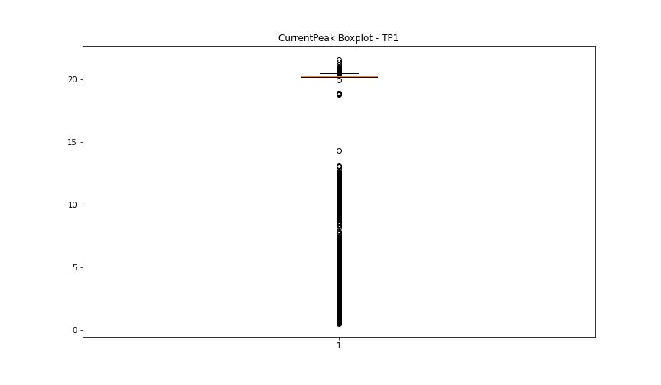
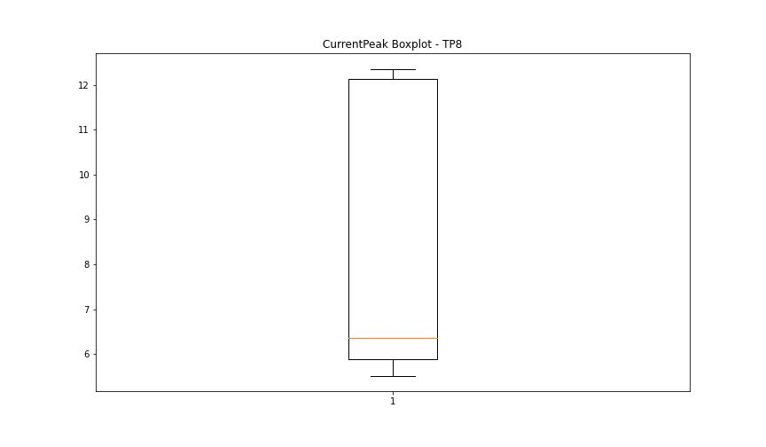
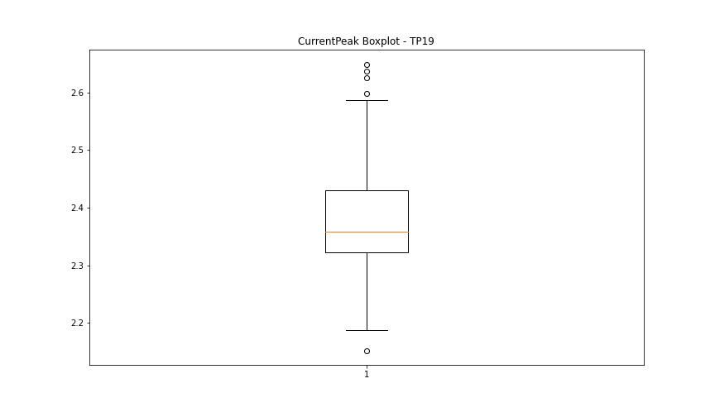

BOXPLOT SENZA OUTLIERS

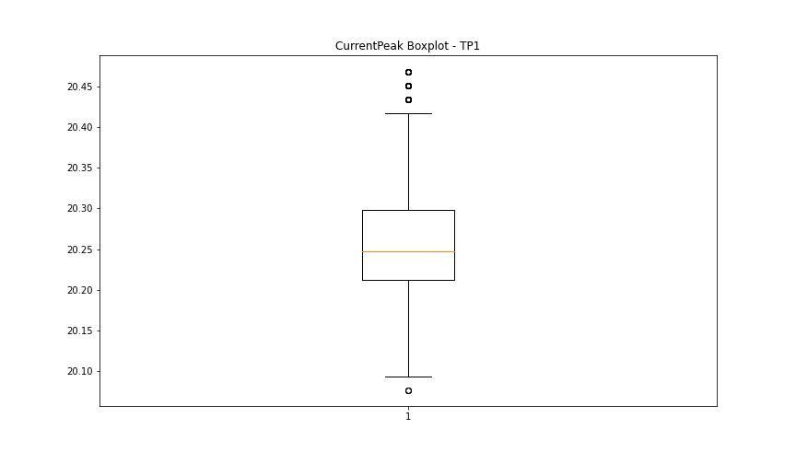
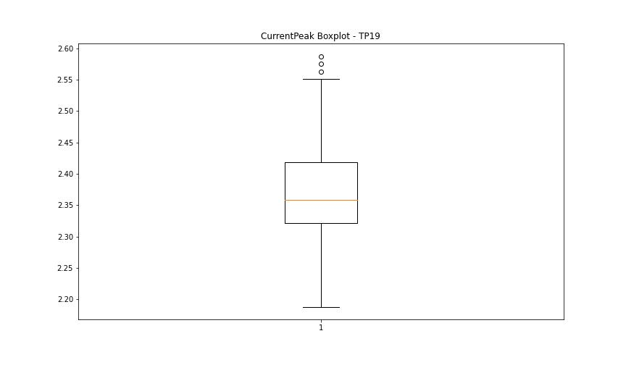

VibromPeak

numTP |  | 1 | 8 | 19
VibromPeak outliers |  | [ 8.5 9.6 10.3 4.1 4. 5.9 6.2 9.7 5.1 6.5 5.3 5.7 10.1 8.8 9. 9.2 9.3 9.8 9.4 8.9 4.7 8.7 4.6 10.8 7. 7.2 6.9 6.3 5.5 5.4 5.8 12. 12.1 4.4 4.3 13. 8.1 8.3 6.6 4.9 6.1 6.7 5.6 10.7 10.6 4.8 5.2 4.5 9.5 10.2 11. 10. 4.2 7.5 8.6 9.1 8.4 8.2 10.5 7.9 9.9 5. 7.6 8. 7.8 7.4]
upper_bound |  | 3.95
lower_bound |  | -1.25

statistiche con outliers: |  |  |  |  | statistiche senza outliers:
numTP |  | 1 | 8 | 19 | numTP |  | 1 | 8 | 19
VibromPeak | max | 13 | nan | nan | VibromPeak | max | 3.9
 | min | 0.1 | nan | nan |  | min | 0.1
 | avg | 2.0237005391 | nan | nan |  | avg | 1.2716757741
 | median | 1.4 | nan | nan |  | median | 1.2

BOXPLOT CON OUTLIERS
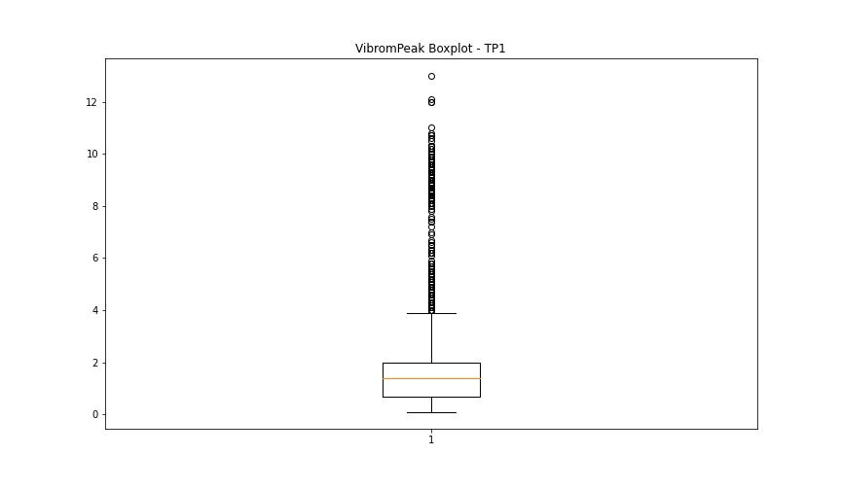
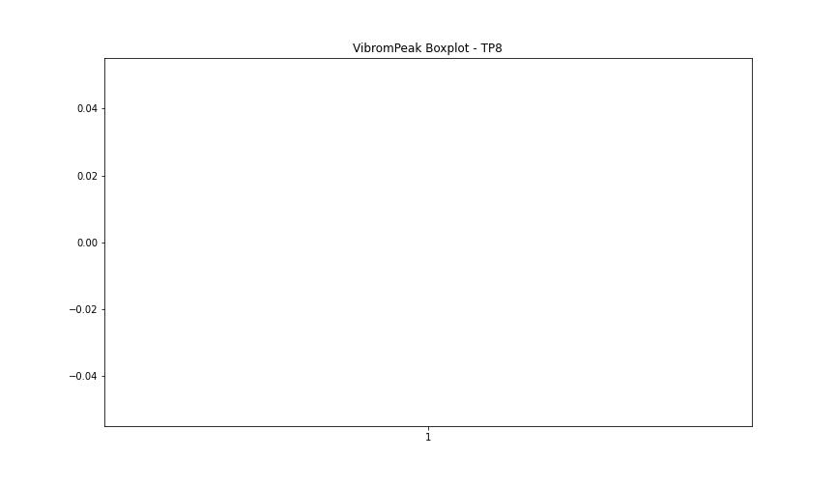
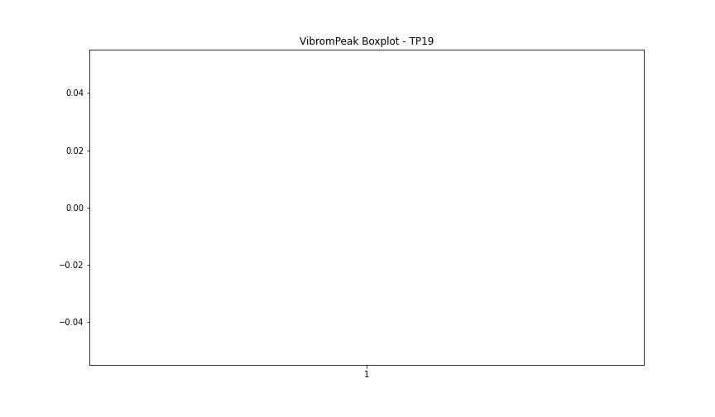

BOXPLOT SENZA OUTLIERS

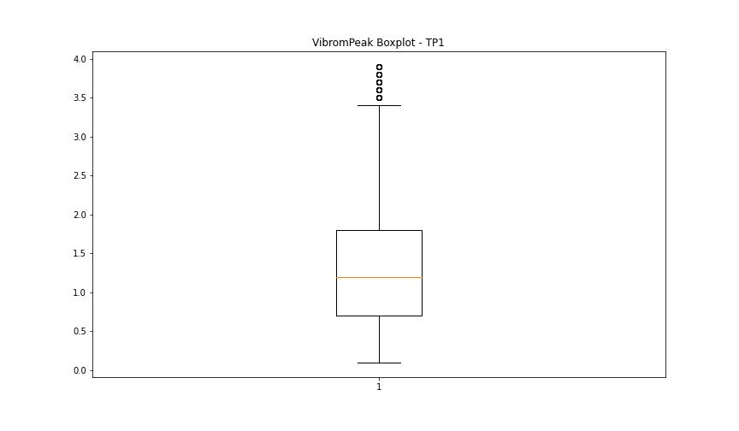

LUNG

numTP |  | 1 | 8 | 19
LUNG outliers |  | [0.01] | [4.] | []
upper_bound |  | 246.574 | 2 | 1
lower_bound |  | 8.774 | 2 | 1

statistiche con outliers: |  |  |  |  | statistiche senza outliers:
numTP |  | 1 | 8 | 19 | numTP |  | 1 | 8 | 19
LUNG | max | 214 | 4 | 1 | LUNG | max | 214 | 2 | 1
 | min | 0.01 | 2 | 1 |  | min | 97.5 | 2 | 1
 | avg | 133.27202828 | 2.3902439024 | 1 |  | avg | 135.82785196 | 2 | 1
 | median | 133 | 2 | 1 |  | median | 133 | 2 | 1

BOXPLOT CON OUTLIERS
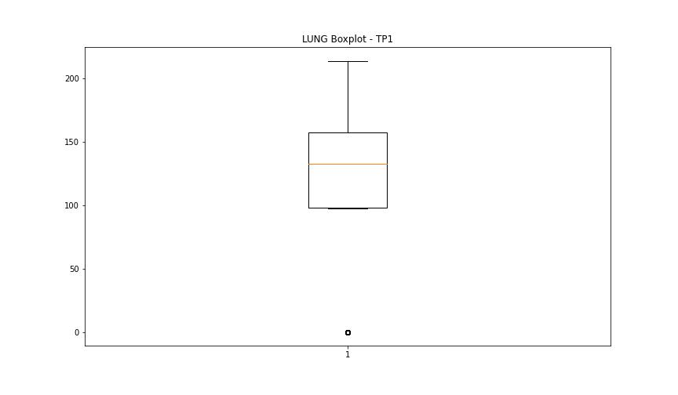
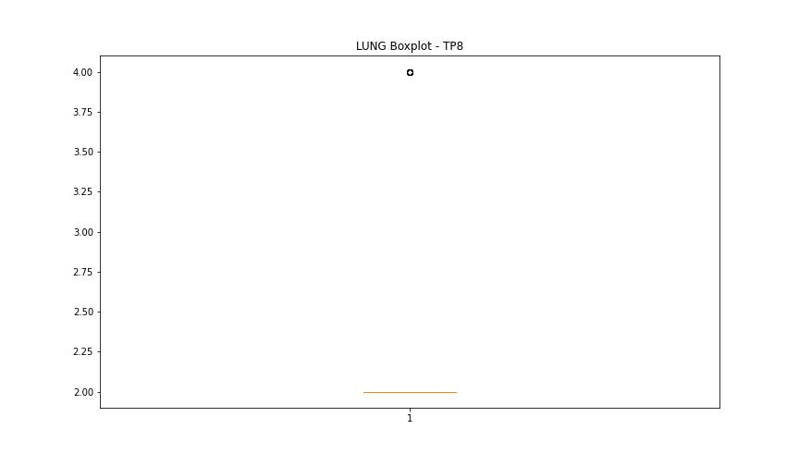
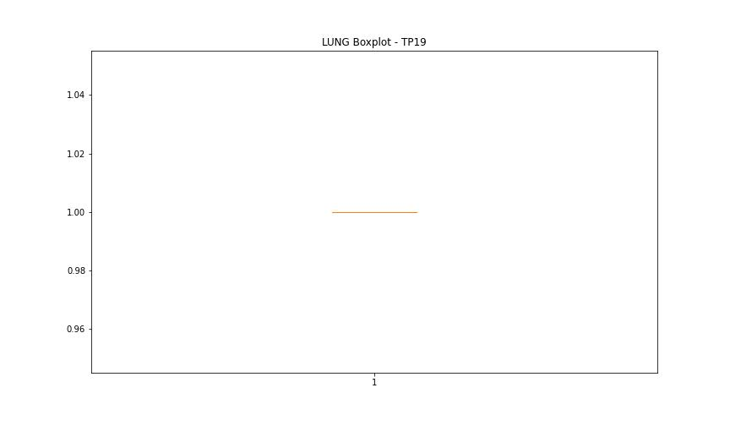

BOXPLOT SENZA OUTLIERS

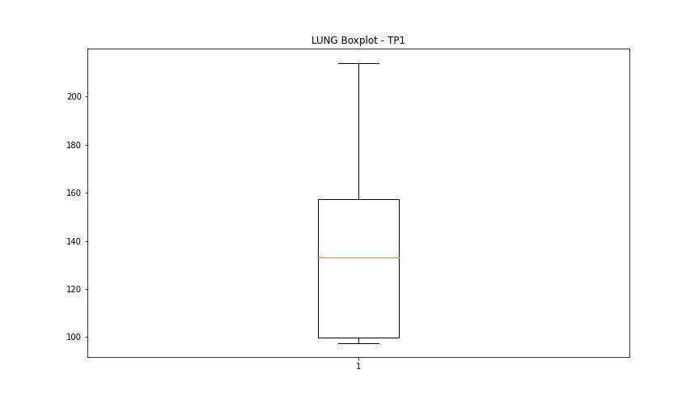
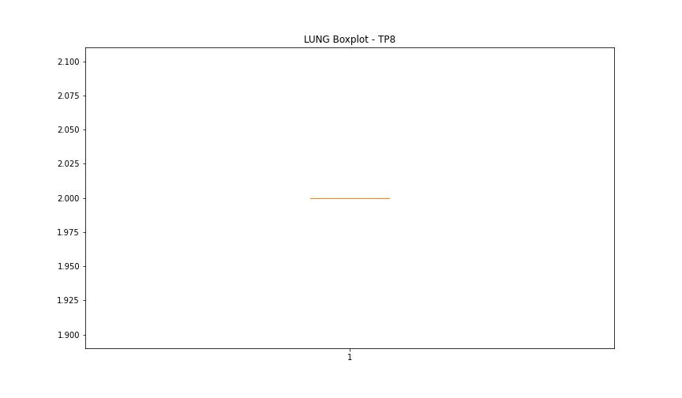

DIAM

numTP |  | 1 | 8 | 19
DIAM outliers |  | [] | [] | []
upper_bound |  | 355.8975 | 120 | 50
lower_bound |  | -191.1385 | 120 | 50

statistiche con outliers: |  |  |  |  | statistiche senza outliers:
numTP |  | 1 | 8 | 19 | numTP |  | 1 | 8 | 19
DIAM | max | 303 | 120 | 50 | DIAM | max | 303 | 120 | 50
 | min | 0.1 | 120 | 50 |  | min | 0.1 | 120 | 50
 | avg | 100.27582097 | 120 | 50 |  | avg | 100.27582097 | 120 | 50
 | median | 19 | 120 | 50 |  | median | 19 | 120 | 50

BOXPLOT CON OUTLIERS
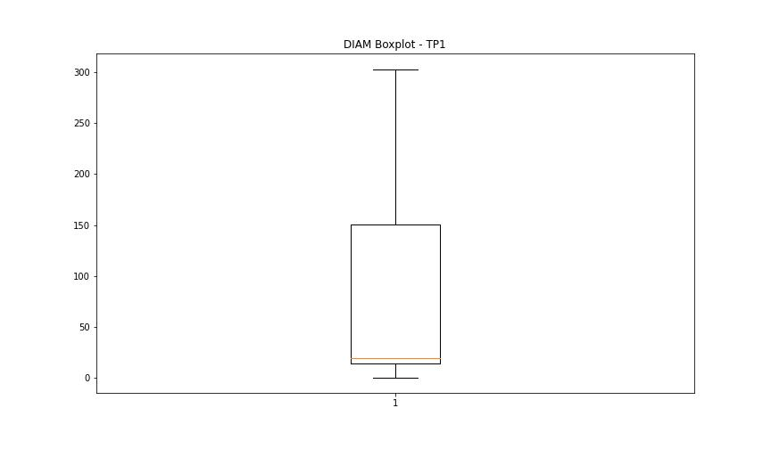
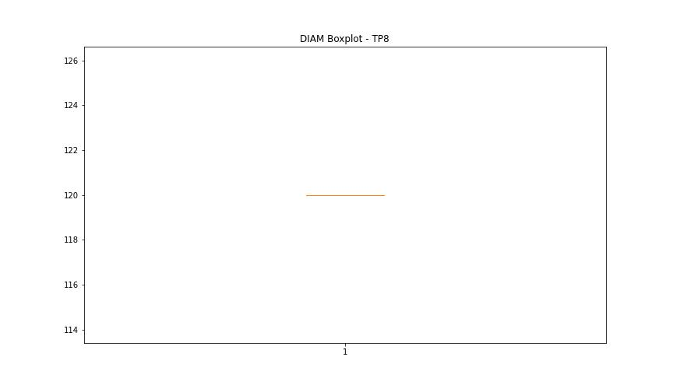
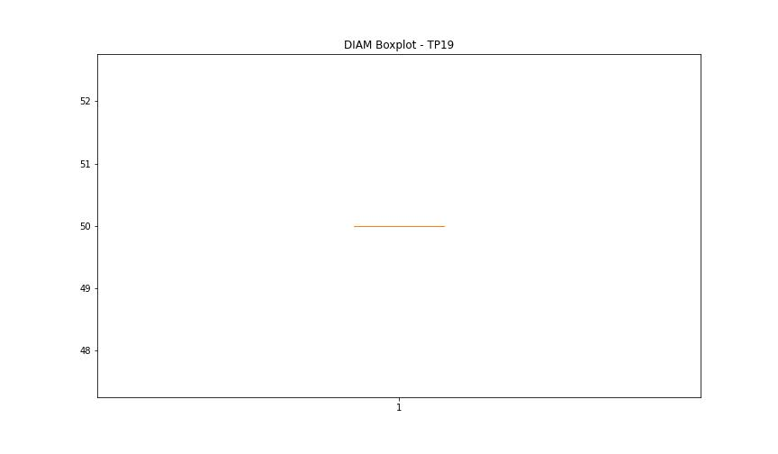

BOXPLOT SENZA OUTLIERS

