Sheet1
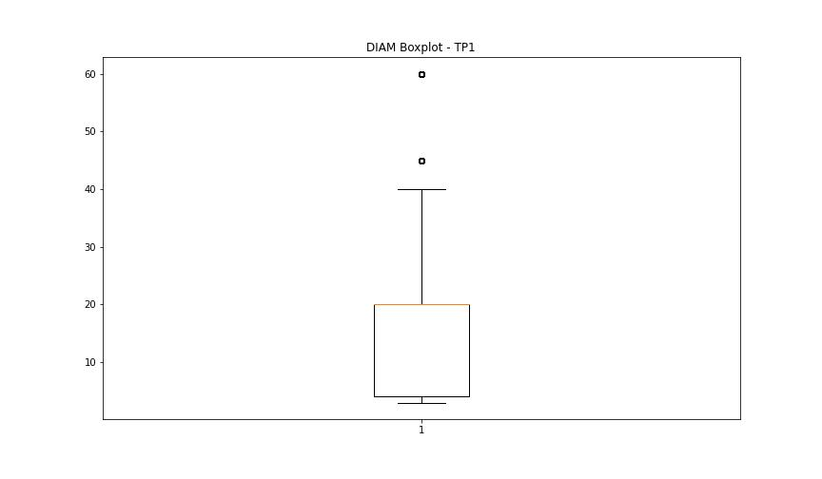
statorCelsius

numTP |  | 1 | 19
statorCelsius outliers |  | [17. 43. 44. 45. 46. 47. 48. 49. 50. 51. 53. 52. 54. 16. 14. 59. 55. 56.] | []
upper_bound |  | 42 | 0
lower_bound |  | 18 | 0

statistiche con outliers: |  |  |  | statistiche senza outliers:
numTP |  | 1 | 19 | numTP |  | 1 | 19
statorCelsius | max | 59 | 0 | statorCelsius | max | 42 | 0
 | min | 14 | 0 |  | min | 18 | 0
 | avg | 30.457967686 | 0 |  | avg | 30.215739871 | 0
 | median | 30 | 0 |  | median | 30 | 0

BOXPLOT CON OUTLIERS
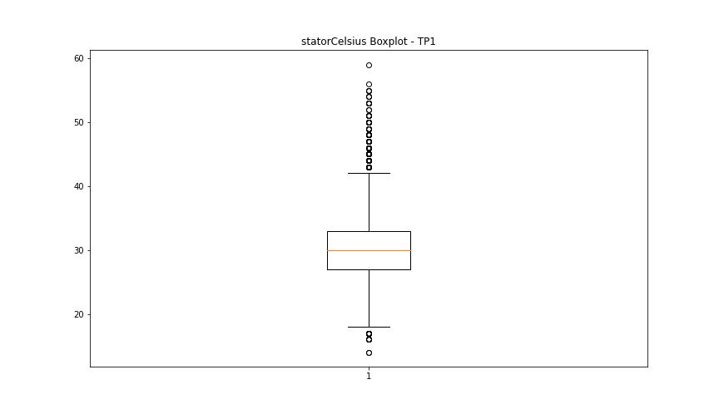
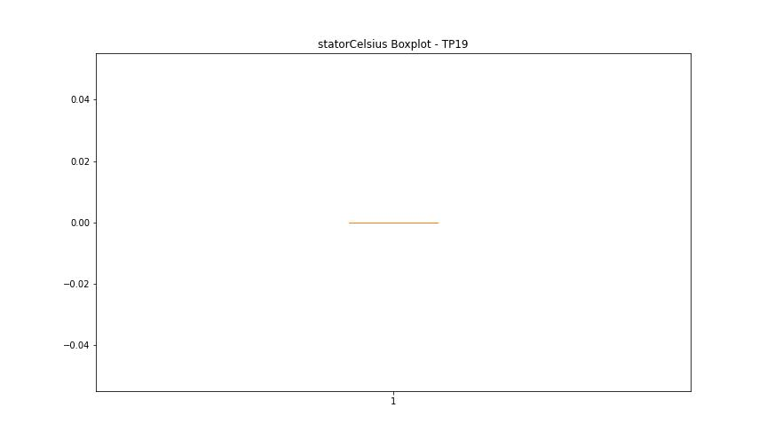

BOXPLOT SENZA OUTLIERS

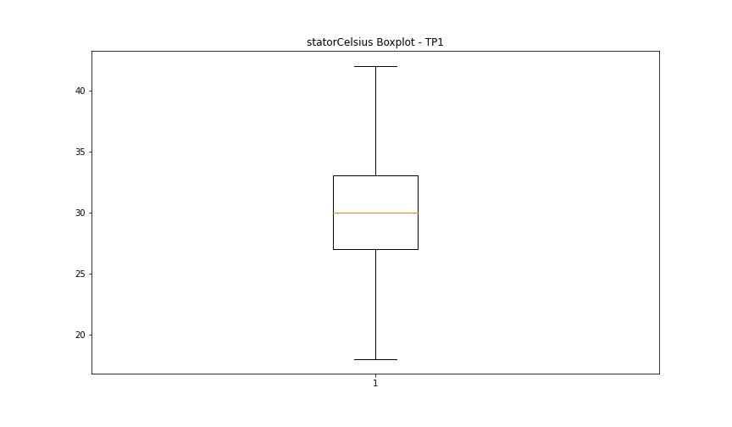

bearingsCelsius

numTP |  | 1 | 19
bearingsCelsius outliers |  | [17. 18. 36. 37. 38. 39. 40. 41. 42. 43. 16. 15. 14. 46. 44.] | []
upper_bound |  | 35 | 0
lower_bound |  | 19 | 0

statistiche con outliers: |  |  |  | statistiche senza outliers:
numTP |  | 1 | 19 | numTP |  | 1 | 19
bearingsCelsius | max | 46 | 0 | bearingsCelsius | max | 35 | 0
 | min | 14 | 0 |  | min | 19 | 0
 | avg | 27.277297083 | 0 |  | avg | 26.765803421 | 0
 | median | 26 | 0 |  | median | 26 | 0

BOXPLOT CON OUTLIERS
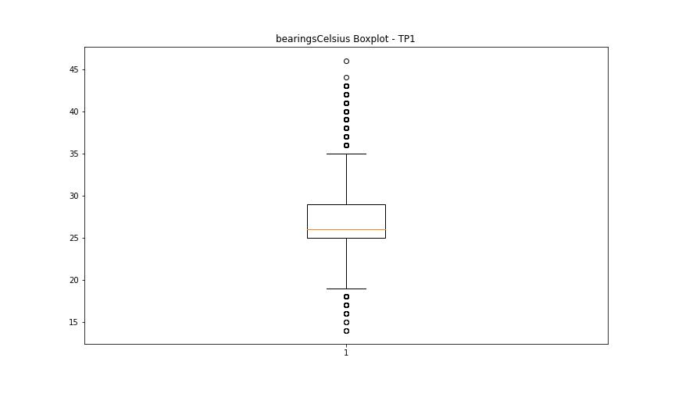


BOXPLOT SENZA OUTLIERS

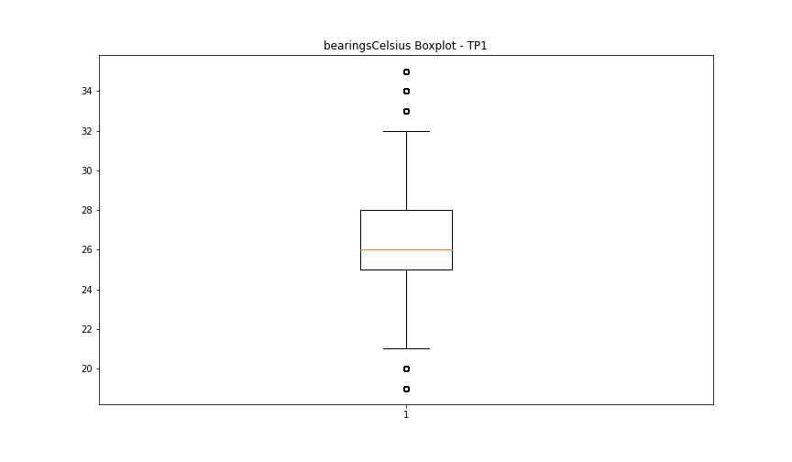

spindleRpm

numTP |  | 1 | 19
spindleRpm outliers |  | [65535.] | []
upper_bound |  | 25707.8015 | 0
lower_bound |  | -2361.0025 | 0

statistiche con outliers: |  |  |  | statistiche senza outliers:
numTP |  | 1 | 19 | numTP |  | 1 | 19
spindleRpm | max | 65535 | 0 | spindleRpm | max | 20327 | 0
 | min | 0 | 0 |  | min | 0 | 0
 | avg | 12443.257247 | 0 |  | avg | 12442.894388 | 0
 | median | 12170 | 0 |  | median | 12170 | 0

BOXPLOT CON OUTLIERS
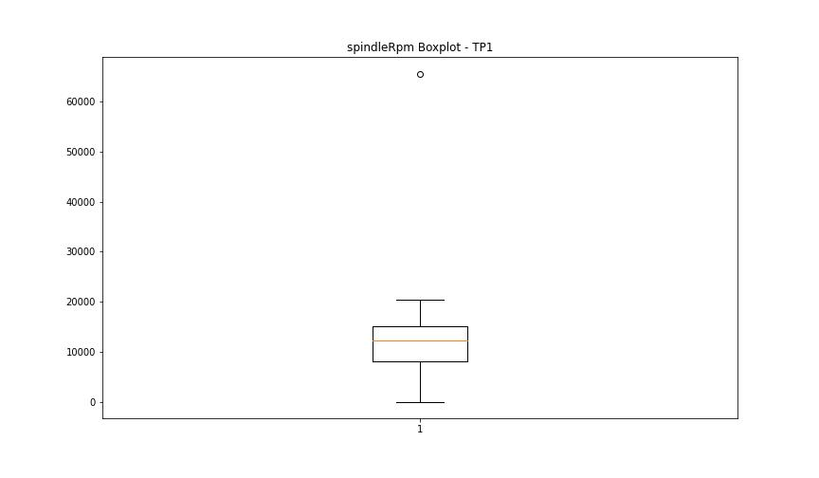


BOXPLOT SENZA OUTLIERS

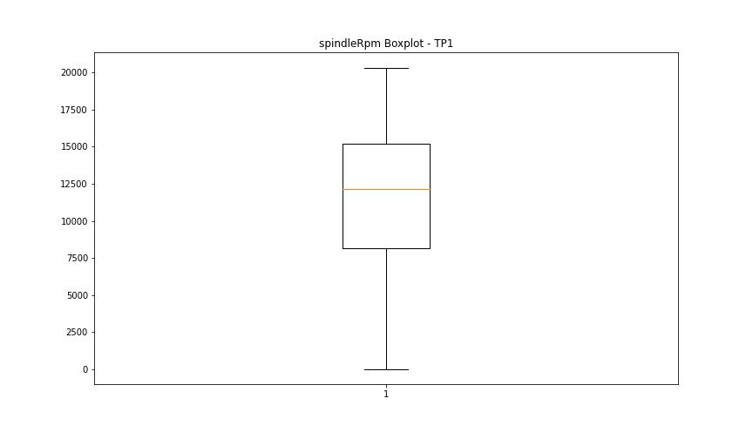

rpmSetPoint

numTP |  | 1 | 19
rpmSetPoint outliers |  | [] | []
upper_bound |  | 25500 | 0
lower_bound |  | -2500 | 0

statistiche con outliers: |  |  |  | statistiche senza outliers:
numTP |  | 1 | 19 | numTP |  | 1 | 19
rpmSetPoint | max | 20000 | 0 | rpmSetPoint | max | 20000 | 0
 | min | 0 | 0 |  | min | 0 | 0
 | avg | 12294.376555 | 0 |  | avg | 12294.376555 | 0
 | median | 12000 | 0 |  | median | 12000 | 0

BOXPLOT CON OUTLIERS
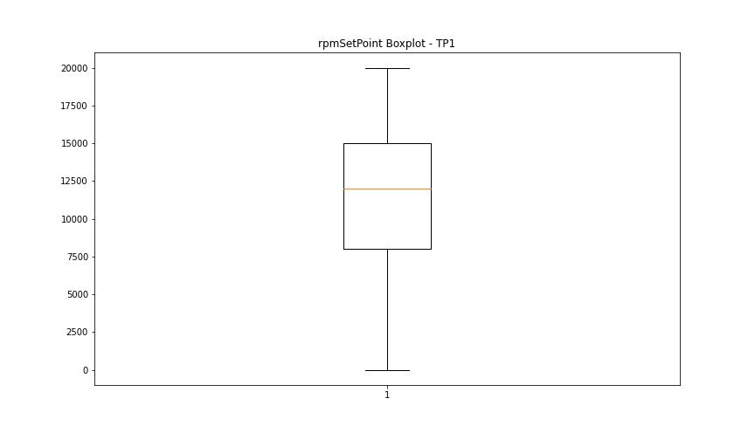


BOXPLOT SENZA OUTLIERS

CurrentPeak

numTP |  | 1 | 19
CurrentPeak outliers |  | [25.2 25.1 25.299 25. 24.9 25.6 4.7 5. 4.9 5.8 24.799 3.7 5.2 4.4 5.1 3.3 25.9 26. 6.8 20.5 20.4 20.299 2.9 4.3 25.4 25.799 20.6 20.1 20.7 20.2 6.3 7.3 20. 20.799 4.6 6.1 2.4 7.5 6.7 0. 6. 5.5 24.6 19.9 5.3 5.6 1.8 3.4 6.4 19.799 3.8 2.2 8.3 7.1 4.2 8.1 5.7 2.8 5.4 19.2 5.9 4.8 1.2 7. 1.3 26.1 7.9 25.5 6.5 6.9 4.5 3. 3.1 25.7 2.6 24.7 6.6 1.7 2.3 7.8 3.2 7.7 20.9 2.5 2.7 23. ] | [1.1 0.9 0.8 0. 1.3]
upper_bound |  | 19.15 | 1
lower_bound |  | 8.35 | 1

statistiche con outliers: |  |  |  | statistiche senza outliers:
numTP |  | 1 | 19 | numTP |  | 1 | 19
CurrentPeak | max | 26.1 | 1.3 | CurrentPeak | max | 19.1 | 1
 | min | 0 | 0 |  | min | 8.4 | 1
 | avg | 14.41352863 | 1.0043539326 |  | avg | 13.357252032 | 1
 | median | 13.5 | 1 |  | median | 13.1 | 1

BOXPLOT CON OUTLIERS
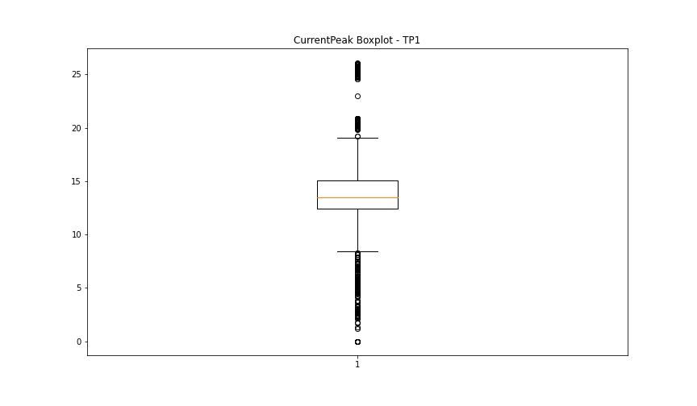
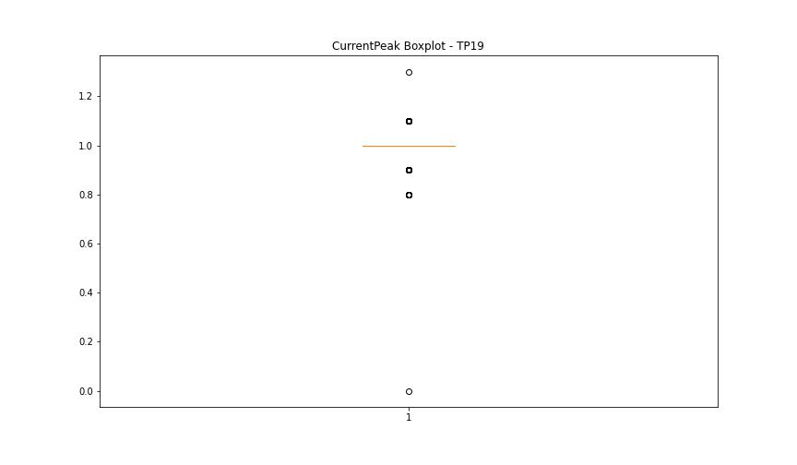

BOXPLOT SENZA OUTLIERS

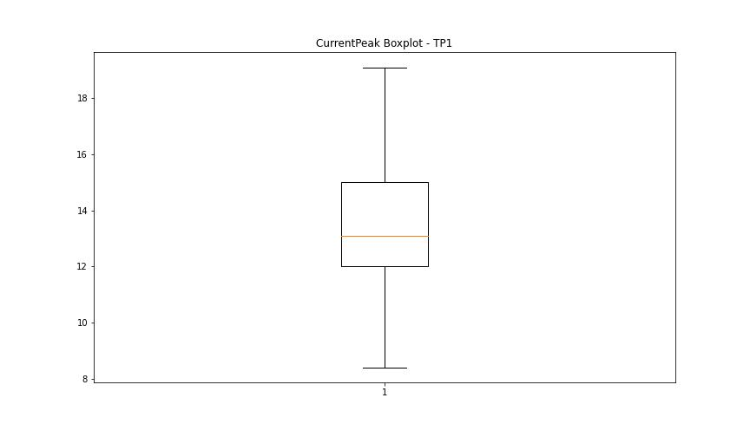
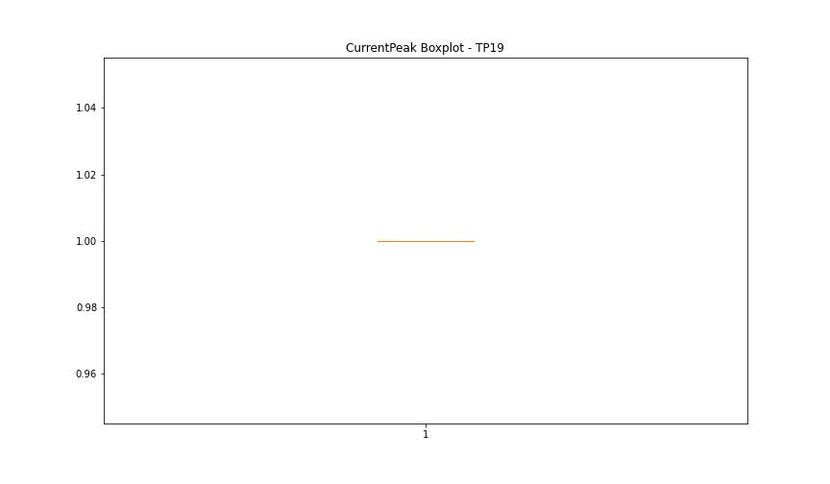

VibromPeak

numTP |  | 1 | 19
VibromPeak outliers |  | [ 2.4 9.4 12.3 2.3 35.5 2.5 11.1 2.8 3.1 19.5 2.7 2.9 2.6 3. 19.6 10.6 10.4 17.1 15.8 11.6 38.5 14. 18.5 13.5 18.2 3.2 3.3 20.799 3.7 3.5 3.4 3.8 4.1 4.4 3.9 4.5 4.3 3.6 4. 4.2 4.8 4.6 6.4 6.1 5.7 5.1 5. 5.2 4.7 5.4 4.9 5.5 5.6 6.2 5.9 5.3 8.4 8. 23.9 27.6 12.5 6.5 12.9 7.2 18.7 6.9 14.3 14.2 14.4 8.5 8.2 16.299 10.2 9.5 9.9 6. 26. 16.5 34.4 18.1 10.8 28.6 33.4 8.1 6.6 7.6 7.8 7.3 7.1 6.8 7.5 9.3 8.3 8.8 8.9 28.9 32.099 10.1 13.2 15.5 7.9 7.7 8.6 6.3 7. 6.7 5.8 7.4 12. 11.7 15.4 17.4 16.6 19.9 9.8 19.299 13.8 20.6 48.5 17.9 25.299 11.4 17. ]
upper_bound |  | 2.2
lower_bound |  | -0.2

statistiche con outliers: |  |  |  | statistiche senza outliers:
numTP |  | 1 | 19 | numTP |  | 1 | 19
VibromPeak | max | 48.5 | nan | VibromPeak | max | 2.2
 | min | 0.1 | nan |  | min | 0.1
 | avg | 1.0494275169 | nan |  | avg | 0.98431927859
 | median | 1 | nan |  | median | 1

BOXPLOT CON OUTLIERS
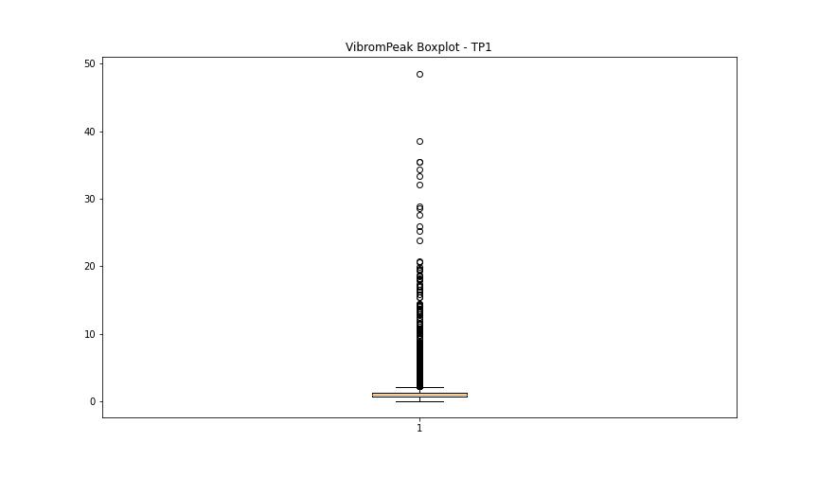
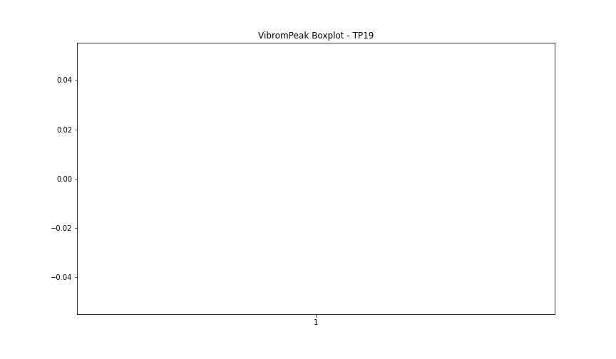

BOXPLOT SENZA OUTLIERS

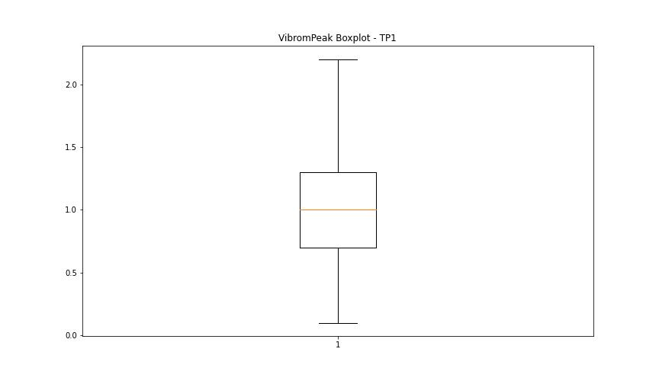

LUNG

numTP |  | 1 | 19
LUNG outliers |  | [] | []
upper_bound |  | 316.35 | 1
lower_bound |  | -186.45 | 1

statistiche con outliers: |  |  |  | statistiche senza outliers:
numTP |  | 1 | 19 | numTP |  | 1 | 19
LUNG | max | 214 | 1 | LUNG | max | 214 | 1
 | min | 0.01 | 1 |  | min | 0.01 | 1
 | avg | 69.807734007 | 1 |  | avg | 69.807734007 | 1
 | median | 109.379 | 1 |  | median | 109.379 | 1

BOXPLOT CON OUTLIERS
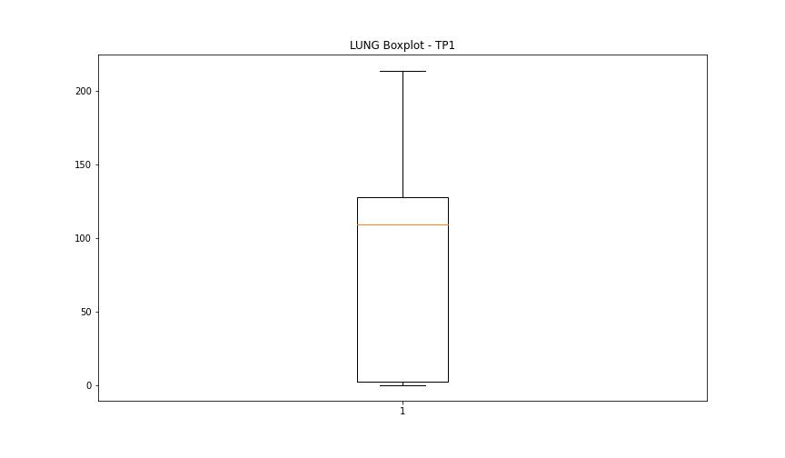
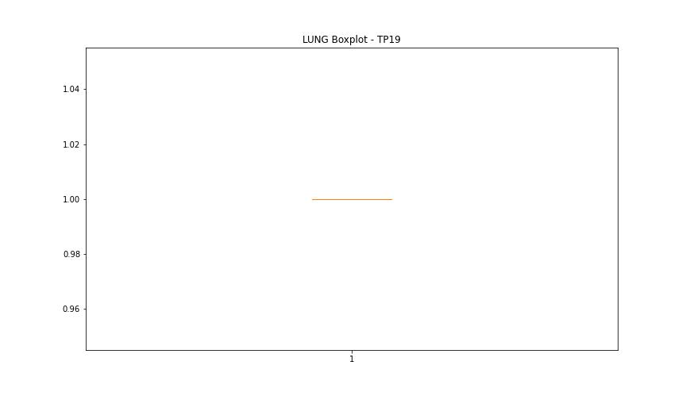

BOXPLOT SENZA OUTLIERS

DIAM

numTP |  | 1 | 19
DIAM outliers |  | [215.] | []
upper_bound |  | 138 | 50
lower_bound |  | -70 | 50

statistiche con outliers: |  |  |  | statistiche senza outliers:
numTP |  | 1 | 19 | numTP |  | 1 | 19
DIAM | max | 215 | 50 | DIAM | max | 60 | 50
 | min | 2.9 | 50 |  | min | 2.9 | 50
 | avg | 64.097711187 | 50 |  | avg | 17.21422617 | 50
 | median | 20 | 50 |  | median | 19.99 | 50

BOXPLOT CON OUTLIERS
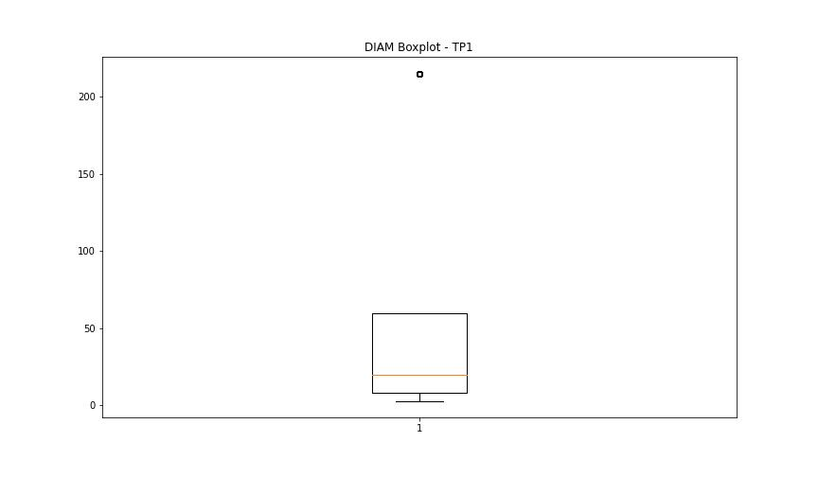
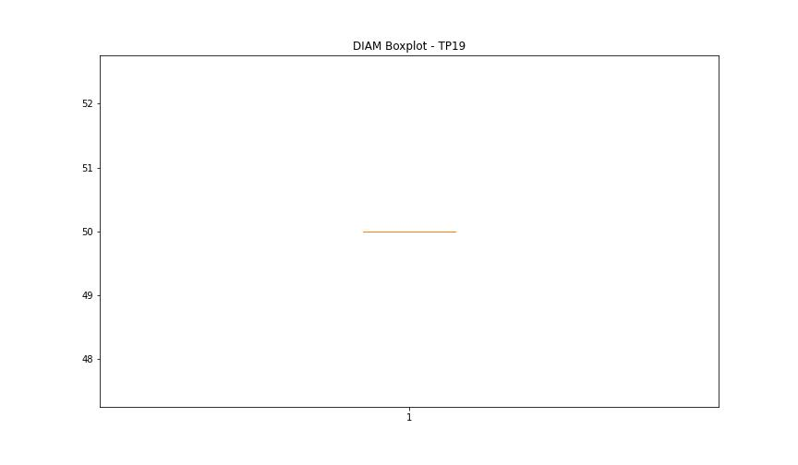

BOXPLOT SENZA OUTLIERS

