Sheet1
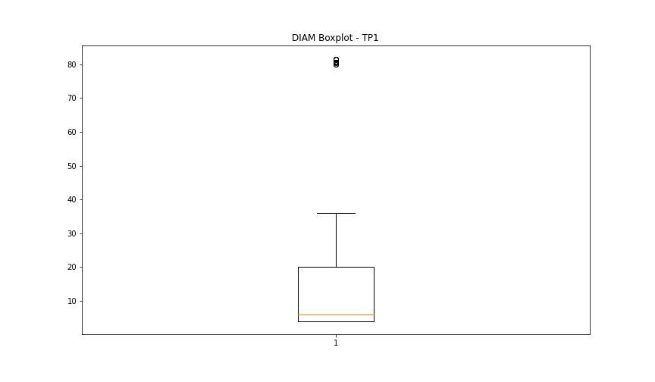
statorCelsius

numTP |  | 1 | 19
statorCelsius outliers |  | [50. 51. 52. 53. 54. 55. 56. 57. 21. 20. 19. 18. 13. 14. 16. 17. 15.] | [31. 26. 29. 28. 30. 23.]
upper_bound |  | 49.5 | 0
lower_bound |  | 21.5 | 0

statistiche con outliers: |  |  |  | statistiche senza outliers:
numTP |  | 1 | 19 | numTP |  | 1 | 19
statorCelsius | max | 57 | 31 | statorCelsius | max | 49 | 0
 | min | 13 | 0 |  | min | 22 | 0
 | avg | 35.310934718 | 0.063188666517 |  | avg | 35.313626328 | 0
 | median | 35 | 0 |  | median | 35 | 0

BOXPLOT CON OUTLIERS
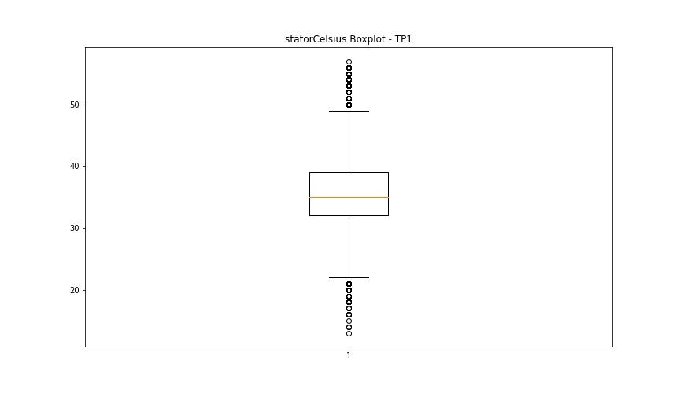
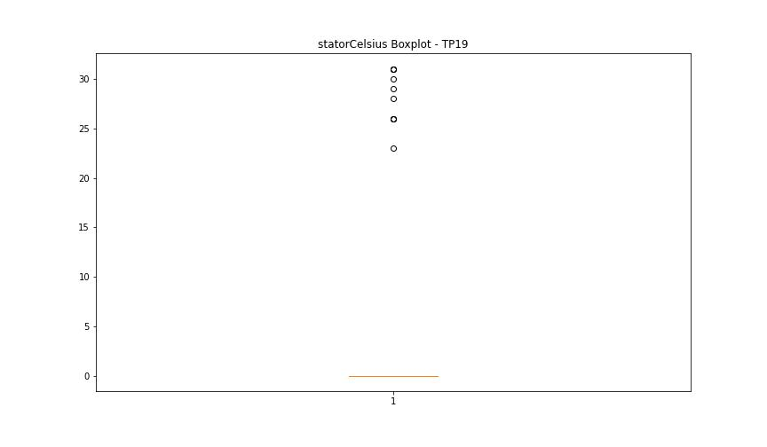

BOXPLOT SENZA OUTLIERS

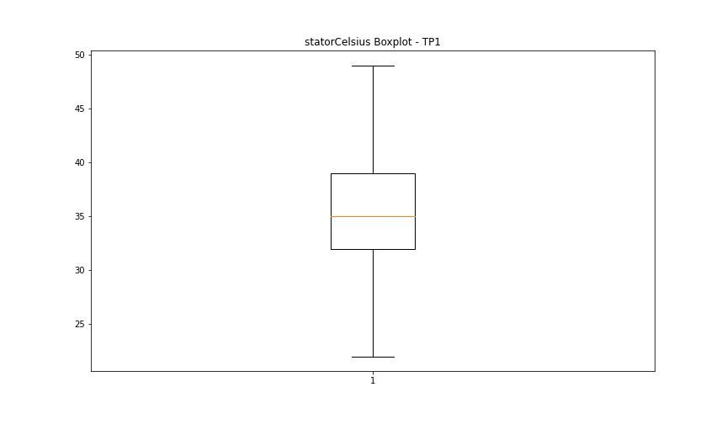
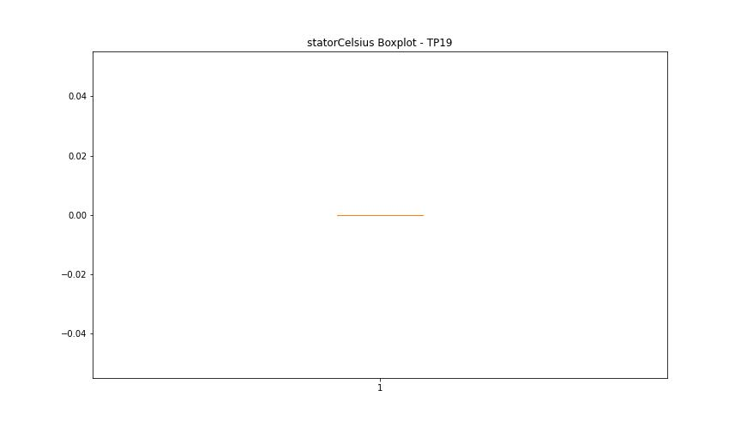

bearingsCelsius

numTP |  | 1 | 19
bearingsCelsius outliers |  | [41. 42. 43. 44. 45. 46. 20. 19. 17. 18. 12. 13. 14. 16. 15.] | [26. 23. 24. 25. 19. 21. 22.]
upper_bound |  | 40.5 | 0
lower_bound |  | 20.5 | 0

statistiche con outliers: |  |  |  | statistiche senza outliers:
numTP |  | 1 | 19 | numTP |  | 1 | 19
bearingsCelsius | max | 46 | 26 | bearingsCelsius | max | 40 | 0
 | min | 12 | 0 |  | min | 21 | 0
 | avg | 30.466661721 | 0.053069485046 |  | avg | 30.463600042 | 0
 | median | 30 | 0 |  | median | 30 | 0

BOXPLOT CON OUTLIERS
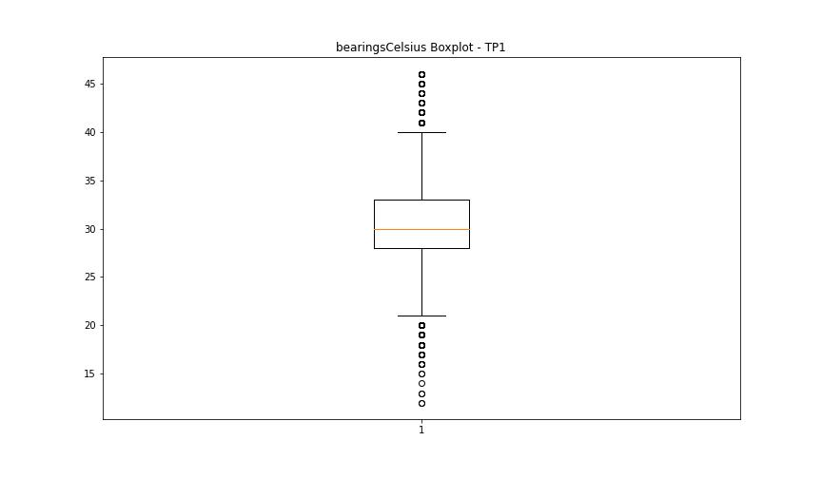
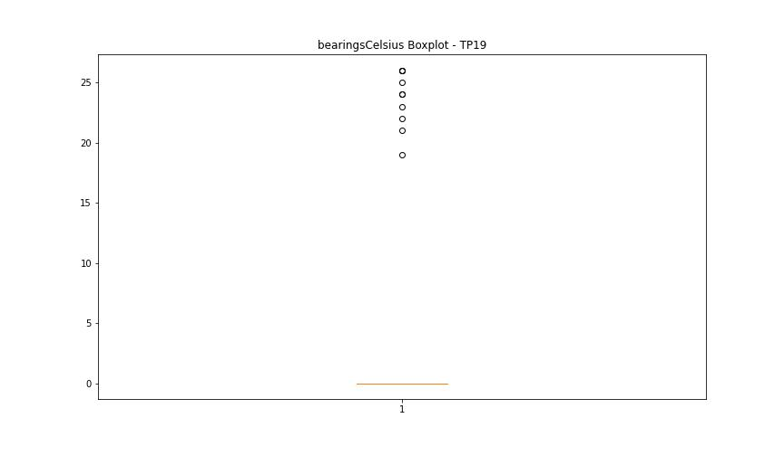

BOXPLOT SENZA OUTLIERS

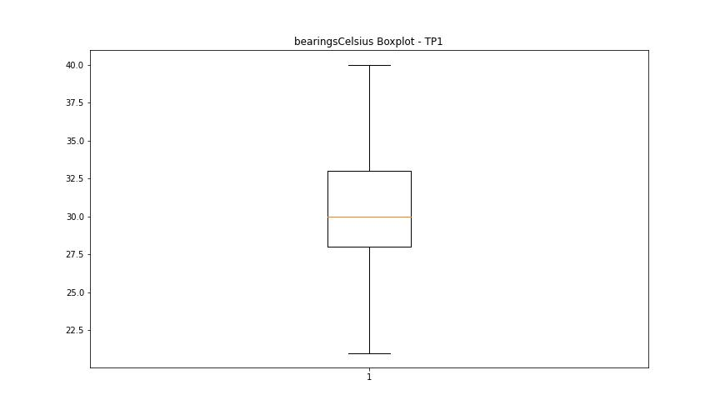


spindleRpm

numTP |  | 1 | 19
spindleRpm outliers |  | [0.0000e+00 9.2000e+01 2.3300e+02 2.2300e+02 2.1000e+01 6.5535e+04 2.0000e+01 9.1000e+01 2.7700e+02 2.9800e+02 1.4600e+02 1.6700e+02 3.9000e+01 4.2000e+01 4.4000e+01 8.6000e+01 3.2000e+01 2.0000e+02 1.5700e+02 3.7500e+02 1.0500e+01 1.7700e+02 1.8100e+02 1.8900e+02 1.9300e+02 2.8600e+02 3.6000e+01 4.3000e+01 3.5000e+01 4.0000e+01 1.6000e+02 1.7300e+02 3.2100e+02 1.2200e+02 1.3300e+02 1.9500e+02 7.2000e+01 2.1800e+02 2.0100e+02 1.1800e+02 5.8000e+01 2.5000e+01 2.9500e+02 2.7600e+02 1.1400e+02 4.8000e+01 3.7000e+01 2.3600e+02 1.2800e+02 2.9600e+02 3.0300e+02 1.6200e+02 2.3200e+02 1.7600e+02 1.2100e+02] | [21411. 12185. 12168. 8010.1 12191. 21418. 8003.799 21413. 8012.899 8007.299]
upper_bound |  | 29404 | 0
lower_bound |  | 1468 | 0

statistiche con outliers: |  |  |  | statistiche senza outliers:
numTP |  | 1 | 19 | numTP |  | 1 | 19
spindleRpm | max | 65535 | 21418 | spindleRpm | max | 22000 | 0
 | min | 0 | 0 |  | min | 1513 | 0
 | avg | 14000.757629 | 29.8673481 |  | avg | 14010.275521 | 0
 | median | 12174 | 0 |  | median | 12174 | 0

BOXPLOT CON OUTLIERS
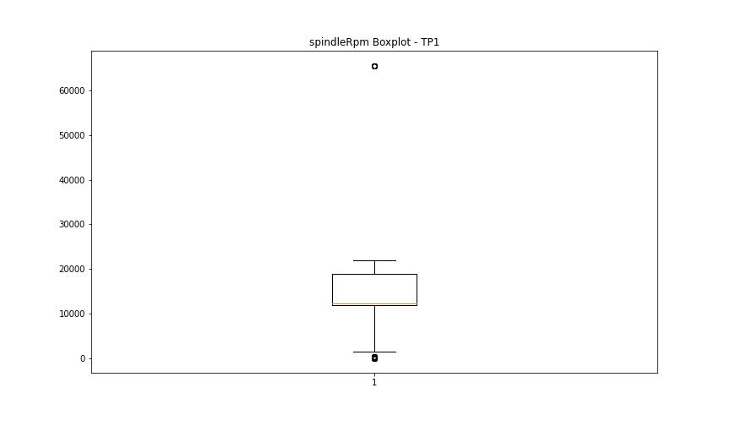
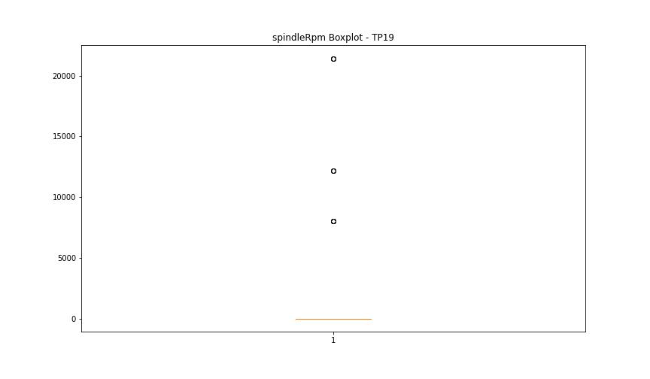

BOXPLOT SENZA OUTLIERS

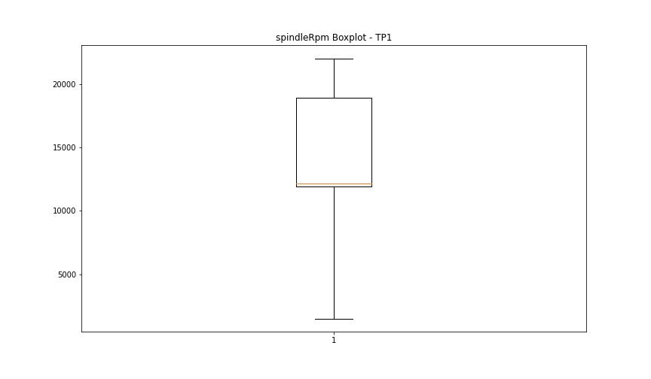


rpmSetPoint

numTP |  | 1 | 19
rpmSetPoint outliers |  | [] | [21500. 12000. 8000.]
upper_bound |  | 29500 | 0
lower_bound |  | 1500 | 0

statistiche con outliers: |  |  |  | statistiche senza outliers:
numTP |  | 1 | 19 | numTP |  | 1 | 19
rpmSetPoint | max | 22000 | 21500 | rpmSetPoint | max | 22000 | 0
 | min | 5000 | 0 |  | min | 5000 | 0
 | avg | 13696.995549 | 32.493816056 |  | avg | 13696.995549 | 0
 | median | 12000 | 0 |  | median | 12000 | 0

BOXPLOT CON OUTLIERS
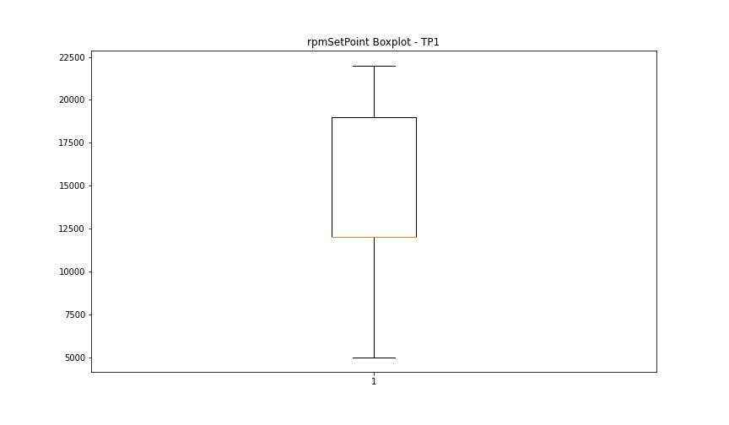


BOXPLOT SENZA OUTLIERS



CurrentPeak

numTP |  | 1 | 19
CurrentPeak outliers |  | [] | [ 1.1 0.9 0.8 0.7 29.7 11.9 32.599 11.8 29.9 32.5 ]
upper_bound |  | 57 | 1
lower_bound |  | -15 | 1

statistiche con outliers: |  |  |  | statistiche senza outliers:
numTP |  | 1 | 19 | numTP |  | 1 | 19
CurrentPeak | max | 33.2 | 32.599 | CurrentPeak | max | 33.2 | 1
 | min | 0 | 0.7 |  | min | 0 | 1
 | avg | 24.563906691 | 1.0350566674 |  | avg | 24.563906691 | 1
 | median | 29.6 | 1 |  | median | 29.6 | 1

BOXPLOT CON OUTLIERS
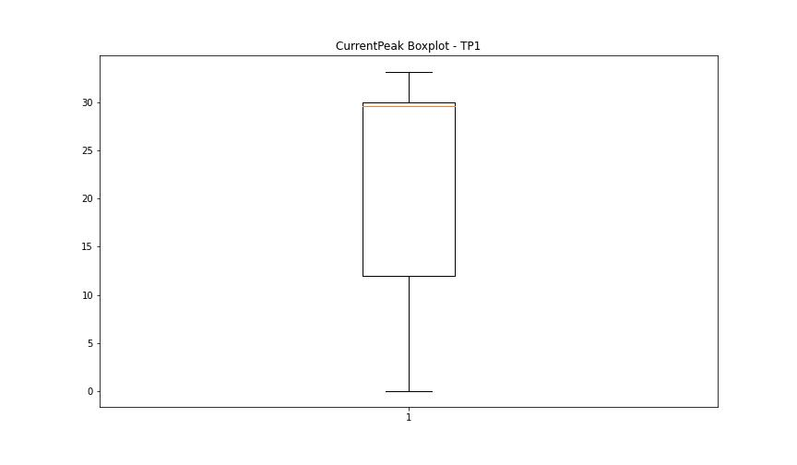
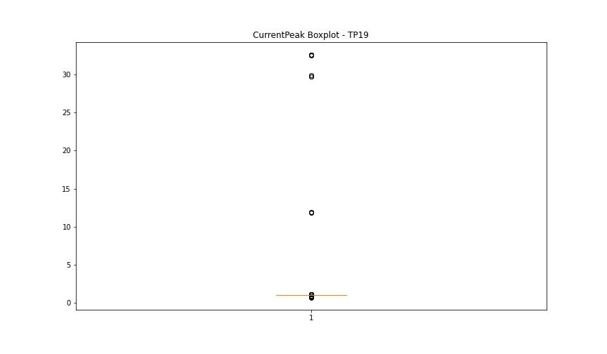

BOXPLOT SENZA OUTLIERS

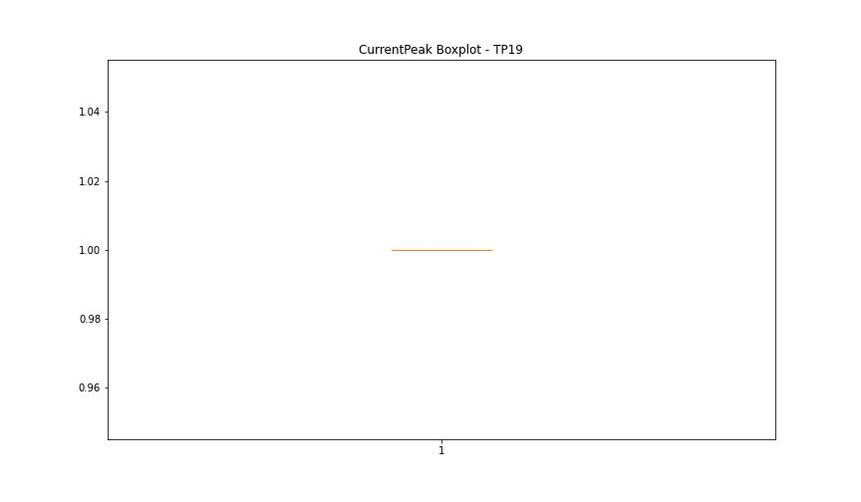

VibromPeak

numTP |  | 1 | 19
VibromPeak outliers |  | [ 7.6 7.1 4.4 8.1 5.3 6.9 6.8 8.4 5. 5.2 6.3 6.5 11.4 5.6 6.1 4.8 4.9 4.5 5.4 6. 5.7 6.2 5.1 6.7 10.3 7.9 9.2 7.7 4.7 5.5 4.6 7.4 5.8 6.6 5.9 6.4 7.2 8.2 8.7 9.1 9.5 8.9 10.4 7.5 7.3 8.5 8. 11.6 9.9 8.6 8.8 9.6 7. 10. 11.1 10.5 11.9 8.3 7.8 9.3 9. 13.5 12. 9.7 9.4 10.1 12.7 10.2 9.8 10.7 11.8 11.5 10.6 11. 11.7 12.2 13.3 10.9 14.5 12.4 14.1 13.2 12.6 11.2 12.1 12.9 11.3 12.5 13.1 10.8 12.3 14.2 15.4 15.1 12.8 16.7 14. 13.7 13.4] | [7.9]
upper_bound |  | 4.4 | 7.8
lower_bound |  | -1.2 | -3.4

statistiche con outliers: |  |  |  | statistiche senza outliers:
numTP |  | 1 | 19 | numTP |  | 1 | 19
VibromPeak | max | 16.7 | 7.9 | VibromPeak | max | 4.3 | 6.5
 | min | 0.1 | 0.2 |  | min | 0.1 | 0.2
 | avg | 1.8534676677 | 2.6076923077 |  | avg | 1.635145746 | 2.1666666667
 | median | 1.5 | 1.6 |  | median | 1.4 | 1.45

BOXPLOT CON OUTLIERS
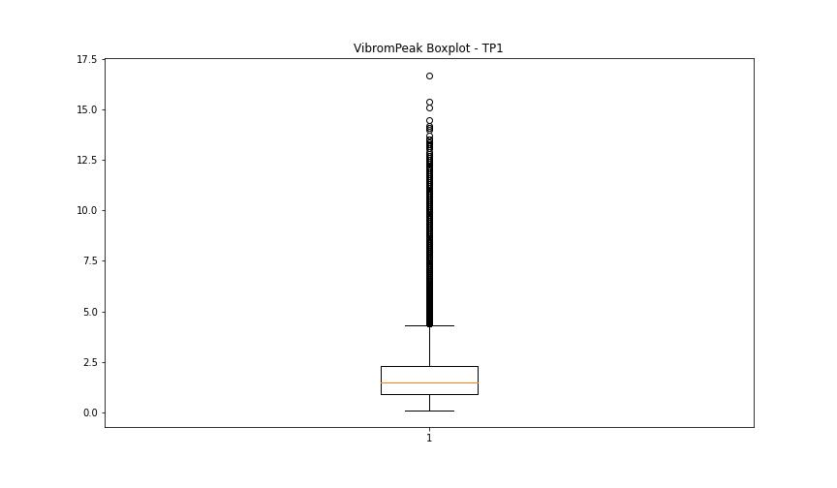
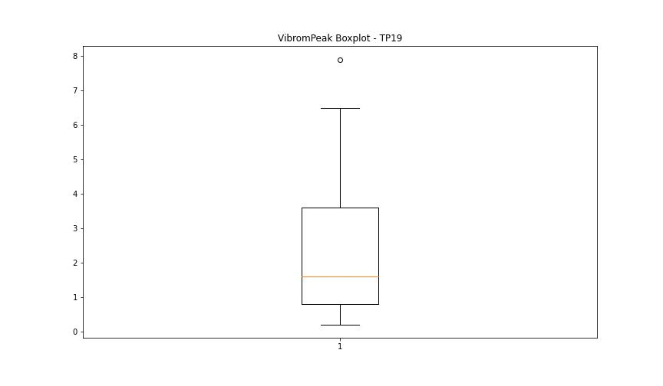

BOXPLOT SENZA OUTLIERS

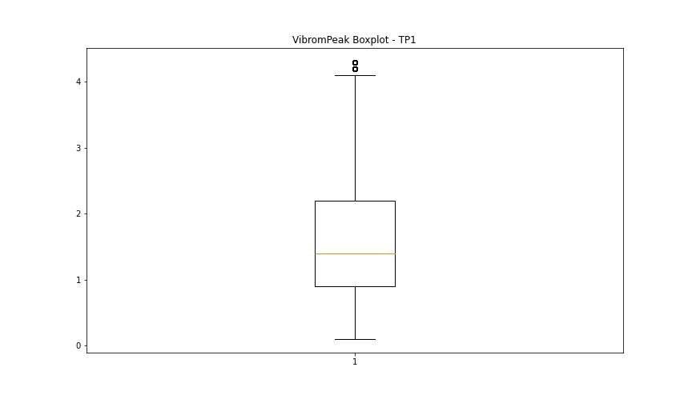
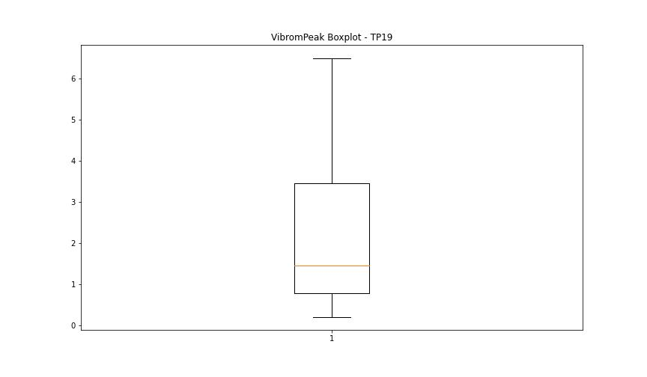

LUNG

numTP |  | 1 | 19
LUNG outliers |  | [] | []
upper_bound |  | 305.2 | 1
lower_bound |  | -183.104 | 1

statistiche con outliers: |  |  |  | statistiche senza outliers:
numTP |  | 1 | 19 | numTP |  | 1 | 19
LUNG | max | 165 | 1 | LUNG | max | 165 | 1
 | min | 0.01 | 1 |  | min | 0.01 | 1
 | avg | 71.511923338 | 1 |  | avg | 71.511923338 | 1
 | median | 108.32 | 1 |  | median | 108.32 | 1

BOXPLOT CON OUTLIERS
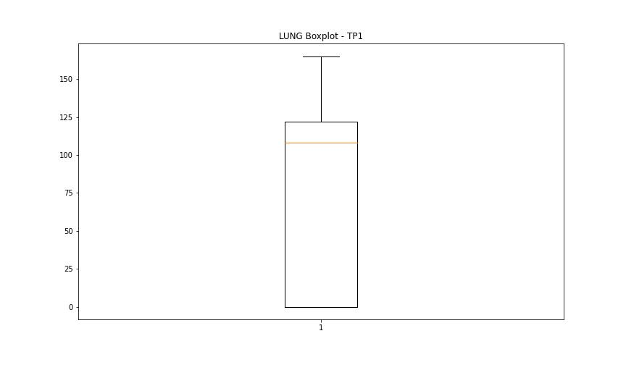
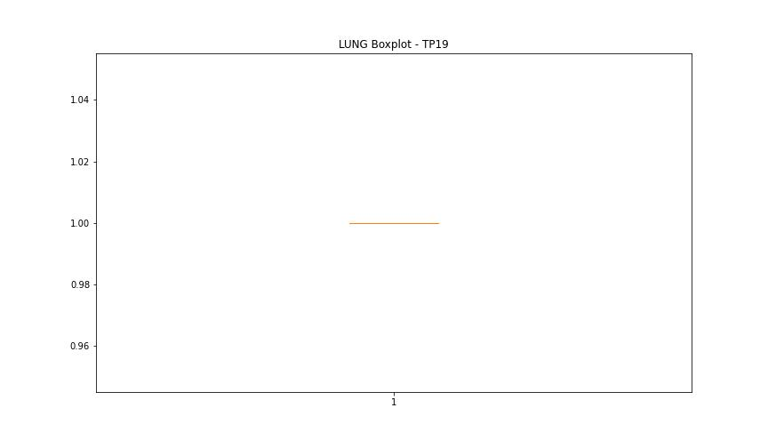

BOXPLOT SENZA OUTLIERS

DIAM

numTP |  | 1 | 19
DIAM outliers |  | [215. 100.] | []
upper_bound |  | 84 | 50
lower_bound |  | -44 | 50

statistiche con outliers: |  |  |  | statistiche senza outliers:
numTP |  | 1 | 19 | numTP |  | 1 | 19
DIAM | max | 215 | 50 | DIAM | max | 81.599 | 50
 | min | 4 | 50 |  | min | 4 | 50
 | avg | 50.404478769 | 50 |  | avg | 12.60352137 | 50
 | median | 14.1 | 50 |  | median | 6 | 50

BOXPLOT CON OUTLIERS
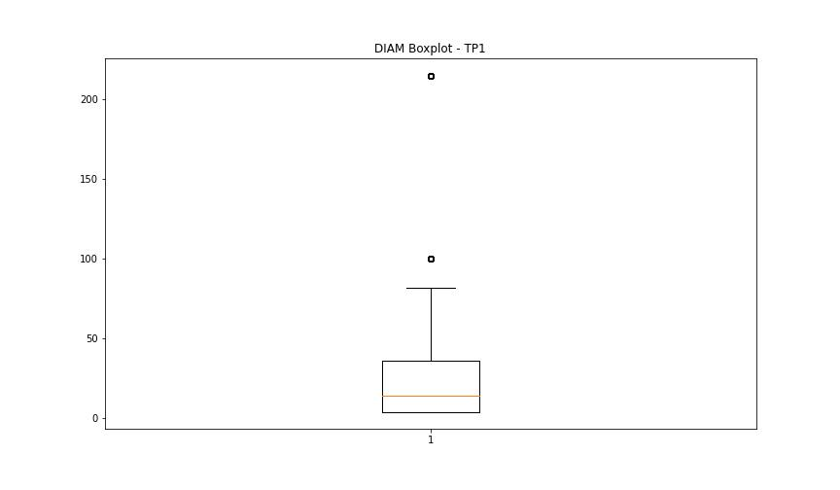
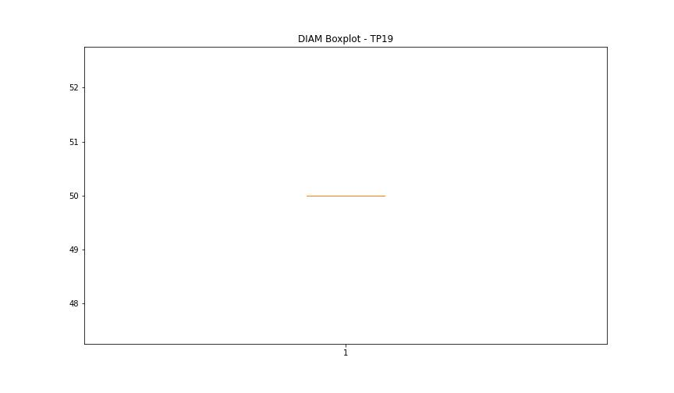

BOXPLOT SENZA OUTLIERS

