Sheet1
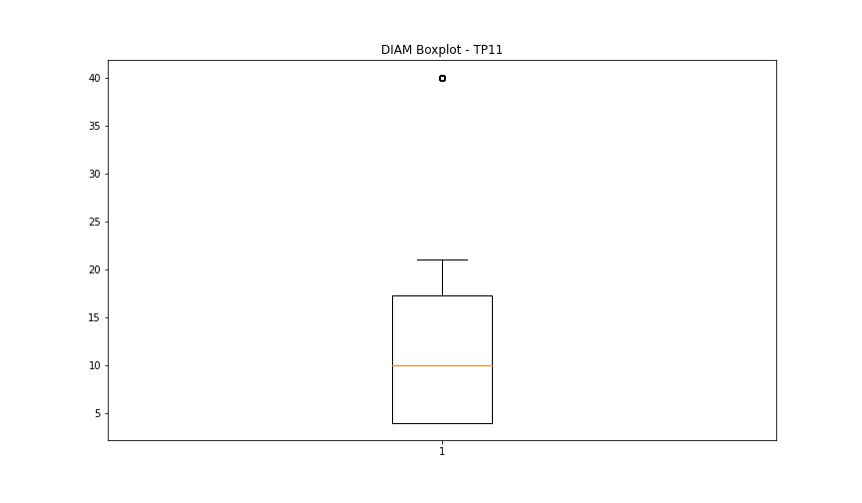
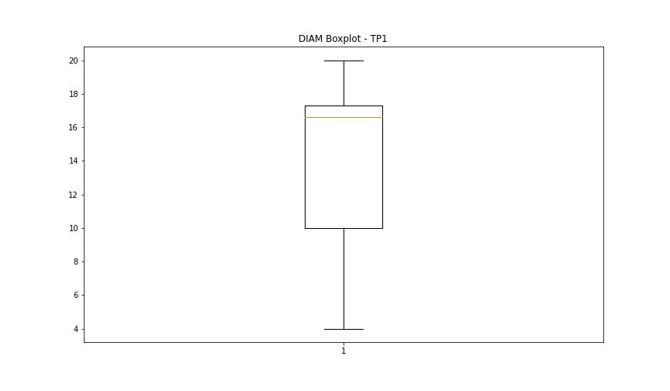
statorCelsius

numTP |  | 11 | 1 | 19
statorCelsius outliers |  | [ 9. 11. 13. 12. 10. 8. 7. 6. 0. 48. 47. 49. 50. 51. 52. 53. 54. 55. 56. 57. 58. 59. 60. 61.] | [0. 5.] | []
upper_bound |  | 46 | 49.5 | 0
lower_bound |  | 14 | 5.5 | 0

statistiche con outliers: |  |  |  |  | statistiche senza outliers:
numTP |  | 11 | 1 | 19 | numTP |  | 11 | 1 | 19
statorCelsius | max | 61 | 48 | 0 | statorCelsius | max | 46 | 48 | 0
 | min | 0 | 0 | 0 |  | min | 14 | 6 | 0
 | avg | 30.066545487 | 27.719514634 | 0 |  | avg | 29.893650866 | 27.746930059 | 0
 | median | 30 | 27 | 0 |  | median | 30 | 27 | 0

BOXPLOT CON OUTLIERS
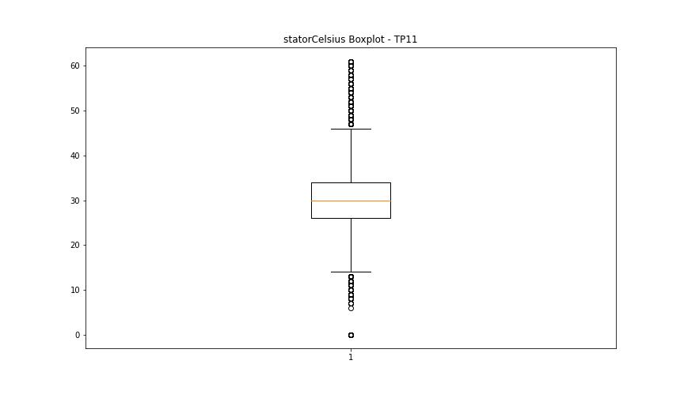
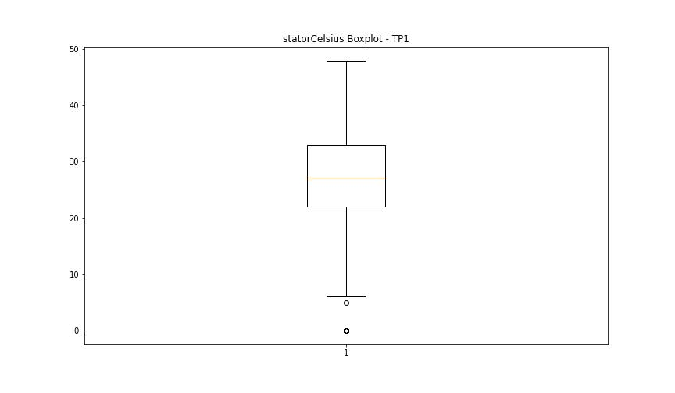
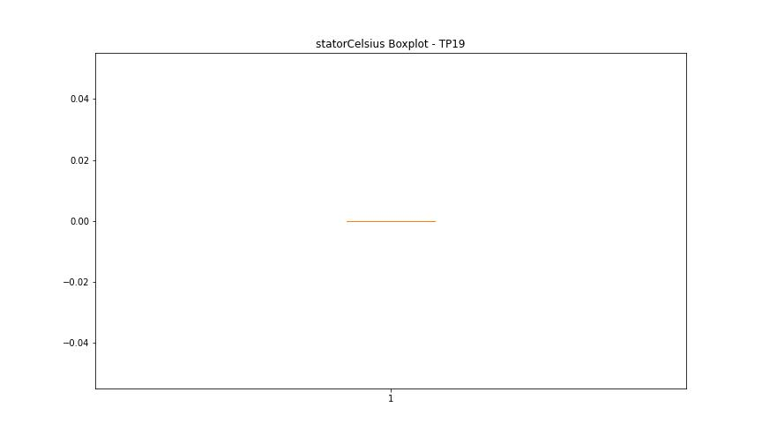

BOXPLOT SENZA OUTLIERS

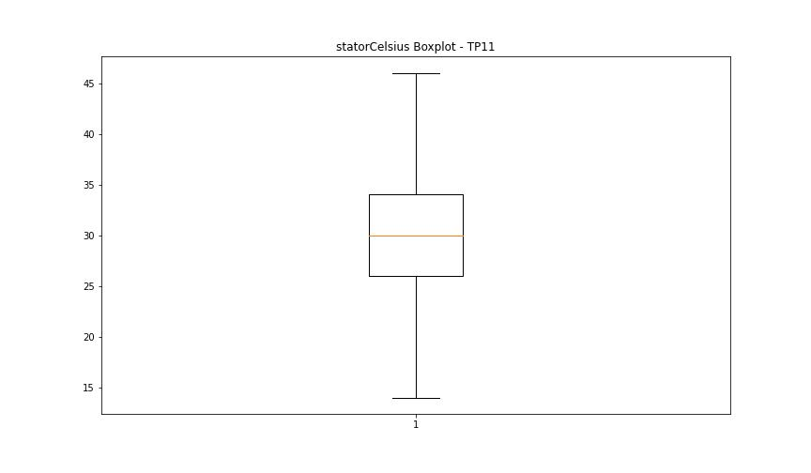
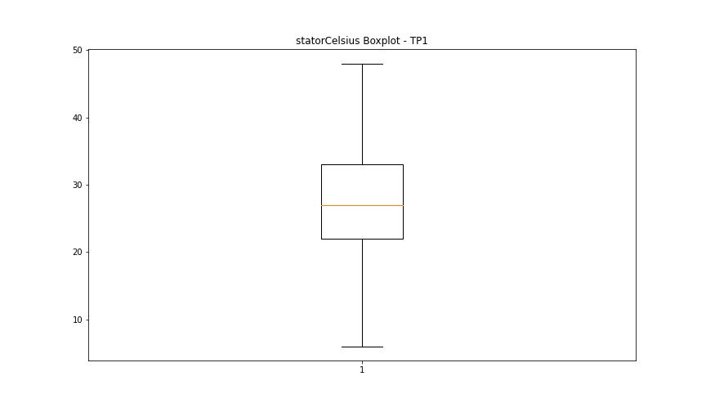

bearingsCelsius

numTP |  | 11 | 1 | 19
bearingsCelsius outliers |  | [ 8. 10. 9. 11. 7. 6. 5. 0. 37. 38. 39. 40. 41. 42. 43. 44. 45.] | [ 8. 6. 7. 0. 5. 42.] | []
upper_bound |  | 36 | 41 | 0
lower_bound |  | 12 | 9 | 0

statistiche con outliers: |  |  |  |  | statistiche senza outliers:
numTP |  | 11 | 1 | 19 | numTP |  | 11 | 1 | 19
bearingsCelsius | max | 45 | 42 | 0 | bearingsCelsius | max | 36 | 41 | 0
 | min | 0 | 0 | 0 |  | min | 12 | 9 | 0
 | avg | 24.226458592 | 24.474764984 | 0 |  | avg | 24.127774969 | 24.562240386 | 0
 | median | 25 | 25 | 0 |  | median | 25 | 25 | 0

BOXPLOT CON OUTLIERS
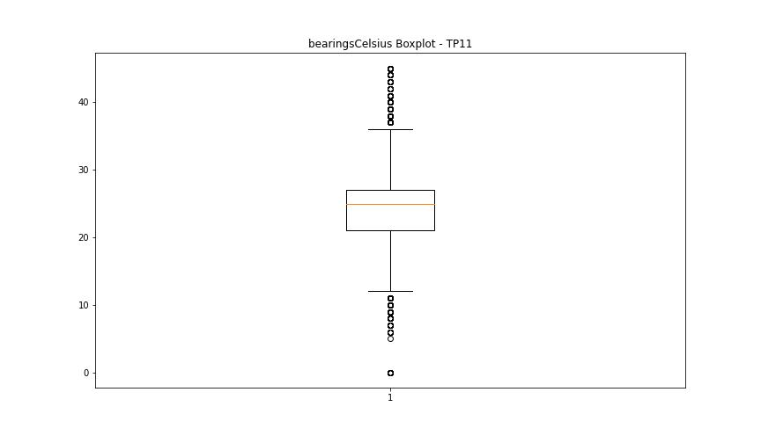
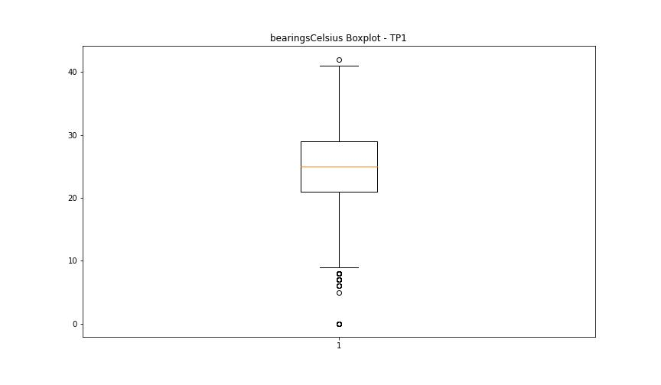


BOXPLOT SENZA OUTLIERS

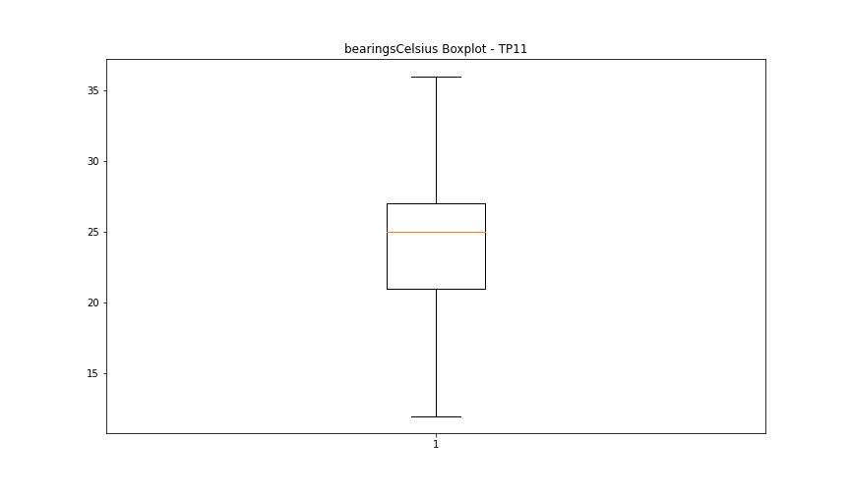


spindleRpm

numTP |  | 11 | 1 | 19
spindleRpm outliers |  | [2406. 0.] | [5001. 5002. 4041. 4999. 5003. 5000. 0. 7000. 6997. 6993. 6996. 6999. 6995. 7001. 7004. 6998. 7006. 7002. 7003. 4997. 5004. 4998. 7005. 4996. 1014.] | []
upper_bound |  | 27043 | 27476.5 | 0
lower_bound |  | 2979 | 7520.5 | 0

statistiche con outliers: |  |  |  |  | statistiche senza outliers:
numTP |  | 11 | 1 | 19 | numTP |  | 11 | 1 | 19
spindleRpm | max | 20056 | 20068 | 0 | spindleRpm | max | 20056 | 20068 | 0
 | min | 0 | 0 | 0 |  | min | 4996 | 7986.299 | 0
 | avg | 15872.518523 | 16908.183639 | 0 |  | avg | 16000.809913 | 17217.552885 | 0
 | median | 17994 | 18004 | 0 |  | median | 17994 | 18004 | 0

BOXPLOT CON OUTLIERS
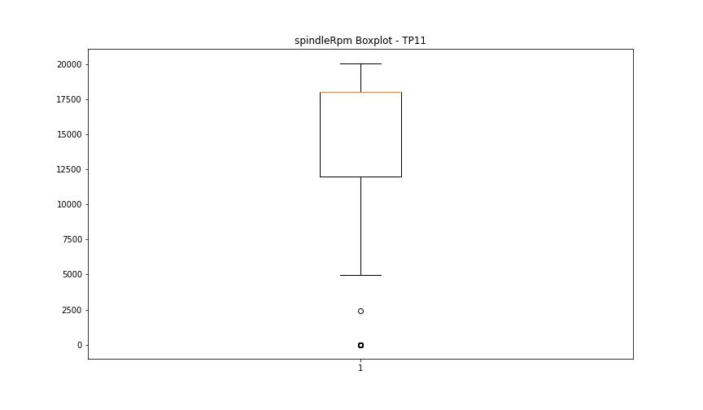
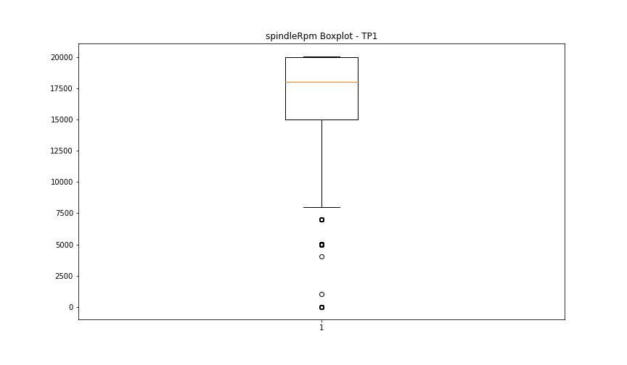


BOXPLOT SENZA OUTLIERS

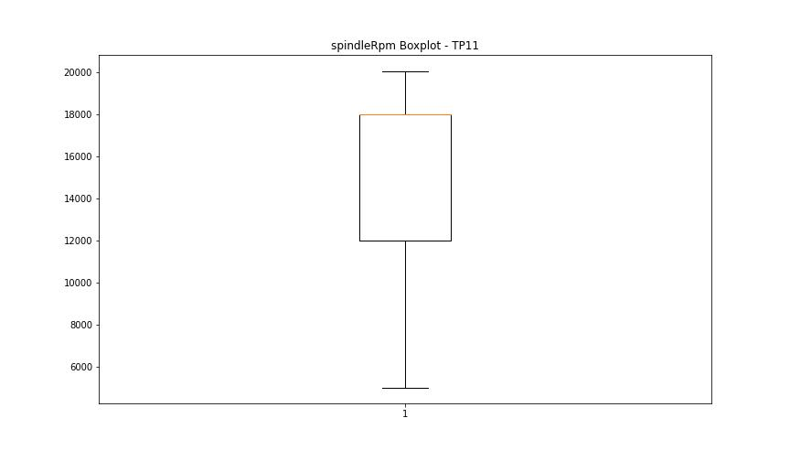
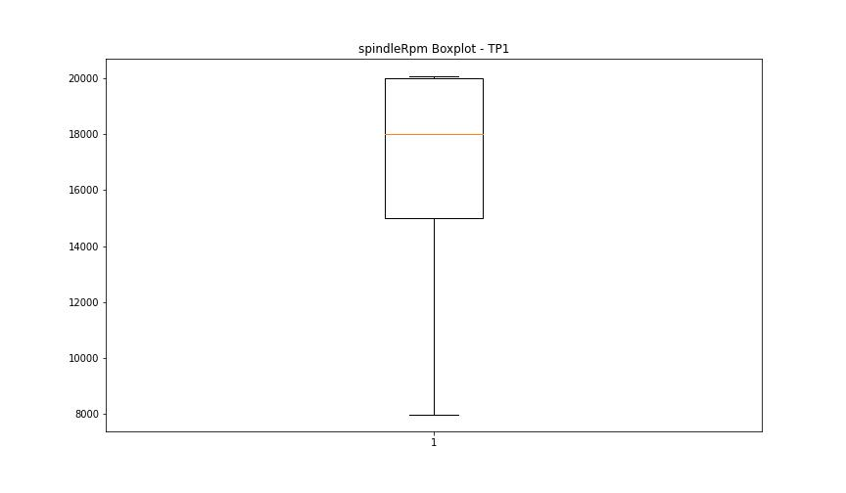

rpmSetPoint

numTP |  | 11 | 1 | 19
rpmSetPoint outliers |  | [0.] | [5000. 0. 7000.] | []
upper_bound |  | 27000 | 27500 | 0
lower_bound |  | 3000 | 7500 | 0

statistiche con outliers: |  |  |  |  | statistiche senza outliers:
numTP |  | 11 | 1 | 19 | numTP |  | 11 | 1 | 19
rpmSetPoint | max | 20000 | 20000 | 0 | rpmSetPoint | max | 20000 | 20000 | 0
 | min | 0 | 0 | 0 |  | min | 5000 | 8000 | 0
 | avg | 15876.751197 | 16910.927395 | 0 |  | avg | 16000.178715 | 17216.009819 | 0
 | median | 18000 | 18000 | 0 |  | median | 18000 | 18000 | 0

BOXPLOT CON OUTLIERS
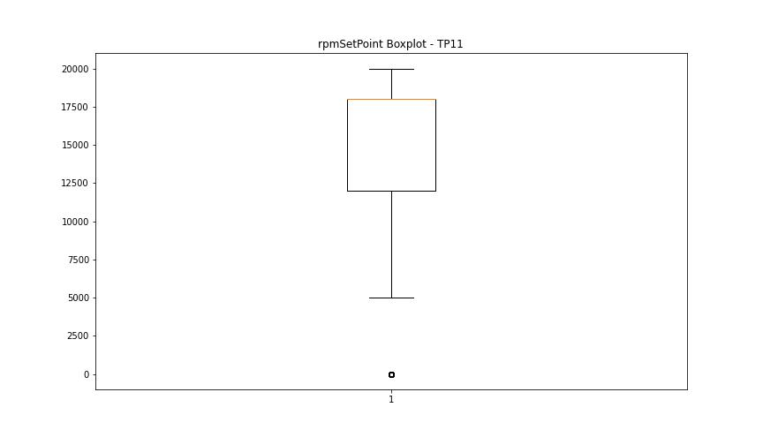
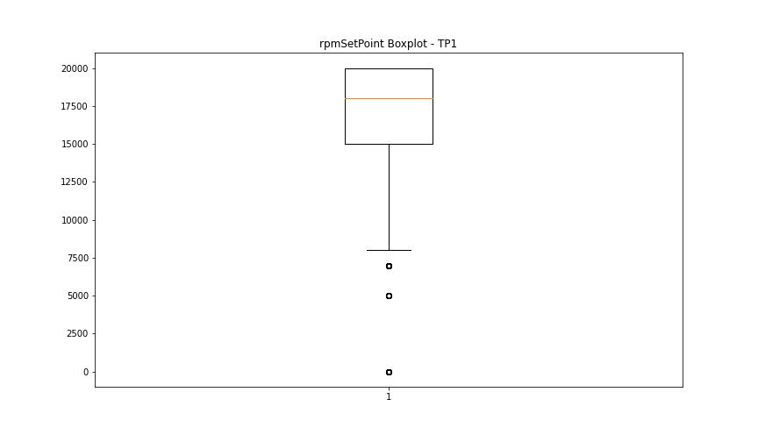


BOXPLOT SENZA OUTLIERS

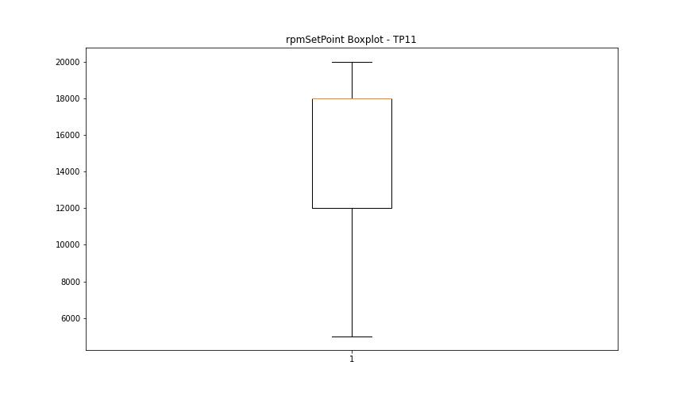
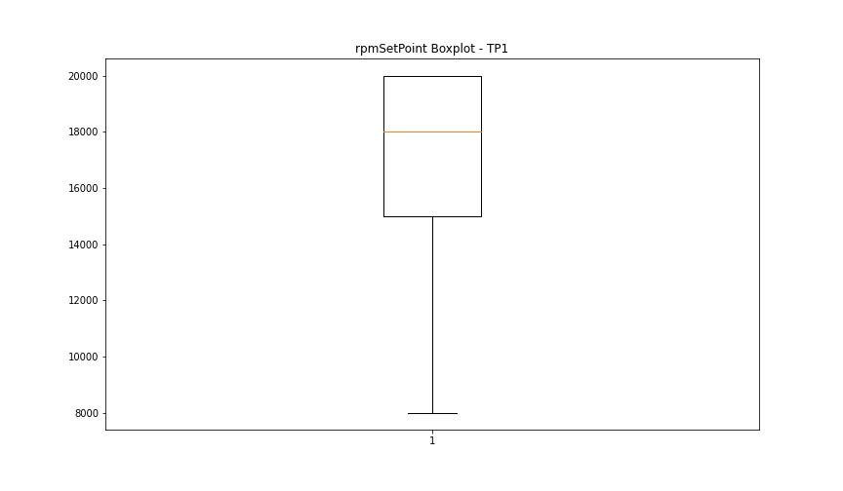

CurrentPeak

numTP |  | 11 | 1 | 19
CurrentPeak outliers |  | [ 9.855 10.5 0.931 1.523 0.884 1.435 1.324 1.019 0.972 1.494 1.248 1.388 0.943 0.867 1.113 1.482 1.341 1.417 1.083 0.896 0.855 0.744 1.218 1.359 0.914 0.82 0.779 1.464 0.808 1.189 1.265 1.095 1.283 0.837 0.714 0.96 0.761 1.054 1.406 1.294 1.312 1.16 0.791 1.447 1.617 1.066 1.511 1.599 2.812 1.007 1.037 1.236 1.646 1.207 1.558 0.99 1.587 1.664 1.171 1.541 1.371 12.269 1.13 1.57 1.951 0.656 0.685 2.777 1.142 0.732 9.474 2.302 0.638 0.667 9.492 10.605 0.703 7.013 7.611 9.75 9.978 11.964 14.367 11.8 14.261 11.906 14.167 11.859 14.197 11.888 12.058 14.519 11.83 14.291 11.876 14.185 11.841 11.982 11.765 14.214 11.736 11.935 11.812 14.15 14.273 11.783 12.24 2.947 14.244 11.707 14.32 14.302 11.724 14.226 9.72 2.964 2.349 2.49 2.871 0.621 2.613 0.609 1.863 1.816 14.537 2.578 1.722 2.32 7.974 8.478 8.513 8.296 8.619 7.851 8.126 8.097 7.945 7.992 8.009 7.962 7.64 8.267 8.115 7.593 8.343 8.25 7.933 7.564 7.775 7.658 8.677 7.869 8.22 8.203 15.984 9.826 10.587 7.394 7.669 1.634 9.339 10.13 14.964 15.24 2.689 0.58 1.71 1.675 9.808 10.757 15.82 10.359 9.615 10.699 1.986 14.472 10.119 14.425 14.349 11.953 14.443 11.917 14.378 12.041 11.753 14.337 12.105 0.591 12.134 9.568 10.054 12.076 12.087 14.414 9.58 9.703 10.101 9.644 10.195 12.257 2.044 1.74 1.769 9.228 2.197 10.3 14.777 9.779 10.681 9.796 10.236 14.718 14.46 14.566 14.595 14.917 14.654 14.625 14.613 14.49 14.748 14.9 14.765 14.396 14.689 14.794 14.701 15.005 14.642 15.023 14.824 14.853 14.812 14.871 14.671 14.841 14.888 12. 12.029 11.677 11.63 12.011 12.152 7.979 3.015 2.89 2.874 2.858 2.827 2.78 2.794 2.654 14.578 2.121 6.865 2.325 2.292 2.276 2.339 2.261 2.229 2.167 2.245 2.182 16.611 12.181 14.548 14.501 12.287 12.304 21.503 15.468 14.929 15.117 14.947 14.73 15.222 0. 12 | [ 9.457 10.558 1.324 1.312 1.371 1.464 1.558 11.337 11.279 11.25 11.033 11.097 9.533 9.626 10.699 10.072 9.521 9.843 9.427 9.884 10.728 14.46 9.275 10.253 10.851 9.369 10.177 9.568 9.796 9.902 9.615 9.767 9.292 10.435 11.449 9.017 10.33 10.927 10.394 10.652 10.863 8.953 9.779 10.634 10.833 10.804 7.242 9.503 10.376 9.445 10.623 10.605 10.71 10.957 10.775 14.537 9.656 10.083 14.519 9.38 9.966 9.169 10.025 10.746 9.644 6.919 7.687 9.55 10.054 10.042 6.755 7.734 7.107 7.623 0.685 14.765 14.794 0.656 14.841 14.443 14.671 14.578 14.689 11.173 11.46 10.757 7.4 2.811 2.764 2.637 2.623 2.67 2.653 2.576 16.628 10.974 11.261 10.529 11.402 10.787 14.49 14.613 14.595 14.501 14.748 14.777 14.566 14.73 0. 10.511 10.91 14.9 14.853 11.062 14.654 14.472 11.109 10.822 14.548 11.326 10.669 14.701 11.384 14.625 0.439] | [20.58 20.565 20.625 20.594 20.639 20.655]
upper_bound |  | 14.1495 | 14.44 | 20.559
lower_bound |  | 12.3215 | 11.464 | 20.015

statistiche con outliers: |  |  |  |  | statistiche senza outliers:
numTP |  | 11 | 1 | 19 | numTP |  | 11 | 1 | 19
CurrentPeak | max | 21.503 | 16.628 | 20.655 | CurrentPeak | max | 14.138 | 14.425 | 20.549
 | min | 0 | 0 | 20.07 |  | min | 12.333 | 11.478 | 20.07
 | avg | 12.051266625 | 12.986741583 | 20.285922631 |  | avg | 13.299754438 | 13.024906918 | 20.284721607
 | median | 13.265 | 13.16 | 20.28 |  | median | 13.294 | 13.16 | 20.28

BOXPLOT CON OUTLIERS
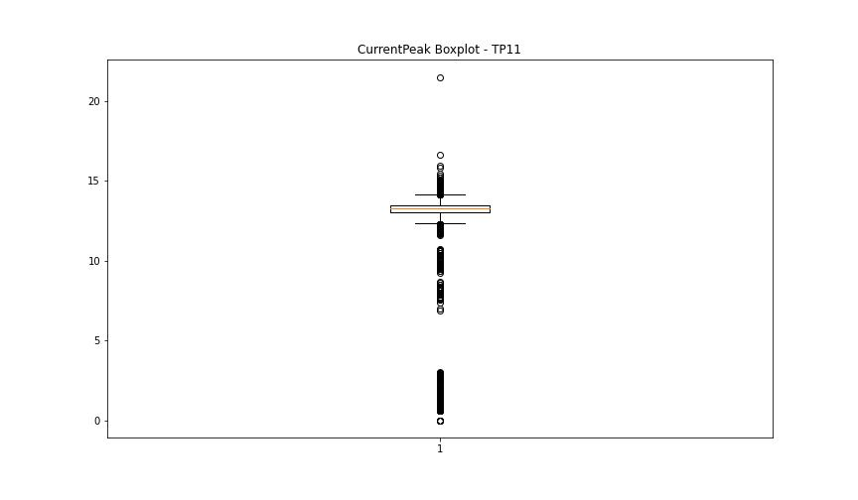
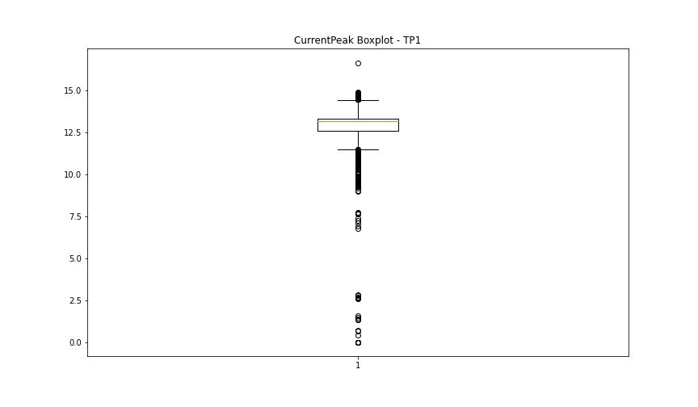
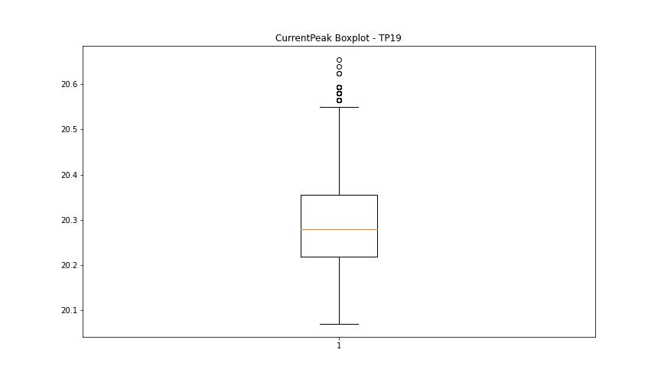

BOXPLOT SENZA OUTLIERS

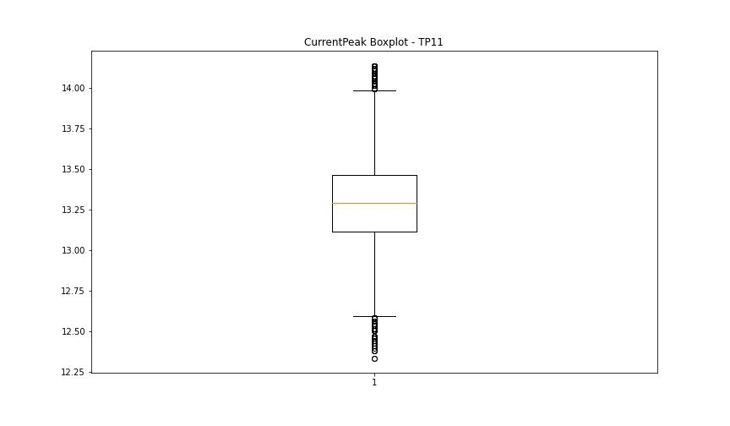
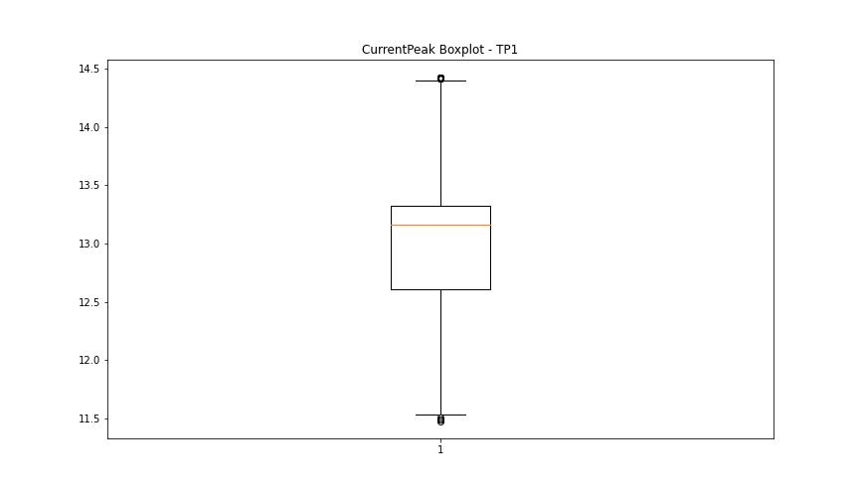
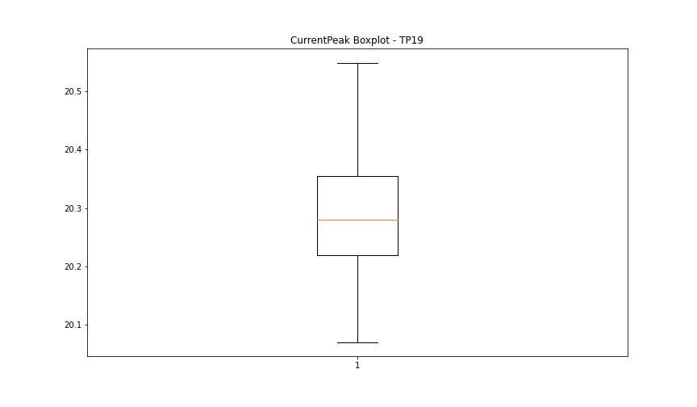

VibromPeak

numTP |  | 11 | 1 | 19
VibromPeak outliers |  | [ 0.1 0.3 1.3 3.4 4.3 3.8 4.5 2.8 2.4 3. 3.5 3.9 2.2 11.5 7. 0.2 1.5 1.6 1.4 1.7 2.7 2.6 3.3 2.9 12.5 13.8 2.1 4.2 4.4 9.8 10.5 9.1 6.4 8.6 6.6 2.3 1.9 2.5 1.8 3.1 13. 16. 3.2 4.9 7.8 13.6 5.3 8.5 10.8 9.6 10.3 8. 11.2 12.3 14. 15.6 6.3 10.2 4.7 6.7 5.5 6.2 6.1 5.8 14.3 7.9 8.1 5.6 5.2 7.6 9.3 11.3 2. 3.6 8.9 3.7 10.4 12.8 11. 13.9 8.2 4.1 7.5 11.6 11.7 12. 8.7 7.1 14.9 7.3 8.8 5.1 5.7 4. 10.1 14.7 10.6 10.7 9.5 4.8 4.6 11.8 6.9 5. 10.9 5.9 7.4 6.5 8.4 5.4 9.4] | [ 0.1 1.9 2.7 1.7 1.3 1.8 2.8 1.6 2.6 2.1 2.2 1.4 2.4 2.3 1.2 1.1 1.5 1. 0.9 2.9 2.5 2. 3.2 3. 3.1 3.3 3.5 3.6 4.2 4.1 3.7 3.8 3.9 4. 3.4 11.4 4.6 5.5 4.9 4.3 4.4 5.9 4.5 5.1 5.4 8.4 8.5 9.1] | []
upper_bound |  | 1.2 | 0.9 | 0.9
lower_bound |  | 0.4 | 0.1 | 0.9

statistiche con outliers: |  |  |  |  | statistiche senza outliers:
numTP |  | 11 | 1 | 19 | numTP |  | 11 | 1 | 19
VibromPeak | max | 16 | 11.4 | 0.9 | VibromPeak | max | 1.2 | 0.8 | 0.9
 | min | 0.1 | 0.1 | 0.9 |  | min | 0.4 | 0.2 | 0.9
 | avg | 0.89533428039 | 0.52802109761 | 0.9 |  | avg | 0.79983568847 | 0.4762226087 | 0.9
 | median | 0.8 | 0.5 | 0.9 |  | median | 0.8 | 0.5 | 0.9

BOXPLOT CON OUTLIERS
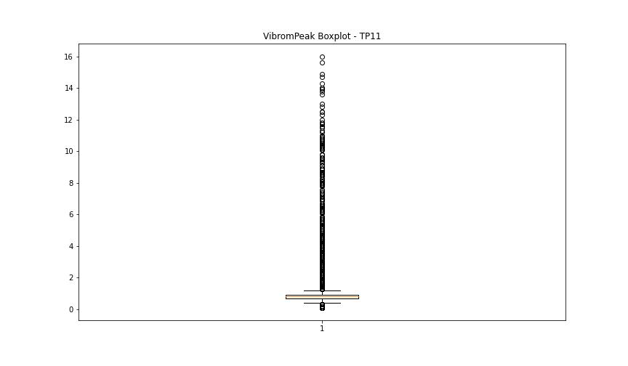
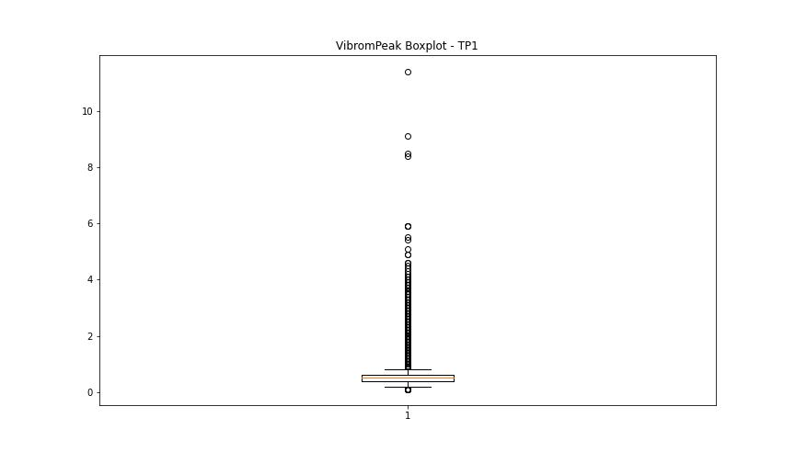
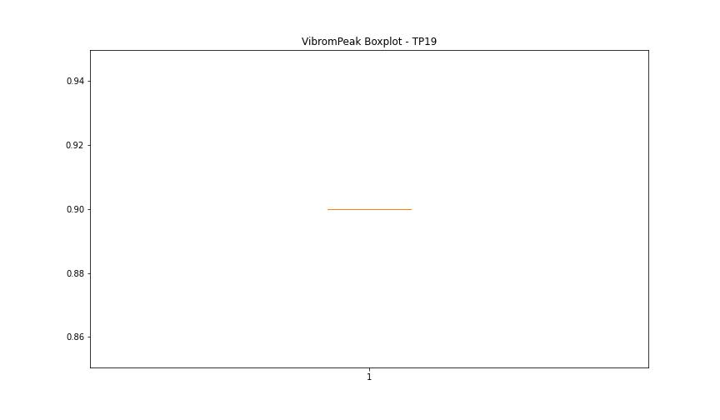

BOXPLOT SENZA OUTLIERS

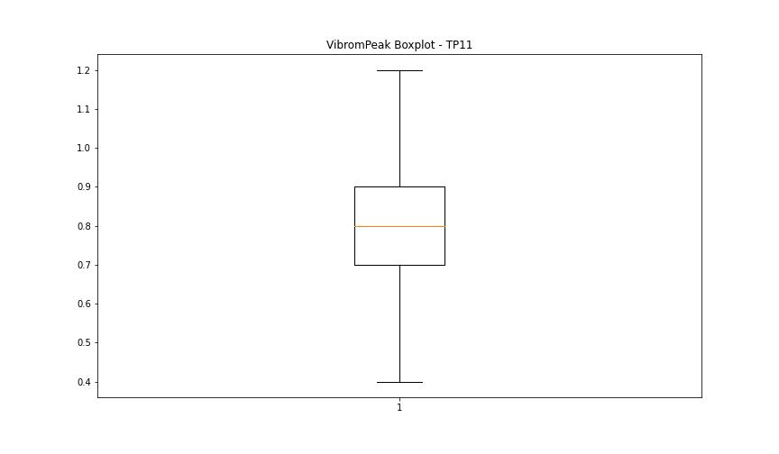
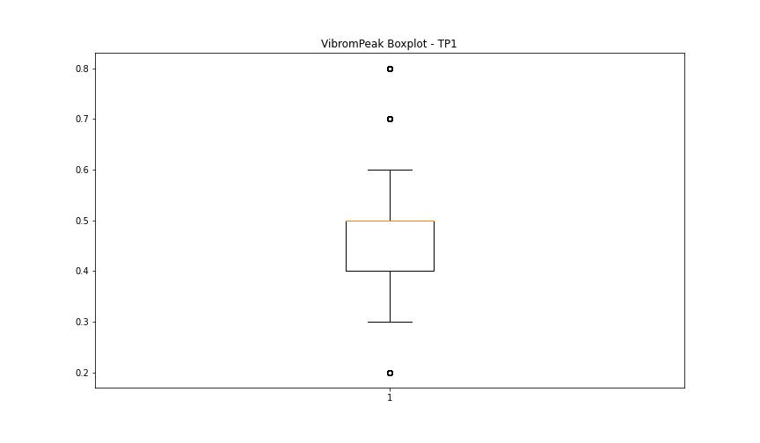

LUNG

numTP |  | 11 | 1 | 19
LUNG outliers |  | [] | [1.41574e+02 2.05000e+00 1.55275e+02 1.58324e+02 2.14000e+02 1.00000e-02 1.41570e+02] | []
upper_bound |  | 321.2075 | 134.0865 | 1
lower_bound |  | -192.7085 | 118.1705 | 1

statistiche con outliers: |  |  |  |  | statistiche senza outliers:
numTP |  | 11 | 1 | 19 | numTP |  | 11 | 1 | 19
LUNG | max | 214 | 214 | 1 | LUNG | max | 214 | 129.977 | 1
 | min | 0.01 | 0.01 | 1 |  | min | 0.01 | 119.36 | 1
 | avg | 92.722760241 | 116.01069136 | 1 |  | avg | 92.722760241 | 124.98407824 | 1
 | median | 124.83 | 124.629 | 1 |  | median | 124.83 | 124.627 | 1

BOXPLOT CON OUTLIERS
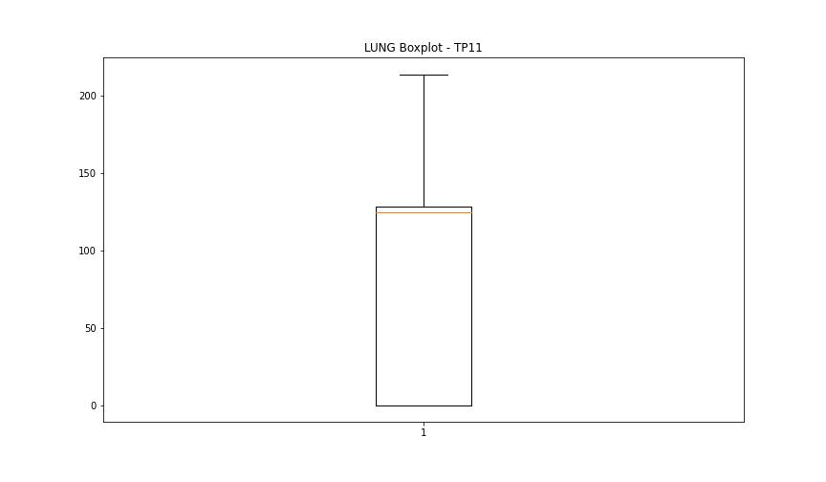
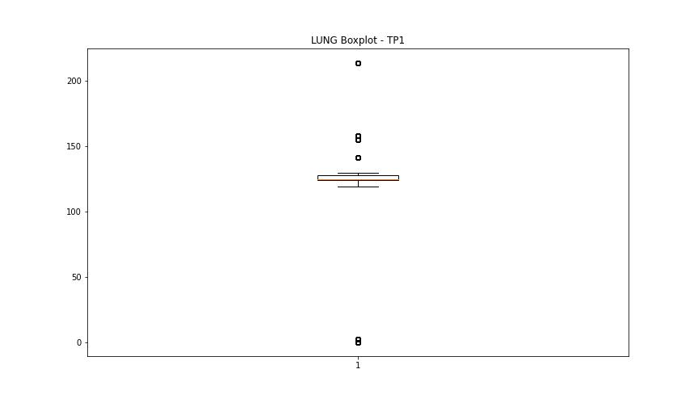
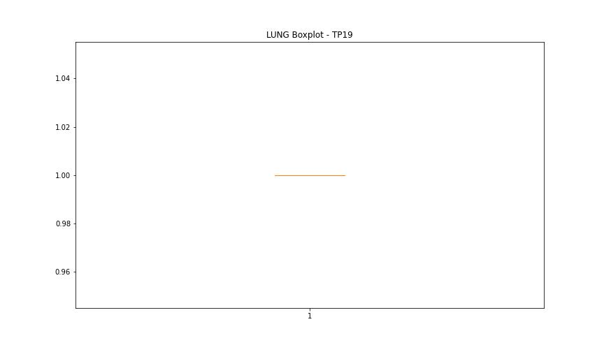

BOXPLOT SENZA OUTLIERS

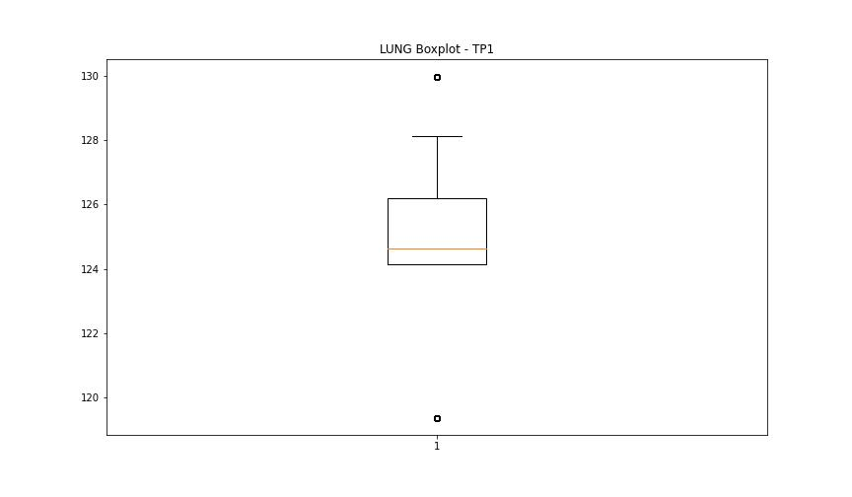

DIAM

numTP |  | 11 | 1 | 19
DIAM outliers |  | [215. 60. 105. 115. 125.] | [215. 60. 105. 40.] | []
upper_bound |  | 44 | 35 | 50
lower_bound |  | -20 | -5 | 50

statistiche con outliers: |  |  |  |  | statistiche senza outliers:
numTP |  | 11 | 1 | 19 | numTP |  | 11 | 1 | 19
DIAM | max | 215 | 215 | 50 | DIAM | max | 40 | 20 | 50
 | min | 4 | 4 | 50 |  | min | 4 | 4 | 50
 | avg | 16.79009789 | 20.896761835 | 50 |  | avg | 12.933994418 | 13.834803033 | 50
 | median | 10 | 17 | 50 |  | median | 10 | 16.6 | 50

BOXPLOT CON OUTLIERS
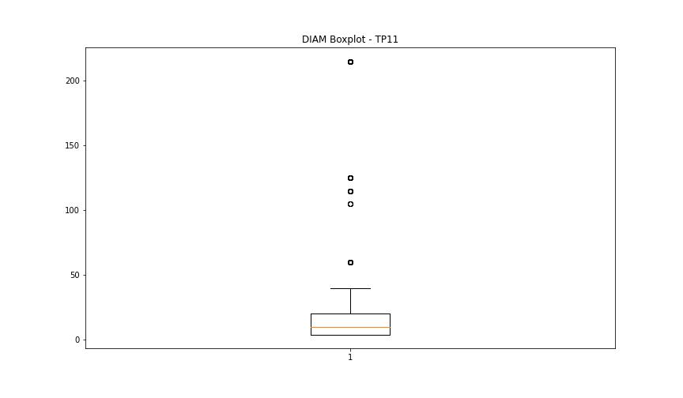
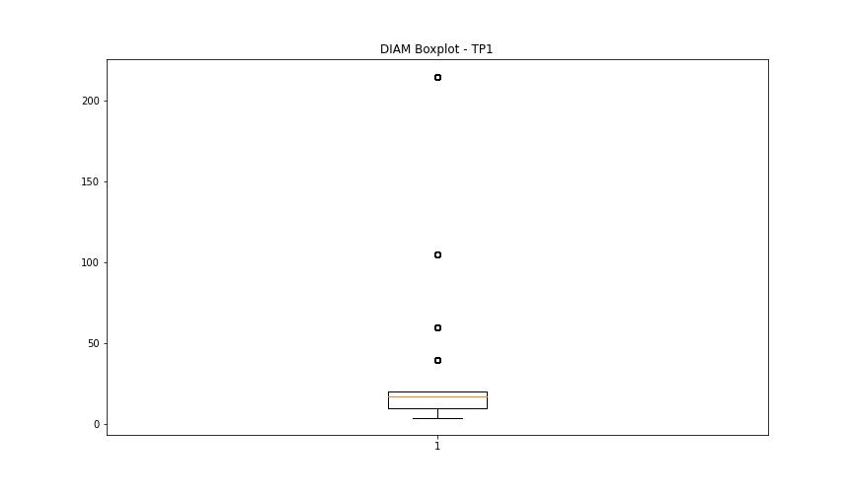
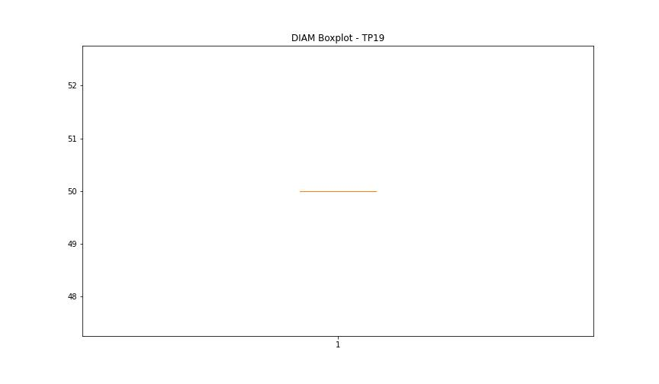

BOXPLOT SENZA OUTLIERS

