Sheet1
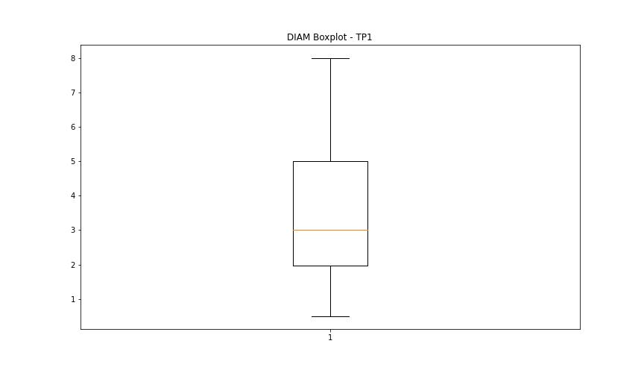
statorCelsius

numTP |  | 1
statorCelsius outliers |  | []
upper_bound |  | 52
lower_bound |  | 12

statistiche con outliers: |  |  | statistiche senza outliers:
numTP |  | 1 | numTP |  | 1
statorCelsius | max | 46 | statorCelsius | max | 46
 | min | 17 |  | min | 17
 | avg | 32.321216617 |  | avg | 32.321216617
 | median | 33 |  | median | 33

BOXPLOT CON OUTLIERS
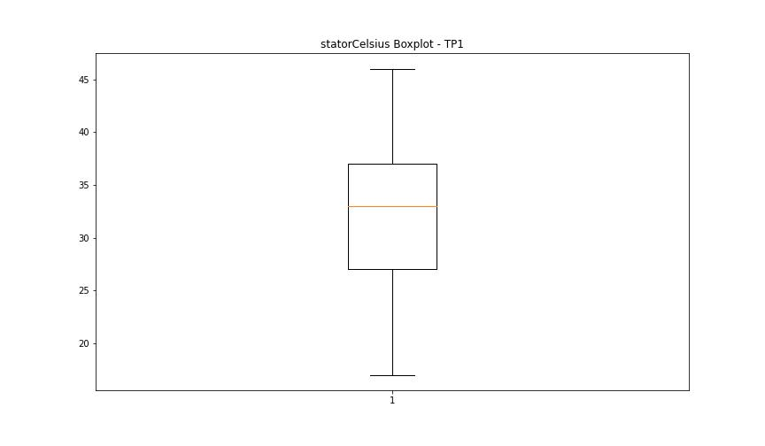

BOXPLOT SENZA OUTLIERS

bearingsCelsius

numTP |  | 1
bearingsCelsius outliers |  | [23. 21. 20. 22. 19. 18. 28. 29. 17. 30.]
upper_bound |  | 27.5
lower_bound |  | 23.5

statistiche con outliers: |  |  | statistiche senza outliers:
numTP |  | 1 | numTP |  | 1
bearingsCelsius | max | 30 | bearingsCelsius | max | 27
 | min | 17 |  | min | 24
 | avg | 25.544362018 |  | avg | 25.56036375
 | median | 26 |  | median | 26

BOXPLOT CON OUTLIERS
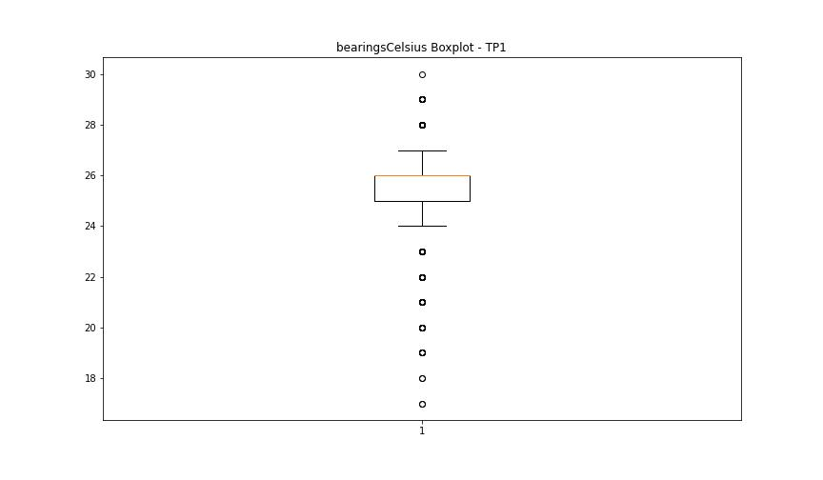

BOXPLOT SENZA OUTLIERS

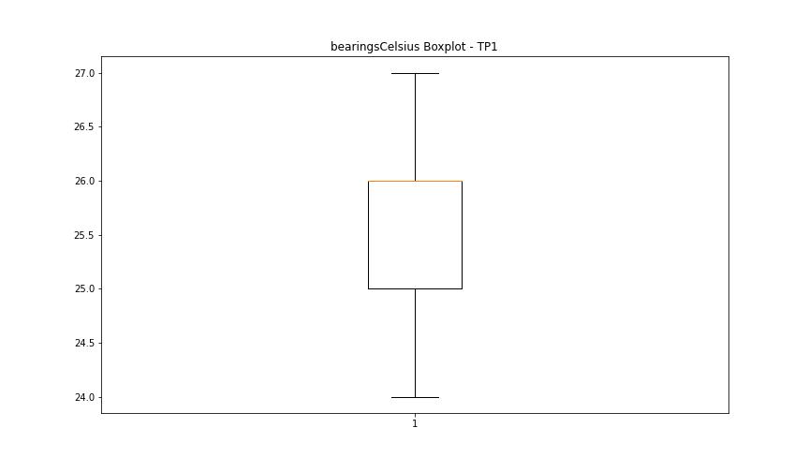

spindleRpm

numTP |  | 1
spindleRpm outliers |  | [32047. 32042. 32015. 32085. 32133. 32000. 31999. 32074. 32230. 31978. 31989. 32063. 32026. 32036. 32031. 31962. 31988. 31983. 31956. 32128. 32069. 32010. 31994. 32021.]
upper_bound |  | 31946.875
lower_bound |  | -3952.125

statistiche con outliers: |  |  | statistiche senza outliers:
numTP |  | 1 | numTP |  | 1
spindleRpm | max | 32230 | spindleRpm | max | 31946
 | min | 1200 |  | min | 1200
 | avg | 14240.176113 |  | avg | 14131.294969
 | median | 11994.5 |  | median | 11994

BOXPLOT CON OUTLIERS
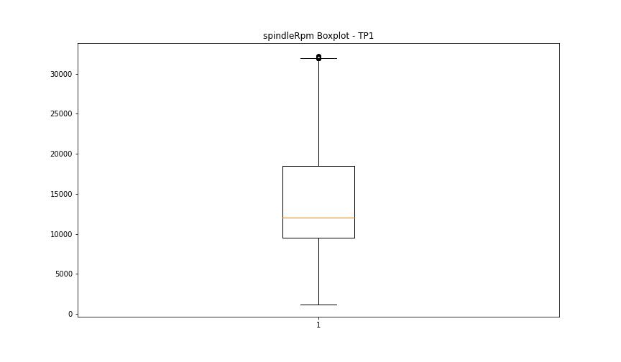

BOXPLOT SENZA OUTLIERS



rpmSetPoint

numTP |  | 1
rpmSetPoint outliers |  | []
upper_bound |  | 42800
lower_bound |  | -10000

statistiche con outliers: |  |  | statistiche senza outliers:
numTP |  | 1 | numTP |  | 1
rpmSetPoint | max | 32000 | rpmSetPoint | max | 32000
 | min | 1500 |  | min | 1500
 | avg | 15119.57181 |  | avg | 15119.57181
 | median | 12000 |  | median | 12000

BOXPLOT CON OUTLIERS
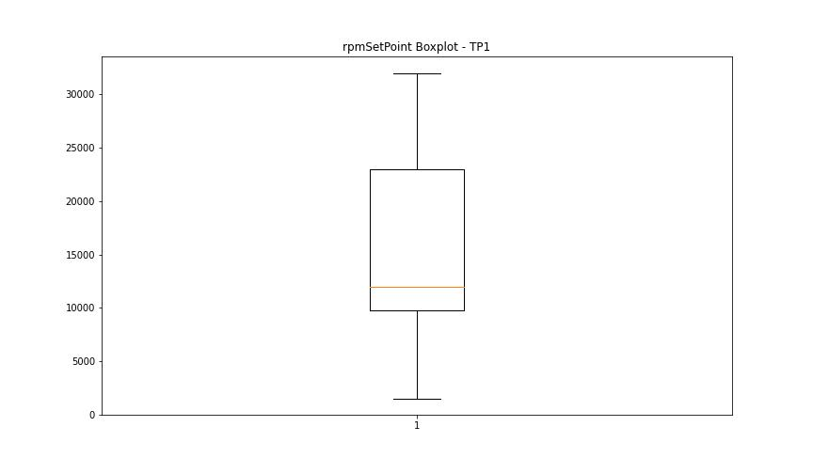

BOXPLOT SENZA OUTLIERS

CurrentPeak

numTP |  | 1
CurrentPeak outliers |  | [ 8.103 7.509 7.418 7.471 7.338 7.457 7.314 1.445 1.473 1.302 8.179 9.813 9.747 9.562 9.391 8.127 9.705 9.548 9.719 8.075 9.984 9.852 8.207 1.193 0.352 0.998 3.246 10.047 10.114 9.866 0.775 1.05 1.155 8.113 1.26 0.394 0.471 0.747 1.735 8.089 8.169 8.221 4.629 3.917 1.235 2.785 0.509 0.59 1.668 7.523 1.696 8.141 9.904 9.667 9.799 9.576 9.653 9.824 9.876 9.97 9.6 9.471 9.352 9.457 10.693 10.93 10.745 10.574 10.456 10.917 10.47 10.403 10.602 10.759 10.665 10.379 10.009 10.089 9.89 9.929 9.785 9.681 9.838 9.496 9.771 9.695 10.208 10.218 10.836 10.798 10.484 10.508 10.522 10.969 8.193 10.128 10.141 9.586 9.363 9.995 10.075 9.942 10.299 10.1 8.155 10.55 9.192 9.258 10.037 9.733 9.524 8.26 9.234 9.628 9.077 9.429 9.021 9.139 8.274 10.155 10.166 3.075 1.996 1.483 0.813 4.667 10.246 10.285 9.642 0.446 0.432 0.3 0.38 0.366 0.418 0.314 0.328 0.338 10.588 10.997 10.194 10.061 0.247 0.275 10.627 10.327 10.442 10.56 10.707 10.641 10.812 0.286 10.613 9.614 10.023 10.431 10.784 4.458 4.43 7.432 4.325 4.206 4.576 4.444 4.653 4.419 4.549 4.538 4.405 4.287 4.367 7.39 4.51 4.273 4.391 4.311 7.443 7.485 4.339 4.248 4.22 4.482 4.59 4.353 4.734 4.259 4.496 4.377 4.601 4.563 4.301 4.472 4.524 4.615 6.706 3.512 3.498 2.695 1.274 2.077 0.404 0.603 0.68 6.064 3.707 1.944 9.443 9.51 9.325 9.419 9.377 9.405 9.534 9.757]
upper_bound |  | 8.063
lower_bound |  | 7.535

statistiche con outliers: |  |  | statistiche senza outliers:
numTP |  | 1 | numTP |  | 1
CurrentPeak | max | 10.997 | CurrentPeak | max | 8.061
 | min | 0.247 |  | min | 7.537
 | avg | 7.6852001484 |  | avg | 7.7978570966
 | median | 7.799 |  | median | 7.799

BOXPLOT CON OUTLIERS
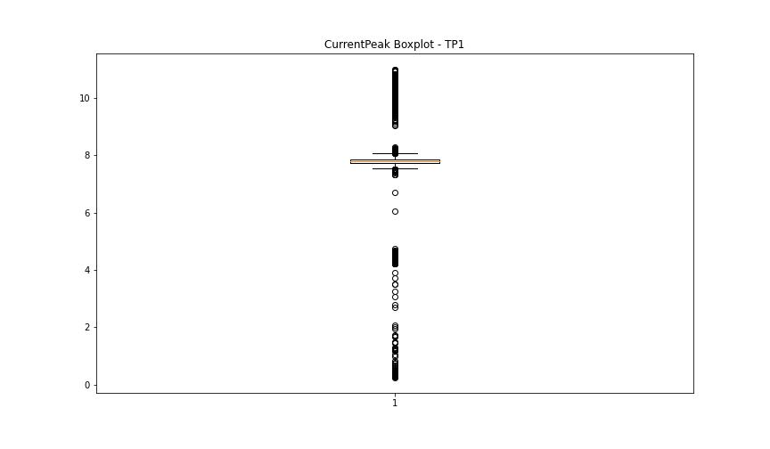

BOXPLOT SENZA OUTLIERS

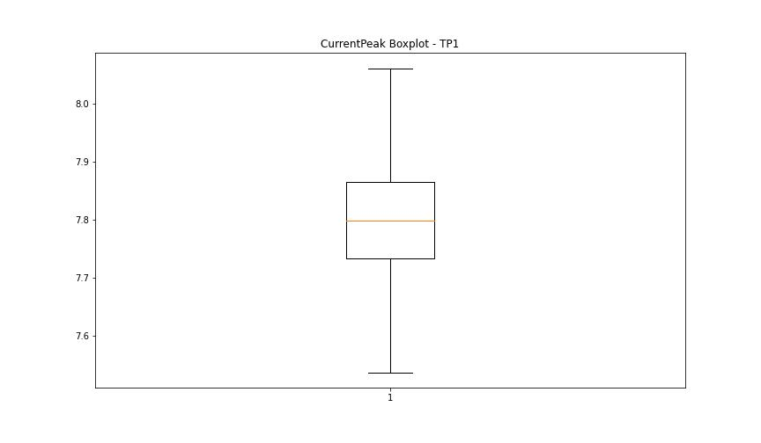

VibromPeak

numTP |  | 1
VibromPeak outliers |  | [2.8 2.3 2.6 2. 2.4 3.2 3. 2.9 2.5 3.4 3.3 3.1 2.1 2.2 3.5 2.7 3.7 3.8 4.3 4.2 5.3 5.2 5.1 3.9 4.5 3.6 4.7 4.1 4.6 4.4 4. 4.8 5.9 5.6 5. 5.8 5.4 4.9 5.7 5.5]
upper_bound |  | 1.95
lower_bound |  | -0.05

statistiche con outliers: |  |  | statistiche senza outliers:
numTP |  | 1 | numTP |  | 1
VibromPeak | max | 5.9 | VibromPeak | max | 1.9
 | min | 0.1 |  | min | 0.1
 | avg | 1.1564391691 |  | avg | 0.85827374872
 | median | 0.8 |  | median | 0.8

BOXPLOT CON OUTLIERS
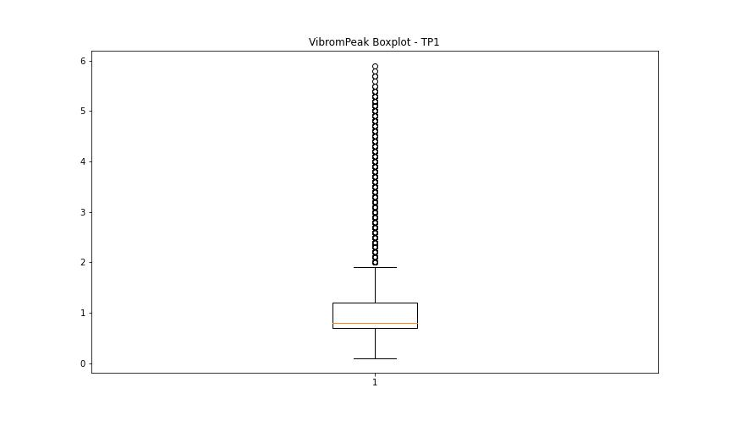

BOXPLOT SENZA OUTLIERS

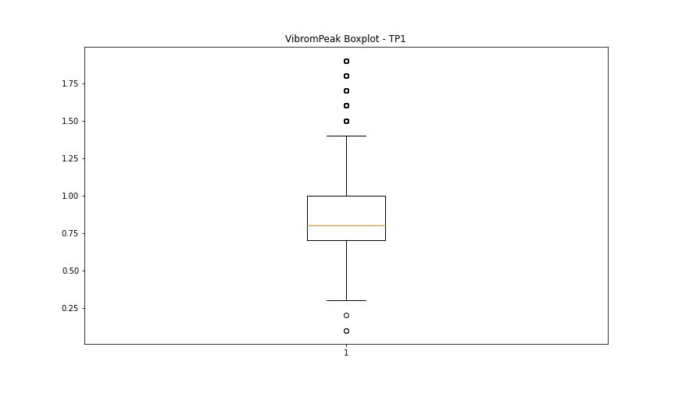

LUNG

numTP |  | 1
LUNG outliers |  | [123.9 119.26 119.08 119.096 118.915 118.767 118.789 119.001 118.135 118.013 117.987 124.75 119.005 127.487 121.115 123.922 123.926 119.676 119.689 118.451 118.733 117.119 116.632 116.62 116.021 115.103 99.503 99.516 99.519 116.661 102.054]
upper_bound |  | 99.241
lower_bound |  | 68.369

statistiche con outliers: |  |  | statistiche senza outliers:
numTP |  | 1 | numTP |  | 1
LUNG | max | 127.487 | LUNG | max | 98.908
 | min | 72.688 |  | min | 72.688
 | avg | 87.746778635 |  | avg | 82.746086394
 | median | 83.699 |  | median | 81.831

BOXPLOT CON OUTLIERS
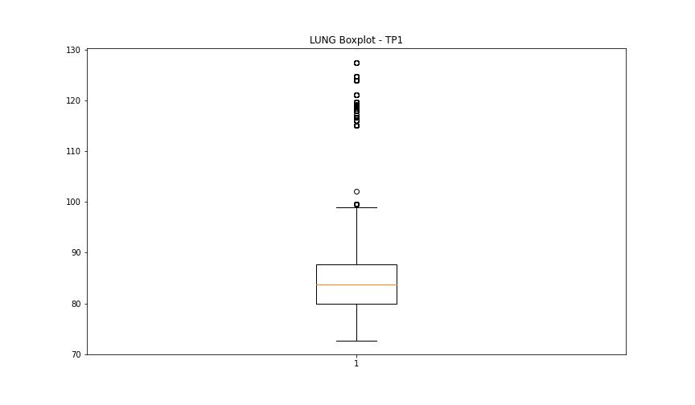

BOXPLOT SENZA OUTLIERS

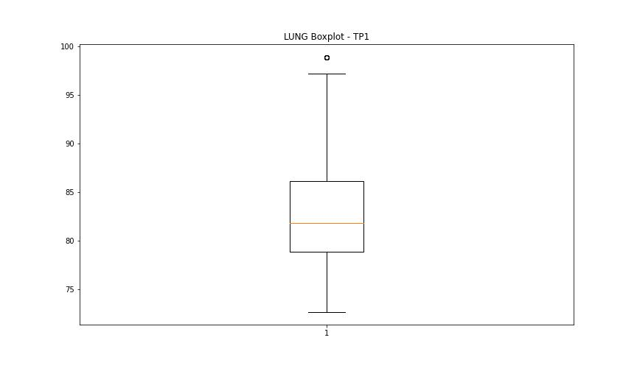

DIAM

numTP |  | 1
DIAM outliers |  | [12. 10.]
upper_bound |  | 9.56
lower_bound |  | -2.6

statistiche con outliers: |  |  | statistiche senza outliers:
numTP |  | 1 | numTP |  | 1
DIAM | max | 12 | DIAM | max | 8
 | min | 0.5 |  | min | 0.5
 | avg | 4.8599169139 |  | avg | 3.7125678497
 | median | 5 |  | median | 3

BOXPLOT CON OUTLIERS
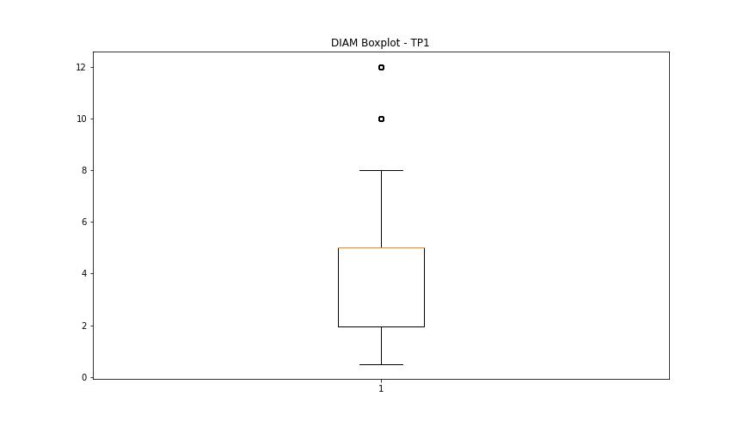

BOXPLOT SENZA OUTLIERS

