Sheet1
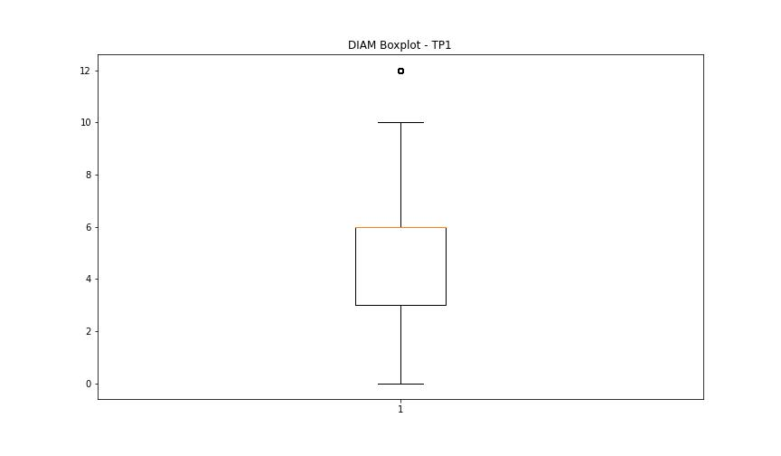
statorCelsius

numTP |  | 1
statorCelsius outliers |  | [59. 64. 14. 13. 12. 11. 10. 9. 7. 8. 60.]
upper_bound |  | 58.5
lower_bound |  | 14.5

statistiche con outliers: |  |  | statistiche senza outliers:
numTP |  | 1 | numTP |  | 1
statorCelsius | max | 64 | statorCelsius | max | 58
 | min | 7 |  | min | 15
 | avg | 36.013203911 |  | avg | 36.379508435
 | median | 37 |  | median | 37

BOXPLOT CON OUTLIERS
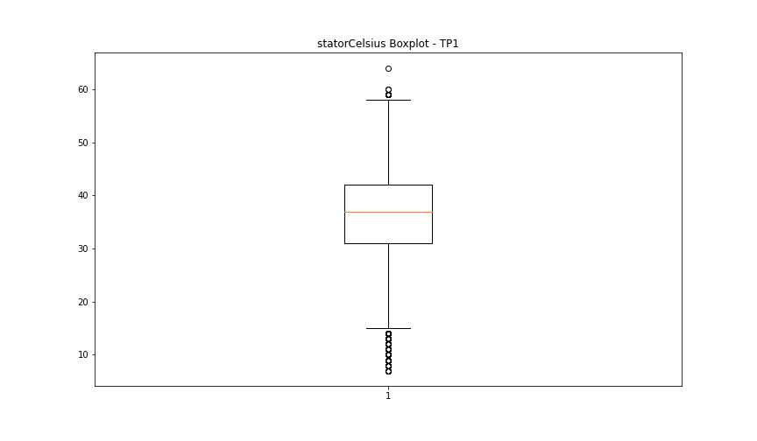

BOXPLOT SENZA OUTLIERS

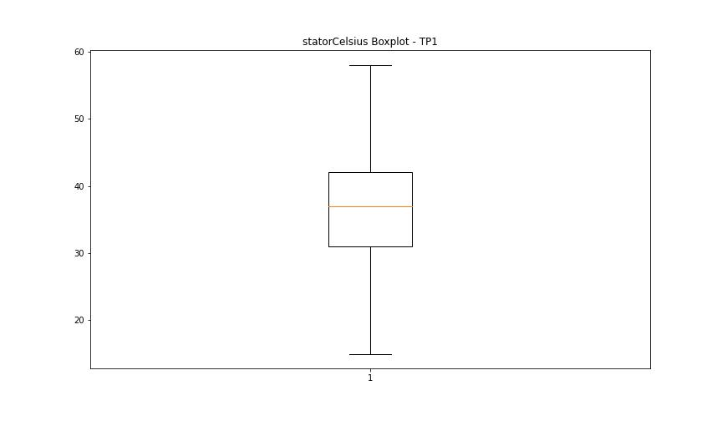

bearingsCelsius

numTP |  | 1
bearingsCelsius outliers |  | [45. 44. 48. 54. 46. 47. 15. 14. 13. 11. 12. 10. 9. 8. 7. 49.]
upper_bound |  | 43.5
lower_bound |  | 15.5

statistiche con outliers: |  |  | statistiche senza outliers:
numTP |  | 1 | numTP |  | 1
bearingsCelsius | max | 54 | bearingsCelsius | max | 43
 | min | 7 |  | min | 16
 | avg | 29.486617658 |  | avg | 29.882551089
 | median | 29 |  | median | 30

BOXPLOT CON OUTLIERS
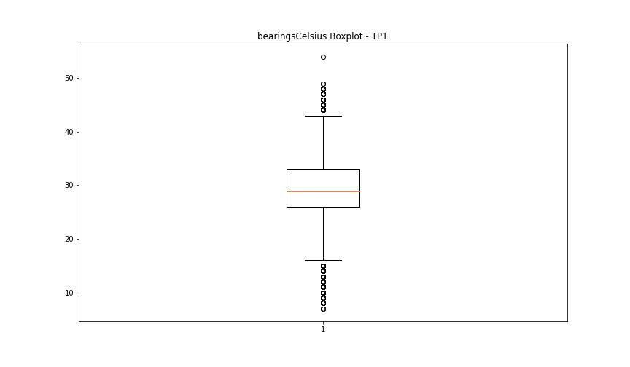

BOXPLOT SENZA OUTLIERS

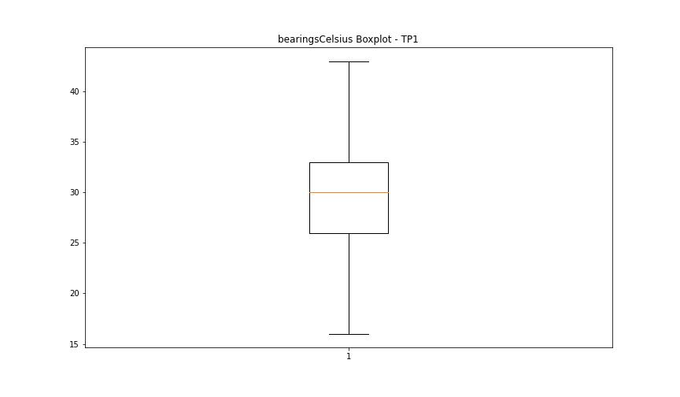

spindleRpm

numTP |  | 1
spindleRpm outliers |  | [ 5001. 10000. 12496. 14748. 14405. 14589. 14798. 65535. 5000. 10003. 14996. 14999. 12506. 4996. 9996. 10004. 9989. 15004. 4999. 14879. 12500. 12490. 12357. 12231. 12127. 11984. 11875. 11738. 11616. 10008. 15002. 4995. 15001. 4998. 10002. 15000. 12507. 12499. 12512. 12502. 12494. 12509. 12513. 12505. 12488. 12503. 12492. 12359. 12241. 12120. 12486. 12209. 12113. 12240. 12497. 12504. 12510. 1042. 12493. 12514. 12489. 12508. 12511. 12501. 12495. 11741. 10007. 4997. 15003. 11539. 10001. 14842. 5002. 9997. 14998. 5622. 9999. 14823. 14997. 14869. 10005. 14990. 7659. 12491. 10006. 5003. 9998. 14995. 12148. 9995. 12498. 14916. 14934. 14991. 14992. 14925. 14906. 14897. 14993. 14987. 14860. 14888. 14833. 23976. 23829. 12332. 12230. 12111. 11978. 12125. 12346. 12245. 12121. 12517. 10009. 14393. 14592. 5005. 10013. 14598. 14943. 14851. 331. 14805. 5004. 1978. 6589. 6954. 8104. 7253. 8962. 14236. 14012. 6754. 13995. 4994. 14985. 9990. 6688. 9994. 14814. 12516. 7217. 14986.]
upper_bound |  | 22989
lower_bound |  | 15005

statistiche con outliers: |  |  | statistiche senza outliers:
numTP |  | 1 | numTP |  | 1
spindleRpm | max | 65535 | spindleRpm | max | 20054
 | min | 331 |  | min | 15005
 | avg | 18155.915566 |  | avg | 18675.022485
 | median | 18007 |  | median | 18009

BOXPLOT CON OUTLIERS
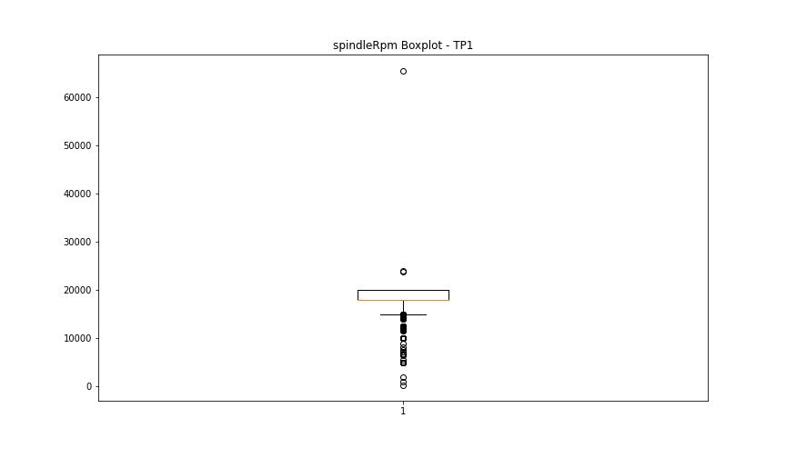

BOXPLOT SENZA OUTLIERS

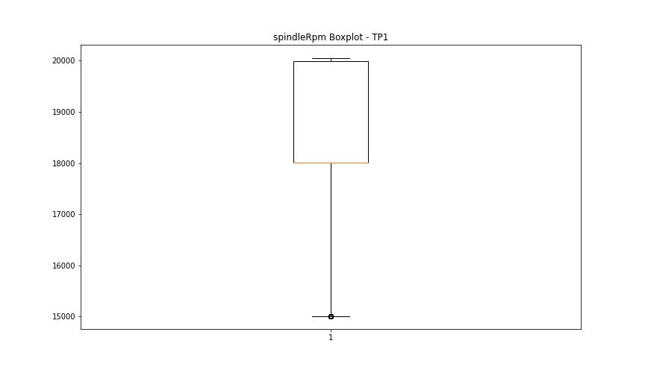

rpmSetPoint

numTP |  | 1
rpmSetPoint outliers |  | [ 5000. 10000. 12500. 24000. 14000.]
upper_bound |  | 23000
lower_bound |  | 15000

statistiche con outliers: |  |  | statistiche senza outliers:
numTP |  | 1 | numTP |  | 1
rpmSetPoint | max | 24000 | rpmSetPoint | max | 20000
 | min | 5000 |  | min | 15000
 | avg | 18172.293198 |  | avg | 18533.486442
 | median | 18000 |  | median | 18000

BOXPLOT CON OUTLIERS
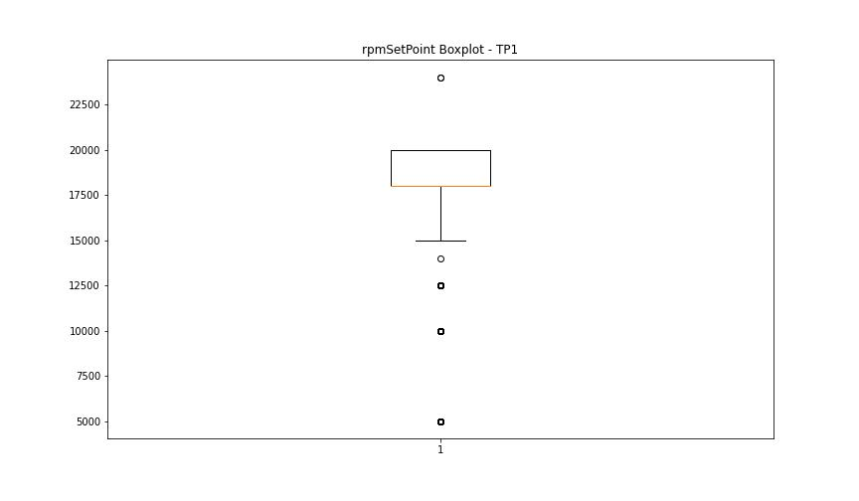

BOXPLOT SENZA OUTLIERS

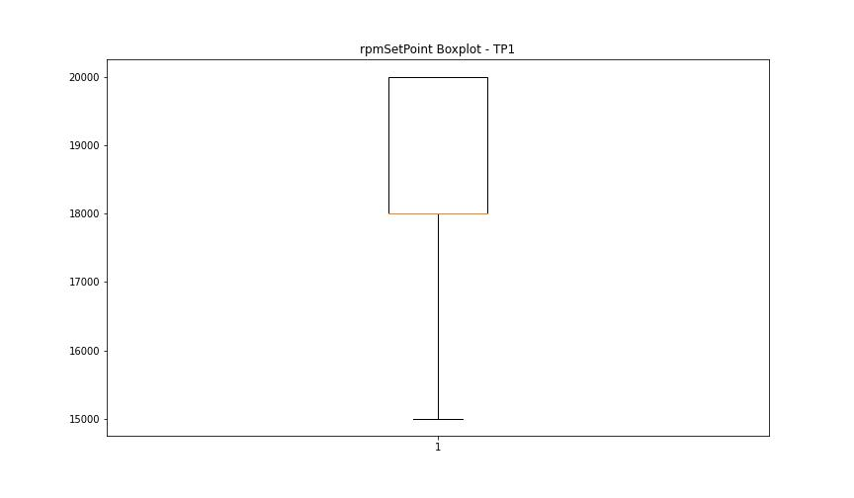

CurrentPeak

numTP |  | 1
CurrentPeak outliers |  | [11.449 11.935 0.656 2.519 5.39 6.404 3.052 1.845 1.037 1.816 1.664 1.066 1.558 1.986 0.931 0.884 1.968 10.101 11.173 11.753 11.554 12.117 11.906 12.105 12.21 11.707 11.583 12.029 0.503 0.791 1.294 1.218 1.189 0.544 11.232 11.507 11.83 11.888 11.601 1.892 1.787 2.167 3.972 2.443 2.425 3.023 3.878 8.818 9.949 11.46 11.783 11.203 7.347 7.242 11.414 7.335 7.306 12.058 12.287 11.308 6.89 7.593 7.042 7.582 6.878 7.23 11.49 12.087 7.441 7.687 7.699 11.156 11.736 12.228 11.917 12.041 11.033 11.982 7.535 7.81 11.326 11.876 11.25 11.812 11.613 12.164 1.541 3.679 0.41 11.841 12.257 7.031 7.974 7.212 7.839 11.689 12.304 11.953 11.08 12. 12.181 7.289 7.734 12.134 25.587 12.193 7.669 11.402 3.269 2.794 3.574 3.591 1.91 4.06 1.769 2.074 7.136 4.798 12.269 10.007 2.015 8.285 10.47 12.24 12.011 11.724 11.765 11.66 11.291 11.8 6.966 6.984 23.601 0.439 0.591 0.761 0.943 1.875 2.244 2.642 3.943 1.482 1.998 2.214 1.722 1.693 2.841 1.13 0.638 0.609 1.675 2.15 1.863 0.867 1.113 0.972 2.671 1.494 5.208 5.9 4.722 1.523 1.634 4.429 0.562 0.304 0.896 0.392 0.515 1.587 1.798 2.566 2.654 2.044 3.345 7.318 7.412 11.261 7.47 7.195 7.271 7.013 7.64 7.166 7.148 7.623 11.964 7.716 23.414 5.285 0.703 3.005 2.349 2.689 2.337 3.087 3.251 11.859 11.478 7.365 7.5 7.119 7.611 1.341 2.49 7.564 0.58 1.511 11.355 12.316 0.193 0.732 1.324 12.152 7.488 7.746 11.677 12.076 11.566 11.63 11.537 7.107 7.183 7.763 6.644 7.898 8.115 0.38 7.886 6.832 7.382 11.642 11.384]
upper_bound |  | 23.3005
lower_bound |  | 12.3205

statistiche con outliers: |  |  | statistiche senza outliers:
numTP |  | 1 | numTP |  | 1
CurrentPeak | max | 25.587 | CurrentPeak | max | 22.195
 | min | 0.193 |  | min | 12.333
 | avg | 16.962031118 |  | avg | 17.251649251
 | median | 17.56 |  | median | 17.589

BOXPLOT CON OUTLIERS
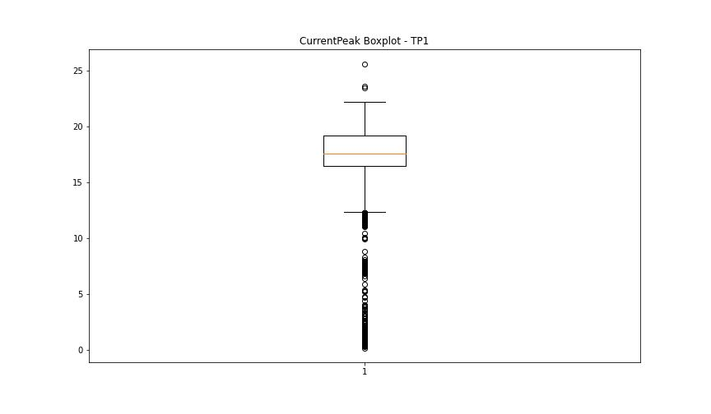

BOXPLOT SENZA OUTLIERS

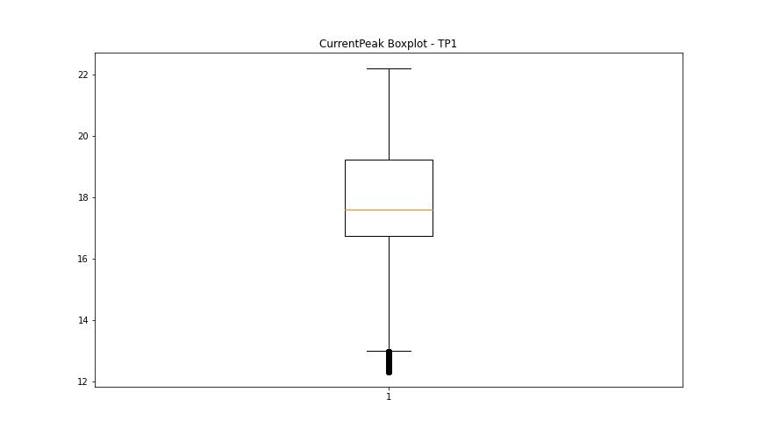

VibromPeak

numTP |  | 1
VibromPeak outliers |  | [2. 2.3 2.1 3.8 2.5 2.2 2.4 2.7 0.2 2.8 2.6 0.1 3.1 3.7 3. 2.9 3.9]
upper_bound |  | 1.9
lower_bound |  | 0.3

statistiche con outliers: |  |  | statistiche senza outliers:
numTP |  | 1 | numTP |  | 1
VibromPeak | max | 3.9 | VibromPeak | max | 1.9
 | min | 0.1 |  | min | 0.3
 | avg | 1.1400685176 |  | avg | 1.1142899277
 | median | 1.1 |  | median | 1.1

BOXPLOT CON OUTLIERS
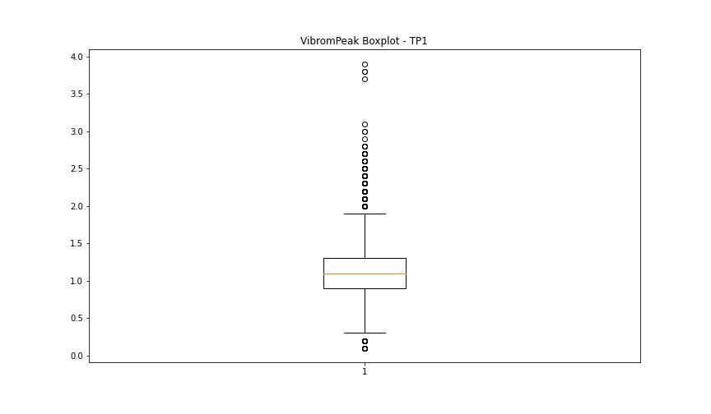

BOXPLOT SENZA OUTLIERS

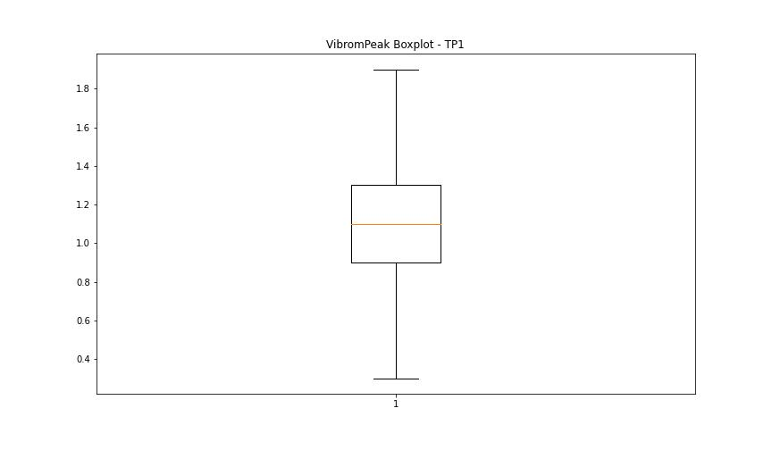

LUNG

numTP |  | 1
LUNG outliers |  | [140.919 133.539 124.875 140.966 0. 124.211 140.907 137.296 124.839]
upper_bound |  | 122.488
lower_bound |  | 87.376

statistiche con outliers: |  |  | statistiche senza outliers:
numTP |  | 1 | numTP |  | 1
LUNG | max | 140.966 | LUNG | max | 121.288
 | min | 0 |  | min | 90.334
 | avg | 105.51995011 |  | avg | 105.29928813
 | median | 106.466 |  | median | 106.241

BOXPLOT CON OUTLIERS
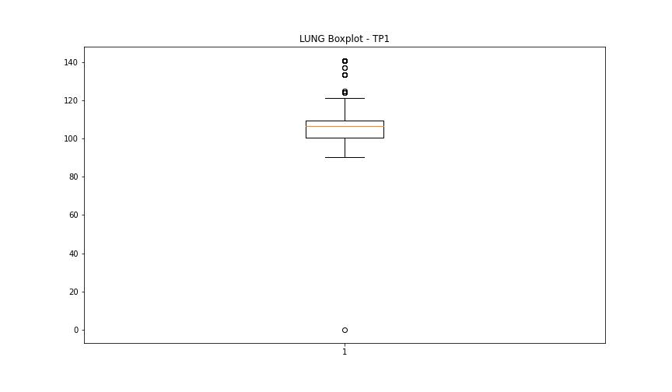

BOXPLOT SENZA OUTLIERS

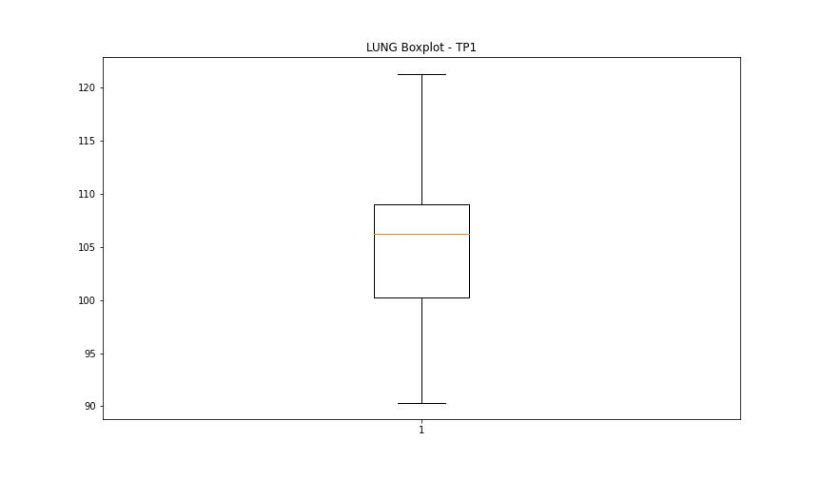

DIAM

numTP |  | 1
DIAM outliers |  | [100. 23. 20. 40. 19.5 18.6 16. 24.5]
upper_bound |  | 14.75
lower_bound |  | -3.25

statistiche con outliers: |  |  | statistiche senza outliers:
numTP |  | 1 | numTP |  | 1
DIAM | max | 100 | DIAM | max | 12
 | min | 0 |  | min | 0
 | avg | 9.2761187638 |  | avg | 5.4979396182
 | median | 6 |  | median | 6

BOXPLOT CON OUTLIERS
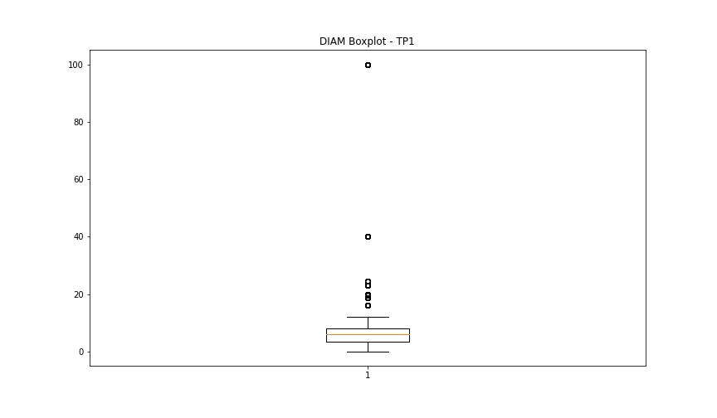

BOXPLOT SENZA OUTLIERS

