Sheet1
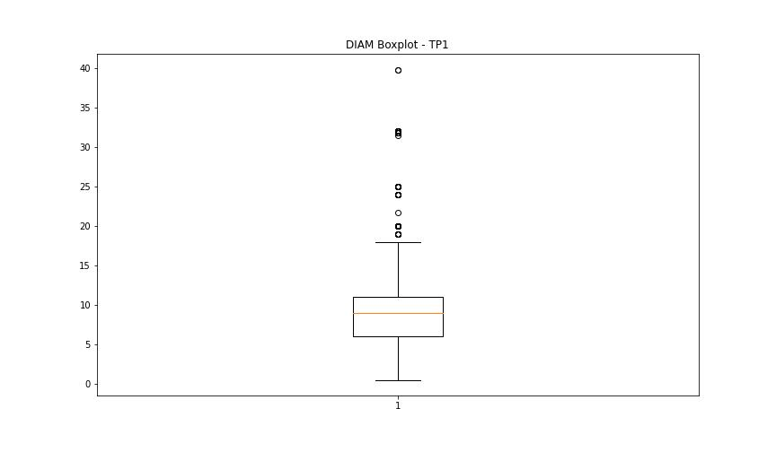
statorCelsius

numTP |  | 1
statorCelsius outliers |  | []
upper_bound |  | 52
lower_bound |  | 12

statistiche con outliers: |  |  | statistiche senza outliers:
numTP |  | 1 | numTP |  | 1
statorCelsius | max | 48 | statorCelsius | max | 48
 | min | 13 |  | min | 13
 | avg | 31.972367258 |  | avg | 31.972367258
 | median | 32 |  | median | 32

BOXPLOT CON OUTLIERS
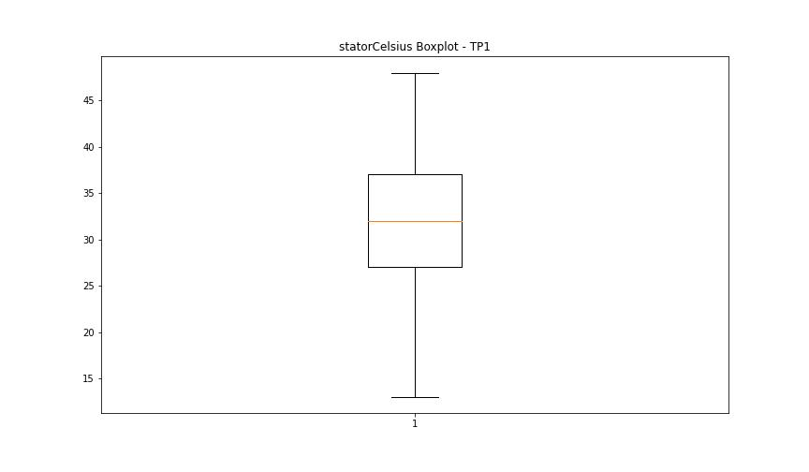

BOXPLOT SENZA OUTLIERS

bearingsCelsius

numTP |  | 1
bearingsCelsius outliers |  | [22. 35. 20. 19. 37. 36. 41. 40. 39. 38. 15. 17. 18. 14.]
upper_bound |  | 34.5
lower_bound |  | 22.5

statistiche con outliers: |  |  | statistiche senza outliers:
numTP |  | 1 | numTP |  | 1
bearingsCelsius | max | 41 | bearingsCelsius | max | 34
 | min | 14 |  | min | 23
 | avg | 28.447746807 |  | avg | 28.209959281
 | median | 28 |  | median | 28

BOXPLOT CON OUTLIERS
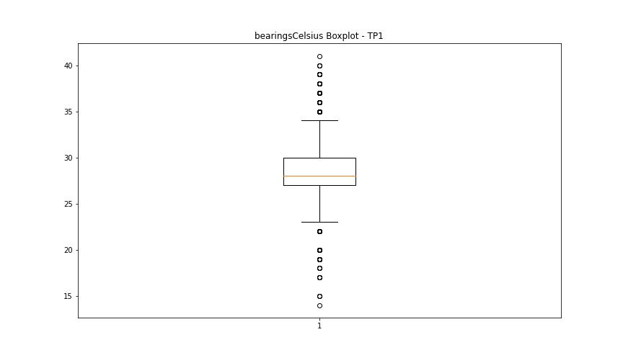

BOXPLOT SENZA OUTLIERS

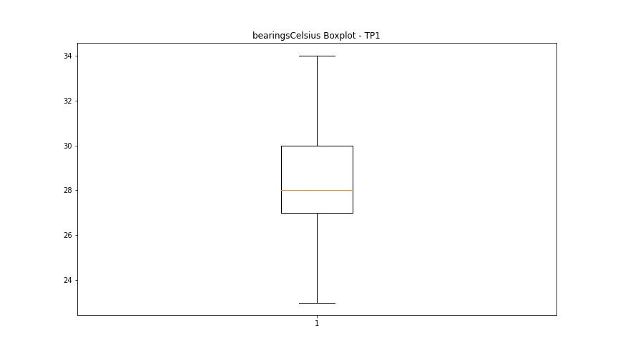

spindleRpm

numTP |  | 1
spindleRpm outliers |  | []
upper_bound |  | 42244.5
lower_bound |  | -19783.5

statistiche con outliers: |  |  | statistiche senza outliers:
numTP |  | 1 | numTP |  | 1
spindleRpm | max | 23810 | spindleRpm | max | 23810
 | min | 0 |  | min | 0
 | avg | 11760.589124 |  | avg | 11760.589124
 | median | 11989 |  | median | 11989

BOXPLOT CON OUTLIERS
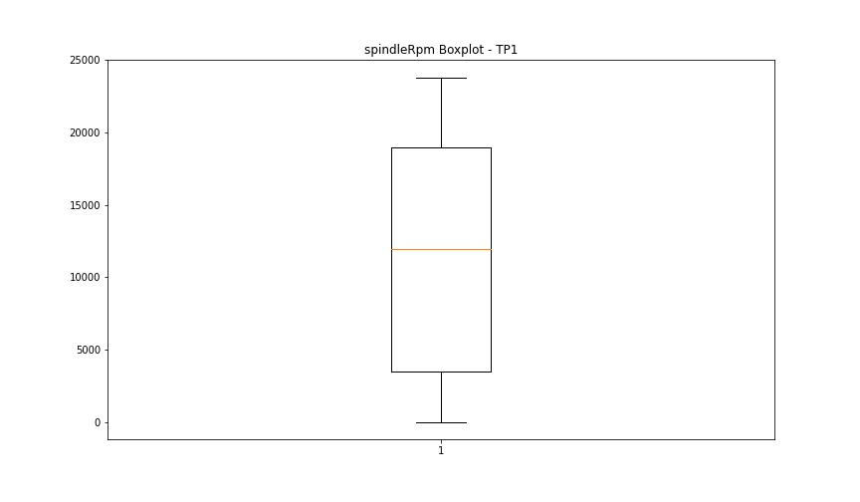

BOXPLOT SENZA OUTLIERS

rpmSetPoint

numTP |  | 1
rpmSetPoint outliers |  | []
upper_bound |  | 42250
lower_bound |  | -19750

statistiche con outliers: |  |  | statistiche senza outliers:
numTP |  | 1 | numTP |  | 1
rpmSetPoint | max | 23800 | rpmSetPoint | max | 23800
 | min | 1000 |  | min | 1000
 | avg | 11802.401799 |  | avg | 11802.401799
 | median | 12000 |  | median | 12000

BOXPLOT CON OUTLIERS
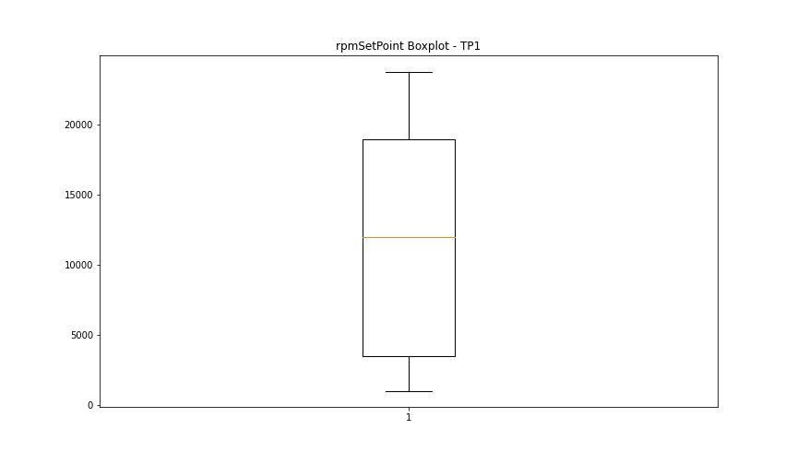

BOXPLOT SENZA OUTLIERS

CurrentPeak

numTP |  | 1
CurrentPeak outliers |  | [ 9.894 10.914 9.877 9.078 10.472 8.993 7.769 10.013 9.928 20.382 9.469 9.639 10.03 9.826 9.622 6.545 7.565 6.97 9.588 20.417 9.333 8.857 5.916 1.683 2.72 10.098 4.879 8.143 10.183 11.764 5.202 4.862 5.134 5.644 5.185 7.055 6.12 3.791 4.437 4.25 3.638 9.554 4.522 11.679 7.514 6.528 6.596 20.451 6.834 10.693 9.537 4.454 3.842 4.199 9.061 4.471 4.114 4.641 4.182 4.607 5.27 4.131 6.494 5.848 10.064 6.953 6.63 7.157 8.789 10.625 10.166 10.608 11.033 9.741 9.775 20.535 3.332 3.876 3.757 4.046 10.387 10.217 9.384 9.418 11.05 8.653 7.599 15.147 9.401 8.925 6.681 11.186 5.338 20.518 6.919 9.605 9.843 9.979 10.523 8.636 11.135 10.268 9.486 9.452 10.115 9.197 20.4 9.248 9.792 6.256 8.534 5.627 6.902 6.409 9.724 9.435 9.095 7.344 9.316 9.163 7.293 10.931 9.86 4.811 5.151 1.87 5.406 5.372 3.621 4.233 5.933 6.579 6.698 10.353 8.313 2.924 4.012 4.301 5.899 14.127 6.426 4.08 3.043 3.604 3.927 21.131 21.437 24.361 6.069 4.947 9.367 20.485 7.225 4.556 3.808 3.978 4.369 4.845 5.1 5.423 3.179 4.386 9.18 6.205 3.893 3.655 6.749 8.891 14.977 5.61 4.726 7.242 3.74 3.91 4.318 4.029 4.692 9.35 5.746 9.673 6.171 8.976 6.154 10.302 8.942 6.035 5.831 8.109 5.984 6.018 10.319 5.542 9.758 9.962 10.438 4.675 9.945 9.503 20.434 4.573 11.169 7.412 5.321 10.336 4.59 8.126 10.455 4.624 4.93 4.896 4.216 8.908 7.429 5.015 5.049 4.335 8.874 9.112 10.557 10.149 12.121 11.883 9.571 11.849 10.285 19.788 11.288 11.458 8.262 5.355 11.322 15.079 8.381 15.555 8.619 15.317 8.738 16.455 8.364 14.926 15.827 15.215 12.172 11.526 7.395 15.844 8.024 11.917 8.67 13.855 8.5 14.79 15.13 14.144 9.214 10.251 8.279 14.45 11.951 14.059 9.044 16.371 7.837 16.235 8.16 15.725 7.973 15.929 8.058 15.538 11.203 8.568 13.277 14.773 8.959 12.75 8.449 5.457
upper_bound |  | 20.3745
lower_bound |  | 20.0345

statistiche con outliers: |  |  | statistiche senza outliers:
numTP |  | 1 | numTP |  | 1
CurrentPeak | max | 24.361 | CurrentPeak | max | 20.365
 | min | 1.683 |  | min | 20.059
 | avg | 18.817280986 |  | avg | 20.221598232
 | median | 20.212 |  | median | 20.212

BOXPLOT CON OUTLIERS
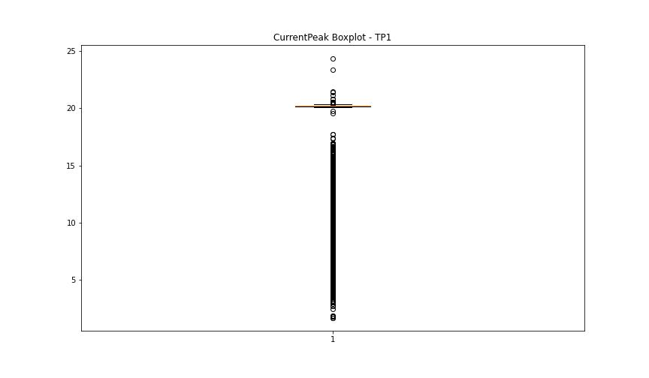

BOXPLOT SENZA OUTLIERS

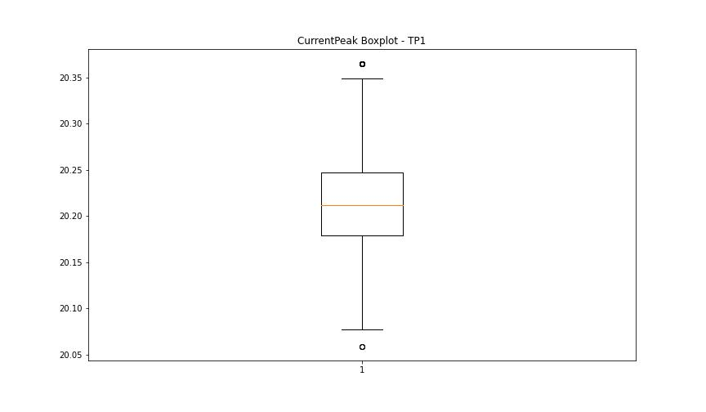

VibromPeak

numTP |  | 1
VibromPeak outliers |  | [ 8. 5.1 7.8 5. 6.9 5.7 6.1 5.3 4.4 14.3 15.2 16. 19.4 19. 16.2 14. 5.6 4.9 5.2 7. 8.1 8.5 4.8 5.5 5.9 5.4 4.5 6.2 7.5 4.7 7.4 6.6 6.3 6.7 6.8 14.1 17.4 8.6 14.5 6. 10.4 8.2 12.1 11.4 9.6 9.2 9.7 12.9 11.7 12.8 11. 6.4 4.6 16.4 8.7 5.8 8.8 12.6 11.6 11.9 14.2 12.3 12.2 13.1 12.5 11.8 11.2 12. 10.9 11.5 11.1 11.3 12.4 12.7 13. 10.8 10.3 13.2 16.6 9. 9.1 9.5 10.1 15. 15.1 17.1 13.5 7.6 6.5 8.3 7.3 8.9 15.3 14.8 9.3 16.7 32.099 10.2 9.9 7.1 9.4 16.9 10.5 15.5 9.8 16.799 7.2 15.8 18.5 18.799 13.8 ]
upper_bound |  | 4.35
lower_bound |  | -1.65

statistiche con outliers: |  |  | statistiche senza outliers:
numTP |  | 1 | numTP |  | 1
VibromPeak | max | 32.099 | VibromPeak | max | 4.3
 | min | 0.1 |  | min | 0.1
 | avg | 1.6652178488 |  | avg | 1.3343532211
 | median | 1 |  | median | 1

BOXPLOT CON OUTLIERS
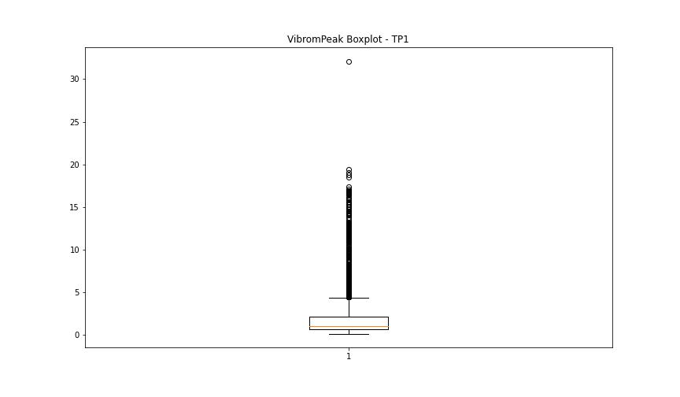

BOXPLOT SENZA OUTLIERS

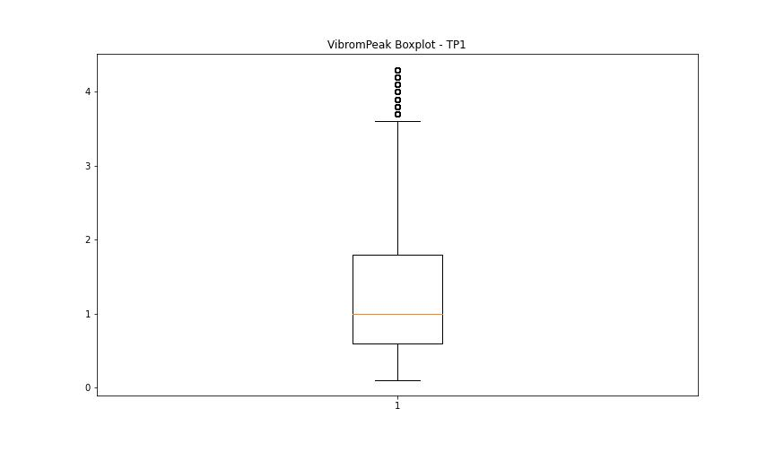

LUNG

numTP |  | 1
LUNG outliers |  | [217.4 221.387 282.802 221.411 282.795 219.739 221.369 217.006 220.476 226.091 235.98 235.832 282.539 282.59 282.537 225.882 282.579 282.619 225.881 225.447 263.56 262.784 224.06 261.1 ]
upper_bound |  | 214.655
lower_bound |  | 57.727

statistiche con outliers: |  |  | statistiche senza outliers:
numTP |  | 1 | numTP |  | 1
LUNG | max | 282.802 | LUNG | max | 211.839
 | min | 82.176 |  | min | 82.176
 | avg | 143.25561836 |  | avg | 141.72292818
 | median | 146.776 |  | median | 145.199

BOXPLOT CON OUTLIERS
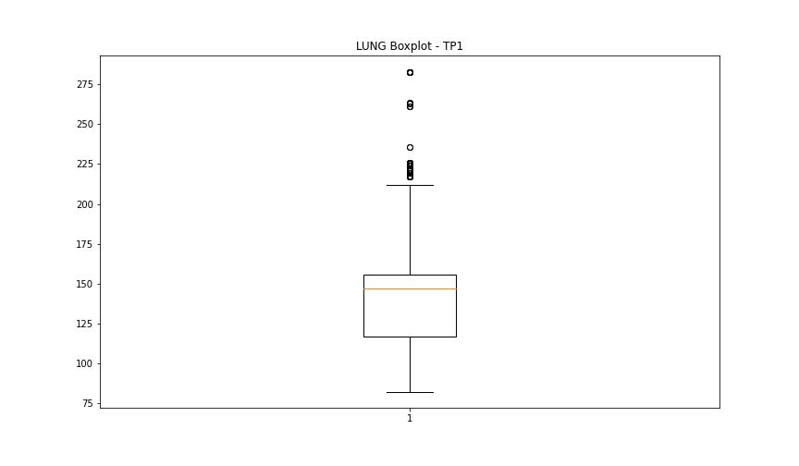

BOXPLOT SENZA OUTLIERS

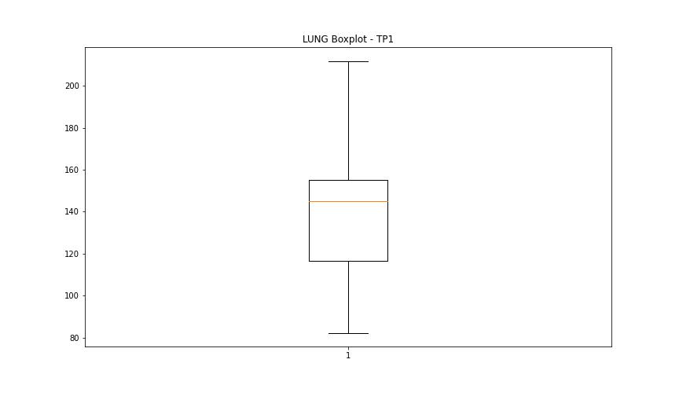

DIAM

numTP |  | 1
DIAM outliers |  | [80. 50. 47.599 70. ]
upper_bound |  | 41
lower_bound |  | -15

statistiche con outliers: |  |  | statistiche senza outliers:
numTP |  | 1 | numTP |  | 1
DIAM | max | 80 | DIAM | max | 39.799
 | min | 0.5 |  | min | 0.5
 | avg | 22.536934212 |  | avg | 9.7177576037
 | median | 10 |  | median | 9

BOXPLOT CON OUTLIERS
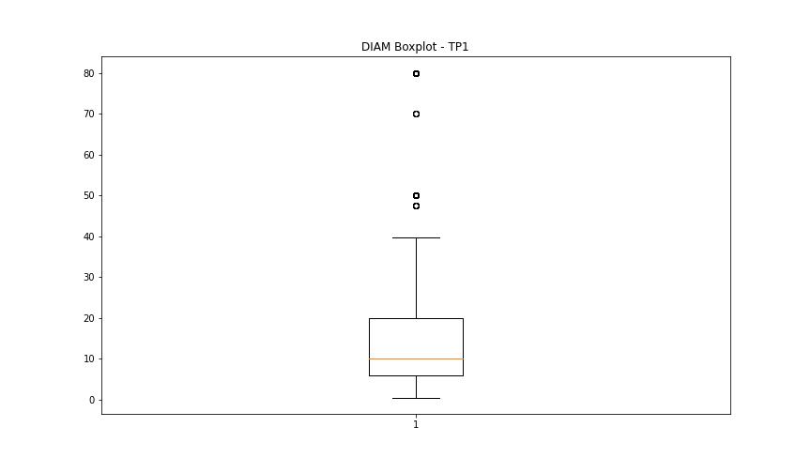

BOXPLOT SENZA OUTLIERS

