Sheet1
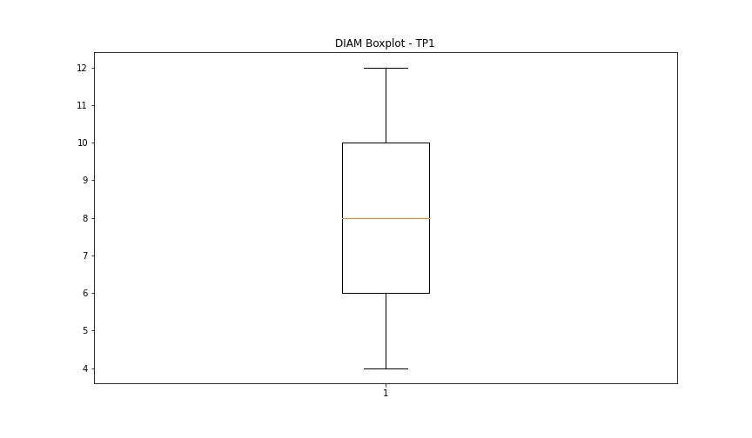
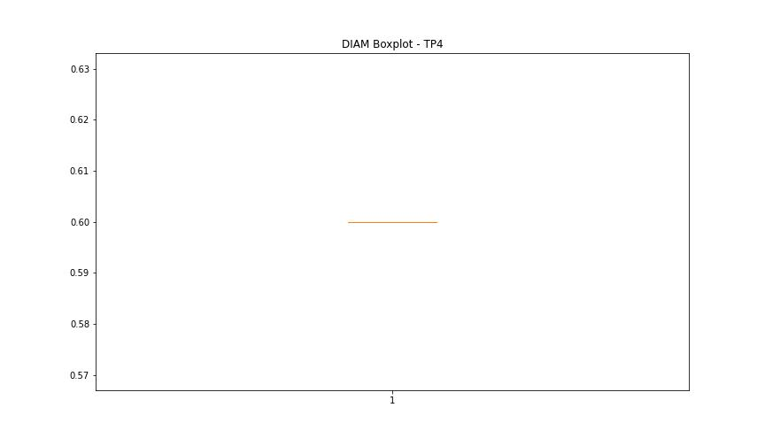
statorCelsius

numTP |  | 1 | 4
statorCelsius outliers |  | [10. 11. 9. 45. 49. 50. 51. 48. 53. 47. 46. 54. 56.] | []
upper_bound |  | 44 | 0
lower_bound |  | 12 | 0

statistiche con outliers: |  |  |  | statistiche senza outliers:
numTP |  | 1 | 4 | numTP |  | 1 | 4
statorCelsius | max | 56 | 0 | statorCelsius | max | 43 | 0
 | min | 9 | 0 |  | min | 12 | 0
 | avg | 27.880035026 | 0 |  | avg | 26.854596623 | 0
 | median | 27 | 0 |  | median | 25 | 0

BOXPLOT CON OUTLIERS
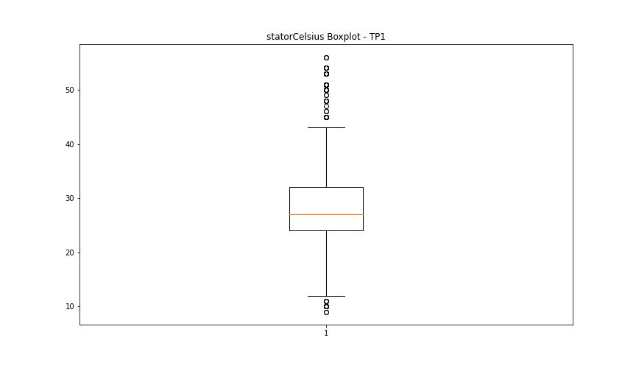
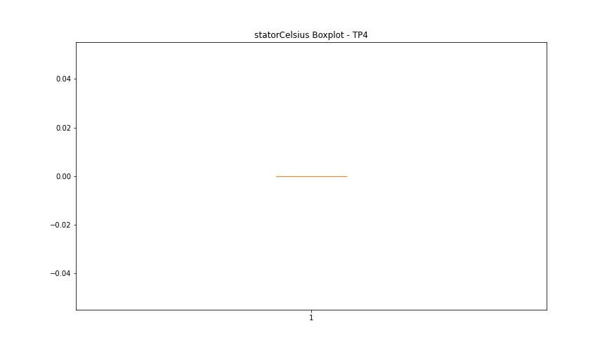

BOXPLOT SENZA OUTLIERS

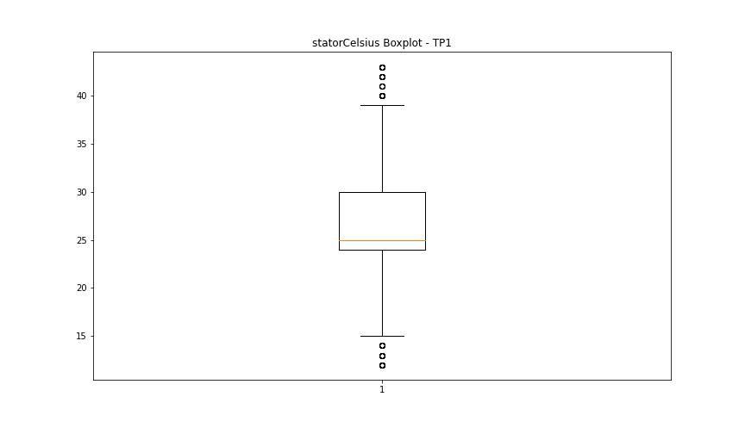

bearingsCelsius

numTP |  | 1 | 4
bearingsCelsius outliers |  | [ 8. 10. 37. 9. 38.] | []
upper_bound |  | 36.25 | 0
lower_bound |  | 10.25 | 0

statistiche con outliers: |  |  |  | statistiche senza outliers:
numTP |  | 1 | 4 | numTP |  | 1 | 4
bearingsCelsius | max | 38 | 0 | bearingsCelsius | max | 36 | 0
 | min | 8 | 0 |  | min | 11 | 0
 | avg | 23.159369527 | 0 |  | avg | 23.310376492 | 0
 | median | 24 | 0 |  | median | 24 | 0

BOXPLOT CON OUTLIERS
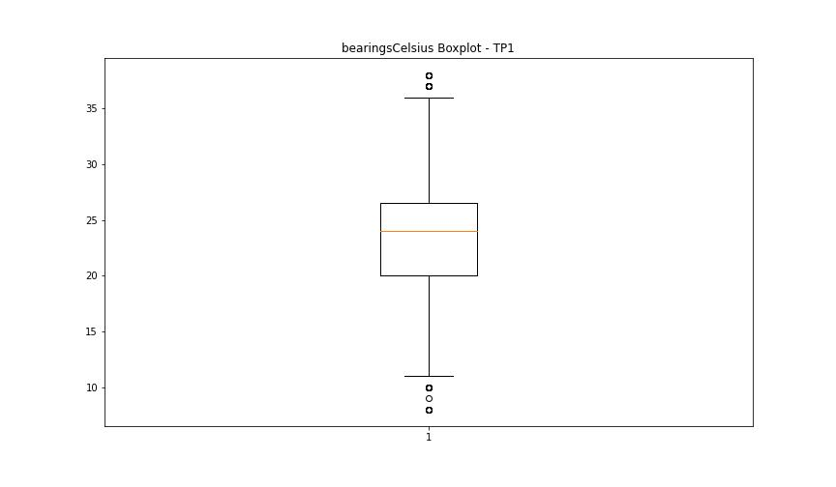


BOXPLOT SENZA OUTLIERS

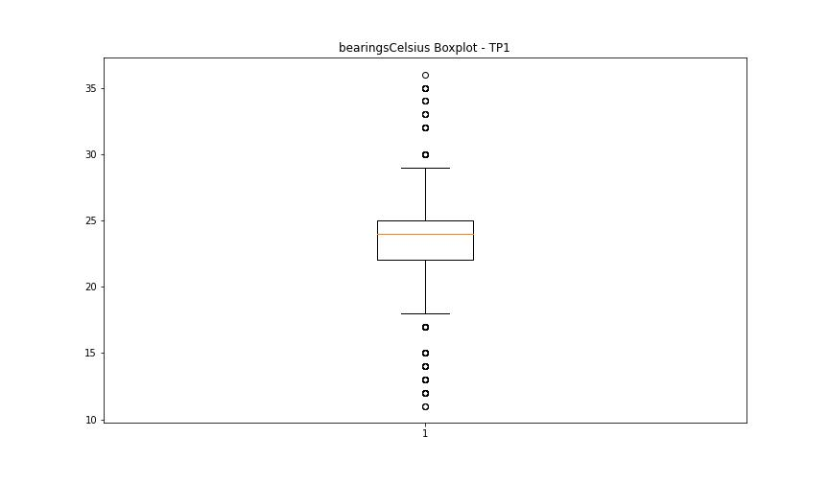

spindleRpm

numTP |  | 1 | 4
spindleRpm outliers |  | [] | []
upper_bound |  | 41981.375 | 0
lower_bound |  | -5969.625 | 0

statistiche con outliers: |  |  |  | statistiche senza outliers:
numTP |  | 1 | 4 | numTP |  | 1 | 4
spindleRpm | max | 24051 | 0 | spindleRpm | max | 24051 | 0
 | min | 0 | 0 |  | min | 0 | 0
 | avg | 17118.728546 | 0 |  | avg | 17118.728546 | 0
 | median | 18002 | 0 |  | median | 18002 | 0

BOXPLOT CON OUTLIERS
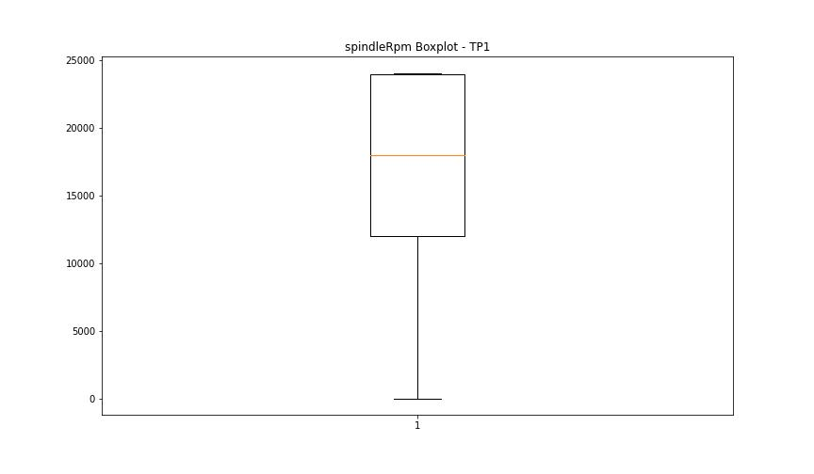


BOXPLOT SENZA OUTLIERS

rpmSetPoint

numTP |  | 1 | 4
rpmSetPoint outliers |  | [] | [15000. 8000. 12000. 14000.]
upper_bound |  | 42000 | 10000
lower_bound |  | -6000 | 10000

statistiche con outliers: |  |  |  | statistiche senza outliers:
numTP |  | 1 | 4 | numTP |  | 1 | 4
rpmSetPoint | max | 24000 | 15000 | rpmSetPoint | max | 24000 | 10000
 | min | 5000 | 8000 |  | min | 5000 | 10000
 | avg | 17492.994746 | 10273.318872 |  | avg | 17492.994746 | 10000
 | median | 18000 | 10000 |  | median | 18000 | 10000

BOXPLOT CON OUTLIERS
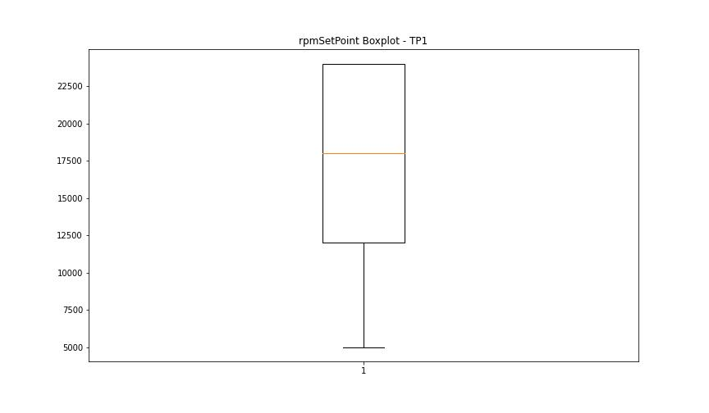
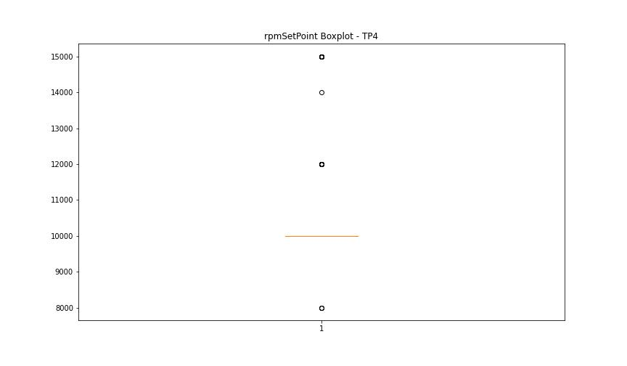

BOXPLOT SENZA OUTLIERS

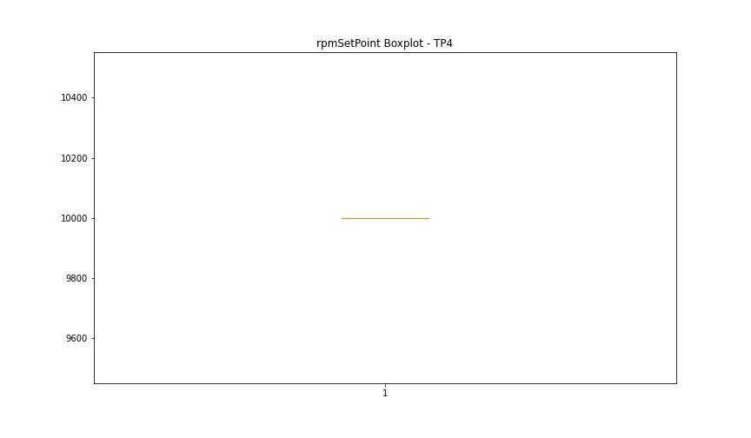

CurrentPeak

numTP |  | 1 | 4
CurrentPeak outliers |  | [22.355 8.874 8.568 7.616 6.8 9.146 8.364 20.723 20.451 21.777 21.046 22.83 24.82 3.757 4.097 3.944 3.451 3.162 3.689 3.502 4.012 1.768 2.567 3.655 3.179 3.723 3.213 1.309 3.043 5.729 1.19 2.074 4.301 4.505 4.199 4.182 3.485 2.737 4.641 4.403 4.267 2.227 5.491 5.066 0.748 21.641 10.897 7.429 11.101 11.747 9.486 20.485 19.312 23.749 20.468 6.205 1.122 0.765 0.782 0.833 5.44 17.459 22.677 21.794 22.746 19.209 23.205 20.434 18.683 21.284 21.488 22.813 20.791 20.552 23.783 22.014 20.705 20.808 17.577 25.823 20.688 0.17 21.76 18.819 23.629 4.573 0.221 8.653 9.792 10.302 9.214 10.608 11.407 11.492 18.87 3.4 3.672 3.961 3.978 3.842 4.148 4.046 3.91 9.962 6.086 5.321 2.431 5.236 6.783 8.942 21.097 20.672 5.049 3.332 0.935 2.771 1.173 2.057 1.207 0.51 0.493 21.59 21.726 20.502 20.587 21.216 7.684 0.204 3.077 3.825 4.437 5.355 5.27 3.57 4.369 3.434 8.959 11.322 11.152 6.664] | []
upper_bound |  | 20.434 | 0
lower_bound |  | 20.026 | 0

statistiche con outliers: |  |  |  | statistiche senza outliers:
numTP |  | 1 | 4 | numTP |  | 1 | 4
CurrentPeak | max | 25.823 | 0 | CurrentPeak | max | 20.417 | 0
 | min | 0.17 | 0 |  | min | 20.111 | 0
 | avg | 18.659178634 | 0 |  | avg | 20.240318841 | 0
 | median | 20.23 | 0 |  | median | 20.247 | 0

BOXPLOT CON OUTLIERS
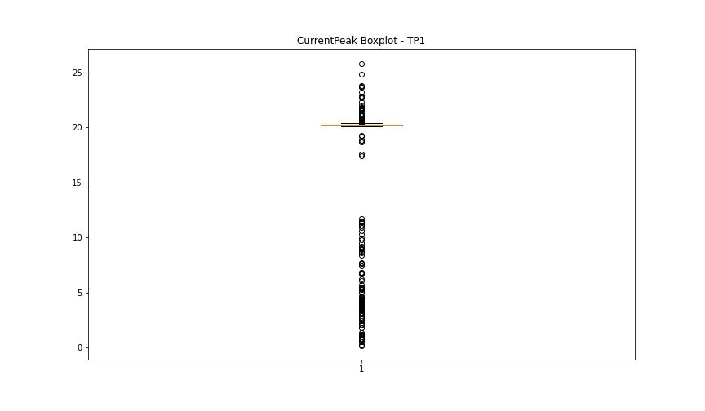
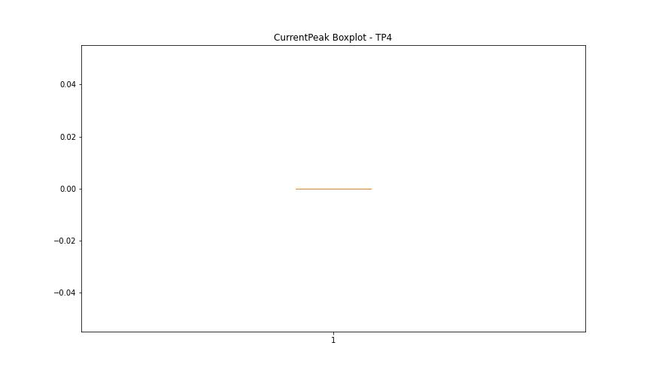

BOXPLOT SENZA OUTLIERS

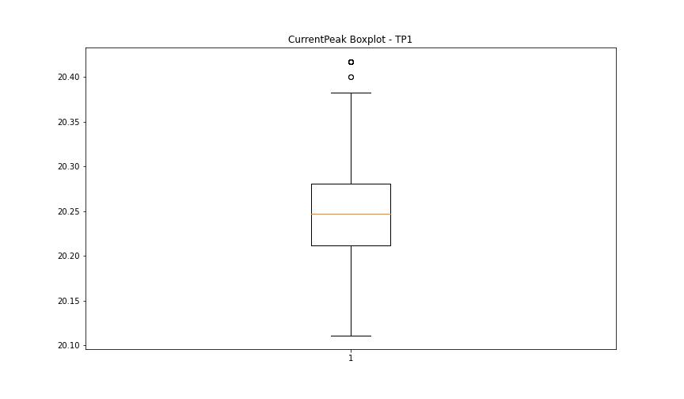

VibromPeak

numTP |  | 1 | 4
VibromPeak outliers |  | [ 7.1 7.4 6.5 10.4 11.2 13.2 11.5 4.5 3.4 3.5 4.7 5.5 3.7 3.3 6.4 9.1 6.6 5.4 5.6 5.7 4.6 3.8 3.6 7.5 4.1 4.2 4.9 5.3 8. 4.4 3.9 5.2 4. 6. 8.6 11.3 10.7 12.6 12. 11. 9.8 8.3 8.2 7.2 7.3 7.9 10.2 9.7 7.6 8.4 8.1 6.7 4.3 8.7 7.8 9. 9.5 9.2 5.1 9.6 9.3 10.6 9.9 11.1 11.9]
upper_bound |  | 3.25
lower_bound |  | -1.15

statistiche con outliers: |  |  |  | statistiche senza outliers:
numTP |  | 1 | 4 | numTP |  | 1 | 4
VibromPeak | max | 13.2 | nan | VibromPeak | max | 3.2
 | min | 0.1 | nan |  | min | 0.1
 | avg | 1.6299474606 | nan |  | avg | 0.94236111111
 | median | 0.9 | nan |  | median | 0.8

BOXPLOT CON OUTLIERS
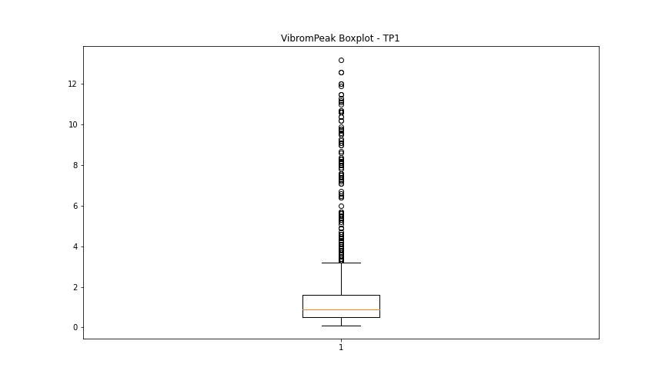
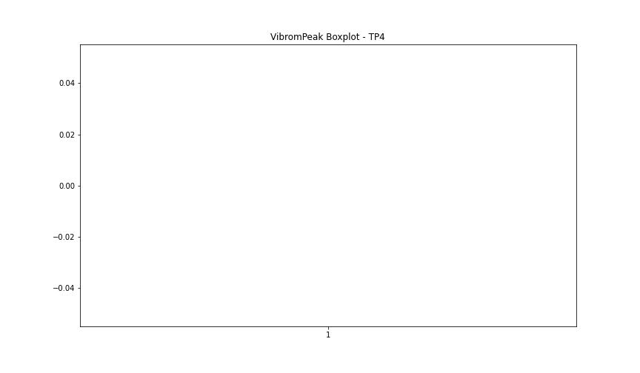

BOXPLOT SENZA OUTLIERS

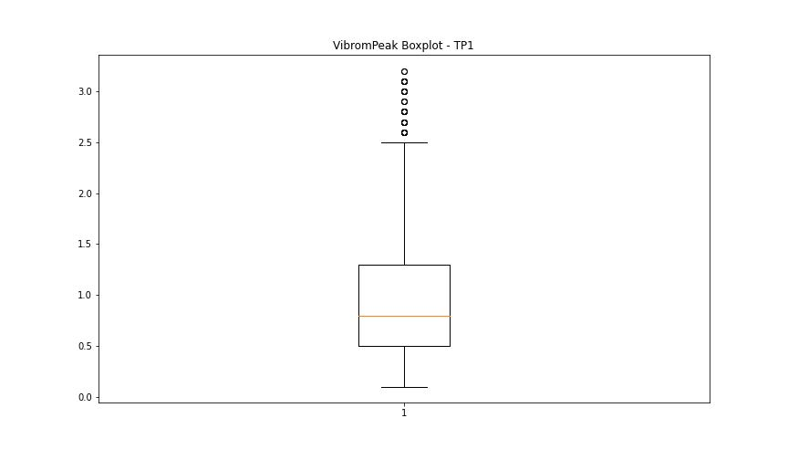

LUNG

numTP |  | 1 | 4
LUNG outliers |  | [] | [47. 58.]
upper_bound |  | 153.6125 | 28
lower_bound |  | 72.6325 | 28

statistiche con outliers: |  |  |  | statistiche senza outliers:
numTP |  | 1 | 4 | numTP |  | 1 | 4
LUNG | max | 133.571 | 58 | LUNG | max | 133.571 | 28
 | min | 73 | 28 |  | min | 73 | 28
 | avg | 111.84512609 | 28.277657267 |  | avg | 111.84512609 | 28
 | median | 114.174 | 28 |  | median | 114.174 | 28

BOXPLOT CON OUTLIERS
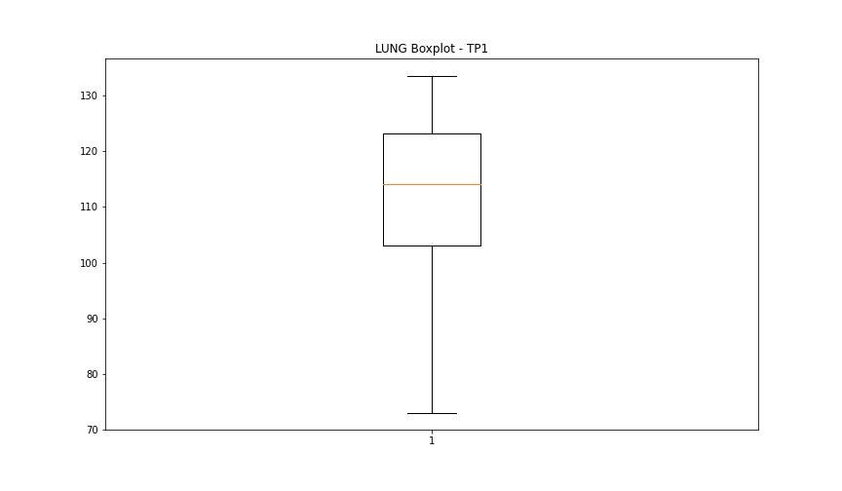
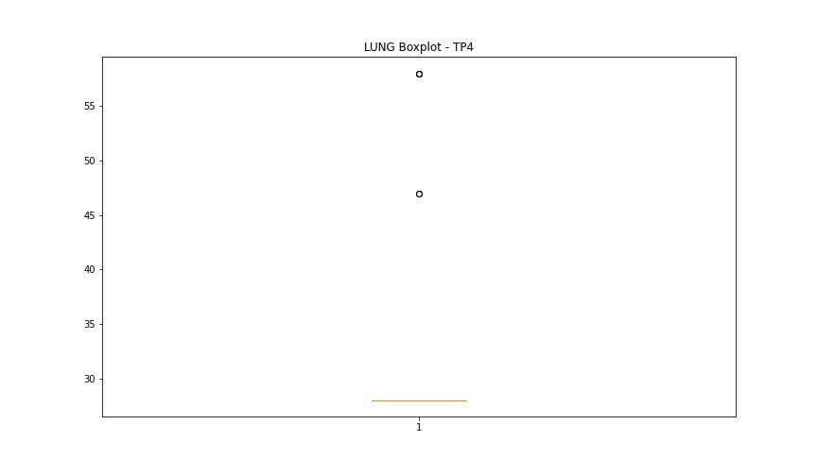

BOXPLOT SENZA OUTLIERS

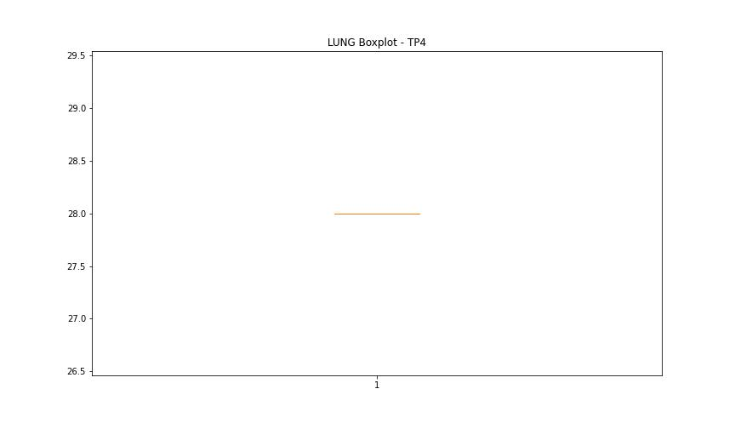

DIAM

numTP |  | 1 | 4
DIAM outliers |  | [100. 16.5 160. 50. ] | [1.5 1. ]
upper_bound |  | 16 | 0.6
lower_bound |  | 0 | 0.6

statistiche con outliers: |  |  |  | statistiche senza outliers:
numTP |  | 1 | 4 | numTP |  | 1 | 4
DIAM | max | 160 | 1.5 | DIAM | max | 12 | 0.6
 | min | 4 | 0.6 |  | min | 4 | 0.6
 | avg | 22.964098074 | 0.60824295011 |  | avg | 7.6506996771 | 0.6
 | median | 8 | 0.6 |  | median | 8 | 0.6

BOXPLOT CON OUTLIERS
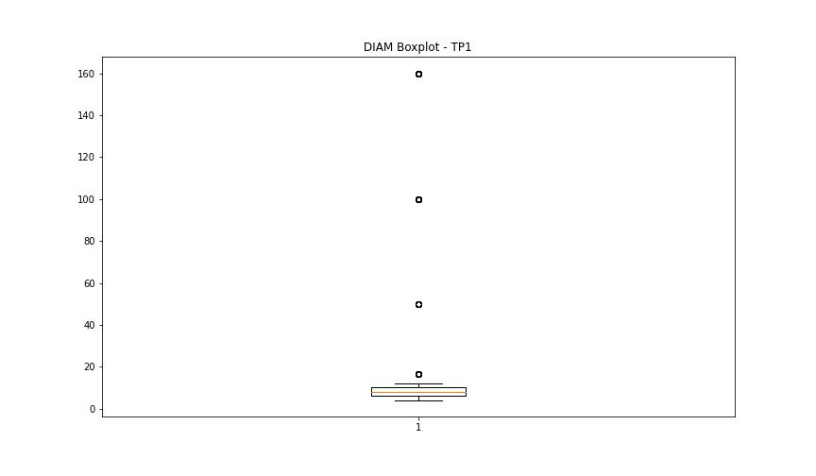
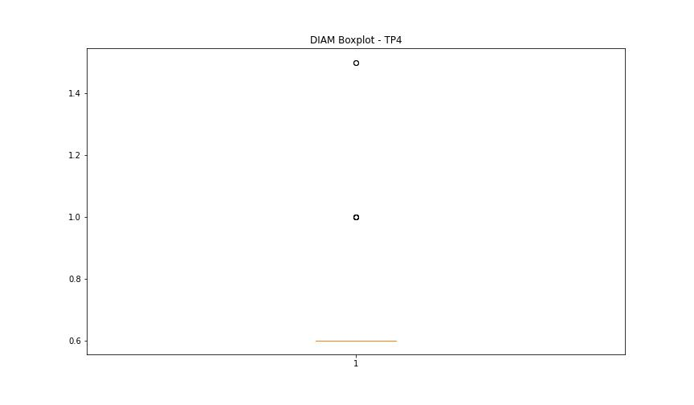

BOXPLOT SENZA OUTLIERS

