Sheet1
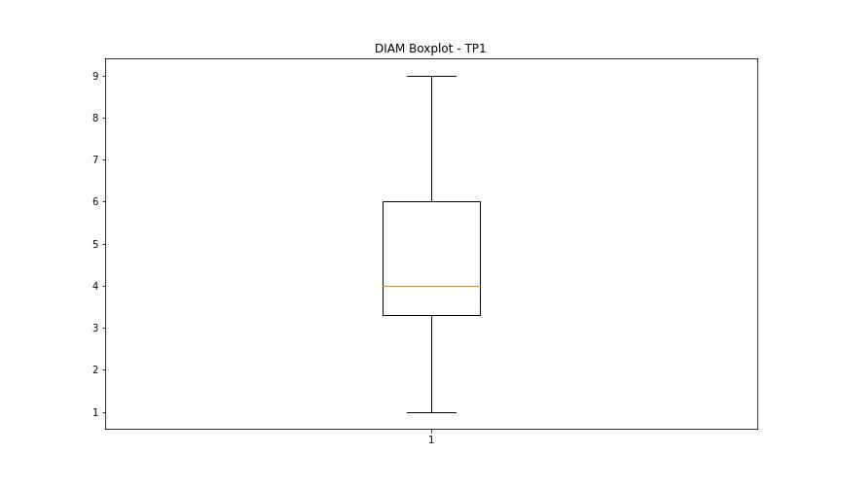
statorCelsius

numTP |  | 1
statorCelsius outliers |  | [56. 55. 58. 61. 60. 57. 54.]
upper_bound |  | 53
lower_bound |  | 5

statistiche con outliers: |  |  | statistiche senza outliers:
numTP |  | 1 | numTP |  | 1
statorCelsius | max | 61 | statorCelsius | max | 53
 | min | 9 |  | min | 9
 | avg | 29.167172135 |  | avg | 29.144591611
 | median | 29 |  | median | 29

BOXPLOT SENZA OUTLIERS
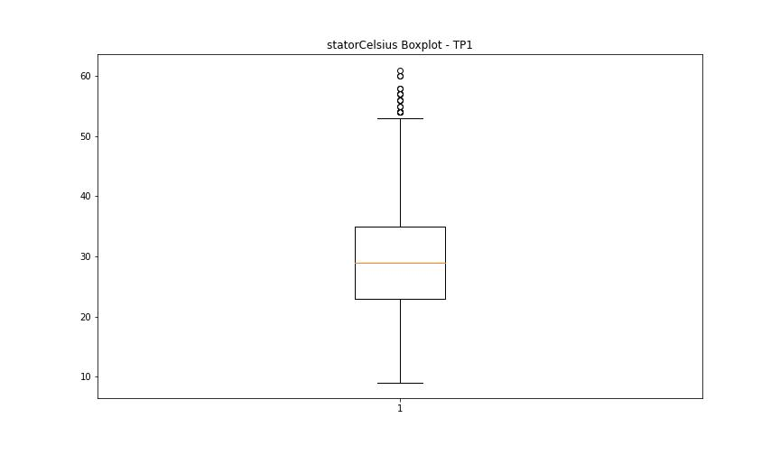

BOXPLOT CON OUTLIERS

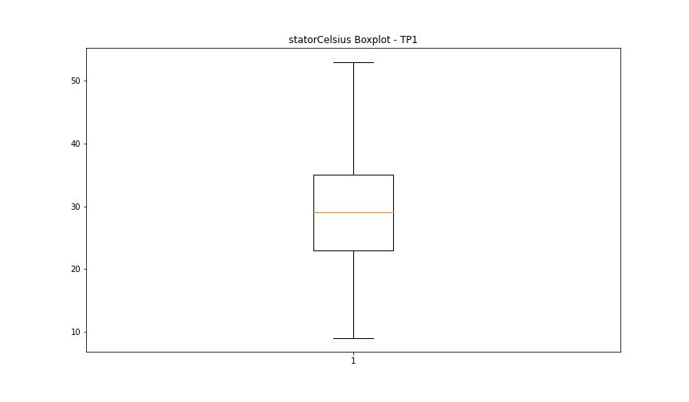

bearingsCelsius

numTP |  | 1
bearingsCelsius outliers |  | [41. 46. 44. 40. 42. 39. 47. 45. 48. 43.]
upper_bound |  | 38
lower_bound |  | 6

statistiche con outliers: |  |  | statistiche senza outliers:
numTP |  | 1 | numTP |  | 1
bearingsCelsius | max | 48 | bearingsCelsius | max | 38
 | min | 10 |  | min | 10
 | avg | 22.776628986 |  | avg | 22.698800185
 | median | 22 |  | median | 22

BOXPLOT SENZA OUTLIERS
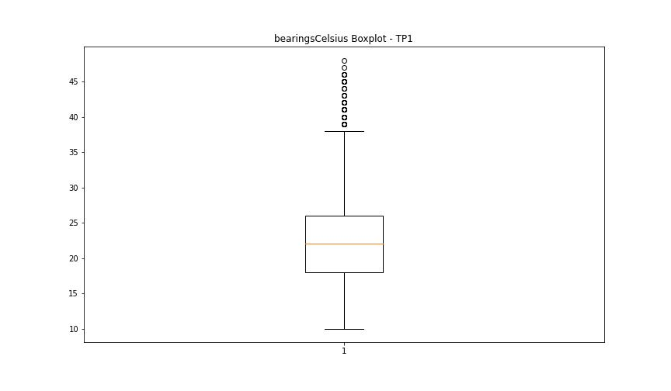

BOXPLOT CON OUTLIERS

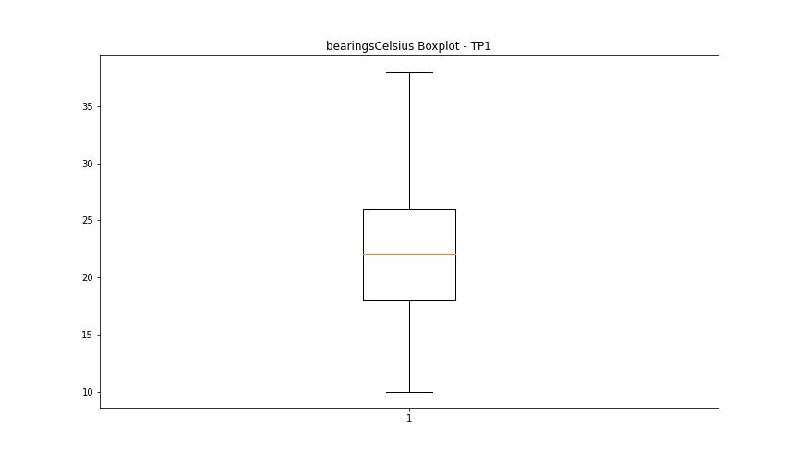

spindleRpm

numTP |  | 1
spindleRpm outliers |  | [18006. 18000. 18014. 18004. 18015. 18009. 17999. 18002. 18011. 18005. 17985. 18007. 17991. 18001. 17997. 17990. 18012. 18016. 17987. 17995. 17992. 18017. 17994. 17983. 18020. 17982. 18021. 18010. 17993. 18019. 17996. 17984. 17465. 17468. 17455. 17457. 17460. 17463. 17462. 17450. 17446. 17466. 17458. 17477. 15004. 15010. 14998. 15014. 15009. 14996. 15001. 14995. 15003. 15013. 15000. 14990. 14888. 15005. 14906. 15007. 14916. 14934. 12745. 13374. 15016. 13497. 13499. 17010. 17503. 16997. 17506. 17015. 17000. 13495. 13501. 15002. 14991. 13506. 14985. 14999. 14992. 15011. 15498. 15508. 15511. 15499. 15513. 15495. 15503. 15496. 15500. 15493. 15505. 13508. 13494. 13504. 13498. 13493. 13500. 13505. 13502. 13503. 13492. 13488. 13510. 12998. 13005. 13002. 13513. 13008. 12992. 12993. 13003. 13515. 12996. 13004. 13509. 12990. 13490. 12999. 13491. 12995. 13010. 13507. 13009. 13001. 13496. 13512. 13519. 15023. 15028. 14925. 15019. 14962. 15514. 15504. 15509. 13523. 13486. 13489. 13487. 13514. 13511. 13516. 13520. 13480. 13479. 65535. 15491. 13484. 13485. 16492. 16495. 15037. 13517. 13012. 14988. 15012. 15006. 12994. 12997. 13006. 13000. 13007. 12985. 13014. 13015. 12987. 13011. 12736. 12742. 12752. 12748. 12749. 12733. 12746. 12732. 12723. 12741. 12734. 12740. 12766. 13013. 12983. 12819. 12986. 15516. 15494. 15490. 14973. 15506. 14982. 15501. 15515. 15518. 14993. 14989. 15018. 14869. 14984. 14983. 15026. 14879. 13483. 16491. 16010. 16508. 16021. 16510. 15990. 12982. 12828. 12940. 12778. 12689. 12512. 13174. 12942. 12806. 12667. 12825. 12953. 14953. 12809. 12664. 12530. 12547. 12803. 12924. 13282.]
upper_bound |  | 12505
lower_bound |  | -7503

statistiche con outliers: |  |  | statistiche senza outliers:
numTP |  | 1 | numTP |  | 1
spindleRpm | max | 65535 | spindleRpm | max | 12429
 | min | 0 |  | min | 0
 | avg | 3060.0070306 |  | avg | 2265.170789
 | median | 500 |  | median | 500

BOXPLOT SENZA OUTLIERS
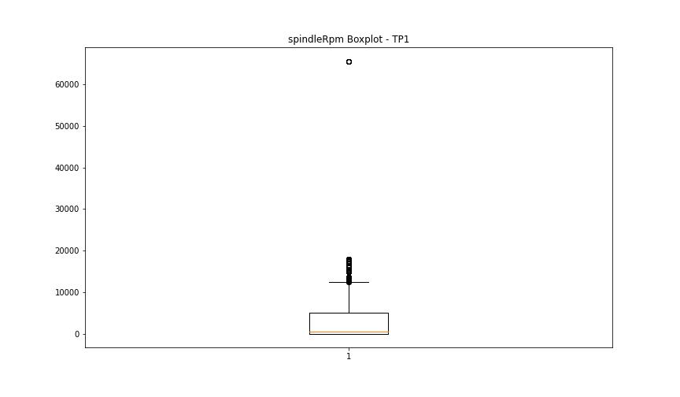

BOXPLOT CON OUTLIERS

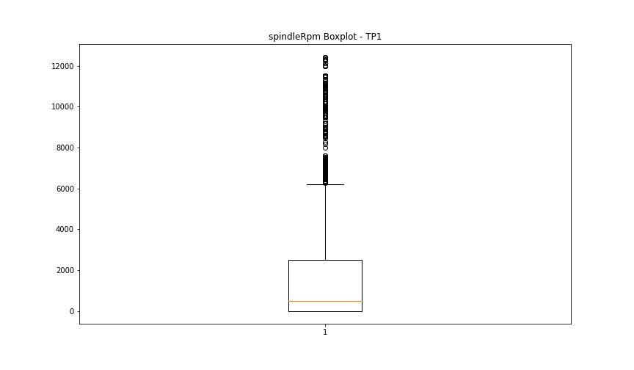

rpmSetPoint

numTP |  | 1
rpmSetPoint outliers |  | [18000. 15000. 13500. 17000. 17500. 15500. 13000. 16500. 16000.]
upper_bound |  | 12500
lower_bound |  | -7500

statistiche con outliers: |  |  | statistiche senza outliers:
numTP |  | 1 | numTP |  | 1
rpmSetPoint | max | 18000 | rpmSetPoint | max | 11500
 | min | 0 |  | min | 0
 | avg | 3031.6724106 |  | avg | 2269.3505064
 | median | 500 |  | median | 500

BOXPLOT SENZA OUTLIERS
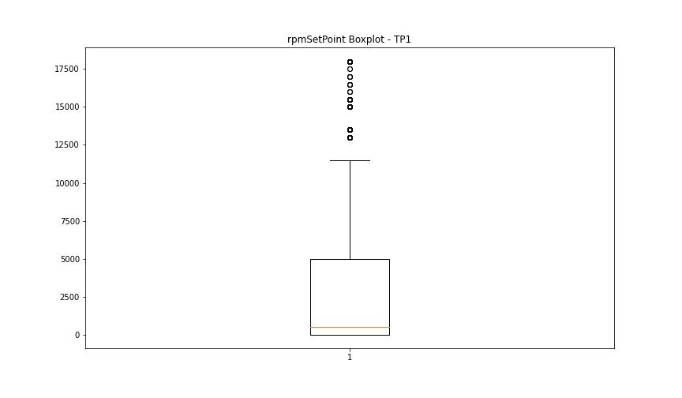

BOXPLOT CON OUTLIERS

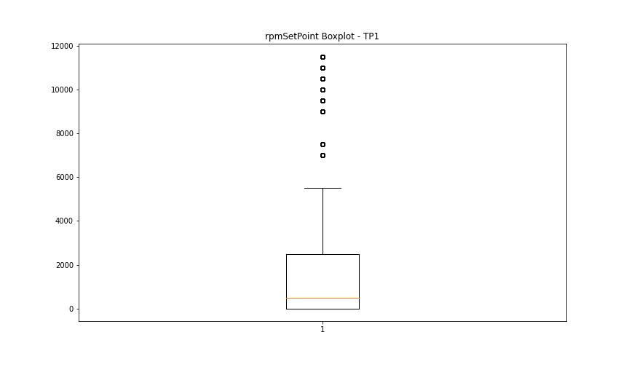

CurrentPeak

numTP |  | 1
CurrentPeak outliers |  | [ 6.492 6.509 6.585 6.644 6.527 24.679 36.369 23.314 33.404 34.494 34.664 1.248 1.037 0.837 0.761 2.167 2.765 1.875 4.582 6.339 6.556 8.314 8.619 8.818 8.373 9.064 6.251 2.226 5.548 3.269 2.947 4.705 0.744 6.708 6.966 7.851 8.068 7.582 6.878 7.089 6.89 7.898 7.441 7.242 6.539 7.775 7.212 7.119 7.335 7.658 6.937 6.955 6.919 8.296 7.611 6.908 7.107 7.271 4.962 4.921 4.845 4.628 6.615 6.738 6.755 6.843 6.691 6.662 6.386 6.632 6.72 3.451 3.527 3.328 3.632 3.392 3.556 3.515 3.316 4.734 4.951 4.751 4.687 4.875 4.81 4.798 4.458 4.494 4.552 4.857 4.4 4.998 4.904 1.019 0.867 0.943 1.007 0.972 0.896 1.083 0.808 0.914 0.99 0.855 0.884 0.96 4.382 5.103 4.98 5.179 4.675 4.412 4.886 0.24 0.591 2.302 4.277 4.294 4.306 4.324 4.335 4.353 2.027 4.828 3.708 4.505 4.447 4.371 4.535 5.009 4.781 5.56 4.259 7.394 3.726 1.189 3.908 3.943 3.087 2.777 3.755 3.117 3.603 4.031 2.689 3.744 4.171 2.888 4.183 3.955 2.701 3.878 2.976 4.248 1.218 5.039 1.236 2.261 1.283 1.447 5.255 5.531 5.332 2.109 5.027 5.578 5.302 5.39 5.73 5.941 0.609 5.314 4.763 5.589 5.683 5.759 5.607 5.625 5.789 5.162 5.197 4.429 1.998 1.113 2.091 1.787 0.685 5.437 2.519 2.378 3.175 1.13 2.654 0.533 1.095 1.066 1.207 1.16 2.425 3.222 3.099 2.9 2.625 3.052 4.125 3.984 6.263 4.599 3.82 3.591 3.468 4.23 4.06 2.15 0.732 0.351 1.951 1.968 1.91 1.921 1.845 1.054 1.833 1.142 2.578 2.917 3.574 4.095 2.748 1.798 2.367 2.349 2.197 3.849 4.142 3.205 3.005 4.154 4.201 1.406 1.523 1.312 1.71 1.341 1.324 0.931 2.443 1.587 2.32 2.537 2.291 2.337 2.121 2.044 2.46 4.048 4.611 4.57 1.417 1.371 0.316 1.816 2.929 1.892 1.863 1.986 2.49 5.115 4.658 2.871 5.15 5.085 3.146 3.023 5.132 4.722 1.939 1.494
upper_bound |  | 18.785
lower_bound |  | 9.737

statistiche con outliers: |  |  | statistiche senza outliers:
numTP |  | 1 | numTP |  | 1
CurrentPeak | max | 36.369 | CurrentPeak | max | 16.845
 | min | 0.24 |  | min | 9.826
 | avg | 13.551243774 |  | avg | 14.018010217
 | median | 13.417 |  | median | 13.482

BOXPLOT SENZA OUTLIERS
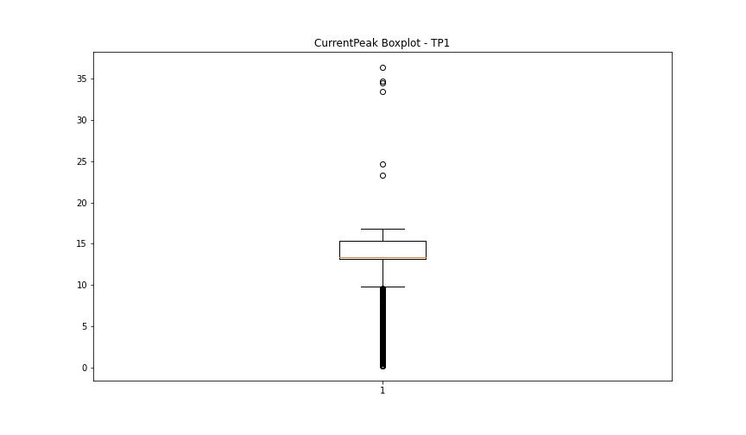

BOXPLOT CON OUTLIERS

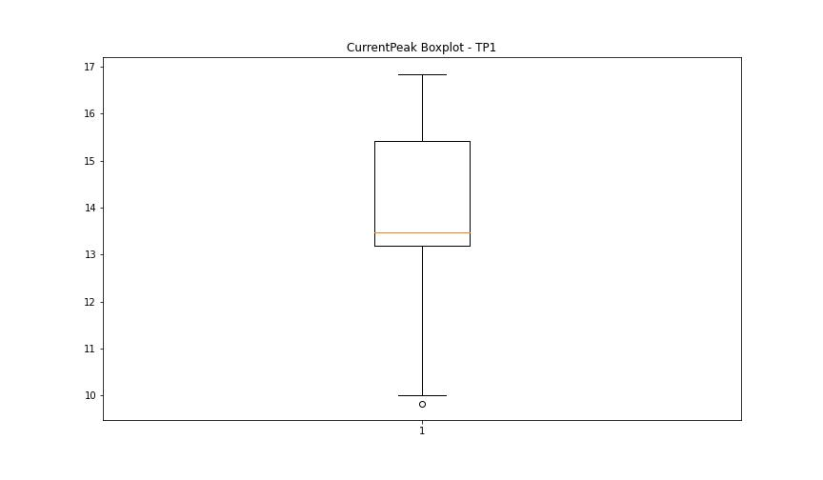

VibromPeak

numTP |  | 1
VibromPeak outliers |  | [ 0.7 1. 1.5 1.4 0.9 1.1 1.2 1.7 1.6 0.8 1.3 2. 1.8 2.2 2.3 2.4 3.1 2.1 3.4 3.3 3. 2.8 3.2 2.5 1.9 2.6 3.6 2.9 2.7 3.5 3.7 4.2 5.7 6. 5.9 4.8 4.5 3.8 7.5 7.4 7.3 6.8 5.6 5. 5.5 7.7 7.8 4.1 4.9 5.4 5.3 5.2 3.9 15. 10.9 11.5 18.5 24.799 9.7 14.2 26.799 13.9 19.2 24.2 15.3 4.4 9.9 13.4 8.7 7.1 6.1 16.799 25.6 11. 16.9 16.299 15.7 18.299 21.5 20.4 18.4 16.5 19.7 8.8 10.5 4. 4.3 5.1 ]
upper_bound |  | 0.6
lower_bound |  | -0.2

statistiche con outliers: |  |  | statistiche senza outliers:
numTP |  | 1 | numTP |  | 1
VibromPeak | max | 26.799 | VibromPeak | max | 0.6
 | min | 0.1 |  | min | 0.1
 | avg | 0.31370255491 |  | avg | 0.22419846221
 | median | 0.2 |  | median | 0.2

BOXPLOT SENZA OUTLIERS
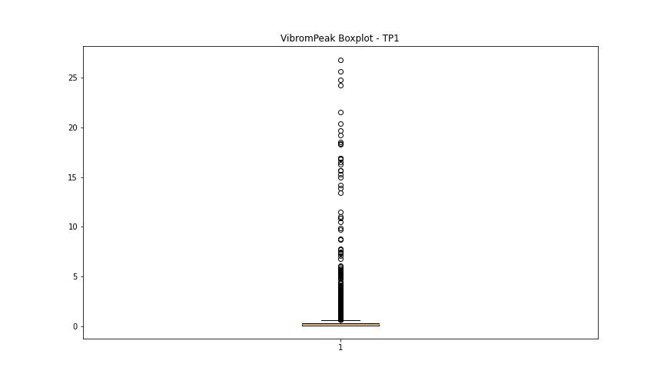

BOXPLOT CON OUTLIERS

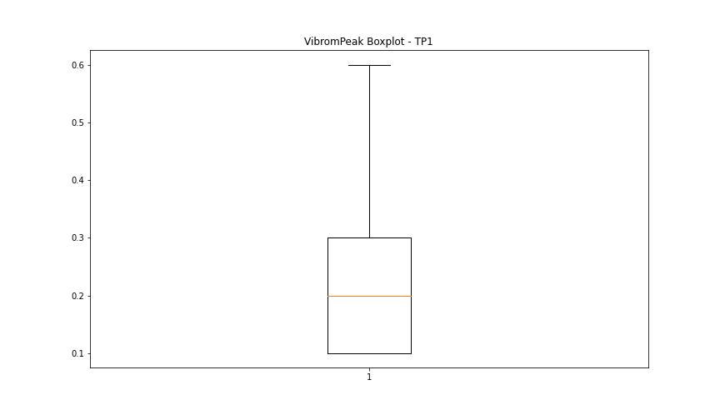

LUNG

numTP |  | 1
LUNG outliers |  | []
upper_bound |  | 249.6555
lower_bound |  | 40.5955

statistiche con outliers: |  |  | statistiche senza outliers:
numTP |  | 1 | numTP |  | 1
LUNG | max | 198.71 | LUNG | max | 198.71
 | min | 102.771 |  | min | 102.771
 | avg | 151.57468417 |  | avg | 151.57468417
 | median | 169.875 |  | median | 169.875

BOXPLOT SENZA OUTLIERS
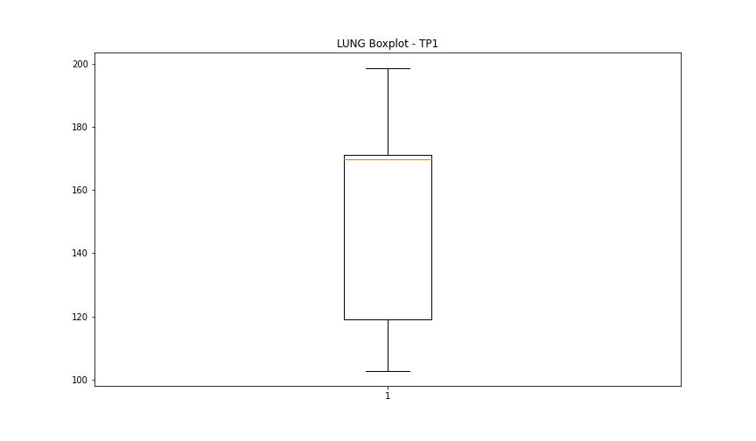

BOXPLOT CON OUTLIERS

DIAM

numTP |  | 1
DIAM outliers |  | [ 9.5 21.299 9.325 9.15 9.1 80. 12. 10. 14. 10.5 11.6 12.3 16. 18.5 11. 25. ]
upper_bound |  | 9
lower_bound |  | 1

statistiche con outliers: |  |  | statistiche senza outliers:
numTP |  | 1 | numTP |  | 1
DIAM | max | 80 | DIAM | max | 9
 | min | 1 |  | min | 1
 | avg | 5.6017755261 |  | avg | 4.4204897206
 | median | 4 |  | median | 4

BOXPLOT SENZA OUTLIERS
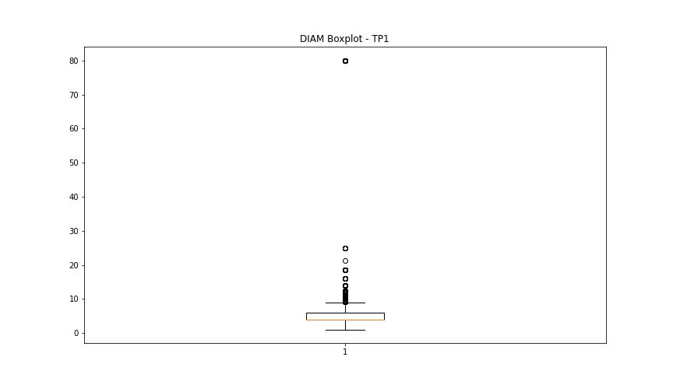

BOXPLOT CON OUTLIERS

