Sheet1
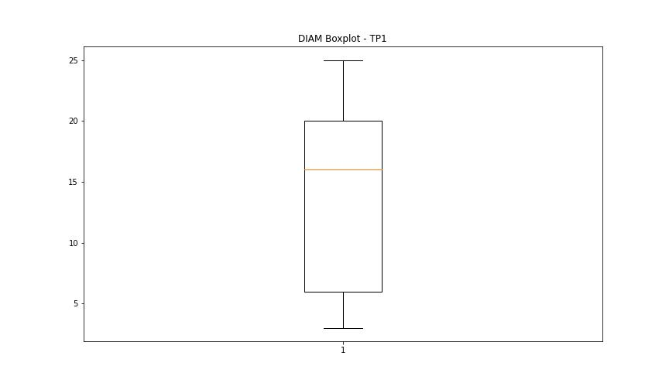
statorCelsius

numTP |  | 1 | 8
statorCelsius outliers |  | [46. 45. 0.] | []
upper_bound |  | 44 | 0
lower_bound |  | 12 | 0

statistiche con outliers: |  |  |  | statistiche senza outliers:
numTP |  | 1 | 8 | numTP |  | 1 | 8
statorCelsius | max | 46 | 0 | statorCelsius | max | 43 | 0
 | min | 0 | 0 |  | min | 13 | 0
 | avg | 27.51725243 | 0 |  | avg | 27.759982733 | 0
 | median | 27 | 0 |  | median | 27 | 0

BOXPLOT CON OUTLIERS
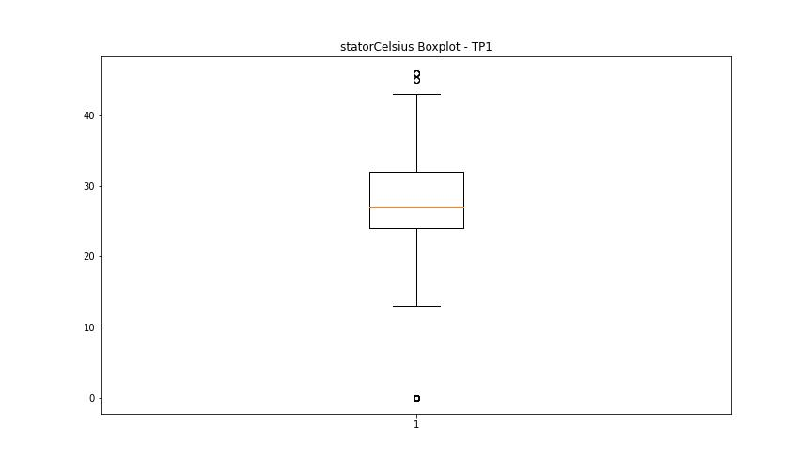
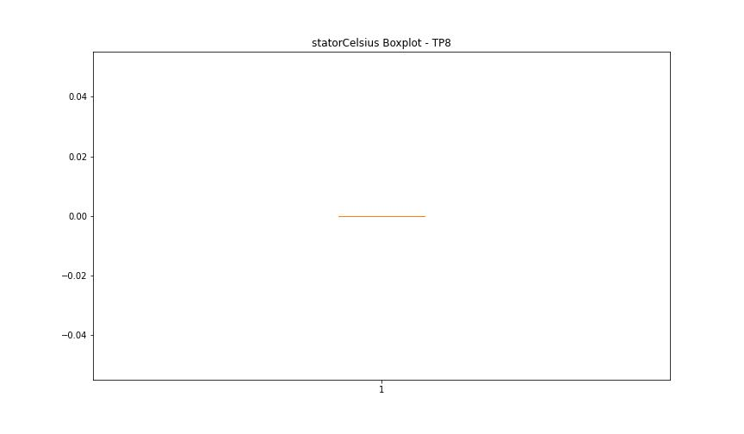

BOXPLOT SENZA OUTLIERS

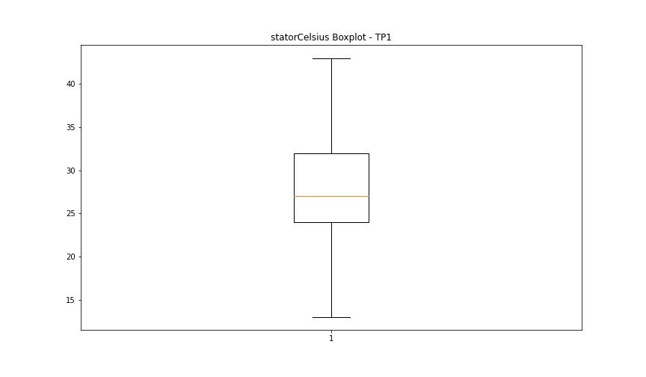

bearingsCelsius

numTP |  | 1 | 8
bearingsCelsius outliers |  | [15. 14. 13. 35. 34. 0. 37. 36.] | []
upper_bound |  | 33 | 0
lower_bound |  | 17 | 0

statistiche con outliers: |  |  |  | statistiche senza outliers:
numTP |  | 1 | 8 | numTP |  | 1 | 8
bearingsCelsius | max | 37 | 0 | bearingsCelsius | max | 33 | 0
 | min | 0 | 0 |  | min | 17 | 0
 | avg | 24.662001923 | 0 |  | avg | 24.986814404 | 0
 | median | 25 | 0 |  | median | 25 | 0

BOXPLOT CON OUTLIERS
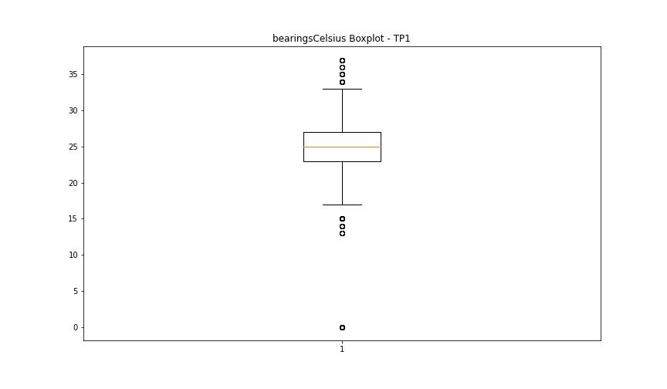


BOXPLOT SENZA OUTLIERS

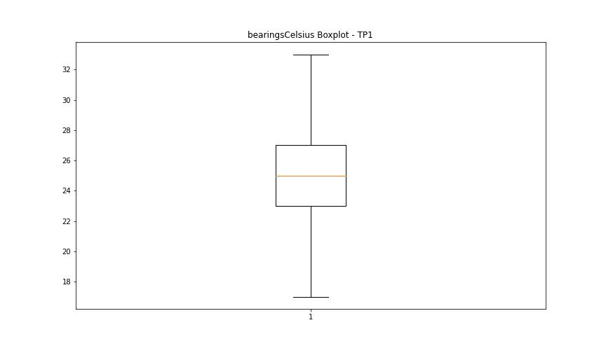

spindleRpm

numTP |  | 1 | 8
spindleRpm outliers |  | [0.0000e+00 2.4130e+03 1.9000e+01 4.6000e+01 2.4440e+03 2.3750e+03 8.5000e+01 2.4400e+03 2.3370e+03 2.4280e+03 2.3790e+03 1.6000e+01 5.8470e+03 5.9360e+03 5.8930e+03 5.9040e+03 5.8710e+03 3.2000e+01 5.9390e+03 5.9640e+03 6.0100e+03 5.9550e+03 5.9030e+03 5.9740e+03 5.9930e+03 5.9700e+03 6.0090e+03 5.9620e+03 5.8250e+03 5.8900e+03 5.9020e+03 5.8570e+03 5.9820e+03 5.9470e+03 5.9730e+03 6.0110e+03 5.9370e+03 1.7910e+03 4.7100e+02 2.5100e+02 8.7530e+03 1.4900e+02 1.3200e+02 5.9870e+03 5.9330e+03 5.9170e+03 5.9340e+03 5.8700e+03 5.9720e+03 5.9570e+03 5.9650e+03 2.1290e+03 5.9960e+03 5.9120e+03 4.8780e+03 5.9430e+03 5.9270e+03 5.8870e+03 5.9180e+03 5.9830e+03 5.9460e+03 6.0200e+03 5.8660e+03 5.9420e+03 5.9090e+03 5.9400e+03 5.9130e+03 5.8600e+03 5.9580e+03 5.9880e+03 6.0010e+03 5.9230e+03 5.9770e+03 5.9350e+03 5.8920e+03 5.8360e+03 5.9160e+03 5.9900e+03 5.9690e+03 6.0000e+03 5.9510e+03 5.9500e+03 1.5500e+03 5.9670e+03 5.8520e+03 5.9010e+03 8.8750e+03 1.4093e+04 5.8000e+02 5.8820e+03 5.9560e+03 1.0500e+03 5.9110e+03 5.8680e+03 1.0930e+03 9.8420e+03 3.6370e+03 5.2140e+03 3.2300e+02 1.0709e+04 1.7560e+03 7.4680e+03 4.4880e+03 1.0775e+04 7.2430e+03 5.1000e+01 1.4954e+04 4.6900e+02 1.4400e+02 7.4300e+03 1.4800e+02 1.4906e+04 1.4982e+04 1.4939e+04 1.4935e+04 1.5007e+04 1.4891e+04 1.5065e+04 1.5080e+04 1.5061e+04 1.5070e+04 1.4969e+04 1.4923e+04 1.1897e+04 1.4961e+04 1.4580e+04 1.4958e+04 1.4996e+04 1.4931e+04 1.4938e+04 1.4929e+04 1.4864e+04 1.4902e+04 1.4920e+04 7.5080e+03 1.5009e+04 4.8700e+03 4.8790e+03 7.4970e+03 7.4740e+03 1.4934e+04 5.9300e+03 5.8800e+03 7.4150e+03 1.4887e+04 7.4430e+03 5.9410e+03 7.4820e+03 1.4973e+04 7.3830e+03 1.4975e+04 7.4840e+03 1.4949e+04 7.4630e+03 1.4994e+04 5.9790e+03 7.4590e+03 1.4950e+04 7.4310e+03 5.9480e+03 7.4530e+03 1.4863e+04 5.9940e+03 7.4090e+03 1.4880e+04 5.9380e+03 7.3500e+03 7.4380e+03 1.4842e+04 5.9530e+03 4.1000e+02 7.4260e+03 7.4210e+03 1.4850e+04 5.9860e+03 7.4400e+03 1.492 | []
upper_bound |  | 22933 | 0
lower_bound |  | 15093 | 0

statistiche con outliers: |  |  |  | statistiche senza outliers:
numTP |  | 1 | 8 | numTP |  | 1 | 8
spindleRpm | max | 65535 | 0 | spindleRpm | max | 20079 | 0
 | min | 0 | 0 |  | min | 15297 | 0
 | avg | 18771.507959 | 0 |  | avg | 19528.365101 | 0
 | median | 19955 | 0 |  | median | 19959 | 0

BOXPLOT CON OUTLIERS
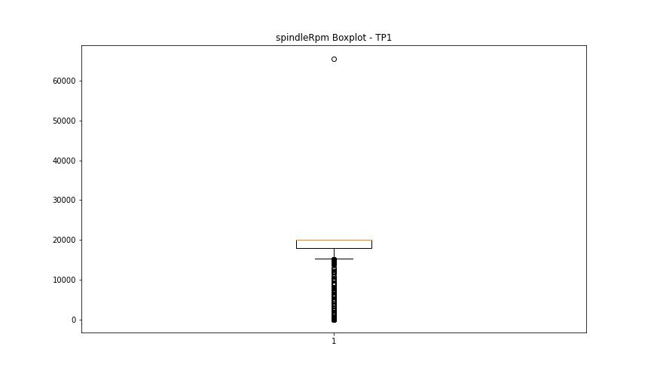


BOXPLOT SENZA OUTLIERS

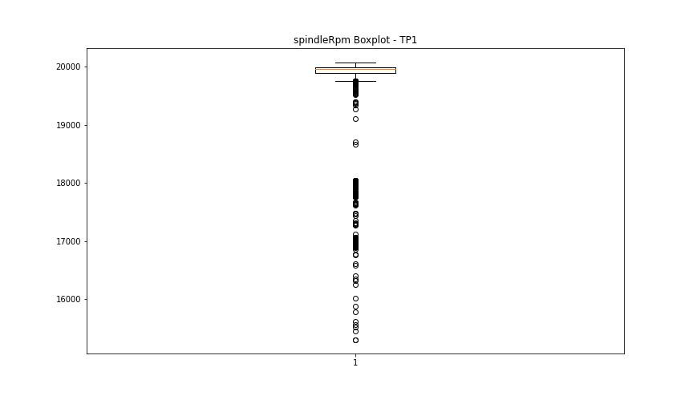

rpmSetPoint

numTP |  | 1 | 8
rpmSetPoint outliers |  | [ 2500. 6000. 18000. 15000. 12000. 7500. 5000. 0. 10000. 9000. 3500. 17000.] | []
upper_bound |  | 20000 | 5000
lower_bound |  | 20000 | 5000

statistiche con outliers: |  |  |  | statistiche senza outliers:
numTP |  | 1 | 8 | numTP |  | 1 | 8
rpmSetPoint | max | 20000 | 5000 | rpmSetPoint | max | 20000 | 5000
 | min | 0 | 5000 |  | min | 20000 | 5000
 | avg | 18995.459887 | 5000 |  | avg | 20000 | 5000
 | median | 20000 | 5000 |  | median | 20000 | 5000

BOXPLOT CON OUTLIERS
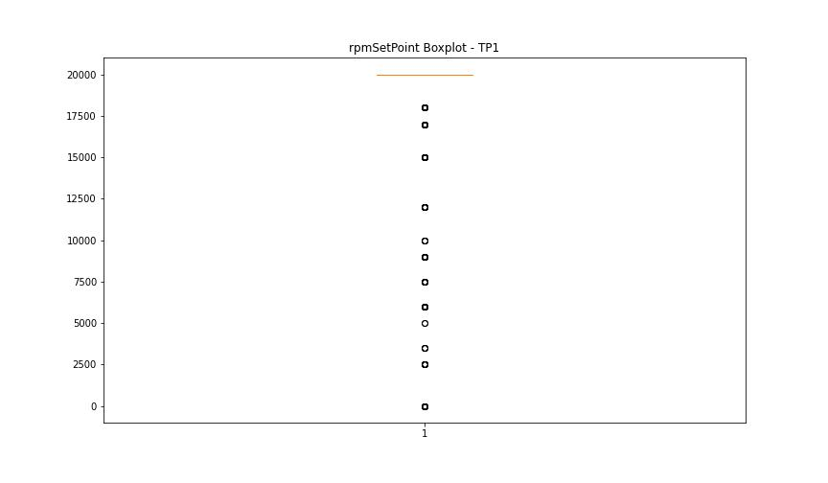
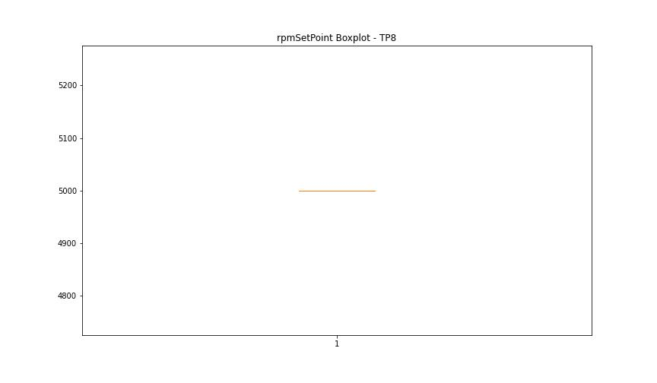

BOXPLOT SENZA OUTLIERS

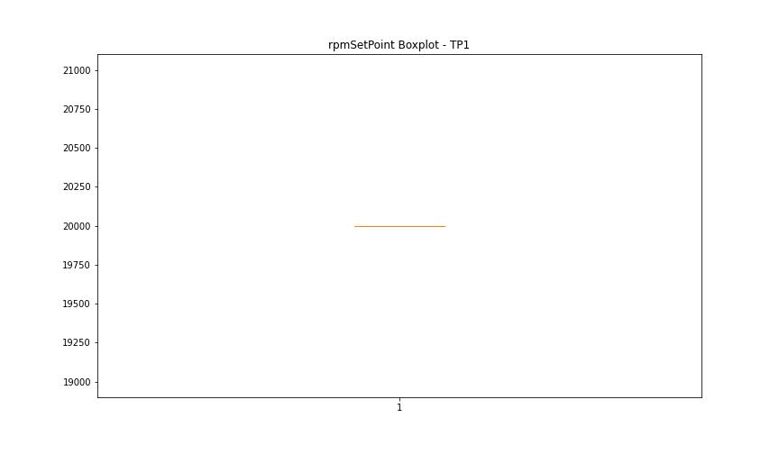

CurrentPeak

numTP |  | 1 | 8
CurrentPeak outliers |  | [2.1981e+01 2.4667e+01 2.3596e+01 2.2813e+01 2.1437e+01 2.4888e+01 2.4955e+01 1.6558e+01 6.7251e+01 2.4632e+01 1.5215e+01 2.3732e+01 1.6931e+01 6.3410e+01 8.3011e+01 1.6660e+01 1.5572e+01 2.2032e+01 2.6639e+01 2.8492e+01 3.2980e+01 2.3426e+01 3.3217e+01 2.3239e+01 2.1726e+01 2.5398e+01 2.4225e+01 2.5160e+01 2.4191e+01 2.3306e+01 5.1510e+00 5.8650e+00 3.4000e+00 2.5670e+00 8.0410e+00 4.5220e+00 2.0740e+01 2.5058e+01 2.0705e+01 2.2253e+01 2.1488e+01 2.0757e+01 4.2500e+00 3.1620e+00 2.0723e+01 2.2049e+01 3.1636e+01 2.1097e+01 2.1641e+01 2.1521e+01 2.4089e+01 4.4540e+00 3.1450e+00 4.4030e+00 5.4230e+00 2.3256e+01 2.6622e+01 2.3868e+01 2.2337e+01 2.5601e+01 3.1500e+01 4.7770e+00 4.4370e+00 2.7880e+00 3.3830e+00 2.1233e+01 4.1480e+00 1.9209e+01 2.2525e+01 2.9750e+00 4.0290e+00 3.4340e+00 3.0940e+00 2.0688e+01 2.6350e+00 3.2300e+00 3.8590e+00 4.3010e+00 4.9810e+00 3.1960e+00 2.2983e+01 2.1607e+01 2.2507e+01 2.0910e+01 2.3800e-01 4.0460e+00 2.3970e+00 5.3210e+00 5.1000e+00 2.7710e+00 3.6210e+00 4.6240e+00 2.0841e+01 3.0719e+01 2.9971e+01 4.6410e+00 5.2020e+00 2.3000e+01 4.6920e+00 4.3860e+00 3.8080e+00 4.6070e+00 4.8280e+00 4.8110e+00 5.0660e+00 3.6890e+00 3.7230e+00 3.9100e+00 2.0791e+01 1.9346e+01 4.0120e+00 3.7570e+00 3.9440e+00 3.9610e+00 8.5000e-02 2.3273e+01 2.3375e+01 2.2899e+01 2.2150e+01 2.4309e+01 2.1318e+01 2.1011e+01 2.4735e+01 4.8620e+00 4.1650e+00 5.6440e+00 5.4400e+00 3.3354e+01 2.4990e+01 2.7302e+01 2.3545e+01 1.9312e+01 2.2490e+01 2.3052e+01 2.2643e+01 2.4055e+01 1.9686e+01 2.1896e+01 2.5125e+01 9.0780e+00 2.3341e+01 1.7170e+00 2.9172e+01 2.7149e+01 2.9851e+01 2.4242e+01 2.4565e+01 2.0400e-01 2.3783e+01 2.3715e+01 2.5959e+01 2.7896e+01 2.4718e+01 2.3919e+01 2.1827e+01 2.1811e+01 2.1539e+01 2.6757e+01 1.8700e-01 2.2763e+01 2.0774e+01 2.2372e+01 2.0961e+01 7.4460e+00 6.0010e+00 2.4429e+01 7.0380e+00 8.2960e+00 9.3330e+00 5.6610e+00 1.2206e+01 9.6390e+00 7.1740e+00 6.3070e+00 8.3640e+00 2.1114e+01 5.185 | [12.224]
upper_bound |  | 20.6805 | 6.8935
lower_bound |  | 20.0685 | 4.2575

statistiche con outliers: |  |  |  | statistiche senza outliers:
numTP |  | 1 | 8 | numTP |  | 1 | 8
CurrentPeak | max | 83.011 | 12.224 | CurrentPeak | max | 20.672 | 5.905
 | min | 0.034 | 5.128 |  | min | 20.077 | 5.128
 | avg | 19.750843072 | 6.7986 |  | avg | 20.382607269 | 5.44225
 | median | 20.382 | 5.49 |  | median | 20.382 | 5.368

BOXPLOT CON OUTLIERS
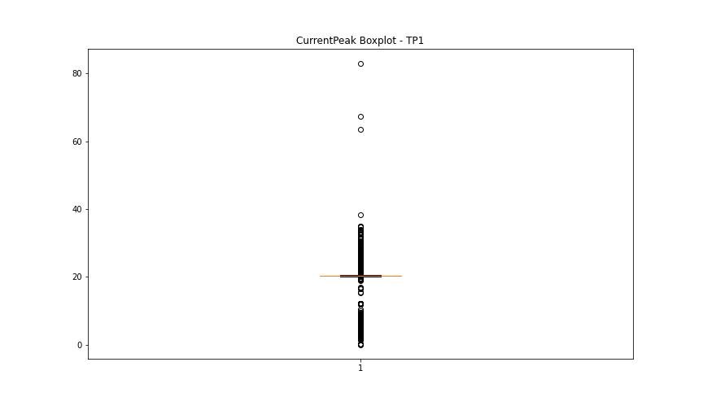
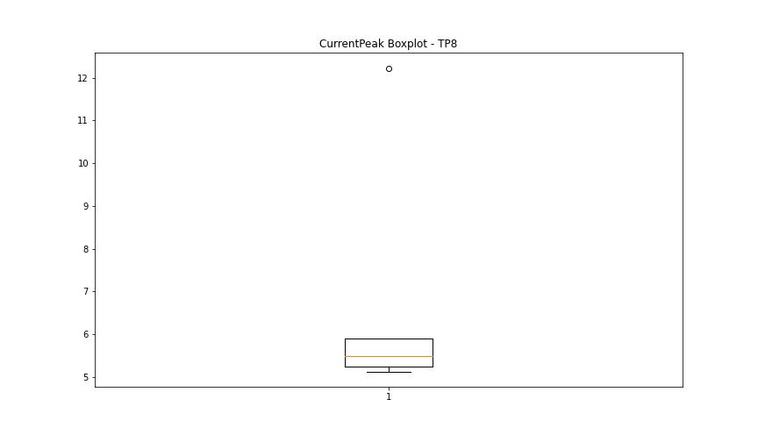

BOXPLOT SENZA OUTLIERS

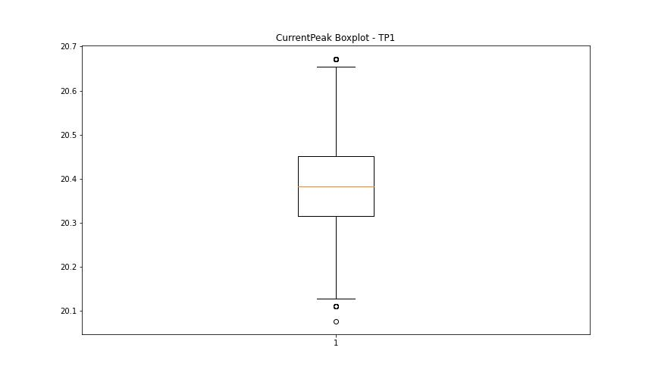
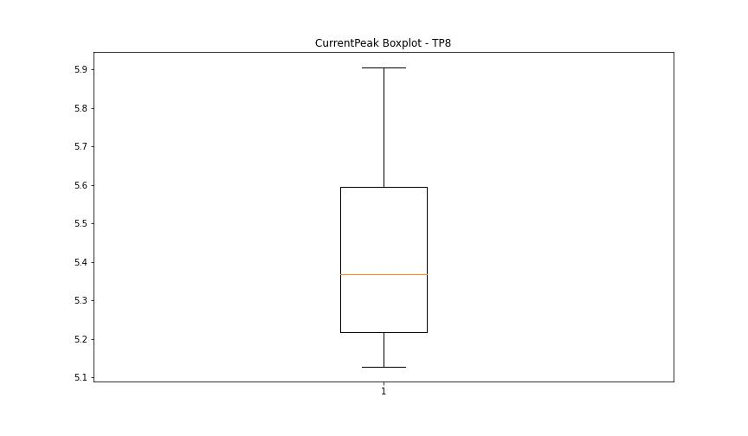

VibromPeak

numTP |  | 1 | 8
VibromPeak outliers |  | [23.7 24.1 28.4 30.5 26. 28.799 31.6 30.299 32.2 24.799 28. 30. 31.5 30.7 28.5 30.9 27.7 29.9 25. 27.5 24.9 29. 32.5 29.7 30.799 26.299 27.799 25.6 34.9 29.1 31.4 31.1 31.799 36.299 29.299 31.2 32.799 30.6 25.2 25.799 28.299 24.5 23.4 23.6 24.4 23.799 24. 26.1 25.299 24.6 24.299 24.2 26.4 26.2 31.299 32.299 29.5 35.299 42.7 47.299 28.7 43.4 43. 41.799 37.099 36.099 38.4 41.9 42.599 39.299 37.5 33.4 38.2 39.099 37.599 34.299 37. 35.5 31. 30.4 34.599 33. 33.2 34. 23.9 33.099 36.5 35.099 29.799 32.9 26.9 28.6 24.7 23.5 29.4 27.2 27. 29.2 27.6 25.7 25.4 25.5 26.799 38.9 27.9 27.299 30.1 25.9 34.099 27.1 33.5 34.5 32.599 28.2 26.6 28.1 30.2 46.799 38.299 38. 34.4 33.599 31.9 41.599 34.799 37.9 35.799 32.4 35.9 28.9 26.5 ]
upper_bound |  | 23.3
lower_bound |  | -7.9

statistiche con outliers: |  |  |  | statistiche senza outliers:
numTP |  | 1 | 8 | numTP |  | 1 | 8
VibromPeak | max | 47.299 | nan | VibromPeak | max | 23.299
 | min | 0.1 | nan |  | min | 0.1
 | avg | 8.6468868881 | nan |  | avg | 7.8500187199
 | median | 6.9 | nan |  | median | 6.6

BOXPLOT CON OUTLIERS
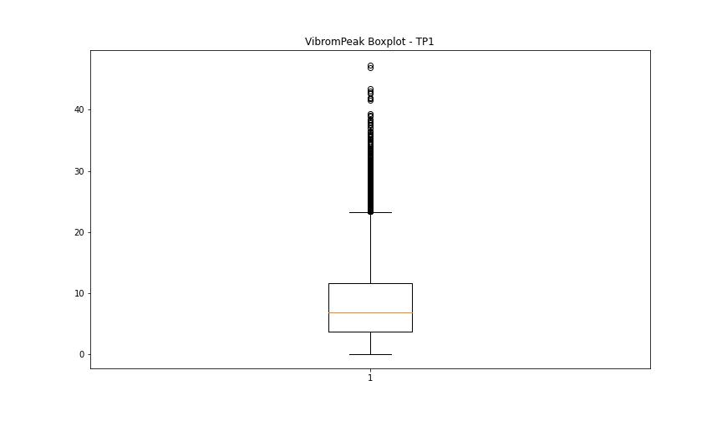
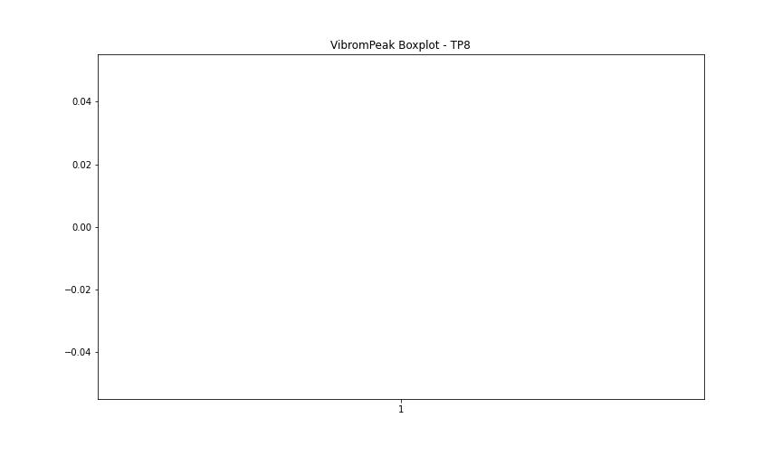

BOXPLOT SENZA OUTLIERS

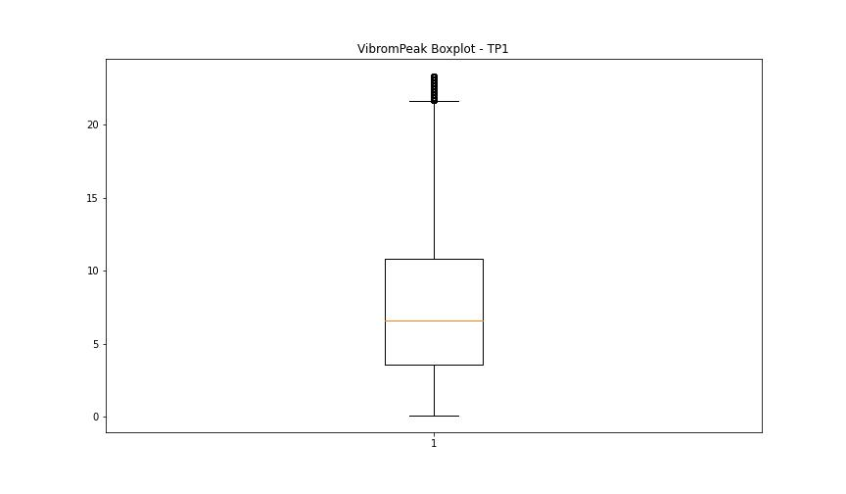

LUNG

numTP |  | 1 | 8
LUNG outliers |  | [] | []
upper_bound |  | 272.5415 | 2
lower_bound |  | 13.8415 | 2

statistiche con outliers: |  |  |  | statistiche senza outliers:
numTP |  | 1 | 8 | numTP |  | 1 | 8
LUNG | max | 179.38 | 2 | LUNG | max | 179.38 | 2
 | min | 51.599 | 2 |  | min | 51.599 | 2
 | avg | 139.7142734 | 2 |  | avg | 139.7142734 | 2
 | median | 130.86 | 2 |  | median | 130.86 | 2

BOXPLOT CON OUTLIERS
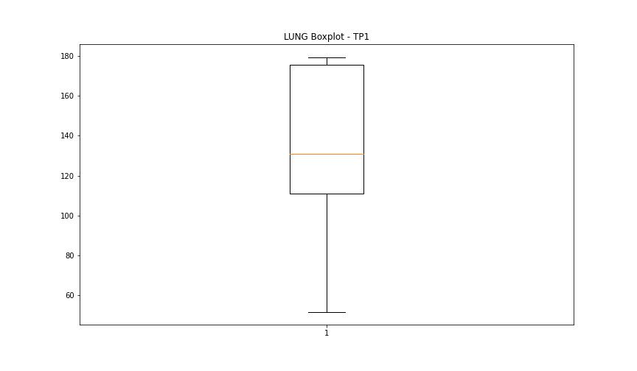
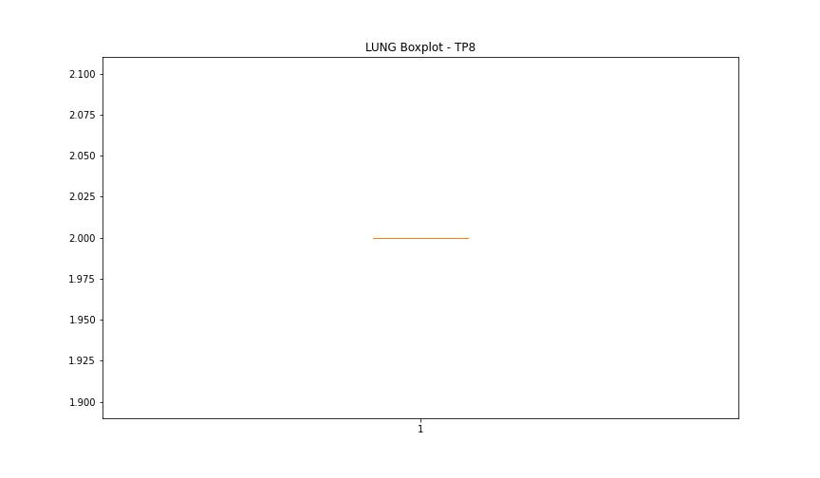

BOXPLOT SENZA OUTLIERS

DIAM

numTP |  | 1 | 8
DIAM outliers |  | [350. 80. 300. 301. 301.2 301.5 299.799 299.6 299.399 299.2 299. 64. 62. 60. 59. 82. 347.239 347.54 347.839 348. 348.2 ] | []
upper_bound |  | 41.075 | 120
lower_bound |  | -15.125 | 120

statistiche con outliers: |  |  |  | statistiche senza outliers:
numTP |  | 1 | 8 | numTP |  | 1 | 8
DIAM | max | 350 | 120 | DIAM | max | 25 | 120
 | min | 3 | 120 |  | min | 3 | 120
 | avg | 19.905733013 | 120 |  | avg | 13.600396797 | 120
 | median | 16 | 120 |  | median | 16 | 120

BOXPLOT CON OUTLIERS
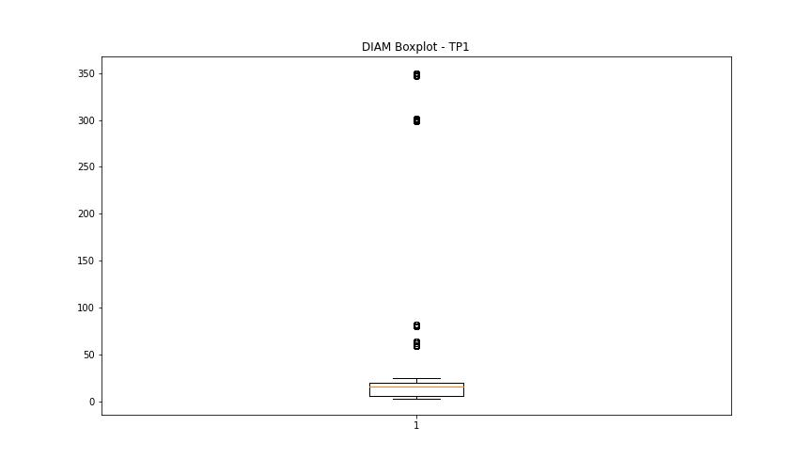
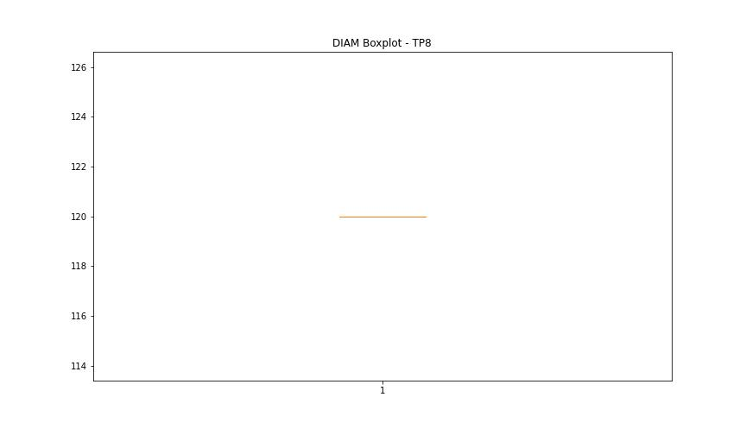

BOXPLOT SENZA OUTLIERS

