Sheet1
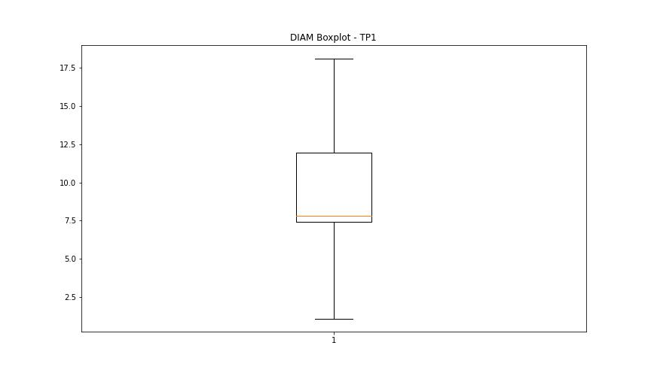
statorCelsius

numTP |  | 1 | 11
statorCelsius outliers |  | [10. 9.] | [34. 36. 40. 35. 38. 33. 37. 39. 20. 17. 19. 18. 41. 15. 12. 13. 14. 42.]
upper_bound |  | 51 | 32.5
lower_bound |  | 11 | 20.5

statistiche con outliers: |  |  |  | statistiche senza outliers:
numTP |  | 1 | 11 | numTP |  | 1 | 11
statorCelsius | max | 43 | 42 | statorCelsius | max | 43 | 32
 | min | 9 | 12 |  | min | 11 | 22
 | avg | 31.026281808 | 26.836726215 |  | avg | 31.029552534 | 26.378794827
 | median | 31 | 27 |  | median | 31 | 27

BOXPLOT CON OUTLIERS
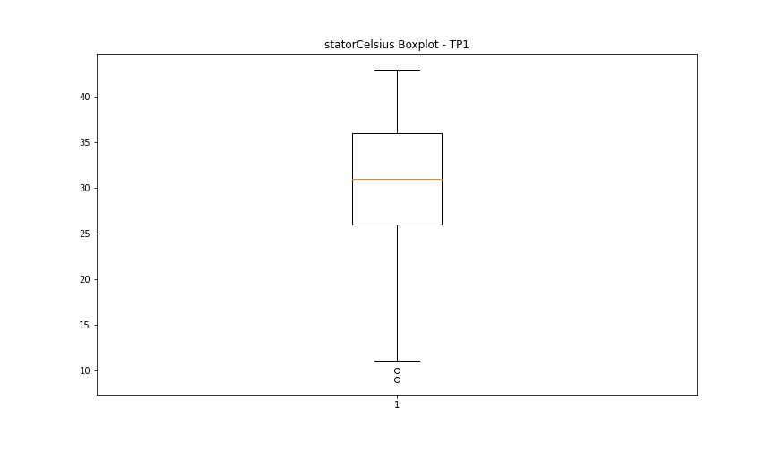
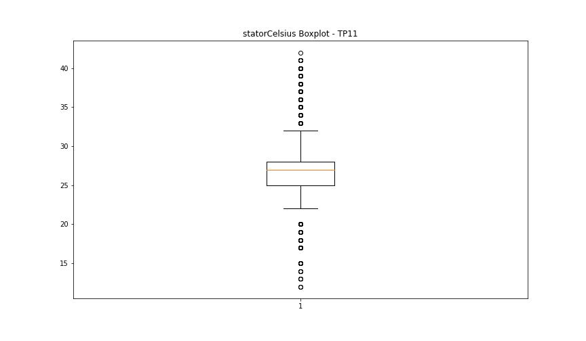

BOXPLOT SENZA OUTLIERS

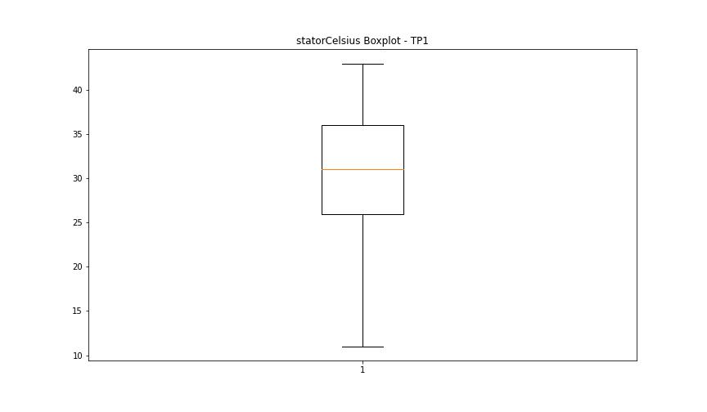
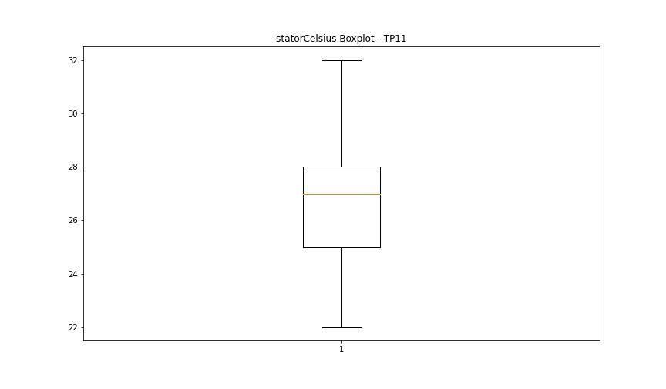

bearingsCelsius

numTP |  | 1 | 11
bearingsCelsius outliers |  | [33. 34. 20. 19. 17. 18. 16. 15. 14. 13. 12. 10. 11. 35. 36. 37. 39. 38.] | [32. 35. 34. 33. 20. 18. 19. 17. 15. 13. 14. 37. 36.]
upper_bound |  | 32.5 | 30
lower_bound |  | 20.5 | 22

statistiche con outliers: |  |  |  | statistiche senza outliers:
numTP |  | 1 | 11 | numTP |  | 1 | 11
bearingsCelsius | max | 39 | 37 | bearingsCelsius | max | 32 | 30
 | min | 10 | 13 |  | min | 21 | 22
 | avg | 26.762856058 | 25.699210636 |  | avg | 26.674889724 | 25.691040902
 | median | 26 | 25 |  | median | 26 | 25

BOXPLOT CON OUTLIERS
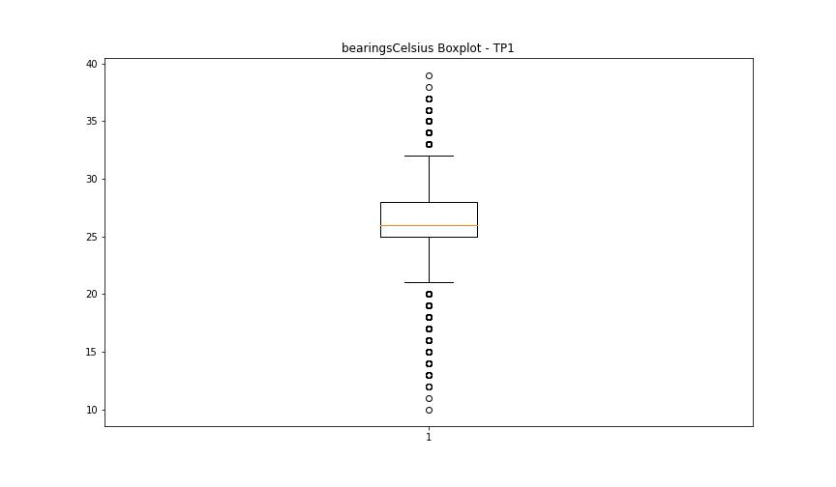
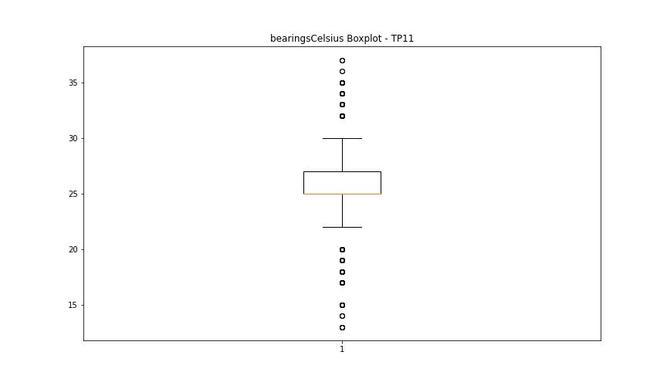

BOXPLOT SENZA OUTLIERS

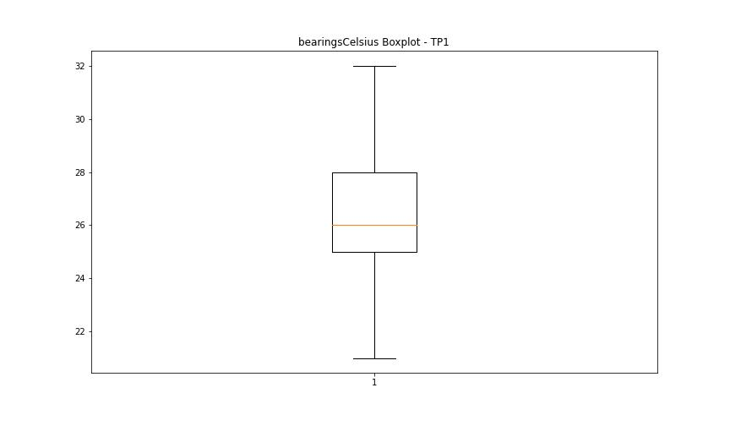
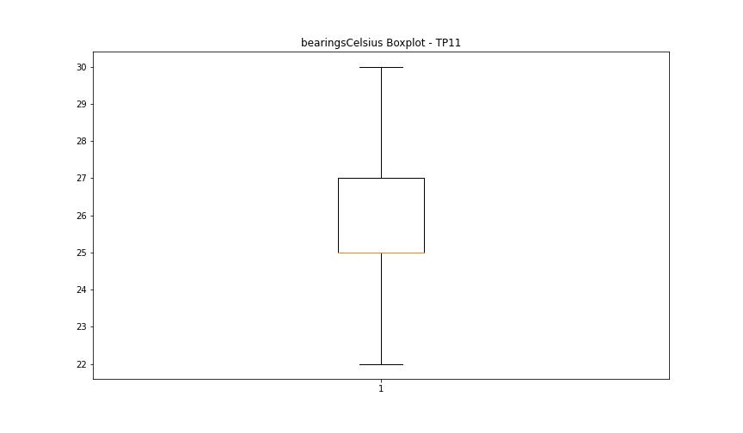

spindleRpm

numTP |  | 1 | 11
spindleRpm outliers |  | [ 7995. 7195. 8004. 7998. 7999. 7997. 7993. 7992. 7994. 8003. 8000. 5998. 10001. 12005. 8006. 10000. 8001. 8005. 7196. 7996. 8007. 8002. 6001. 10002. 12003. 10003. 5996. 10008. 12002. 7197. 9997. 12000. 9995. 7200. 7991. 8008. 9994. 7199. 10007. 10006. 5995. 10005. 11994. 12006. 9991. 7207. 7987. 6002. 11988. 10004. 7989. 8010. 5994. 12009. 7201. 7193. 9996. 6005. 11991. 5997. 7194. 9998. 6003. 9993. 5999. 11999. 7205. 12016. 7190. 12001. 10009. 7209. 12008. 9999. 11998. 11997. 9992. 15991. 13995. 14006. 14005. 13993. 14008. 14018. 14000. 3164. 14001. 10997. 10996. 11000. 11002. 11006. 6805. 14004. 9990. 10999. 14007. 13999. 13998. 13996. 14002. 12996. 12999. 13991. 14010. 13994. 13989. 13988. 13982. 14014. 12995. 12998. 13004. 13997. 13008. 14012. 13000. 14003. 17797. 17813. 1909. 17812. 17821. 17830. 12797. 14015. 12802. 12810. 12805. 12793. 14027. 14011. 13985. 13986. 14016. 13992. 9911. 9791. 9690. 9583. 9597. 9689. 9796. 9893. 13984. 9973. 13990. 14020. 11732. 14017. 14013. 13981. 1935. 14019. 13003. 14009. 12994. 13002. 4206. 13987. 8140. 16005. 15986. 15995. 16008. 16001. 16030. 16002. 16021. 15999. 16003. 16010. 16006. 16000. 15993. 15984. 16007. 16018. 15989. 15997. 16014. 16009. 15988. 16013. 15998. 16012. 15996. 15990. 15977. 16011. 15985. 15994. 3428. 15978. 16004. 15987. 15976. 16026. 15983. 15992. 16015. 13983. 17788. 17818. 13864. 17810. 17836. 17839. 17833. 13860. 17826. 17823. 13861. 17831. 13870. 17819. 17816. 17825. 13863. 17820. 17822. 17690. 16017. 16023. 15974. 16016. 16022. 16024. 11879. 16019. 16034. 2083. 14026. 13006. 12993. 18034. 1168. 17455. 17470. 17458. 17460. 17457. 13978. 18036. 17474. 17013. 16980. 16991. 16992. 17004. 16989. 17003. 17016. 15982. 16032. 15967. 4344. 17624. 17630. 17650. 17634. 17629. 17645. 17640. 17625. 17622. 17660. 17635. 17642. 17656. 17647. 17638. 17637. 17466. 3097. 17828. 12404. 14268. | [65535.]
upper_bound |  | 18032 | 38430
lower_bound |  | 17960 | -15850

statistiche con outliers: |  |  |  | statistiche senza outliers:
numTP |  | 1 | 11 | numTP |  | 1 | 11
spindleRpm | max | 18106 | 65535 | spindleRpm | max | 18031 | 18146
 | min | 506 | 0 |  | min | 17960 | 0
 | avg | 17139.966806 | 11562.91184 |  | avg | 18000.510777 | 11495.558985
 | median | 17999 | 10061 |  | median | 18001 | 10059

BOXPLOT CON OUTLIERS
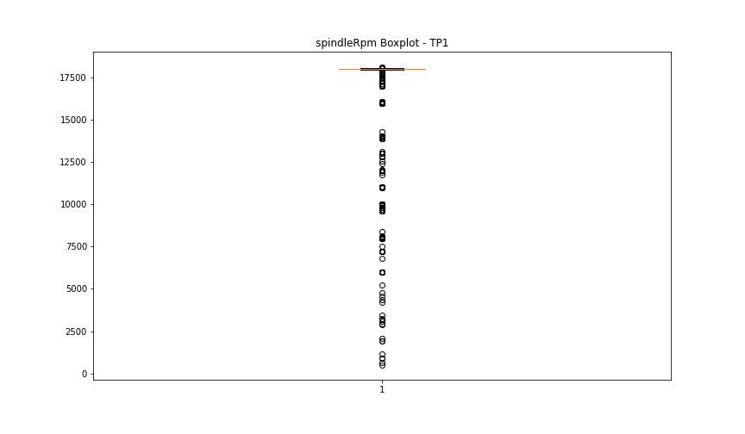
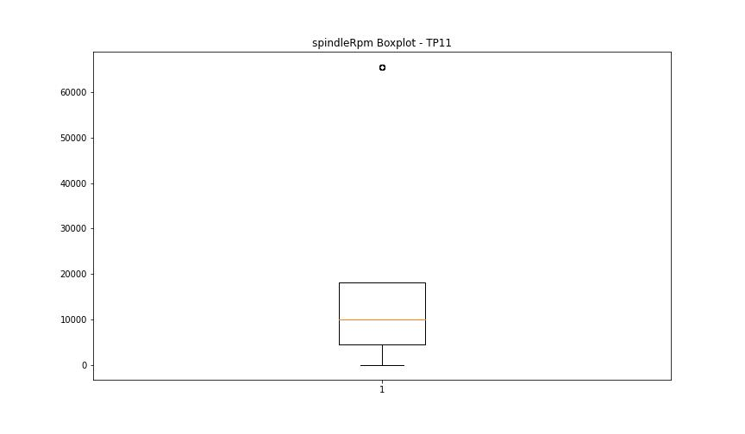

BOXPLOT SENZA OUTLIERS

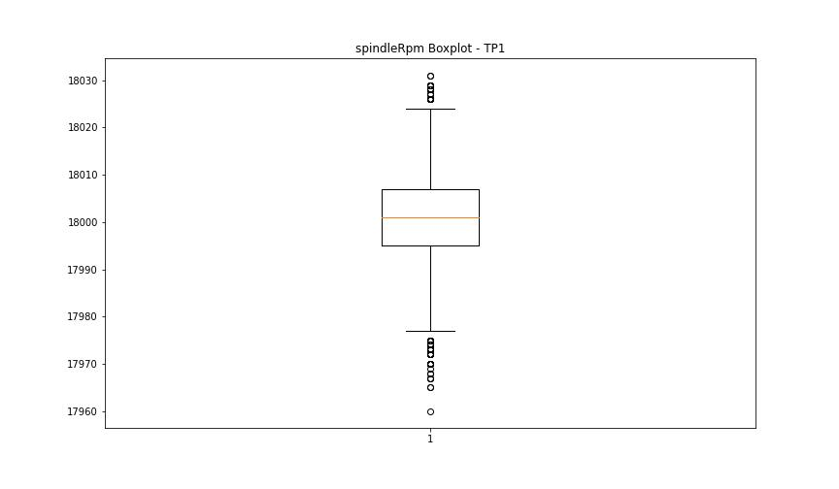
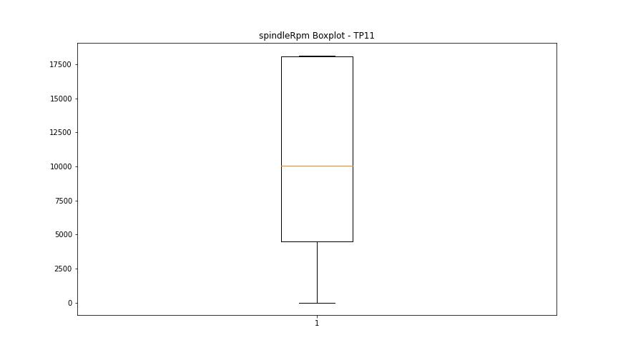

rpmSetPoint

numTP |  | 1 | 11
rpmSetPoint outliers |  | [ 8000. 7200. 6000. 10000. 12000. 16000. 14000. 11000. 13000. 12800. 2000. 17000.] | []
upper_bound |  | 18000 | 38250
lower_bound |  | 18000 | -15750

statistiche con outliers: |  |  |  | statistiche senza outliers:
numTP |  | 1 | 11 | numTP |  | 1 | 11
rpmSetPoint | max | 18000 | 18000 | rpmSetPoint | max | 18000 | 18000
 | min | 2000 | 2000 |  | min | 18000 | 2000
 | avg | 17166.790733 | 11471.366847 |  | avg | 18000 | 11471.366847
 | median | 18000 | 10000 |  | median | 18000 | 10000

BOXPLOT CON OUTLIERS
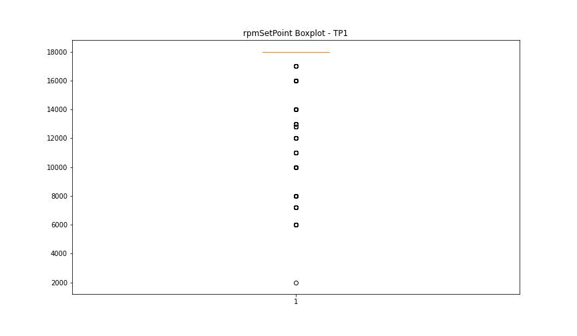
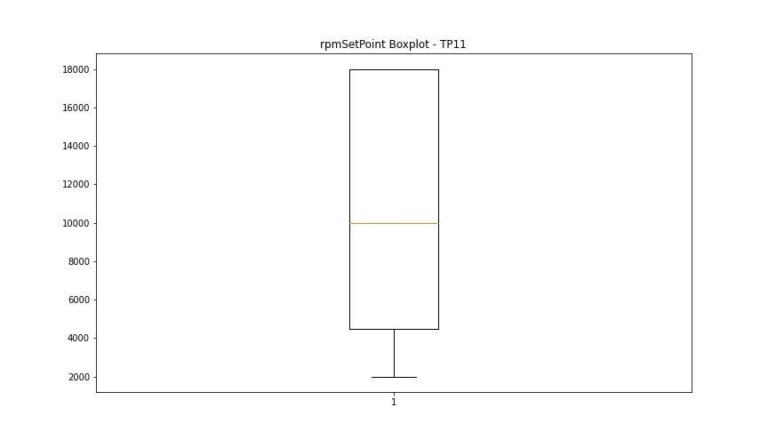

BOXPLOT SENZA OUTLIERS

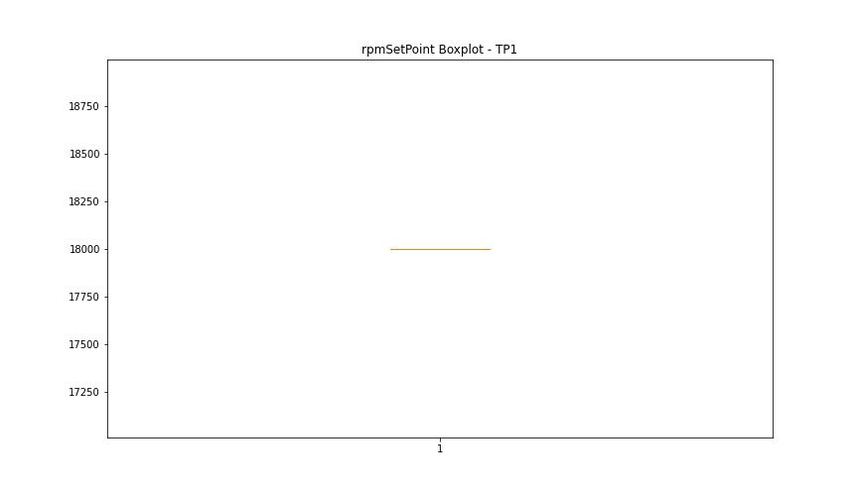

CurrentPeak

numTP |  | 1 | 11
CurrentPeak outliers |  | [ 2.64 4.262 3.483 0.424 1.876 1.536 0.545 0.24 1.508 0.594 1.217 1.175 1.43 1.309 1.522 17.657 17.763 17.523 18.195 18.762 18.422 18.287 18.089 18.224 18.974 18.344 17.962 18.181 17.565 18.011 17.855 18.04 17.735 17.891 18.252 18.33 18.132 18.068 18.117 17.919 0.651 18.896 18.833 19.307 18.882 18.436 18.726 18.62 18.358 18.054 17.87 17.473 17.218 17.509 17.431 17.721 18.5 17.997 17.416 18.592 17.799 18.776 18.542 17.629 17.459 17.671 18.103 18.394 17.983 17.841 17.339 17.601 17.183 0.559 19.017 18.316 17.933 17.813 17.615 18.146 17.643 17.827 17.707 18.238 17.289 17.749 17.324 17.353 17.197 17.14 17.232 17.487 17.31 18.379 17.905 17.169 17.778 18.273 17.579 18.025 17.155 17.247 17.275 18.16 17.947 19.215 18.514 18.408 18.684 3.724 18.939 18.96 18.563 18.209 18.471 18.712 18.804 17.537 18.578 18.634 18.74 18.854 19.229 18.606 19.066 17.402 17.367 17.551 19.109 18.925 19.187 18.79 19.052 5.954 19.342 18.868 19.031 18.486 17.693 18.648 18.91 34.131 36.611 35.123 27.775 28.427 0.58 3.235 4.276 17.445 0.608 1.847 18.45 19.002 19.144 19.172 18.302 18.698 1.493 3.738 1.069 1.798 1.359 1.89 1.585 1.323 1.203 1.954 1.6 18.988 17.381 18.528 17.261 0.453] | []
upper_bound |  | 17.1365 | 63.8755
lower_bound |  | 10.7085 | -20.8165

statistiche con outliers: |  |  |  | statistiche senza outliers:
numTP |  | 1 | 11 | numTP |  | 1 | 11
CurrentPeak | max | 36.611 | 39.71 | CurrentPeak | max | 17.126 | 39.71
 | min | 0.24 | 1.054 |  | min | 11.795 | 1.054
 | avg | 14.00484512 | 23.381219526 |  | avg | 13.723730829 | 23.381219526
 | median | 13.289 | 27.775 |  | median | 13.26 | 27.775

BOXPLOT CON OUTLIERS
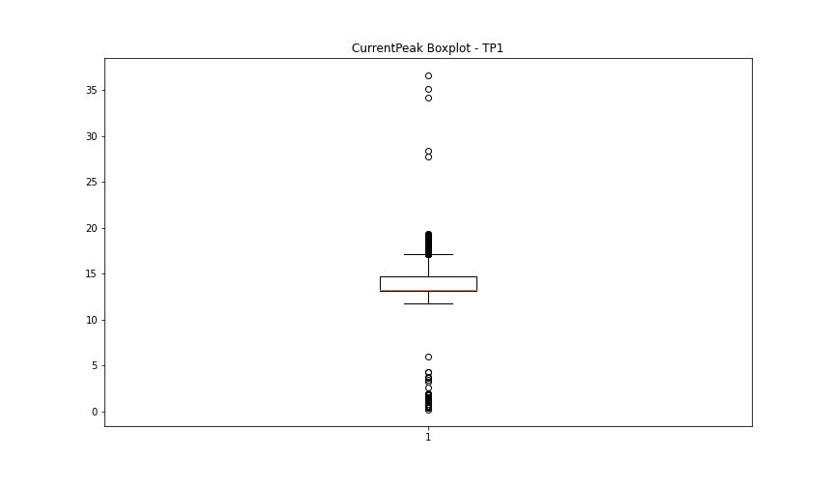
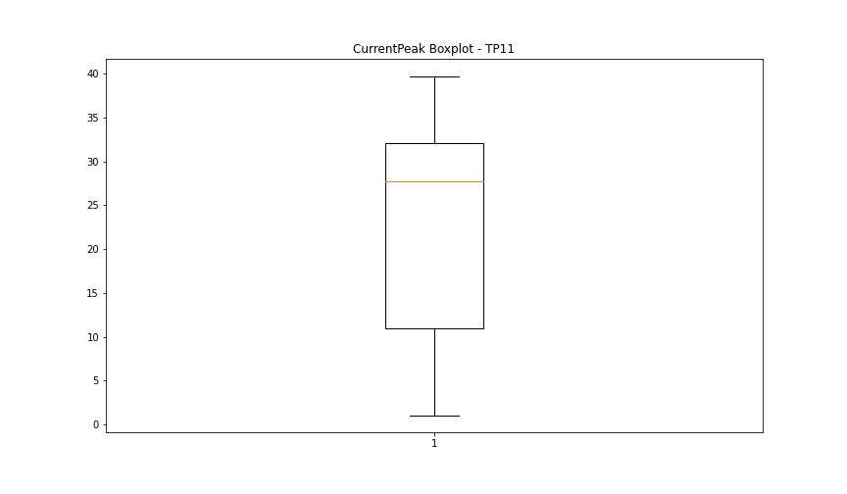

BOXPLOT SENZA OUTLIERS

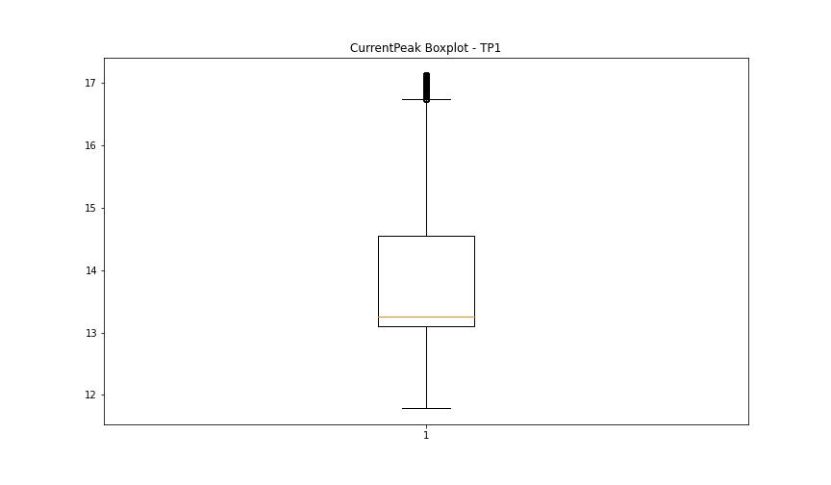

VibromPeak

numTP |  | 1 | 11
VibromPeak outliers |  | [ 2.5 2.6 2.4 2.3 3.3 3.7 3. 2.8 2.7 3.6 3.9 2.9 3.4 3.2 4.4 3.1 4.2 4.1 3.5 4.3 3.8 5.2 6.1 5. 5.6 5.4 6. 5.9 5.3 5.8 4. 4.7 4.5 4.6 5.7 6.4 8.4 15.9 8.5 6.2 7.2 4.8 7.1 6.8 8.2 8.6 7.5 6.6 7. 7.7 7.3 6.9 25.1 4.9 14.2] | [ 7. 6.4 6.1 5.7 5.5 5.4 5.9 24.7 20.4 6.6 6. 5.6 6.2 5.8 7.3 8.5 8.3 7.9 6.8 7.6 8. 10.8 8.2 9.2 7.1 10.6 6.5 10.3 6.9 10. 10.2 7.4 6.7 7.2 7.5 7.7 6.3 8.4 9.3 9. ]
upper_bound |  | 2.2 | 5.3
lower_bound |  | -0.2 | -1.1

statistiche con outliers: |  |  |  | statistiche senza outliers:
numTP |  | 1 | 11 | numTP |  | 1 | 11
VibromPeak | max | 25.1 | 24.7 | VibromPeak | max | 2.2 | 5.3
 | min | 0.1 | 0.1 |  | min | 0.1 | 0.1
 | avg | 1.0868894797 | 2.1219194017 |  | avg | 0.99893221546 | 2.0670562516
 | median | 1 | 1.9 |  | median | 1 | 1.9

BOXPLOT CON OUTLIERS
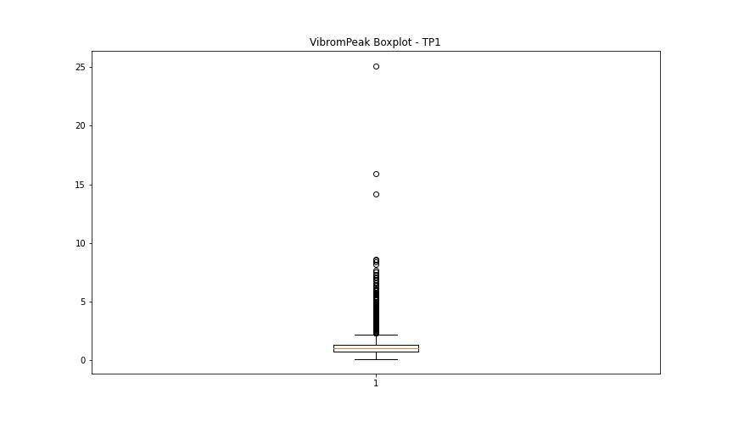
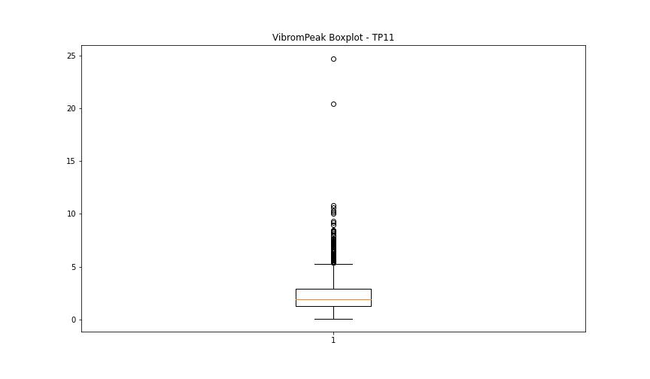

BOXPLOT SENZA OUTLIERS

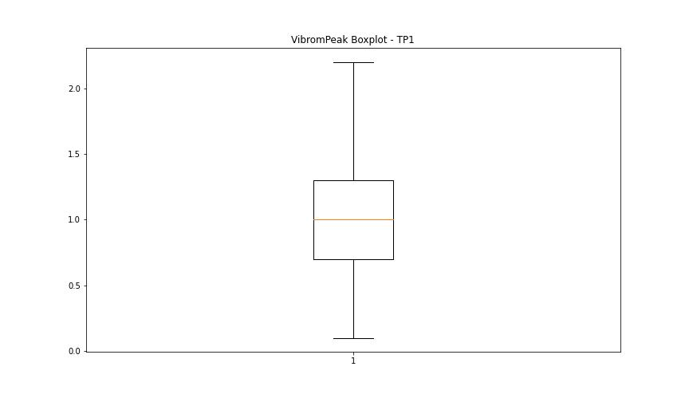
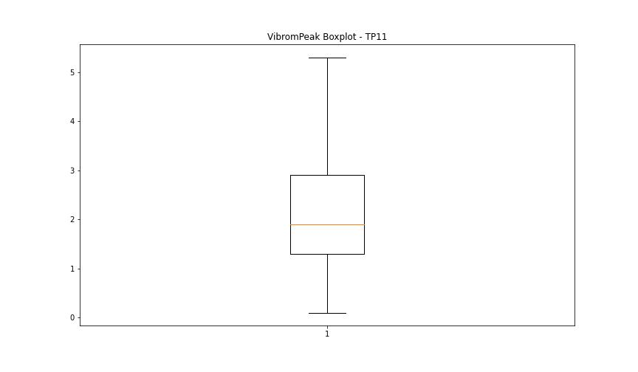

LUNG

numTP |  | 1 | 11
LUNG outliers |  | [150. 148. 161.57 154.054 150.672 150.669 152.255 153.221 0. 147.3 143.8 ] | [150. 250. 136. 125. 127. 128. 161.57 133.213 134.706 136.878 130.509 150.669 136.932 135.47 136.52 136.518 135.428 136.472 136.673 132.744 135.233]
upper_bound |  | 137.735 | 123.625
lower_bound |  | 81.159 | 82.625

statistiche con outliers: |  |  |  | statistiche senza outliers:
numTP |  | 1 | 11 | numTP |  | 1 | 11
LUNG | max | 161.57 | 250 | LUNG | max | 137.238 | 122.41
 | min | 0 | 93.48 |  | min | 92.05 | 93.48
 | avg | 110.73119461 | 104.32031034 |  | avg | 108.43982365 | 101.94591621
 | median | 105.149 | 98 |  | median | 105.014 | 98

BOXPLOT CON OUTLIERS
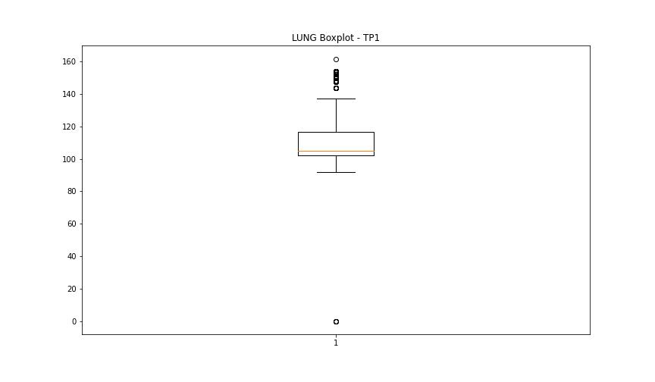
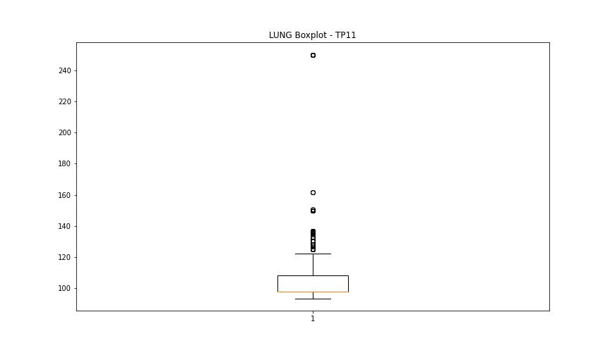

BOXPLOT SENZA OUTLIERS

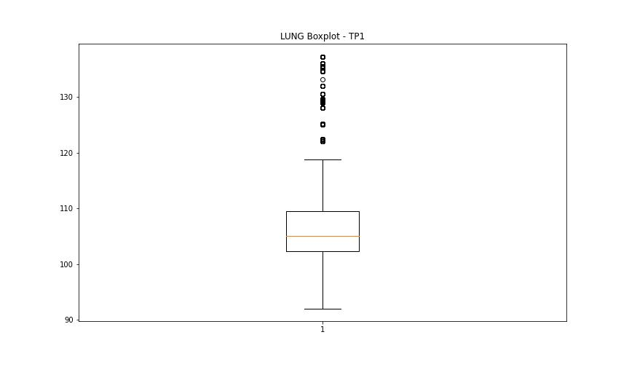
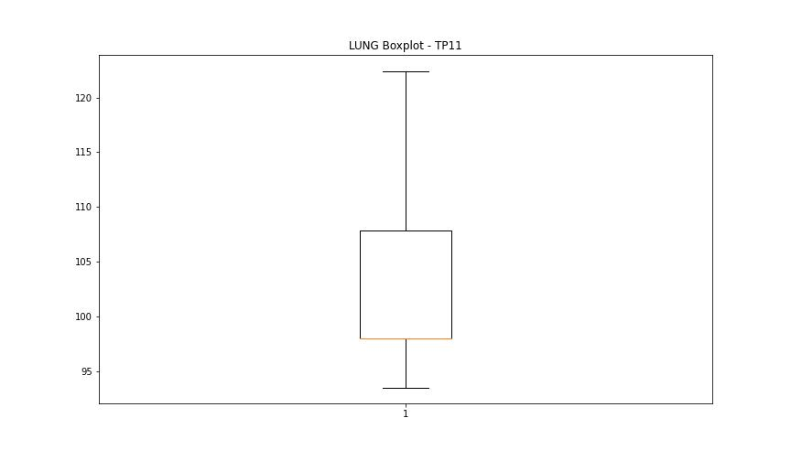

DIAM

numTP |  | 1 | 11
DIAM outliers |  | [ 20. 30. 40. 60. 70. 80. 22.7 100. 0.1 22.6 18.799 19.95 19.85 24.9 19.6 19.549 19.65 0. 19.25 ] | []
upper_bound |  | 18.715 | 721.8225
lower_bound |  | 0.675 | -413.9735

statistiche con outliers: |  |  |  | statistiche senza outliers:
numTP |  | 1 | 11 | numTP |  | 1 | 11
DIAM | max | 100 | 300.799 | DIAM | max | 18.1 | 300.799
 | min | 0 | 0.1 |  | min | 1.1 | 0.1
 | avg | 10.825158526 | 141.07020557 |  | avg | 9.372870785 | 141.07020557
 | median | 7.9 | 19.1 |  | median | 7.8 | 19.1

BOXPLOT CON OUTLIERS
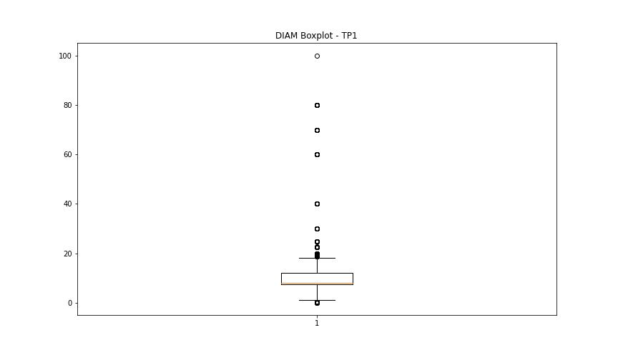
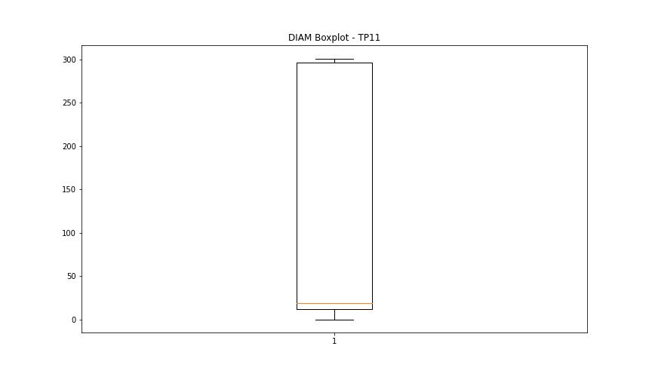

BOXPLOT SENZA OUTLIERS

