Sheet1
statorCelsius

numTP |  | 1
statorCelsius outliers |  | [20. 22. 17. 18. 35. 15. 19. 8. 14. 13. 10. 7. 9. 12. 11. 37. 36. 38. 40. 39. 42.]
upper_bound |  | 34.5
lower_bound |  | 22.5

statistiche con outliers: |  |  | statistiche senza outliers:
numTP |  | 1 | numTP |  | 1
statorCelsius | max | 42 | statorCelsius | max | 34
 | min | 7 |  | min | 23
 | avg | 28.362798834 |  | avg | 28.827746862
 | median | 29 |  | median | 29

BOXPLOT CON OUTLIERS
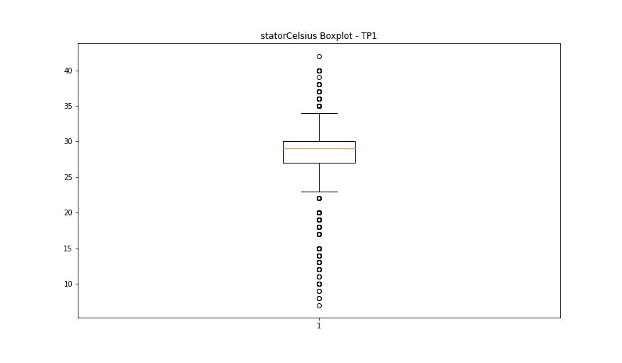

BOXPLOT SENZA OUTLIERS

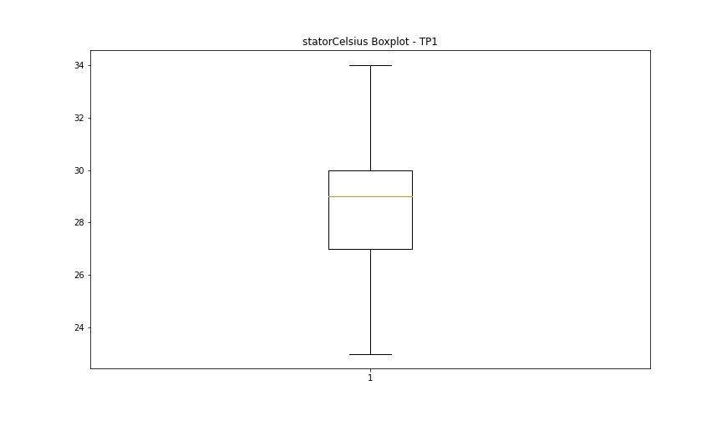

bearingsCelsius

numTP |  | 1
bearingsCelsius outliers |  | [27. 20. 22. 15. 17. 18. 19. 28. 29. 14. 7. 13. 12. 10. 8. 11. 9. 30. 32.]
upper_bound |  | 26.5
lower_bound |  | 22.5

statistiche con outliers: |  |  | statistiche senza outliers:
numTP |  | 1 | numTP |  | 1
bearingsCelsius | max | 32 | bearingsCelsius | max | 25
 | min | 7 |  | min | 23
 | avg | 24.072769679 |  | avg | 24.45685821
 | median | 25 |  | median | 25

BOXPLOT CON OUTLIERS
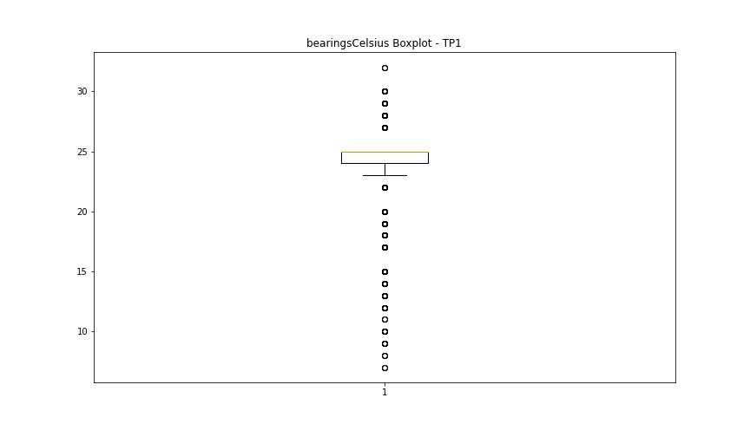

BOXPLOT SENZA OUTLIERS

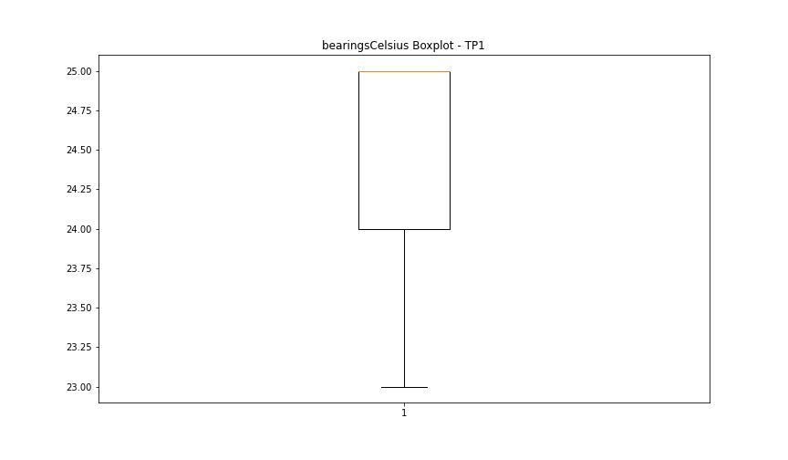

spindleRpm

numTP |  | 1
spindleRpm outliers |  | []
upper_bound |  | 24975
lower_bound |  | -4349

statistiche con outliers: |  |  | statistiche senza outliers:
numTP |  | 1 | numTP |  | 1
spindleRpm | max | 18024 | spindleRpm | max | 18024
 | min | 0 |  | min | 0
 | avg | 9105.4728863 |  | avg | 9105.4728863
 | median | 6951 |  | median | 6951

BOXPLOT CON OUTLIERS
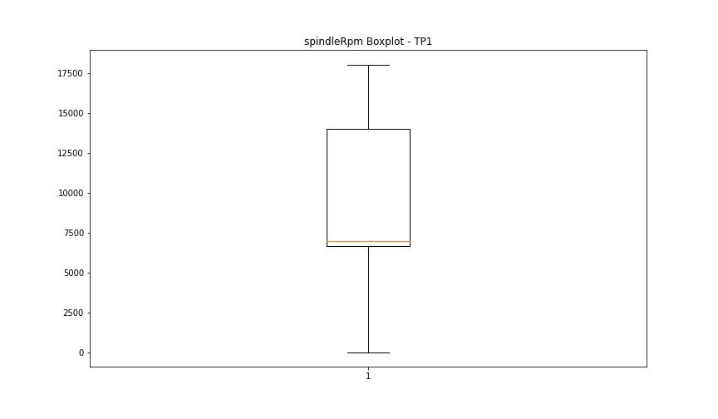

BOXPLOT SENZA OUTLIERS

rpmSetPoint

numTP |  | 1
rpmSetPoint outliers |  | []
upper_bound |  | 24500
lower_bound |  | -3500

statistiche con outliers: |  |  | statistiche senza outliers:
numTP |  | 1 | numTP |  | 1
rpmSetPoint | max | 18000 | rpmSetPoint | max | 18000
 | min | 600 |  | min | 600
 | avg | 9179.3119534 |  | avg | 9179.3119534
 | median | 7000 |  | median | 7000

BOXPLOT CON OUTLIERS
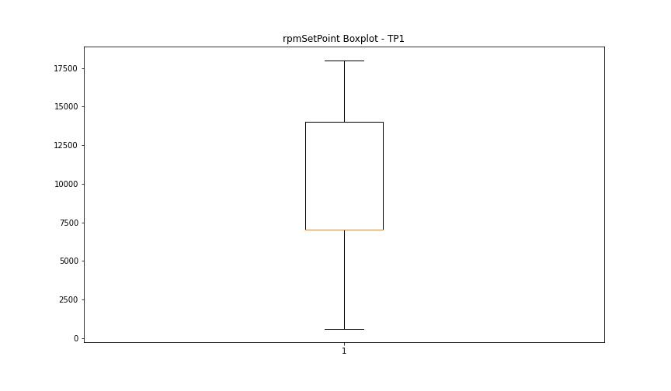

BOXPLOT SENZA OUTLIERS

CurrentPeak

numTP |  | 1
CurrentPeak outliers |  | [20.875 5.083 4.845 4.097 5.933 5.44 21.521 4.352 6.307 6.324 9.996 3.298 21.046 4.675 5.168 4.862 5.576 5.253 0. 4.471 5.525 4.233 6.256 3.944 4.386 3.791 5.032 5.474 10.302 1.139 6.018 3.808 20.825 5.236 3.179 2.516 2.108 1.904 2.907 2.074 2.754 5.406 5.117 2.142 2.533 2.329 4.743 2.482 2.737 2.618 4.964 2.669 2.363 4.692 2.159 2.856 4.981 2.346 2.465 5.049 2.805 2.771 2.567 4.896 2.703 2.788 2.873 5.372 1.938 4.777 2.091 2.023 2.278 1.241 2.448 2.397 1.326 1.309 2.057 4.947 2.652 5.185 2.312 1.564 2.227 4.998 1.683 1.649 2.193 5.066 1.258 2.295 3.706 3.502 3.621 3.536 0.204 0.187 0.17 5.61 1.717 20.791 6.341 6.681 7.293 5.593 5.967 11.832 7.361 5.015 4.658 4.641 2.635 3.077 3.247 2.822 2.125 1.598 1.445 1.734 3.213 1.768 2.04 4.607 21.42 3.23 3.332 3.434 2.941 3.281 3.145 3.366 3.111 3.043 2.992 3.4 20.808 3.349 2.839 3.094 3.06 3.451 3.468 3.417 5.304 21.368 18.938 21.301 24.82 21.437 5.695 4.488 13.362 11.39 6.426 11.509 8.721 20.858 20.841 1.054 0.833 5.338 0.561 0.493 2.176 5.287 4.913 1.105 0.867 4.93 0.969 0.765 0.646 1.87 0.782 1.156 0.578 4.811 5.95 1.003 1.207 0.935 1.377 1.224 0.918 3.655 3.485 3.519 3.927 4.76 4.454 3.995 4.199 4.539 3.859 3.842 3.57 2.958 4.182 3.315 3.757 4.828 5.491 5.661 3.587 3.774 3.672 4.131 4.522 4.046 15.147 19.226 20.774 5.151 5.389 5.27 5.202 5.355 4.879 5.916 5.814 5.423 5.831 1.853 2.55 1.802 2.975 4.726 1.394 0.68 1.037 0.714 0.629 0.986 0.748 5.1 0.731 0.476 1.071 6.205 4.114 4.267 6.154 5.321 0.901 0.799 1.462 1.343 1.615 5.219 1.36 0.85 1.972 0.816 1.7 1.819 19.872 19.907 3.128 2.244 7.089 4.794]
upper_bound |  | 20.757
lower_bound |  | 19.941

statistiche con outliers: |  |  | statistiche senza outliers:
numTP |  | 1 | numTP |  | 1
CurrentPeak | max | 24.82 | CurrentPeak | max | 20.757
 | min | 0 |  | min | 19.958
 | avg | 19.409026122 |  | avg | 20.366593637
 | median | 20.332 |  | median | 20.349

BOXPLOT CON OUTLIERS
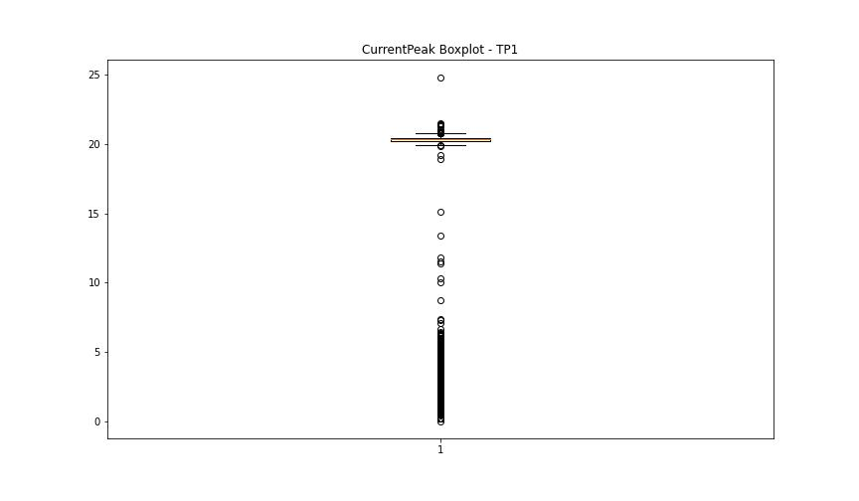

BOXPLOT SENZA OUTLIERS

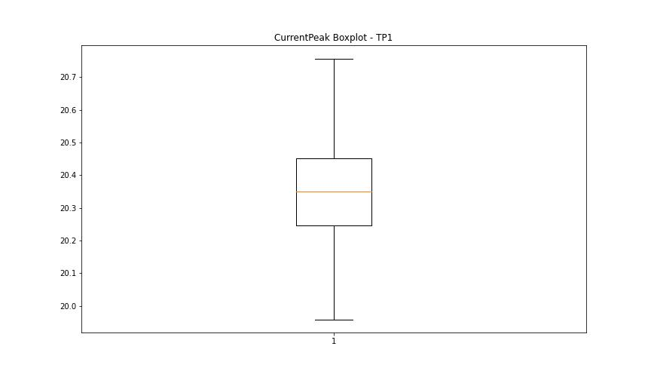

VibromPeak

numTP |  | 1
VibromPeak outliers |  | [ 4.1 3.8 4. 3.5 3.7 4.3 3.9 3.6 4.5 4.4 8.3 8.8 9.2 4.2 4.6 5. 4.8 5.5 7.1 5.3 6.1 6.4 6.7 7. 4.9 5.9 5.1 9.7 8.6 9.5 5.7 4.7 5.6 6. 5.2 7.3 8.4 8.9 7.2 6.6 6.3 5.4 6.5 6.2 6.9 8.2 10.9 11.4 10.6 7.4 6.8 8.7 5.8 11.7 12.2 10.5 9.1 7.6 9.3 8. 9. 8.1 7.8]
upper_bound |  | 3.4
lower_bound |  | -1.4

statistiche con outliers: |  |  | statistiche senza outliers:
numTP |  | 1 | numTP |  | 1
VibromPeak | max | 12.2 | VibromPeak | max | 3.4
 | min | 0.1 |  | min | 0.1
 | avg | 1.241170982 |  | avg | 1.0167838204
 | median | 0.7 |  | median | 0.7

BOXPLOT CON OUTLIERS
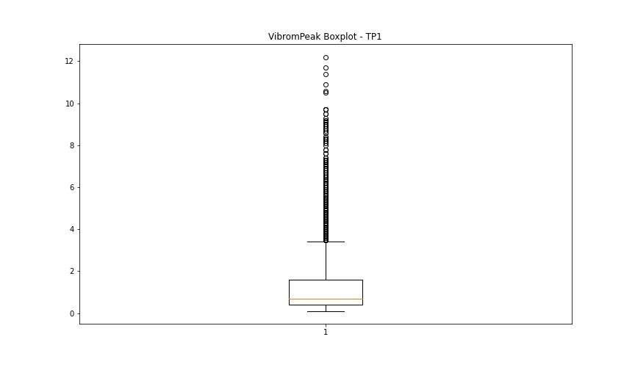

BOXPLOT SENZA OUTLIERS

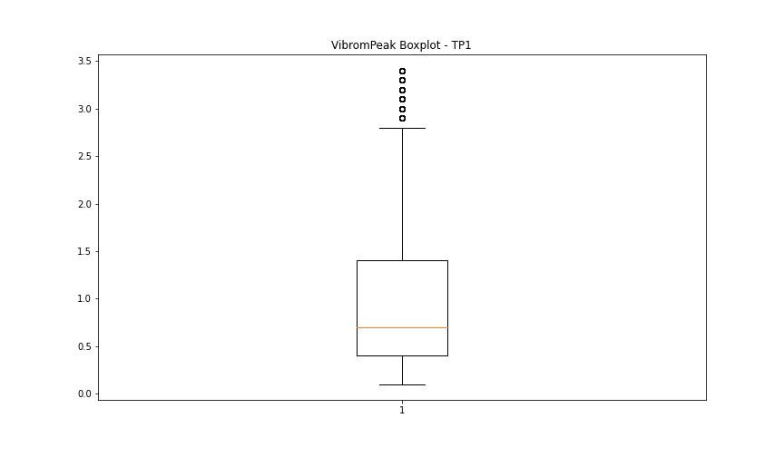

LUNG

numTP |  | 1
LUNG outliers |  | []
upper_bound |  | 238.425
lower_bound |  | -5.375

statistiche con outliers: |  |  | statistiche senza outliers:
numTP |  | 1 | numTP |  | 1
LUNG | max | 204 | LUNG | max | 204
 | min | 58.2 |  | min | 58.2
 | avg | 125.38513446 |  | avg | 125.38513446
 | median | 143.5 |  | median | 143.5

BOXPLOT CON OUTLIERS
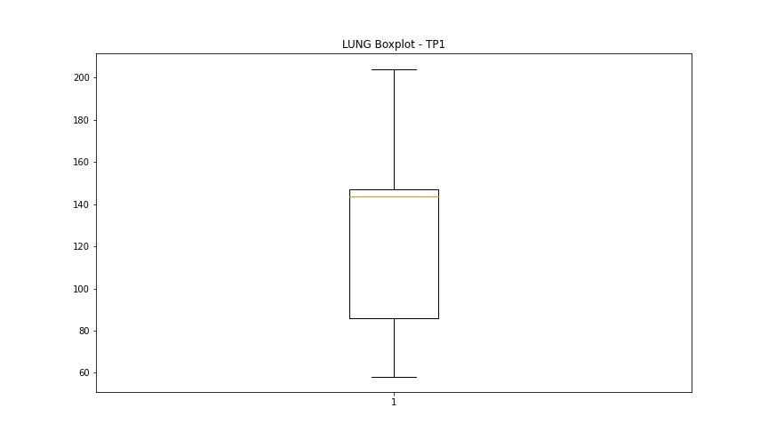

BOXPLOT SENZA OUTLIERS

DIAM

numTP |  | 1
DIAM outliers |  | []
upper_bound |  | 353.75
lower_bound |  | -180.25

statistiche con outliers: |  |  | statistiche senza outliers:
numTP |  | 1 | numTP |  | 1
DIAM | max | 300 | DIAM | max | 300
 | min | 3 |  | min | 3
 | avg | 115.41596536 |  | avg | 115.41596536
 | median | 90 |  | median | 90

BOXPLOT CON OUTLIERS
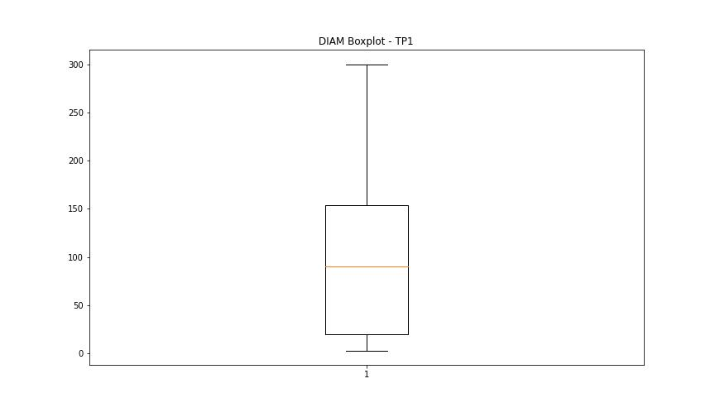

BOXPLOT SENZA OUTLIERS

