Sheet1
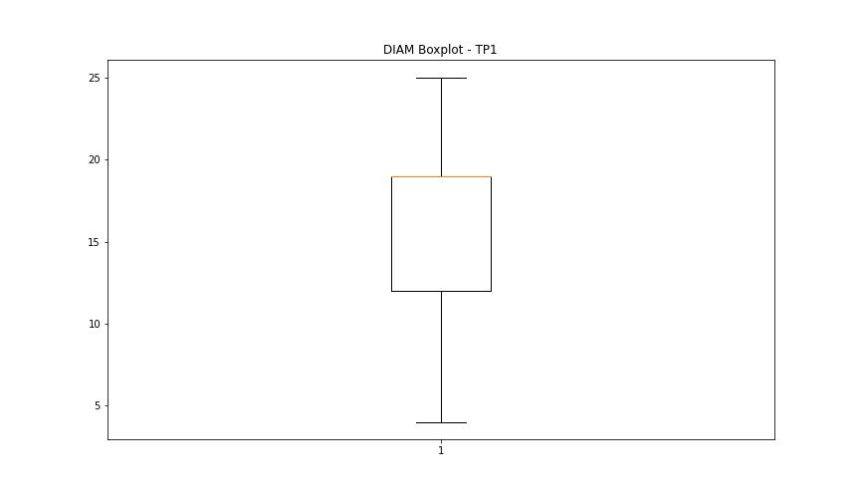
statorCelsius

numTP |  | 1 | 8
statorCelsius outliers |  | [34. 20. 19. 35. 39. 40. 37. 36. 17. 18. 33. 38. 15. 12. 8. 10. 14. 13. 45. 51. 53. 41. 50.] | []
upper_bound |  | 32.5 | 0
lower_bound |  | 20.5 | 0

statistiche con outliers: |  |  |  | statistiche senza outliers:
numTP |  | 1 | 8 | numTP |  | 1 | 8
statorCelsius | max | 53 | 0 | statorCelsius | max | 32 | 0
 | min | 8 | 0 |  | min | 22 | 0
 | avg | 26.323935876 | 0 |  | avg | 26.559436275 | 0
 | median | 27 | 0 |  | median | 27 | 0

BOXPLOT CON OUTLIERS
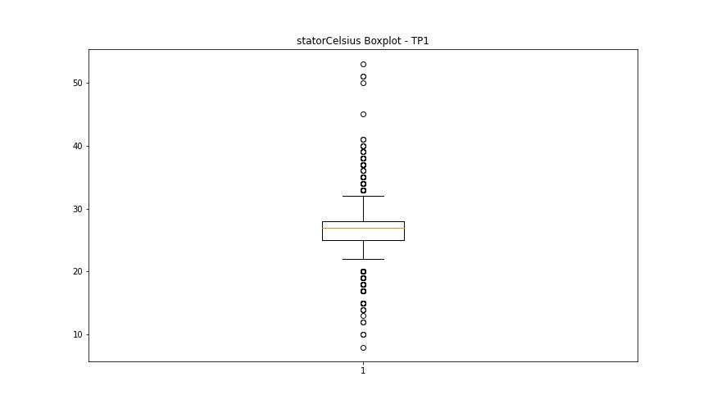
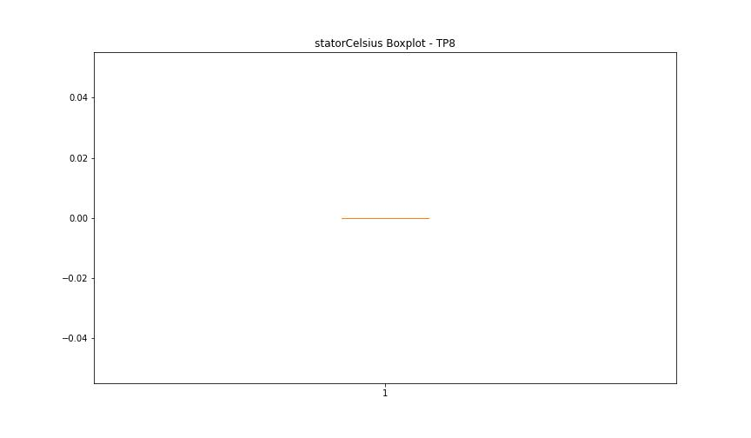

BOXPLOT SENZA OUTLIERS

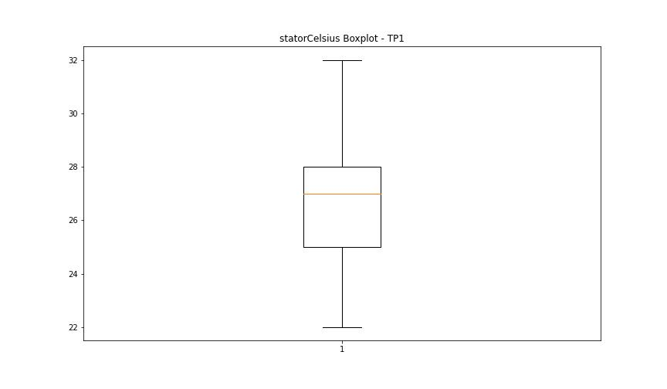

bearingsCelsius

numTP |  | 1 | 8
bearingsCelsius outliers |  | [27. 19. 20. 22. 18. 30. 29. 28. 17. 15. 12. 13. 14. 8. 10. 32. 33. 35. 34.] | []
upper_bound |  | 26.5 | 0
lower_bound |  | 22.5 | 0

statistiche con outliers: |  |  |  | statistiche senza outliers:
numTP |  | 1 | 8 | numTP |  | 1 | 8
bearingsCelsius | max | 35 | 0 | bearingsCelsius | max | 25 | 0
 | min | 8 | 0 |  | min | 23 | 0
 | avg | 24.228855721 | 0 |  | avg | 24.530477032 | 0
 | median | 25 | 0 |  | median | 25 | 0

BOXPLOT CON OUTLIERS
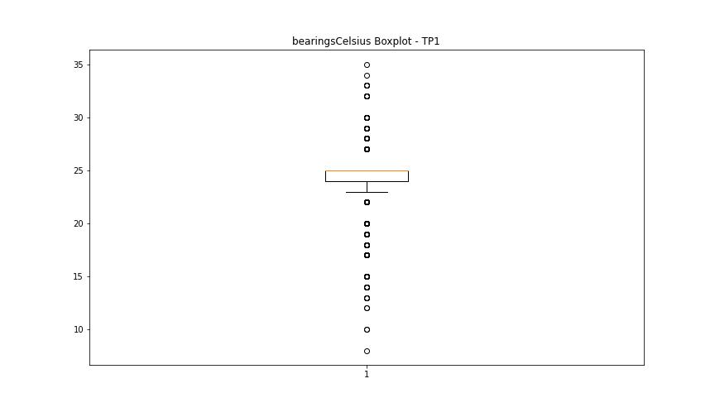


BOXPLOT SENZA OUTLIERS

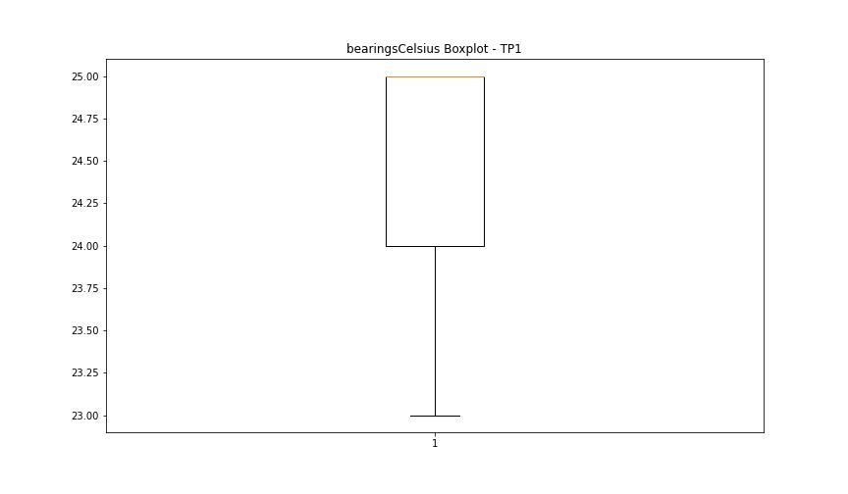

spindleRpm

numTP |  | 1 | 8
spindleRpm outliers |  | [ 4774. 8000. 4930. 4905. 4895. 4918. 0. 4889. 4909. 4129. 24036. 1969. 23979. 24030. 23980. 24044. 4932. 23998. 9965. 7964. 7879. 7963. 7896. 7851. 4811. 4886. 4842. 4858. 4916. 4876. 4883. 4843. 4898. 4814. 23919. 23951. 4869. 4841. 4856. 4912. 4836. 4911. 4892. 4877. 4845. 7864. 7856. 7934. 7945. 4885. 4860. 4896. 4804. 4879. 4849. 4887. 4859. 4865. 4864. 4868. 4851. 4855. 7903. 7960. 4925. 4878. 4871. 4870. 4833. 4917. 4812. 4908. 4875. 4819. 4826. 4903. 4929. 4797. 4901. 7935. 7853. 7980. 7862. 4808. 4810. 4784. 4913. 7954. 7944. 7869. 7927. 7942. 7889. 7920. 7956. 4835. 4863. 4926. 4924. 4891. 4813. 4866. 7931. 7943. 7940. 7974. 4907. 4882. 7899. 6364. 4931. 4825. 4900. 4914. 4829. 7950. 7955. 7961. 7970. 7916. 7860. 4854. 4904. 4915. 4884. 4850. 4881. 4874. 4872. 4894. 4844. 7965. 7886. 7857. 7866. 7952. 4839. 4910. 4888. 7897. 4906. 7847. 7893. 7966. 7887. 4840. 4834. 7882. 4861. 7958. 7859. 7870. 7972. 7973. 7967. 7938. 7948. 5254. 7875. 7933. 7984. 7928. 7918. 7951.] | []
upper_bound |  | 22467.875 | 0
lower_bound |  | 10360.875 | 0

statistiche con outliers: |  |  |  | statistiche senza outliers:
numTP |  | 1 | 8 | numTP |  | 1 | 8
spindleRpm | max | 24044 | 0 | spindleRpm | max | 22045 | 0
 | min | 0 | 0 |  | min | 11772 | 0
 | avg | 15470.40105 | 0 |  | avg | 16247.548926 | 0
 | median | 14972 | 0 |  | median | 14983 | 0

BOXPLOT CON OUTLIERS
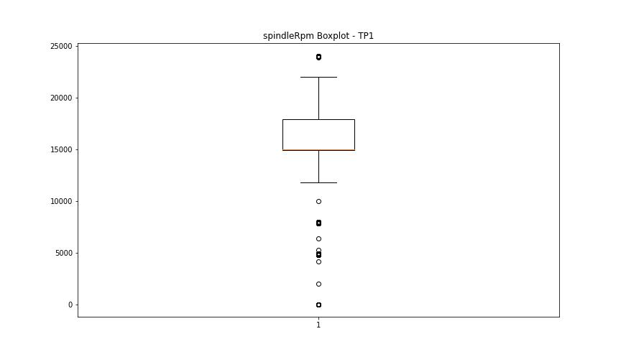


BOXPLOT SENZA OUTLIERS

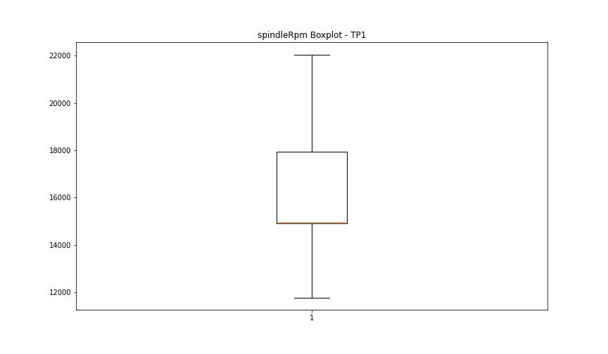

rpmSetPoint

numTP |  | 1 | 8
rpmSetPoint outliers |  | [ 5000. 8000. 24000.] | []
upper_bound |  | 22500 | 6000
lower_bound |  | 10500 | 6000

statistiche con outliers: |  |  |  | statistiche senza outliers:
numTP |  | 1 | 8 | numTP |  | 1 | 8
rpmSetPoint | max | 24000 | 6000 | rpmSetPoint | max | 22000 | 6000
 | min | 5000 | 6000 |  | min | 11000 | 6000
 | avg | 15715.174129 | 6000 |  | avg | 16315.300708 | 6000
 | median | 15000 | 6000 |  | median | 15000 | 6000

BOXPLOT CON OUTLIERS
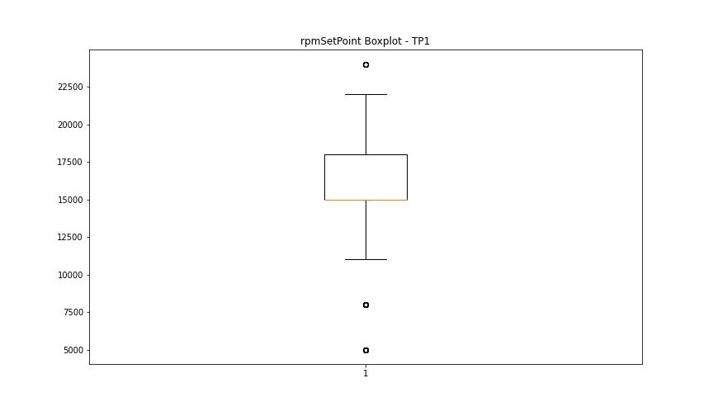
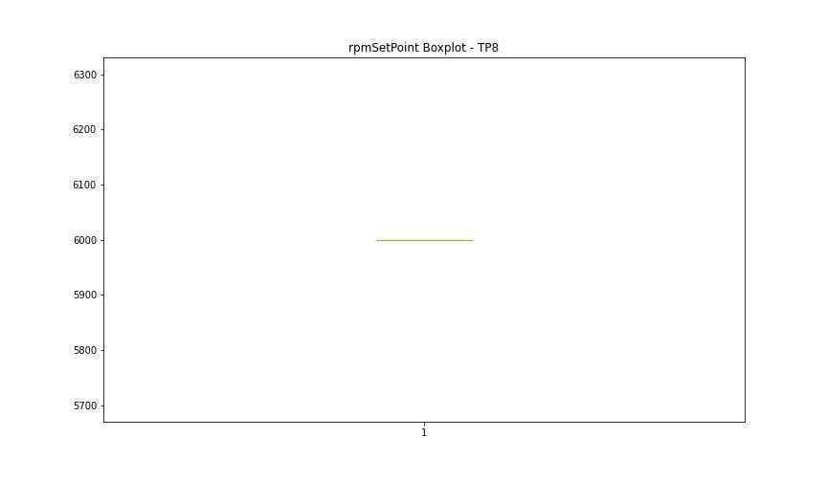

BOXPLOT SENZA OUTLIERS

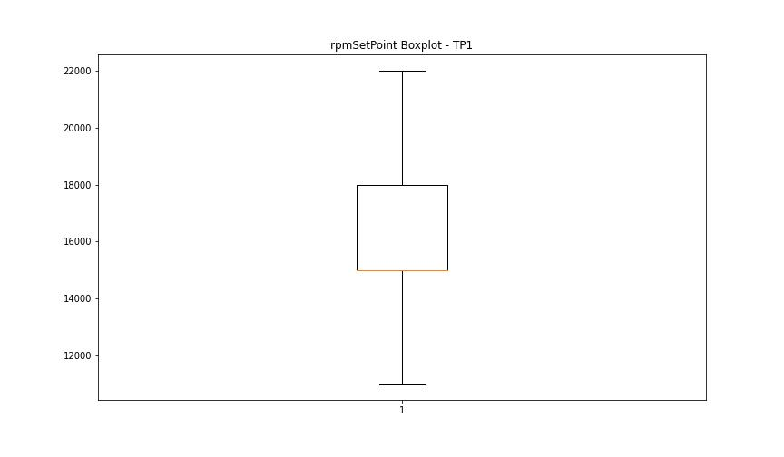

CurrentPeak

numTP |  | 1 | 8
CurrentPeak outliers |  | [20.434 2.907 5.44 1.734 2.023 1.071 3.332 20.944 20.382 20.4 20.451 10.115 20.468 20.535 5.927 21.624 20.417 18.903 18.802 18.853 8.33 8.84 8.347 8.993 9.18 10.88 9.486 10.472 7.871 9.792 8.636 9.299 8.041 9.316 8.245 9.163 9.622 8.194 8.823 8.721 9.639 8.551 9.588 8.704 9.367 8.398 9.894 7.565 8.449 6.375 9.282 9.061 7.293 7.718 7.99 10.302 9.129 8.279 8.942 8.789 8.857 9.112 9.401 8.619 7.633 8.772 7.939 1.037 3.434 1.19 2.448 1.343 2.737 1.972 1.921 2.941 1.649 1.598 2.703 2.72 1.445 1.955 1.853 3.689 1.428 3.91 1.717 0.799 2.873 1.836 1.564 3.247 1.411 2.89 1.785 1.581 2.465 1.513 4.012 2.057 2.329 2.975 1.139 3.791 1.394 2.38 3.825 3.179 2.074 1.802 3.757 1.632 8.262 9.52 6.8 9.809 9.554 10.659 10.778 9.996 10.625 7.395 9.333 10.37 8.364 9.503 7.667 9.69 10.183 8.466 7.14 11.662 11.832 10.897 11.866 8.738 9.214 10.064 7.531 9.231 6.494 7.361 10.234 8.007 7.735 7.429 8.976 8.5 9.418 9.197 6.171 9.435 8.109 10.013 9.078 8.534 9.01 9.044 10.047 8.806 8.908 8.755 6.358 11.373 9.741 10.149 9.384 10.098 11.118 8.874 6.817 8.024 8.925 9.843 8.16 7.412 21.827 21.386 4.08 4.471 3.519 20.587 20.485 20.502 20.621 1.479 1.87 18.886 20.74 4.539 2.958 5.746 5.032 3.264 5.253 4.879 2.295 3.077 3.638 2.805 4.811 3.876 2.754 4.063 20.655 20.638 20.518 20.757 20.791 20.57 20.705 4.301 4.777 18.224 17.136 17.254 26.57 9.265 8.517 0.187 0.238 8.313 0.119 0.136 0.204 0.153 38.08 10.03 10.336 9.758 0. 33.66 20.841 21.267 21.42 21.181 8.959 19.125 4.029 5.134 7.548 3.128 5.372] | []
upper_bound |  | 20.3745 | 21.42425
lower_bound |  | 20.0345 | -3.30575

statistiche con outliers: |  |  |  | statistiche senza outliers:
numTP |  | 1 | 8 | numTP |  | 1 | 8
CurrentPeak | max | 38.08 | 12.306 | CurrentPeak | max | 20.365 | 12.306
 | min | 0 | 5.453 |  | min | 20.059 | 5.453
 | avg | 19.168806523 | 9.2064210526 |  | avg | 20.22207192 | 9.2064210526
 | median | 20.212 | 11.973 |  | median | 20.212 | 11.973

BOXPLOT CON OUTLIERS
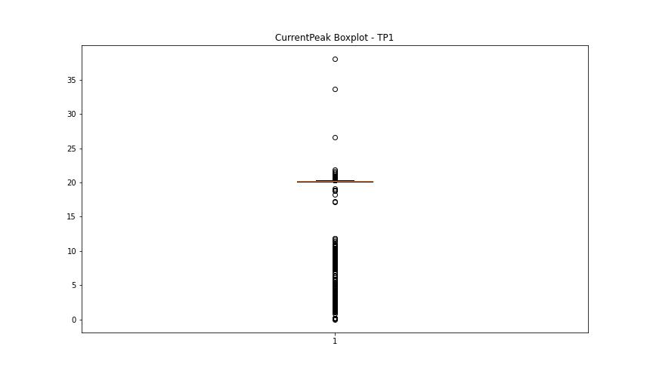
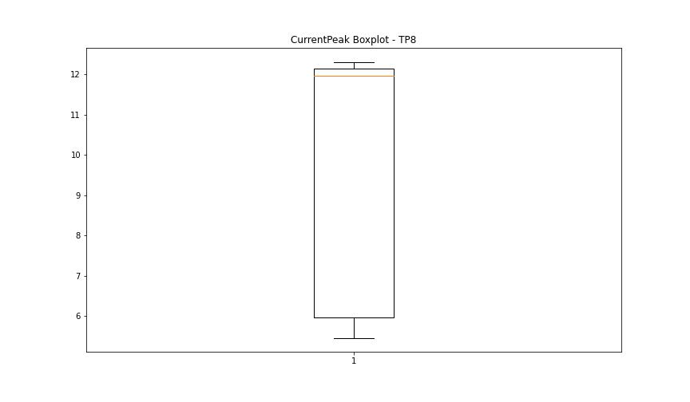

BOXPLOT SENZA OUTLIERS

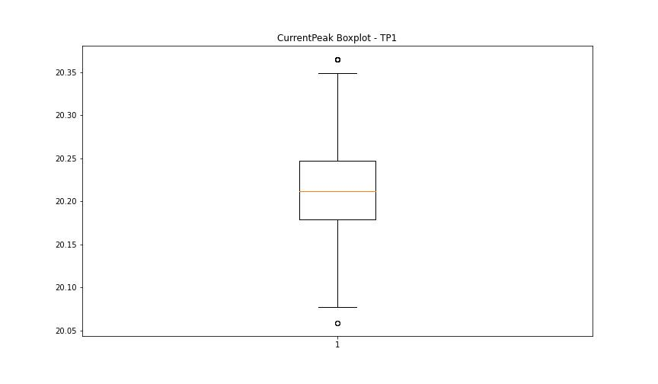

VibromPeak

numTP |  | 1 | 8
VibromPeak outliers |  | [ 6.2 6.6 6. 9.2 9.6 7.2 9.4 7.5 8.1 12.6 13. 11.3 12.9 11.8 12.8 10.9 12.3 10.2 8.4 18.9 19.5 18.299 18.4 5.8 7.4 6.1 6.5 8.7 11.1 7.3 9. 11.6 13.4 5.9 9.9 8.8 8.2 12. 8.5 9.7 7.1 7.6 8. 17. 17.4 16.4 5.6 ]
upper_bound |  | 5.5
lower_bound |  | -1.7

statistiche con outliers: |  |  |  | statistiche senza outliers:
numTP |  | 1 | 8 | numTP |  | 1 | 8
VibromPeak | max | 19.5 | nan | VibromPeak | max | 5.5
 | min | 0.1 | nan |  | min | 0.1
 | avg | 2.1462356742 | nan |  | avg | 2.0035438697
 | median | 1.9 | nan |  | median | 1.8

BOXPLOT CON OUTLIERS
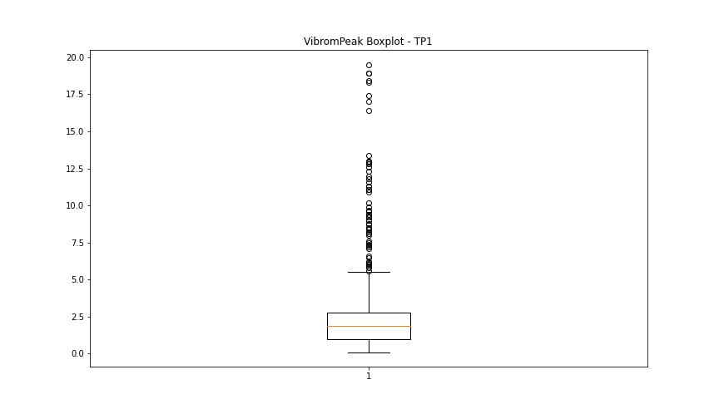
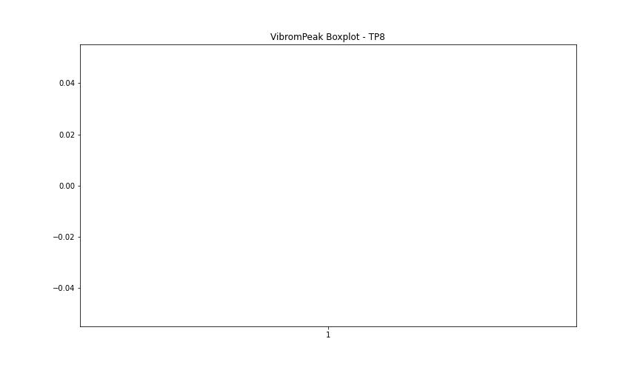

BOXPLOT SENZA OUTLIERS

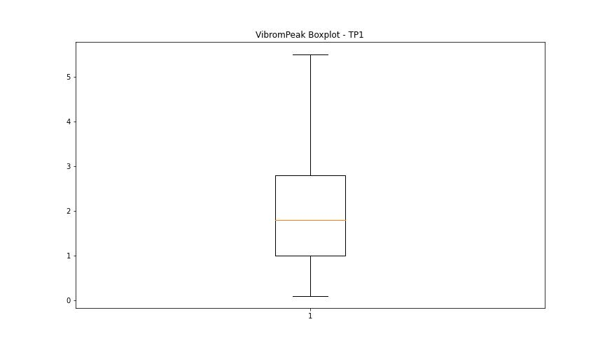

LUNG

numTP |  | 1 | 8
LUNG outliers |  | [225.399 188. 206.199 220.399] | []
upper_bound |  | 186.3515 | 2
lower_bound |  | 82.7475 | 2

statistiche con outliers: |  |  |  | statistiche senza outliers:
numTP |  | 1 | 8 | numTP |  | 1 | 8
LUNG | max | 225.399 | 2 | LUNG | max | 180 | 2
 | min | 90.5 | 2 |  | min | 90.5 | 2
 | avg | 137.76787922 | 2 |  | avg | 135.21215152 | 2
 | median | 142.5 | 2 |  | median | 142.5 | 2

BOXPLOT CON OUTLIERS
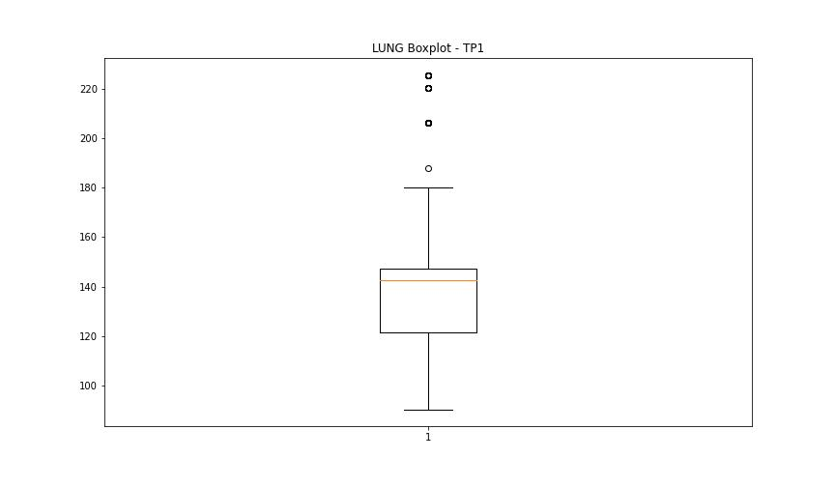
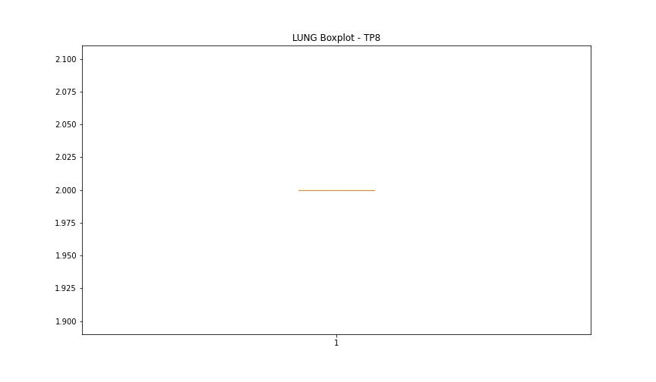

BOXPLOT SENZA OUTLIERS

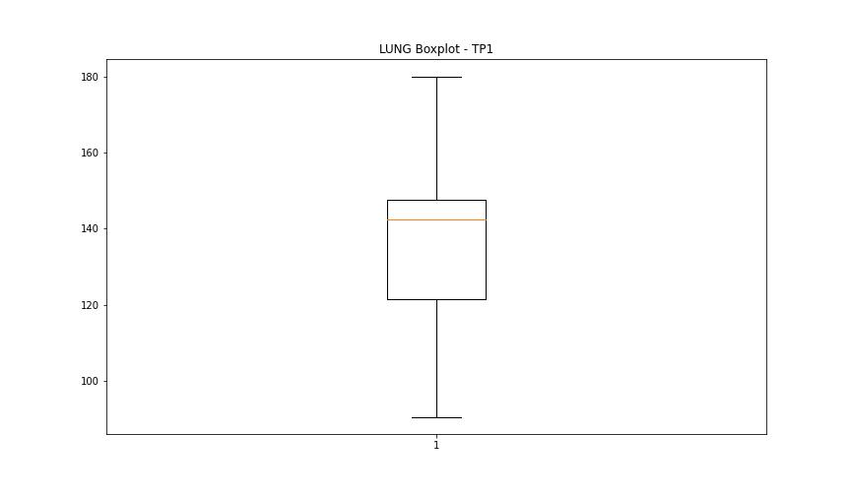

DIAM

numTP |  | 1 | 8
DIAM outliers |  | [300.399 100. 56. ] | []
upper_bound |  | 29.5 | 120
lower_bound |  | 1.5 | 120

statistiche con outliers: |  |  |  | statistiche senza outliers:
numTP |  | 1 | 8 | numTP |  | 1 | 8
DIAM | max | 300.399 | 120 | DIAM | max | 25 | 120
 | min | 4 | 120 |  | min | 4 | 120
 | avg | 29.065688226 | 120 |  | avg | 15.583570581 | 120
 | median | 19 | 120 |  | median | 19 | 120

BOXPLOT CON OUTLIERS
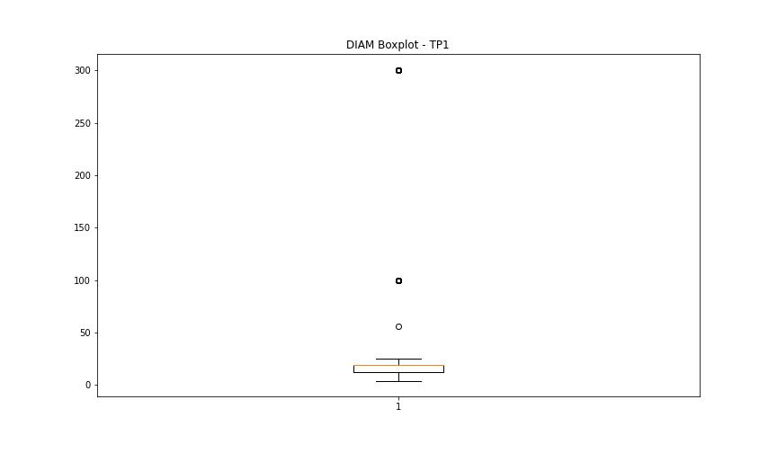
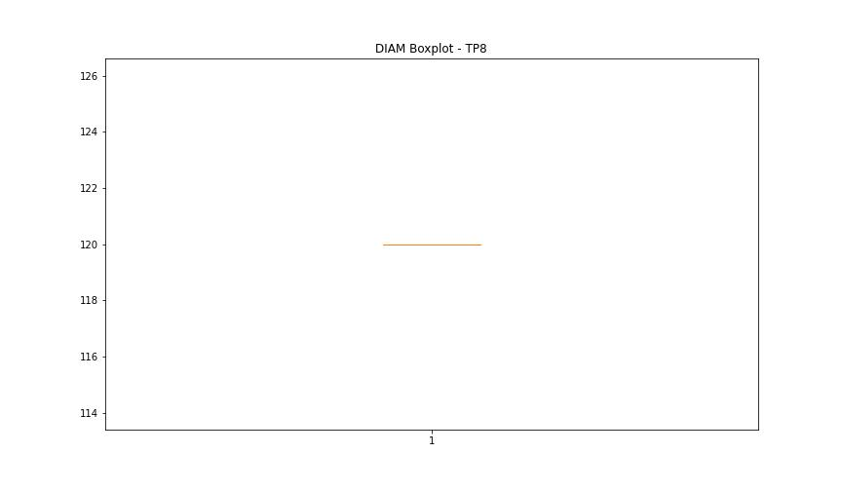

BOXPLOT SENZA OUTLIERS

