Sheet1
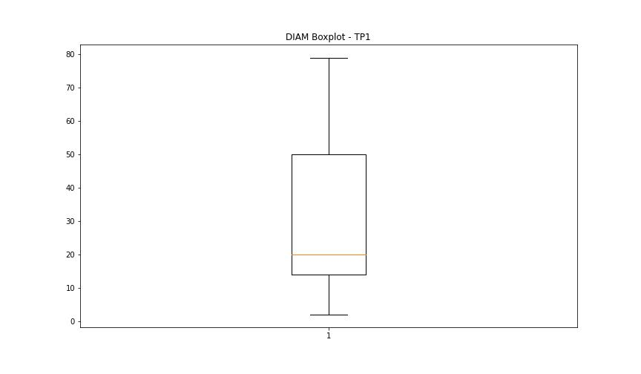
statorCelsius

numTP |  | 1
statorCelsius outliers |  | [15. 13. 12. 11. 14. 10. 8. 9. 6. 7. 5. 3. 37. 38. 39. 40. 41. 42. 43. 45. 46.]
upper_bound |  | 36.5
lower_bound |  | 16.5

statistiche con outliers: |  |  | statistiche senza outliers:
numTP |  | 1 | numTP |  | 1
statorCelsius | max | 46 | statorCelsius | max | 36
 | min | 3 |  | min | 17
 | avg | 26.2357512 |  | avg | 26.557484862
 | median | 27 |  | median | 27

BOXPLOT CON OUTLIERS
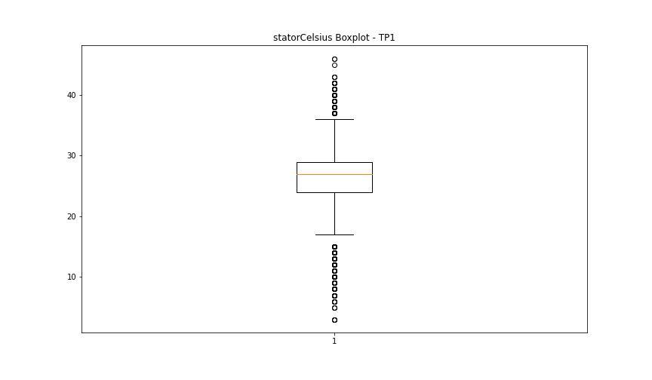

BOXPLOT SENZA OUTLIERS

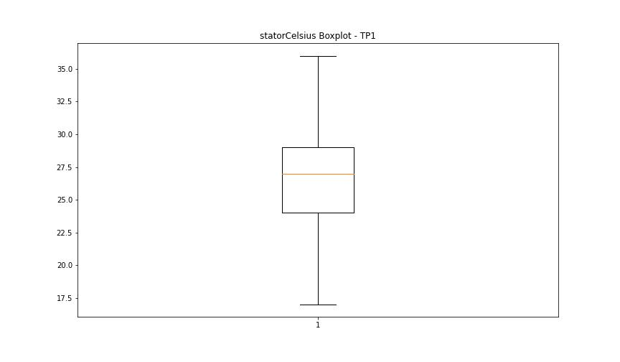

bearingsCelsius

numTP |  | 1
bearingsCelsius outliers |  | [13. 12. 10. 9. 11. 8. 7. 6. 5. 3. 2. 1. 32. 33. 34. 35. 36. 37. 38.]
upper_bound |  | 30
lower_bound |  | 14

statistiche con outliers: |  |  | statistiche senza outliers:
numTP |  | 1 | numTP |  | 1
bearingsCelsius | max | 38 | bearingsCelsius | max | 30
 | min | 1 |  | min | 14
 | avg | 21.893303522 |  | avg | 22.158570195
 | median | 22 |  | median | 22

BOXPLOT CON OUTLIERS
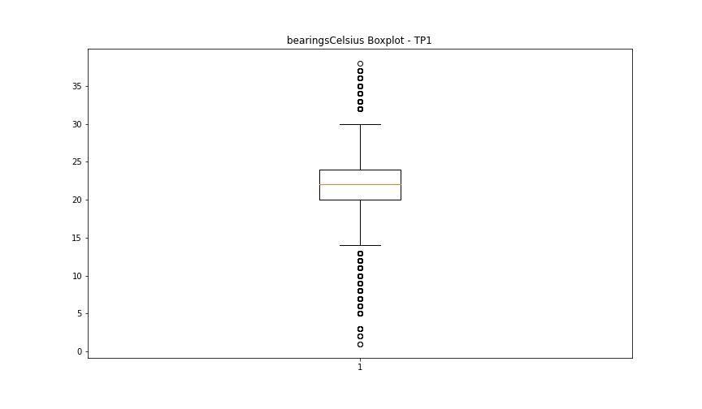

BOXPLOT SENZA OUTLIERS

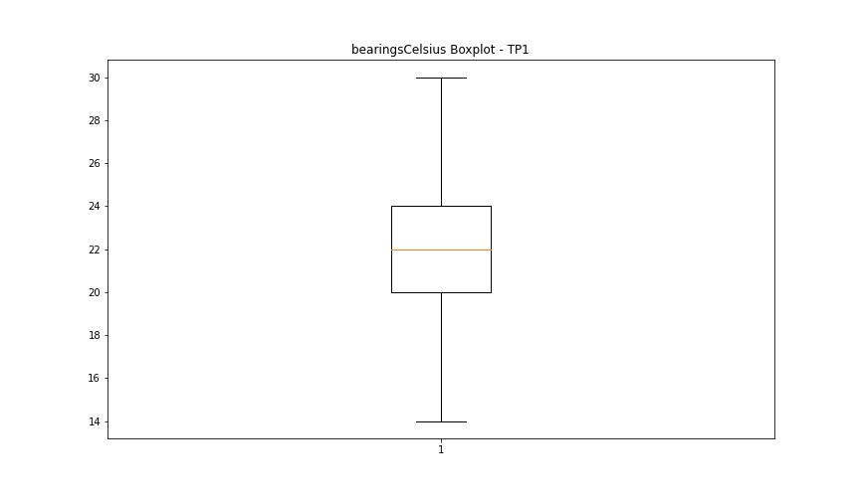

spindleRpm

numTP |  | 1
spindleRpm outliers |  | [ 5952. 8777. 9980. 9967. 5945. 10956. 10918. 10975. 5889. 10997. 10965. 10962. 10952. 10972. 10961. 11000. 10984. 10973. 10983. 10958. 10980. 10950. 10011. 9966. 5954. 5844. 5931. 5957. 10951. 10931. 10963. 10978. 10998. 10994. 10913. 9995. 9999. 10995. 10955. 10999. 10959. 10996. 10954. 10925. 10949. 10948. 10970. 10990. 11003. 10946. 10926. 10928. 10969. 10979. 10935. 10942. 10929. 10993. 10930. 9979. 3443. 54. 10992. 10967. 10986. 10947. 10982. 10971. 10966. 9989. 10944. 10012. 10974. 9965. 9952. 9978. 9998. 11006. 9957. 10001. 10943. 9956. 10916. 10933. 5808. 5914. 5897. 5807. 5838. 5860. 5970. 5881. 5888. 5890. 5917. 5923. 5851. 5829. 5871. 5935. 5934. 5929. 5818. 10905. 5919. 5837. 5911. 5850. 5865. 5926. 5877. 5821. 5847. 5912. 5853. 5873. 5862. 9941. 5872. 5876. 5845. 5885. 5852. 5964. 5840. 5925. 5875. 5928. 5977. 5894. 5959. 5832. 5944. 5909. 10860. 10674. 10567. 10705. 10888. 10907. 10920. 10939. 10988. 10964. 10921. 10981. 11012. 10960. 10985. 10919. 9987. 9959. 10010. 5938. 5907. 10934. 10936. 10914. 10922. 10989. 5981. 5878. 5910. 5802. 5921. 10923. 9992. 5866. 5918. 5915. 10976. 10937. 10924. 10910. 11007. 10945. 10968. 11001. 142. 5913. 5974. 5867. 10977. 10941. 10932. 10908. 10987. 11008. 5884. 5723. 5883. 5980. 10938. 10991. 5861. 5969. 9955. 5930. 5924. 5900. 5961. 5864. 11011. 10957. 5965. 10020. 10005. 9936. 9958. 9972. 9968. 9923. 5855. 5953. 5956. 5854. 5933. 152. 5943. 11002. 5947. 5986. 5932. 5940. 5839. 5960. 11010. 9948. 9994. 11005. 10940. 10927. 5903. 5946. 5991. 5997. 5984. 6005. 5950. 5999. 9940. 5893. 5815. 5842. 3579. 5810. 343. 5916. 5922. 5927. 6197. 5936. 5874. 5951. 1642. 9364. 5963. 5905. 5896. 5824. 5833. 5898. 5967. 5831. 5983. 372. 148. 126. 5822. 5843. 5870. 251. 178. 138. 5857. 154. 9991. 9932.
upper_bound |  | 20007.5
lower_bound |  | 11939.5

statistiche con outliers: |  |  | statistiche senza outliers:
numTP |  | 1 | numTP |  | 1
spindleRpm | max | 19042 | spindleRpm | max | 19042
 | min | 54 |  | min | 12929
 | avg | 15761.415277 |  | avg | 16034.309783
 | median | 15993 |  | median | 15996

BOXPLOT CON OUTLIERS
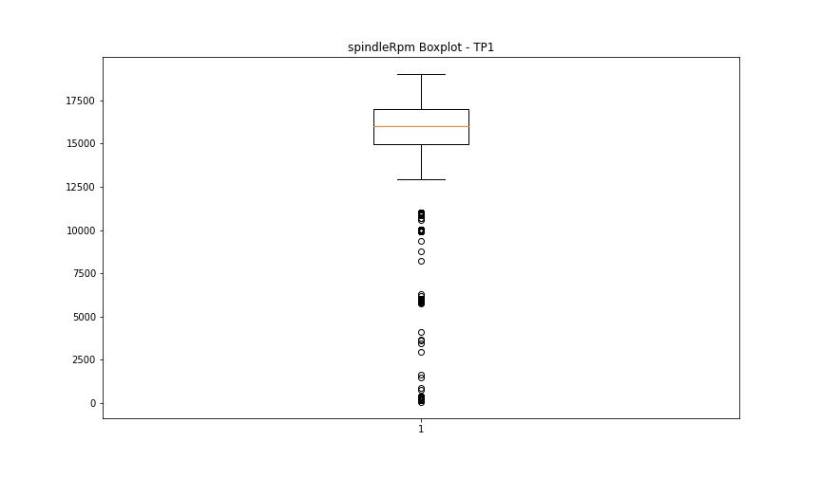

BOXPLOT SENZA OUTLIERS

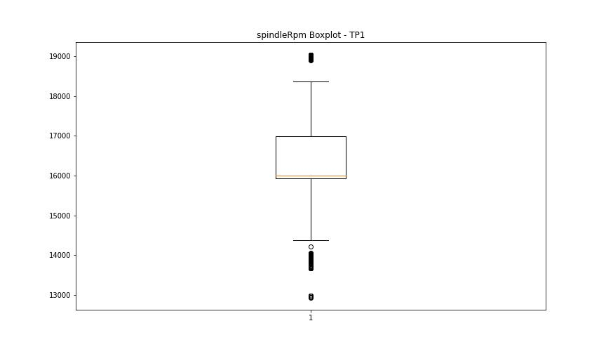

rpmSetPoint

numTP |  | 1
rpmSetPoint outliers |  | [ 6000. 10000. 11000.]
upper_bound |  | 20000
lower_bound |  | 12000

statistiche con outliers: |  |  | statistiche senza outliers:
numTP |  | 1 | numTP |  | 1
rpmSetPoint | max | 19000 | rpmSetPoint | max | 19000
 | min | 6000 |  | min | 13000
 | avg | 15807.609134 |  | avg | 16054.109278
 | median | 16000 |  | median | 16000

BOXPLOT CON OUTLIERS
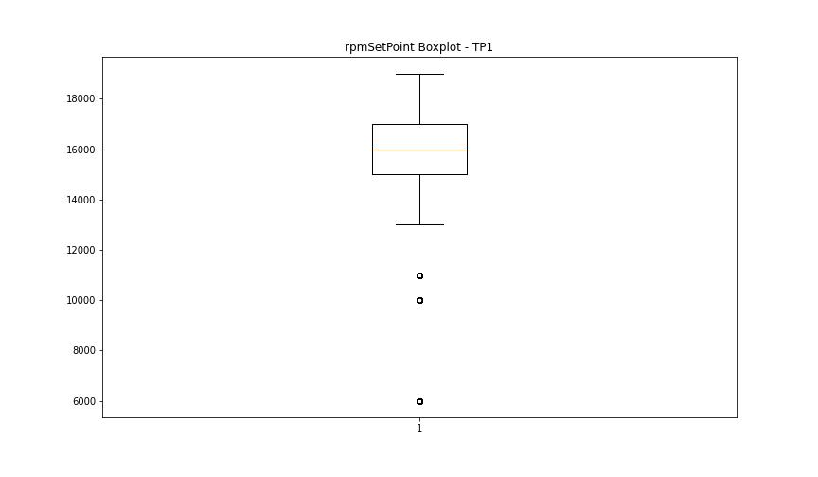

BOXPLOT SENZA OUTLIERS

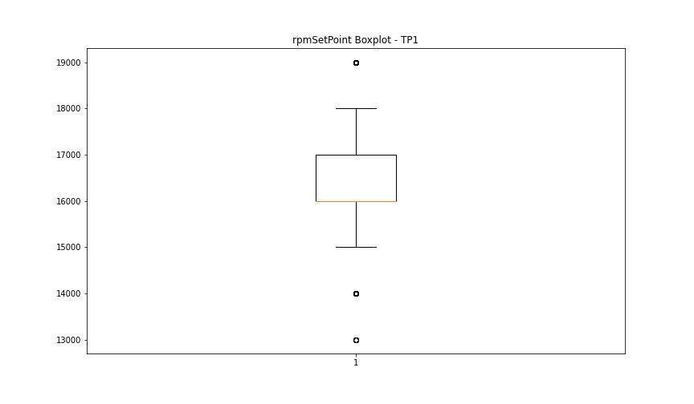

CurrentPeak

numTP |  | 1
CurrentPeak outliers |  | [ 4.947 3.927 1.598 3.264 20.502 20.655 20.485 24.309 21.607 22.184 21.674 20.638 20.672 20.587 22.746 24.242 21.216 21.131 20.518 22.49 21.267 20.535 20.621 27.795 20.604 20.791 3.672 3.791 3.825 3.944 3.655 4.199 3.808 22.78 20.705 20.927 27.25 22.27 21.028 20.944 21.301 20.841 20.552 21.198 25.823 22.304 20.978 21.046 22.117 24.802 23.306 21.709 19.431 22.813 27.829 25.789 23.443 22.983 21.691 22.083 27.879 23.171 27.489 23.681 26.247 23.987 20.688 23.341 20.57 27.896 20.808 27.863 21.097 22.643 19.379 23.799 22.1 20.961 21.233 22.542 22.355 24.735 21.318 21.454 23.936 23.239 21.777 24.139 26.809 21.641 22.457 21.368 25.278 26.57 26.587 22.406 26.333 24.514 24.174 24.65 23.528 26.434 21.658 19.346 19.209 20.757 20.042 21.521 24.191 20.825 23.205 22.763 25.908 27.556 25.245 20.774 21.76 19.618 21.08 22.032 19.396 21.981 25.177 19.091 21.862 21.181 27.268 21.573 20.875 22.15 19.193 26.18 20.74 22.66 24.905 21.556 24.565 23.375 22.61 28.322 26.503 29.308 24.82 23.902 28.186 22.134 27.659 21.284 22.712 24.854 27.2 22.507 19.125 21.844 1.819 19.329 22.966 21.165 23. 22.014 23.715 24.259 23.273 23.629 26.486 27.149 25.058 24.752 21.794 22.576 21.42 27.523 22.899 21.148 23.885 21.437 24.768 21.25 19.295 21.063 26.027 21.011 21.386 18.989 24.99 24.275 24.395 24.089 19.006 26.724 25.874 26.094 21.403 21.726 22.83 18.972 24.157 21.59 19.108 25.721 24.599 22.797 25.653 20.723 21.351 22.44 23.732 22.337 21.997 23.459 21.827 19.414 24.785 19.226 25.584 19.023 24.497 24.055 24.361 22.729 19.312 19.448 22.389 19.516 23.256 24.632 21.896 21.879]
upper_bound |  | 20.4695
lower_bound |  | 20.0575

statistiche con outliers: |  |  | statistiche senza outliers:
numTP |  | 1 | numTP |  | 1
CurrentPeak | max | 29.308 | CurrentPeak | max | 20.468
 | min | 1.598 |  | min | 20.059
 | avg | 20.283473812 |  | avg | 20.258050017
 | median | 20.247 |  | median | 20.247

BOXPLOT CON OUTLIERS
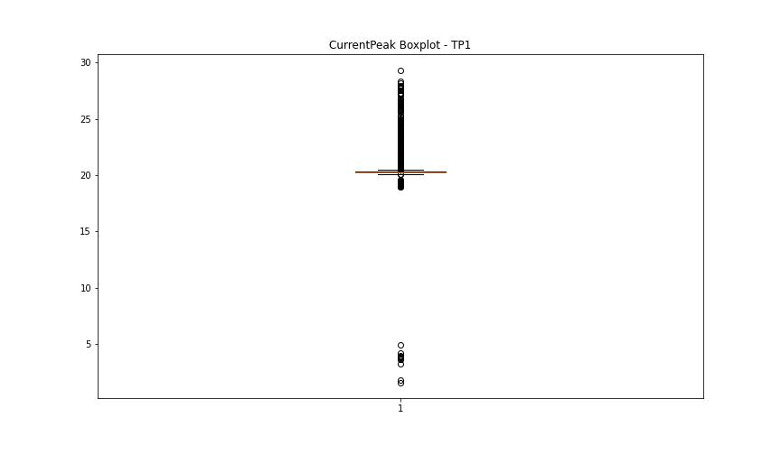

BOXPLOT SENZA OUTLIERS

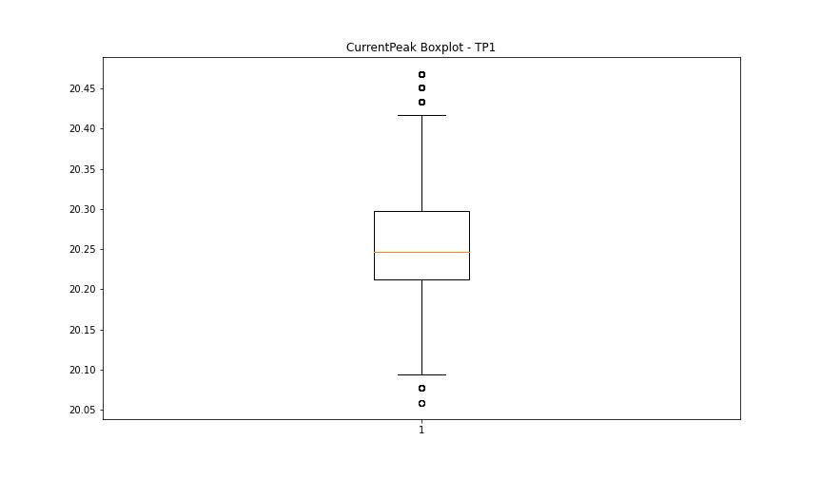

VibromPeak

numTP |  | 1
VibromPeak outliers |  | [ 7.5 7.3 6.7 6.8 6.6 7.1 7.4 7.6 8.3 8.1 8.2 7.9 8.6 9.1 8.7 7.7 8.8 8.5 11.3 12.6 6.9 14.6 8.9 11.1 8.4 14.7 14.1 15. 11.5 7.8 16.1 12.7 15.7 8. 14.2 9.8 10.4 10.6 11.8 15.9 7.2 15.2 10.8 12.1 7. 15.4 9.6 15.1 6.5 16.2 10.1 11.4 13.1 20.7 21.9 21.2 20.9 22.5 21.7 22. 23.6 22.2 12. 11.7 11.6 16. 16.299 16.799 16.5 16.4 17.1 16.6 17.7 17. 17.5 16.7 18. 17.799 18.2 17.9 18.5 18.299 19.1 18.6 18.9 17.6 19. 9.4 11. 13.6 17.2 16.9 17.299 17.4 18.7 18.1 18.799 19.299 19.2 19.7 19.9 20.2 19.5 19.799 20.6 20.299 21.1 14.4 22.6 22.299 9.2 12.9 15.5 9.5 10.5 21.5 10.9 12.5 9. 12.2 14.8 26.2 26. 26.9 29. 27.9 27.5 27.6 27. 26.6 28. 28.2 27.1 29.5 27.299 29.1 28.299 30.6 29.7 29.4 30.9 28.5 29.299 29.799 29.9 28.9 29.6 32.099 31. 30.4 30.799 31.799 30.7 31.6 31.2 31.5 29.2 30.1 30.2 28.6 30. 31.1 30.299 31.4 28.1 28.799 30.5 33. 21.6 25. 13.7 13.8 31.299 11.9 34.2 33.5 33.099 35.599 31.9 32.5 20.5 12.8 11.2 31.7 23.2 36.7 23.4 24.5 25.1 33.799 10. 13.3 10.3 26.1 15.6 35.799 14. 37.299 15.3 36.799 39.5 38.4 39.099 37.5 40.299 37.599 27.7 25.5 25.6 10.7 21.299 21. 9.3 22.1 25.7 23.5 10.2 32.2 24.6 28.7 13. 32.9 20.1 18.4 25.9 24.1 24.4 24.7 20.4 20. 19.4 24.9 25.2 24.299 24.799 19.6 23. 23.299 22.7 12.4 9.7 ]
upper_bound |  | 6.425
lower_bound |  | -2.575

statistiche con outliers: |  |  | statistiche senza outliers:
numTP |  | 1 | numTP |  | 1
VibromPeak | max | 40.299 | VibromPeak | max | 6.4
 | min | 0.2 |  | min | 0.2
 | avg | 2.471829271 |  | avg | 1.9904091342
 | median | 1.7 |  | median | 1.6

BOXPLOT CON OUTLIERS
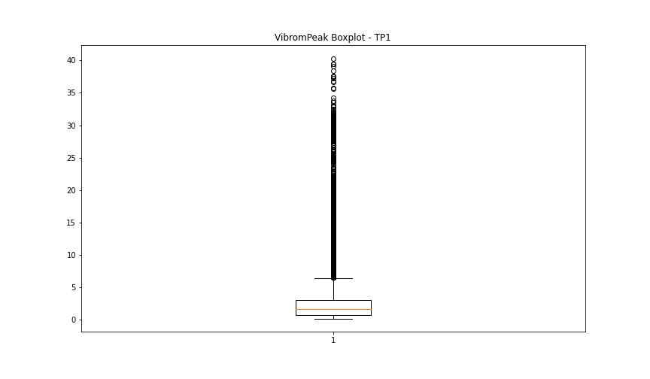

BOXPLOT SENZA OUTLIERS

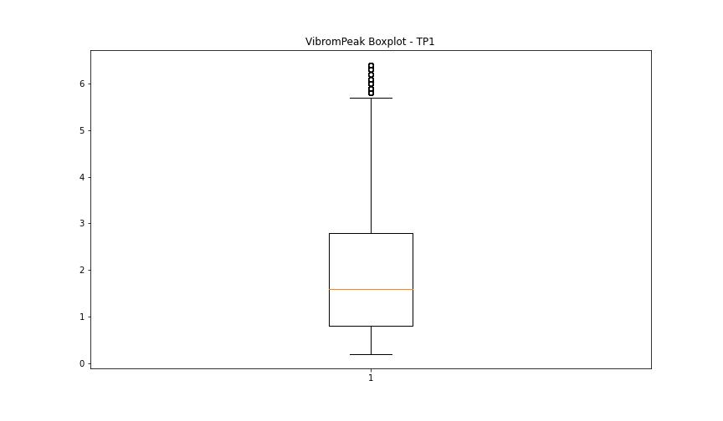

LUNG

numTP |  | 1
LUNG outliers |  | [ 39.2 100. 101.699 101. 58.849 104. 105. 94.5 101.199 106.4 105.9 105.699 179. 180.5 178. 178.5 180. 104.5 177. 178.199]
upper_bound |  | 175.5
lower_bound |  | 107.5

statistiche con outliers: |  |  | statistiche senza outliers:
numTP |  | 1 | numTP |  | 1
LUNG | max | 180.5 | LUNG | max | 175
 | min | 39.2 |  | min | 109
 | avg | 141.72429363 |  | avg | 139.88464085
 | median | 146 |  | median | 146

BOXPLOT CON OUTLIERS
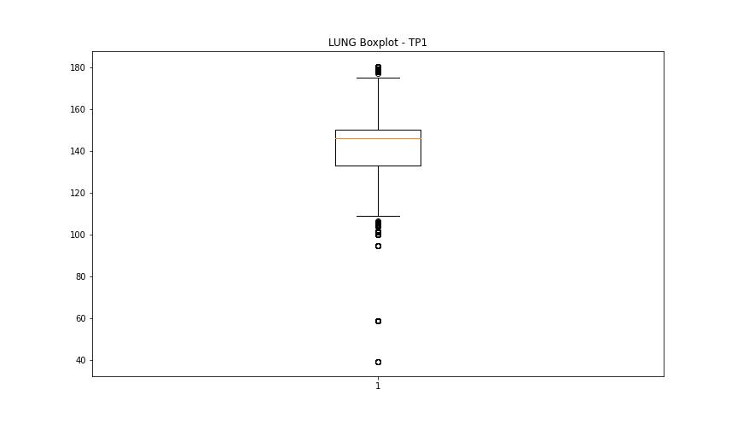

BOXPLOT SENZA OUTLIERS

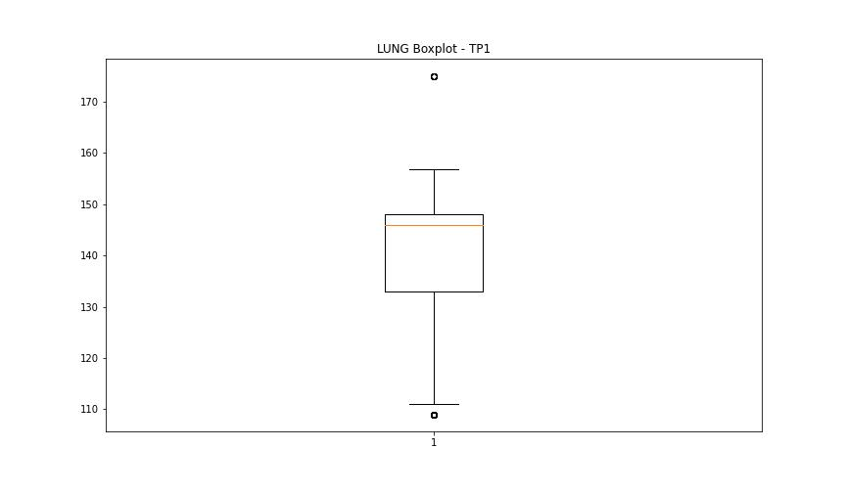

DIAM

numTP |  | 1
DIAM outliers |  | [300.399]
upper_bound |  | 104
lower_bound |  | -40

statistiche con outliers: |  |  | statistiche senza outliers:
numTP |  | 1 | numTP |  | 1
DIAM | max | 300.399 | DIAM | max | 79
 | min | 2 |  | min | 2
 | avg | 32.407760987 |  | avg | 27.842339521
 | median | 20 |  | median | 20

BOXPLOT CON OUTLIERS
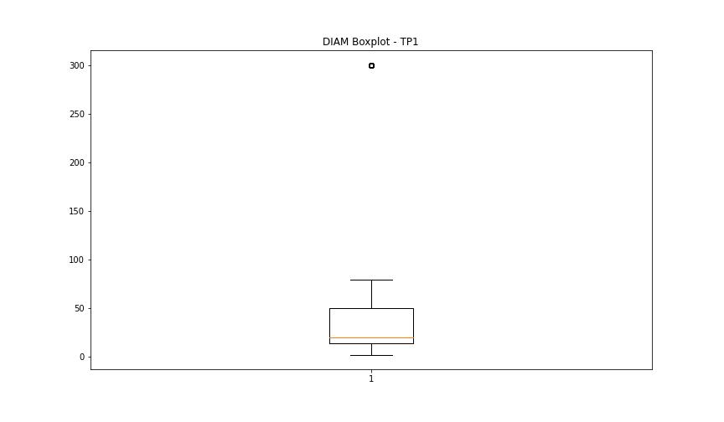

BOXPLOT SENZA OUTLIERS

