Sheet1
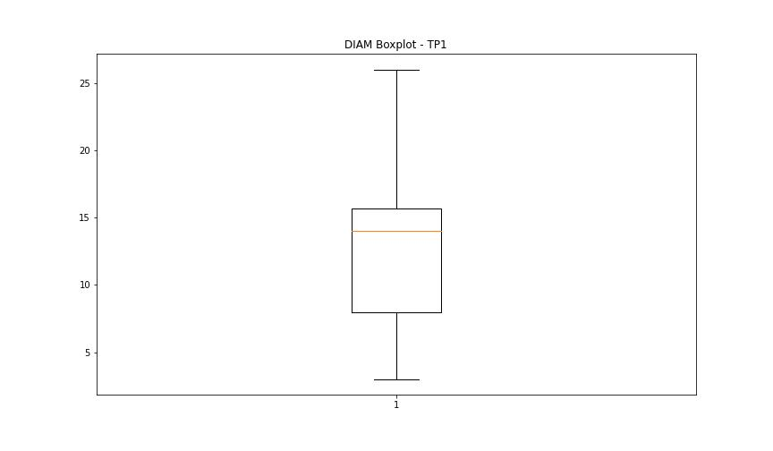
statorCelsius

numTP |  | 1
statorCelsius outliers |  | [17. 15. 13. 14. 12. 10. 38. 39. 40. 41.]
upper_bound |  | 37.5
lower_bound |  | 17.5

statistiche con outliers: |  |  | statistiche senza outliers:
numTP |  | 1 | numTP |  | 1
statorCelsius | max | 41 | statorCelsius | max | 37
 | min | 10 |  | min | 18
 | avg | 27.526594218 |  | avg | 27.593307432
 | median | 27 |  | median | 27

BOXPLOT CON OUTLIERS
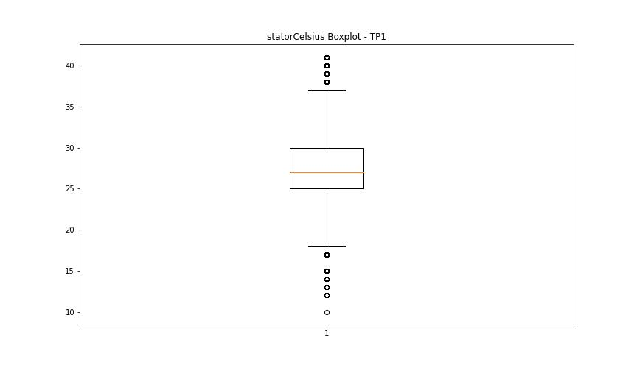

BOXPLOT SENZA OUTLIERS

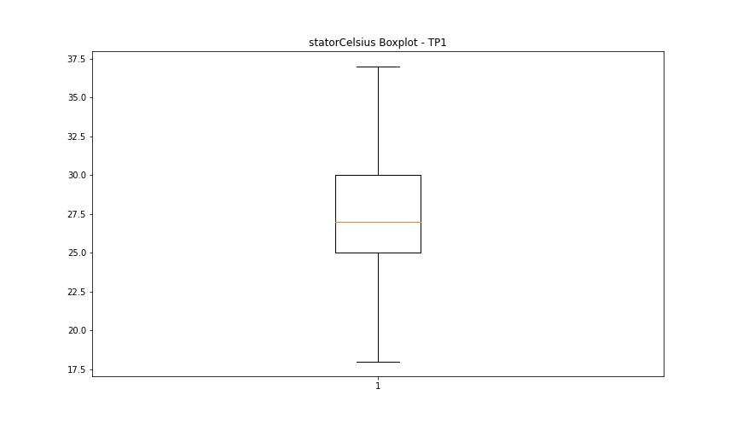

bearingsCelsius

numTP |  | 1
bearingsCelsius outliers |  | [17. 15. 14. 12. 13. 10. 30. 11. 32.]
upper_bound |  | 29.5
lower_bound |  | 17.5

statistiche con outliers: |  |  | statistiche senza outliers:
numTP |  | 1 | numTP |  | 1
bearingsCelsius | max | 32 | bearingsCelsius | max | 29
 | min | 10 |  | min | 18
 | avg | 23.612220627 |  | avg | 23.85766281
 | median | 24 |  | median | 24

BOXPLOT CON OUTLIERS
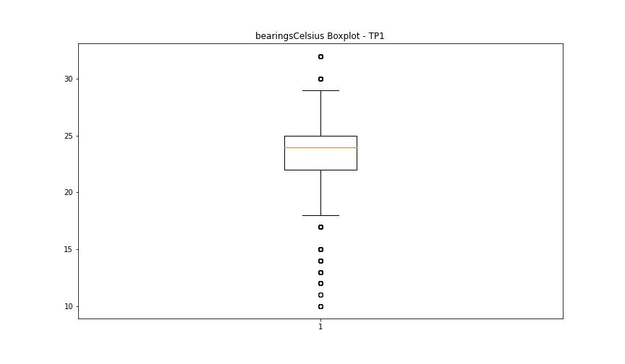

BOXPLOT SENZA OUTLIERS

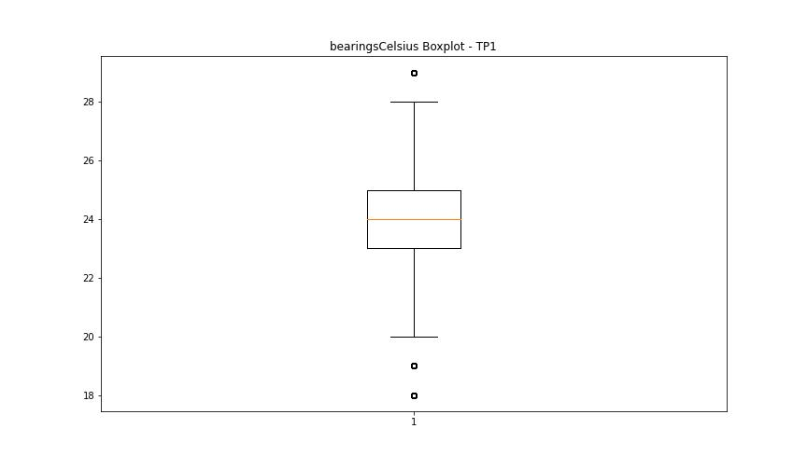

spindleRpm

numTP |  | 1
spindleRpm outliers |  | [5.909e+03 5.926e+03 5.919e+03 5.823e+03 5.928e+03 5.924e+03 3.970e+03 3.990e+03 4.006e+03 3.916e+03 3.951e+03 4.019e+03 3.971e+03 3.938e+03 7.986e+03 7.956e+03 7.976e+03 7.959e+03 7.997e+03 7.957e+03 4.010e+03 3.957e+03 7.994e+03 7.945e+03 7.993e+03 8.000e+03 7.977e+03 7.964e+03 7.947e+03 7.963e+03 7.958e+03 7.913e+03 7.975e+03 5.840e+03 5.901e+03 5.809e+03 5.938e+03 5.939e+03 7.998e+03 5.943e+03 5.931e+03 5.967e+03 5.903e+03 5.985e+03 5.821e+03 5.954e+03 5.896e+03 5.895e+03 5.898e+03 5.981e+03 5.819e+03 5.855e+03 5.929e+03 5.832e+03 7.980e+03 7.987e+03 7.969e+03 7.992e+03 5.977e+03 5.910e+03 5.889e+03 5.989e+03 5.835e+03 5.980e+03 5.858e+03 5.921e+03 5.975e+03 5.945e+03 5.885e+03 5.953e+03 7.954e+03 7.979e+03 7.968e+03 5.836e+03 5.918e+03 5.859e+03 5.875e+03 5.917e+03 5.897e+03 5.963e+03 5.932e+03 5.818e+03 5.905e+03 5.870e+03 5.906e+03 5.851e+03 7.971e+03 7.928e+03 8.004e+03 7.934e+03 7.933e+03 7.984e+03 7.985e+03 7.965e+03 7.966e+03 7.981e+03 7.944e+03 5.872e+03 5.857e+03 5.993e+03 7.949e+03 7.940e+03 7.929e+03 7.978e+03 7.915e+03 5.976e+03 5.908e+03 5.920e+03 5.974e+03 5.957e+03 5.969e+03 5.888e+03 5.881e+03 5.927e+03 5.915e+03 5.962e+03 5.865e+03 6.003e+03 5.893e+03 5.948e+03 5.852e+03 5.904e+03 5.914e+03 5.950e+03 7.939e+03 7.960e+03 7.910e+03 7.942e+03 7.995e+03 5.848e+03 5.853e+03 5.961e+03 5.923e+03 5.912e+03 5.814e+03 5.847e+03 7.974e+03 7.925e+03 7.930e+03 5.890e+03 5.965e+03 5.856e+03 7.972e+03 7.996e+03 7.983e+03 7.989e+03 8.002e+03 7.921e+03 5.944e+03 2.730e+02 1.560e+02 5.866e+03 7.951e+03 7.955e+03 5.937e+03 5.946e+03 5.863e+03 5.869e+03 5.979e+03 5.936e+03 5.899e+03 5.873e+03 5.808e+03 5.878e+03 5.884e+03 5.925e+03 6.002e+03 5.971e+03 5.902e+03 5.955e+03 5.850e+03 5.871e+03 5.892e+03 5.960e+03 5.942e+03 5.951e+03 5.972e+03 5.922e+03 5.894e+03 5.860e+03 5.861e+03 5.949e+03 5.947e+03 5.849e+03 7.982e+03 7.932e+03 5.876e+03 3.622e+03 5.802e+03 5.966e+03 5.883e+03 7.931e+03 7.953e+03 7.988e+03 5.827
upper_bound |  | 23928
lower_bound |  | 8048

statistiche con outliers: |  |  | statistiche senza outliers:
numTP |  | 1 | numTP |  | 1
spindleRpm | max | 20073 | spindleRpm | max | 20073
 | min | 0 |  | min | 8960
 | avg | 14762.215501 |  | avg | 16037.667267
 | median | 15003 |  | median | 15028

BOXPLOT CON OUTLIERS
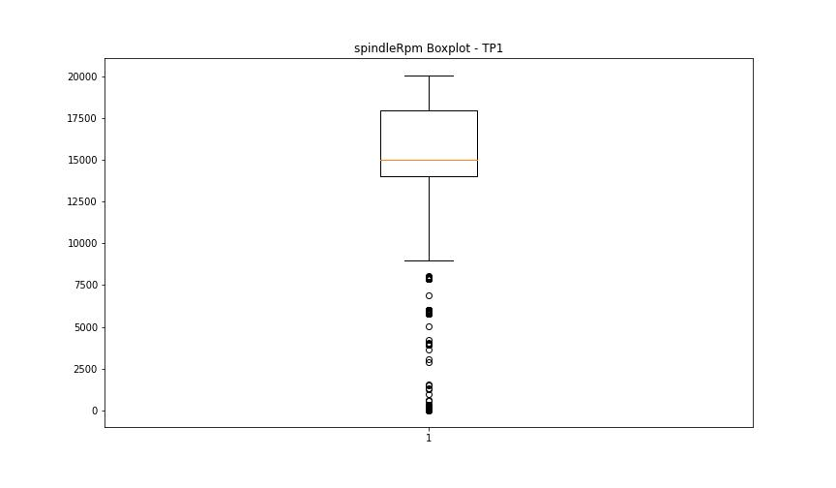

BOXPLOT SENZA OUTLIERS

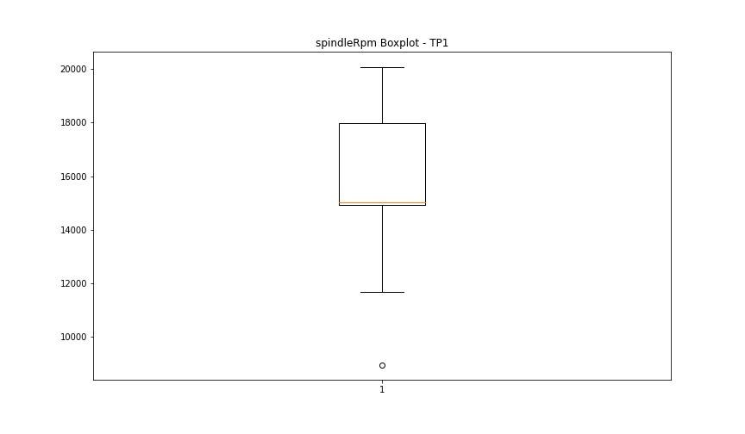

rpmSetPoint

numTP |  | 1
rpmSetPoint outliers |  | [6000. 4000.]
upper_bound |  | 24000
lower_bound |  | 8000

statistiche con outliers: |  |  | statistiche senza outliers:
numTP |  | 1 | numTP |  | 1
rpmSetPoint | max | 20000 | rpmSetPoint | max | 20000
 | min | 4000 |  | min | 8000
 | avg | 14808.32479 |  | avg | 15642.472394
 | median | 15000 |  | median | 15000

BOXPLOT CON OUTLIERS
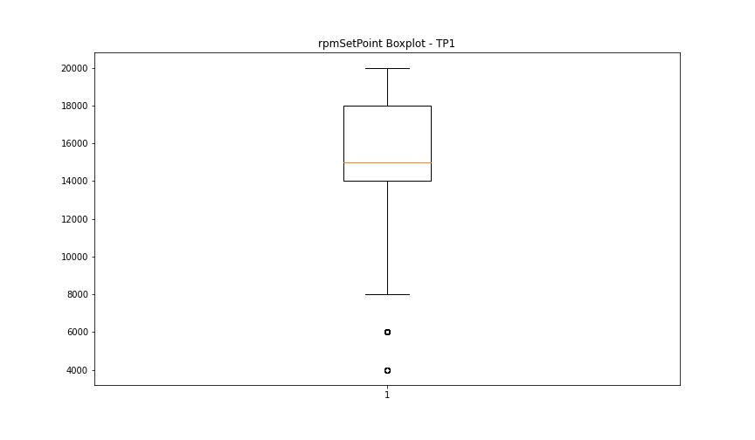

BOXPLOT SENZA OUTLIERS

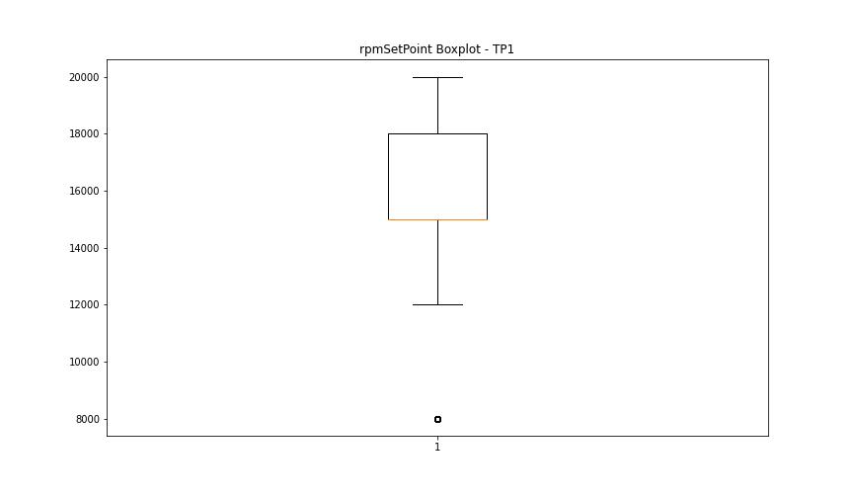

CurrentPeak

numTP |  | 1
CurrentPeak outliers |  | [24.395 20.552 24.462 20.57 20.825 20.705 20.587 24.531 20.535 20.74 26.146 20.518 20.672 20.757 24.361 3.621 2.023 20.621 20.774 20.604 24.701 24.139 22.406 20.638 20.791 22.032 20.688 21.046 19.006 19.363 20.655 20.893 22.049 21.233 22.848 20.808 23.545 22.95 21.521 20.723 25.347 22.78 22.525 21.351 22.1 23.341 22.916 21.028 21.267 21.097 19.312 19.379 19.125 21.114 23.306 18.921 21.063 19.209 18.989 19.482 20.875 19.566 23.375 21.011 24.309 22.184 21.844 25.398 22.559 20.978 19.278 20.961 24.429 19.346 20.841 18.479 21.658 22.66 23.766 23.493 21.607 21.368 21.777 21.743 27.25 21.42 28.662 21.131 23.562 23.732 23.969 21.471 20.944 21.556 18.886 21.165 23.273 21.726 23.222 24.48 23. 22.474 24.548 20.927 21.93 20.91 23.834 25.584 21.437 22.15 23.476 21.76 25.874 22.014 23.12 21.181 21.403 21.794 23.171 22.457 21.827 24.615 19.549 22.49 21.318 21.539 22.32 20.025 21.386 22.576 24.327 25.194 28.832 31.025 24.854 21.997 21.25 21.488 24.344 21.811 21.198 21.862 22.865 24.174 23.698 25.823 21.216 21.981 23.136]
upper_bound |  | 20.512
lower_bound |  | 20.032

statistiche con outliers: |  |  | statistiche senza outliers:
numTP |  | 1 | numTP |  | 1
CurrentPeak | max | 31.025 | CurrentPeak | max | 20.502
 | min | 2.023 |  | min | 20.059
 | avg | 20.295235637 |  | avg | 20.271916324
 | median | 20.264 |  | median | 20.247

BOXPLOT CON OUTLIERS
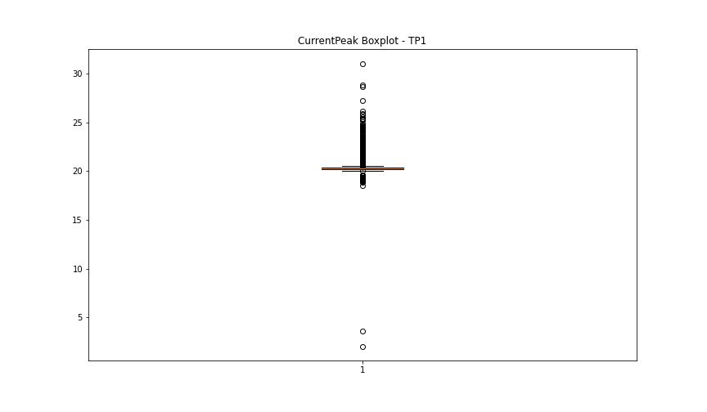

BOXPLOT SENZA OUTLIERS

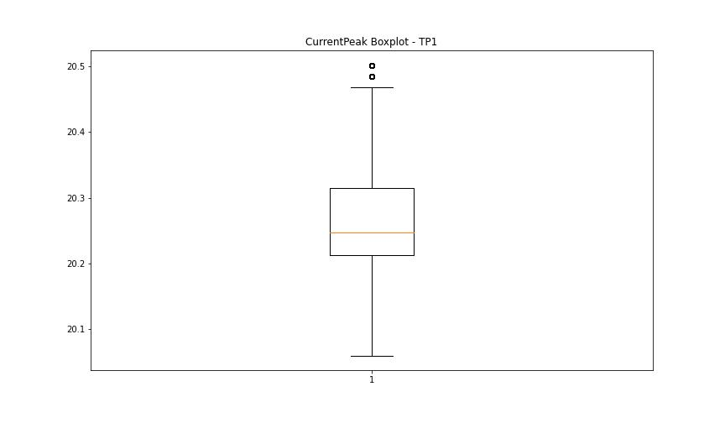

VibromPeak

numTP |  | 1
VibromPeak outliers |  | [3.4 3.3 3.5 3.7 5.2 3.8 3.6 4. 4.3 3.9 4.2 4.1 7.9]
upper_bound |  | 3.2
lower_bound |  | -0.8

statistiche con outliers: |  |  | statistiche senza outliers:
numTP |  | 1 | numTP |  | 1
VibromPeak | max | 7.9 | VibromPeak | max | 3.2
 | min | 0.1 |  | min | 0.1
 | avg | 1.2020270825 |  | avg | 1.1941050552
 | median | 1.1 |  | median | 1.1

BOXPLOT CON OUTLIERS
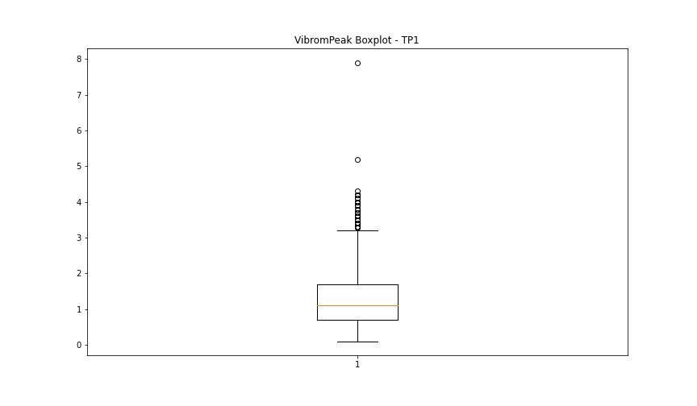

BOXPLOT SENZA OUTLIERS

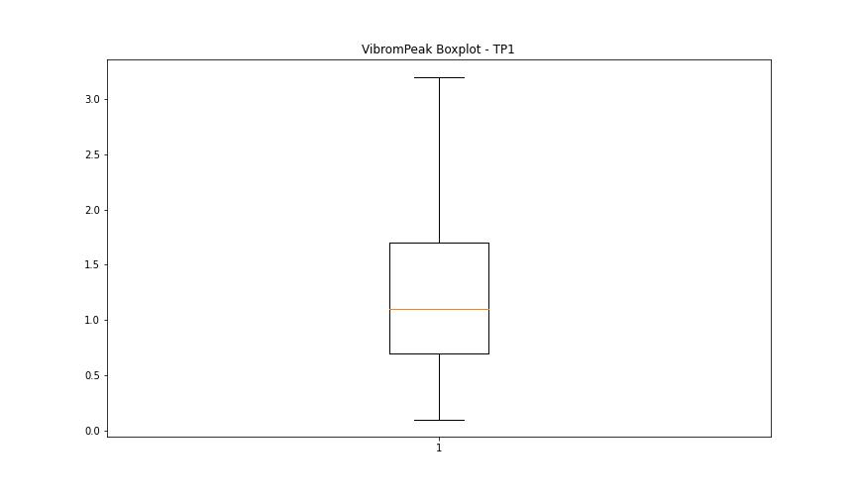

LUNG

numTP |  | 1
LUNG outliers |  | []
upper_bound |  | 229.625
lower_bound |  | 28.625

statistiche con outliers: |  |  | statistiche senza outliers:
numTP |  | 1 | numTP |  | 1
LUNG | max | 183.6 | LUNG | max | 183.6
 | min | 42.5 |  | min | 42.5
 | avg | 132.79715907 |  | avg | 132.79715907
 | median | 132.699 |  | median | 132.699

BOXPLOT CON OUTLIERS
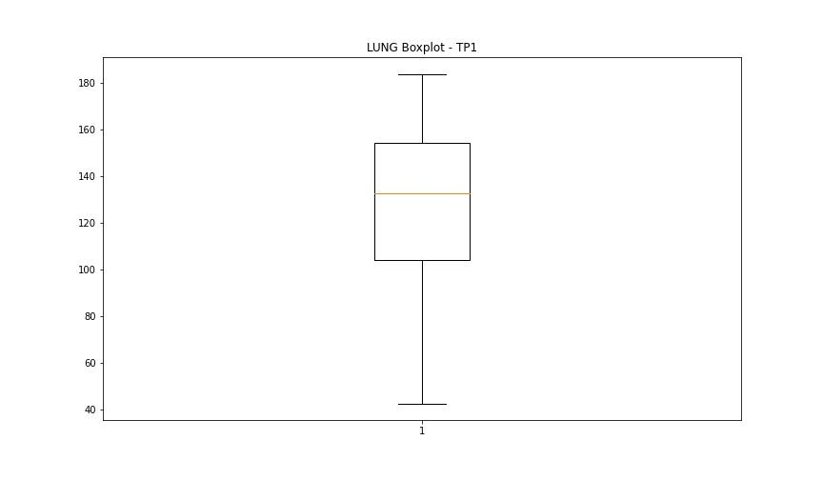

BOXPLOT SENZA OUTLIERS

DIAM

numTP |  | 1
DIAM outliers |  | [ 50. 35. 301.1 45.799 46. 42. 68. 60. 100. ]
upper_bound |  | 27.25
lower_bound |  | -3.55

statistiche con outliers: |  |  | statistiche senza outliers:
numTP |  | 1 | numTP |  | 1
DIAM | max | 301.1 | DIAM | max | 26
 | min | 3 |  | min | 3
 | avg | 37.867810129 |  | avg | 11.524058066
 | median | 14 |  | median | 14

BOXPLOT CON OUTLIERS
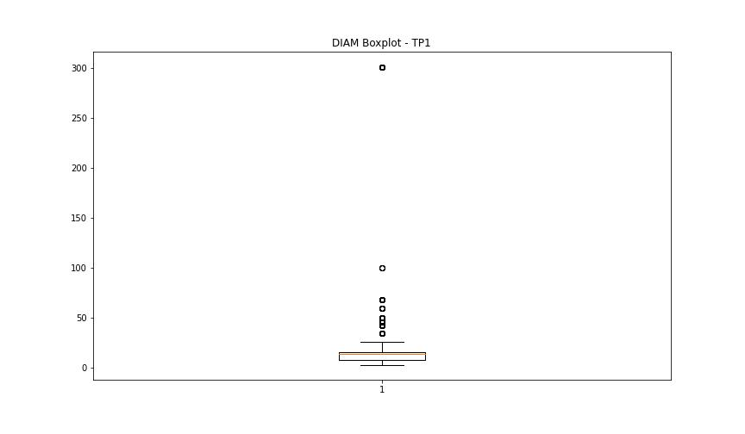

BOXPLOT SENZA OUTLIERS

