Sheet1
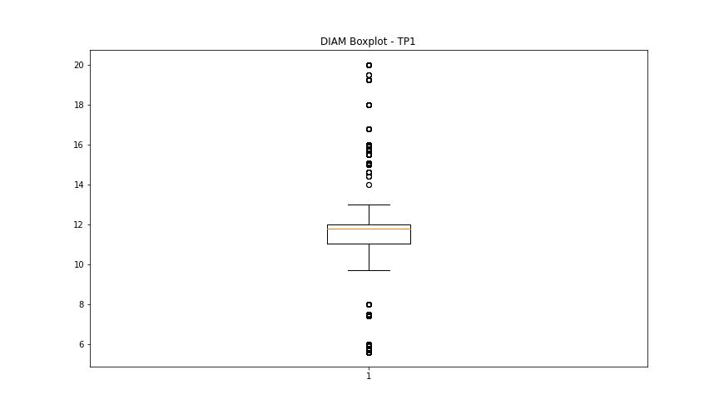
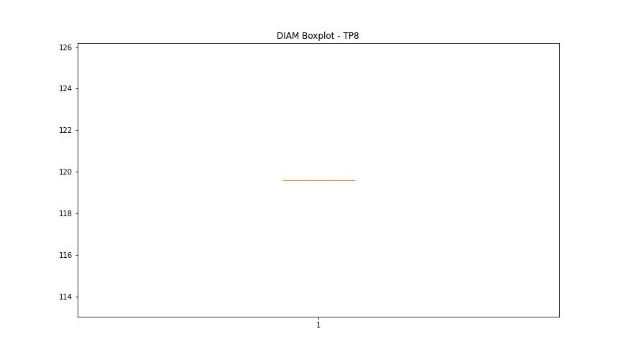
statorCelsius

numTP |  | 1 | 8
statorCelsius outliers |  | [15. 12. 9. 14. 13. 0. 11.] | []
upper_bound |  | 40 | 0
lower_bound |  | 16 | 0

statistiche con outliers: |  |  |  | statistiche senza outliers:
numTP |  | 1 | 8 | numTP |  | 1 | 8
statorCelsius | max | 40 | 0 | statorCelsius | max | 40 | 0
 | min | 0 | 0 |  | min | 16 | 0
 | avg | 28.097488922 | 0 |  | avg | 28.160262749 | 0
 | median | 27 | 0 |  | median | 27 | 0

BOXPLOT CON OUTLIERS
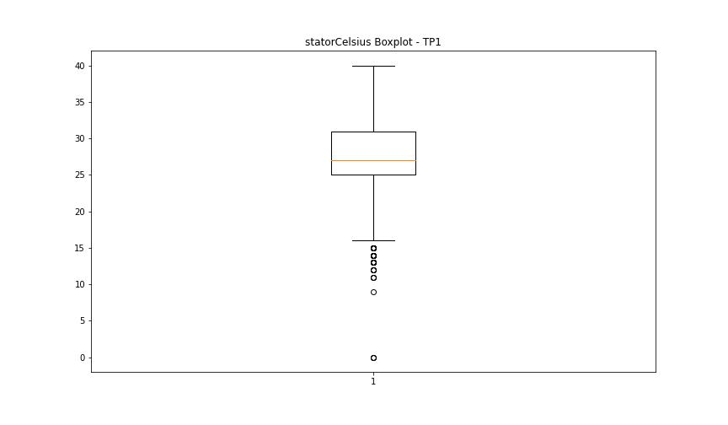
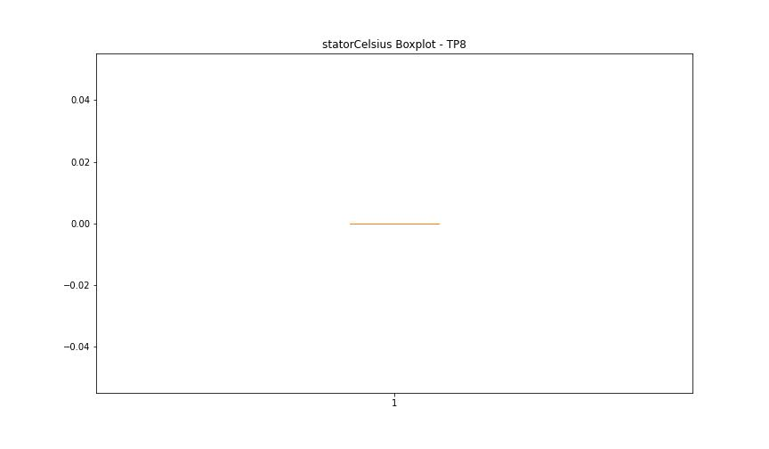

BOXPLOT SENZA OUTLIERS

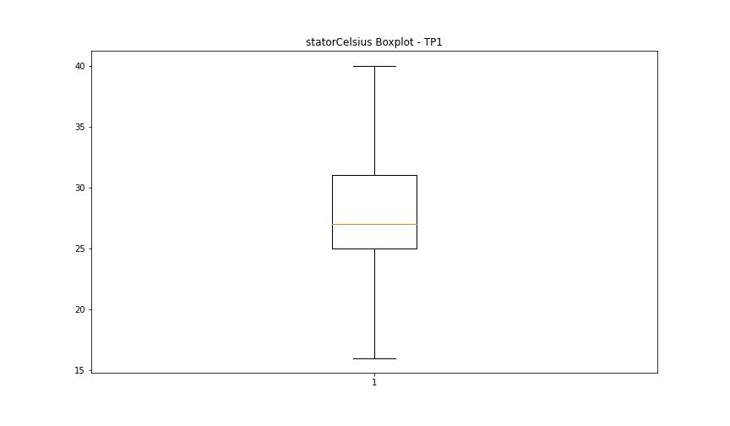

bearingsCelsius

numTP |  | 1 | 8
bearingsCelsius outliers |  | [16. 17. 14. 13. 15. 10. 18. 7. 8. 9. 11. 12. 31. 0. 33. 32. 34. 35. 36.] | []
upper_bound |  | 30.5 | 0
lower_bound |  | 18.5 | 0

statistiche con outliers: |  |  |  | statistiche senza outliers:
numTP |  | 1 | 8 | numTP |  | 1 | 8
bearingsCelsius | max | 36 | 0 | bearingsCelsius | max | 30 | 0
 | min | 0 | 0 |  | min | 19 | 0
 | avg | 24.667721742 | 0 |  | avg | 24.813342369 | 0
 | median | 25 | 0 |  | median | 25 | 0

BOXPLOT CON OUTLIERS
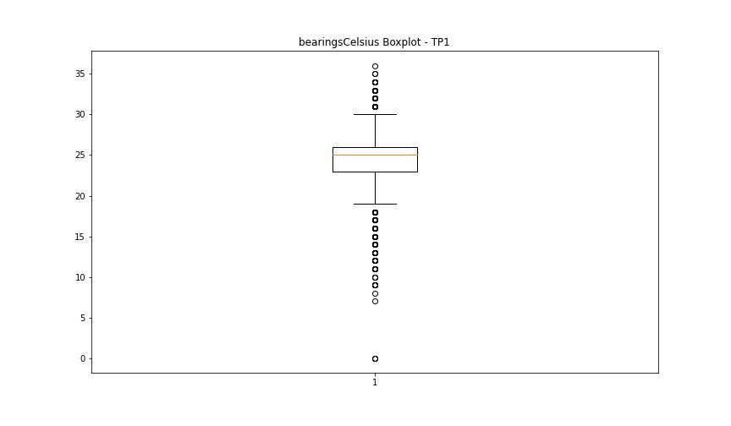


BOXPLOT SENZA OUTLIERS

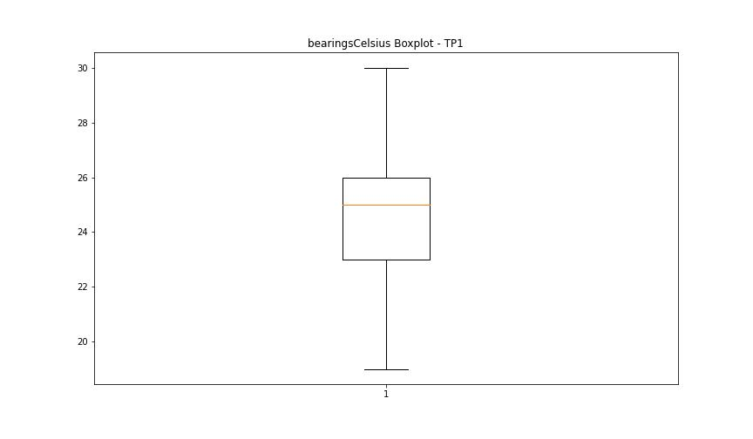

spindleRpm

numTP |  | 1 | 8
spindleRpm outliers |  | [1.400100e+04 1.400400e+04 1.399500e+04 7.997000e+03 7.996000e+03 1.200700e+04 1.188000e+04 1.000600e+04 1.000000e+04 1.200000e+04 1.201200e+04 1.200600e+04 1.200200e+04 1.199800e+04 1.200300e+04 1.199400e+04 7.435000e+03 1.199700e+04 1.200900e+04 1.199500e+04 1.199100e+04 1.201100e+04 1.199600e+04 1.199200e+04 1.200500e+04 1.200800e+04 1.000400e+04 1.470900e+04 7.991899e+03 7.998199e+03 6.995100e+03 6.986699e+03 1.399300e+04 1.399400e+04 1.400300e+04 9.998000e+03 5.989899e+03 5.985000e+03 5.990600e+03 5.986399e+03 5.993399e+03 5.987799e+03 5.994100e+03 5.992699e+03 5.989199e+03 5.991299e+03 5.994799e+03 5.987100e+03 4.999000e+03 9.994000e+03 1.201500e+04 6.312000e+03 5.995500e+03 5.992000e+03 5.999699e+03 6.001100e+03 4.992399e+03 5.996199e+03 5.997600e+03 1.198800e+04 1.200400e+04 1.199300e+04 1.198900e+04 1.199900e+04 1.200100e+04 8.050000e+02 1.225500e+04 5.996899e+03 5.998299e+03 1.198700e+04 1.201400e+04 5.110000e+02 1.145000e+04 1.201000e+04 5.982199e+03 8.137000e+03 6.268000e+03 5.002000e+03 9.996000e+03 1.436000e+03 1.783000e+03 1.000300e+04 5.999000e+03 5.988500e+03 0.000000e+00 1.463000e+03 1.495900e+04 1.256800e+04 1.199000e+04 1.170000e+03 1.399700e+04 1.041500e+04 1.432300e+04 5.242000e+03 1.399900e+04 1.398700e+04 1.400500e+04 1.202100e+04 2.421000e+03 1.718000e+03 6.854000e+03 1.203600e+04 1.400200e+04 1.401000e+04 1.399800e+04 3.228000e+03 8.800000e+03 5.438000e+03 1.000200e+04 9.992000e+03 9.999000e+03 9.991000e+03 1.000100e+04 9.997000e+03 1.198500e+04 6.135000e+03 4.026000e+03 9.553000e+03 5.000000e+03 4.998000e+03 9.993000e+03 1.001200e+04 1.201700e+04 6.547000e+03 9.990000e+03 4.996000e+03 9.995000e+03 5.001000e+03 9.989000e+03 9.988000e+03 1.456400e+04 1.454800e+04 1.456800e+04 1.456000e+04 1.456300e+04 7.116000e+03 5.891000e+03 1.258000e+04 1.400000e+04 1.399600e+04 1.300500e+04 1.401200e+04 5.650000e+03 1.000500e+04 8.424000e+03 7.039000e+03 4.997000e+03 1.317200e+04 1.400700e+04 6.56 | []
upper_bound |  | 23008 | 0
lower_bound |  | 14968 | 0

statistiche con outliers: |  |  |  | statistiche senza outliers:
numTP |  | 1 | 8 | numTP |  | 1 | 8
spindleRpm | max | 65535 | 0 | spindleRpm | max | 22068 | 0
 | min | 0 | 0 |  | min | 14985 | 0
 | avg | 18256.738527 | 0 |  | avg | 19119.207746 | 0
 | median | 19968 | 0 |  | median | 19976 | 0

BOXPLOT CON OUTLIERS
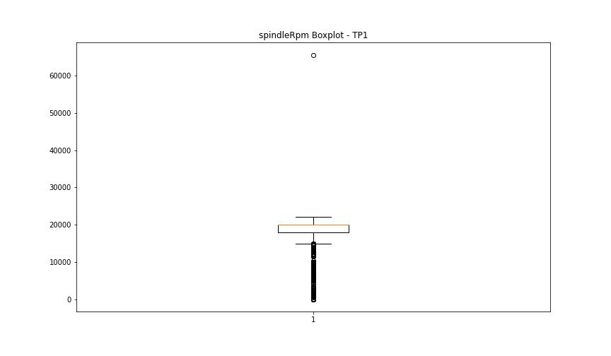


BOXPLOT SENZA OUTLIERS

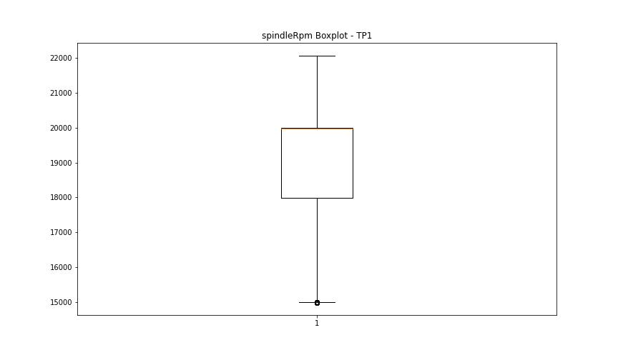

rpmSetPoint

numTP |  | 1 | 8
rpmSetPoint outliers |  | [14000. 8000. 12000. 10000. 7000. 6000. 5000. 0. 13000. 13500.] | []
upper_bound |  | 23000 | 6000
lower_bound |  | 15000 | 6000

statistiche con outliers: |  |  |  | statistiche senza outliers:
numTP |  | 1 | 8 | numTP |  | 1 | 8
rpmSetPoint | max | 22000 | 6000 | rpmSetPoint | max | 22000 | 6000
 | min | 0 | 6000 |  | min | 15000 | 6000
 | avg | 18354.223817 | 6000 |  | avg | 19115.135732 | 6000
 | median | 20000 | 6000 |  | median | 20000 | 6000

BOXPLOT CON OUTLIERS
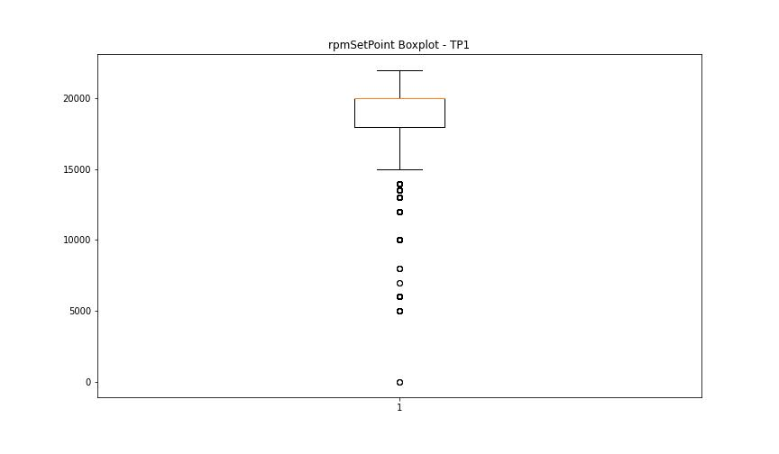
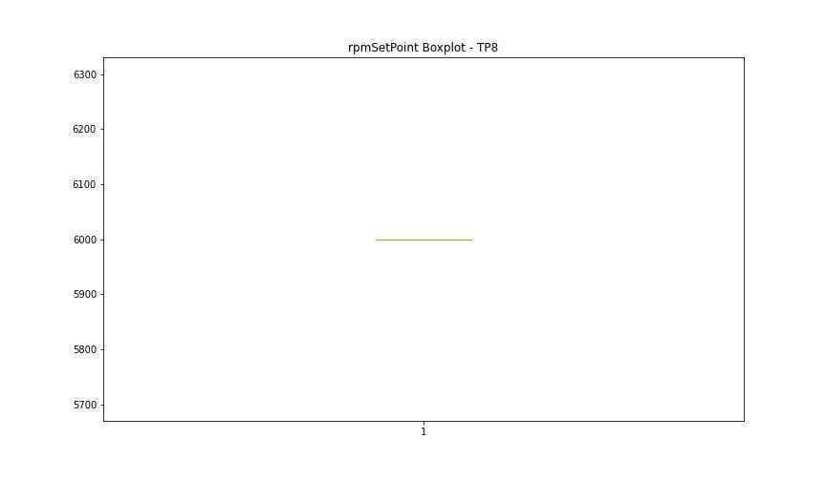

BOXPLOT SENZA OUTLIERS

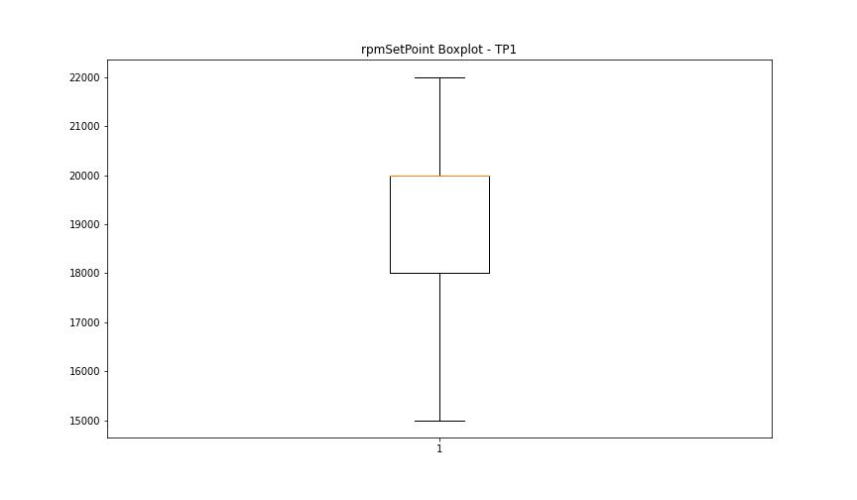

CurrentPeak

numTP |  | 1 | 8
CurrentPeak outliers |  | [12.63 13.579 9.926 13.806 13.735 13.869 13.593 13.685 13.791 13.657 13.933 4.354 5.111 5.621 13.565 14.875 15.215 15.094 15.08 14.698 14.79 14.712 14.344 13.855 13.671 13.841 13.749 13.622 13.643 13.699 13.827 13.714 7.129 6.492 7.759 8.963 9.069 0.686 5.189 14.74 14.528 0.396 7.865 6.202 7.604 9.451 9.699 14.33 14.91 9.359 3.313 0.955 11.165 3.143 5.437 13.777 13.607 7.434 1.585 2.244 1.508 3.525 4.672 2.562 2.867 1.741 3.051 4.793 1.083 4.318 7.327 6.35 5.741 2.088 0.453 7.788 6.364 14.769 0.729 7.235 0.488 0.516 0.304 1.784 1.918 1.359 8.127 8.156 10.428 10.188 6.98 9.501 14.202 4.148 4.948 14.252 14.57 14.648 14.464 13.898 8.828 0.743 3.221 15.229 8.05 5.968 9.579 13.884 14.386 14.584 14.5 14.754 13.947 14.662 5.515 2.52 12.574 14.358 14.372 14.315 14.804 14.478 7.446 3. 2.057 2.952 13.763 6.825 8.722 9.621 5.819 10.032 3.079 0. 72.514 12.375 9.763 7.667 15.873 17.473 17.87 17.324 15.278 15.611 17.091 17.671 16.085 17.919 17.551 12.602 16.022 16.482 15.689 17.962 16.418 16.588 15.533 17.983 15.307 17.799 12.616 17.693 15.746 15.781 15.625 16.192 15.399 16.468 17.183 16.1 17.487 17.289 17.261 16.836 16.404 17.126 17.445 17.155 8.489 16.652 16.73 16.666 17.034 7.299 9.742 16.97 16.616 16.772 9.791 18.195 16.071 16.546 17.431 15.639 16.496 17.247 14.938 14.967 15.059 14.606 18.025 18.302 16.163 16.999 17.735 17.02 17.615 17.905 17.778 1.663 1.416 6.747 6.018 17.707 15.951 16.008 15.916 15.901 16.864 15.859 15.349 17.579 15.993 17.841 16.822 15.717 17.353 4.885 1.231 1.649 14.677 17.169 15.965 17.721 14.846 15.031 14.542 16.907 15.838 15.583 17.601 16.744 16.878 15.519 17.048 15.292 15.441 15.045 15.2 16.801 16.149 16.206 17.112 0.913 2.973 9.685 14.45 13.912 16.51 16.326 16.574 16.362 16.376 16.128 14.039 16.22 16.708 15.795 16.177 15.137 16.694 15.477 17.339 5.402 15.767 15.569 14.514 15.887 16 | [9.41 9.315 9.096 9.52 9.253 9.268 9.551 9.567 9.221]
upper_bound |  | 13.5515 | 8.2875
lower_bound |  | 12.6435 | 7.0915

statistiche con outliers: |  |  |  | statistiche senza outliers:
numTP |  | 1 | 8 | numTP |  | 1 | 8
CurrentPeak | max | 72.514 | 9.567 | CurrentPeak | max | 13.551 | 7.855
 | min | 0 | 7.414 |  | min | 12.645 | 7.414
 | avg | 13.010409439 | 8.0228979592 |  | avg | 13.084764968 | 7.6330263158
 | median | 13.091 | 7.712 |  | median | 13.076 | 7.681

BOXPLOT CON OUTLIERS
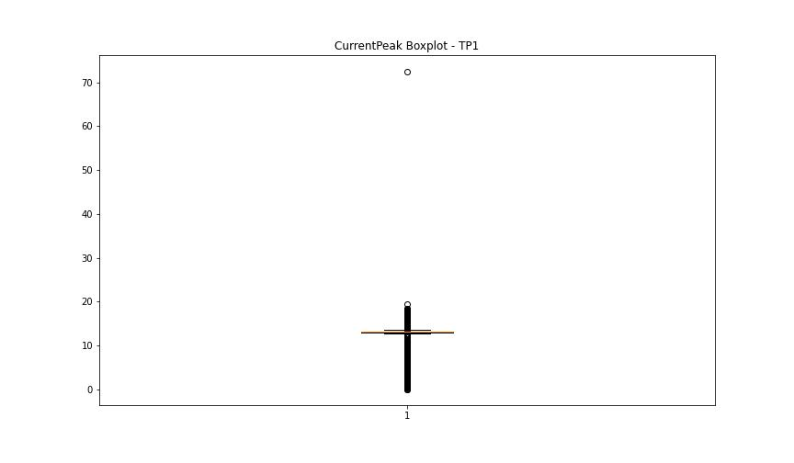
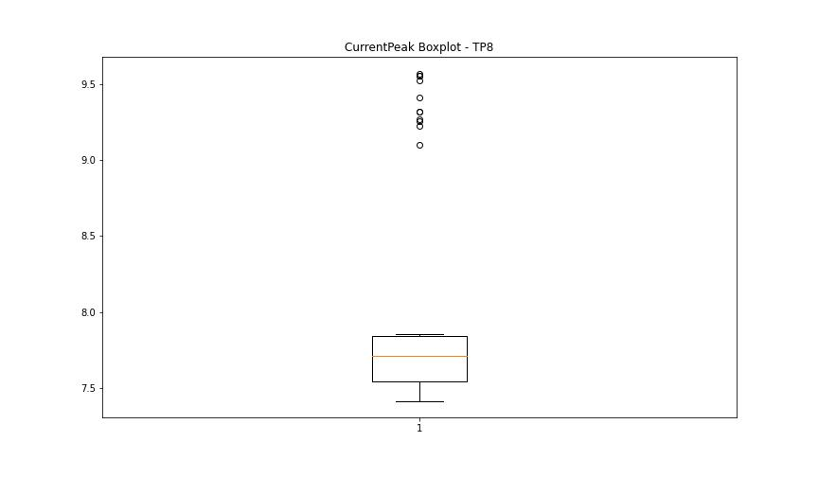

BOXPLOT SENZA OUTLIERS

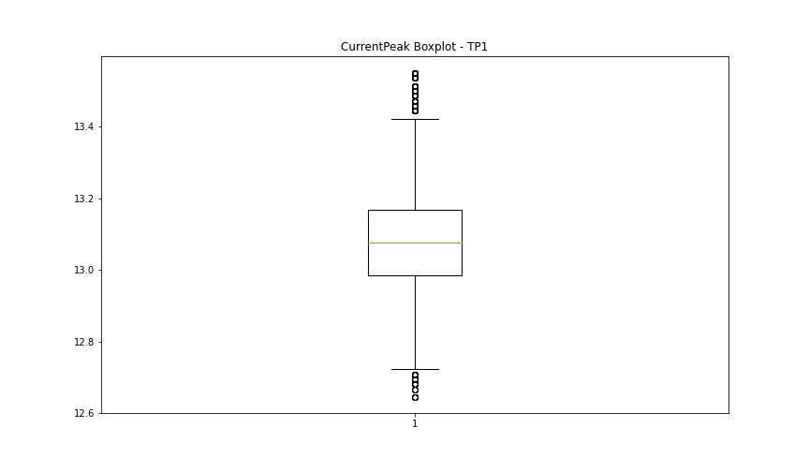
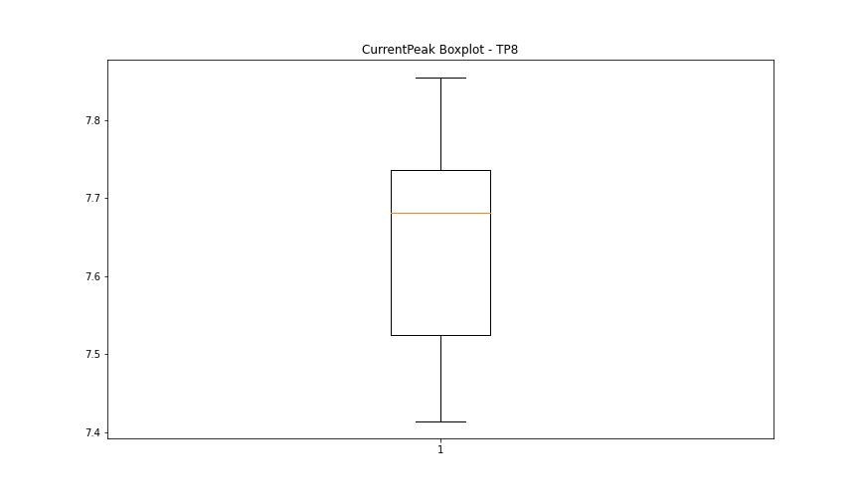

VibromPeak

numTP |  | 1 | 8
VibromPeak outliers |  | [ 2. 1.8 1.9 3.4 3.8 3.9 7.9 8.2 2.4 2.7 2.3 8.9 2.1 2.5 2.2 7.7 3.2 2.6 7.1 3.1 3.5 3. 11.3 12.7 12.4 12.2 13. 13.6 10.7 4.3 4. 2.9 4.7 6.7 8.5 9.4 8.8 8.3 5.6 6. 4.2 5.8 4.9 3.3 5.5 8.1 2.8 4.8 6.8 10.5 10.8 11.5 11. 5.4 4.4 5.7 10. 10.2 10.9 9.2 9.5 10.1 9.9 9.8 9.7 7.8] | []
upper_bound |  | 1.7 | 1.6
lower_bound |  | 0.1 | 1.6

statistiche con outliers: |  |  |  | statistiche senza outliers:
numTP |  | 1 | 8 | numTP |  | 1 | 8
VibromPeak | max | 13.6 | 1.6 | VibromPeak | max | 1.7 | 1.6
 | min | 0.1 | 1.6 |  | min | 0.1 | 1.6
 | avg | 0.95828993666 | 1.6 |  | avg | 0.87990616524 | 1.6
 | median | 0.9 | 1.6 |  | median | 0.8 | 1.6

BOXPLOT CON OUTLIERS
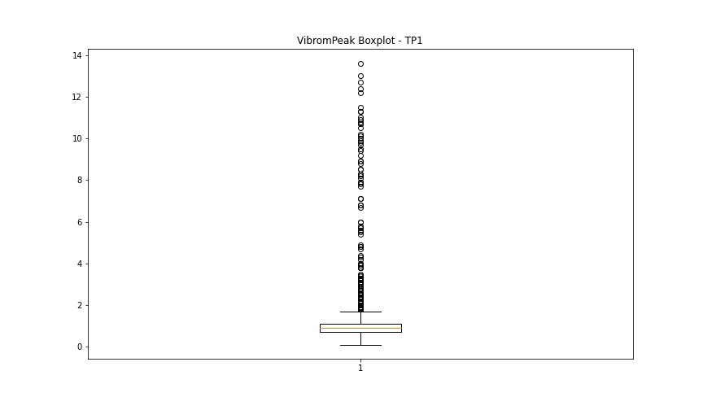


BOXPLOT SENZA OUTLIERS

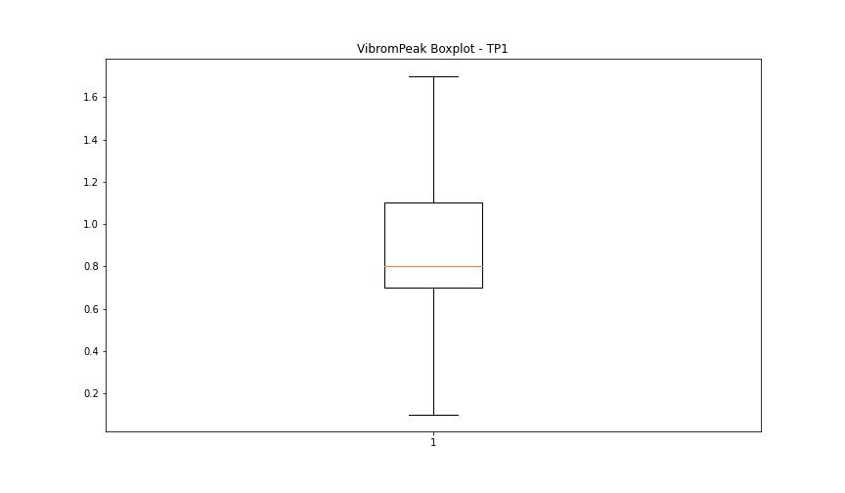

LUNG

numTP |  | 1 | 8
LUNG outliers |  | [ 4. 2. 3. 4.5 160.289 159.669 152.619 153.402 152.897 158.968 149.696 160.642 160.639 160.929] | [4.]
upper_bound |  | 147.4665 | 2
lower_bound |  | 85.6625 | 2

statistiche con outliers: |  |  |  | statistiche senza outliers:
numTP |  | 1 | 8 | numTP |  | 1 | 8
LUNG | max | 160.929 | 4 | LUNG | max | 147.309 | 2
 | min | 2 | 2 |  | min | 90.553 | 2
 | avg | 116.9254228 | 2.2040816327 |  | avg | 117.52222143 | 2
 | median | 119.139 | 2 |  | median | 119.139 | 2

BOXPLOT CON OUTLIERS
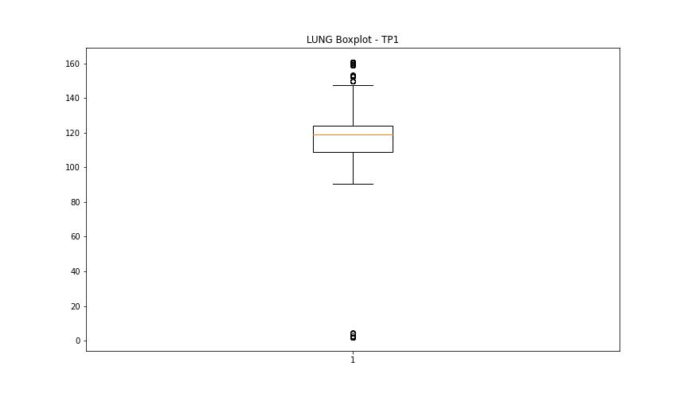
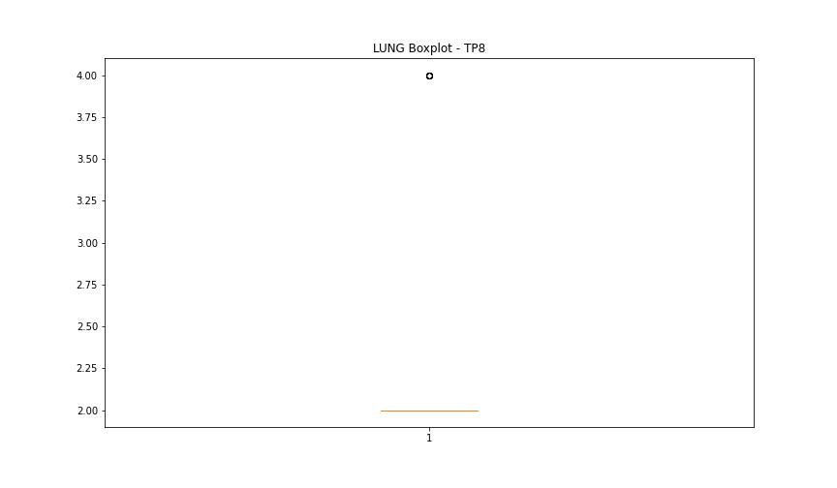

BOXPLOT SENZA OUTLIERS

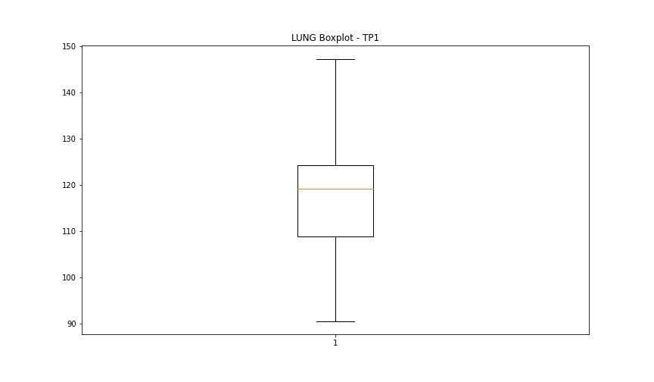
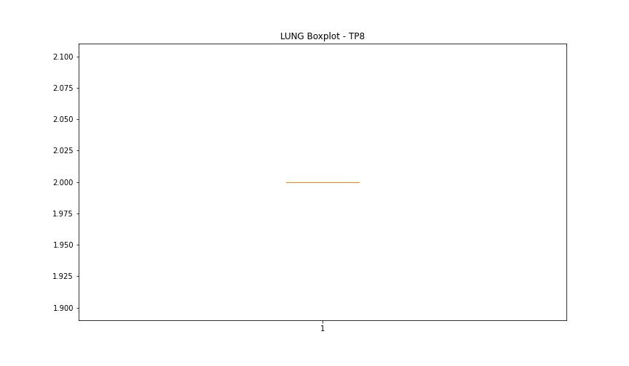

DIAM

numTP |  | 1 | 8
DIAM outliers |  | [ 3.5 3. 80. 215. 212. 4. 212.8 213.6 5. 4.9 75. 148. 25. 24.7 4.7 63. 104.3 109.599 22.5 23.7 110.44 110.739 73.8 115. 113. 109. 24.65 118.5 108.8 123.099 46. 47. 50. 100. 99.5 28. 28.4 124. ] | [120.]
upper_bound |  | 20.925 | 119.599
lower_bound |  | 5.125 | 119.599

statistiche con outliers: |  |  |  | statistiche senza outliers:
numTP |  | 1 | 8 | numTP |  | 1 | 8
DIAM | max | 215 | 120 | DIAM | max | 20 | 119.599
 | min | 3 | 119.599 |  | min | 5.6 | 119.599
 | avg | 20.332212 | 119.60718367 |  | avg | 11.978030345 | 119.599
 | median | 11.9 | 119.599 |  | median | 11.8 | 119.599

BOXPLOT CON OUTLIERS
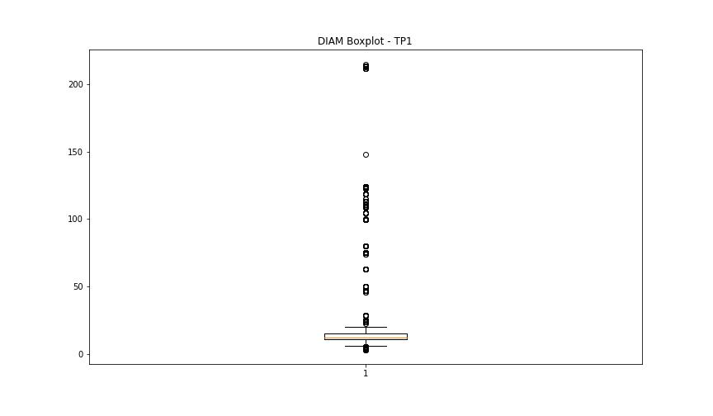
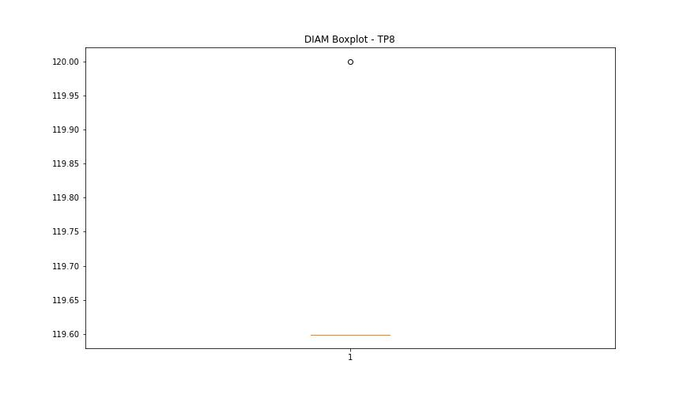

BOXPLOT SENZA OUTLIERS

