Sheet1
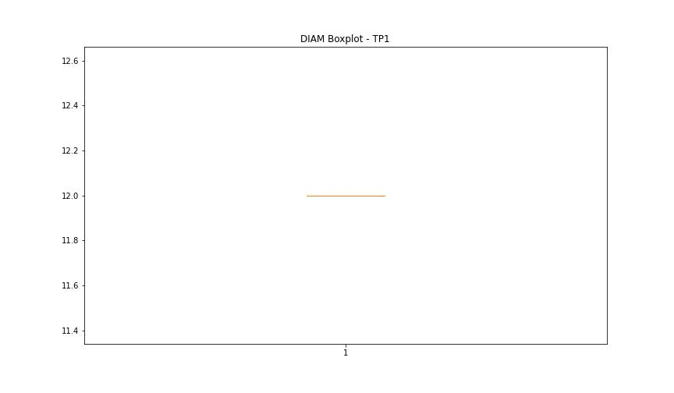
statorCelsius

numTP |  | 1 | 8
statorCelsius outliers |  | [ 8. 6. 7. 43. 9.] | []
upper_bound |  | 42 | 0
lower_bound |  | 10 | 0

statistiche con outliers: |  |  |  | statistiche senza outliers:
numTP |  | 1 | 8 | numTP |  | 1 | 8
statorCelsius | max | 43 | 0 | statorCelsius | max | 42 | 0
 | min | 6 | 0 |  | min | 10 | 0
 | avg | 25.005773857 | 0 |  | avg | 25.068760064 | 0
 | median | 25 | 0 |  | median | 25 | 0

BOXPLOT CON OUTLIERS
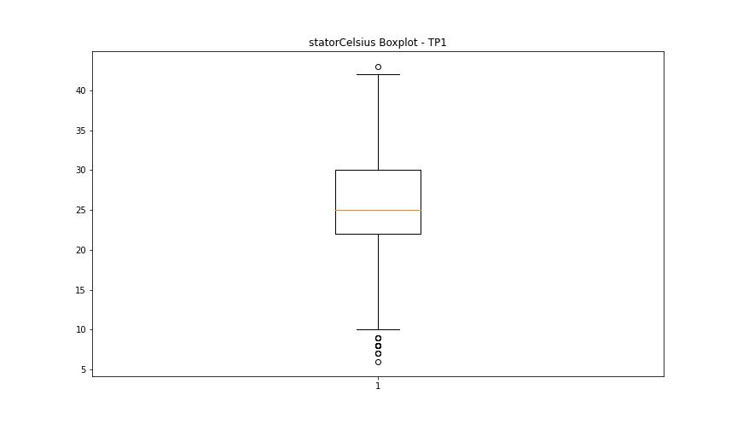
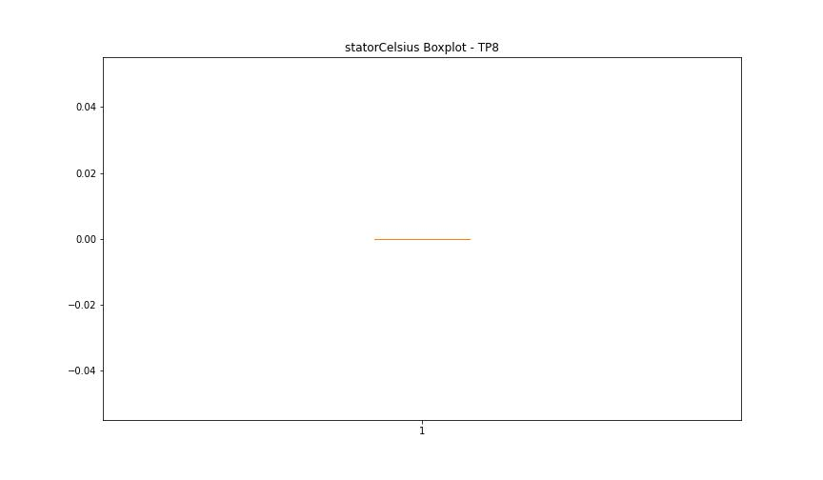

BOXPLOT SENZA OUTLIERS

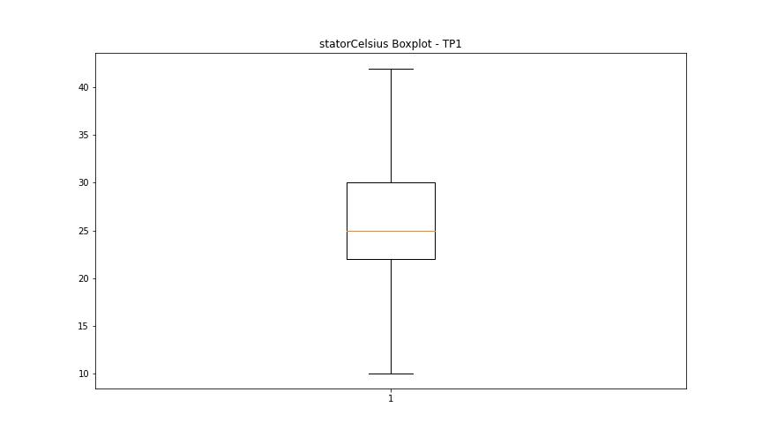

bearingsCelsius

numTP |  | 1 | 8
bearingsCelsius outliers |  | [ 9. 8. 7. 38. 39.] | []
upper_bound |  | 37.5 | 0
lower_bound |  | 9.5 | 0

statistiche con outliers: |  |  |  | statistiche senza outliers:
numTP |  | 1 | 8 | numTP |  | 1 | 8
bearingsCelsius | max | 39 | 0 | bearingsCelsius | max | 37 | 0
 | min | 7 | 0 |  | min | 10 | 0
 | avg | 24.240417001 | 0 |  | avg | 24.259623128 | 0
 | median | 25 | 0 |  | median | 25 | 0

BOXPLOT CON OUTLIERS
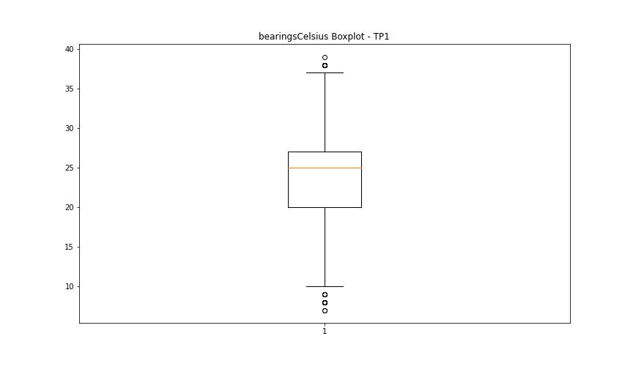


BOXPLOT SENZA OUTLIERS

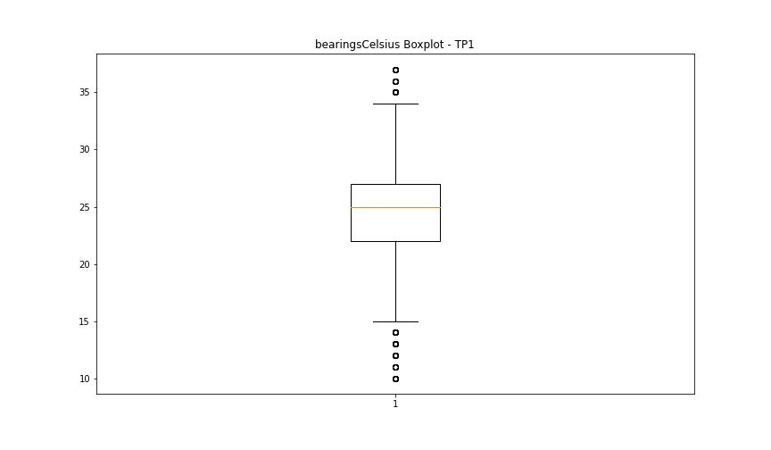

spindleRpm

numTP |  | 1 | 8
spindleRpm outliers |  | [11338. 5816. 9045. 6472. 6543. 6473. 6550. 6570. 126. 6496. 6471. 6537. 6373. 6538. 631. 4997. 6535. 6456. 6481. 6522. 6546. 6560. 6554. 6581. 6482. 6578. 6562. 6518. 6521. 6429. 6582. 6524. 6476. 2295. 0. 4089. 4080. 6510. 10021. 6423. 7930. 6514. 6464. 6494. 6564. 6484. 6551. 6424. 1935. 6520. 6391. 6542. 6569. 6500. 6525. 6412. 6507. 6509. 6463. 6565. 6527. 6469. 6498. 6528. 6475. 6573. 10463. 6477. 1850. 794. 6426. 6508. 6568. 6539. 5430. 6458. 6558. 6451. 452. 6490. 6396. 11205. 6453. 6488. 6523. 6444. 6530. 6410. 7989. 7985. 7928. 8000. 7996. 7993. 8010. 7981. 8018. 4952. 9918. 6465. 8834. 6434. 6443. 6540. 6492. 6493. 6417. 6576. 6408. 6398. 6467. 6563. 6503. 6580. 6549. 6502. 6491. 6474. 6478. 6445. 6428. 6454. 6461. 6427. 6413. 6566. 6435. 6497. 6449. 6402. 6447. 6485. 6548. 6377. 6401. 6516. 6587. 6515. 6385. 7946. 7991. 6411. 6483. 6479. 7977. 8004. 8015. 8011. 7975. 6577. 6390. 6397. 2907. 7964. 7983. 6583. 7990. 8019. 6395. 1202. 889. 6419. 6555. 6501. 6513. 6394. 4996. 6572. 6575. 6436. 6571. 6533. 6409. 6480. 6544. 6437. 6585. 6545. 6468. 125. 6446. 6584. 6448. 6462. 6536. 918. 6526. 6495. 6574. 6504. 3065. 6466. 6505. 6559. 8741. 6511. 6499. 6605. 6386. 6415. 6382. 6506. 6519. 6529. 7932. 6557. 7952. 6487. 6592. 6452. 6431. 6418. 6512. 6389. 351. 6561. 6553. 6460. 6399. 6534. 6422. 6455. 6541. 6379. 6588. 117. 3631. 10818. 6486. 6517. 6567. 6432. 6208. 6180. 6547. 6400. 6440. 3948. 7910. 8013. 7950. 7960. 1252. 6552. 4515. 1560. 6414. 1843. 6532. 6470. 6459. 6591. 7997. 6590. 6586. 6441. 8007. 7980. 7963. 8012. 8001.] | []
upper_bound |  | 23319.25 | 0
lower_bound |  | 11609.25 | 0

statistiche con outliers: |  |  |  | statistiche senza outliers:
numTP |  | 1 | 8 | numTP |  | 1 | 8
spindleRpm | max | 20073 | 0 | spindleRpm | max | 20073 | 0
 | min | 0 | 0 |  | min | 11636 | 0
 | avg | 16553.43352 | 0 |  | avg | 17712.239472 | 0
 | median | 17984 | 0 |  | median | 17996 | 0

BOXPLOT CON OUTLIERS
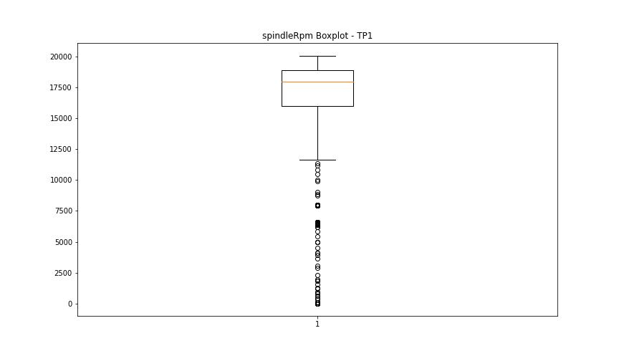


BOXPLOT SENZA OUTLIERS

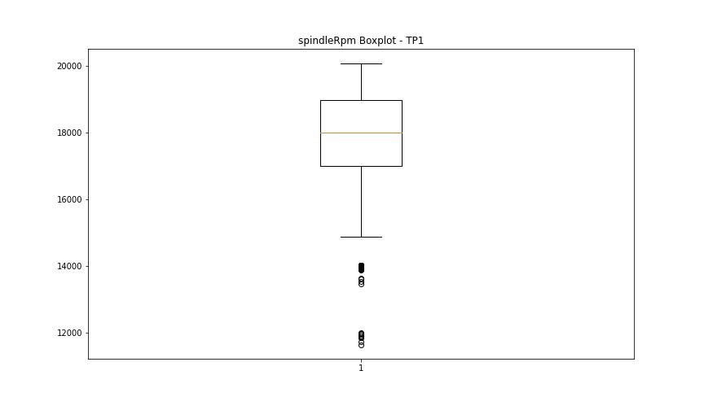

rpmSetPoint

numTP |  | 1 | 8
rpmSetPoint outliers |  | [ 6600. 5000. 2000. 8000. 10000.] | []
upper_bound |  | 23500 | 6000
lower_bound |  | 11500 | 6000

statistiche con outliers: |  |  |  | statistiche senza outliers:
numTP |  | 1 | 8 | numTP |  | 1 | 8
rpmSetPoint | max | 20000 | 6000 | rpmSetPoint | max | 20000 | 6000
 | min | 2000 | 6000 |  | min | 12000 | 6000
 | avg | 16697.481957 | 6000 |  | avg | 17729.170352 | 6000
 | median | 18000 | 6000 |  | median | 18000 | 6000

BOXPLOT CON OUTLIERS
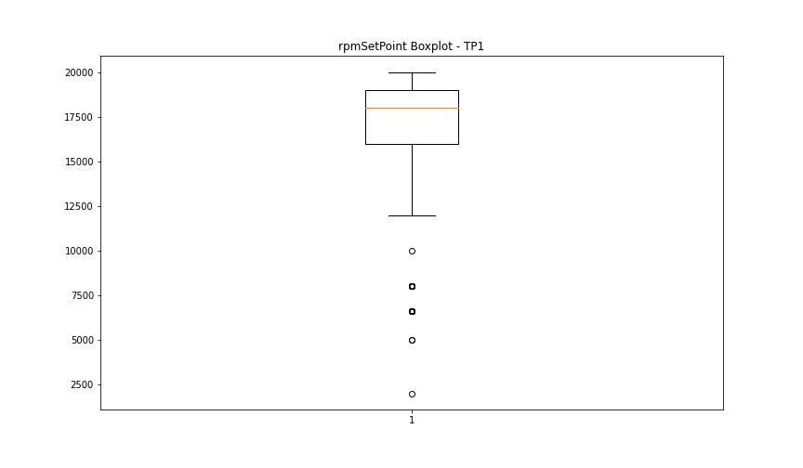
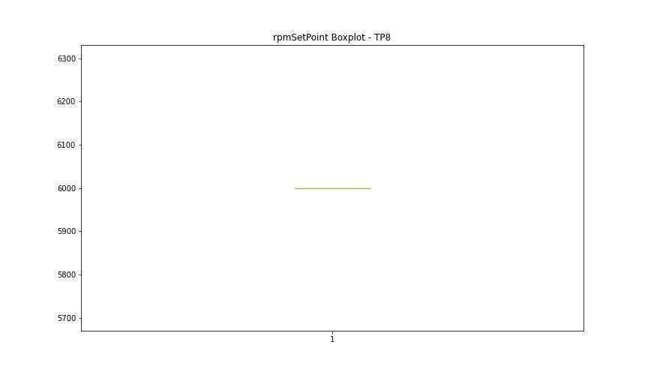

BOXPLOT SENZA OUTLIERS

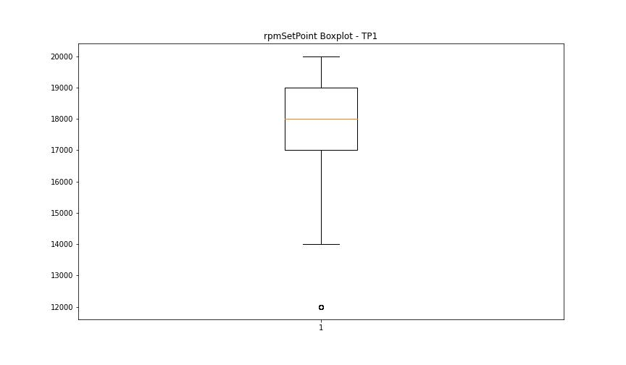

CurrentPeak

numTP |  | 1 | 8
CurrentPeak outliers |  | [ 3.757 3.213 2.703 3.774 4.233 3.366 3.128 2.737 3.196 5.44 10.217 2.771 20.672 20.417 20.4 21.011 6.46 8.279 20.552 3.264 5.712 20.434 20.485 20.535 9.928 20.655 20.604 20.587 20.91 20.451 19.056 19.023 12.087 5.797 20.468 20.621 20.502 20.825 20.808 20.518 18.87 20.875 20.961 7.191 2.788 4.692 3.706 5.168 2.329 8.755 7.344 4.726 5.78 7.14 4.437 4.777 18.938 4.369 20.723 21.028 18.683 5.508 5.525 9.163 7.701 8.075 8.874 5.1 6.154 7.378 3.893 5.746 5.661 5.95 7.633 3.944 6.171 8.959 3.434 4.896 8.16 4.879 4.148 9.027 4.216 4.063 3.621 4.029 4.471 3.723 4.556 3.808 2.975 5.015 9.469 5.61 8.109 6.001 6.851 8.772 7.939 6.494 6.205 4.182 4.522 4.352 7.752 4.998 5.899 7.174 2.618 18.886 7.106 5.389 5.253 5.236 3.485 4.828 2.482 5.304 20.841 6.477 24.004 22.117 21.386 21.216 22.542 21.573 21.351 21.368 20.791 24.174 24.309 20.774 6.086 9.129 3.604 9.214 6.715 7.463 7.837 5.083 8.823 4.964 6.732 8.211 4.947 5.185 9.945 5.933 7.616 4.59 7.293 5.066 6.137 6.766 6.035 6.528 7.259 5.576 5.916 6.97 2.057 6.562 5.984 4.42 7.004 2.38 2.516 5.865 6.817 3.553 4.267 8.415 4.199 4.012 6.443 7.718 4.386 6.936 11.458 5.117 4.539 7.412 3.859 4.862 2.584 5.729 3.655 6.596 6.647 2.601 4.913 6.885 3.689 6.902 12.699 3.502 6.953 5.032 4.743 7.395 2.567 7.82 4.301 4.93 4.25 4.097 8.449 3.332 4.624 7.514 6.375 3.995 7.225 4.607 3.927 4.335 8.024 4.046 3.536 8.194 4.131 7.769 4.08 6.868 7.871 7.599 5.321 4.454 21.454 20.705 20.944 20.688 20.893 21.25 2.754 5.406 1.751 6.341 3.842 1.904 0.204 1.054 1.139 0.935 0.969 2.159 0.884 1.343 1.802 0.833 0.986 1.36 1.479 0.629 1.785 1.411 1.853 21.624 18.785 23.086 8.789 3.638 5.678 2.907 3.451 6.681 6.256 4.165 3.587 3.876 5.831 9.486 6.511 5.202 3.672 4.794 | []
upper_bound |  | 20.3915 | 16.805
lower_bound |  | 20.0515 | 4.077

statistiche con outliers: |  |  |  | statistiche senza outliers:
numTP |  | 1 | 8 | numTP |  | 1 | 8
CurrentPeak | max | 26.724 | 12.076 | CurrentPeak | max | 20.382 | 12.076
 | min | 0 | 6.001 |  | min | 20.059 | 6.001
 | avg | 19.404939214 | 10.1952 |  | avg | 20.228287371 | 10.1952
 | median | 20.212 | 12.017 |  | median | 20.212 | 12.017

BOXPLOT CON OUTLIERS
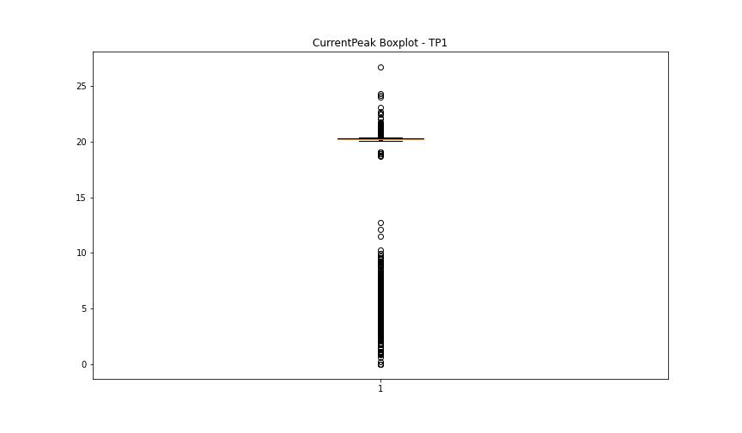
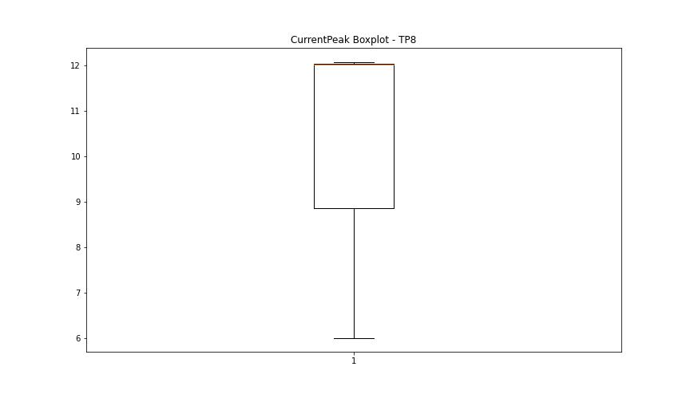

BOXPLOT SENZA OUTLIERS

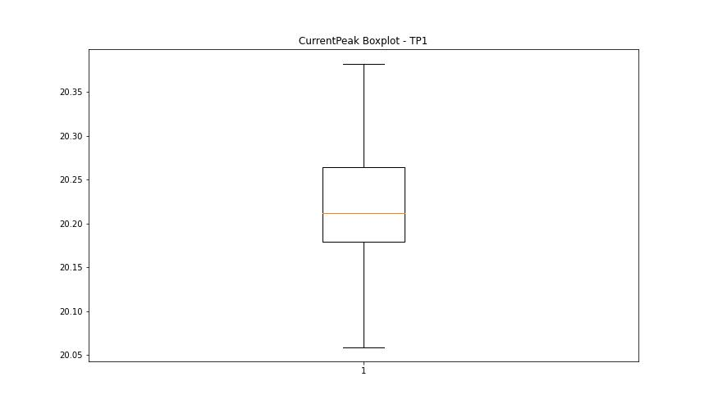

VibromPeak

numTP |  | 1 | 8
VibromPeak outliers |  | [ 5. 5.1 7.3 4.9 4.7 5.2 5.9 11.5 6.8 4.8 8.1 6.7 7.6 8.4 8.7 7.2 7.8 7.7 5.7 7.5 6.9 6.1 6.3 5.8 5.6 5.5 5.3 6.6 11.8 9.5 11.4 11.7 9.9 17.9 13.2 10.7 9. 9.7 11.2 10.4 17.7 13.6 11.9 11.6 18.1 10.6 12.6 10.3 16.2 15.4 20. 10.1 19.7 18.9 11.1 18.6 8.2 8.6 10.2 10.5 10. 11. 8.9 8.5 10.9 9.8 18.7 17.5 12.1 12.3 24.299 23. 23.9 33.2 21.9 10.8 11.3 9.4 13.4 21.7 13.7 16.6 13.1 12.5 16.299 23.6 15.1 14.1 18.5 23.2 15.6 12.9 25.7 12.7 24. 14.8 24.1 20.9 9.1 22.7 22.1 14.2 19.6 22.6 14.3 21.5 14. 23.799 25.2 22.5 15.9 17.1 18. 17.799 18.4 17.4 18.2 16.5 12.4 5.4 17.299 19.299 17.6 16.799 17.2 15.5 19.1 16. 14.9 15.3 14.4 13. 13.3 ]
upper_bound |  | 4.6
lower_bound |  | -1

statistiche con outliers: |  |  |  | statistiche senza outliers:
numTP |  | 1 | 8 | numTP |  | 1 | 8
VibromPeak | max | 33.2 | nan | VibromPeak | max | 4.6
 | min | 0.1 | nan |  | min | 0.1
 | avg | 2.268350345 | nan |  | avg | 1.7848178138
 | median | 1.6 | nan |  | median | 1.6

BOXPLOT CON OUTLIERS
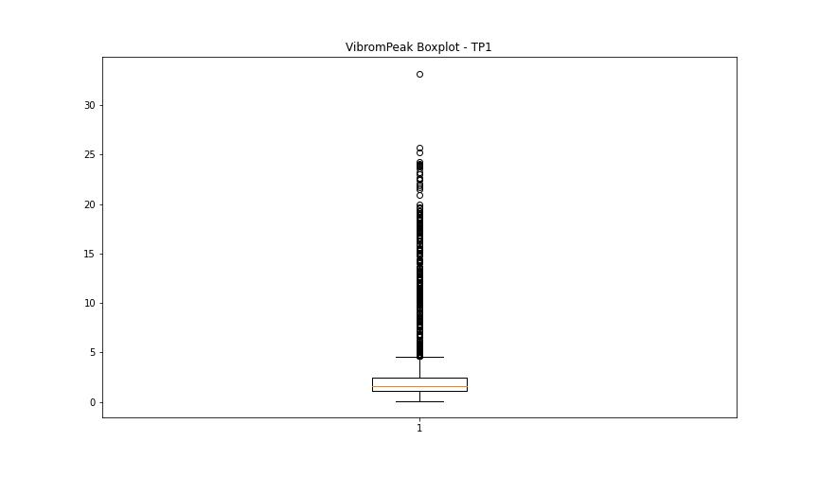
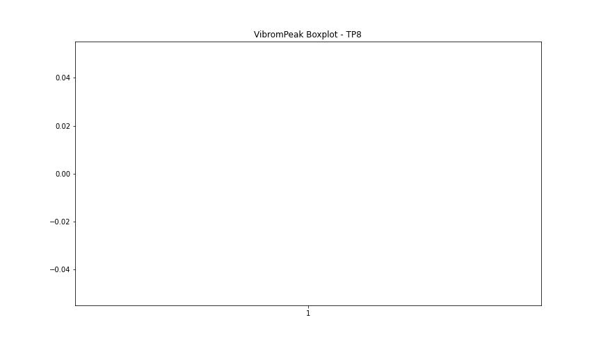

BOXPLOT SENZA OUTLIERS

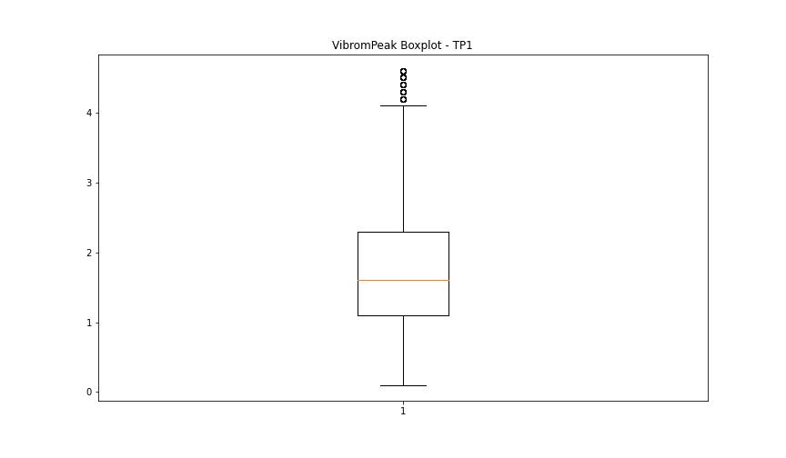

LUNG

numTP |  | 1 | 8
LUNG outliers |  | [121.833 121.86 150.237 151.123 215.498 97.5 97.05 129.55 129.52 127.82 128.369 97.66 124.55 129.619 145.149 145.16 145.173 151.22 125.16 148.979 169.539 154.55 158.729 93.16 93.809 100.22 123.879 158.699 136.36 169.619] | []
upper_bound |  | 118.725 | 2
lower_bound |  | 103.645 | 2

statistiche con outliers: |  |  |  | statistiche senza outliers:
numTP |  | 1 | 8 | numTP |  | 1 | 8
LUNG | max | 215.498 | 2 | LUNG | max | 118.199 | 2
 | min | 93.16 | 2 |  | min | 103.79 | 2
 | avg | 114.74096087 | 2 |  | avg | 110.48835177 | 2
 | median | 110.79 | 2 |  | median | 110.07 | 2

BOXPLOT CON OUTLIERS
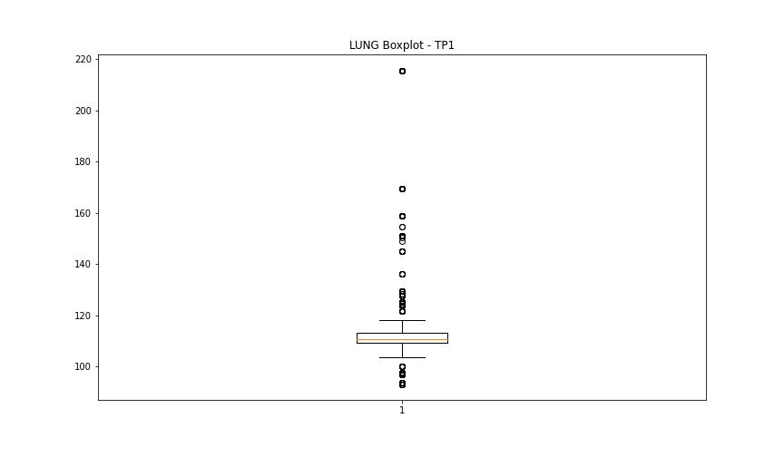
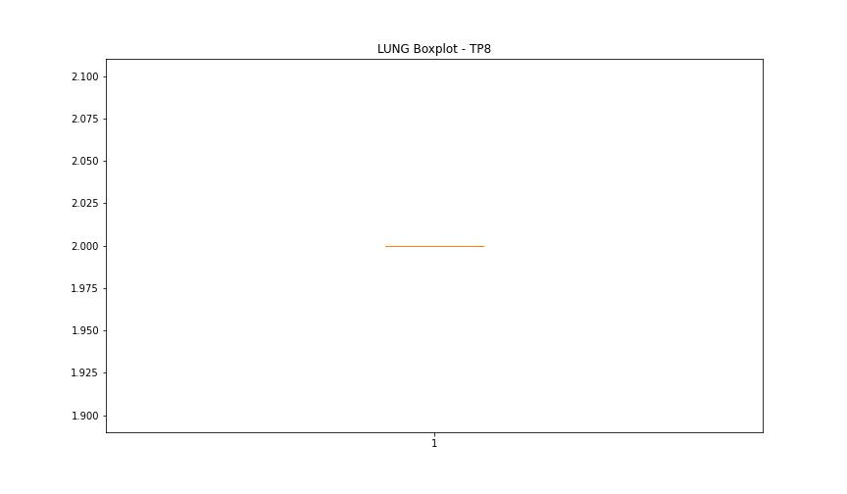

BOXPLOT SENZA OUTLIERS

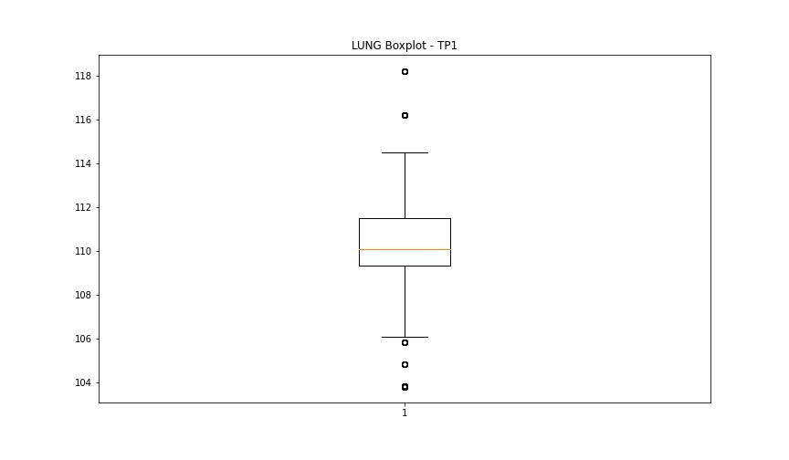

DIAM

numTP |  | 1 | 8
DIAM outliers |  | [ 80. 100. 10. 6. 40. 300. 20. 14. 100.4 140. 2. 3. 9.8 50. 19.028 300.5 11.46 11.53 11.82 301. ] | []
upper_bound |  | 12 | 120
lower_bound |  | 12 | 120

statistiche con outliers: |  |  |  | statistiche senza outliers:
numTP |  | 1 | 8 | numTP |  | 1 | 8
DIAM | max | 301 | 120 | DIAM | max | 12 | 120
 | min | 2 | 120 |  | min | 12 | 120
 | avg | 43.005734403 | 120 |  | avg | 12 | 120
 | median | 12 | 120 |  | median | 12 | 120

BOXPLOT CON OUTLIERS
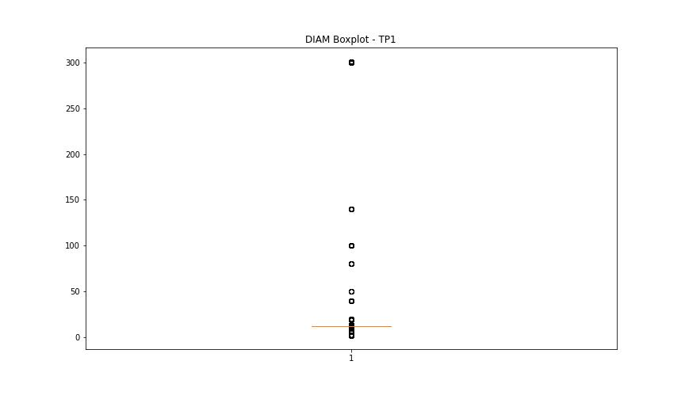


BOXPLOT SENZA OUTLIERS

