Sheet1
statorCelsius

numTP |  | 1 | 20 | 18 | 14
statorCelsius outliers |  | [0.] | [] | [] | []
upper_bound |  | 61.5 | 0 | 0 | 0
lower_bound |  | 25.5 | 0 | 0 | 0

statistiche con outliers: |  |  |  |  |  | statistiche senza outliers:
numTP |  | 1 | 20 | 18 | 14 | numTP |  | 1 | 20 | 18 | 14
statorCelsius | max | 59 | 0 | 0 | 0 | statorCelsius | max | 59 | 0 | 0 | 0
 | min | 0 | 0 | 0 | 0 |  | min | 26 | 0 | 0 | 0
 | avg | 43.728150526 | 0 | 0 | 0 |  | avg | 43.736140113 | 0 | 0 | 0
 | median | 43 | 0 | 0 | 0 |  | median | 43 | 0 | 0 | 0

BOXPLOT CON OUTLIERS
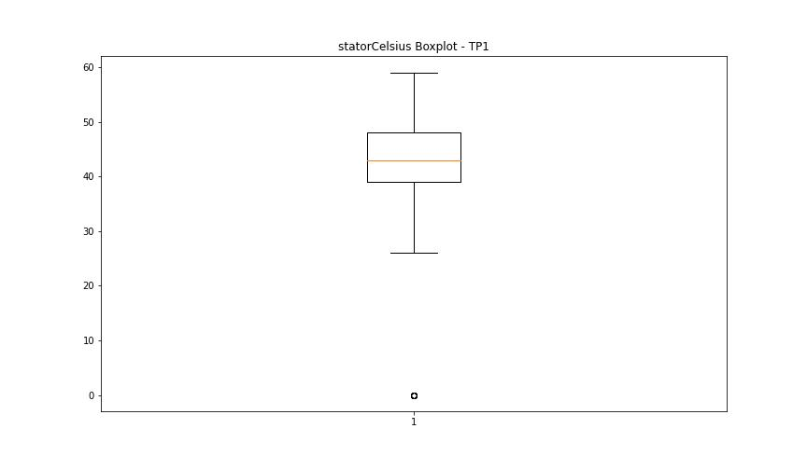
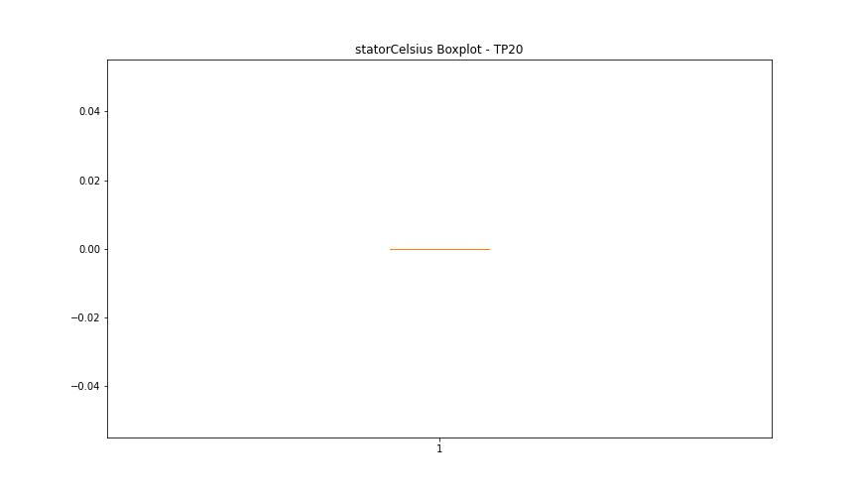



BOXPLOT SENZA OUTLIERS

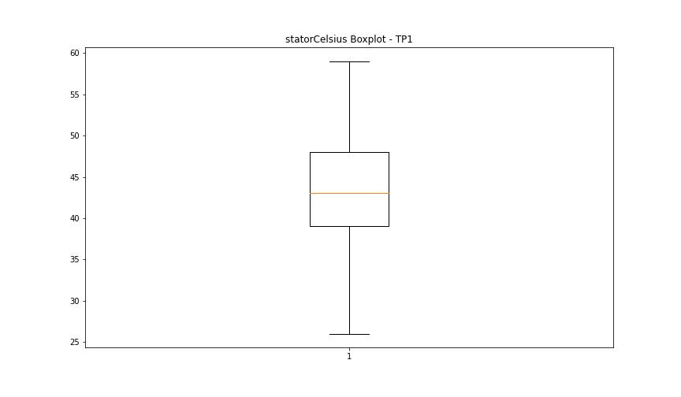

bearingsCelsius

numTP |  | 1 | 20 | 18 | 14
bearingsCelsius outliers |  | [ 0. 16. 15. 14.] | [] | [] | []
upper_bound |  | 44.5 | 0 | 0 | 0
lower_bound |  | 16.5 | 0 | 0 | 0

statistiche con outliers: |  |  |  |  |  | statistiche senza outliers:
numTP |  | 1 | 20 | 18 | 14 | numTP |  | 1 | 20 | 18 | 14
bearingsCelsius | max | 43 | 0 | 0 | 0 | bearingsCelsius | max | 43 | 0 | 0 | 0
 | min | 0 | 0 | 0 | 0 |  | min | 17 | 0 | 0 | 0
 | avg | 30.866123855 | 0 | 0 | 0 |  | avg | 30.885727722 | 0 | 0 | 0
 | median | 31 | 0 | 0 | 0 |  | median | 31 | 0 | 0 | 0

BOXPLOT CON OUTLIERS
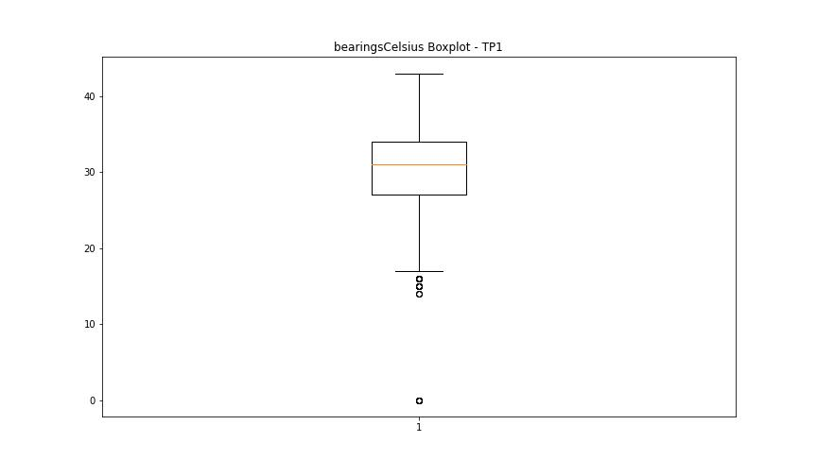


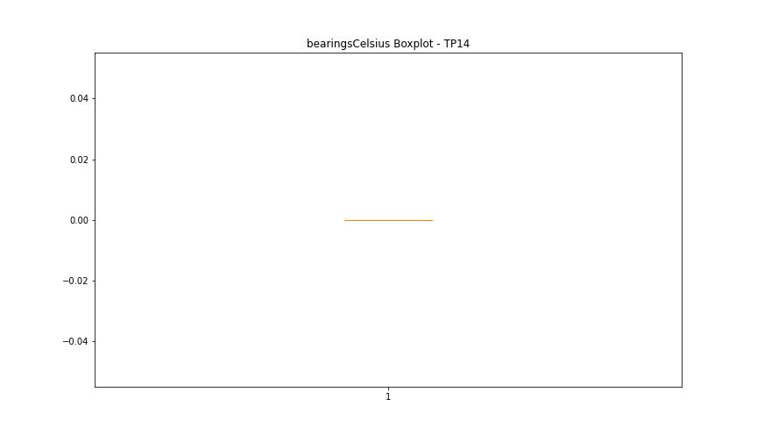

BOXPLOT SENZA OUTLIERS

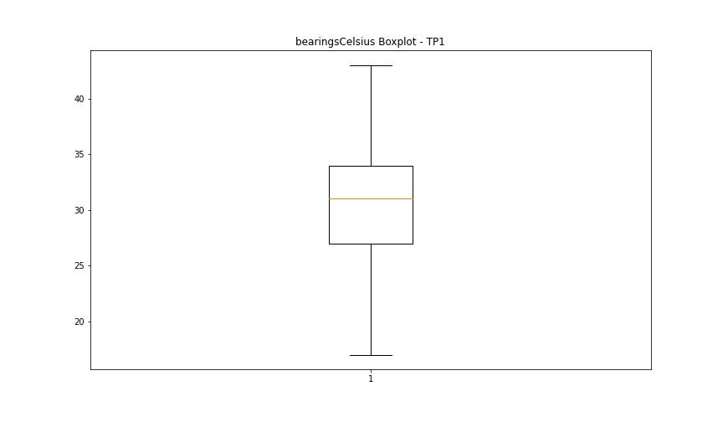

spindleRpm

numTP |  | 1 | 20 | 18 | 14
spindleRpm outliers |  | [65535.] | [] | [] | []
upper_bound |  | 36103 | 0 | 0 | 0
lower_bound |  | -12089 | 0 | 0 | 0

statistiche con outliers: |  |  |  |  |  | statistiche senza outliers:
numTP |  | 1 | 20 | 18 | 14 | numTP |  | 1 | 20 | 18 | 14
spindleRpm | max | 65535 | 0 | 0 | 0 | spindleRpm | max | 20064 | 0 | 0 | 0
 | min | 0 | 0 | 0 | 0 |  | min | 0 | 0 | 0 | 0
 | avg | 14099.536 | 0 | 0 | 0 |  | avg | 14096.851267 | 0 | 0 | 0
 | median | 18012 | 0 | 0 | 0 |  | median | 18012 | 0 | 0 | 0

BOXPLOT CON OUTLIERS
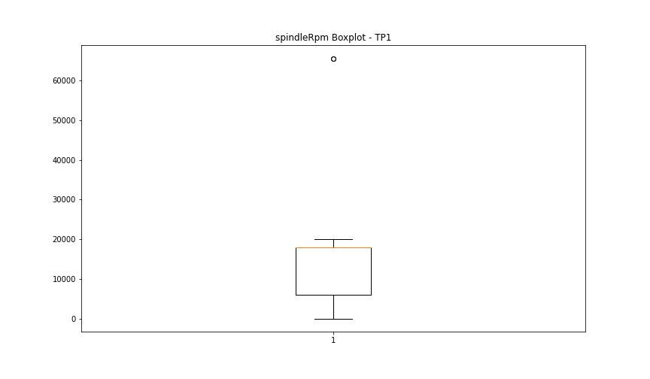




BOXPLOT SENZA OUTLIERS

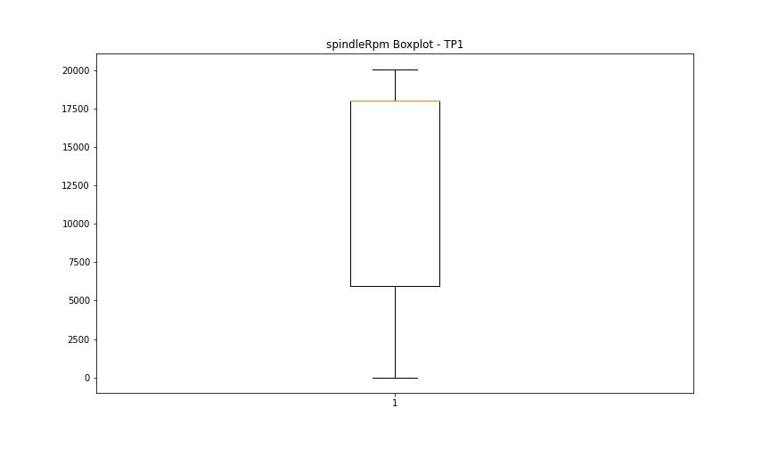

rpmSetPoint

numTP |  | 1 | 20 | 18 | 14
rpmSetPoint outliers |  | [] | [] | [] | [10000.]
upper_bound |  | 36000 | 6000 | 6000 | 9000
lower_bound |  | -12000 | 6000 | 6000 | 1000

statistiche con outliers: |  |  |  |  |  | statistiche senza outliers:
numTP |  | 1 | 20 | 18 | 14 | numTP |  | 1 | 20 | 18 | 14
rpmSetPoint | max | 20000 | 6000 | 6000 | 10000 | rpmSetPoint | max | 20000 | 6000 | 6000 | 8000
 | min | 0 | 6000 | 6000 | 4000 |  | min | 0 | 6000 | 6000 | 4000
 | avg | 14107.727237 | 6000 | 6000 | 5213.9699381 |  | avg | 14107.727237 | 6000 | 6000 | 4453.8934426
 | median | 18000 | 6000 | 6000 | 4000 |  | median | 18000 | 6000 | 6000 | 4000

BOXPLOT CON OUTLIERS
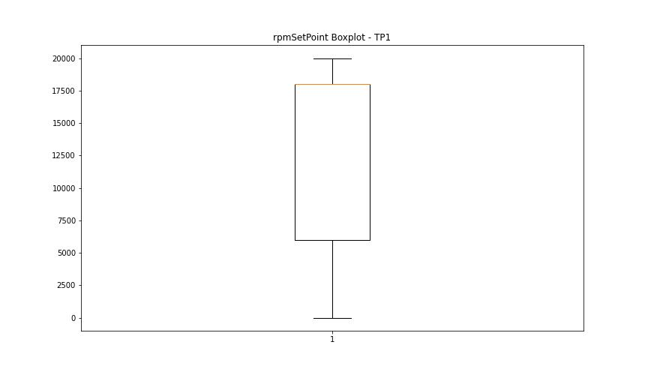
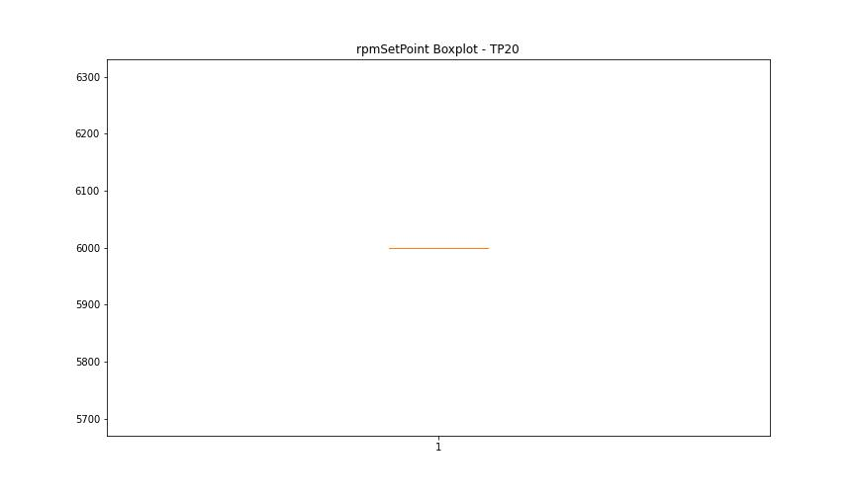

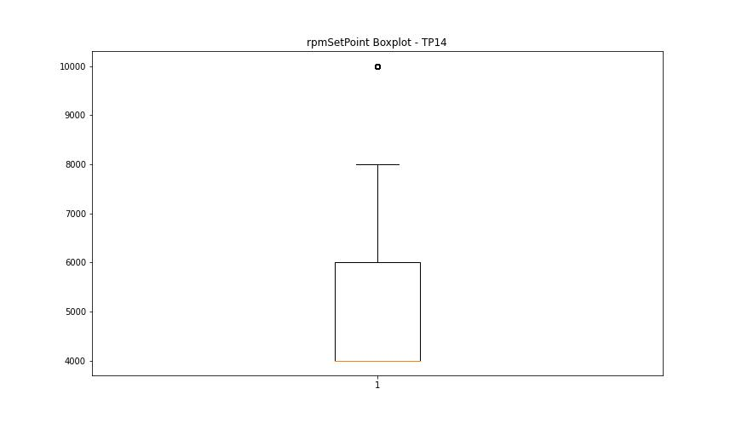

BOXPLOT SENZA OUTLIERS

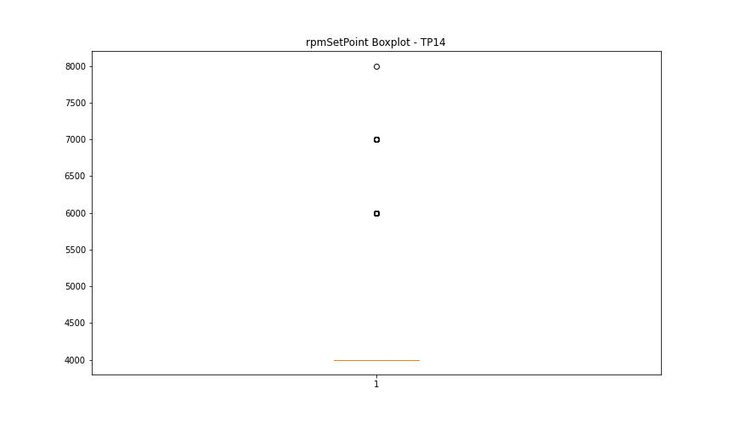

CurrentPeak

numTP |  | 1 | 20 | 18 | 14
CurrentPeak outliers |  | [10.471 12.765 8.547 12.876 9.102 12.913 11.137 13.32 9.361 13.246 9.398 12.617 7.918 13.801 10.175 14.874 10.397 13.875 9.139 14.763 10.101 14.356 9.99 13.135 9.694 14.504 9.842 12.728 9.213 12.691 10.656 12.839 7.585 12.136 8.103 11.47 9.324 11.581 12.58 4.995 12.21 8.14 14.06 9.25 10.36 13.949 9.62 13.727 10.767 13.542 8.917 11.803 9.065 13.579 11.692 11.248 13.838 9.879 10.878 13.357 10.804 15.281 9.805 13.209 8.658 8.621 7.511 7.881 9.472 8.88 8.954 9.731 8.769 10.841 10.138 9.028 10.323 9.657 7.992 9.176 9.916 8.362 8.732 7.696 12.321 11.988 6.956 6.734 7.178 8.325 8.473 8.029 12.173 7.955 8.51 10.064 6.919 7.067 9.287 15.096 13.69 14.282 10.027 13.061 11.396 13.468 10.249 13.024 12.358 11.433 10.434 14.134 11.951 13.764 13.912 8.288 13.283 7.104 8.991 14.245 8.177 12.247 12.395 8.695 7.77 14.8 9.435 8.436 12.654 8.066 10.693 8.584 12.025 12.099 13.394 13.172 11.1 14.541 13.431 14.43 7.548 11.211 13.616 12.543 9.509 11.026 8.399 7.733 12.802 6.697 7.289 11.766 11.507 8.251 7.622 8.843 7.252 6.623 4.403 5.365 5.032 4.107 10.286 4.588 6.771 5.624 5.883 5.587 4.551 4.884 4.847 3.848 5.55 6.031 3.441 5.957 7.4 6.253 4.07 4.44 7.363 11.655 4.81 5.402 10.619 12.469 11.729 6.549 0.333 4.033 3.256 4.773 5.18 3.626 3.515 2.183 3.811 3.552 5.735 3.404 4.662 3.071 12.987 8.806 6.105 8.214 9.953 6.66 6.216 12.432 9.546 7.215 6.364 11.877 11.174 6.882 7.141 10.508 13.653 7.665 14.023 9.583 15.17 11.285 13.986 11.618 12.284 7.351 2.104 2.135 14.171 7.326 6.512 10.915 14.726 12.506 13.098 7.844 11.914 2.701 2.738 2.146 3.478 2.553 1.665 7.03 5.513 6.401 7.659 7.807 6.993 10.73 7.524 2.513 2.496 3.33 3.922 4.329 4.625 3.663 3.774 4.477 5.291 4.218 3.589 3.034 3.182 3.145 4.514 5.809 6.808 0.37 10.545 12.95 14.097 7.437 13.505 15.318 11 | [] | [] | [ 1.052 0.986 1.103 1.118 1.142 10.144 10.129 1.669 1.657 1.63 1.682 0.788 0.827 0.866 0.8 0.815 0.773 0.749 0.761 0.839 0.854 0.92 0.881 1.591 1.564 1.604 1.486 1.499 1.538 1.511 1.55 1.472 1.459 1.525 1.577 1.445 1.433 0.998 0.971 1.25 0.734 1.064 1.037 1.091 0.905 0.722]
upper_bound |  | 54.3875 | 7.8535 | 7.7965 | 10.1215
lower_bound |  | 15.9115 | 7.2255 | 7.4885 | 9.9655

statistiche con outliers: |  |  |  |  |  | statistiche senza outliers:
numTP |  | 1 | 20 | 18 | 14 | numTP |  | 1 | 20 | 18 | 14
CurrentPeak | max | 44.067 | 7.808 | 7.761 | 10.144 | CurrentPeak | max | 44.067 | 7.808 | 7.761 | 10.117
 | min | 0.222 | 7.32 | 7.508 | 0.722 |  | min | 29.969 | 7.32 | 7.508 | 9.973
 | avg | 33.769197683 | 7.5416978799 | 7.6407391304 | 8.8420247569 |  | avg | 34.795691901 | 7.5416978799 | 7.6407391304 | 10.053642343
 | median | 32.375 | 7.54 | 7.651 | 10.051 |  | median | 32.782 | 7.54 | 7.651 | 10.051

BOXPLOT CON OUTLIERS
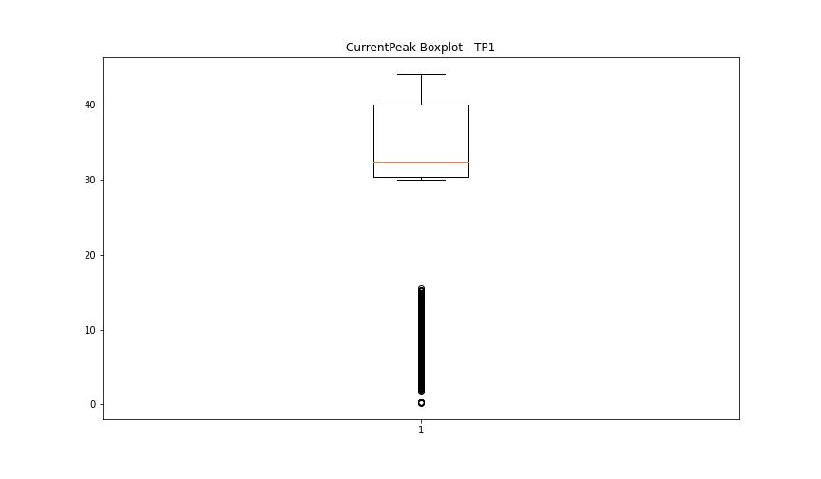
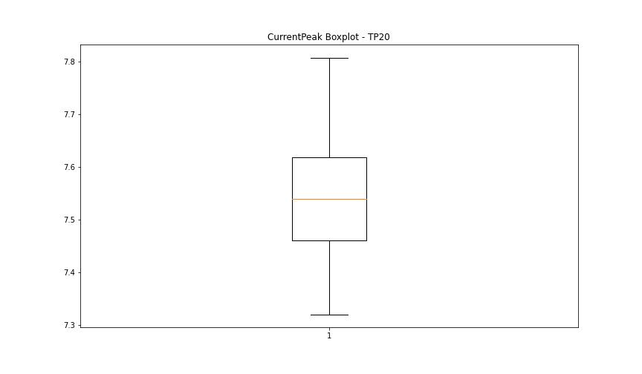
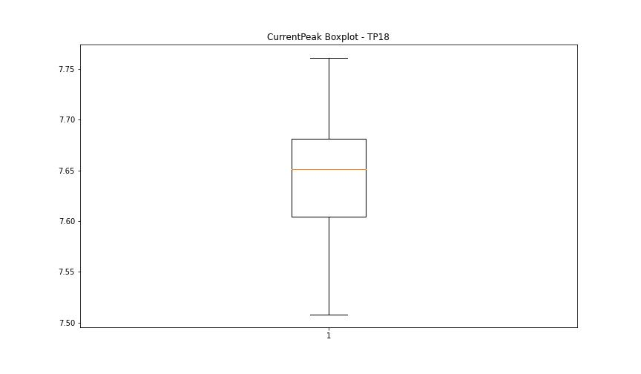
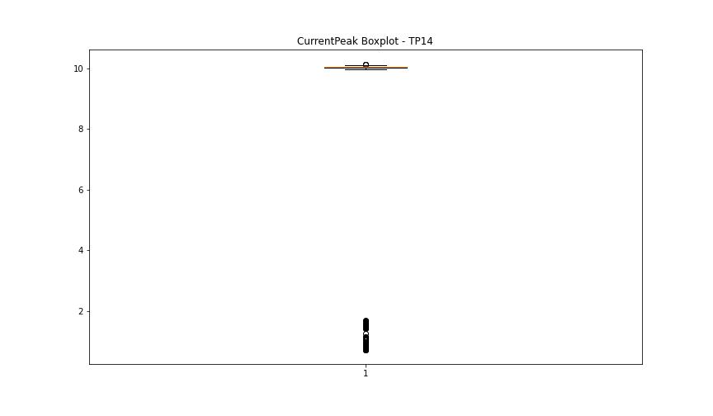

BOXPLOT SENZA OUTLIERS

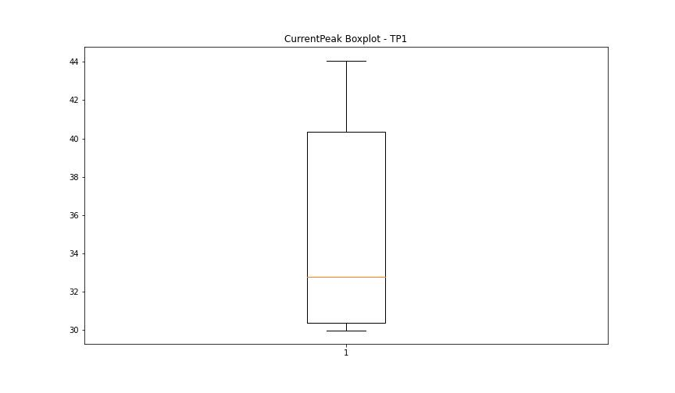
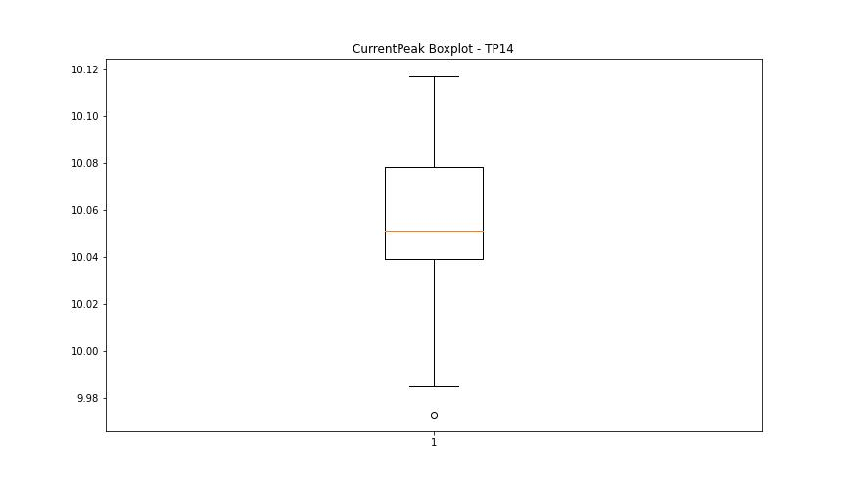

VibromPeak

numTP |  | 1 | 20 | 18 | 14
VibromPeak outliers |  | [ 6.3 6.4 6.5 6.6 7.1 7.8 7.4 7. 7.3 8. 8.7 6.8 7.9 7.5 8.3 8.6 8.1 8.4 7.2 7.6 8.2 6.9 6.7 10.2 9.7 10. 9.5 10.6 9.1 8.8 9.4 7.7 8.9 9.3 8.5 9.9 10.3 9.2 9.6 9.8 9. ]
upper_bound |  | 6.2
lower_bound |  | -1.8

statistiche con outliers: |  |  |  |  |  | statistiche senza outliers:
numTP |  | 1 | 20 | 18 | 14 | numTP |  | 1 | 20 | 18 | 14
VibromPeak | max | 10.6 | nan | nan | nan | VibromPeak | max | 6.2
 | min | 0.1 | nan | nan | nan |  | min | 0.1
 | avg | 2.3652318314 | nan | nan | nan |  | avg | 2.2095266336
 | median | 2 | nan | nan | nan |  | median | 1.9

BOXPLOT CON OUTLIERS
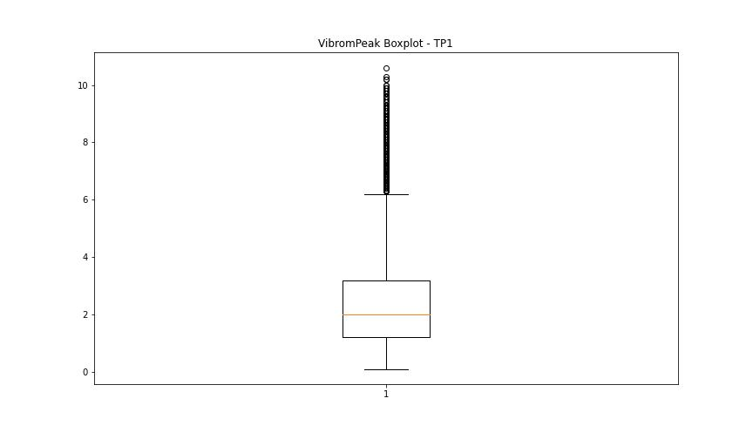
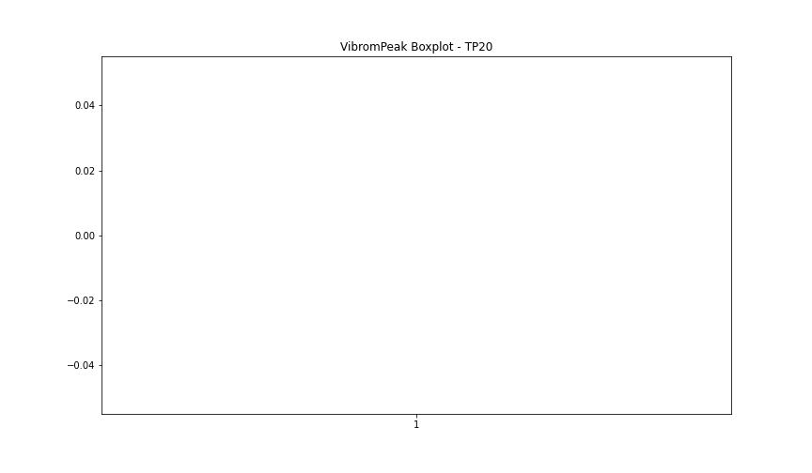



BOXPLOT SENZA OUTLIERS

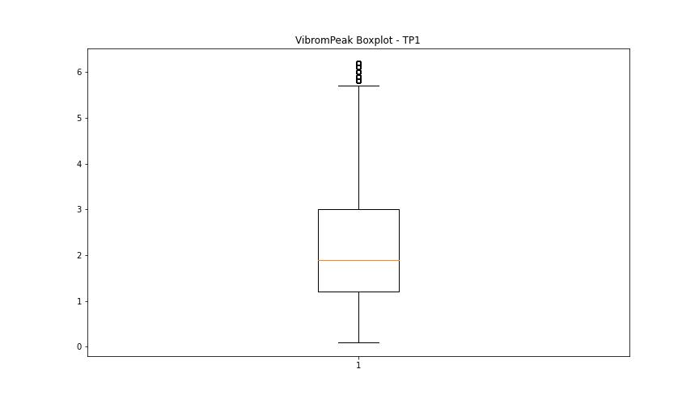

LUNG

numTP |  | 1 | 20 | 18 | 14
LUNG outliers |  | [] | [] | [] | []
upper_bound |  | 288.0475 | 2 | 2 | 65
lower_bound |  | -16.4285 | 2 | 2 | 25

statistiche con outliers: |  |  |  |  |  | statistiche senza outliers:
numTP |  | 1 | 20 | 18 | 14 | numTP |  | 1 | 20 | 18 | 14
LUNG | max | 202.809 | 2 | 2 | 50 | LUNG | max | 202.809 | 2 | 2 | 50
 | min | 96.9 | 2 | 2 | 40 |  | min | 96.9 | 2 | 2 | 40
 | avg | 133.34181935 | 2 | 2 | 45.998231653 |  | avg | 133.34181935 | 2 | 2 | 45.998231653
 | median | 120.58 | 2 | 2 | 48 |  | median | 120.58 | 2 | 2 | 48

BOXPLOT CON OUTLIERS
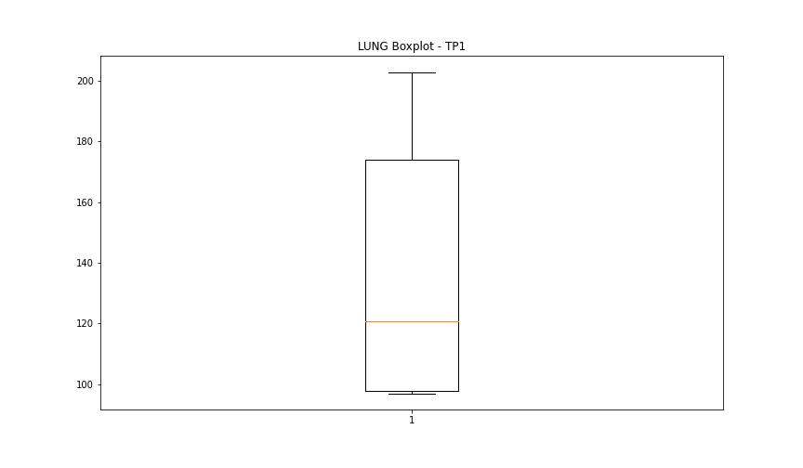
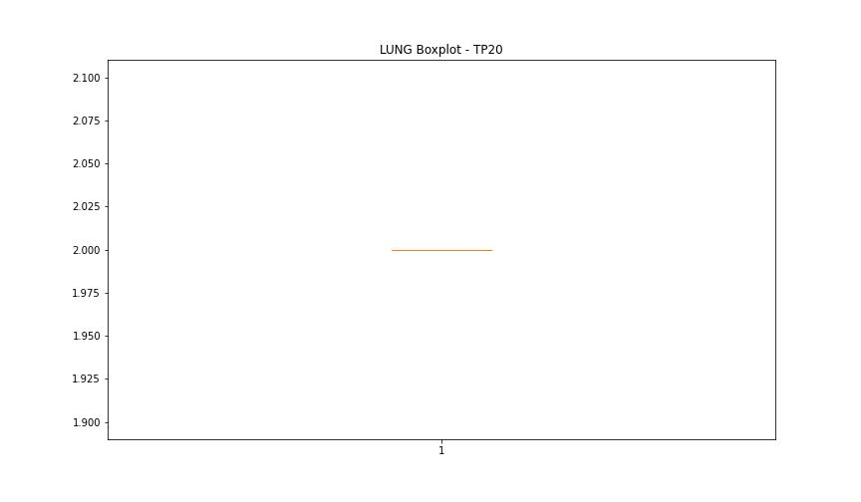

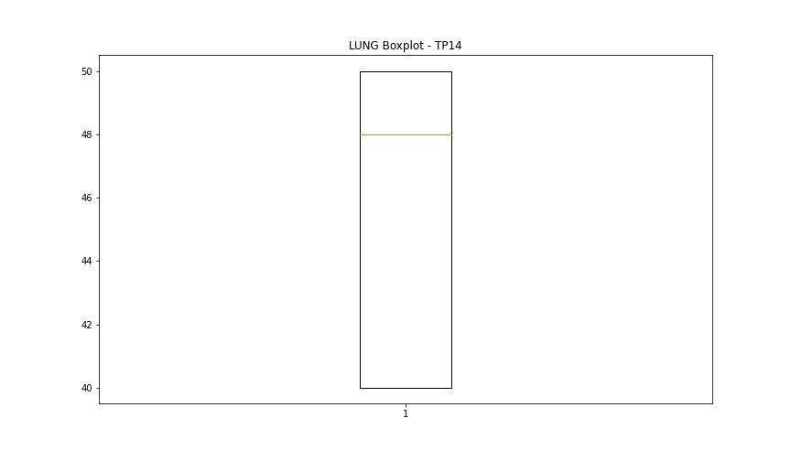

BOXPLOT SENZA OUTLIERS

DIAM

numTP |  | 1 | 20 | 18 | 14
DIAM outliers |  | [] | [] | [] | []
upper_bound |  | 346.25 | 120 | 120 | 15.5
lower_bound |  | -191.75 | 120 | 120 | 3.5

statistiche con outliers: |  |  |  |  |  | statistiche senza outliers:
numTP |  | 1 | 20 | 18 | 14 | numTP |  | 1 | 20 | 18 | 14
DIAM | max | 300.85 | 120 | 120 | 12 | DIAM | max | 300.85 | 120 | 120 | 12
 | min | 3 | 120 | 120 | 5 |  | min | 3 | 120 | 120 | 5
 | avg | 93.163878699 | 120 | 120 | 9.8594164456 |  | avg | 93.163878699 | 120 | 120 | 9.8594164456
 | median | 20 | 120 | 120 | 11 |  | median | 20 | 120 | 120 | 11

BOXPLOT CON OUTLIERS
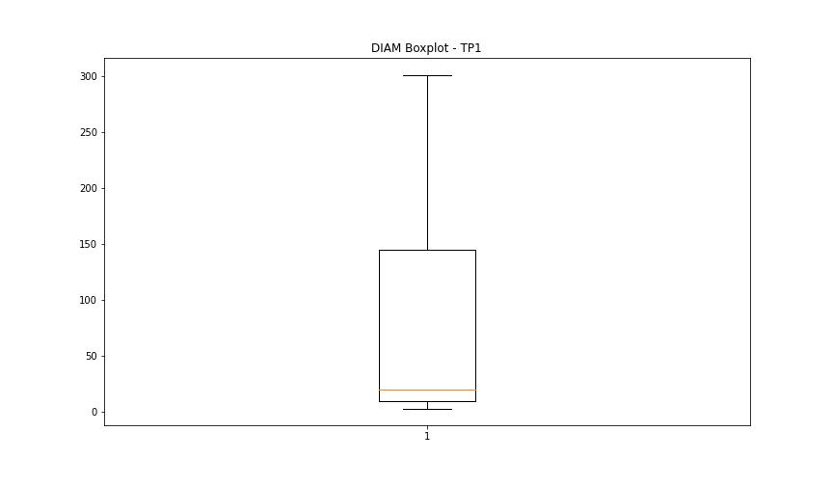
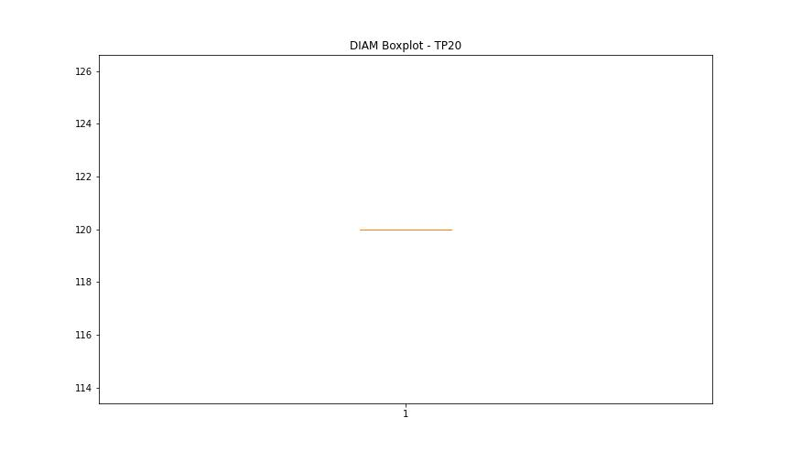

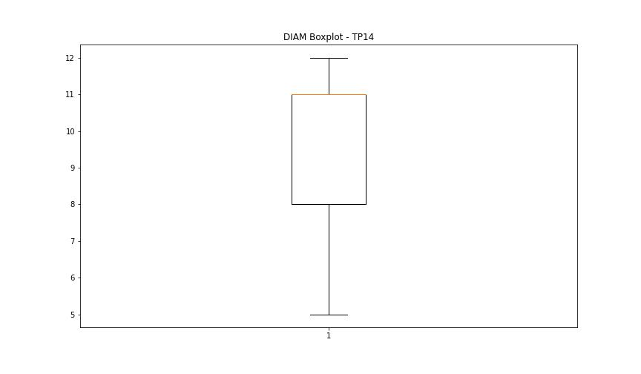

BOXPLOT SENZA OUTLIERS

