Sheet1
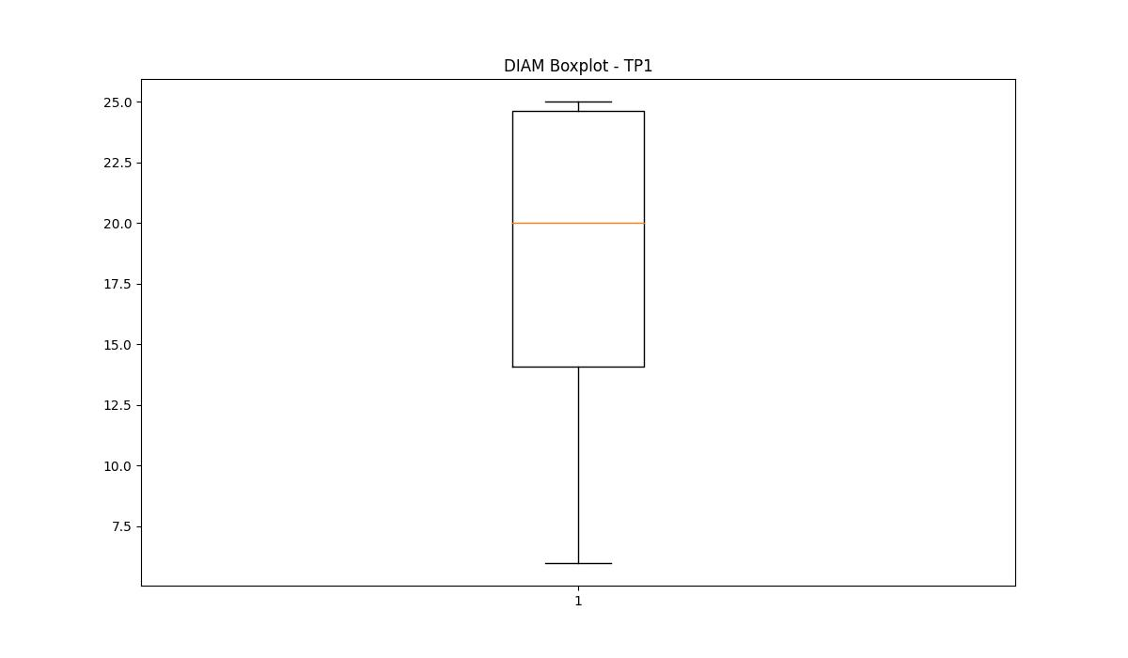
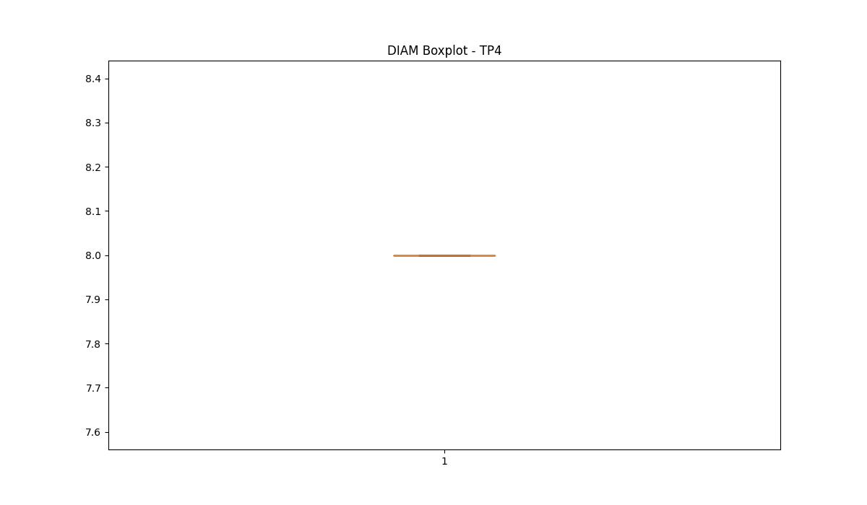
statorCelsius

numTP |  | 1 | 21 | 2 | 4
statorCelsius outliers |  | [34. 35. 14. 15. 16. 12. 10. 13. 7. 8. 9. 11. 5. 4. 6. 3.] | [35. 36. 37. 38. 41. 40. 39. 42. 20. 22. 18. 19. 17. 15. 13. 10. 12. 14. 8. 9. 11. 7. 5.] | [] | []
upper_bound |  | 33 | 34.5 | 0 | 0
lower_bound |  | 17 | 22.5 | 0 | 0

statistiche con outliers: |  |  |  |  |  | statistiche senza outliers:
numTP |  | 1 | 21 | 2 | 4 | numTP |  | 1 | 21 | 2 | 4
statorCelsius | max | 35 | 42 | 0 | 0 | statorCelsius | max | 33 | 34 | 0 | 0
 | min | 3 | 5 | 0 | 0 |  | min | 17 | 23 | 0 | 0
 | avg | 24.084719832 | 27.833487124 | 0 | 0 |  | avg | 25.060088552 | 28.259396708 | 0 | 0
 | median | 25 | 28 | 0 | 0 |  | median | 26 | 28 | 0 | 0

BOXPLOT CON OUTLIERS
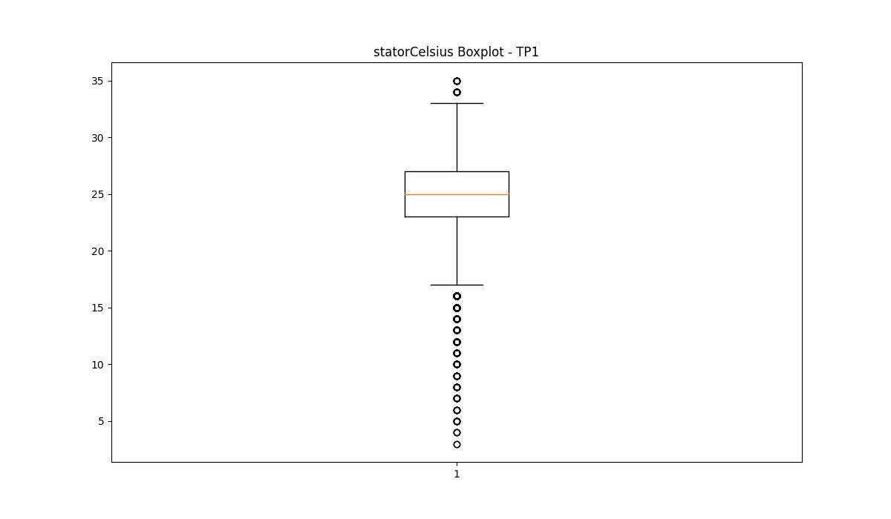
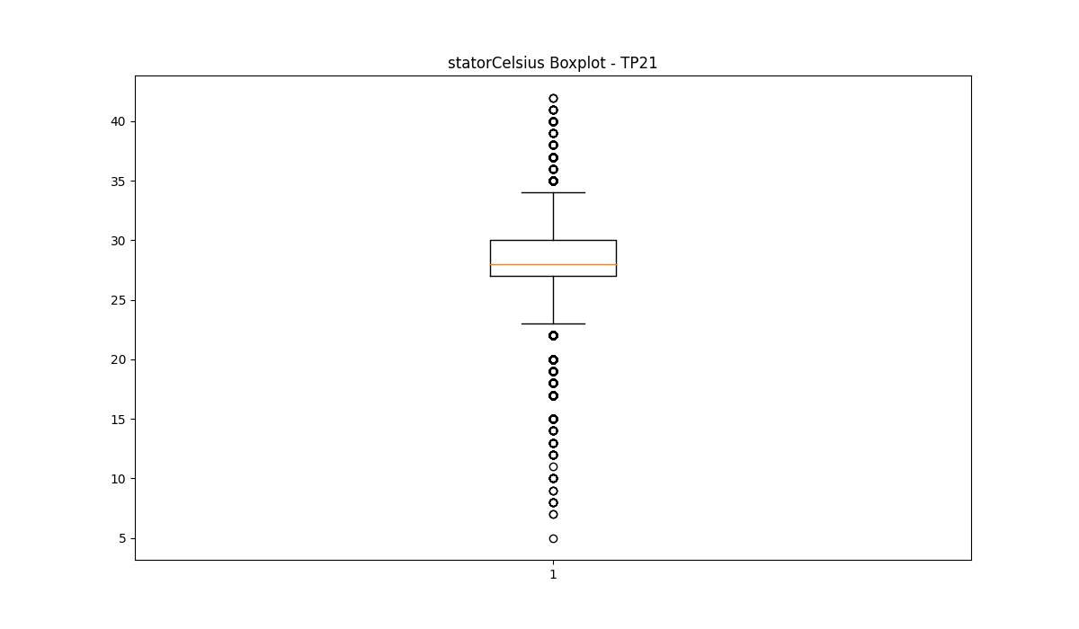
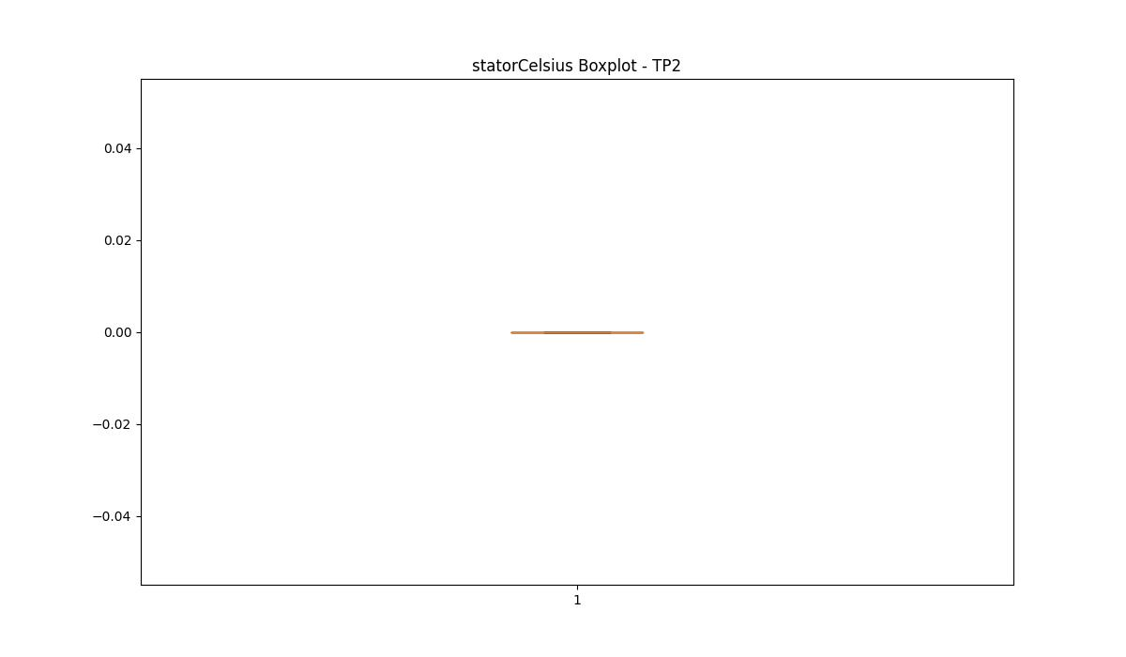
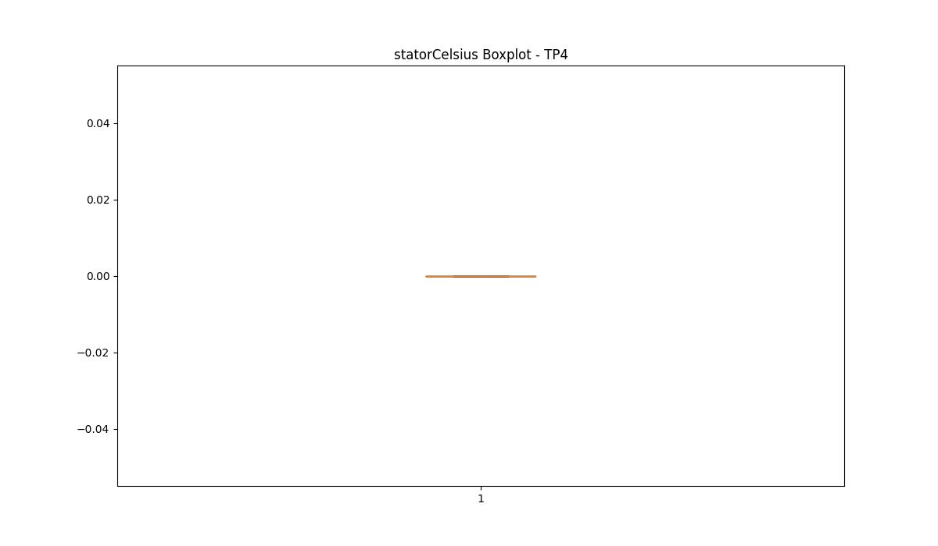

BOXPLOT SENZA OUTLIERS

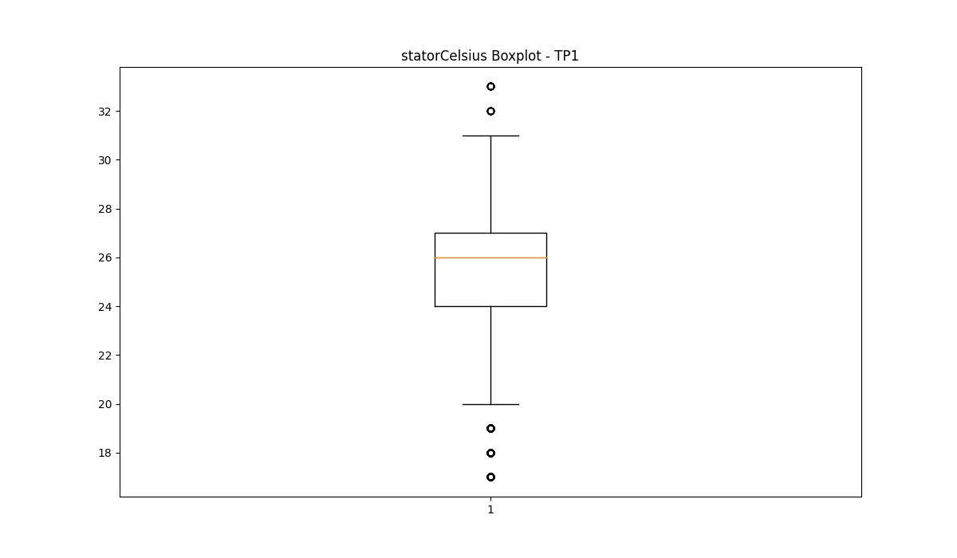
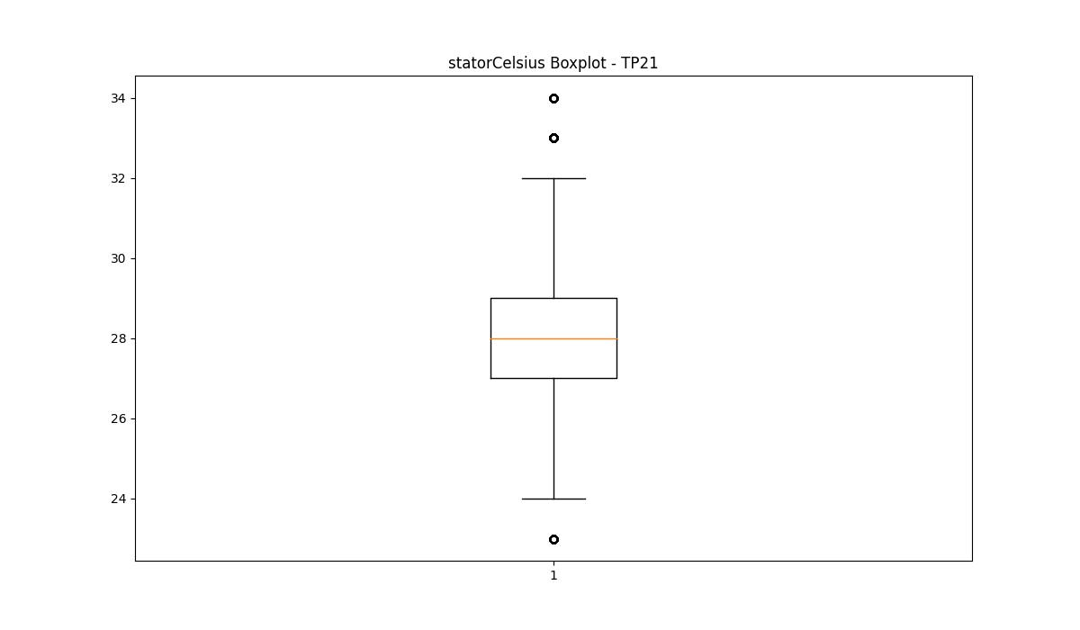

bearingsCelsius

numTP |  | 1 | 21 | 2 | 4
bearingsCelsius outliers |  | [10. 7. 8. 9. 5. 4. 3. 6. 2.] | [33. 34. 37. 35. 36. 20. 17. 18. 19. 15. 13. 10. 11. 12. 14. 7. 8. 5. 6. 9.] | [] | []
upper_bound |  | 35 | 32.5 | 0 | 0
lower_bound |  | 11 | 20.5 | 0 | 0

statistiche con outliers: |  |  |  |  |  | statistiche senza outliers:
numTP |  | 1 | 21 | 2 | 4 | numTP |  | 1 | 21 | 2 | 4
bearingsCelsius | max | 33 | 37 | 0 | 0 | bearingsCelsius | max | 33 | 32 | 0 | 0
 | min | 2 | 5 | 0 | 0 |  | min | 11 | 22 | 0 | 0
 | avg | 22.842034806 | 26.507172217 | 0 | 0 |  | avg | 23.233654035 | 27.03399513 | 0 | 0
 | median | 25 | 27 | 0 | 0 |  | median | 25 | 27 | 0 | 0

BOXPLOT CON OUTLIERS
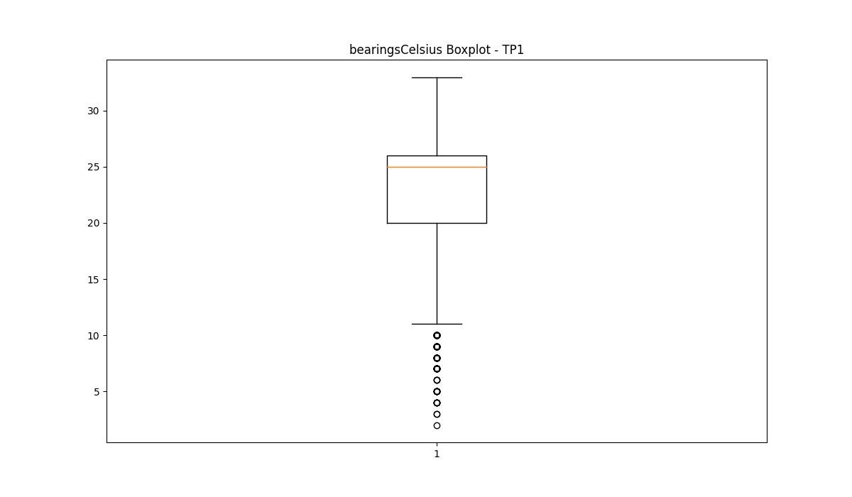
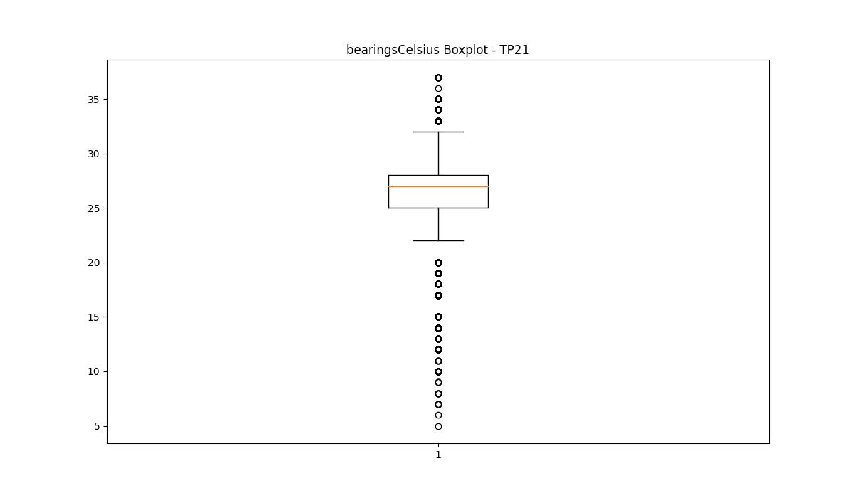



BOXPLOT SENZA OUTLIERS

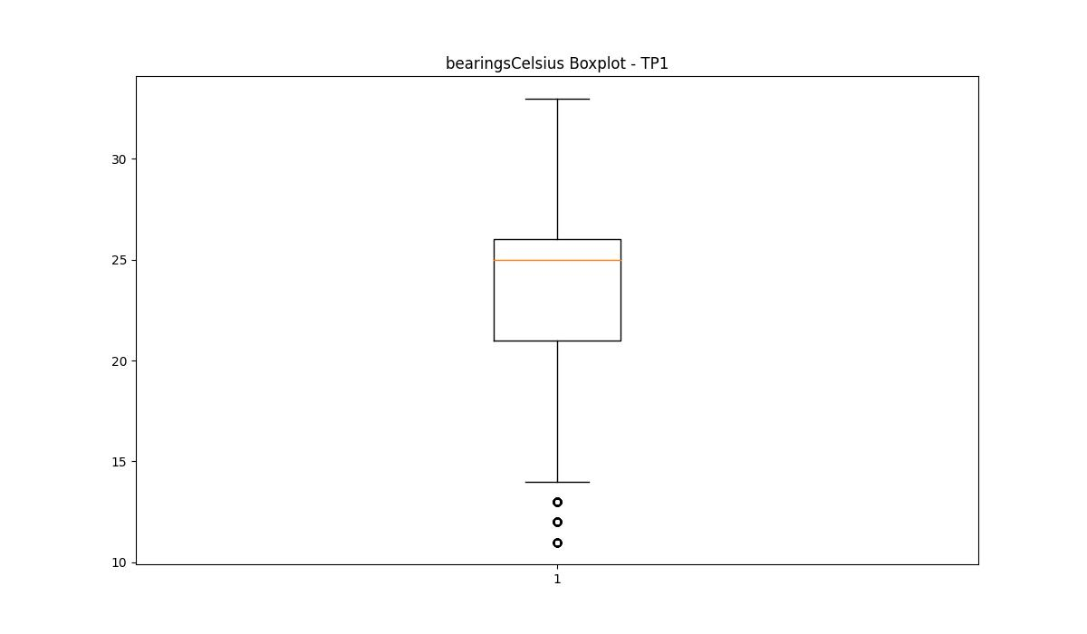
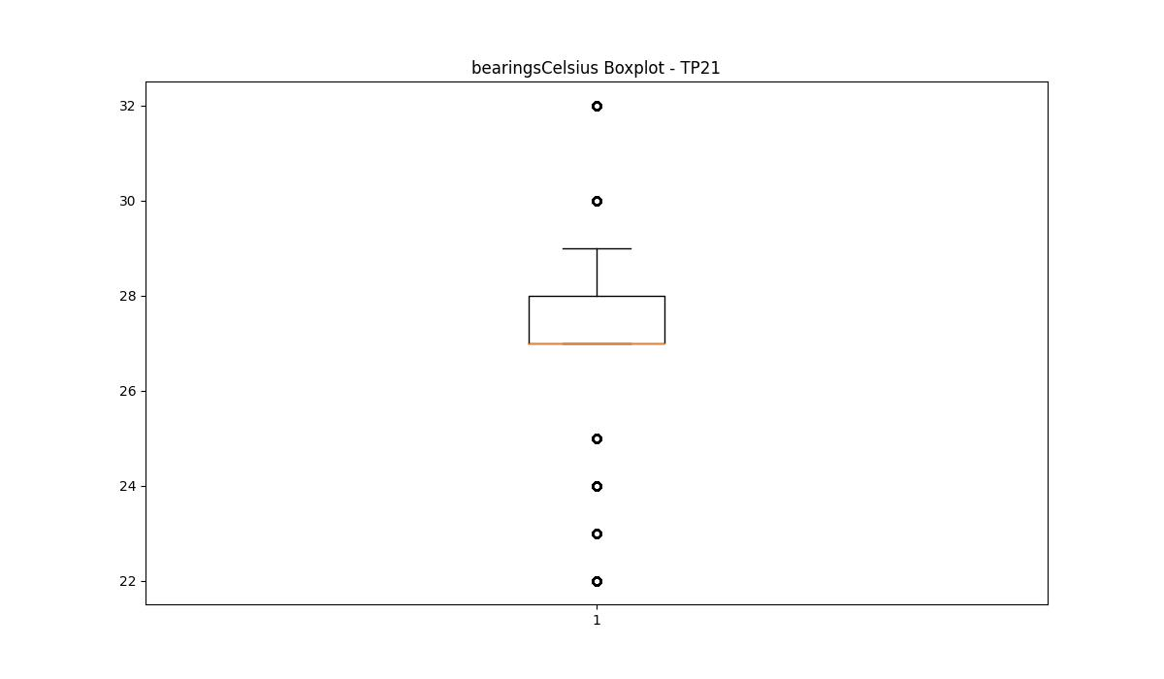

spindleRpm

numTP |  | 1 | 21 | 2 | 4
spindleRpm outliers |  | [] | [16375. 16698. 16395. 16661. 16650. 16502. 16542. 16505. 16690. 16801. 16531. 16678. 16435. 16701. 16552. 16540. 16534. 16654. 16668. 16524. 16655. 16239. 16400. 16262. 16471. 16513. 16385. 16272. 16413. 16669. 16302. 16677. 16207. 16425. 16388. 16538. 16405. 16411. 16792. 16517. 16434. 16427. 16548. 16526. 16887. 16535. 16679. 16666. 16556. 16392. 16453. 16527. 16423. 16406. 16424. 16310. 16432. 16657. 16291. 16561. 16662. 16342. 16323. 16634. 16298. 16418. 16299. 16283. 16401. 16402. 16326. 16231. 16376. 16287. 16506. 16279. 16507. 16533. 16437. 16410. 16415. 16659. 16440. 16407. 16307. 16320. 16328. 16445. 16692. 16403. 16319. 16218. 16444. 16404. 16303. 16364. 16660. 16429. 16658. 16633. 16370. 16554. 16627. 16638. 16789. 16409. 16419. 16851. 16541. 16335. 16518. 16765. 16529. 16551. 16450. 16532. 16860. 16480. 16856. 16544. 16664. 16456. 16874. 16537. 16865. 16641. 3729. 3636. 3660. 3791. 3751. 3799. 16674. 3653. 3708. 16648. 16441. 16610. 3634. 3731. 3639. 3640. 3701. 3696. 3644. 3578. 3579. 3692. 3679. 16173. 16380. 16277. 16340. 3657. 16460. 16321. 16318. 3630. 16396. 16652. 16465. 3638. 16428. 3633. 16294. 3661. 16626. 16675. 3712. 3595. 16408. 16295. 3643. 16334. 16454. 3614. 3607. 16421. 16296. 16309. 3626. 16311. 3746. 16438. 16670. 16644. 16516. 3650. 3573. 16317. 16343. 3586. 16558. 16522. 16575. 16521. 3698. 16304. 3632. 3676. 3671. 3623. 3686. | [] | []
upper_bound |  | 27212.5265 | 5656 | 0 | 0
lower_bound |  | -1100.8775 | 3920 | 0 | 0

statistiche con outliers: |  |  |  |  |  | statistiche senza outliers:
numTP |  | 1 | 21 | 2 | 4 | numTP |  | 1 | 21 | 2 | 4
spindleRpm | max | 16961 | 18034 | 0 | 0 | spindleRpm | max | 16961 | 5007 | 0 | 0
 | min | 376 | 3022 | 0 | 0 |  | min | 376 | 3999 | 0 | 0
 | avg | 13681.964853 | 7127.3010627 | 0 | 0 |  | avg | 13681.964853 | 4766.8383895 | 0 | 0
 | median | 16471 | 4997 | 0 | 0 |  | median | 16471 | 4635 | 0 | 0

BOXPLOT CON OUTLIERS
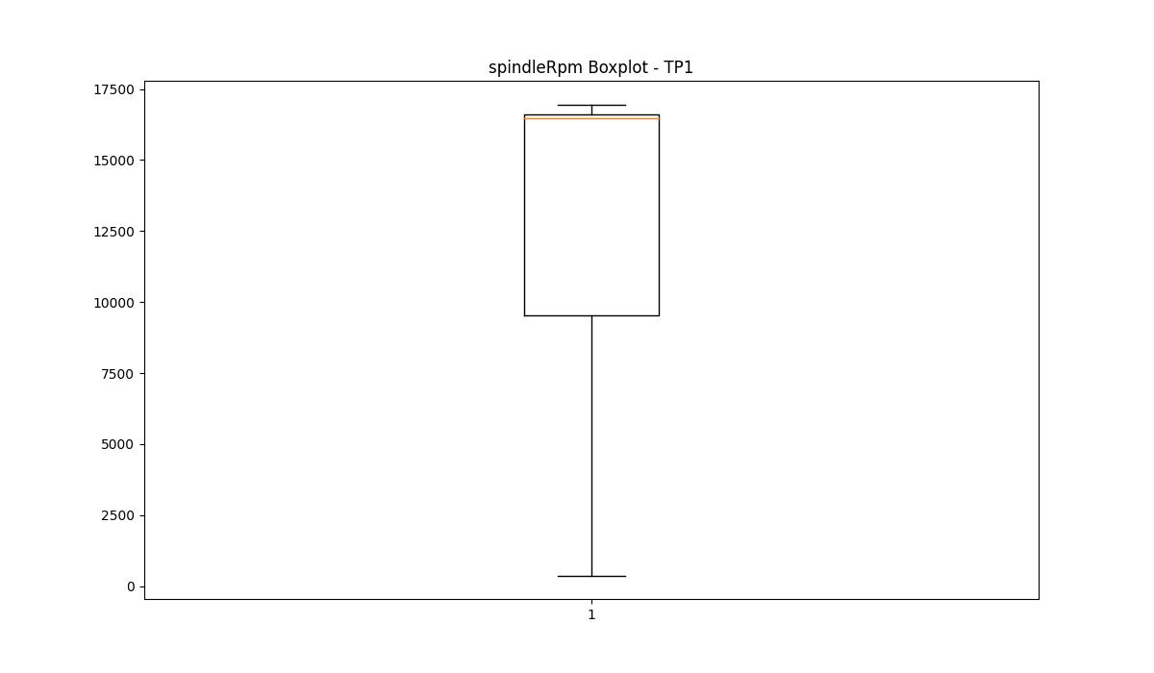
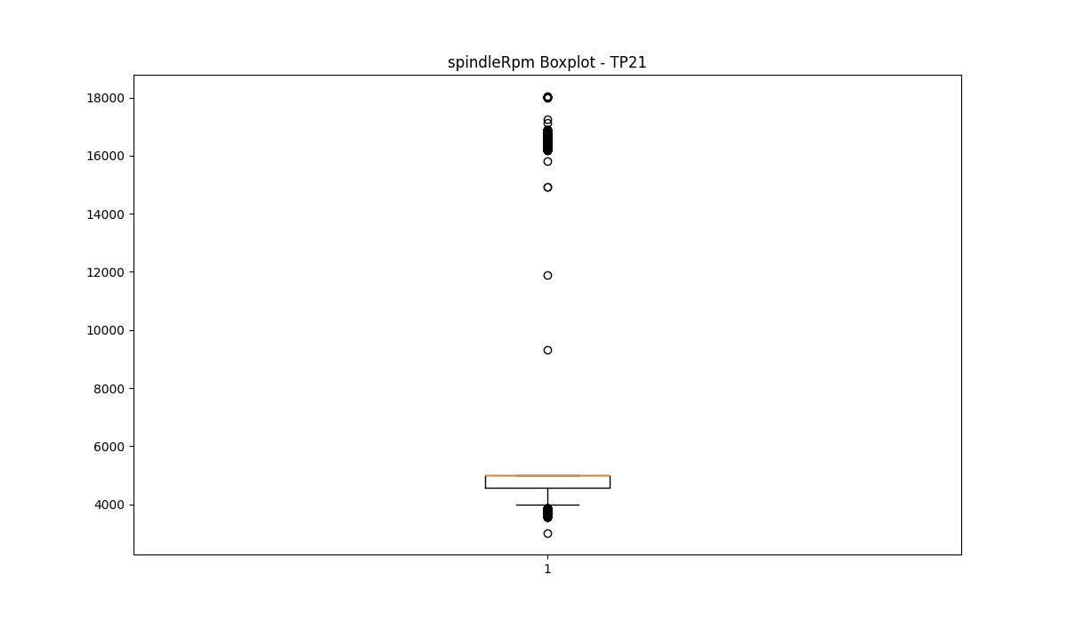

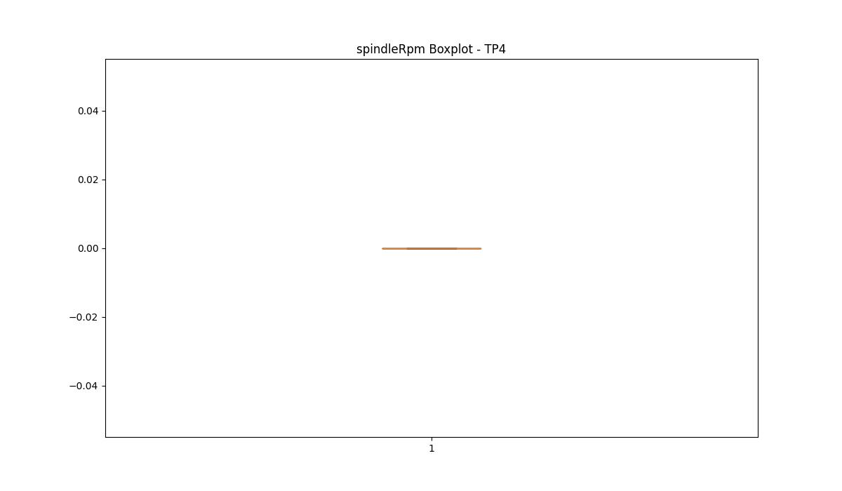

BOXPLOT SENZA OUTLIERS

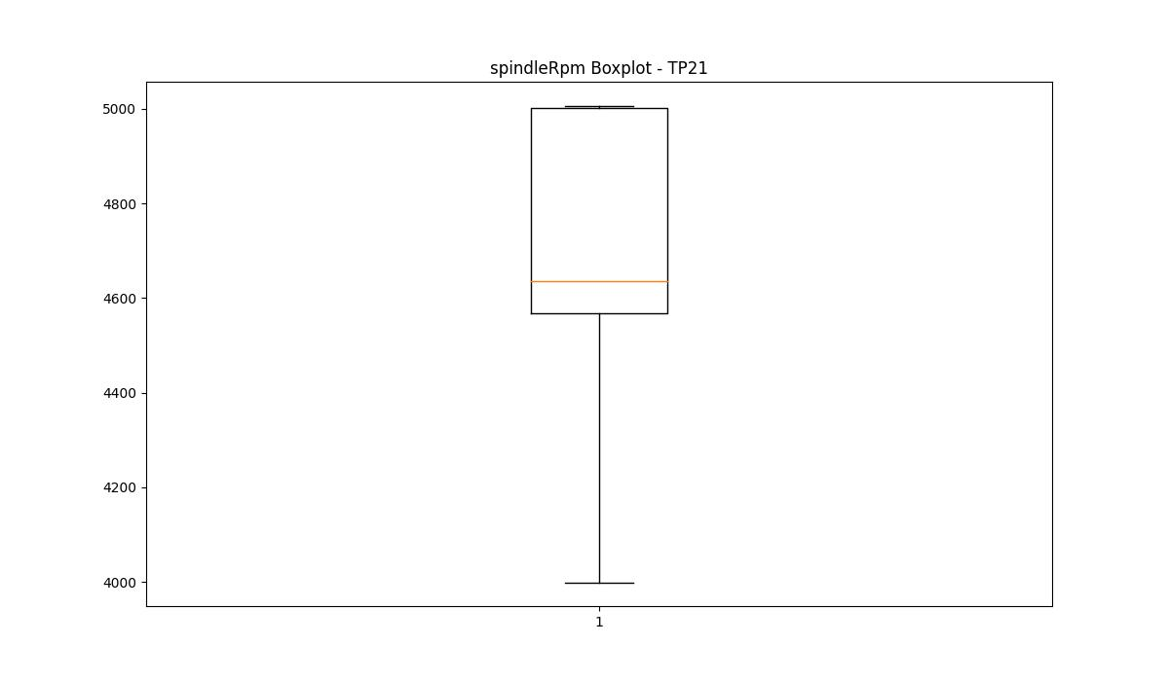

rpmSetPoint

numTP |  | 1 | 21 | 2 | 4
rpmSetPoint outliers |  | [] | [18000. 4000. 10000.] | [] | [10000.]
upper_bound |  | 30000 | 5000 | 4000 | 4000
lower_bound |  | -2000 | 5000 | 4000 | 4000

statistiche con outliers: |  |  |  |  |  | statistiche senza outliers:
numTP |  | 1 | 21 | 2 | 4 | numTP |  | 1 | 21 | 2 | 4
rpmSetPoint | max | 18000 | 18000 | 4000 | 10000 | rpmSetPoint | max | 18000 | 5000 | 4000 | 4000
 | min | 4000 | 4000 | 4000 | 4000 |  | min | 4000 | 5000 | 4000 | 4000
 | avg | 14805.125263 | 7629.9807063 | 4000 | 4324.3243243 |  | avg | 14805.125263 | 5000 | 4000 | 4000
 | median | 18000 | 5000 | 4000 | 4000 |  | median | 18000 | 5000 | 4000 | 4000

BOXPLOT CON OUTLIERS
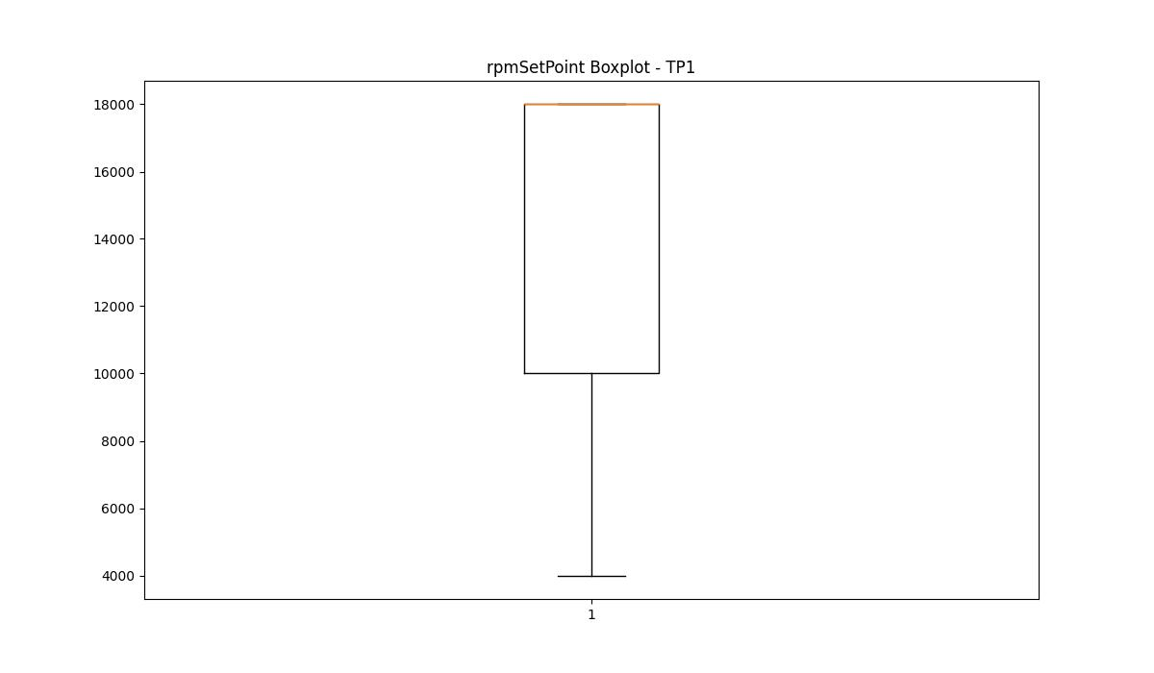
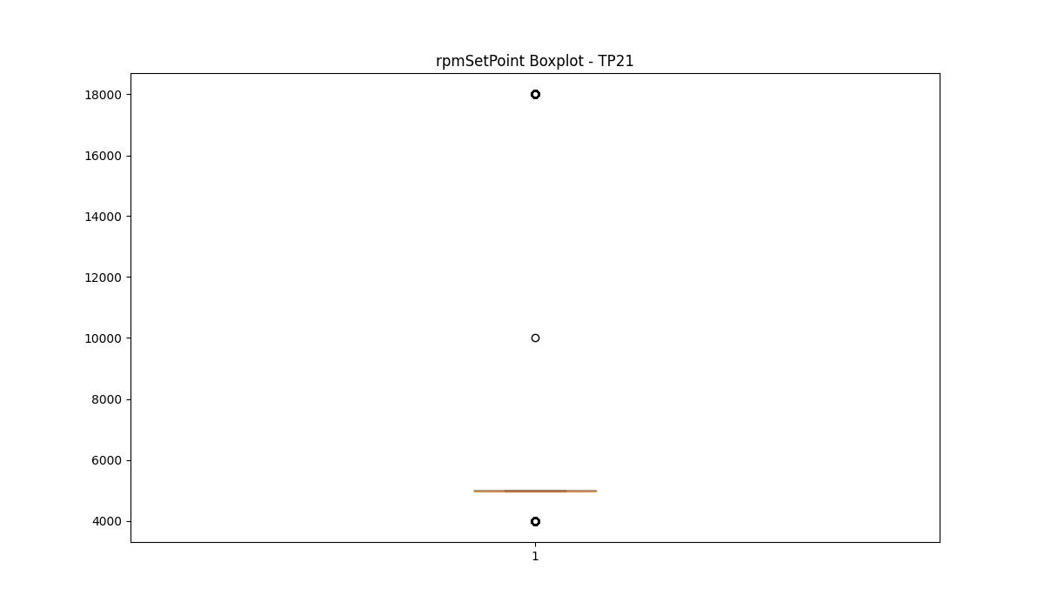
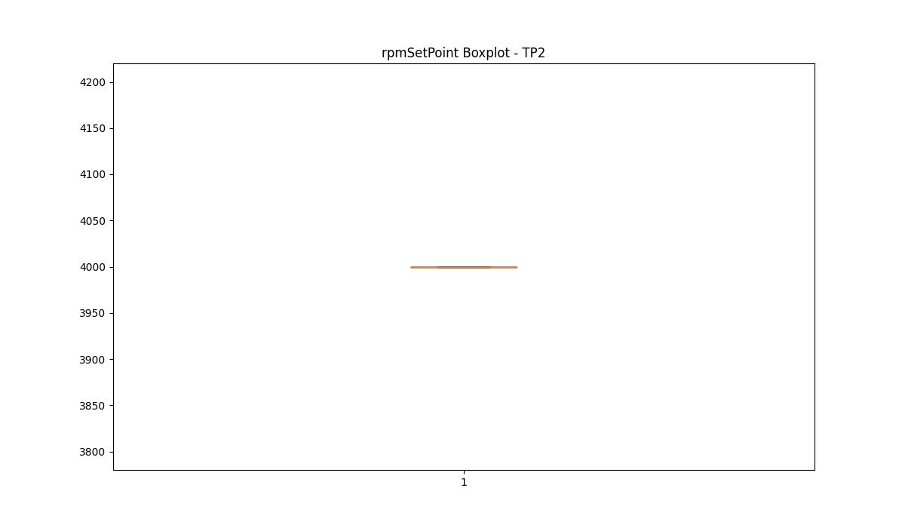
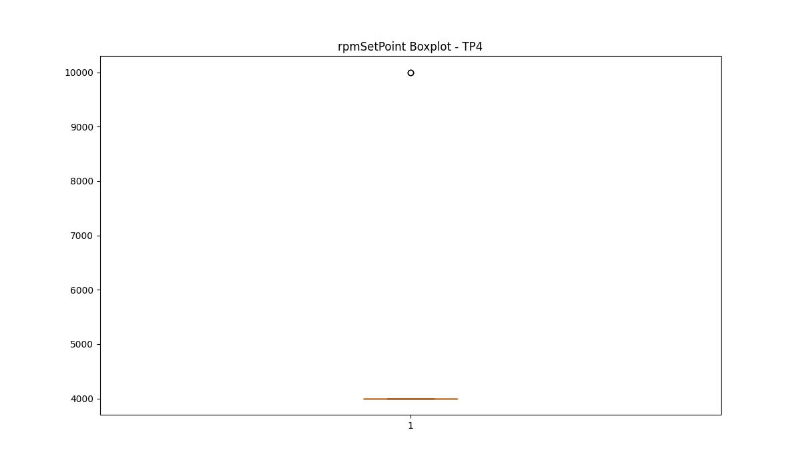

BOXPLOT SENZA OUTLIERS




CurrentPeak

numTP |  | 1 | 21 | 2 | 4
CurrentPeak outliers |  | [17.493 17.316 18.054 17.759 19.44 17.198 18.113 17.552 17.641 17.257 17.405 18.201 18.349 17.788 17.995 18.702 17.818 18.525 18.555 18.319 18.673 18.466 19.971 17.582 17.464 17.847 17.434 17.287 17.523 17.729 18.142 17.346 17.169 18.584 17.611 18.378 6.165 5.31 5.487 6.637 5.428 5.723 4.926 6.106 6.283 4.867 6.755 4.779 6.49 4.897 4.425 5.103 4.248 5.221 4.454 6.903 4.366 6.018 3.776 17.228] | [] | [12.144 12.1 ] | [5.95 5.54 5.58]
upper_bound |  | 17.1685 | 68.9105 | 12.06975 | 5.52
lower_bound |  | 14.1005 | -34.9975 | 11.43175 | 5.12

statistiche con outliers: |  |  |  |  |  | statistiche senza outliers:
numTP |  | 1 | 21 | 2 | 4 | numTP |  | 1 | 21 | 2 | 4
CurrentPeak | max | 19.971 | 33.263 | 12.144 | 5.95 | CurrentPeak | max | 17.139 | 33.263 | 12.034 | 5.52
 | min | 3.776 | 0 | 11.484 | 5.19 |  | min | 15.074 | 0 | 11.484 | 5.19
 | avg | 15.602313444 | 20.37839183 | 11.757377049 | 5.3378378378 |  | avg | 15.615963693 | 20.37839183 | 11.7513 | 5.3067647059
 | median | 15.369 | 26.908 | 11.748 | 5.29 |  | median | 15.369 | 26.908 | 11.748 | 5.29

BOXPLOT CON OUTLIERS
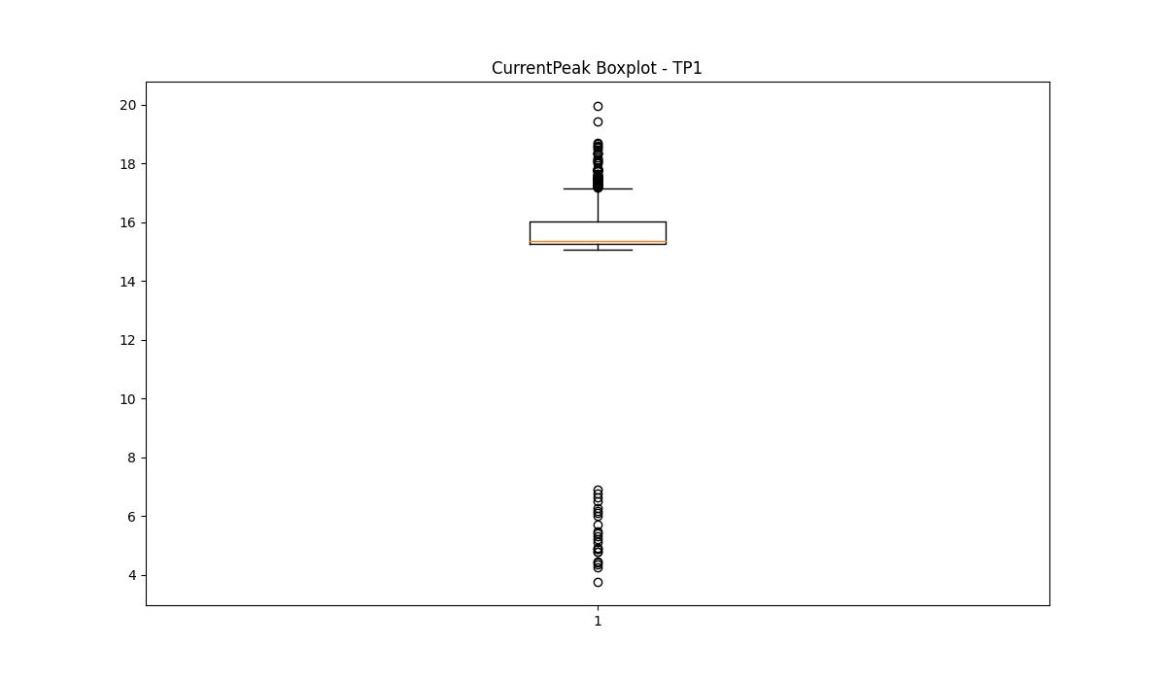
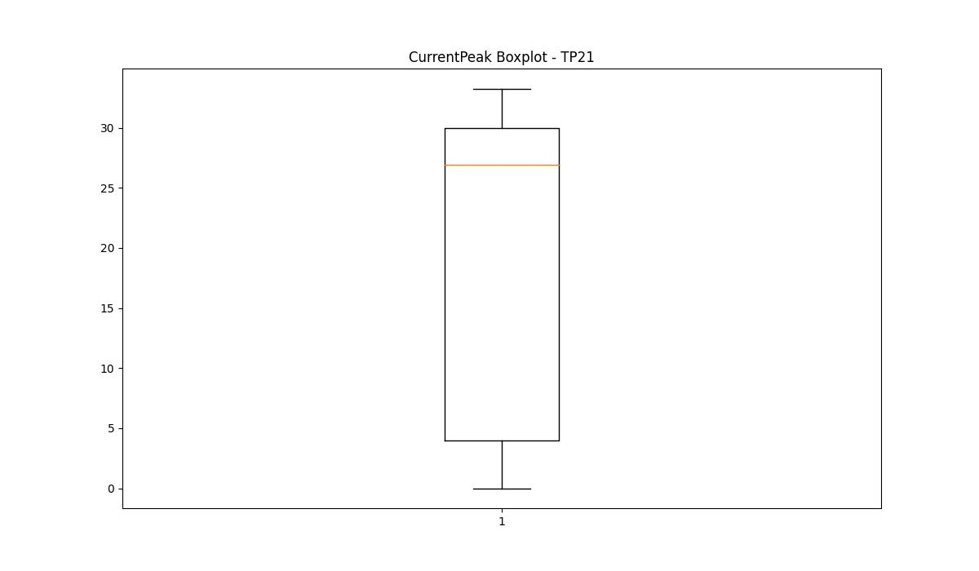
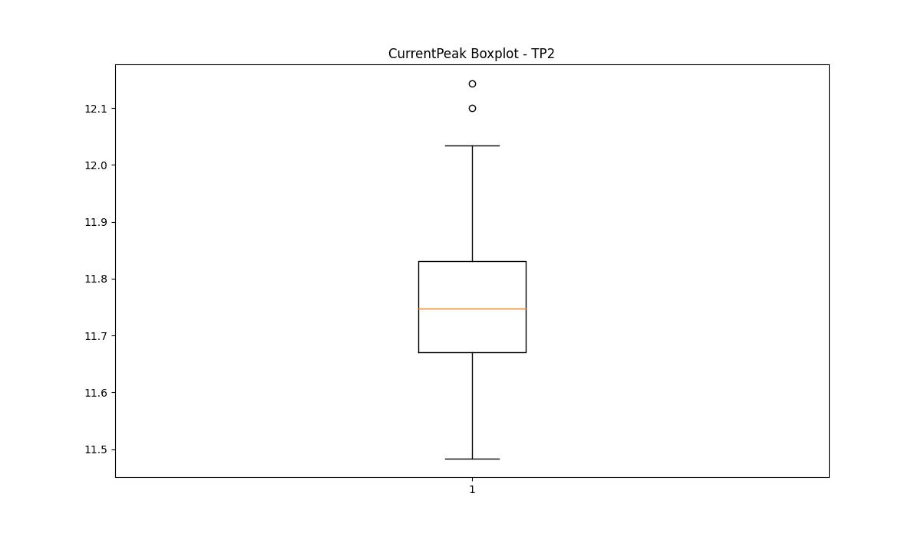
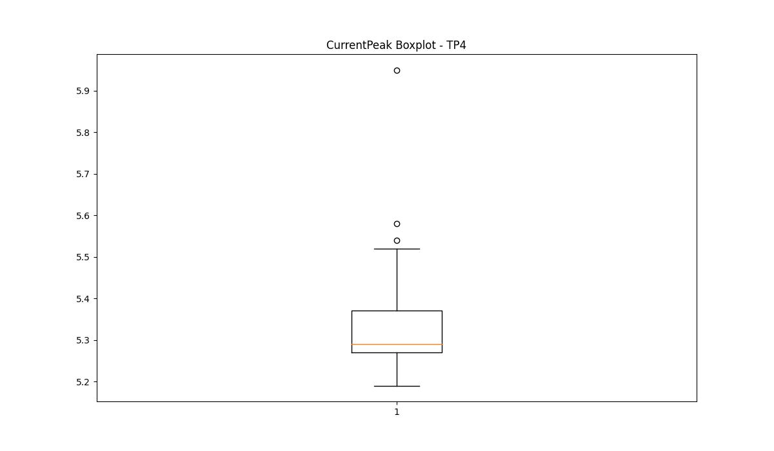

BOXPLOT SENZA OUTLIERS

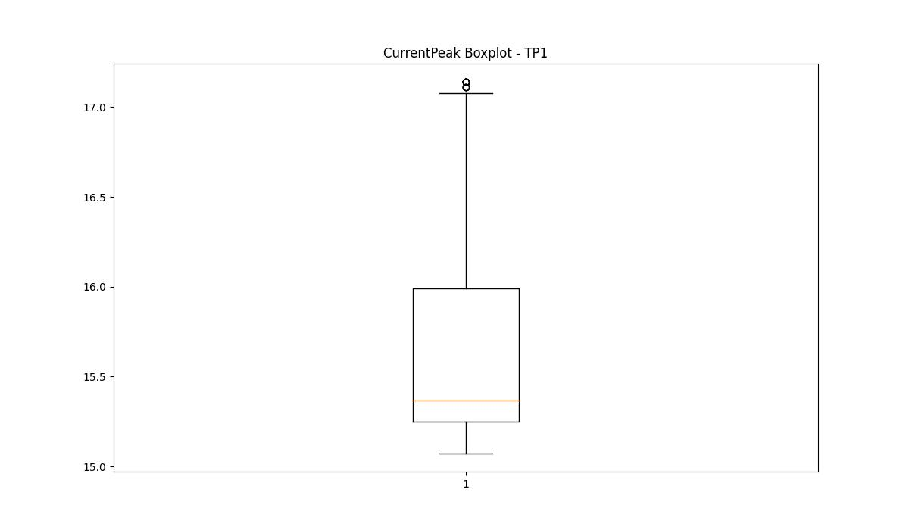
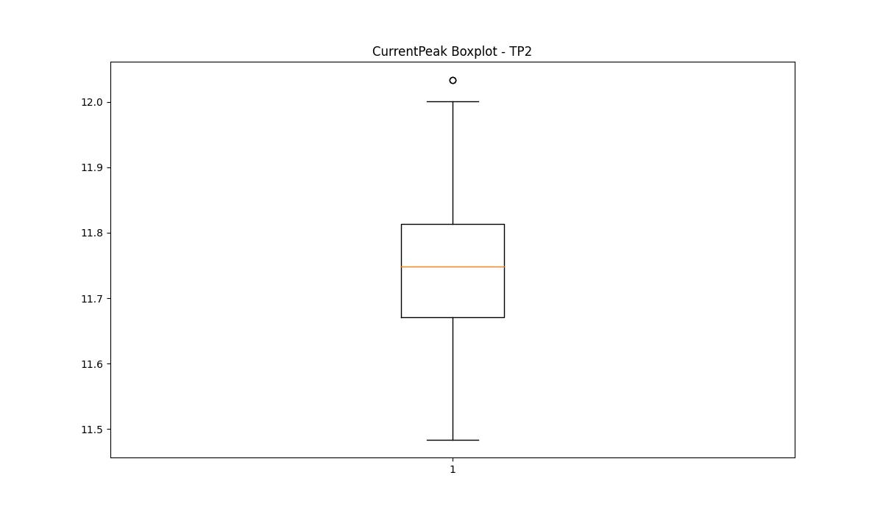
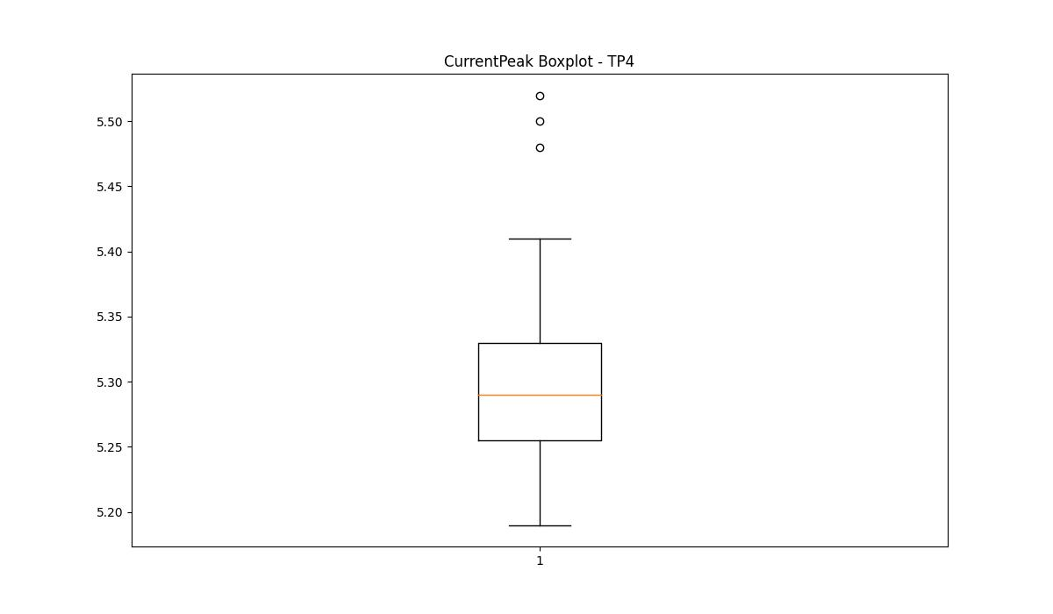

VibromPeak

numTP |  | 1 | 21 | 2 | 4
VibromPeak outliers |  | [1.7 1.8 1.9 2. ] | [4.7 4.1 4.3 4.6 4.8 4. 4.5 4.2 5.3 5.4 5.1 4.4 7.2 5.6]
upper_bound |  | 1.6 | 3.95
lower_bound |  | -1.1102230246E-16 | -1.25

statistiche con outliers: |  |  |  |  |  | statistiche senza outliers:
numTP |  | 1 | 21 | 2 | 4 | numTP |  | 1 | 21 | 2 | 4
VibromPeak | max | 2 | 7.2 | nan | nan | VibromPeak | max | 1.6 | 3.9
 | min | 0.1 | 0.1 | nan | nan |  | min | 0.1 | 0.1
 | avg | 0.85505832855 | 1.4427779644 | nan | nan |  | avg | 0.8424471592 | 1.4348543526
 | median | 0.8 | 1.3 | nan | nan |  | median | 0.8 | 1.3

BOXPLOT CON OUTLIERS
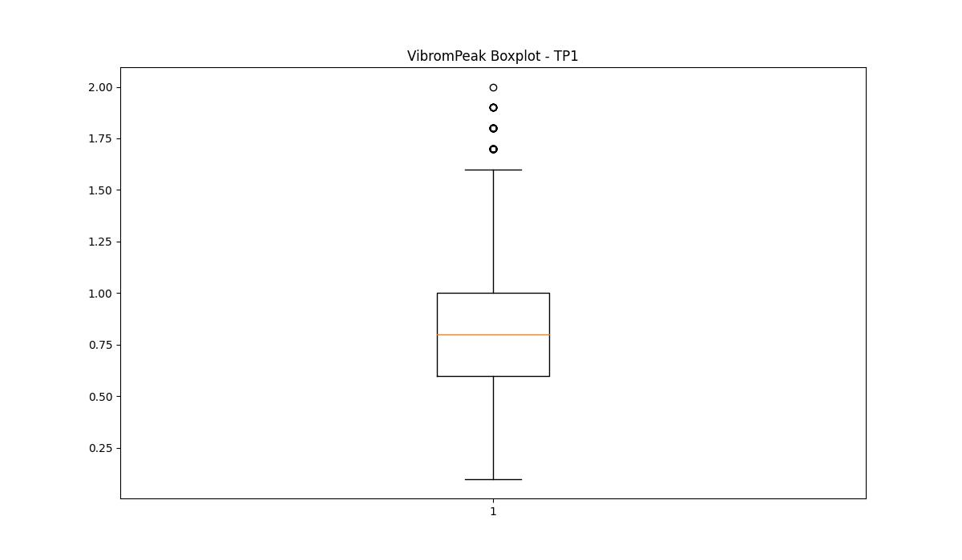
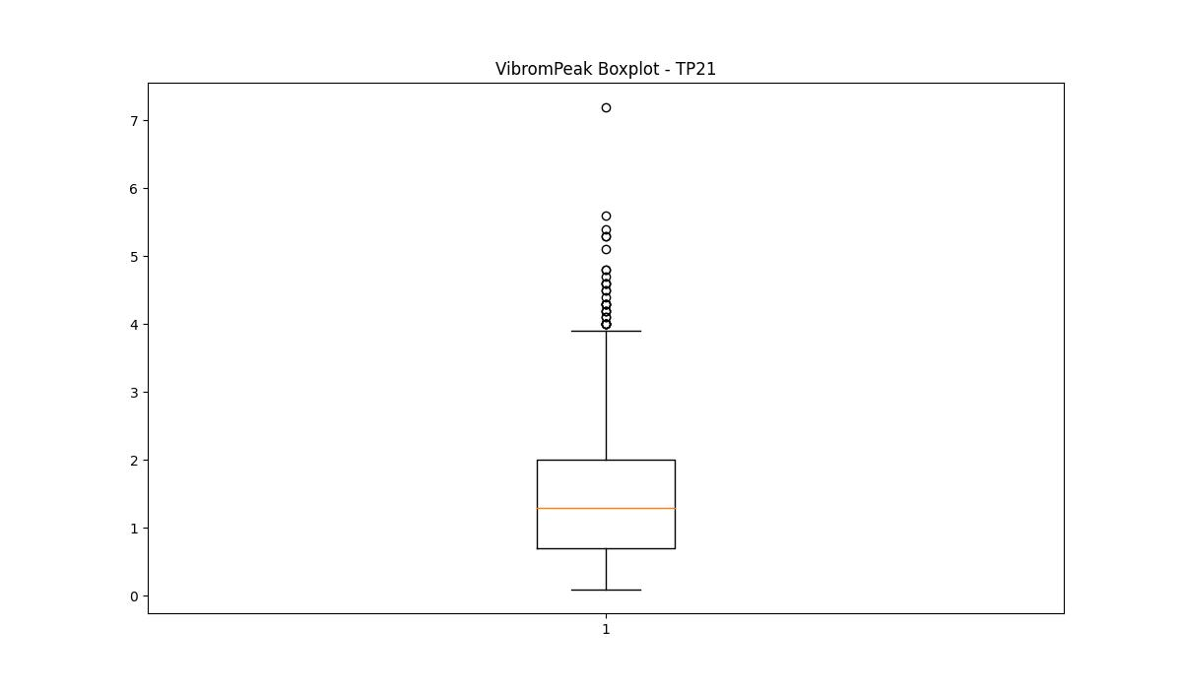
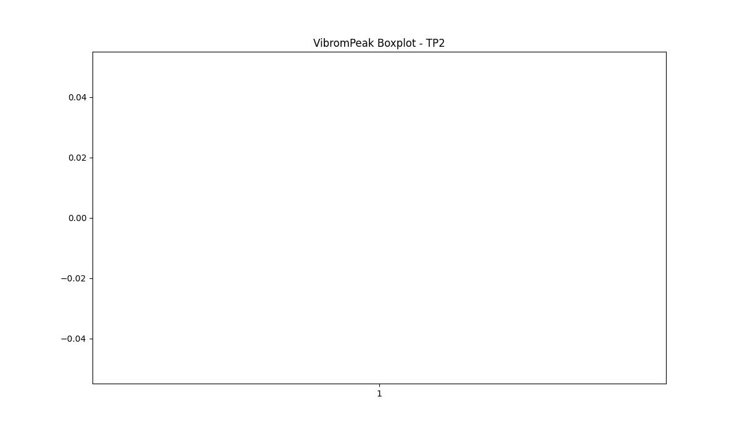
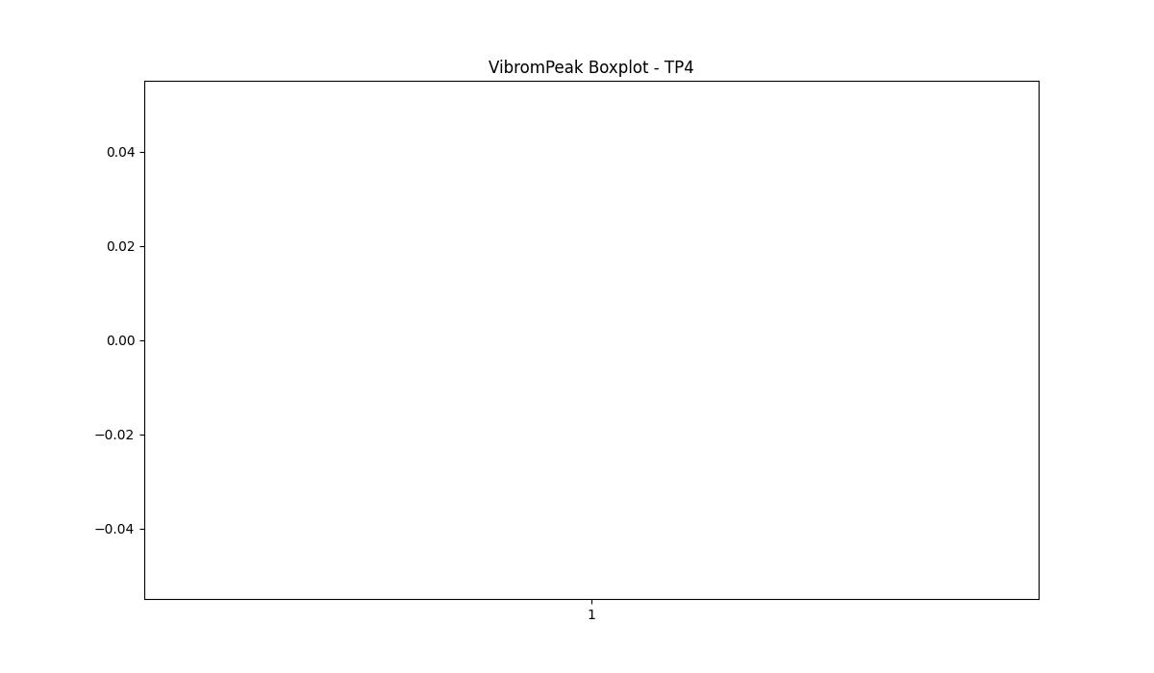

BOXPLOT SENZA OUTLIERS

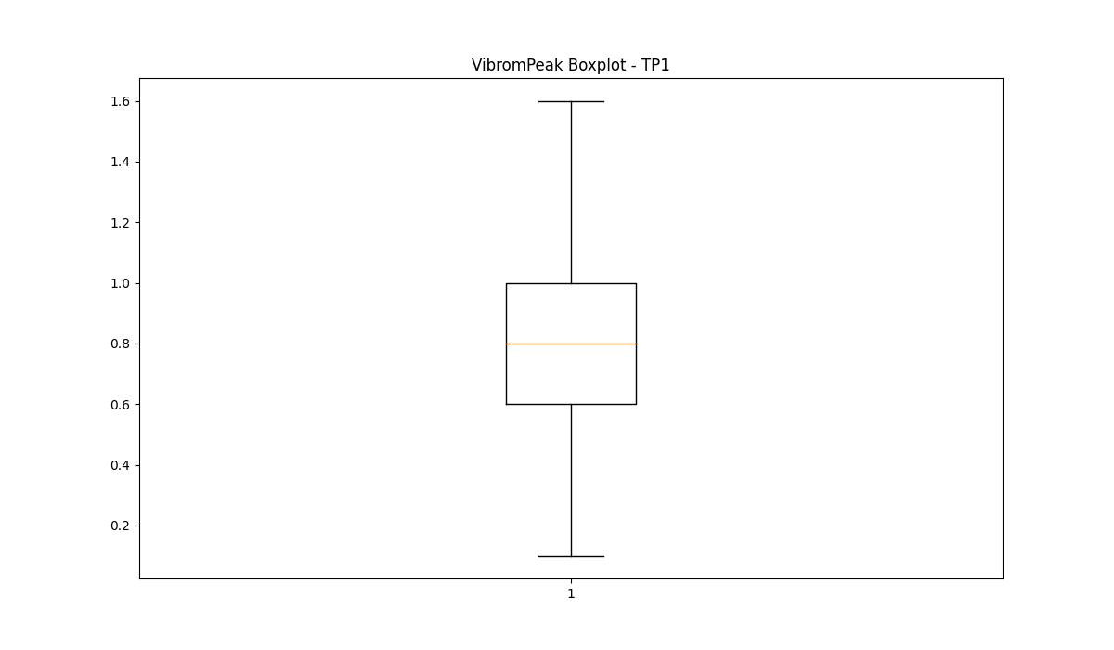
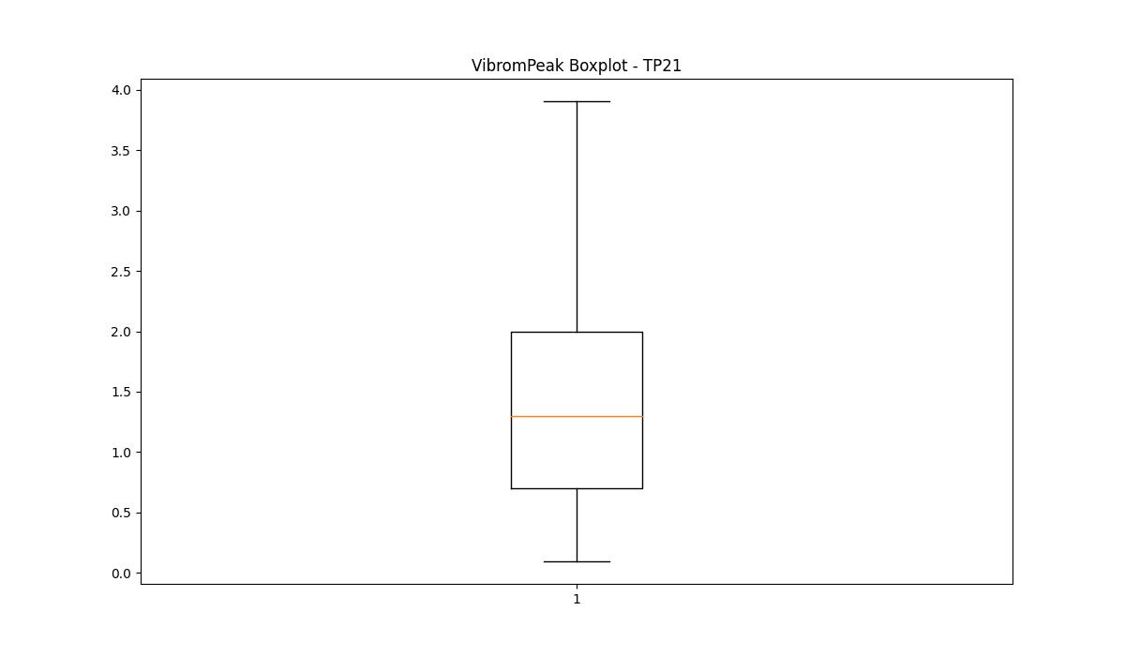

LUNG

numTP |  | 1 | 21 | 2 | 4
LUNG outliers |  | [] | [144.839 248. 272. 247.5 270.7 130.279 250. 240. 235. 250.86 235.949 238.649 237.449 120. 120.8 120.4 180. 180.449 220. 220.399 182.559 238.55 220.449 182.66 235.85 237.35 152. 153.699 2.12 51.279 182.36 182.759 182.699 182.279 182.1 182.199 182.229 182.21 215. 150.149 180.199 126. 214.8 215.199 165.199 165.1 165. 164.949 130. 130.149 155.1 155.149 170.149 165.149 145.149 145.119 180.149 180.05 180.3 215.1 215.08 215.089 215.339 120.07 119.75 119.8 215.149 215.119 144.88 179.75 214.479 209.979 170.399 164. 170.1 217.5 273.5 217.199 270.5 269.5 180.25 119.849 119.5 150. 150.3 177.5 168.5 176.5 210.1 140. 185.1 2.04 120.099 185.199 180.399 118.5 120.12 210.5 150.1 ] | [ 85. 108.] | [60. 40. 38.5]
upper_bound |  | 374.39 | 115.599 | 107.699 | 39
lower_bound |  | -142.65 | 87.599 | 107.699 | 39

statistiche con outliers: |  |  |  |  |  | statistiche senza outliers:
numTP |  | 1 | 21 | 2 | 4 | numTP |  | 1 | 21 | 2 | 4
LUNG | max | 270.7 | 273.5 | 108 | 60 | LUNG | max | 270.7 | 110 | 107.699 | 39
 | min | 1.175 | 2.04 | 85 | 38.5 |  | min | 1.175 | 97.5 | 107.699 | 39
 | avg | 128.3938602 | 119.36036574 | 107.56228689 | 40.148648649 |  | avg | 128.3938602 | 98.266853737 | 107.699 | 39
 | median | 165.1 | 98.099 | 107.699 | 39 |  | median | 165.1 | 98.099 | 107.699 | 39

BOXPLOT CON OUTLIERS
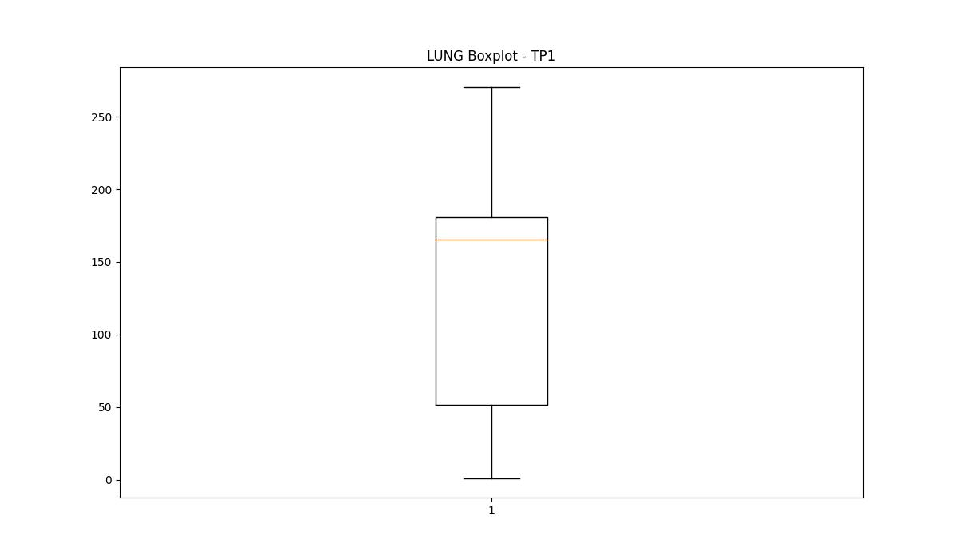
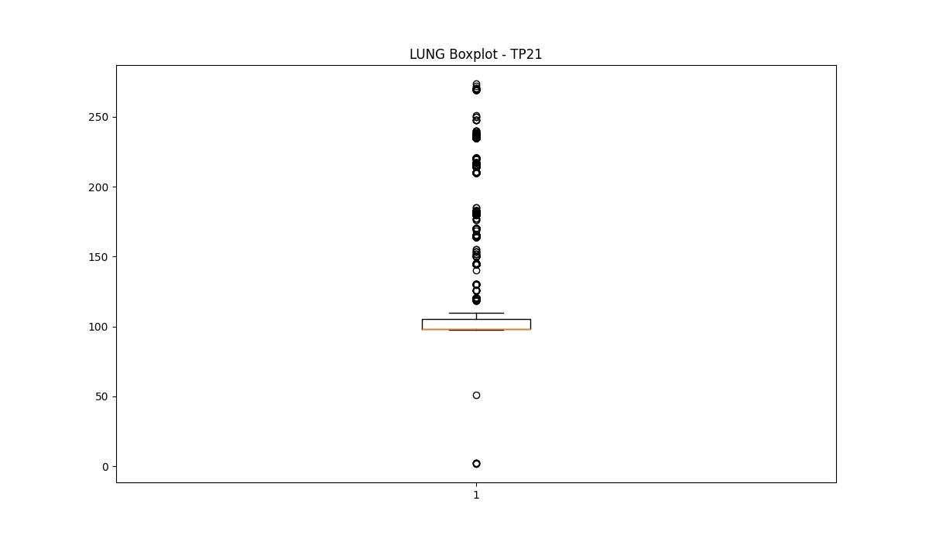
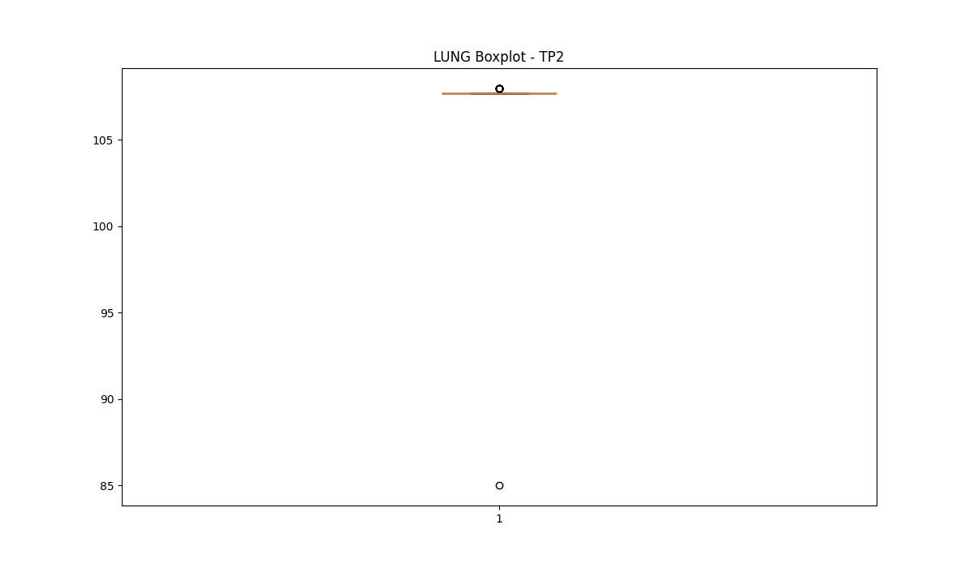
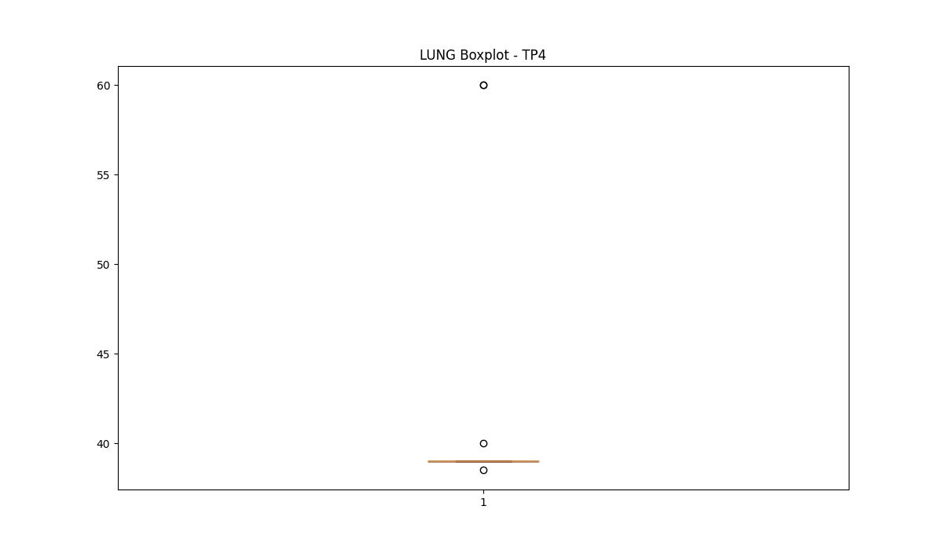

BOXPLOT SENZA OUTLIERS

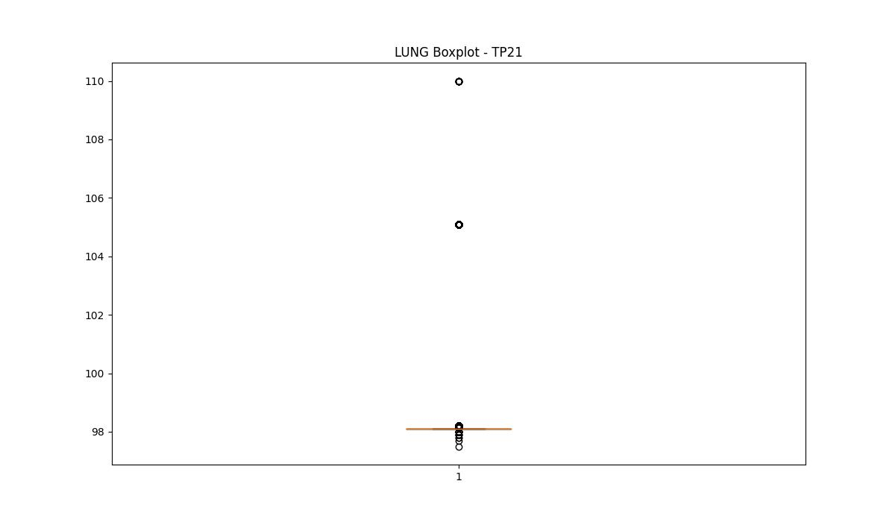
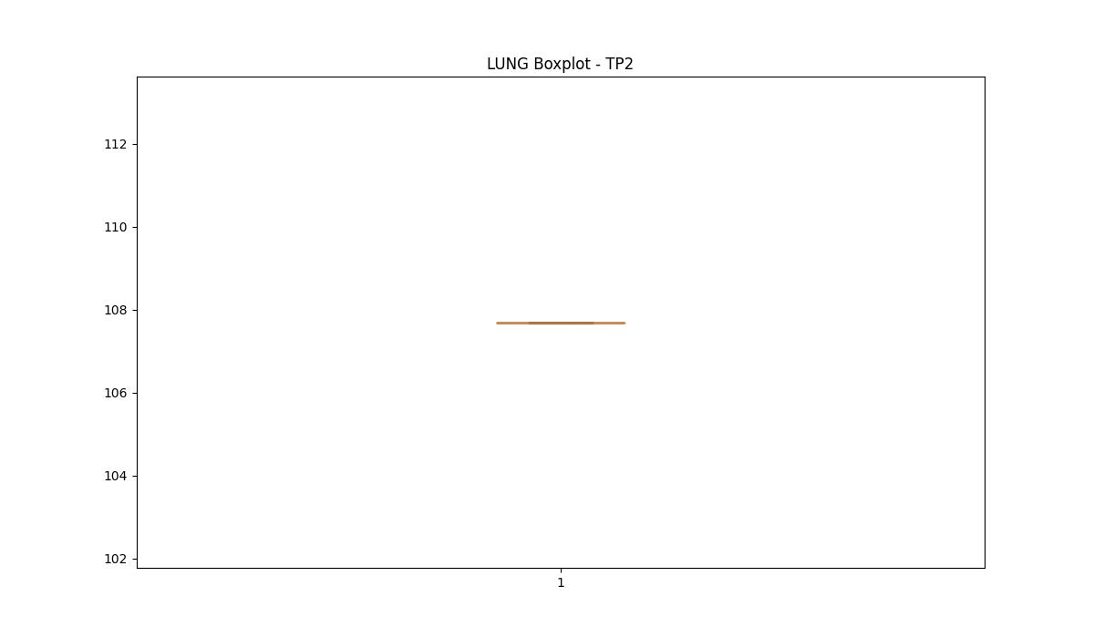
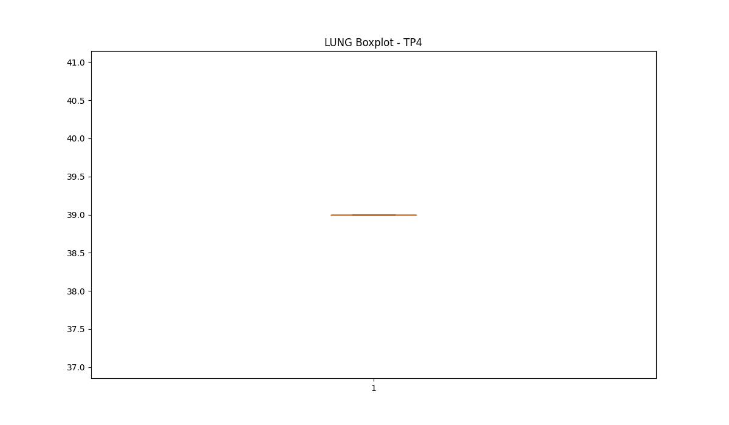

DIAM

numTP |  | 1 | 21 | 2 | 4
DIAM outliers |  | [270. 270.399 210. 210.399 210.8 211. 100. 270.7 ] | [] | [] | [16.]
upper_bound |  | 40.8475 | 840.3015 | 12 | 8
lower_bound |  | -1.9485 | -464.5025 | 12 | 8

statistiche con outliers: |  |  |  |  |  | statistiche senza outliers:
numTP |  | 1 | 21 | 2 | 4 | numTP |  | 1 | 21 | 2 | 4
DIAM | max | 270.7 | 351 | 12 | 16 | DIAM | max | 25 | 351 | 12 | 8
 | min | 6 | 6 | 12 | 8 |  | min | 6 | 6 | 12 | 8
 | avg | 36.472471792 | 265.80432757 | 12 | 8.4324324324 |  | avg | 18.494895789 | 265.80432757 | 12 | 8
 | median | 20 | 351 | 12 | 8 |  | median | 20 | 351 | 12 | 8

BOXPLOT CON OUTLIERS
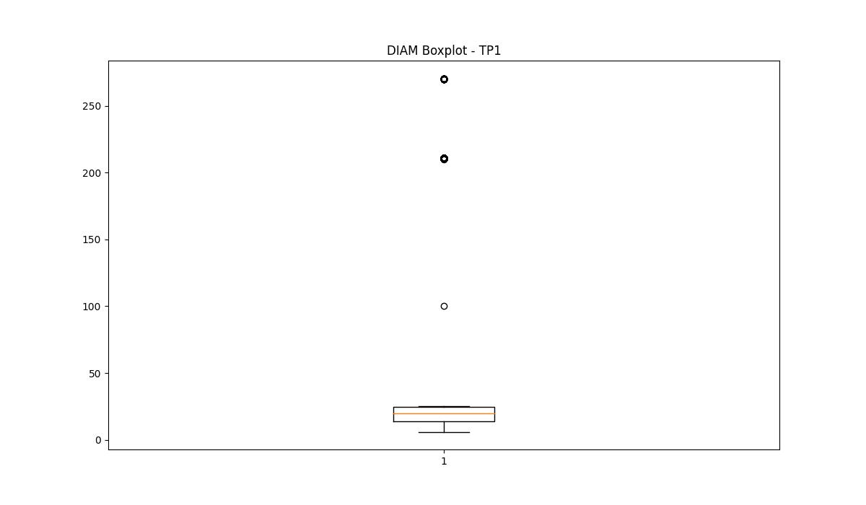
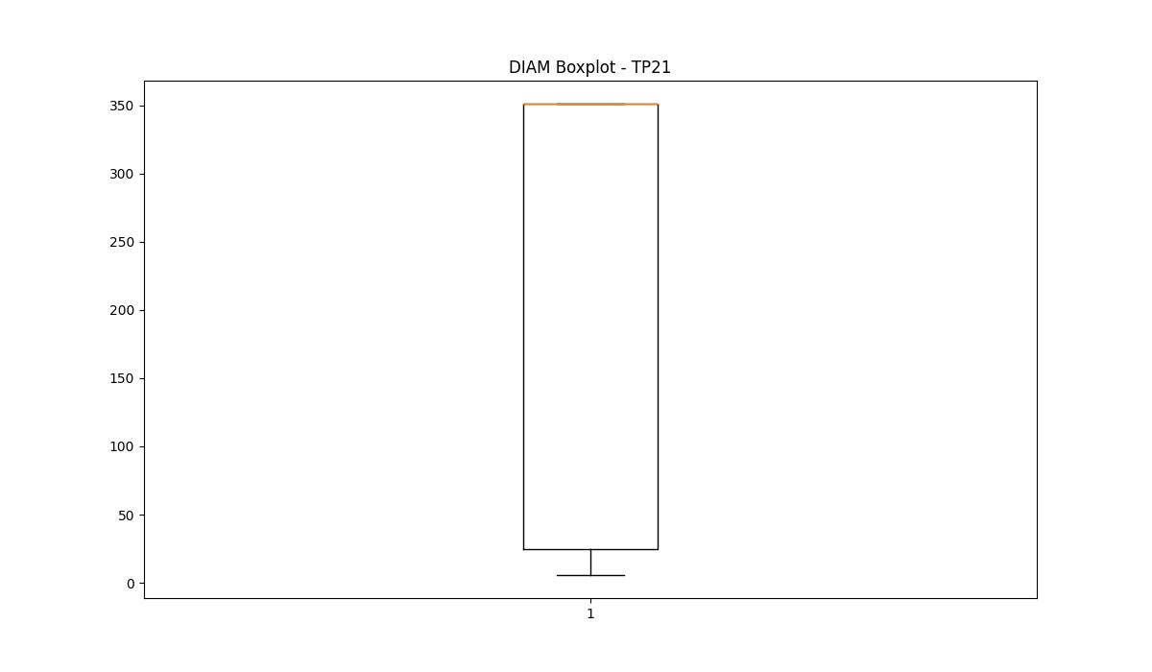
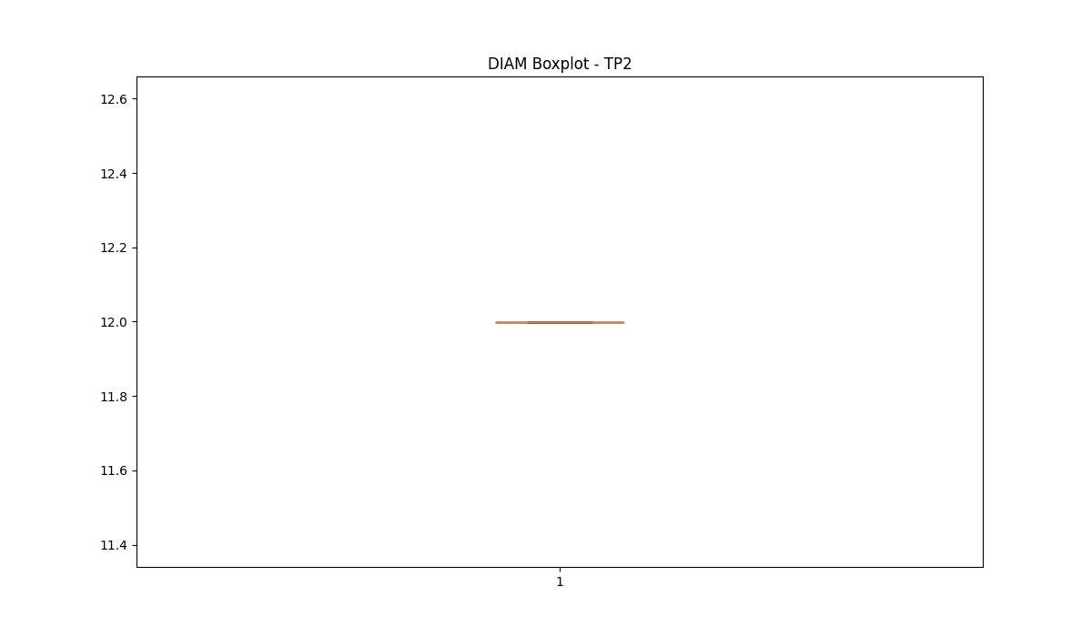
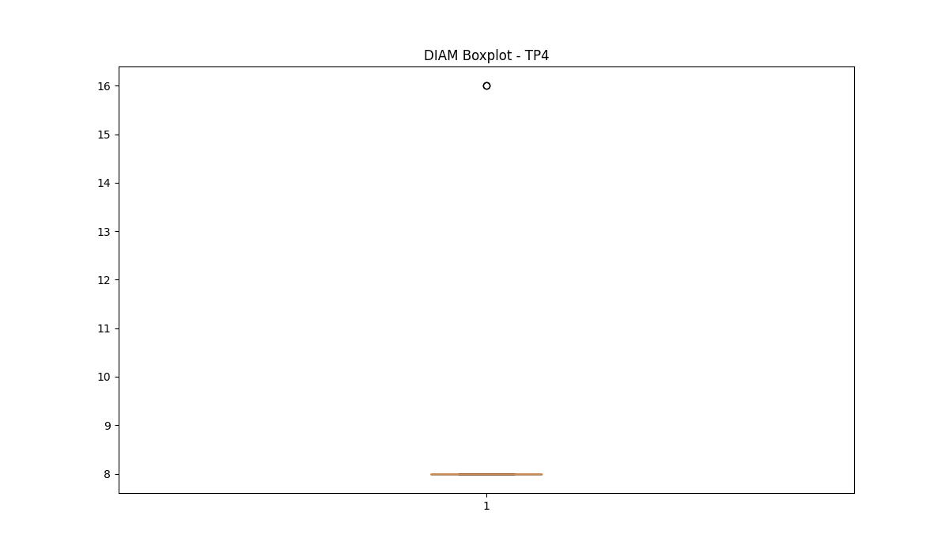

BOXPLOT SENZA OUTLIERS

