Sheet1
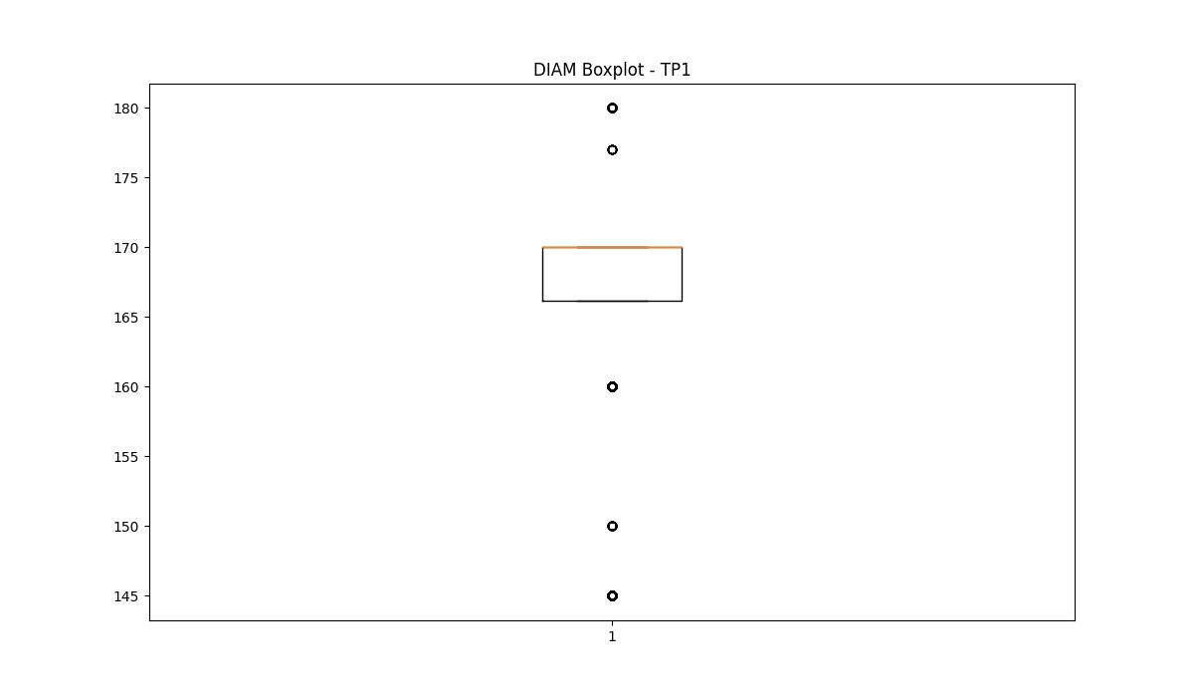
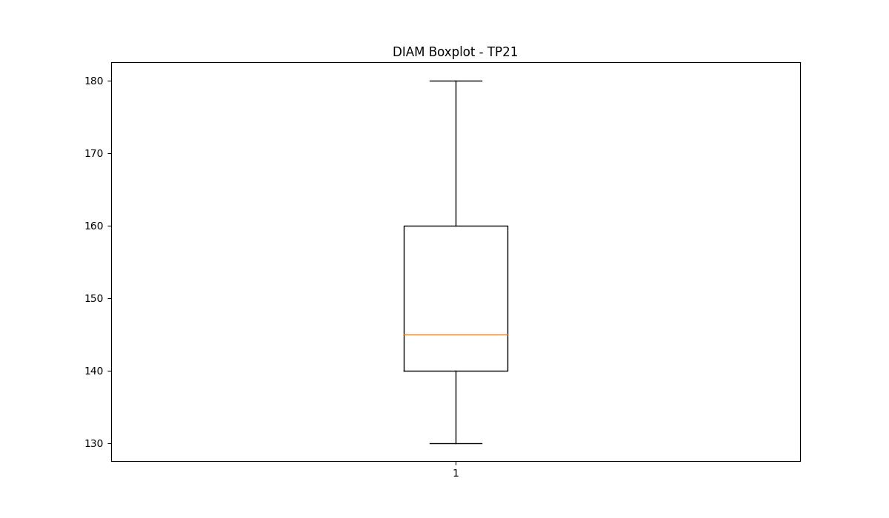
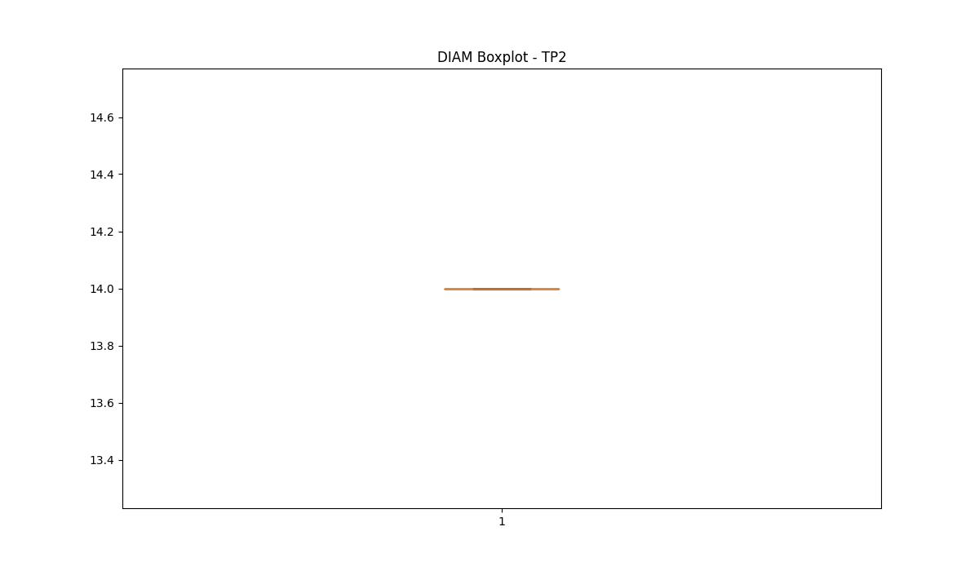
statorCelsius

numTP |  | 1 | 21 | 2
statorCelsius outliers |  | [16. 21. 20. 18. 19. 15. 47. 17. 14. 12. 13. 10.] | [17. 18. 33. 20. 15. 38. 19. 39. 40. 34. 41. 35. 42. 36. 37. 14. 10.] | []
upper_bound |  | 46 | 32.5 | 0
lower_bound |  | 22 | 20.5 | 0

statistiche con outliers: |  |  |  |  | statistiche senza outliers:
numTP |  | 1 | 21 | 2 | numTP |  | 1 | 21 | 2
statorCelsius | max | 47 | 42 | 0 | statorCelsius | max | 46 | 32 | 0
 | min | 10 | 10 | 0 |  | min | 22 | 22 | 0
 | avg | 33.789812241 | 26.615967018 | 0 |  | avg | 33.872887984 | 26.618374062 | 0
 | median | 34 | 27 | 0 |  | median | 34 | 27 | 0

BOXPLOT CON OUTLIERS
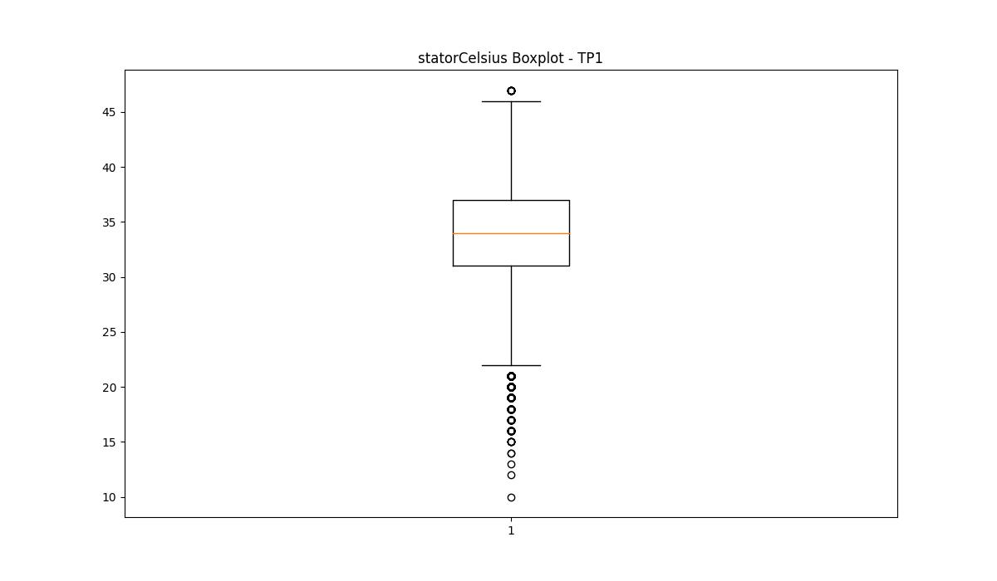
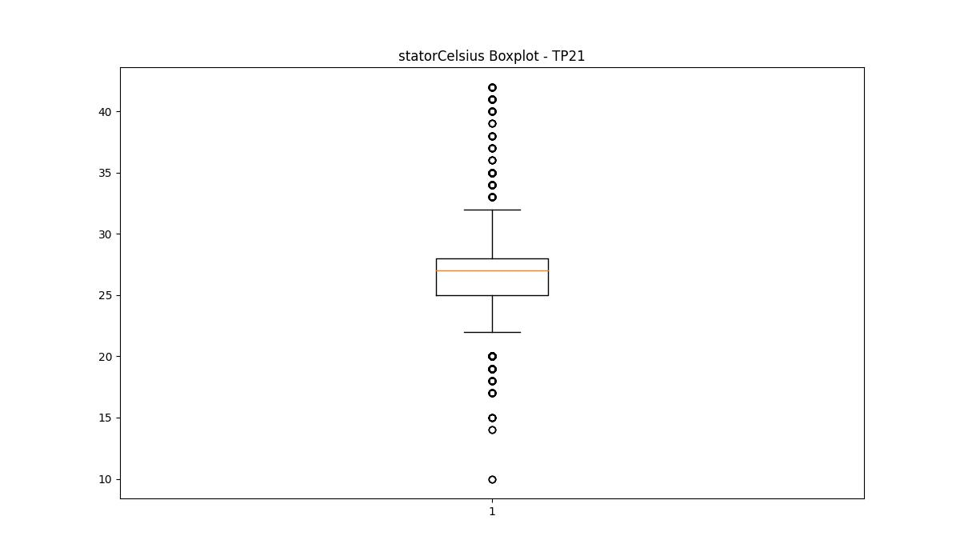
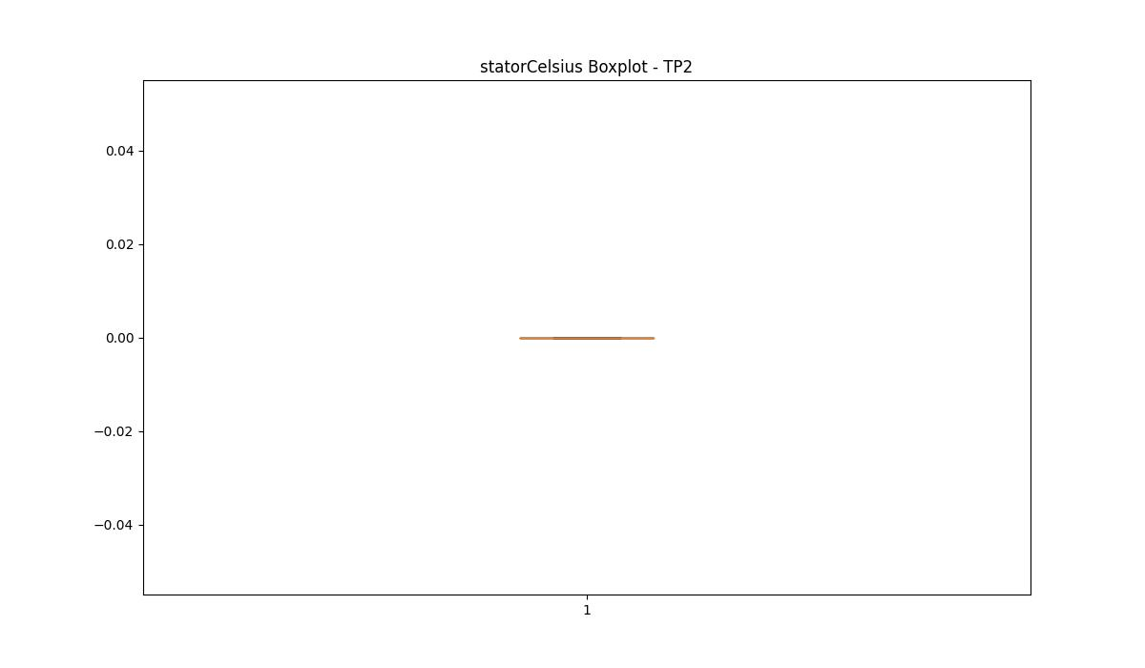

BOXPLOT SENZA OUTLIERS

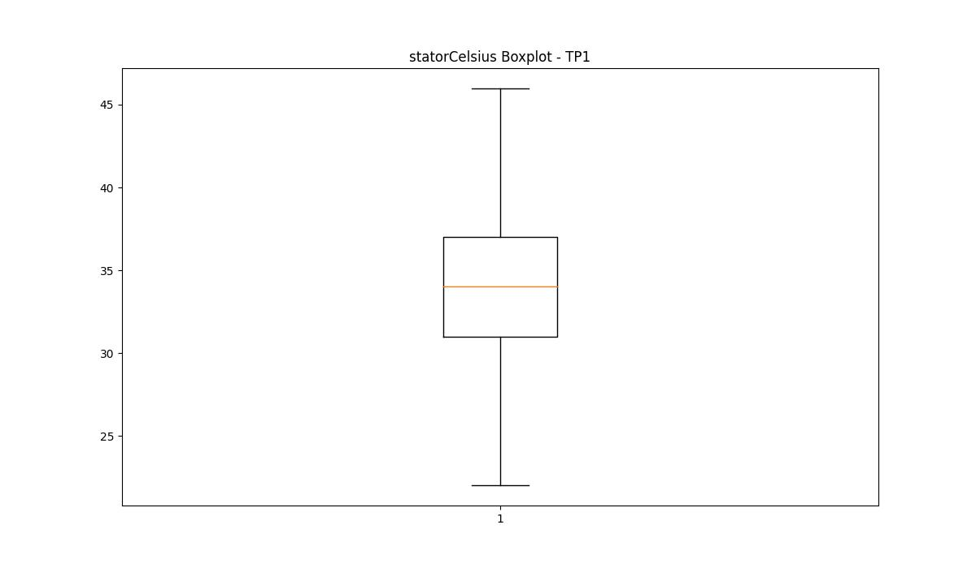
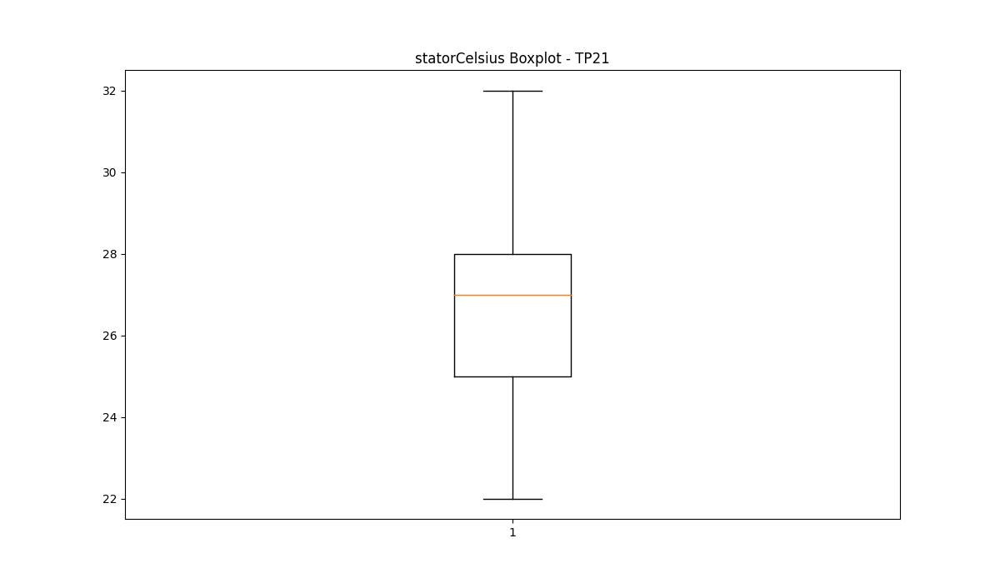

bearingsCelsius

numTP |  | 1 | 21 | 2
bearingsCelsius outliers |  | [15. 13. 14. 12. 11. 8. 33.] | [17. 18. 32. 19. 15. 34. 35. 36. 37. 33. 38. 13. 14. 10.] | []
upper_bound |  | 32 | 31.5 | 0
lower_bound |  | 16 | 19.5 | 0

statistiche con outliers: |  |  |  |  | statistiche senza outliers:
numTP |  | 1 | 21 | 2 | numTP |  | 1 | 21 | 2
bearingsCelsius | max | 33 | 38 | 0 | bearingsCelsius | max | 32 | 30 | 0
 | min | 8 | 10 | 0 |  | min | 16 | 20 | 0
 | avg | 23.933970201 | 25.114947814 | 0 |  | avg | 23.978738658 | 25.103498045 | 0
 | median | 24 | 25 | 0 |  | median | 24 | 25 | 0

BOXPLOT CON OUTLIERS
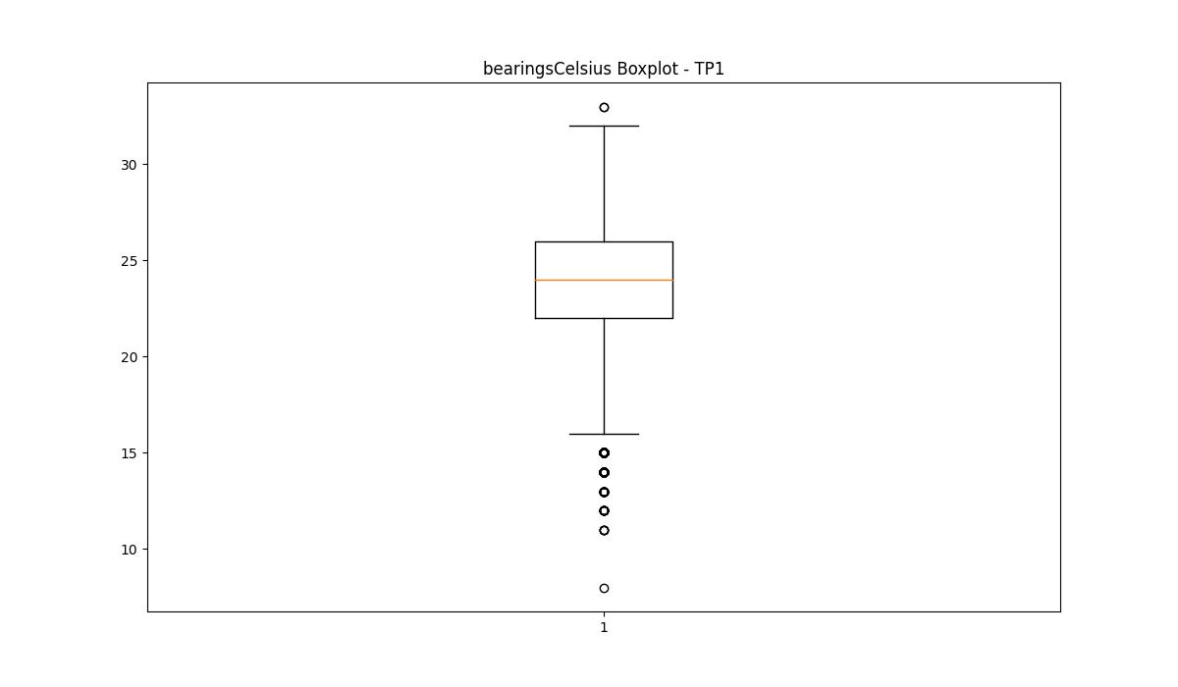
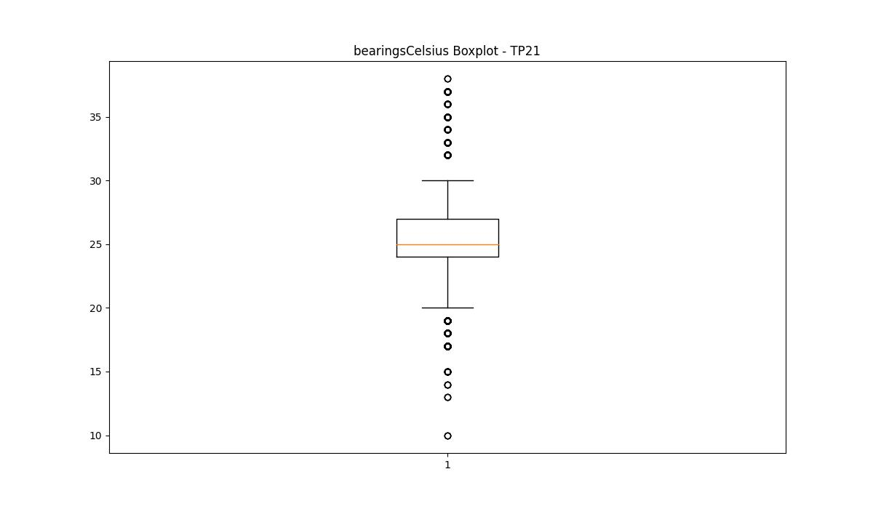
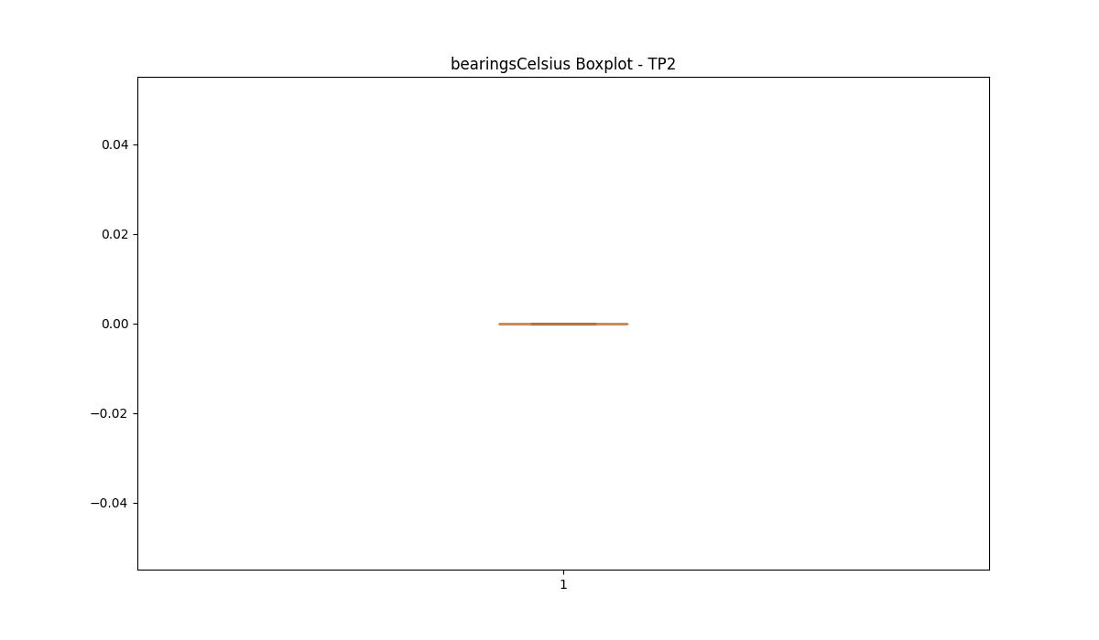

BOXPLOT SENZA OUTLIERS

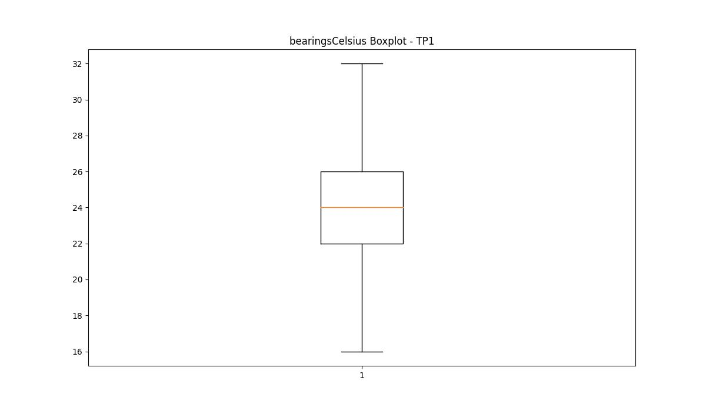
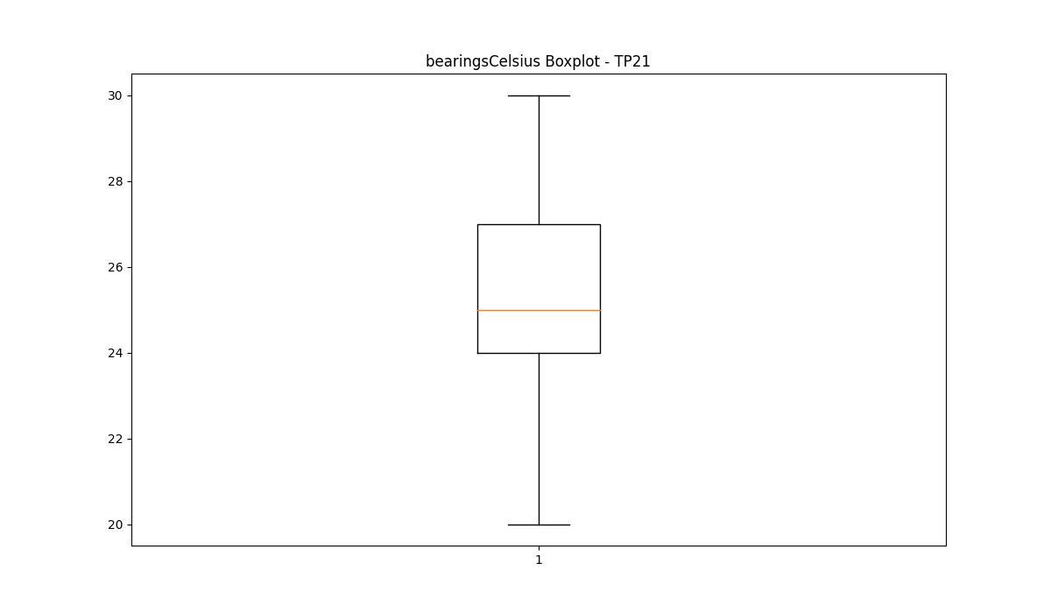

spindleRpm

numTP |  | 1 | 21 | 2
spindleRpm outliers |  | [10123. 3875. 3773. ... 11774. 9730. 5541.] | [ 5631. 13920. 13695. ... 5645. 4189. 16190.] | []
upper_bound |  | 9674 | 12769 | 0
lower_bound |  | 9018 | 6993 | 0

statistiche con outliers: |  |  |  |  | statistiche senza outliers:
numTP |  | 1 | 21 | 2 | numTP |  | 1 | 21 | 2
spindleRpm | max | 16914 | 17806 | 0 | spindleRpm | max | 9674 | 12009 | 0
 | min | 163 | 0 | 0 |  | min | 9021 | 7045 | 0
 | avg | 9461.832721 | 9072.0019924 | 0 |  | avg | 9331.7430378 | 10120.399665 | 0
 | median | 9344 | 10130 | 0 |  | median | 9332 | 10455 | 0

BOXPLOT CON OUTLIERS
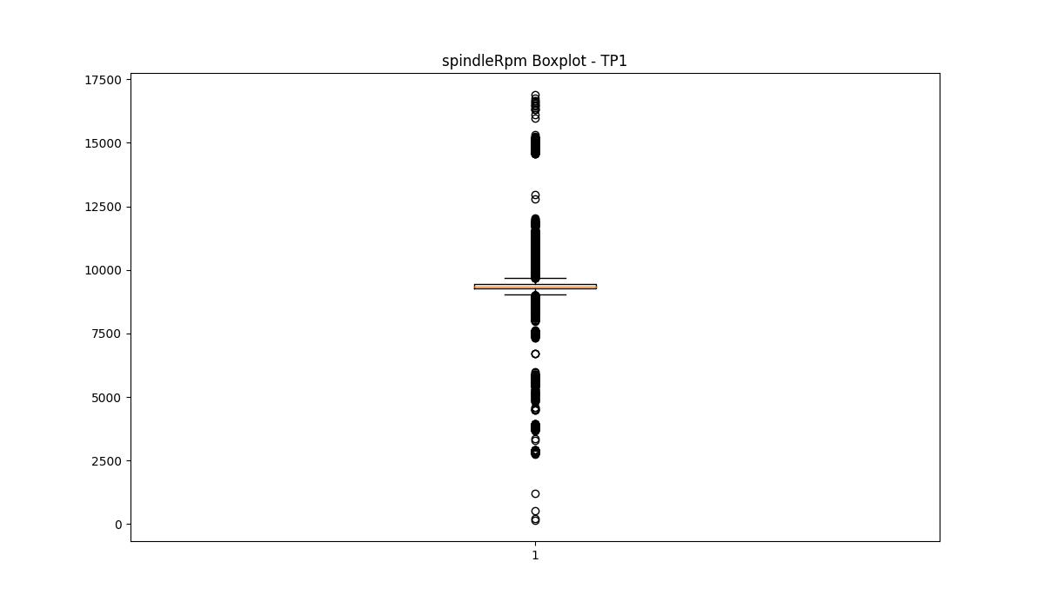
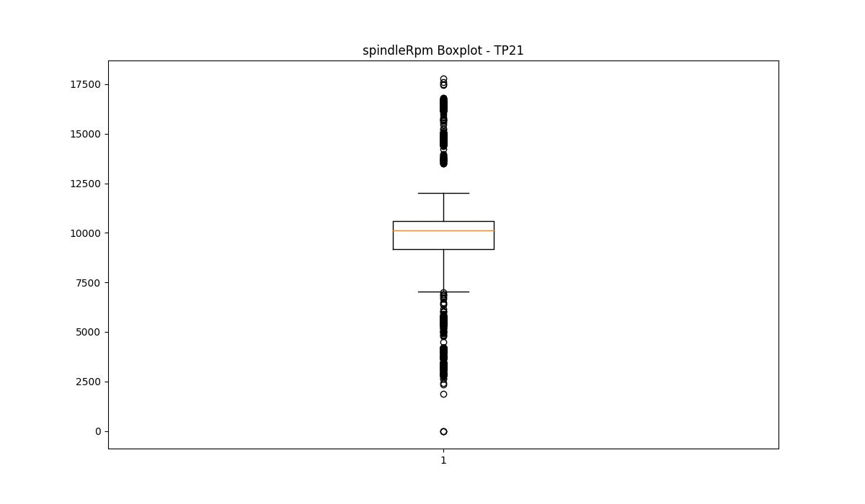


BOXPLOT SENZA OUTLIERS

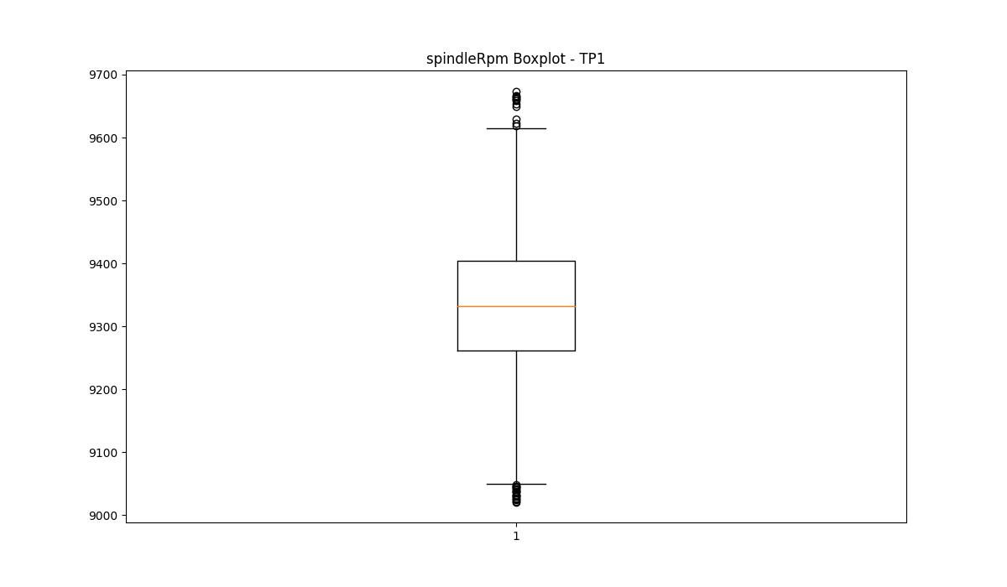
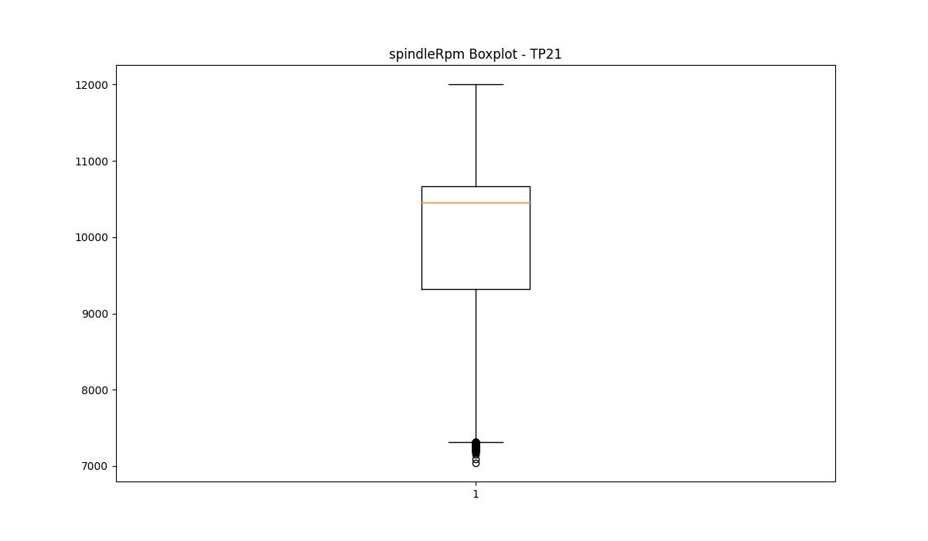

rpmSetPoint

numTP |  | 1 | 21 | 2
rpmSetPoint outliers |  | [11000. 4000. 17800. 9000. 12000. 10500. 8000. 16000. 10800. 11500. 6000. 3500. 3000. 12700.] | [ 6000. 14800. 17800. 16000. 4500. 3500. 4000. 3000. 2500. 2000. 17000. 15000. 5000. 17500.] | [ 6000. 12000.]
upper_bound |  | 10000 | 13750 | 17800
lower_bound |  | 10000 | 7750 | 17800

statistiche con outliers: |  |  |  |  | statistiche senza outliers:
numTP |  | 1 | 21 | 2 | numTP |  | 1 | 21 | 2
rpmSetPoint | max | 17800 | 17800 | 17800 | rpmSetPoint | max | 10000 | 12000 | 17800
 | min | 3000 | 2000 | 6000 |  | min | 10000 | 8000 | 17800
 | avg | 10144.23464 | 9823.9321348 | 16855.2396 |  | avg | 10000 | 10952.567349 | 17800
 | median | 10000 | 11000 | 17800 |  | median | 10000 | 11500 | 17800

BOXPLOT CON OUTLIERS
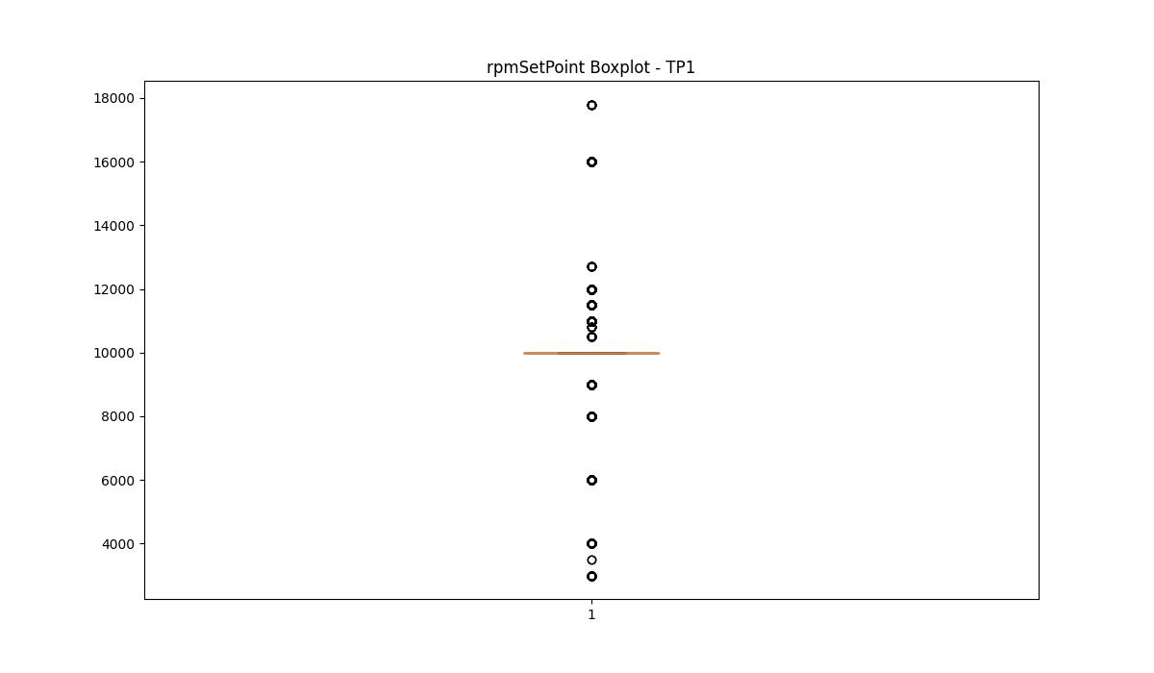
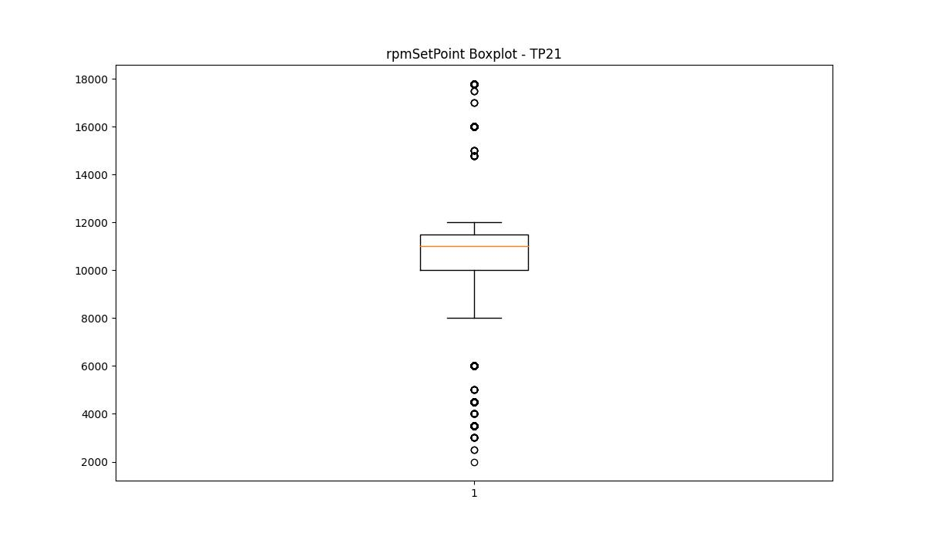
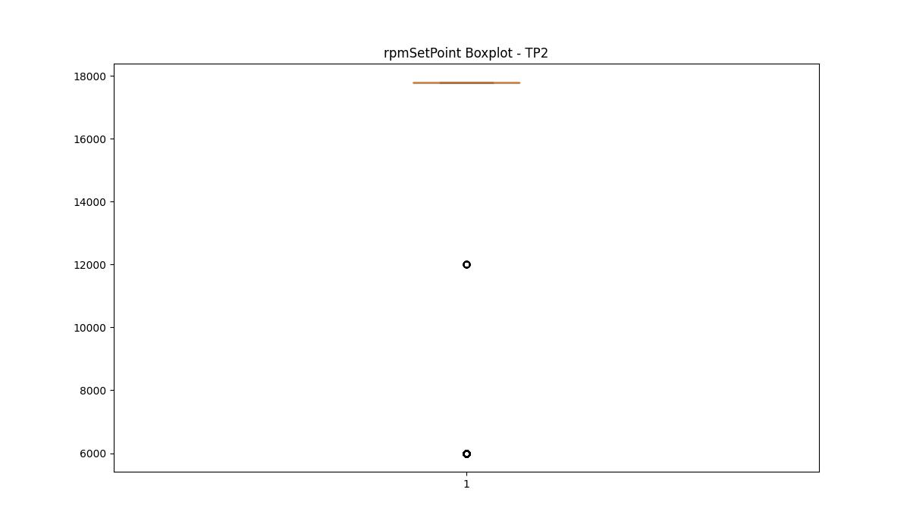

BOXPLOT SENZA OUTLIERS

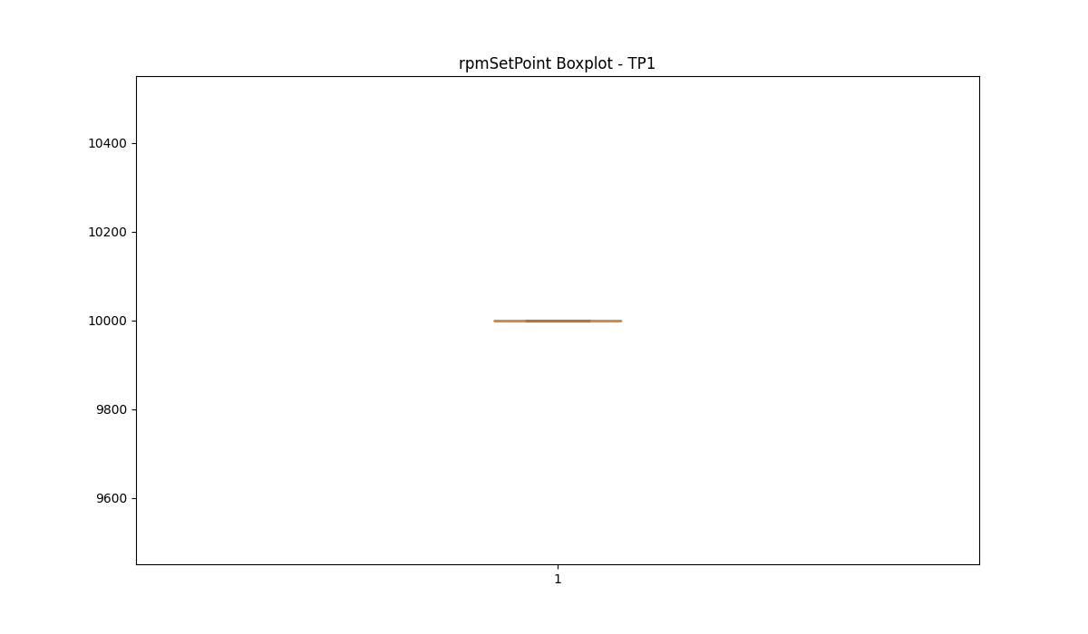
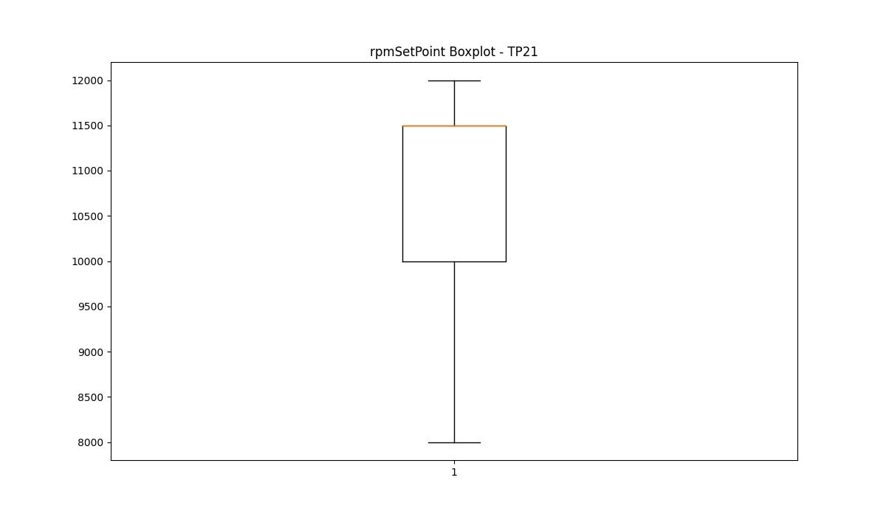
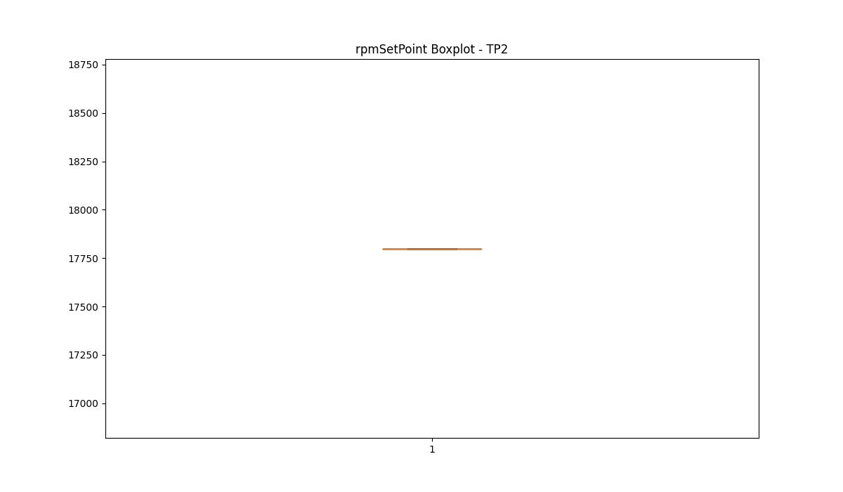

CurrentPeak

numTP |  | 1 | 21 | 2
CurrentPeak outliers |  | [47.349 45.099 48.599 25.35 25.25 50.349 25.45 25.5 25.4 25.299 25.549 25.6 26.049 25.799 25.15 26.15 44.95 25.9 45.25 50.65 25.2 25.65 26.5 26.65 26.25 40.75 26.45 44.5 25.7 25.85 26.6 41.65 25.95 25.75 26.2 38.849 38.9 43.049 43.2 47.049 39. 40.099 38. 50.049 43.299 17.049 22.5 23.549 22.65 22.7 23.5 21.799 21.9 22.549 22.299 21.45 22.049 22.35 26.549 23.45 23.799 24.799 25.1 23.9 41.45 22.799 22.1 23.4 24.2 24.15 24.9 23.95 17.5 15.65 23.6 23.25 22.95 22.75 23.75 23. 24.4 24.549 39.45 47.7 41.7 44.75 46.9 43.5 49.75 49.549 50.849 49.349 51.7 47.5 46.7 11.4 13.35 15.4 11.6 39.049 52.349 26.299 39.9 47.75 46.849 44.2 52.549 43.4 42.349 48.95 52. 23.65 18.549 21.7 21.1 16.1 44.25 46.15 51.5 51.299 45.049 40.15 49.9 42.4 50.299 42.25 51. 39.099 48.65 51.2 49.299 50.599 38.2 41.349 46.2 37.849 37.9 44.9 48.799 49.049 46.549 42.7 47.849 46.299 41.9 49.65 44.65 43.799 46.799 41.799 51.799 44.049 40.9 38.4 50. 43.15 41.4 40.65 21.549 22.2 22.25 23.299 23.15 21.25 24.65 24.1 24.85 24.25 48.349 45.75 52.799 52.7 37.7 46.65 42.599 39.15 53.049 38.049 43.7 41.299 40.049 47.25 39.849 50.5 46.95 47.2 45.849 38.349 45.349 47.299 40.849 47.95 39.299 39.599 44.849 40.549 26. 38.15 48.299 51.099 41.049 46. 42.5 48.7 46.4 42.099 44.4 47.65 38.7 15.75 23.1 23.35 24.7 24. 20.299 21. 49.2 49.5 48. 51.349 52.45 38.099 41. 40.349 39.7 41.5 40.45 44.599 38.549 40.7 43.75 48.4 37.799 42.299 37.95 41.25 42.75 40.95 46.25 42.799 42.15 46.45 42.549 52.099 49.4 45.95 42.849 41.95 26.35 26.1 44.45 42.2 49. 45.15 43. 40.299 50.4 49.599 41.15 42.95 41.099 47.45 47.799 46.599 44.15 40. 41.849 44.799 24.45 20.95 19.799 23.85 26.4 20.799 48.75 49.099 47.599 46.349 40.25 53.95 39.25 | [19.591 20.801 21.142 20.274 21.452 19.778 19.561 20.398 21.08 20.429 20.118 19.747 20.955 21.638 21.514 21.173 21.018 21.204 20.552 20.832 21.327 20.646 21.421 21.235 21.297 21.576 20.677 19.065 20.924 21.266 21.389 19.313 20.181 19.219 20.336 21.545 20.243 18.972 20.15 19.684 20.305 20.739 19.282 21.607 19.468 18.816 20.615 20.367 19.716 20.521 20.459 20.863 20.893 19.034 19.406 20.49 30.287 21.483 19.53 5.58 4.185 5.425 3.751 3.813 4.03 3.937 3.844 4.309 3.999 4.557 5.146 6.386 6.572 20.77 19.127 19.964 19.809 20.584 30.256 21.358 21.111 19.499 20.087 21.049 3.875 4.774 4.588 4.898 30.132 3.534 3.503 3.658 4.061 4.371 3.41 3.689 3.782 4.216 3.72 4.526 4.34 3.472 3.596 5.208 18.754 20.987 19.158 19.622 3.627 5.642 3.348 5.27 5.735 5.456 5.89 5.301 4.712 18.941 19.902 20.056 19.653 18.91 19.344 19.871 4.65 4.495 4.123 4.278 3.565 3.968 4.247 30.194 19.003 19.375 19.437 18.32 20.212 19.995 6.355 8.308 8.494 3.441 6.107 4.402 4.433 5.611 5.084 4.991 5.549 4.619 18.785 19.096 20.025 8.091 4.092 5.022 20.708 18.414 18.879 19.25 19.188 18.848 19.933 19.84 18.724 4.154 6.665 6.014 5.394 6.448 4.681 6.541 5.766 6.076 7.068 7.657 7.223 4.836 5.983 5.921 4.464 6.293 7.099 6.324 6.82 3.317 3.286 7.967 5.363 9.269 0. 87.11 18.476 30.69 ] | [11.77 11.814 1.32 1.507 1.716 1.364 1.628 1.485 1.584 1.727 1.892 1.815 1.65 2.607 11.693 11.671 11.649 11.726 11.748 11.792 11.836 1.672 1.936 2.596 2.222 2.431 2.343 3.366 4.246 12.1 11.715 11.935 3.124 3.102 2.937 3.036 3.267 11.858 11.913 11.869]
upper_bound |  | 37.674 | 30.1 | 11.6325
lower_bound |  | 26.674 | 21.668 | 11.2365

statistiche con outliers: |  |  |  |  | statistiche senza outliers:
numTP |  | 1 | 21 | 2 | numTP |  | 1 | 21 | 2
CurrentPeak | max | 53.95 | 87.11 | 12.1 | CurrentPeak | max | 37.65 | 29.976 | 11.627
 | min | 11.4 | 0 | 1.32 |  | min | 26.7 | 21.669 | 11.264
 | avg | 32.414088991 | 25.507341717 | 11.404181938 |  | avg | 32.19085737 | 25.66101033 | 11.432905732
 | median | 31.6 | 25.172 | 11.429 |  | median | 31.6 | 25.172 | 11.429

BOXPLOT CON OUTLIERS
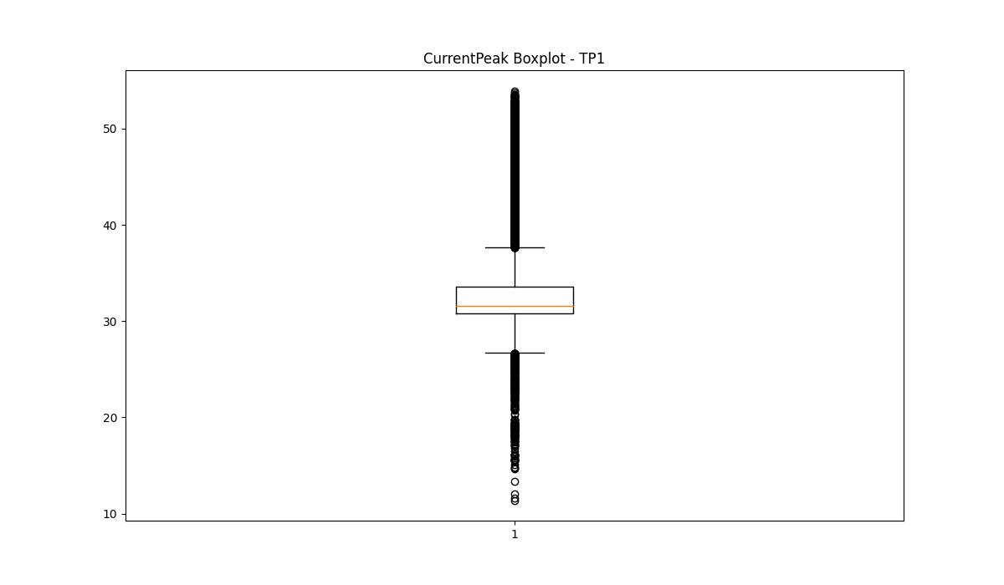
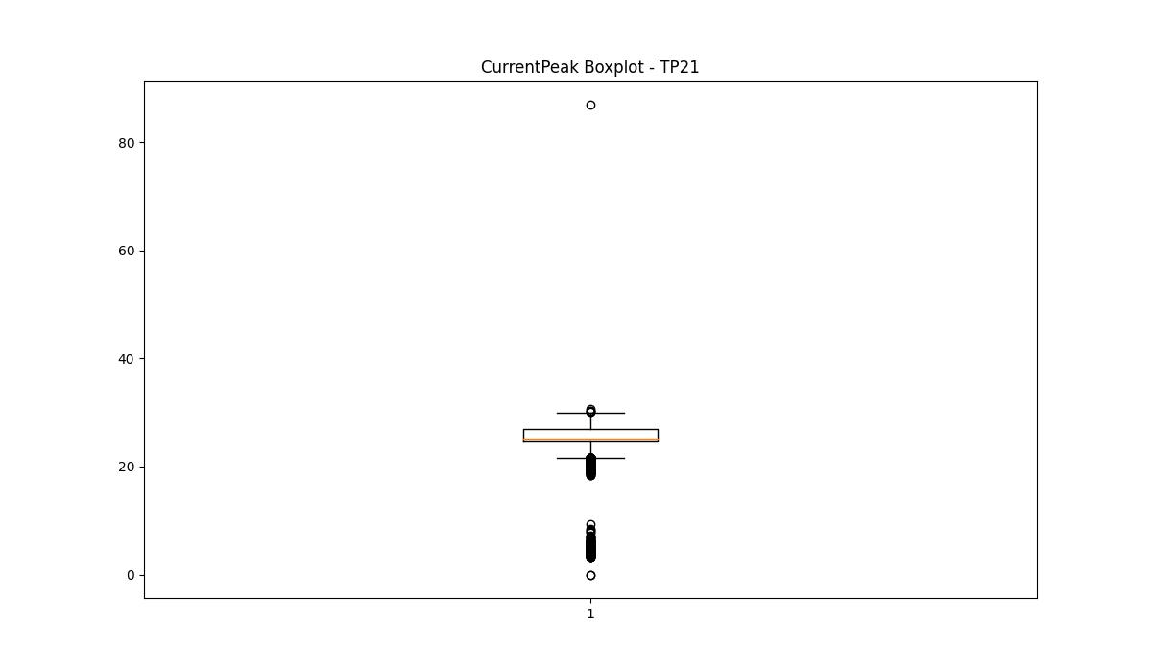
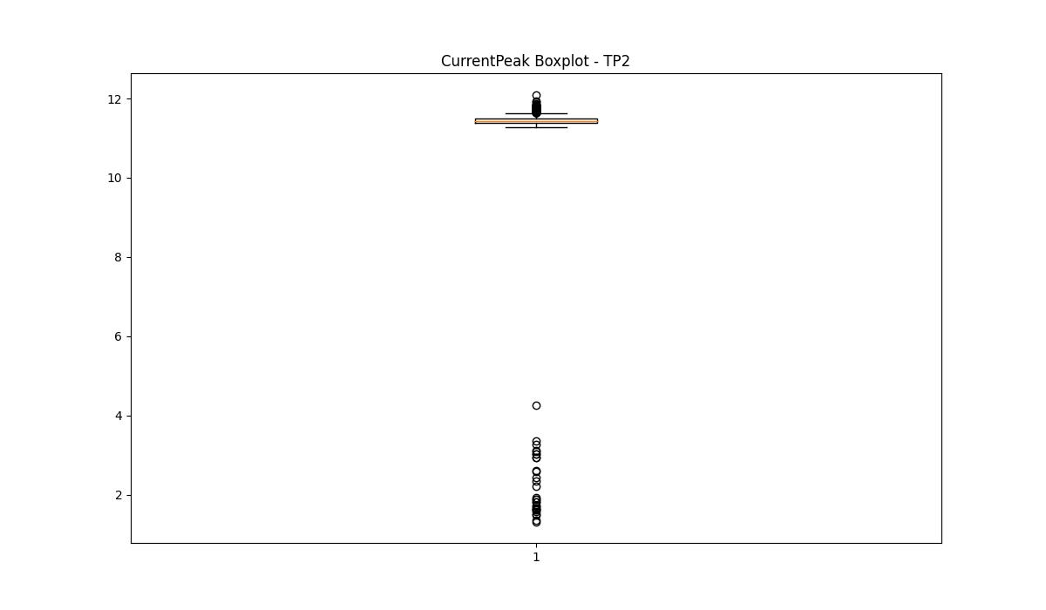

BOXPLOT SENZA OUTLIERS

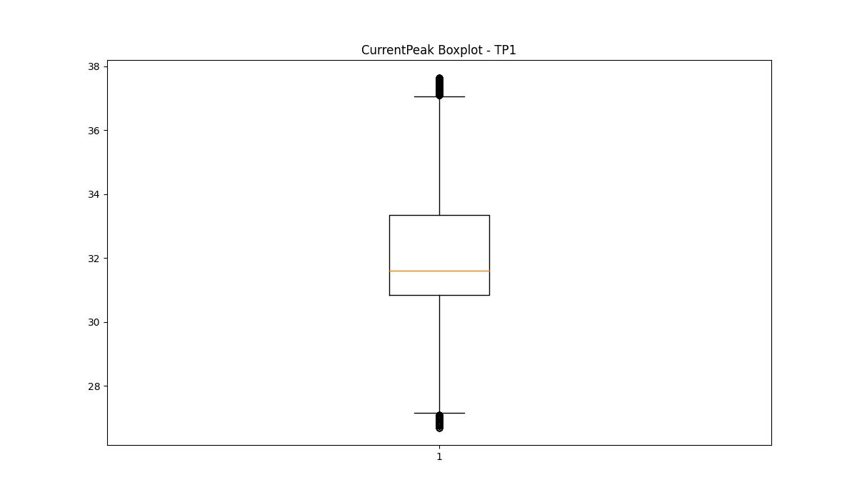
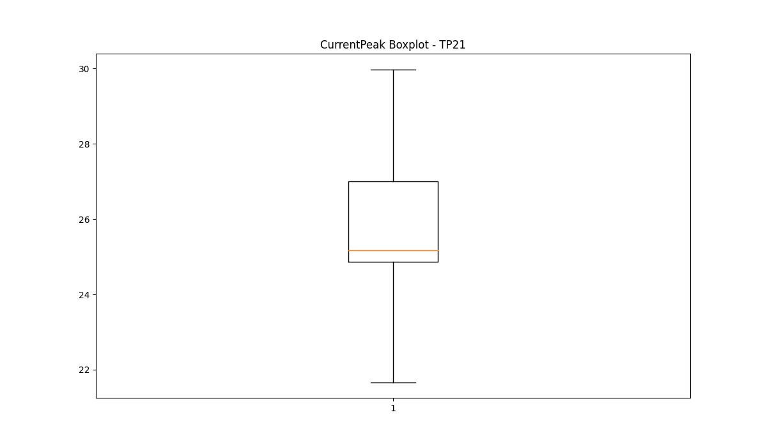
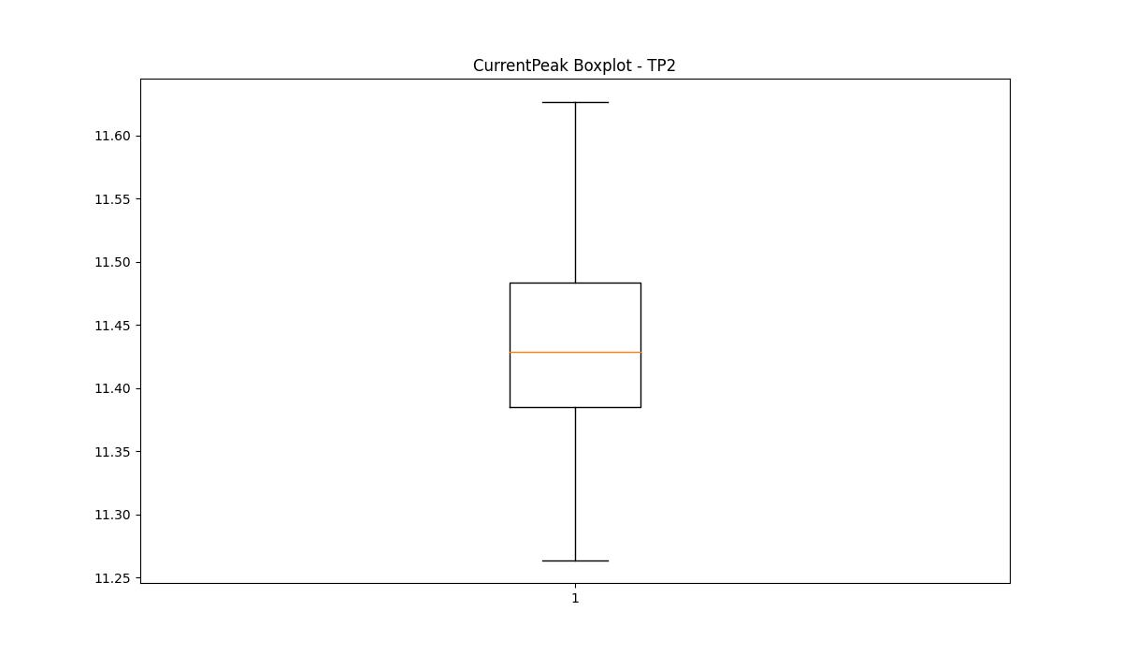

VibromPeak

numTP |  | 1 | 21 | 2
VibromPeak outliers |  | [1.4 1.7 1.8 2.1 1.9 1.6 2. 2.2 2.3 1.3 2.4 1.5 2.6 7.1 4.1 2.9 3.3 2.7 2.5 3.5 6. 3.1 2.8 3. 3.7 4.6 3.9 4.9 3.4 3.2 4.5 4.2 4. 4.4 3.6 6.1 5.2 5.1 5.3 5.4 5. 5.5 5.7 4.3 5.6 4.8 3.8 5.8 6.9 6.5 6.8 5.9 4.7 6.3 8. 6.6 7.8 6.2] | [17.2 12.5 11.2 13.7 11.3 11.5 10.7 11.6 10.8 10.6 12.1 11.1 11.4 12.9 11.9 11.7 12.3 11.8 12. 13.1 15.3 10.9 12.2 11. 13. 14.2 12.6 14. 12.4 14.3 14.5 14.8 16. 13.6 13.5 13.9 16.6 13.4 13.2 12.7 12.8 14.1 14.9 15.8 15. 13.3 14.6 16.4 14.7 15.4 17.1 15.1 17.6 13.8 16.299 18.7 16.7 15.2 20. 16.1 20.799 17.4 15.9 19.1 15.5 16.5 15.7 19. 20.6 19.6 17. 18.5 17.7 18.2 17.799 15.6 21.299 20.299 19.5 21.2 22.5 16.9 20.5 16.799 21.4 18.9 21.799 17.5 19.2 18. 14.4 16.2 19.7 23.299 17.9 21.1 19.299 18.4 18.6 18.1 17.299 30.6 18.299 18.799 19.799 20.2 20.9 19.9 19.4 20.4 21. 21.6 21.5 20.1 22.299 21.9 20.7 22. ]
upper_bound |  | 1.25 | 10.55
lower_bound |  | 0.05 | -5.05

statistiche con outliers: |  |  |  |  | statistiche senza outliers:
numTP |  | 1 | 21 | 2 | numTP |  | 1 | 21 | 2
VibromPeak | max | 8 | 30.6 | nan | VibromPeak | max | 1.2 | 10.5
 | min | 0.1 | 0.1 | nan |  | min | 0.1 | 0.1
 | avg | 0.68345101547 | 3.0388089879 | nan |  | avg | 0.64855449377 | 2.6978563722
 | median | 0.6 | 1.7 | nan |  | median | 0.6 | 1.6

BOXPLOT CON OUTLIERS
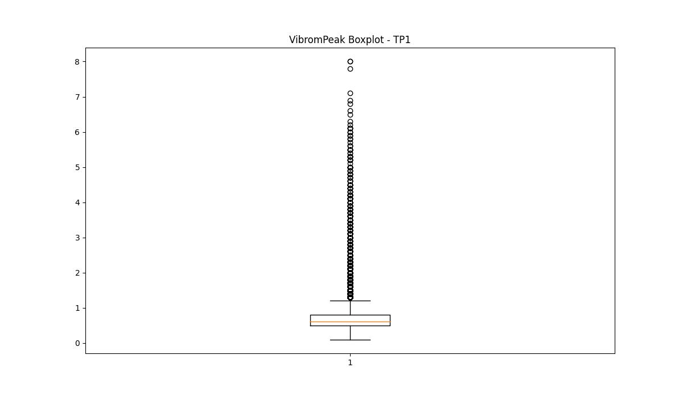
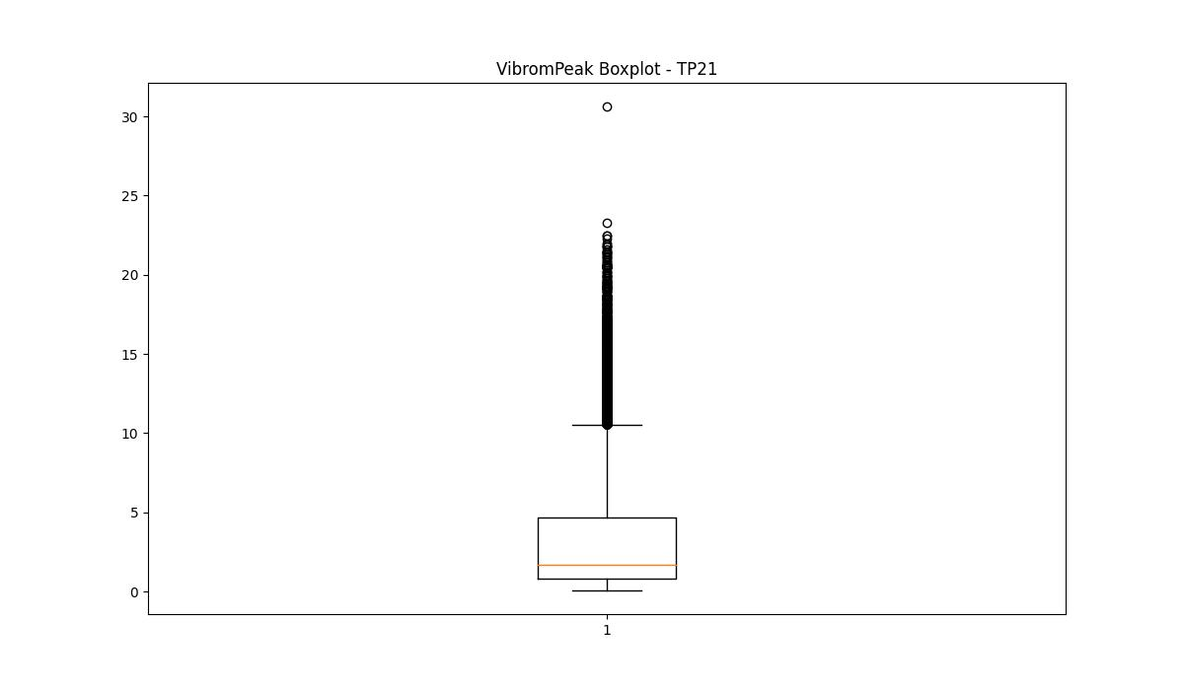
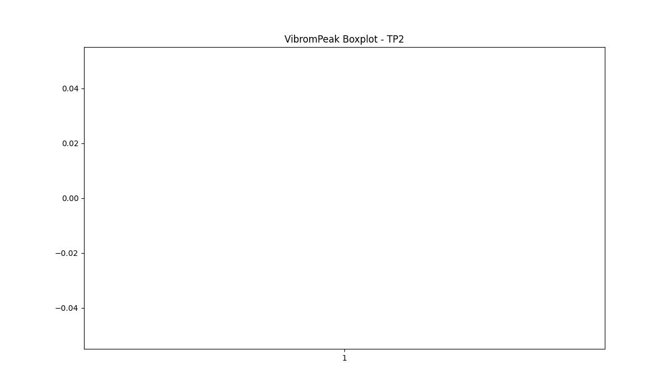

BOXPLOT SENZA OUTLIERS

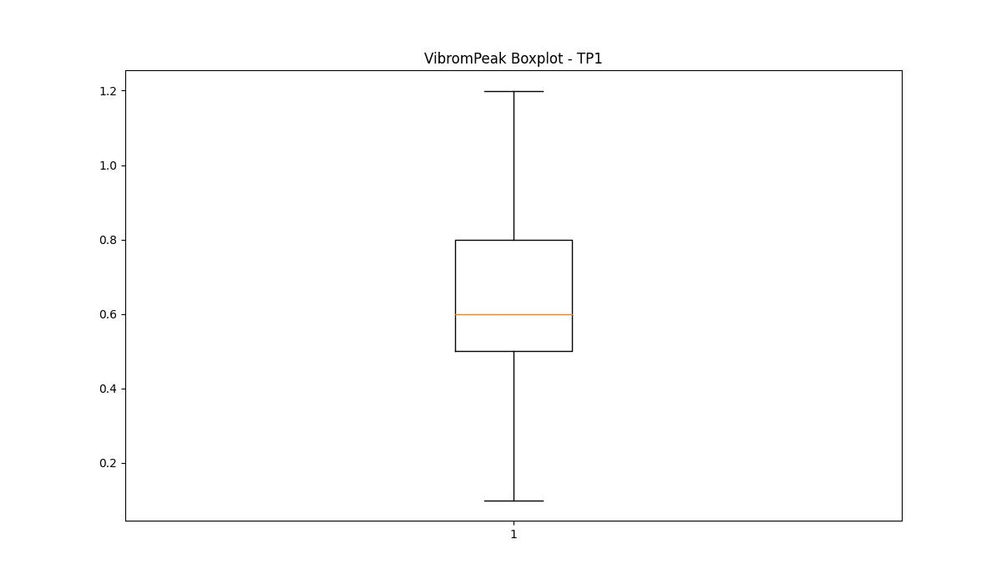
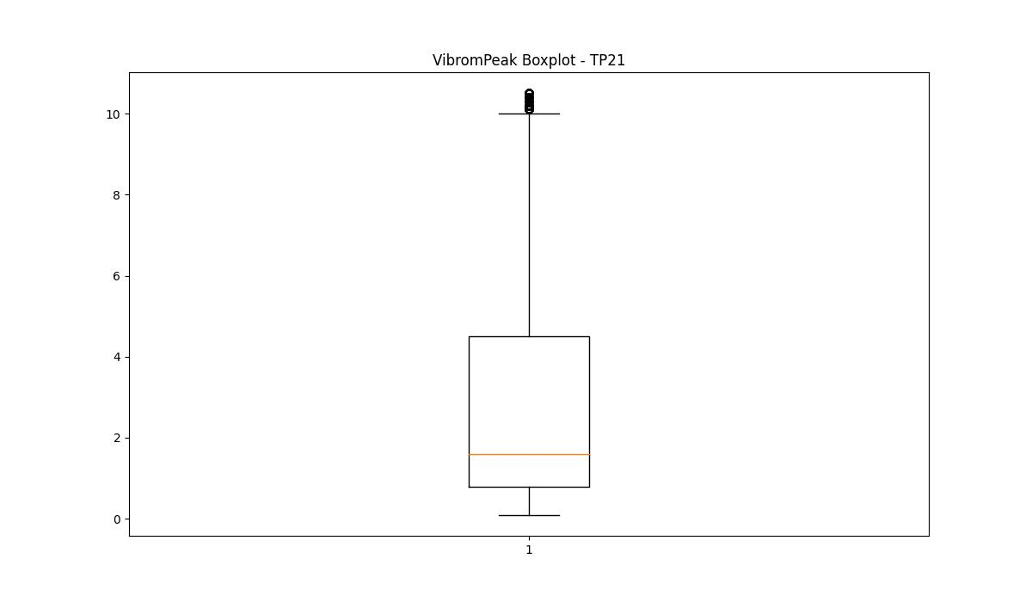

LUNG

numTP |  | 1 | 21 | 2
LUNG outliers |  | [] | [] | [85.3]
upper_bound |  | 386 | 329.75 | 71
lower_bound |  | -106 | -72.25 | 71

statistiche con outliers: |  |  |  |  | statistiche senza outliers:
numTP |  | 1 | 21 | 2 | numTP |  | 1 | 21 | 2
LUNG | max | 227.6 | 239 | 85.3 | LUNG | max | 227.6 | 239 | 71
 | min | 40 | 78 | 71 |  | min | 40 | 78 | 71
 | avg | 160.47787086 | 133.0215571 | 72.169075829 |  | avg | 160.47787086 | 133.0215571 | 71
 | median | 201.399 | 150.3 | 71 |  | median | 201.399 | 150.3 | 71

BOXPLOT CON OUTLIERS
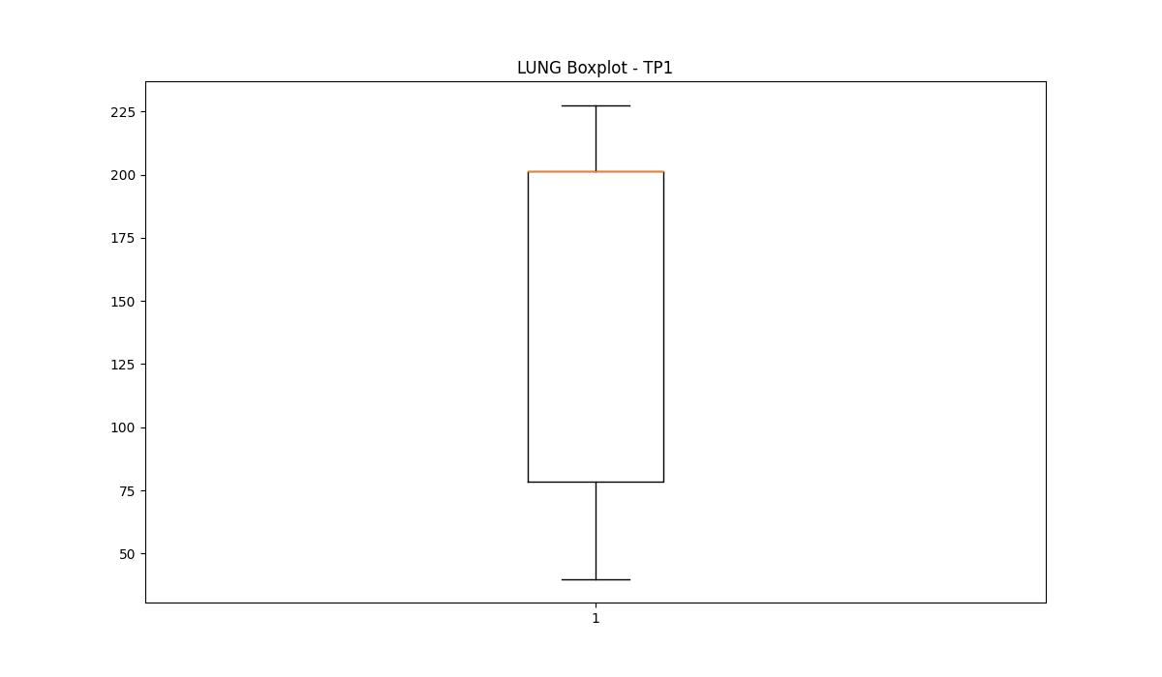
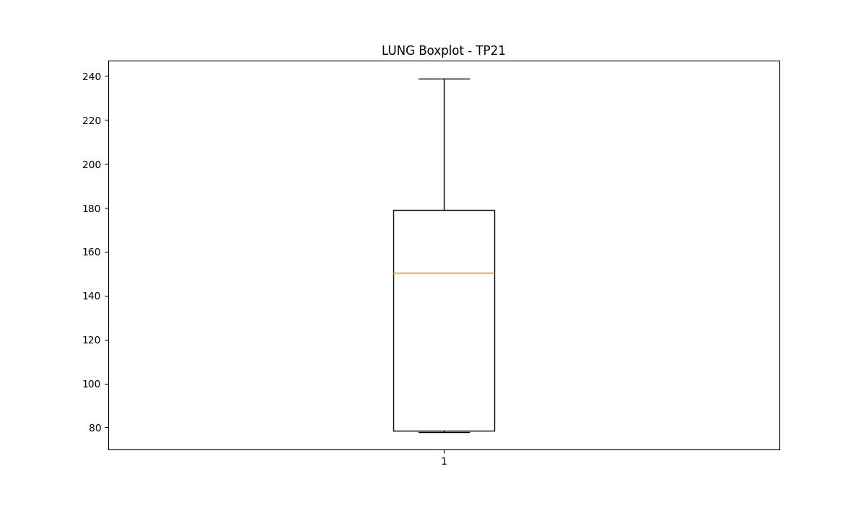
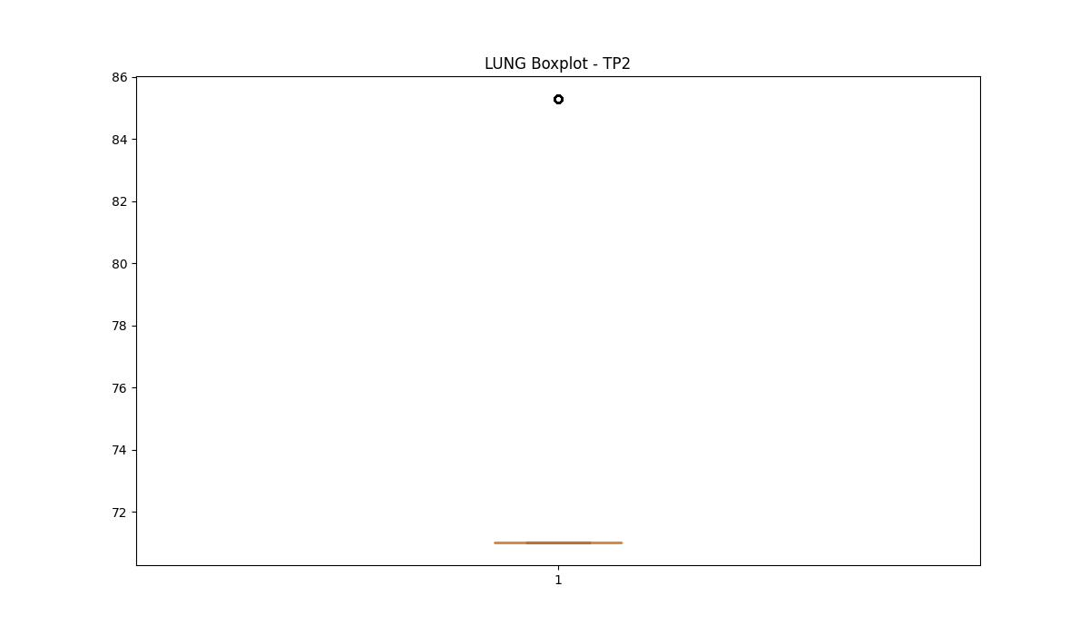

BOXPLOT SENZA OUTLIERS

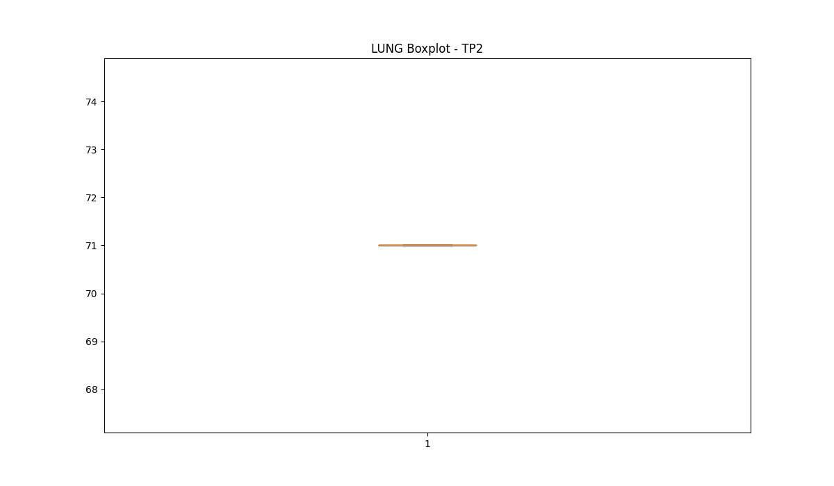

DIAM

numTP |  | 1 | 21 | 2
DIAM outliers |  | [ 10. 18.42 106.199 16. 116.239 5. 20. 2.8 140. 19.2 18.6 19.799 19.9 8. 100. 12. 6. 130. 106. 90.4 4.5 19.4 15.9 15.75 15.5 144. ] | [ 6. 80. 12. 16. 20. 2.8 350. 5. 70. 7. 10. 19.2 18.6 19.799 19.9 8. 106. 90.4 100. 15.9 15.75 15.5 ] | [12.]
upper_bound |  | 185 | 190 | 14
lower_bound |  | 145 | 110 | 14

statistiche con outliers: |  |  |  |  | statistiche senza outliers:
numTP |  | 1 | 21 | 2 | numTP |  | 1 | 21 | 2
DIAM | max | 180 | 350 | 14 | DIAM | max | 180 | 180 | 14
 | min | 2.8 | 2.8 | 12 |  | min | 145 | 130 | 14
 | avg | 159.09606921 | 158.73982505 | 13.836492891 |  | avg | 165.39971948 | 148.63738907 | 14
 | median | 170 | 145 | 14 |  | median | 170 | 145 | 14

BOXPLOT CON OUTLIERS
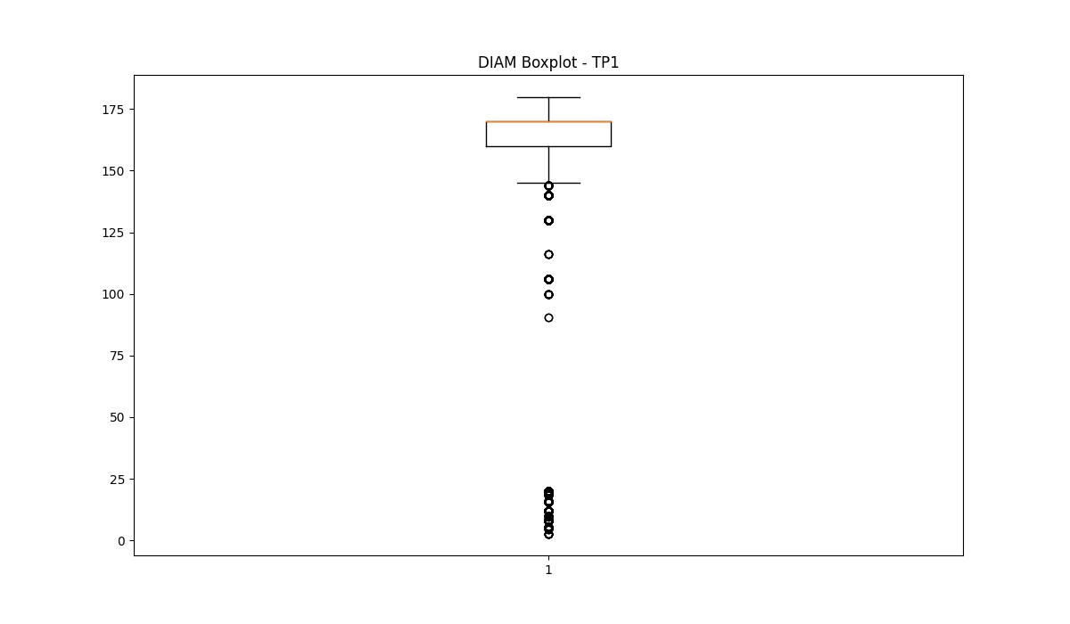
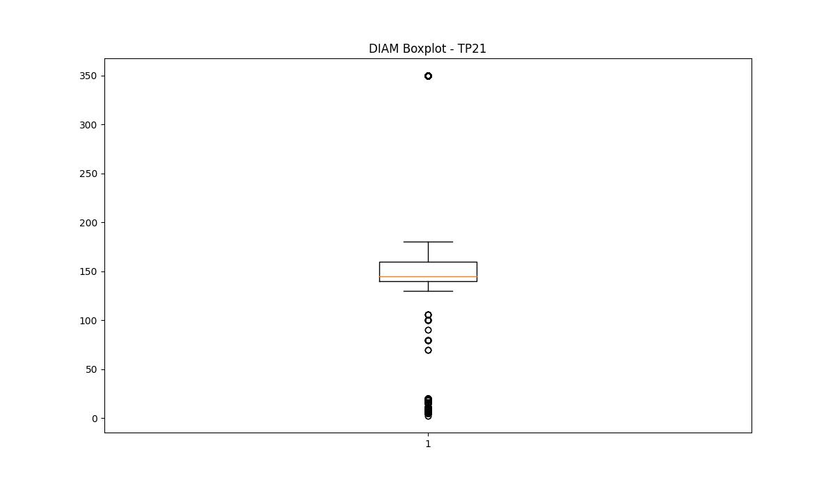
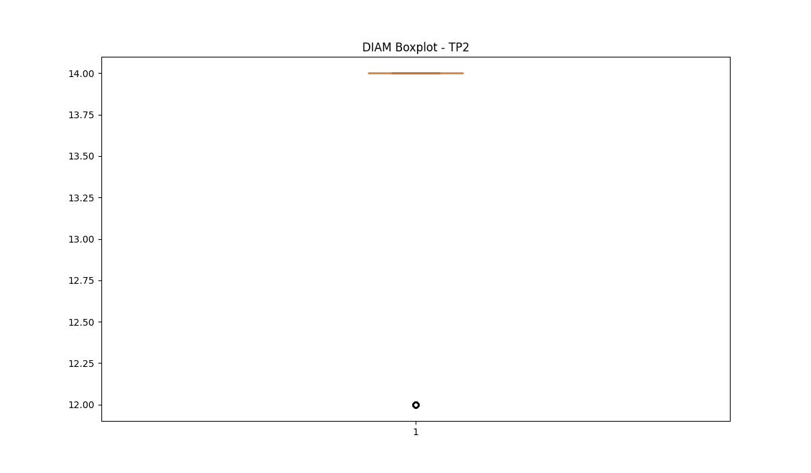

BOXPLOT SENZA OUTLIERS

