Sheet1
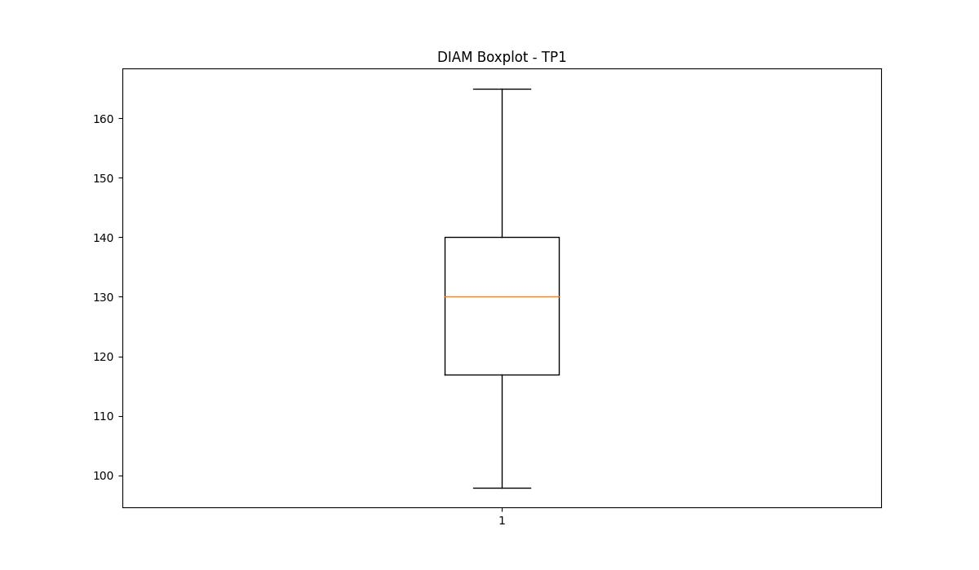
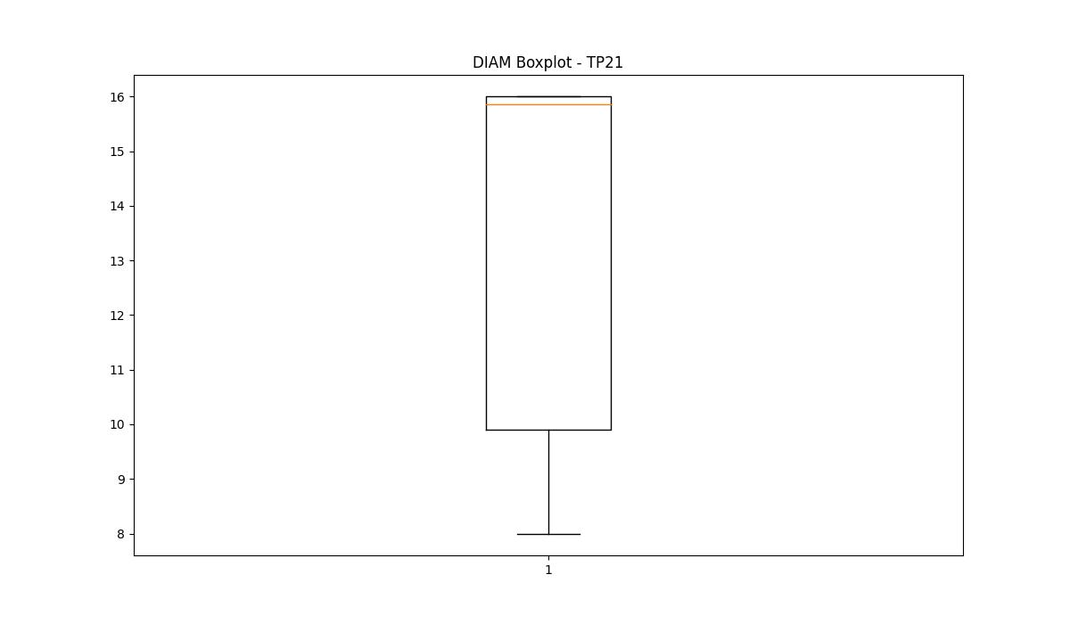
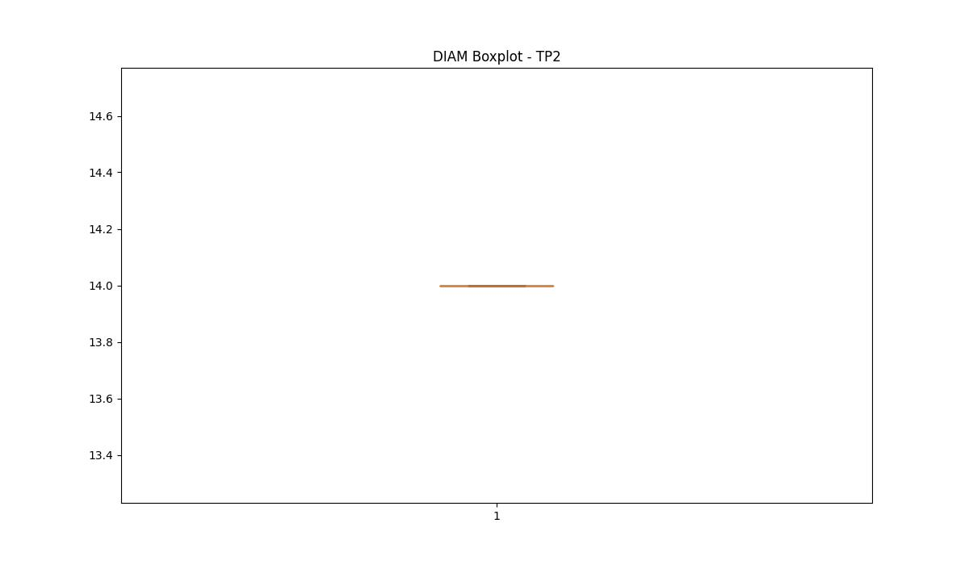
statorCelsius

numTP |  | 1 | 21 | 2
statorCelsius outliers |  | [26. 25. 20. 24. 22. 44. 45. 23. 21. 46. 18. 16. 14. 15. 17. 19. 13. 12. 47. 11.] | [35. 37. 34. 36. 33. 20. 38. 39. 19. 17. 18. 40. 14. 15. 13. 12.] | []
upper_bound |  | 43 | 32.5 | 0
lower_bound |  | 27 | 20.5 | 0

statistiche con outliers: |  |  |  |  | statistiche senza outliers:
numTP |  | 1 | 21 | 2 | numTP |  | 1 | 21 | 2
statorCelsius | max | 47 | 40 | 0 | statorCelsius | max | 43 | 32 | 0
 | min | 11 | 12 | 0 |  | min | 27 | 22 | 0
 | avg | 34.625483893 | 27.458613435 | 0 |  | avg | 34.750955876 | 26.188980243 | 0
 | median | 35 | 27 | 0 |  | median | 35 | 25 | 0

BOXPLOT CON OUTLIERS
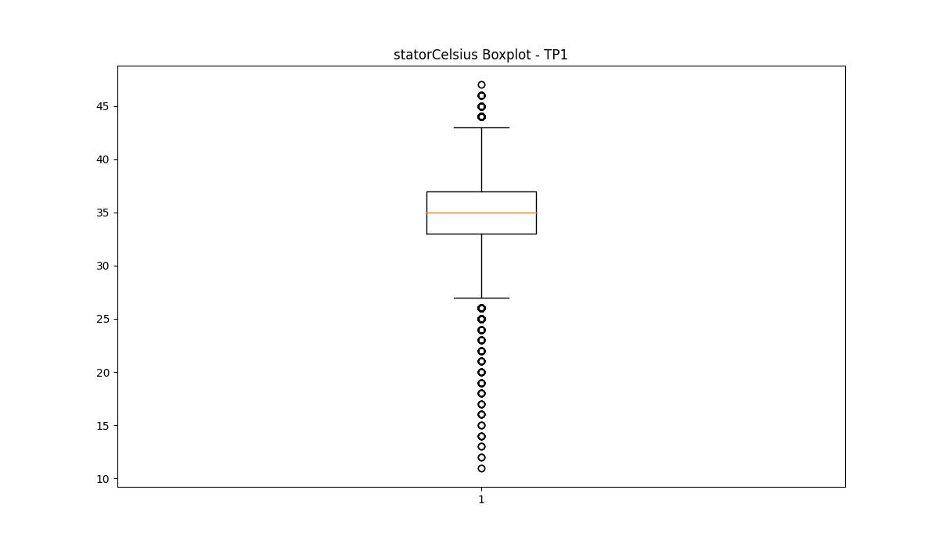
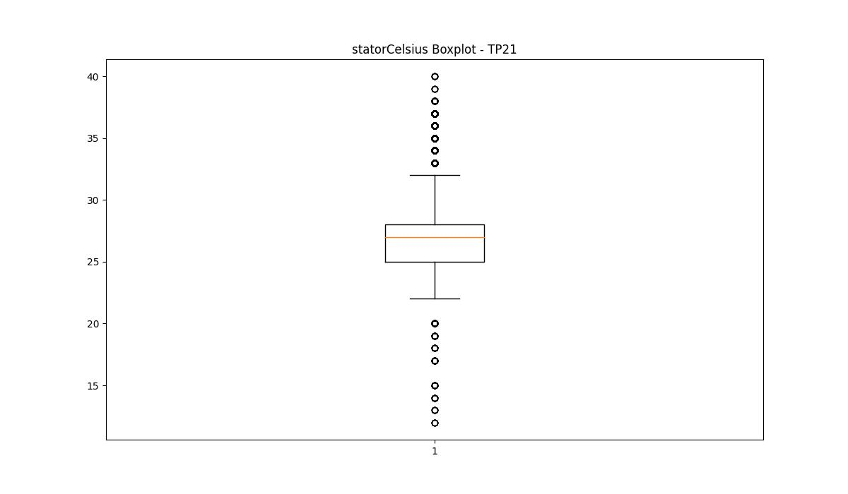
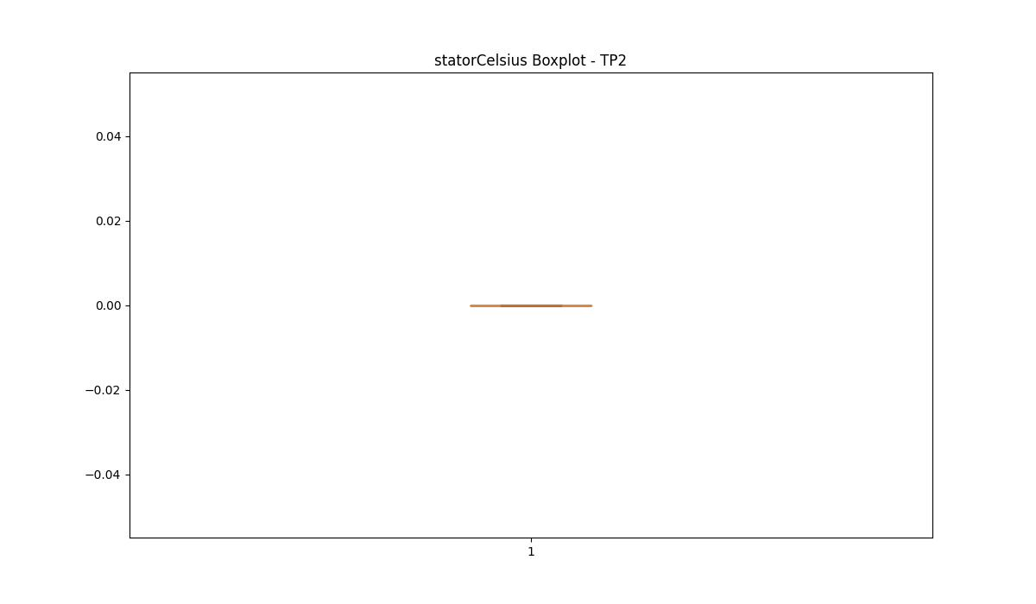

BOXPLOT SENZA OUTLIERS

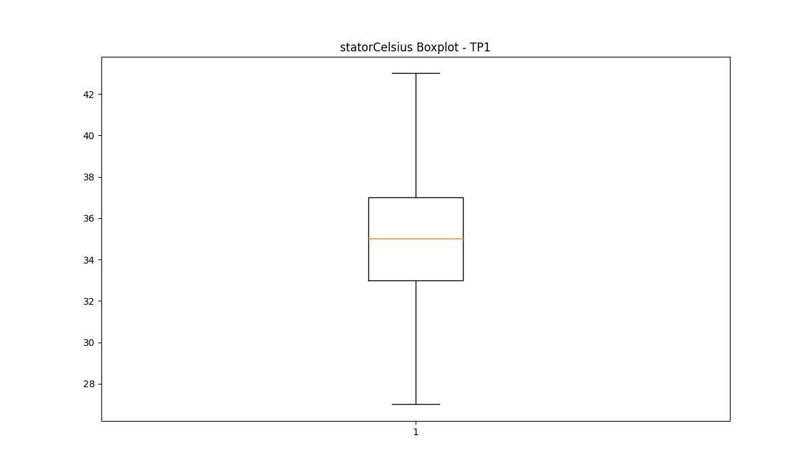
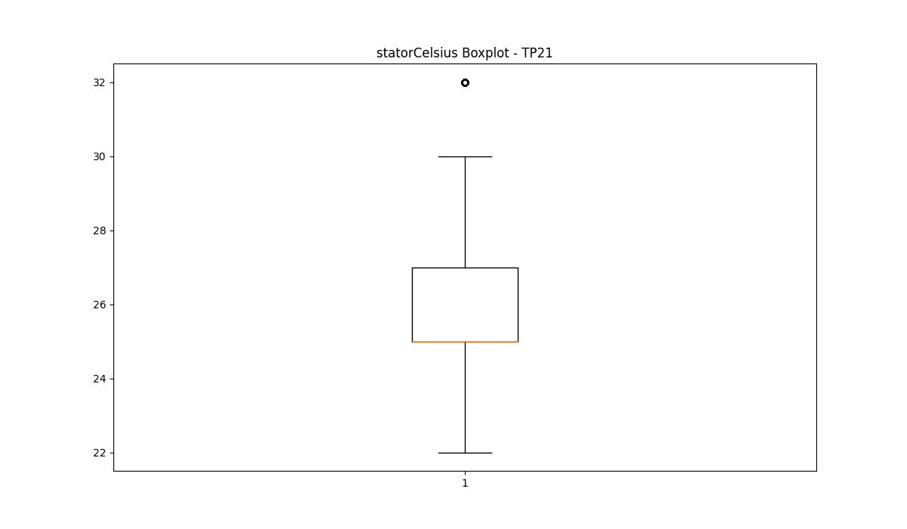

bearingsCelsius

numTP |  | 1 | 21 | 2
bearingsCelsius outliers |  | [18. 19. 20. 30. 31. 16. 17. 15. 14. 12. 13. 11. 10. 9.] | [33. 34. 20. 35. 19. 18. 17. 14. 15. 12. 13.] | []
upper_bound |  | 29 | 32.5 | 0
lower_bound |  | 21 | 20.5 | 0

statistiche con outliers: |  |  |  |  | statistiche senza outliers:
numTP |  | 1 | 21 | 2 | numTP |  | 1 | 21 | 2
bearingsCelsius | max | 31 | 35 | 0 | bearingsCelsius | max | 29 | 32 | 0
 | min | 9 | 12 | 0 |  | min | 21 | 22 | 0
 | avg | 24.870241434 | 26.87273567 | 0 |  | avg | 24.932524514 | 26.91099015 | 0
 | median | 25 | 27 | 0 |  | median | 25 | 27 | 0

BOXPLOT CON OUTLIERS
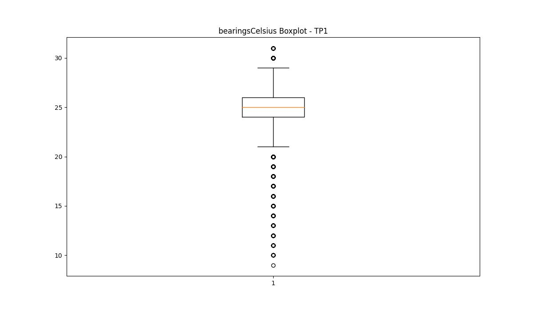
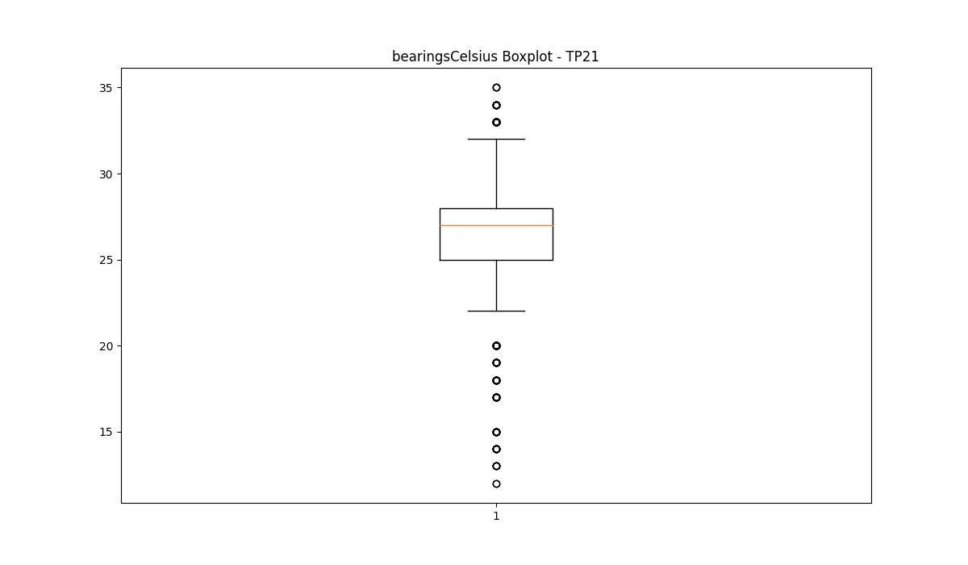
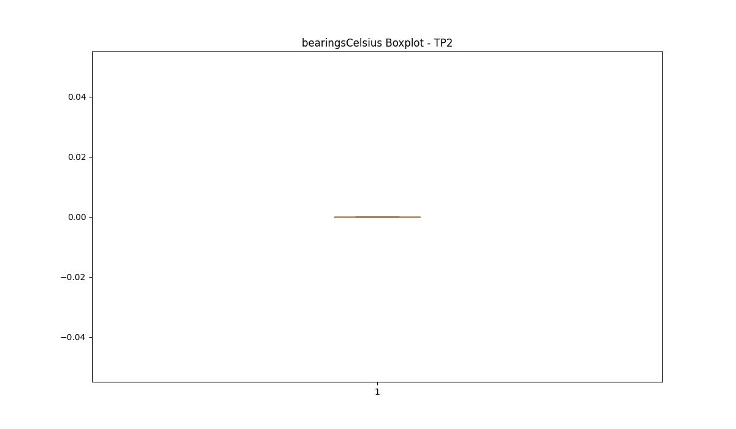

BOXPLOT SENZA OUTLIERS

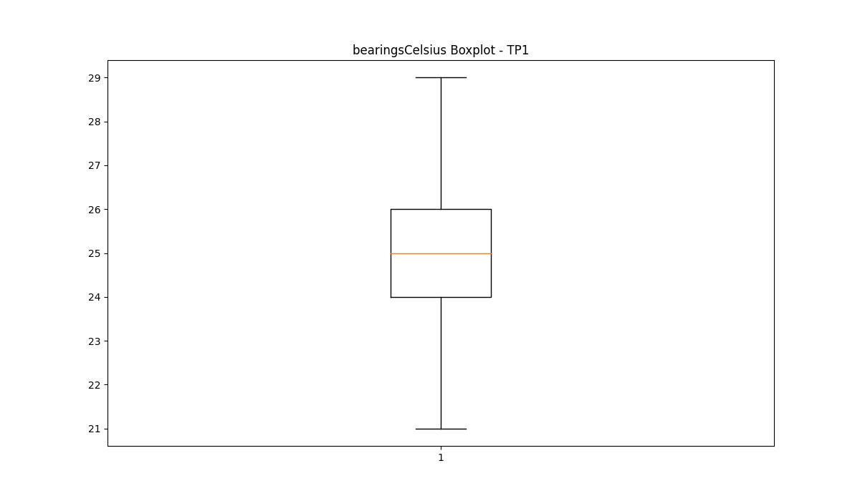
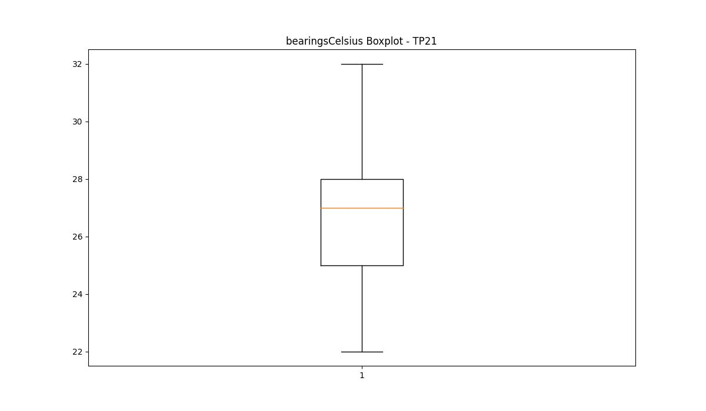

spindleRpm

numTP |  | 1 | 21 | 2
spindleRpm outliers |  | [12355. 12246. 12188. 12169. 12336. 12202. 12171. 12367. 12186. 12239. 12159. 12248. 12326. 11504. 11795. 12173. 12250. 12357. 12370. 12122. 12192. 12261. 12198. 12189. 12213. 12325. 12210. 12209. 12341. 12266. 12190. 11639. 12181. 11695. 12196. 12280. 12253. 11707. 12265. 12219. 12258. 12167. 12347. 12223. 12174. 12322. 12294. 12298. 12245. 12259. 12168. 12199. 12180. 12182. 12179. 12083. 12346. 12193. 12337. 12187. 12157. 12150. 12242. 12263. 12361. 12197. 12356. 12147. 12284. 12338. 11706. 12262. 12183. 12334. 11532. 12099. 12212. 12205. 12256. 12109. 12324. 12273. 12391. 12163. 12352. 12438. 12339. 11674. 11598. 12406. 12235. 12345. 12229. 11603. 12207. 12228. 12238. 12313. 12365. 12200. 12170. 12314. 12281. 12329. 12323. 12377. 12176. 11779. 11538. 11780. 11694. 11593. 11739. 11699. 12194. 12271. 12070. 12363. 12358. 12203. 12282. 12340. 12102. 11406. 12374. 12320. 12350. 12201. 12134. 12330. 12264. 12293. 12286. 11559. 11517. 12268. 11549. 11600. 11502. 12224. 12257. 12195. 12254. 12274. 12216. 12172. 11721. 11698. 12321. 11633. 12149. 12354. 12359. 12335. 12145. 12385. 12097. 12116. 12162. 12240. 12088. 11727. 11645. 11787. 11745. 11617. 12301. 12316. 11713. 11408. 11778. 11733. 11782. 11577. 12237. 12260. 12226. 12131. 12333. 12191. 12110. 12278. 12375. 12092. 11701. 12161. 11714. 12378. 12164. 11606. 12351. 11544. 12139. 12270. 11750. 12081. 11776. 12185. 12319. 12227. 12387. 11490. 12327. 12360. 12267. 12166. 12151. 12206. 12221. 12184. 12154. 12332. 11440. 11638. 12342. 11583. 12178. 11720. 11746. 11602. 12208. 12218. 12331. 12231. 12285. 11594. 12353. 12255. 11722. 12204. 11781. 12372. 12230. 12283. 12272. 11704. 12165. 12252. 12295. 12160. 11509. 11668. 12251. 12175. 12349. 12234. 12247. 12222. 11580. 12114. 11551. 12233. 11770. 11543. 12091. 12214. 11605. 12344. 11546. 11711. 12277. 12138. 12276. 11515. 12126. 12241. 12292. 12309. 12152. 12249. 12297. 12225. 12112. 12121. 11102. 11683. 11675. 11495. | [] | []
upper_bound |  | 11090.5 | 25553.5 | 0
lower_bound |  | 7430.5 | 1261.5 | 0

statistiche con outliers: |  |  |  |  | statistiche senza outliers:
numTP |  | 1 | 21 | 2 | numTP |  | 1 | 21 | 2
spindleRpm | max | 12473 | 16933 | 0 | spindleRpm | max | 11083 | 16933 | 0
 | min | 0 | 3820 | 0 |  | min | 7550 | 3820 | 0
 | avg | 9371.9535189 | 12424.546518 | 0 |  | avg | 9198.6913634 | 12424.546518 | 0
 | median | 9265 | 14759 | 0 |  | median | 9221 | 14759 | 0

BOXPLOT CON OUTLIERS
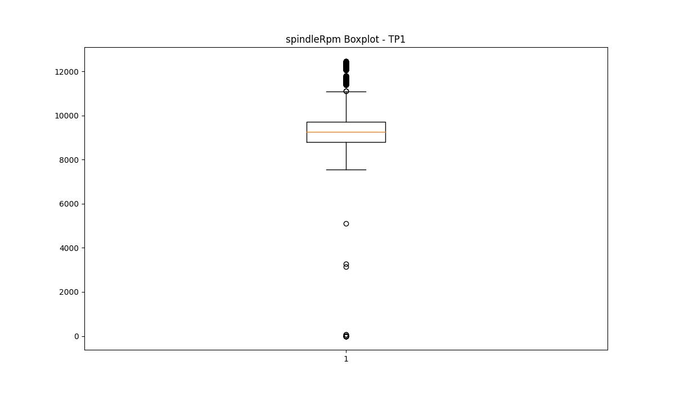
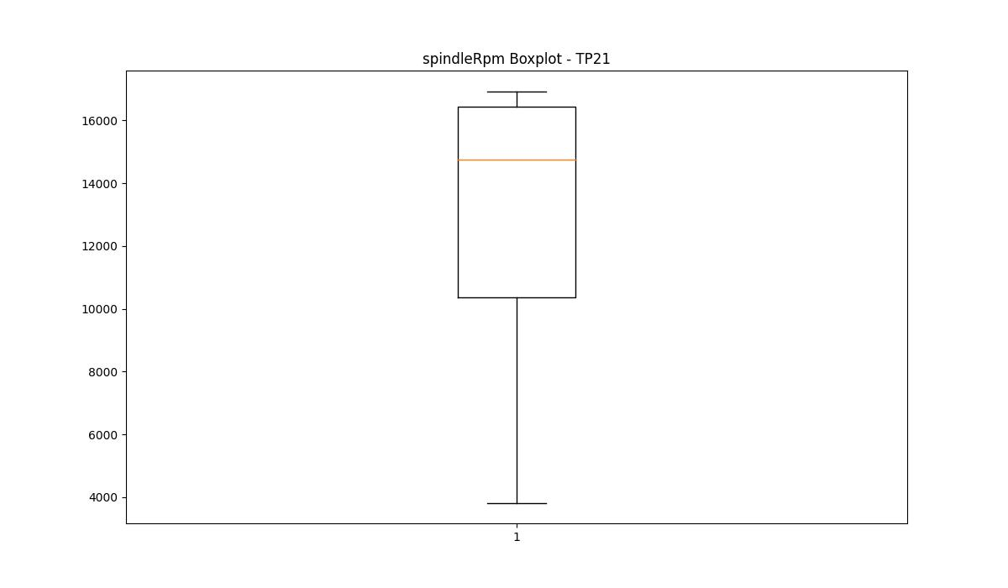


BOXPLOT SENZA OUTLIERS

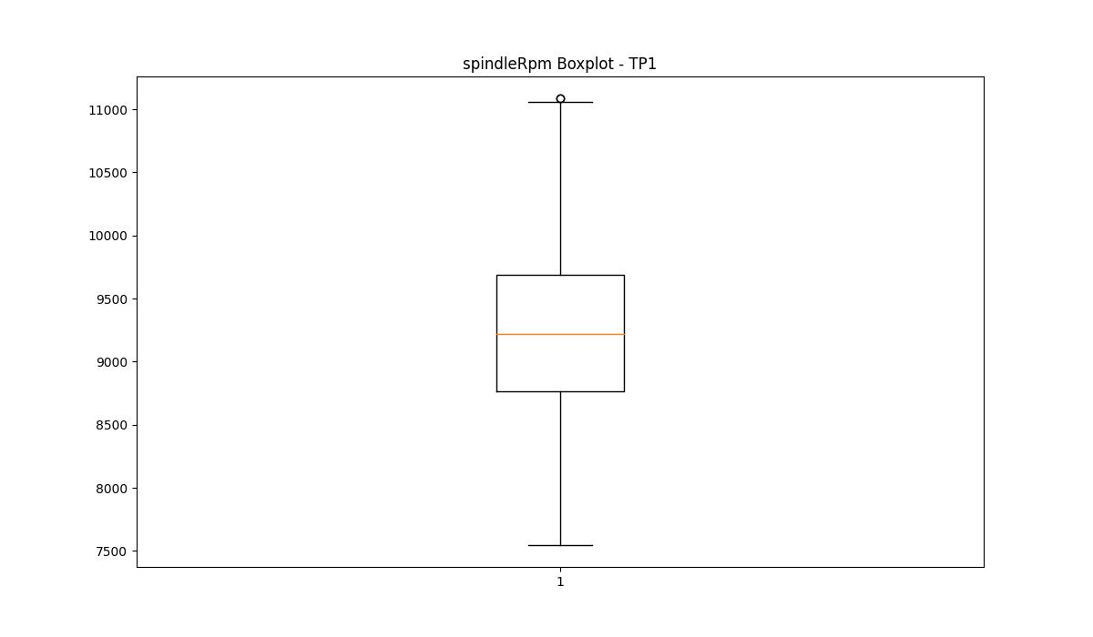

rpmSetPoint

numTP |  | 1 | 21 | 2
rpmSetPoint outliers |  | [13300. 12500.] | [] | []
upper_bound |  | 12000 | 27750 | 5000
lower_bound |  | 8000 | 1750 | 5000

statistiche con outliers: |  |  |  |  | statistiche senza outliers:
numTP |  | 1 | 21 | 2 | numTP |  | 1 | 21 | 2
rpmSetPoint | max | 13300 | 18000 | 5000 | rpmSetPoint | max | 11800 | 18000 | 5000
 | min | 8300 | 5000 | 5000 |  | min | 8300 | 5000 | 5000
 | avg | 10103.129745 | 13533.098989 | 5000 |  | avg | 9908.5555588 | 13533.098989 | 5000
 | median | 10000 | 16000 | 5000 |  | median | 10000 | 16000 | 5000

BOXPLOT CON OUTLIERS
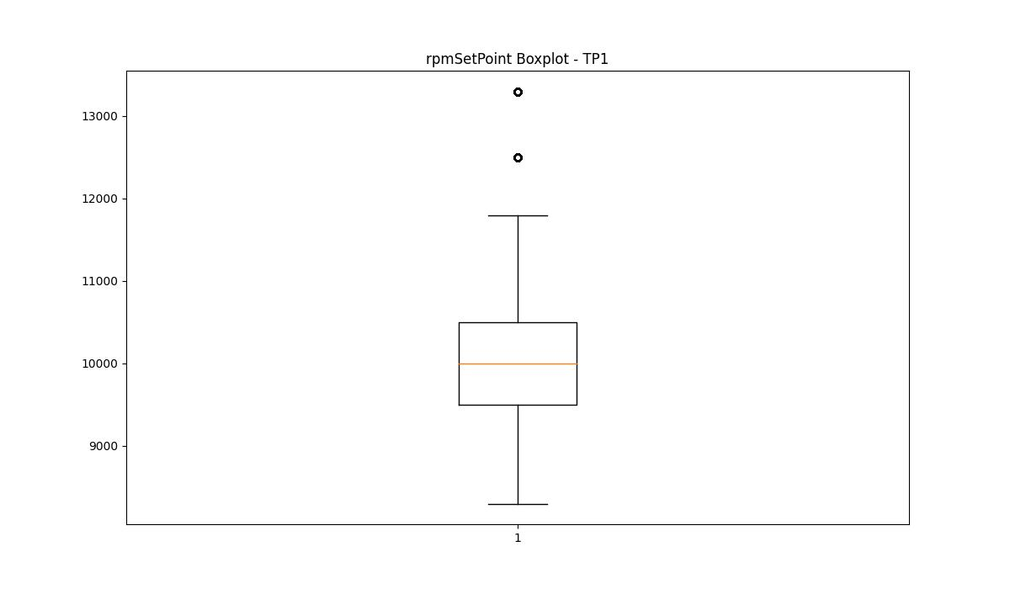
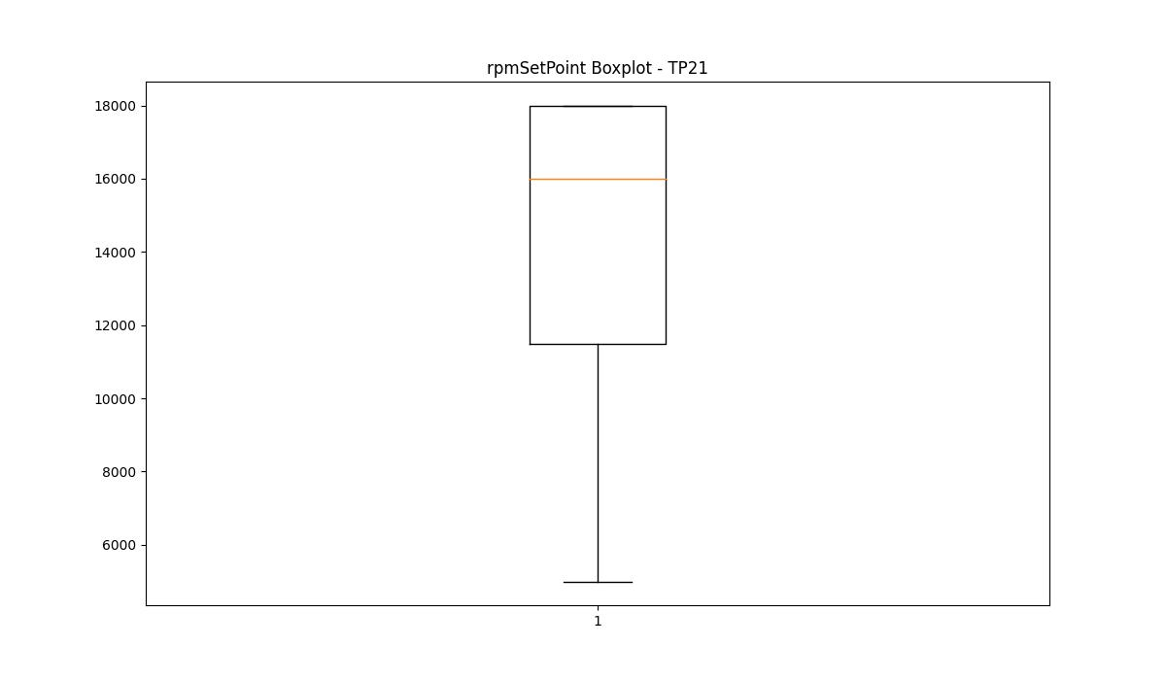


BOXPLOT SENZA OUTLIERS

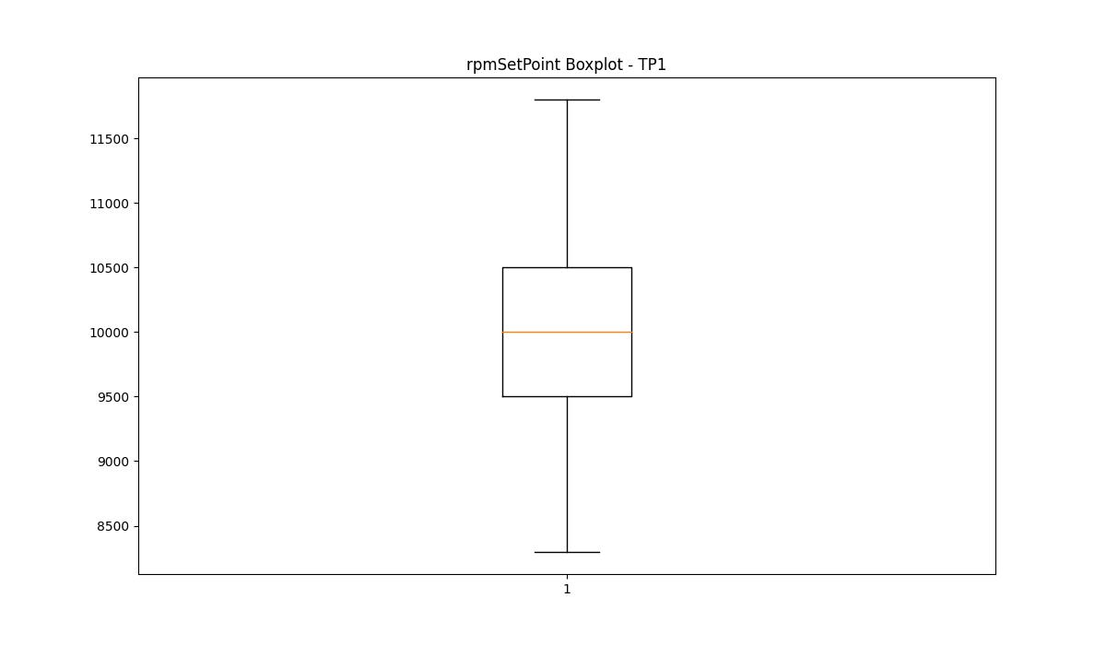

CurrentPeak

numTP |  | 1 | 21 | 2
CurrentPeak outliers |  | [50.299 51.45 28. 27.049 48.299 40. 45.549 42.349 46.549 42.2 48.849 48.5 38.95 47.65 38.15 38.7 43.5 47.849 43.75 41.799 39.099 45.5 41.65 42.65 47.349 44.5 40.2 49. 40.799 40.15 41. 41.45 40.7 51.849 46.099 42.45 41.349 39.7 49.049 45.849 37.95 49.799 39.299 49.65 50.599 39.2 50.95 28.049 48.9 43.299 27.799 27.35 48.799 27.25 45.95 27.549 27.75 39.5 51.7 27.1 50.349 38.549 27.299 47.299 28.15 48.4 41.5 27.5 39.849 27.7 45.299 50.5 26.95 44. 27.4 41.95 48.549 51.299 28.1 27.6 39.25 43.15 40.549 49.299 49.2 27.2 28.299 41.15 44.7 50.25 39.799 41.4 37.9 46.15 46.25 40.65 40.9 47.2 40.95 48.049 46.049 50.849 44.75 47.7 40.45 47.099 45.25 45.75 43.049 38.049 51.099 42.049 42.299 38.9 43.4 42.599 46.7 47.049 44.95 43.65 27.45 38.4 43.099 26.85 39. 42.849 49.549 45.4 39.349 46.349 41.299 41.9 38. 47.15 43.849 48.95 27.85 40.049 45.099 40.4 44.599 39.65 44.099 38.299 46.2 27.95 27.15 27. 39.549 28.4 27.9 51.2 48.7 26.6 40.299 49.849 40.099 41.549 41.25 47.4 44.299 41.099 39.75 47.5 43.95 43.45 40.75 47.9 43.2 27.65 28.25 52.2 47.25 38.349 49.25 46.849 42.9 40.349 43.799 46.5 42.799 50.099 39.45 47.95 51.599 45.349 40.25 41.599 46.95 51.95 45.049 51. 39.4 26.7 38.65 26.75 46.65 38.099 26.799 45.599 40.5 44.15 45.7 50.549 49.45 49.4 38.799 48. 47.75 38.75 42.4 48.75 39.15 48.2 26.65 43.25 44.25 26.9 48.45 43.349 44.049 38.45 51.349 38.2 46.9 47. 38.5 43.7 44.549 50.7 38.25 48.65 46.4 50. 41.75 38.599 42.75 44.45 39.9 46. 49.15 49.75 48.599 39.049 46.75 26.549 26.45 47.549 51.799 26.2 45.799 39.599 40.599 52.299 49.599 28.35 28.6 42.95 48.15 49.9 52. 42.15 50.4 41.7 44.849 39.95 46.45 26.5 45.45 42. 48.349 42.7 49.5 45. 46.299 26.35 43.549 44.4 46.799 43. 48.099 41.049 50.799 | [23.528 21.638 20.955 22.878 21.483 23.188 20.708 21.358 23.497 20.739 19.809 19.653 21.917 22.195 23.622 20.025 22.226 20.801 21.886 19.53 20.646 22.041 22.723 20.863 22.289 23.746 19.716 23.684 21.421 20.118 21.514 19.591 21.545 19.933 23.281 22.754 21.855 21.792 23.157 22.691 22.351 20.274 23.25 19.561 19.003 21.018 21.761 23.559 19.499 25.636 22.103 21.327 21.576 19.282 22.847 20.677 20.181 22.072 23.374 25.823 20.552 19.313 20.056 22.475 19.778 21.452 22.444 21.731 22.94 22.134 21.266 21.948 19.375 21.142 19.25 19.84 20.429 21.389 20.893 19.344 21.08 21.204 23.343 18.693 21.607 23.777 22.413 22.66 21.979 21.823 23.466 22.537 19.034 22.382 25.606 19.622 21.297 22.599 23.591 22.816 23.312 22.165 22.01 23.436 20.49 23.653 19.902 20.305 23.715 22.785 21.049 22.506 21.7 20.987 20.398 20.924 21.235 22.971 25.854 19.871 25.885 25.575 20.832 19.406 19.747 23.405 20.584 20.367 19.995 21.173 23.033 23.063 20.243 19.127 22.568 22.629 22.909 20.087 25.792 19.158 22.32 20.15 22.257 20.615 23.094 19.188 19.219 23.002 23.125 20.459 20.77 18.879 18.754 20.336 19.964 25.73 21.669 18.91 23.219 19.437 21.111 19.468 20.521 19.684 18.941 19.096 18.476 20.212] | [6.76 3.31 3.33 3.45 3.55 6.7 6.78 3.59 3.74 6.85 6.93 6.89 6.8 4.31 4.11 3.68 6.83 6.74 6.72 4.19 3.78 3.94 3.47 3.8 3.9 3.39 3.43 3.66 3.27 3.35 6.97 6.87 4.33 6.95 3.51 3.88 3.98 3.82 3.92 4.56 4.25 3.61 4.13 3.72 4.27 3.64 6.99 3.29 4.02 3.84 4.29 4.45 3.7 3.86 3.49 3.57 4. 4.6 4.72 3.76 3.53 7.01 3.96 4.23 4.06 4.08 3.37 3.41 7.17 6.91 4.15 4.37 7.05 4.21 4.58 4.17 4.53 4.39 4.8 4.04 4.43 4.41 3.25]
upper_bound |  | 37.8515 | 25.544 | 6.695
lower_bound |  | 28.6475 | 23.808 | 6.015

statistiche con outliers: |  |  |  |  | statistiche senza outliers:
numTP |  | 1 | 21 | 2 | numTP |  | 1 | 21 | 2
CurrentPeak | max | 70.3 | 25.885 | 7.17 | CurrentPeak | max | 37.849 | 25.544 | 6.68
 | min | 0 | 18.476 | 3.25 |  | min | 28.65 | 23.808 | 6.03
 | avg | 33.499537255 | 24.408788372 | 6.2907310736 |  | avg | 33.156942928 | 24.737173346 | 6.3626810382
 | median | 33.15 | 24.676 | 6.33 |  | median | 33.099 | 24.799 | 6.33

BOXPLOT CON OUTLIERS
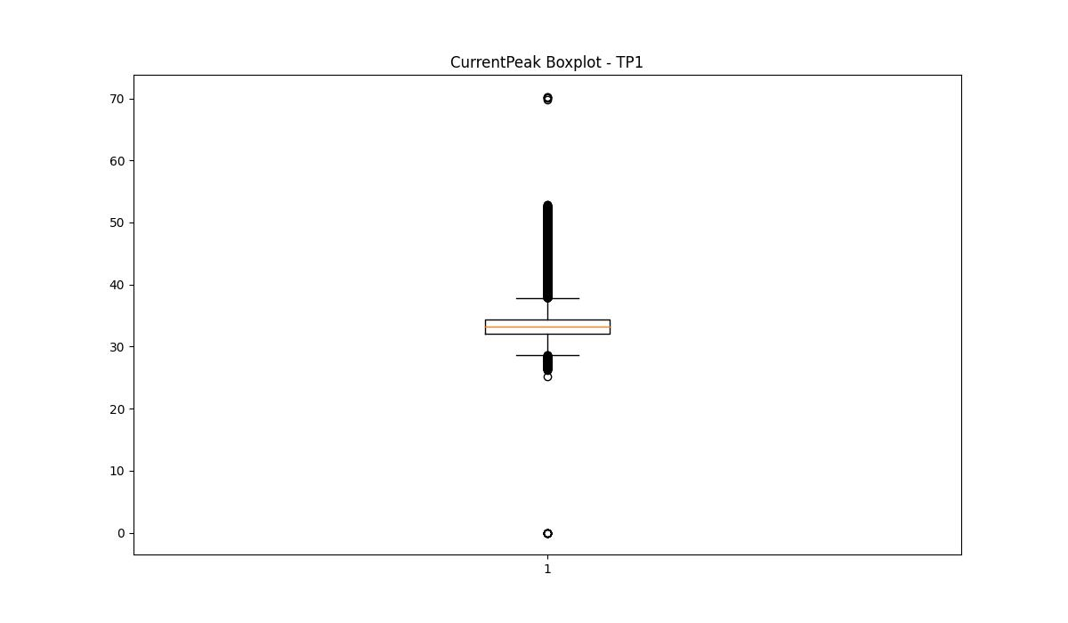
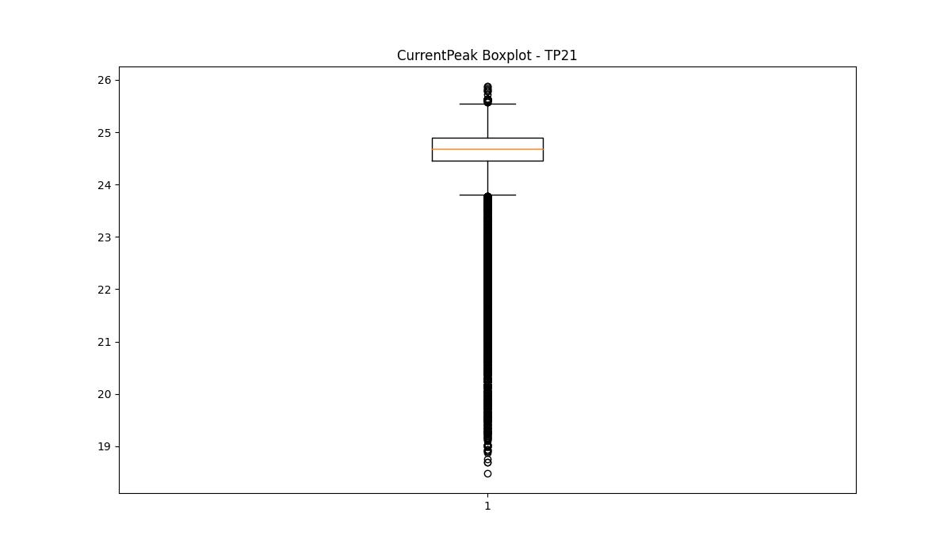
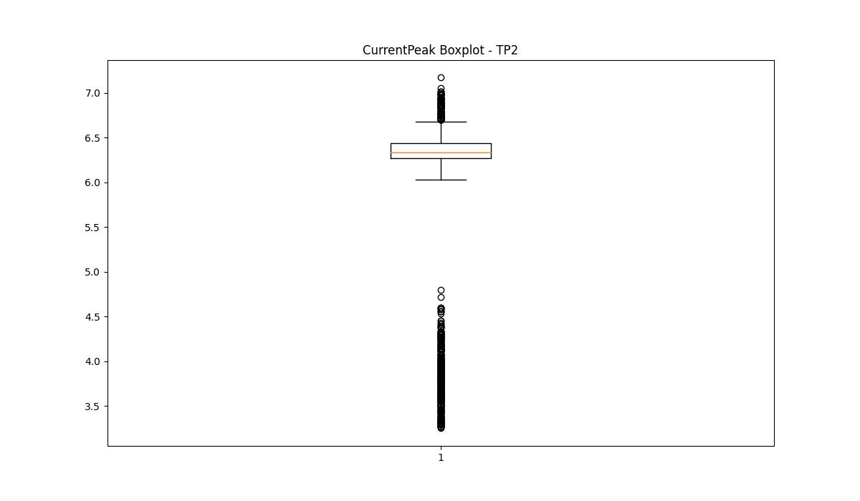

BOXPLOT SENZA OUTLIERS

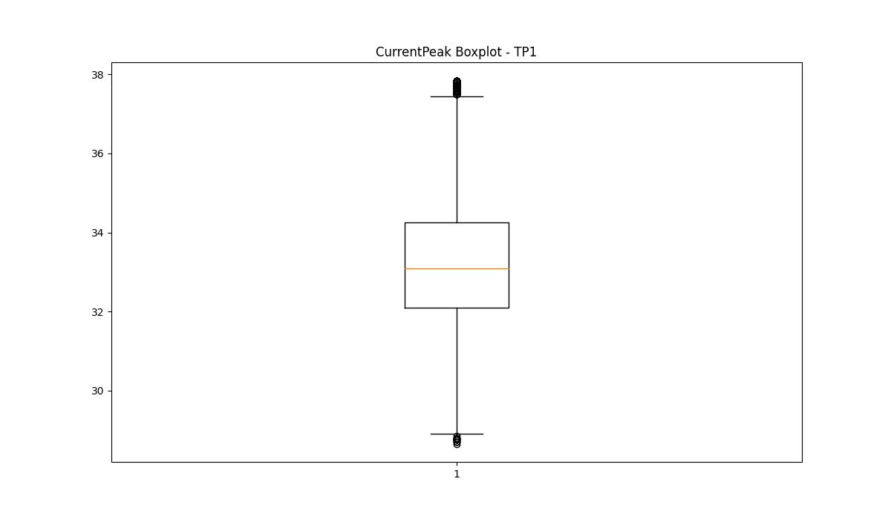
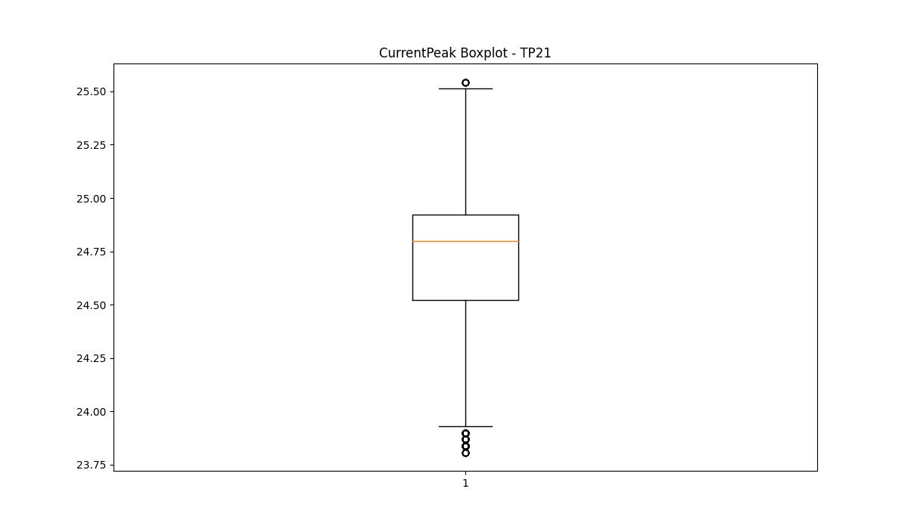
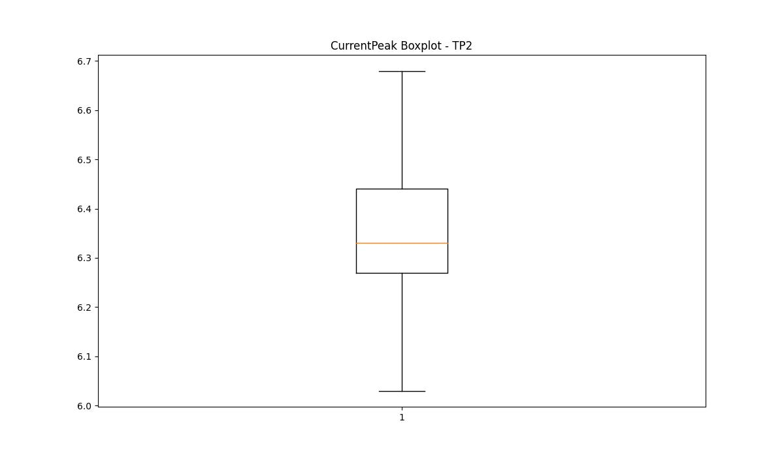

VibromPeak

numTP |  | 1 | 21 | 2
VibromPeak outliers |  | [1.5 1.3 0.9 1. 1.1 1.6 1.4 1.2 1.9 2.2 1.7 2.3 2.6 1.8 2.9 2.1 2.4 2. 2.7 2.8 2.5 4. 3. 3.1 3.2 3.3 3.4 0.1 6.2 4.7 6.3 5.3 3.9 6.1] | [4.9 4.2 4.3 4.1 3.9 4.4 4. 3.8 4.5 4.7 3.7 4.6 3.6 5.3 4.8 5.1 5. 5.8 6. 5.9 6.2 6.1 5.7 5.4 5.6 5.2 5.5]
upper_bound |  | 0.9 | 3.5
lower_bound |  | 0.1 | -1.3

statistiche con outliers: |  |  |  |  | statistiche senza outliers:
numTP |  | 1 | 21 | 2 | numTP |  | 1 | 21 | 2
VibromPeak | max | 6.3 | 6.2 | nan | VibromPeak | max | 0.8 | 3.5
 | min | 0.1 | 0.1 | nan |  | min | 0.2 | 0.1
 | avg | 0.53936247349 | 1.2094832452 | nan |  | avg | 0.49213302653 | 1.1205153931
 | median | 0.5 | 0.9 | nan |  | median | 0.5 | 0.9

BOXPLOT CON OUTLIERS
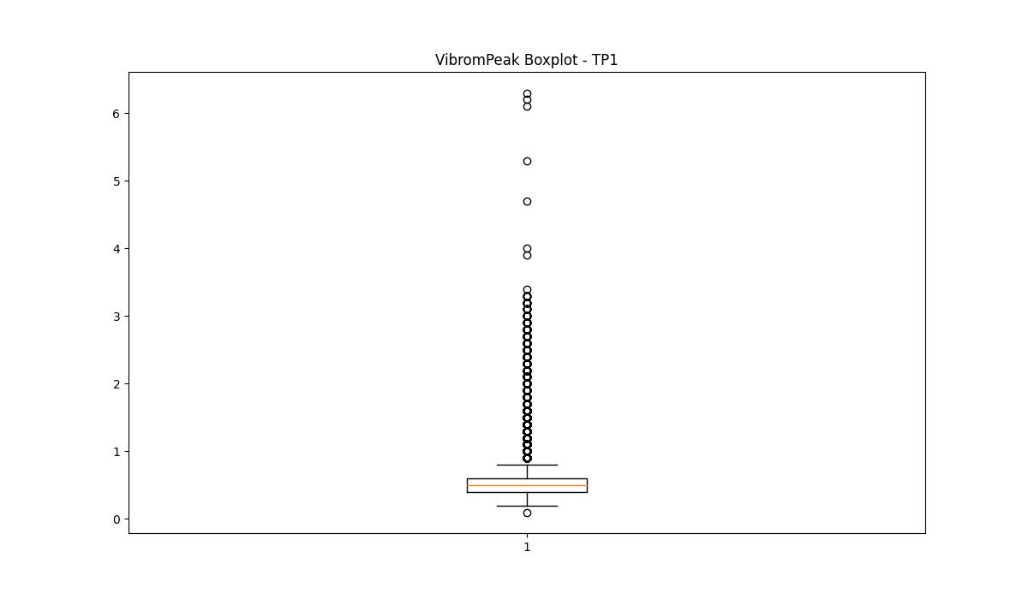
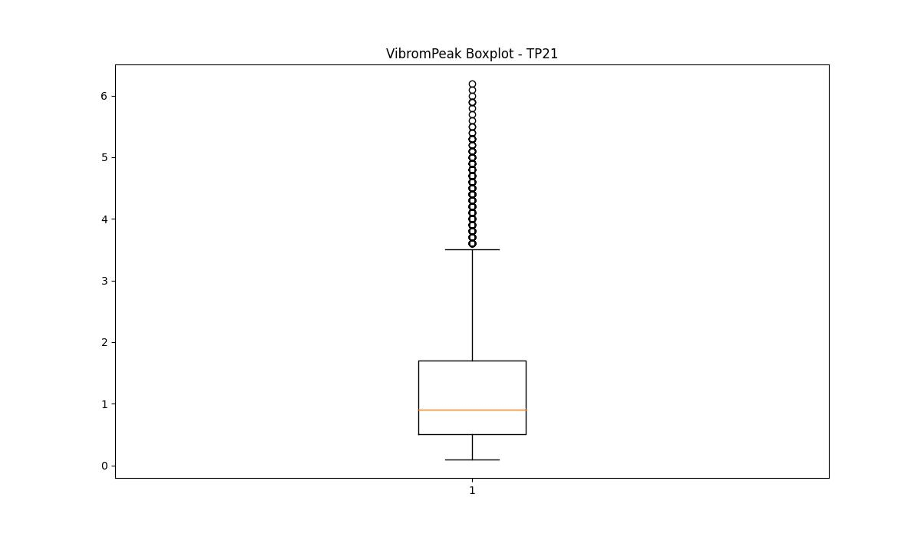
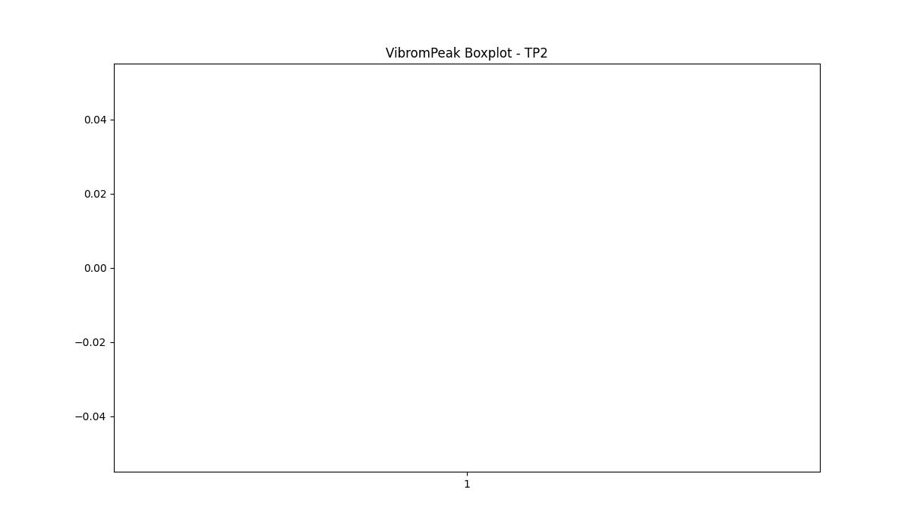

BOXPLOT SENZA OUTLIERS

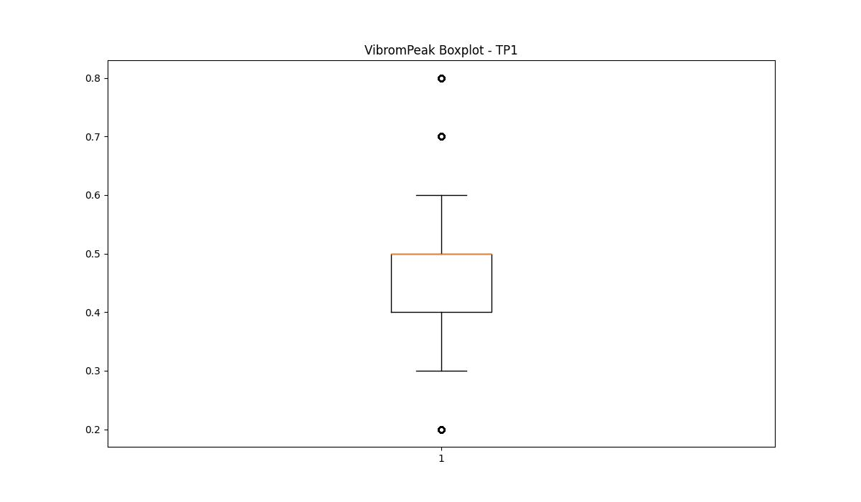
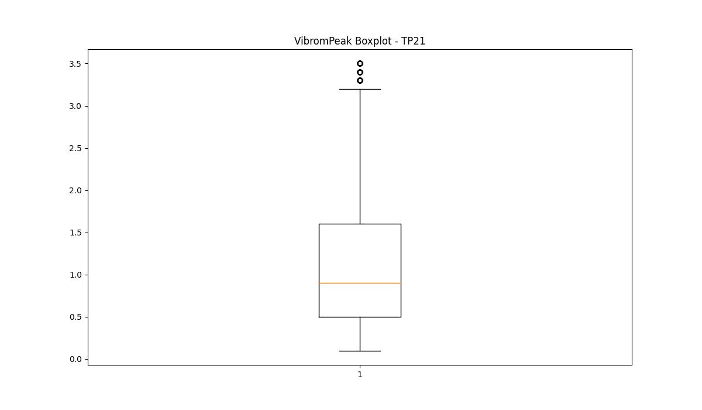

LUNG

numTP |  | 1 | 21 | 2
LUNG outliers |  | [] | [239.5] | [ 98.5 95. 100.3 101.3]
upper_bound |  | 307.5 | 239.4865 | 107.75
lower_bound |  | 123.5 | 93.1225 | 101.75

statistiche con outliers: |  |  |  |  | statistiche senza outliers:
numTP |  | 1 | 21 | 2 | numTP |  | 1 | 21 | 2
LUNG | max | 245 | 239.5 | 105.5 | LUNG | max | 245 | 231 | 105.5
 | min | 141 | 124 | 95 |  | min | 141 | 124 | 104
 | avg | 220.19687844 | 172.43020208 | 103.64319121 |  | avg | 220.19687844 | 161.05868731 | 105.15762659
 | median | 237 | 170 | 105.5 |  | median | 237 | 148.85 | 105.5

BOXPLOT CON OUTLIERS
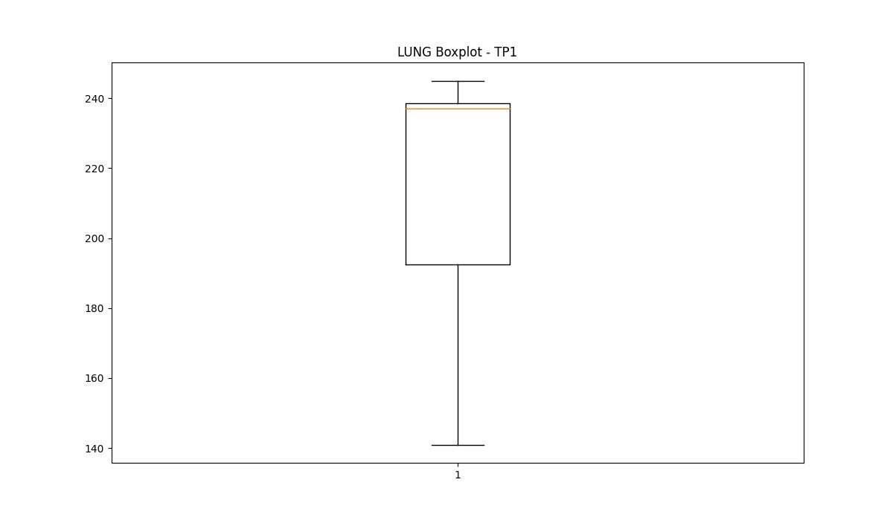
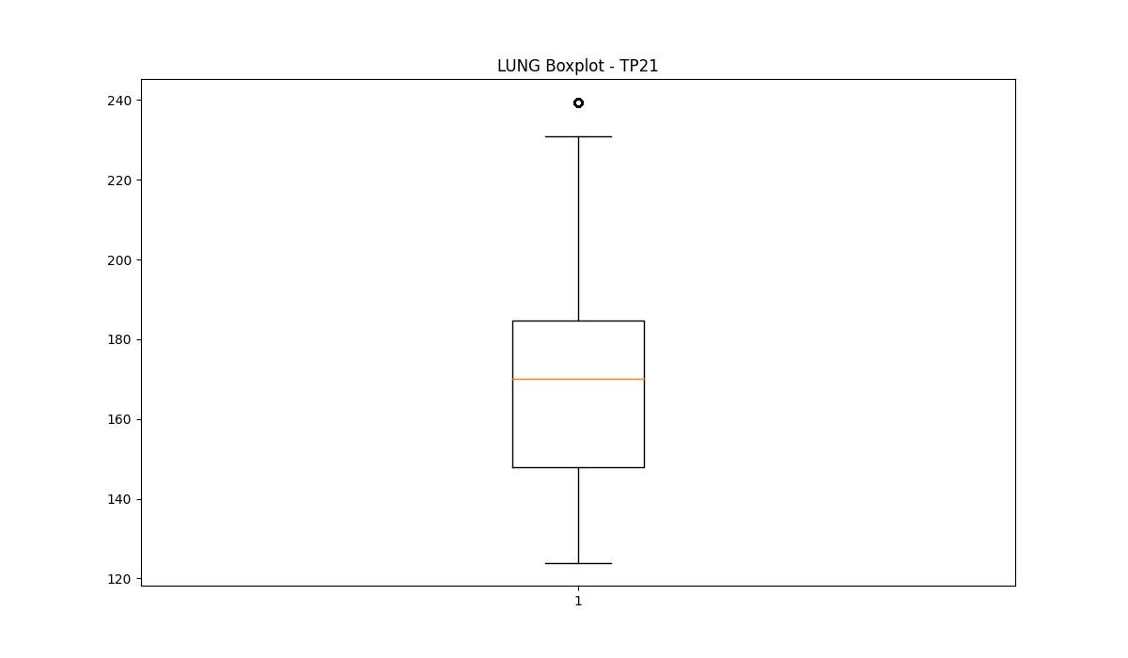
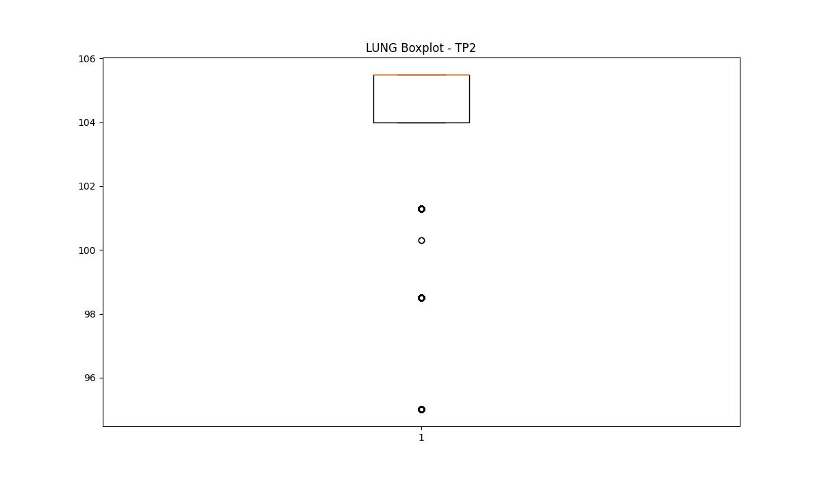

BOXPLOT SENZA OUTLIERS

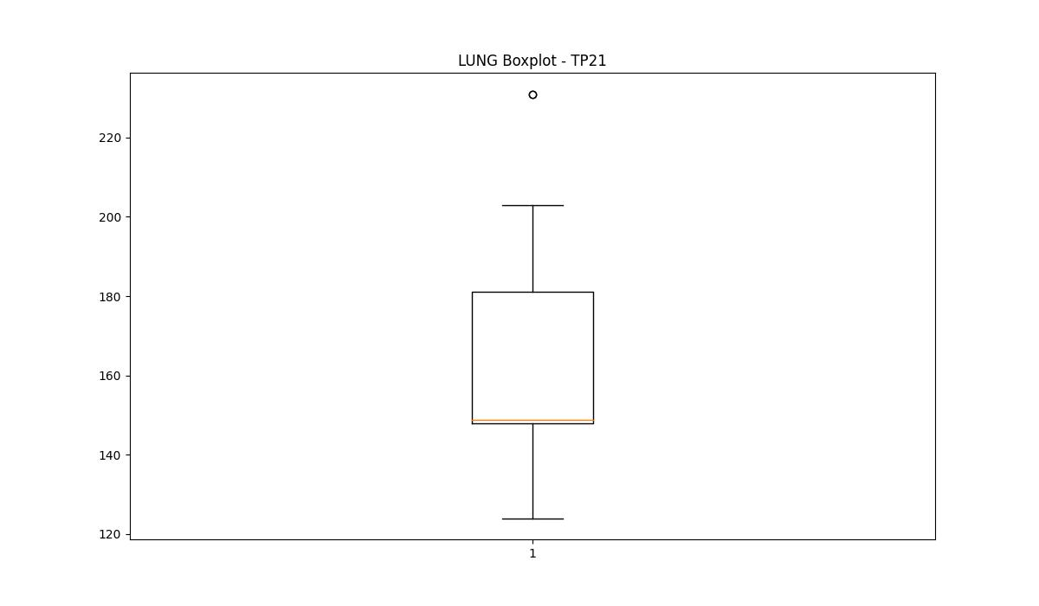
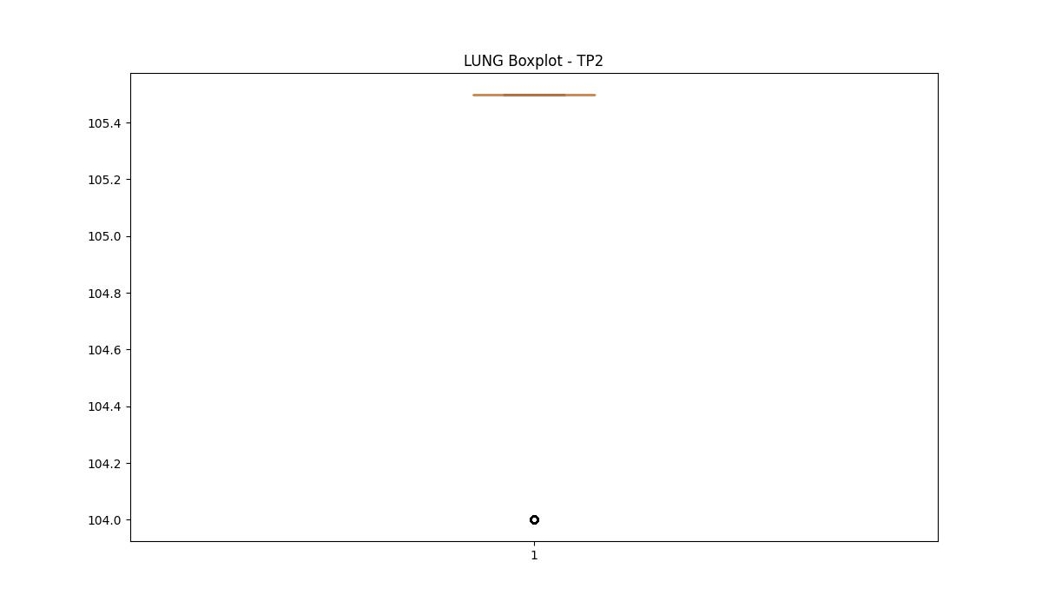

DIAM

numTP |  | 1 | 21 | 2
DIAM outliers |  | [180. 176.] | [112. 141.] | [ 8. 16.]
upper_bound |  | 174.5 | 25 | 14
lower_bound |  | 82.5 | 1 | 14

statistiche con outliers: |  |  |  |  | statistiche senza outliers:
numTP |  | 1 | 21 | 2 | numTP |  | 1 | 21 | 2
DIAM | max | 180 | 141 | 16 | DIAM | max | 165 | 16 | 14
 | min | 98 | 8 | 8 |  | min | 98 | 8 | 14
 | avg | 129.54826893 | 27.162243034 | 12.728239046 |  | avg | 128.2238767 | 12.762822929 | 14
 | median | 135 | 16 | 14 |  | median | 130 | 15.86 | 14

BOXPLOT CON OUTLIERS
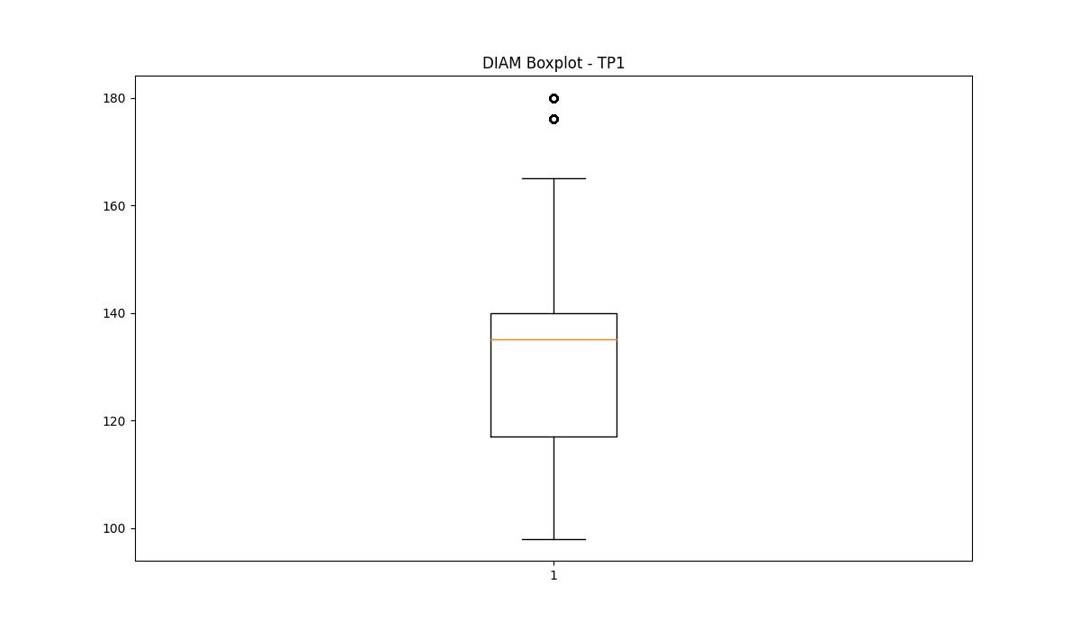
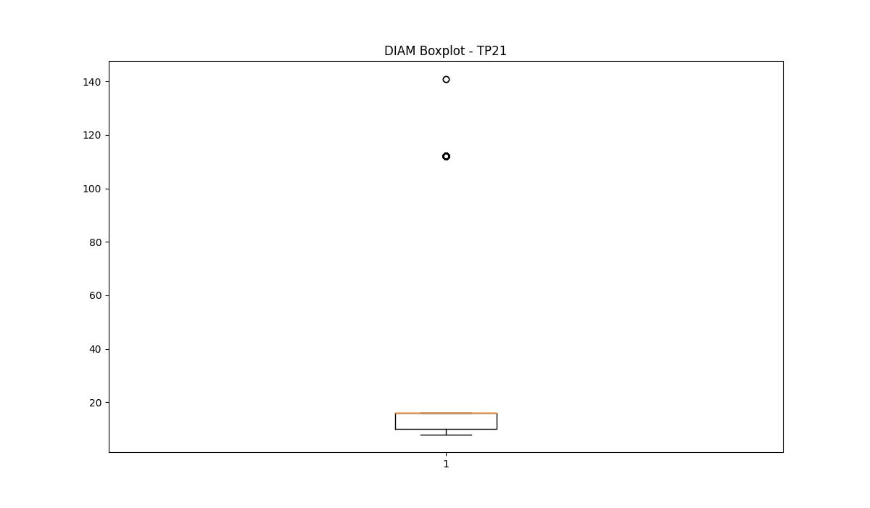
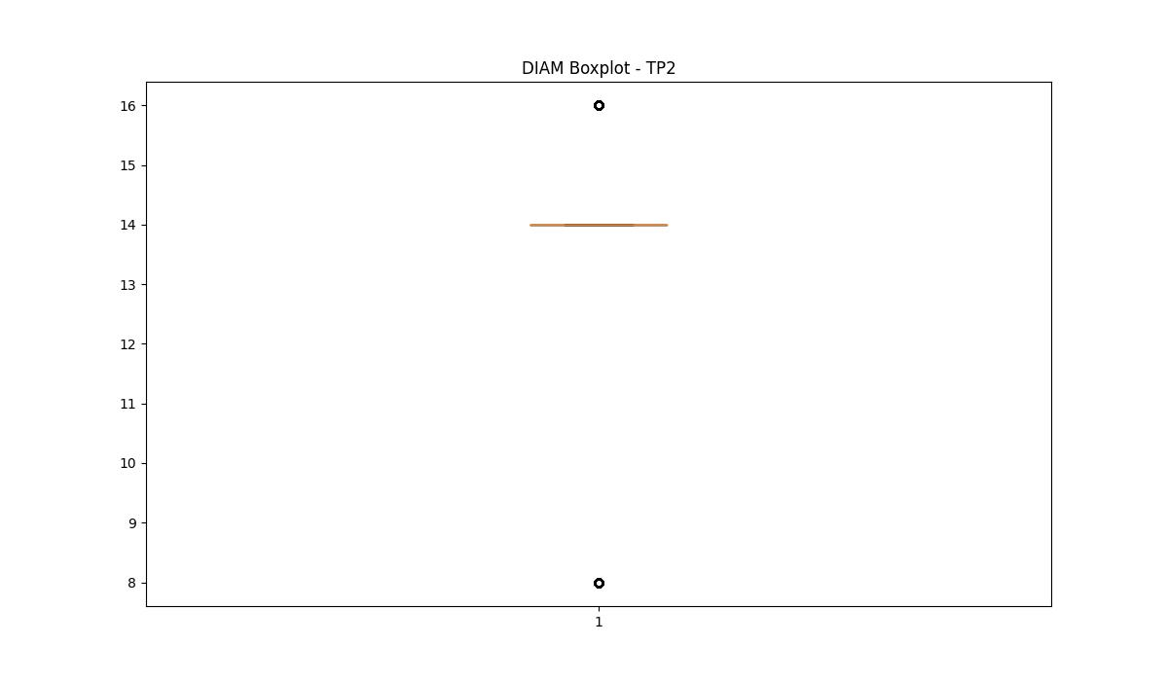

BOXPLOT SENZA OUTLIERS

