Sheet1
statorCelsius

numTP |  | 4 | 21 | 1 | 2
statorCelsius outliers |  | [] | [22. 17. 18. 20. 19. 15. 13. 14. 12. 35. 36. 37.] | [22. 20. 21. 16. 18. 19. 13. 14. 15. 11. 17. 10. 34. 32. 33. 35. 36.] | []
upper_bound |  | 0 | 34.5 | 31 | 0
lower_bound |  | 0 | 22.5 | 23 | 0

statistiche con outliers: |  |  |  |  |  | statistiche senza outliers:
numTP |  | 4 | 21 | 1 | 2 | numTP |  | 4 | 21 | 1 | 2
statorCelsius | max | 0 | 37 | 36 | 0 | statorCelsius | max | 0 | 34 | 31 | 0
 | min | 0 | 12 | 10 | 0 |  | min | 0 | 23 | 23 | 0
 | avg | 0 | 28.438105788 | 26.6 | 0 |  | avg | 0 | 28.65098777 | 27.137689615 | 0
 | median | 0 | 29 | 27 | 0 |  | median | 0 | 29 | 27 | 0

BOXPLOT CON OUTLIERS
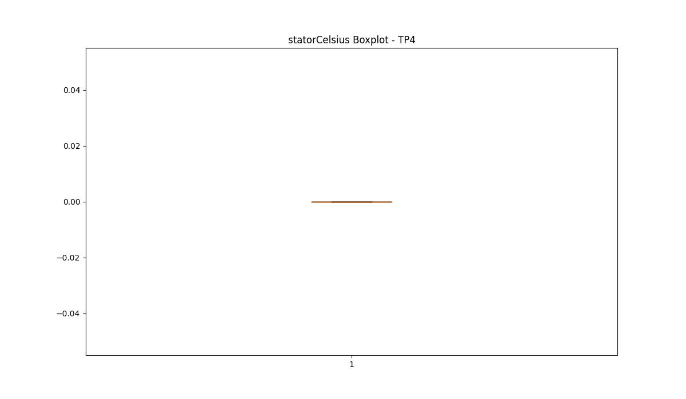
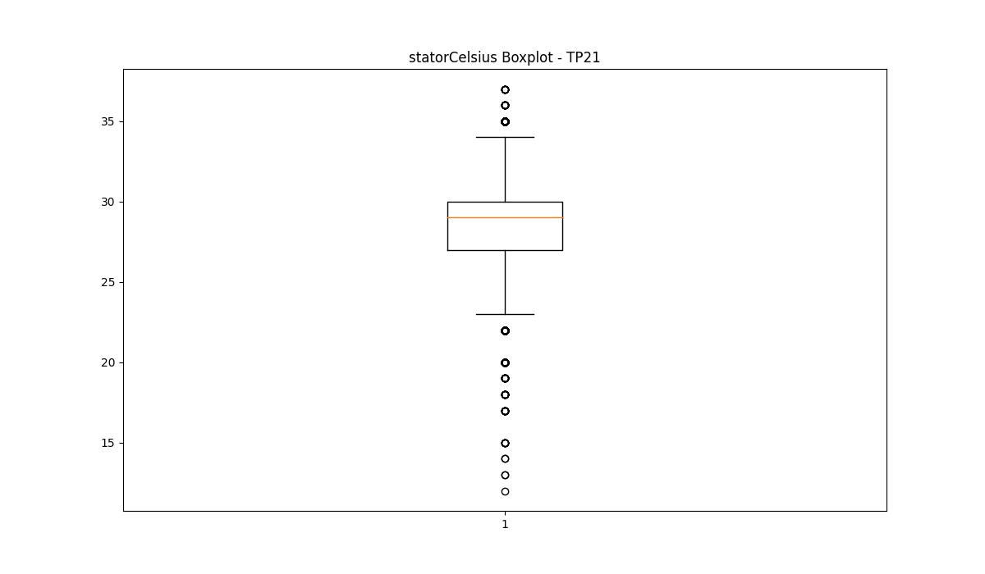
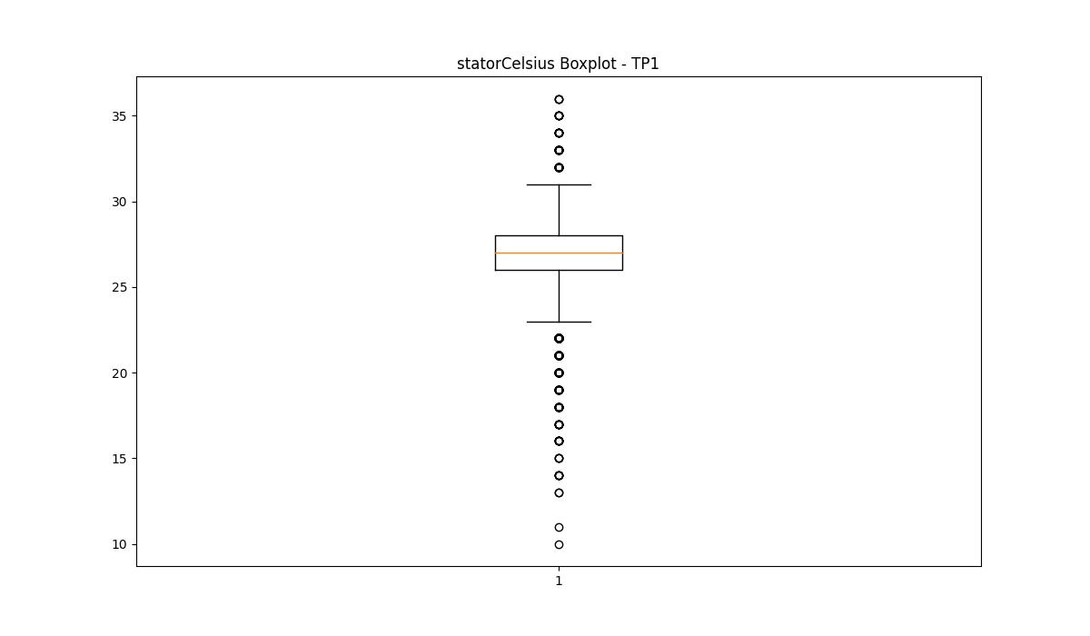
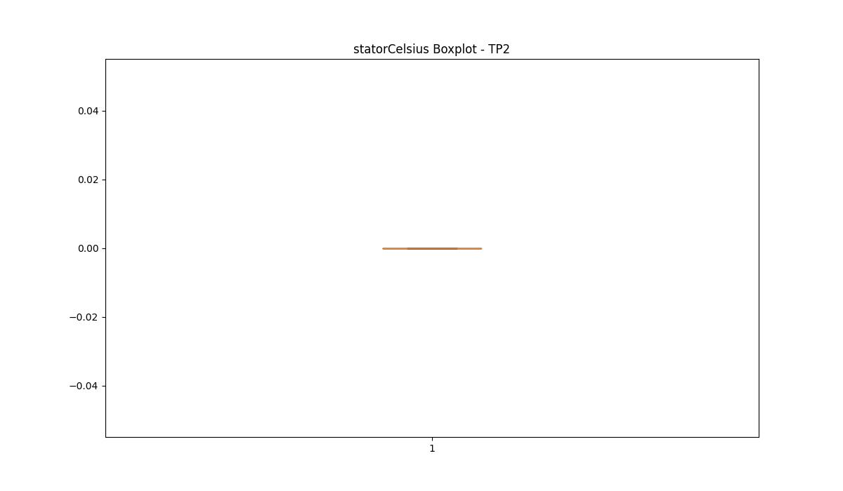

BOXPLOT SENZA OUTLIERS

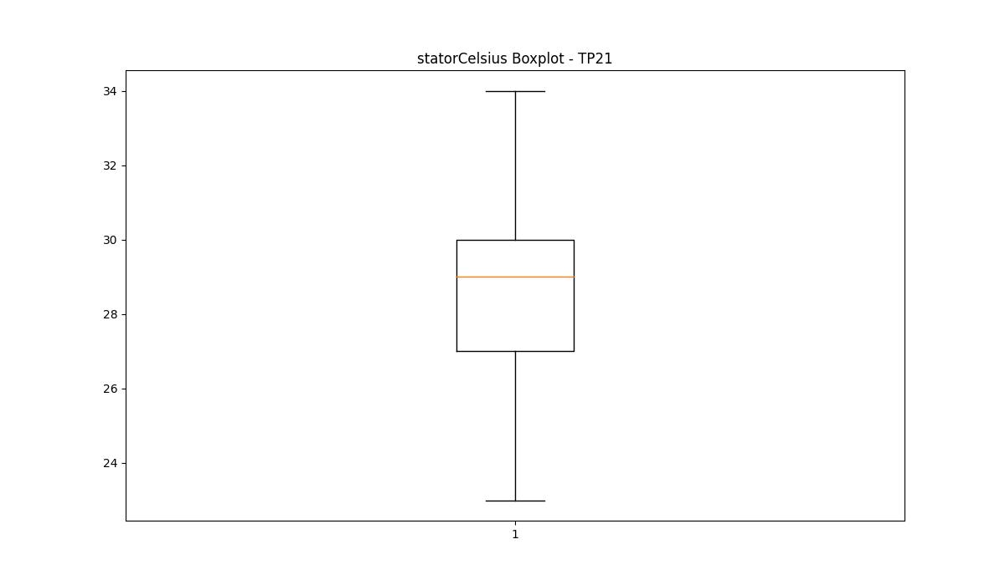
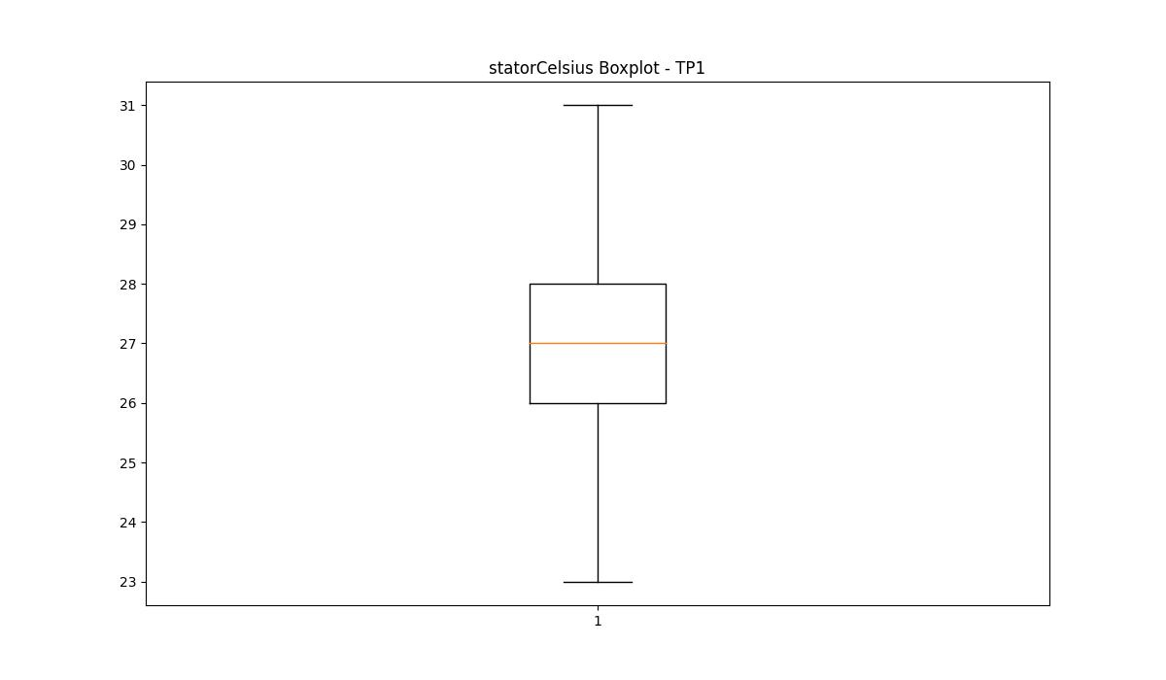

bearingsCelsius

numTP |  | 4 | 21 | 1 | 2
bearingsCelsius outliers |  | [] | [15. 17. 19. 18. 13. 14. 11. 12. 10. 32.] | [17. 16. 13. 14. 15. 12. 11.] | []
upper_bound |  | 0 | 31.5 | 34 | 0
lower_bound |  | 0 | 19.5 | 18 | 0

statistiche con outliers: |  |  |  |  |  | statistiche senza outliers:
numTP |  | 4 | 21 | 1 | 2 | numTP |  | 4 | 21 | 1 | 2
bearingsCelsius | max | 0 | 32 | 31 | 0 | bearingsCelsius | max | 0 | 30 | 31 | 0
 | min | 0 | 10 | 11 | 0 |  | min | 0 | 20 | 18 | 0
 | avg | 0 | 25.146773747 | 25.315555556 | 0 |  | avg | 0 | 25.619788608 | 25.527932961 | 0
 | median | 0 | 25 | 26 | 0 |  | median | 0 | 25 | 26 | 0

BOXPLOT CON OUTLIERS

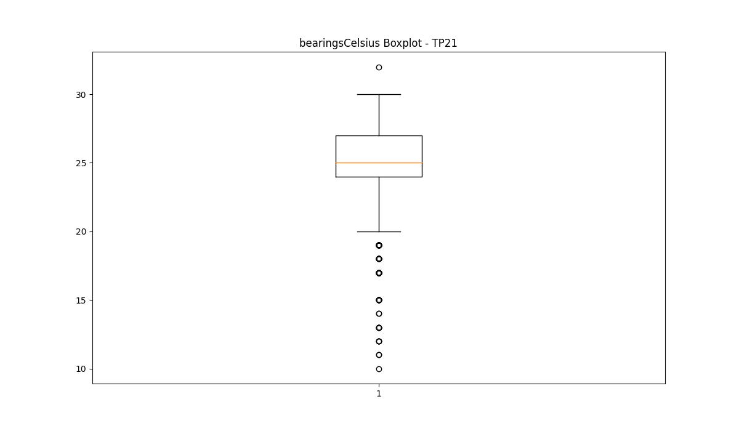
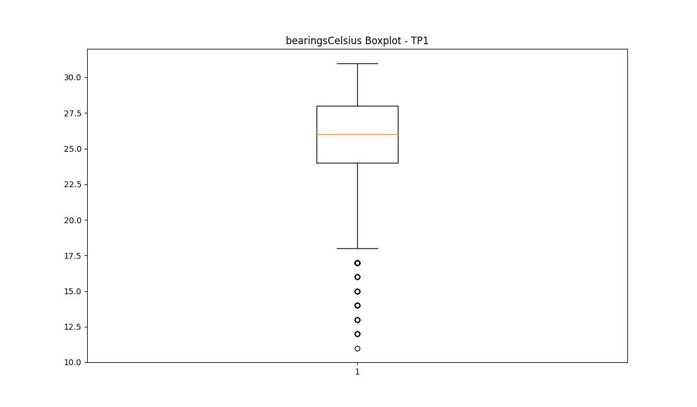


BOXPLOT SENZA OUTLIERS

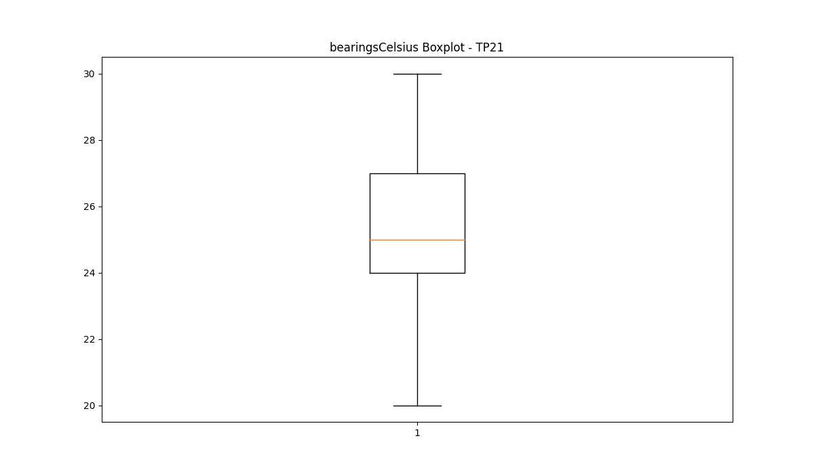
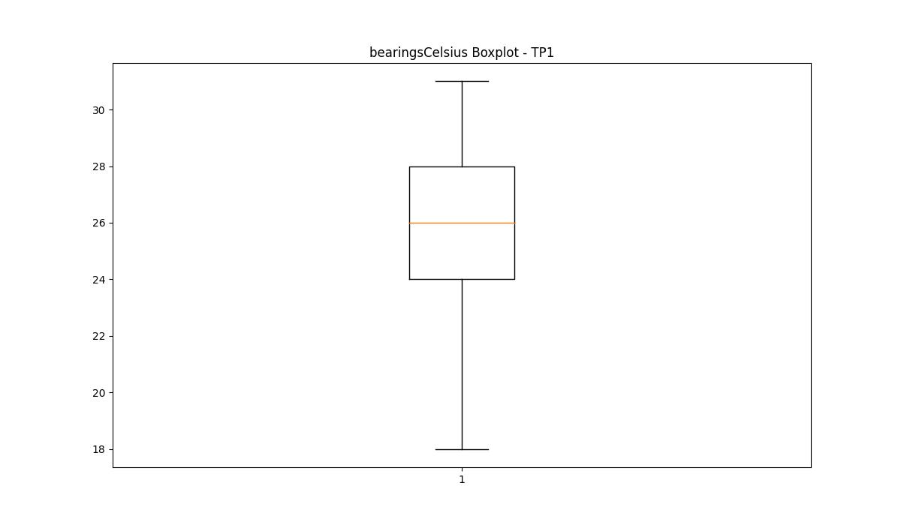

spindleRpm

numTP |  | 4 | 21 | 1 | 2
spindleRpm outliers |  | [] | [] | [14945. 15142. 16000. 15097. 15009. 16749. 16642. 15054. 16863. 15101. 14916. 14920. 15032. 14782. 16819. 14942. 14862. 14816. 14839. 14836. 15021. 14888. 14805. 14894. 15029. 15056. 14934. 14906. 14823. 14992. 14787. 14796. 15112. 15085. 15072. 14917. 14814. 14928. 14846. 14860. 15130. 14911. 15039. 14851. 15058. 14810. 14975. 14940. 15011. 14908. 15165. 14809. 15001.] | []
upper_bound |  | 0 | 23905 | 14771.5 | 0
lower_bound |  | 0 | -3447 | 2231.5 | 0

statistiche con outliers: |  |  |  |  |  | statistiche senza outliers:
numTP |  | 4 | 21 | 1 | 2 | numTP |  | 4 | 21 | 1 | 2
spindleRpm | max | 0 | 16780 | 16863 | 0 | spindleRpm | max | 0 | 16780 | 14771 | 0
 | min | 0 | 3077 | 3697.979 | 0 |  | min | 0 | 3077 | 3697.979 | 0
 | avg | 0 | 9514.9956871 | 8216.5793115 | 0 |  | avg | 0 | 9514.9956871 | 8072.5876042 | 0
 | median | 0 | 9088 | 7679 | 0 |  | median | 0 | 9088 | 7650 | 0

BOXPLOT CON OUTLIERS
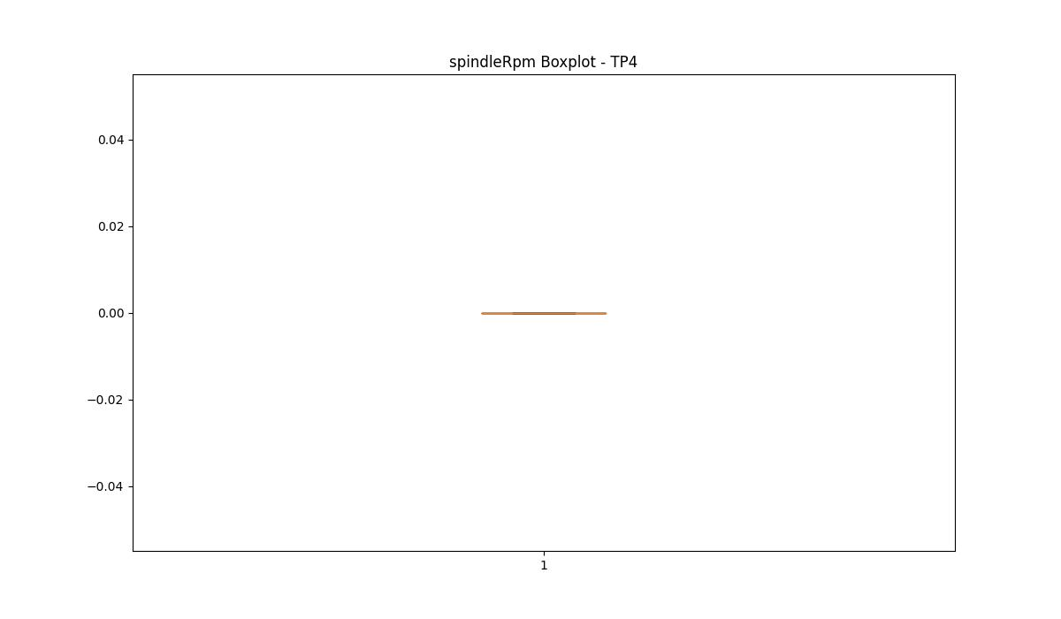
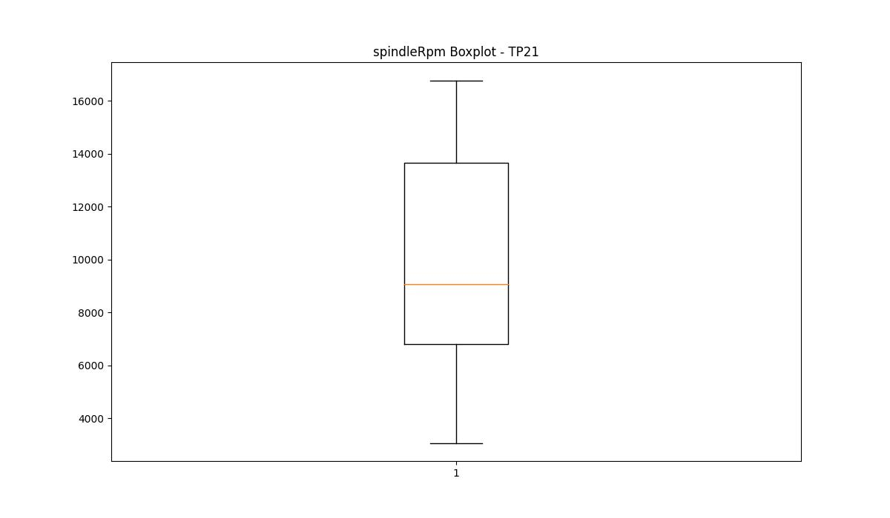
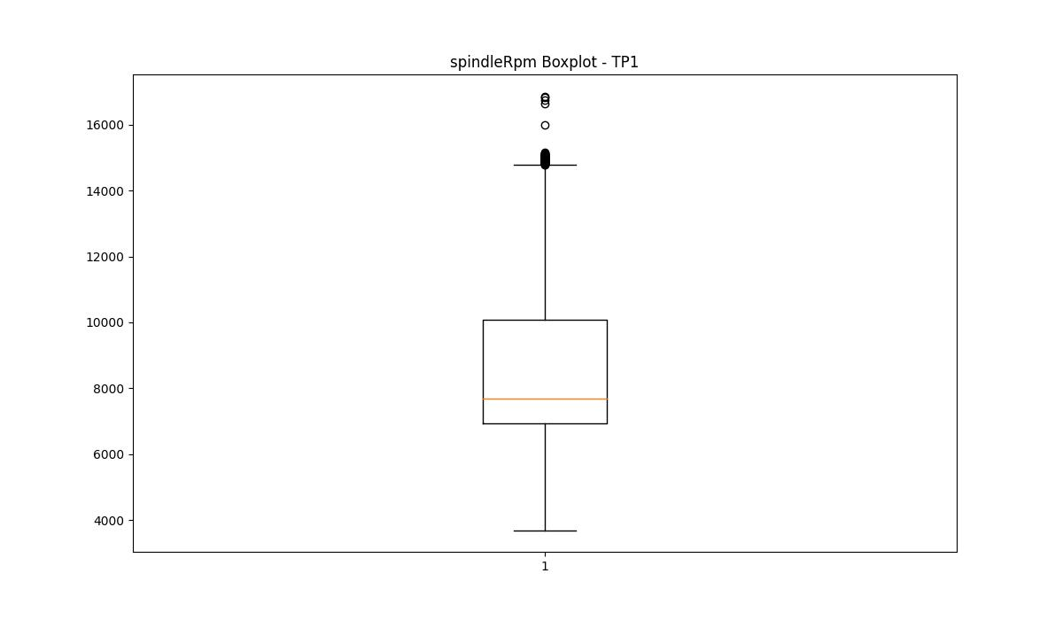


BOXPLOT SENZA OUTLIERS

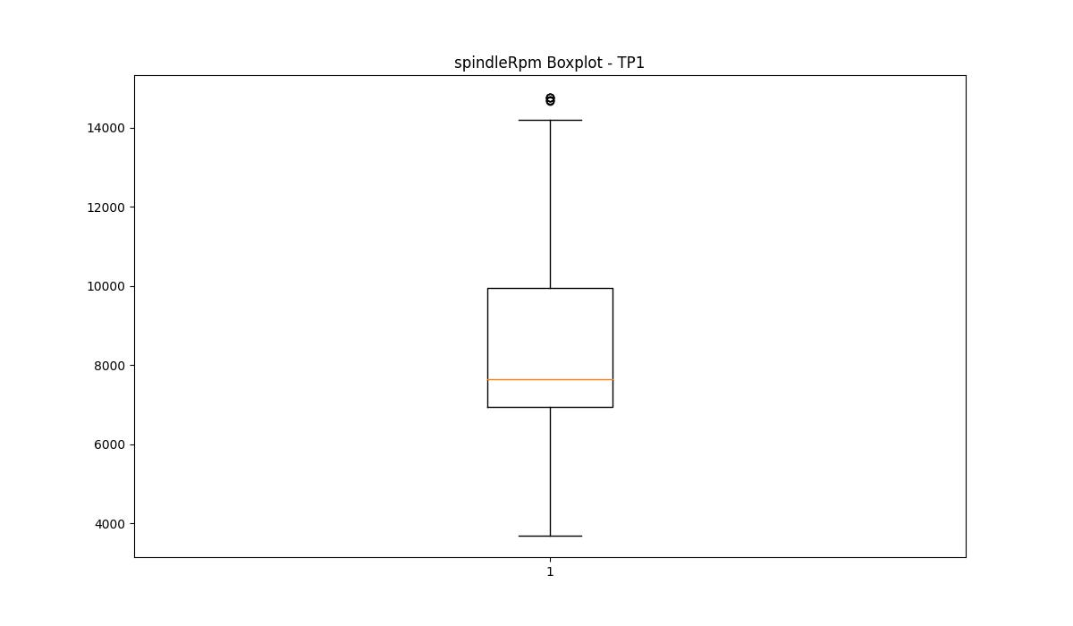

rpmSetPoint

numTP |  | 4 | 21 | 1 | 2
rpmSetPoint outliers |  | [] | [] | [16000. 18000.] | []
upper_bound |  | 4500 | 26550 | 15750 | 5000
lower_bound |  | 4500 | -4250 | 2550 | 5000

statistiche con outliers: |  |  |  |  |  | statistiche senza outliers:
numTP |  | 4 | 21 | 1 | 2 | numTP |  | 4 | 21 | 1 | 2
rpmSetPoint | max | 4500 | 18000 | 18000 | 5000 | rpmSetPoint | max | 4500 | 18000 | 15000 | 5000
 | min | 4500 | 4000 | 4000 | 5000 |  | min | 4500 | 4000 | 4000 | 5000
 | avg | 4500 | 10324.53614 | 8793.2307692 | 5000 |  | avg | 4500 | 10324.53614 | 8621.4835549 | 5000
 | median | 4500 | 9800 | 8100 | 5000 |  | median | 4500 | 9800 | 8100 | 5000

BOXPLOT CON OUTLIERS
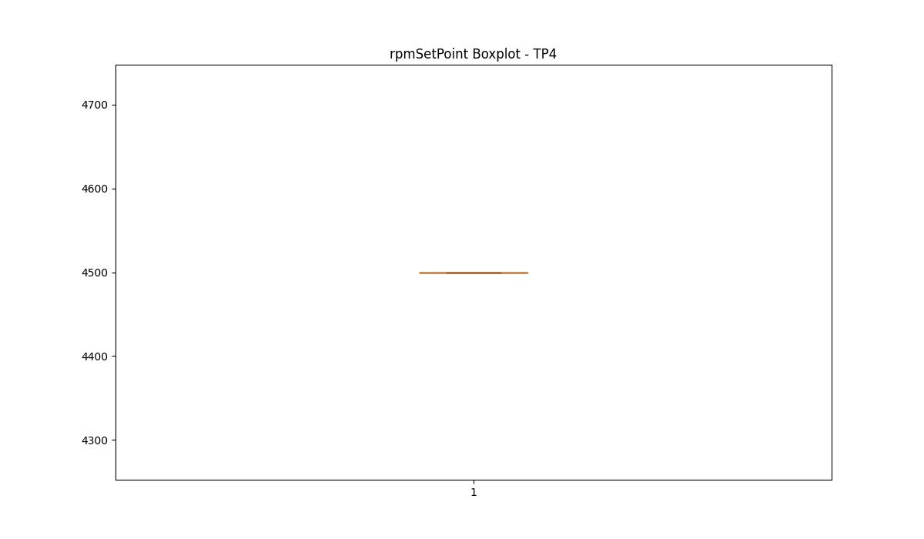
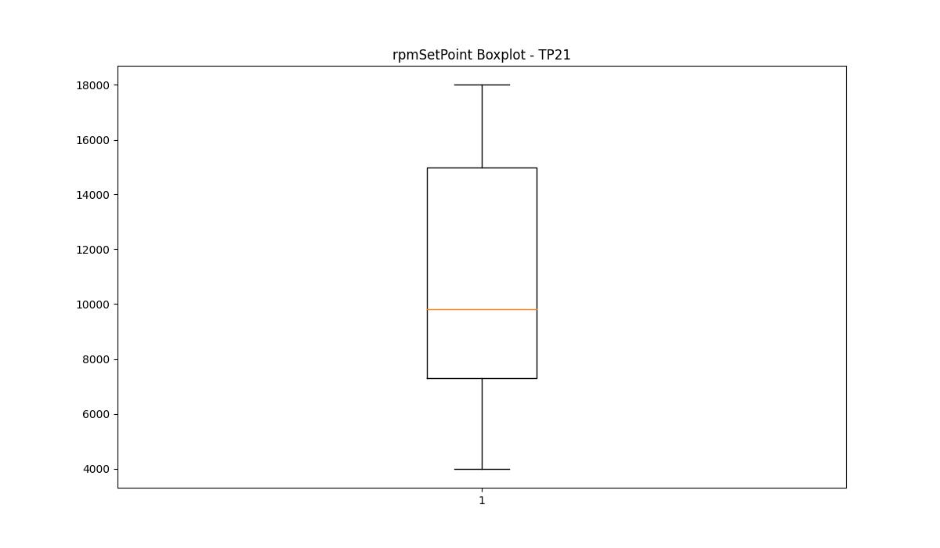
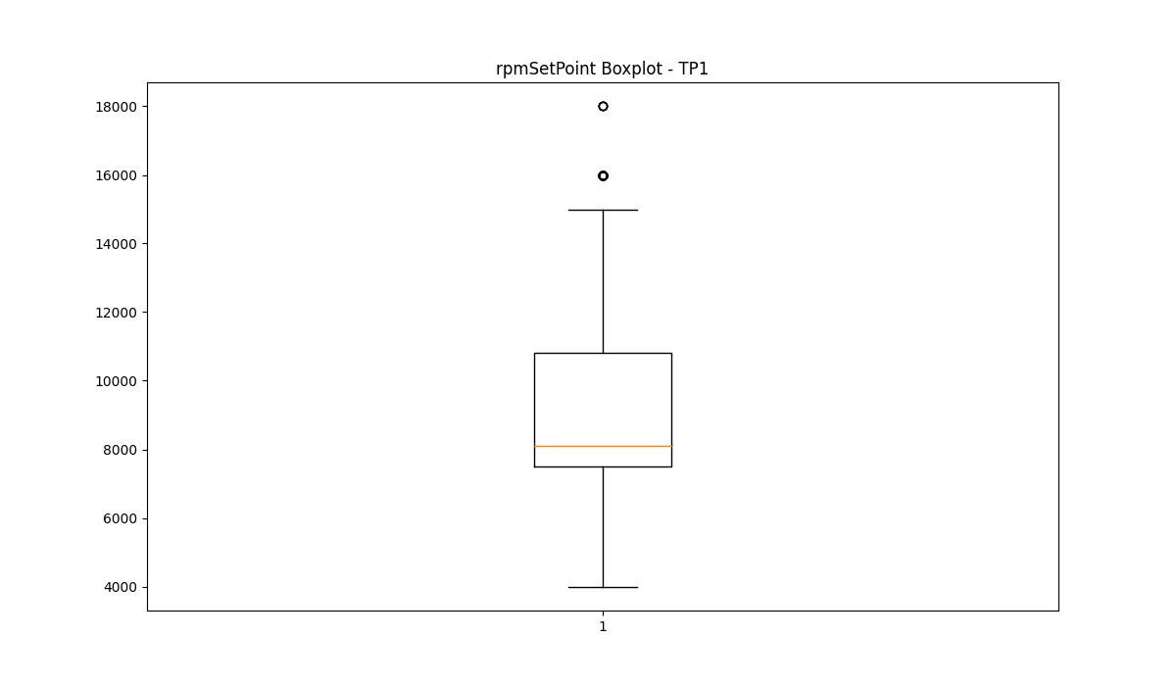


BOXPLOT SENZA OUTLIERS

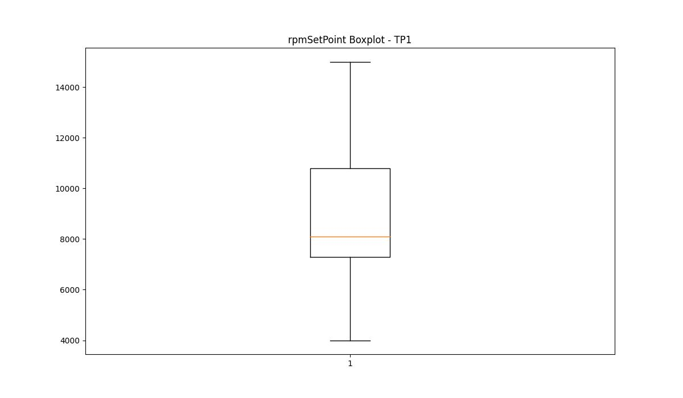

CurrentPeak

numTP |  | 4 | 21 | 1 | 2
CurrentPeak outliers |  | [] | [4.061 4.433 3.937 7.905] | [20.856 21.269 20.945 20.679 21.771 12.567 20.384 20.177 20.355 4.69 19.794 20.296 20.059 19.912 19.971 20.237 19.351 19.823 20.118 19.646 20.473 20.03 20.089 19.381 19.764 12.183 12.419 12.095 12.685 11.859 25.045 20.709 20.148 19.587 19.705 25.37 20.266 20.207 19.853 19.263 19.528 19.941 20.325 17.995 19.44 19.735 19.882 20.443 19.558 19.174 18.113 18.791 28.32 20.532 20.591 12.537 12.744 12.213 12.065 12.508 11.8 12.154 12.39 12.803 11.918 19.617 19.469 12.006 19.145 11.829 11.947 11.977 19.292 12.478 19.204 12.124 12.272 12.98 12.331 19.499 12.596 19.322 12.301 12.449 19.41 19.676 18.26 7.699 9.145 7.198 20. 20.65 20.414 20.561 8.466 9.174 8.319 11.534 11.711 11.623 11.888 11.741 11.446 11.564 12.036 12.862 11.682 11.269 12.242 12.36 11.652 11.328 11.593 11.475 12.626 11.77 18.466 11.357 12.921] | [5.56 5.5 5.54 5.52 5.58 5.6 ]
upper_bound |  | 8.885 | 38.0525 | 17.9495 | 5.5
lower_bound |  | 0.445 | 22.0565 | 13.5855 | 5.1

statistiche con outliers: |  |  |  |  |  | statistiche senza outliers:
numTP |  | 4 | 21 | 1 | 2 | numTP |  | 4 | 21 | 1 | 2
CurrentPeak | max | 6.4 | 33.48 | 28.32 | 5.6 | CurrentPeak | max | 6.4 | 33.48 | 17.936 | 5.48
 | min | 3.31 | 3.937 | 4.69 | 5.13 |  | min | 3.31 | 26.07 | 13.629 | 5.13
 | avg | 4.5288404534 | 30.134087787 | 15.969831795 | 5.3032671082 |  | avg | 4.5288404534 | 30.16910538 | 15.629042159 | 5.2965493757
 | median | 3.74 | 30.752 | 15.369 | 5.29 |  | median | 3.74 | 30.752 | 15.34 | 5.29

BOXPLOT CON OUTLIERS
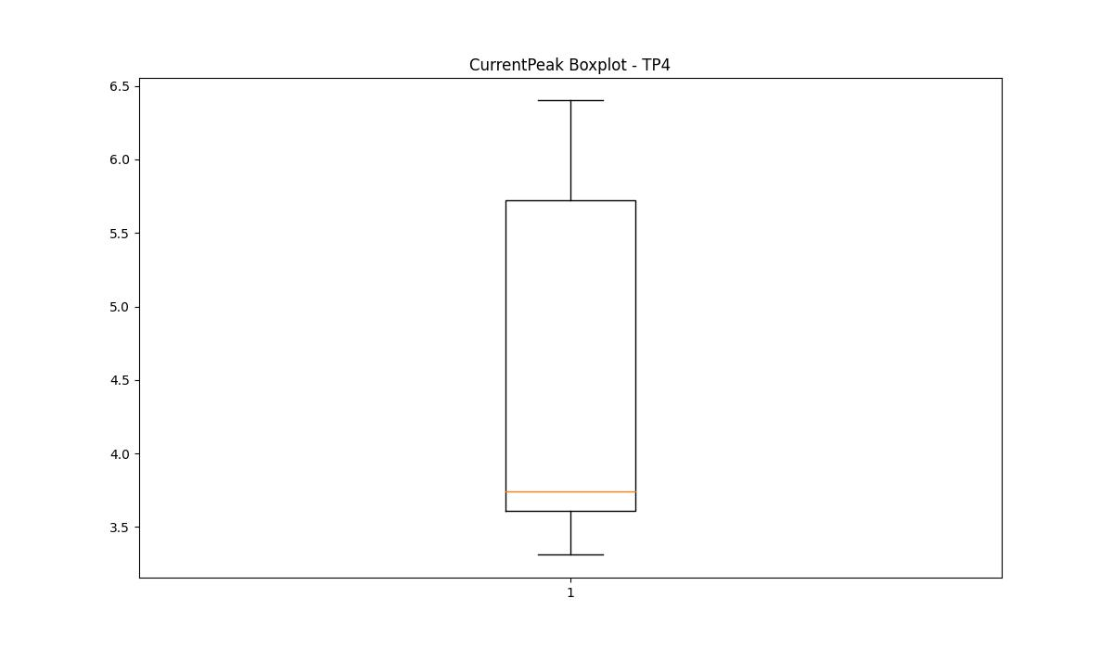
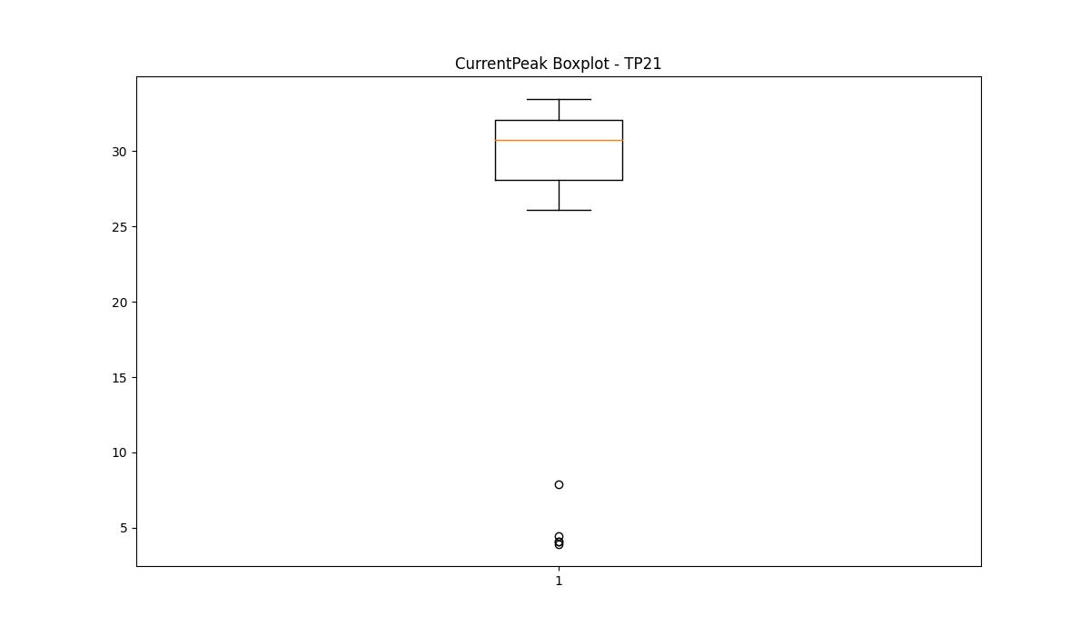
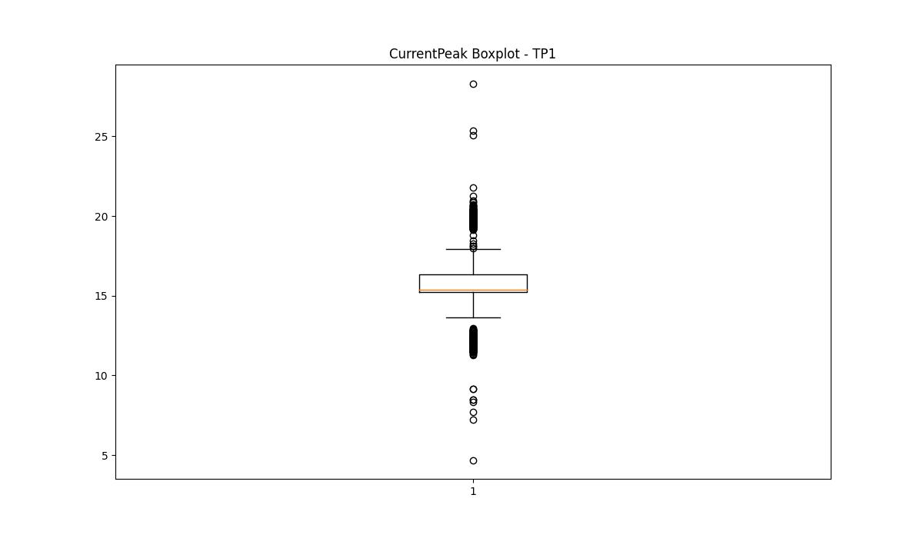
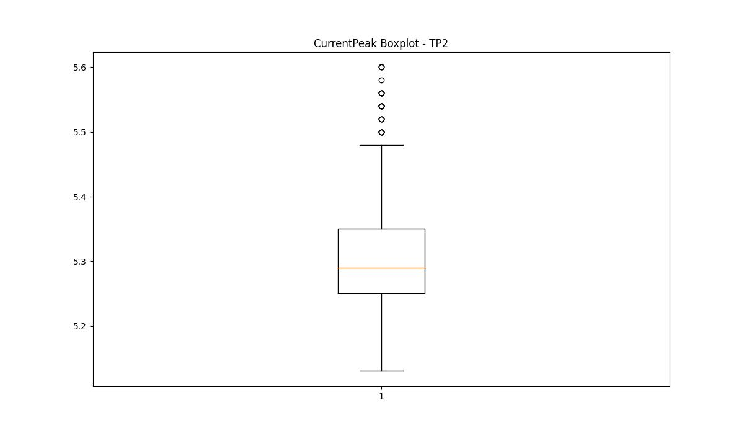

BOXPLOT SENZA OUTLIERS

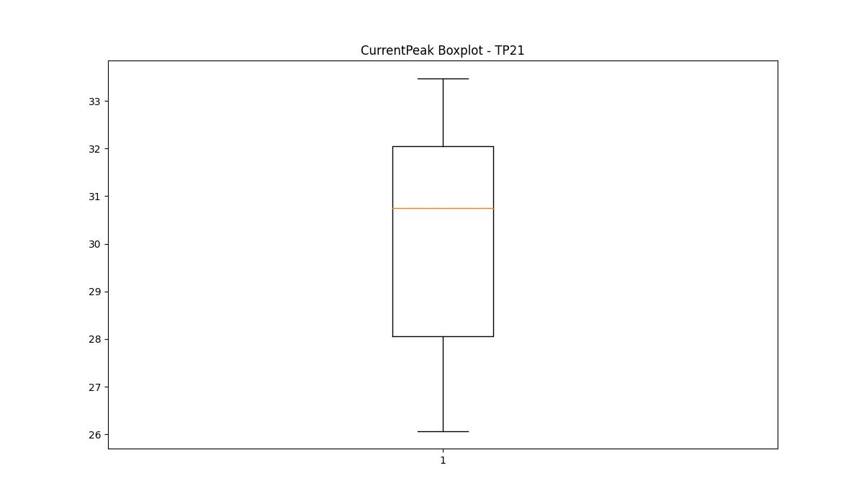
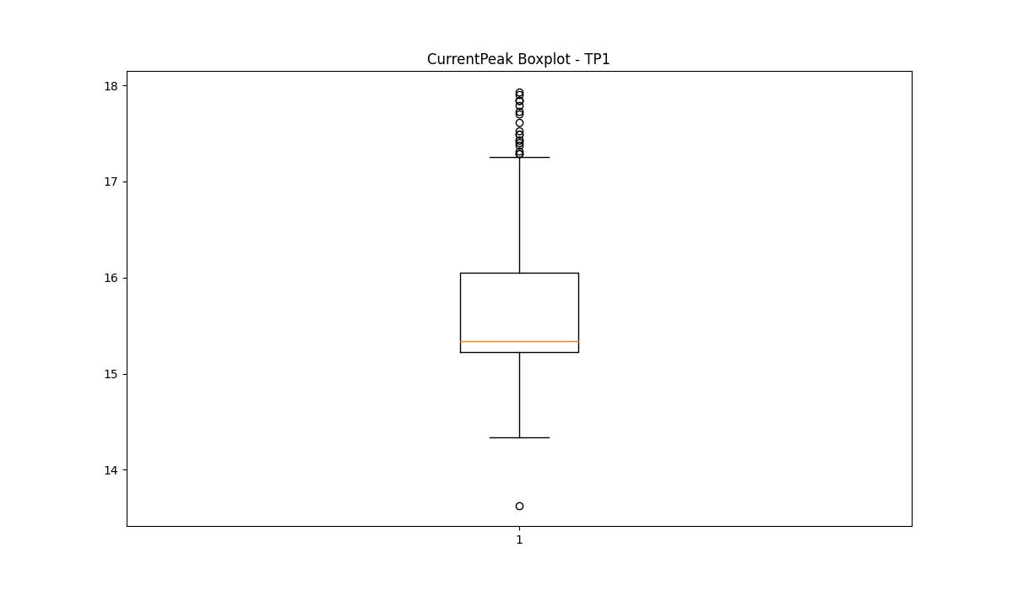
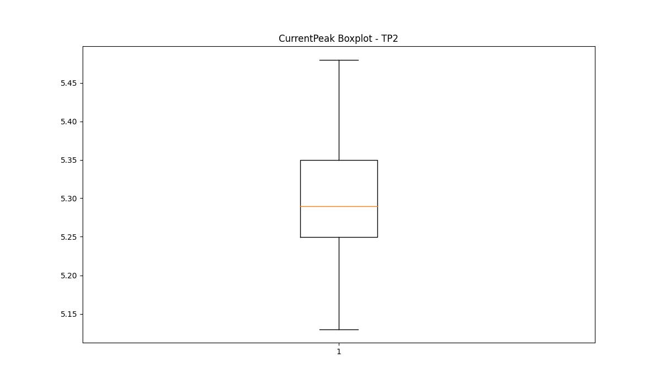

VibromPeak

numTP |  | 4 | 21 | 1 | 2
VibromPeak outliers |  |  | [ 2.1 2.2 2.4 3.2 2.3 3.8 3.4 2.6 2.5 5.8 4.7 3. 3.9 5.2 2.9 3.5 3.3 7.6 4.5 2.8 3.1 4.1 2.7 3.6 11. 7. 6.6 4.8 4.2 4.6 6.2 4.4 7.5 5.6 4. 5.9 4.9 6.3 8.1 6.5 5.3 5.1 6.9 5. 6.4 7.3 6.1 5.4 6.8 7.9 5.7 4.3 3.7 5.5] | [0.8 0.9 1. 1.5 1.7 1.4 1.1 1.9 2. 1.6 2.3 4.7 1.8 2.7 3.1 2.8 2.6 2.2 1.3 4.5 1.2 2.4 2.1]
upper_bound |  |  | 2 | 0.7
lower_bound |  |  | -0.4 | -0.1

statistiche con outliers: |  |  |  |  |  | statistiche senza outliers:
numTP |  | 4 | 21 | 1 | 2 | numTP |  | 4 | 21 | 1 | 2
VibromPeak | max | nan | 11 | 4.7 | nan | VibromPeak | max |  | 2 | 0.7
 | min | nan | 0.1 | 0.1 | nan |  | min |  | 0.1 | 0.1
 | avg | nan | 1.057712545 | 0.40687179487 | nan |  | avg |  | 0.77281105991 | 0.3387943787
 | median | nan | 0.7 | 0.3 | nan |  | median |  | 0.7 | 0.3

BOXPLOT CON OUTLIERS
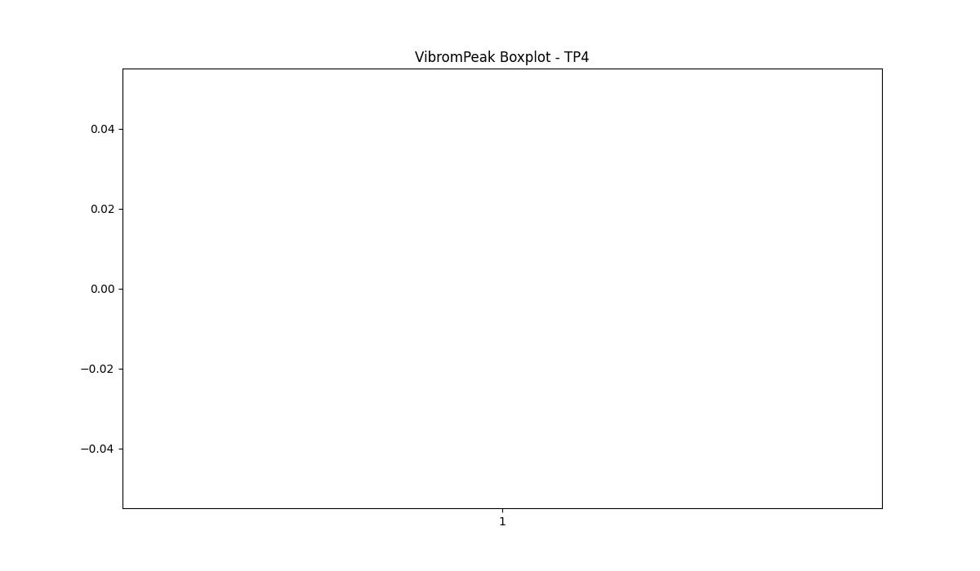
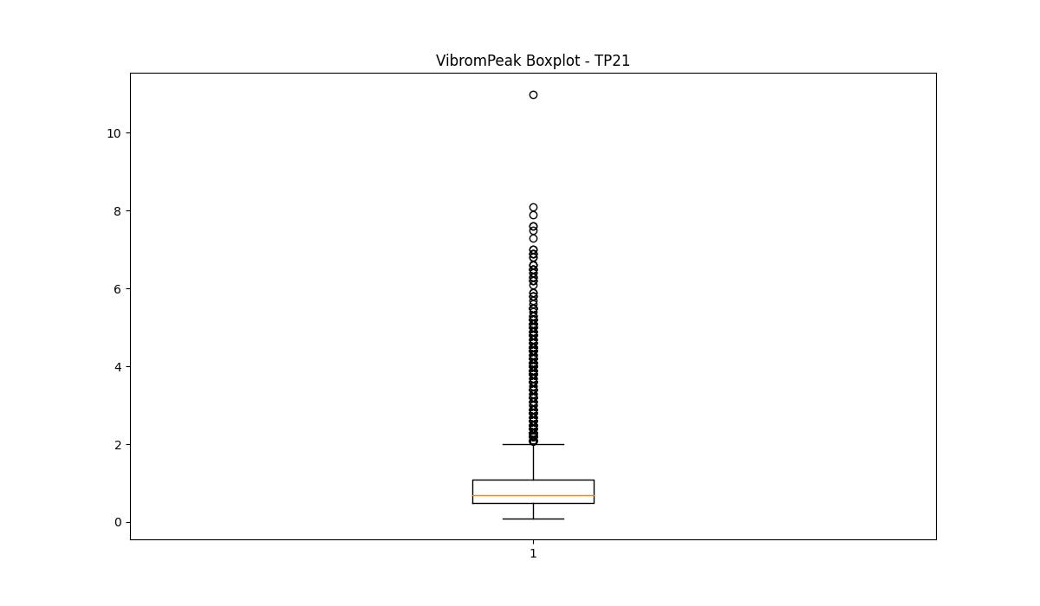
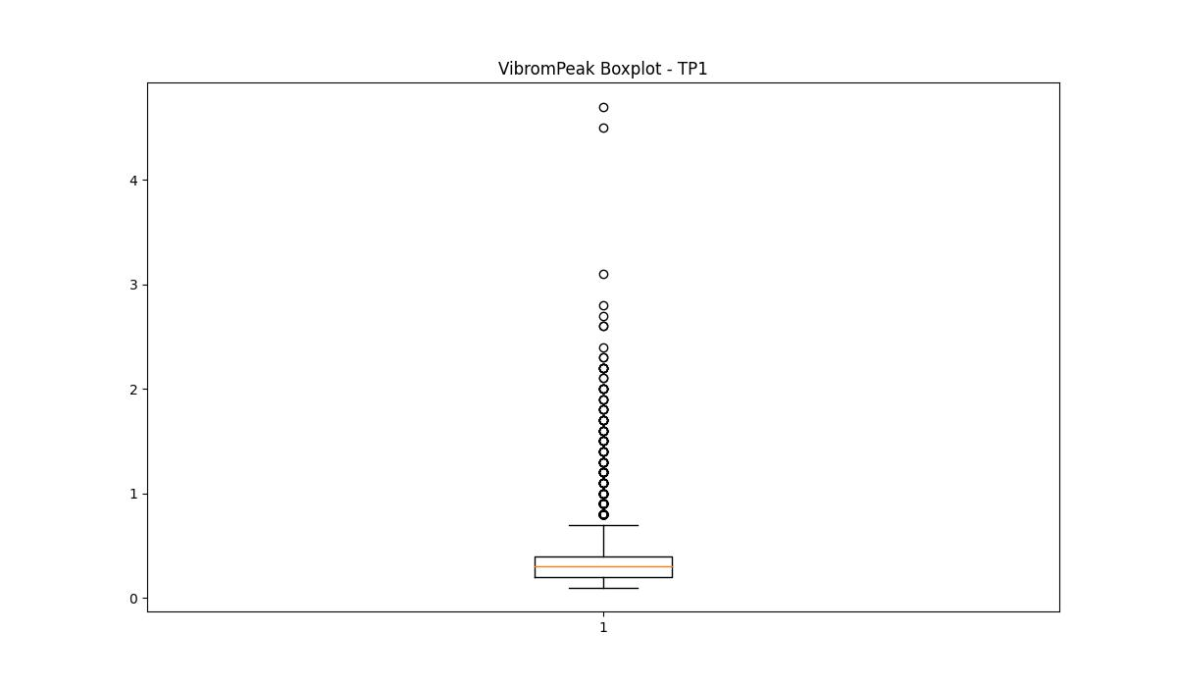
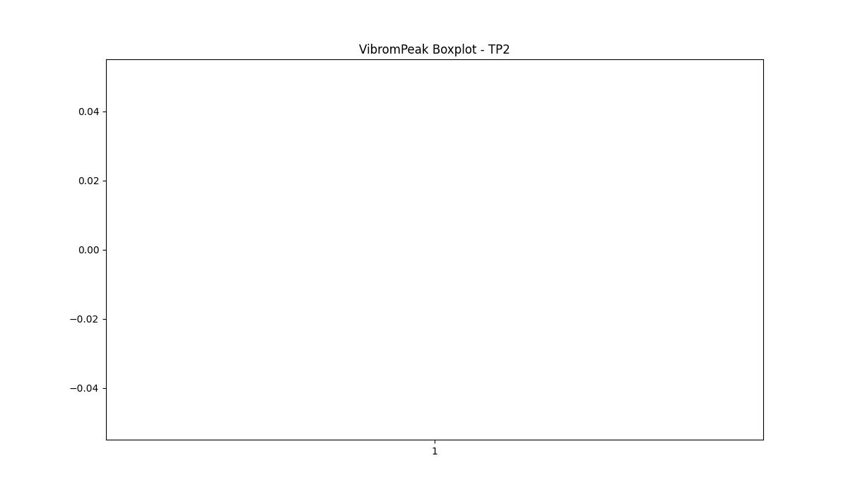

BOXPLOT SENZA OUTLIERS

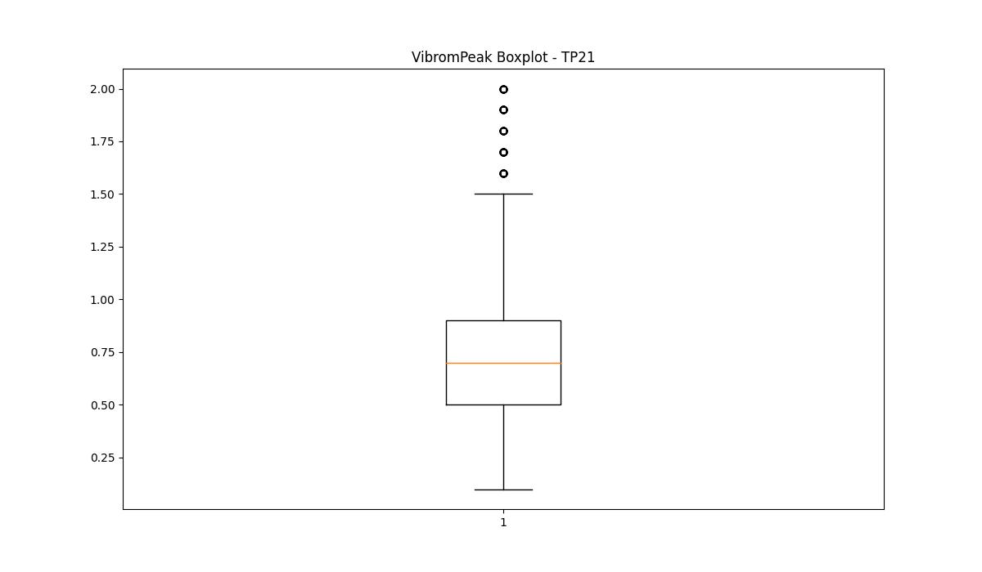
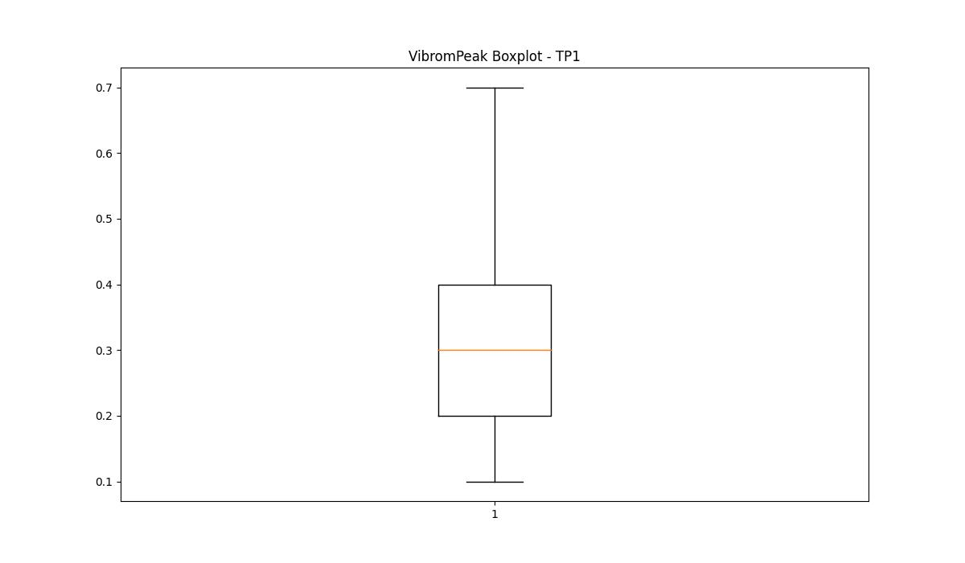

LUNG

numTP |  | 4 | 21 | 1 | 2
LUNG outliers |  | [] | [] | [] | []
upper_bound |  | 75 | 245 | 296.25 | 1.6
lower_bound |  | 75 | 13 | -17.75 | 1.6

statistiche con outliers: |  |  |  |  |  | statistiche senza outliers:
numTP |  | 4 | 21 | 1 | 2 | numTP |  | 4 | 21 | 1 | 2
LUNG | max | 75 | 222.25 | 222.25 | 1.6 | LUNG | max | 75 | 222.25 | 222.25 | 1.6
 | min | 75 | 66 | 66 | 1.6 |  | min | 75 | 66 | 66 | 1.6
 | avg | 75 | 137.62332373 | 142.0304947 | 1.6 |  | avg | 75 | 137.62332373 | 142.0304947 | 1.6
 | median | 75 | 157 | 145 | 1.6 |  | median | 75 | 157 | 145 | 1.6

BOXPLOT CON OUTLIERS
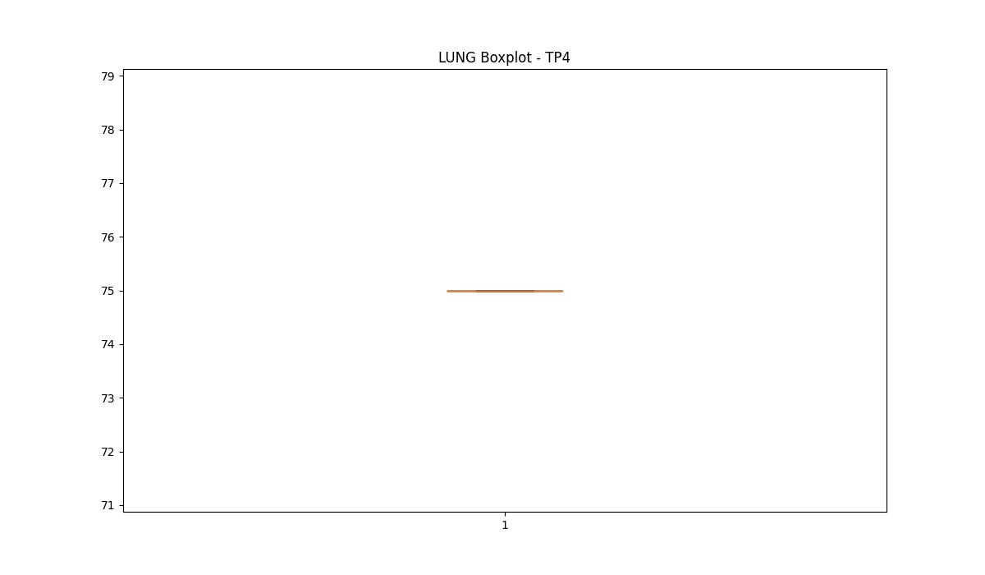
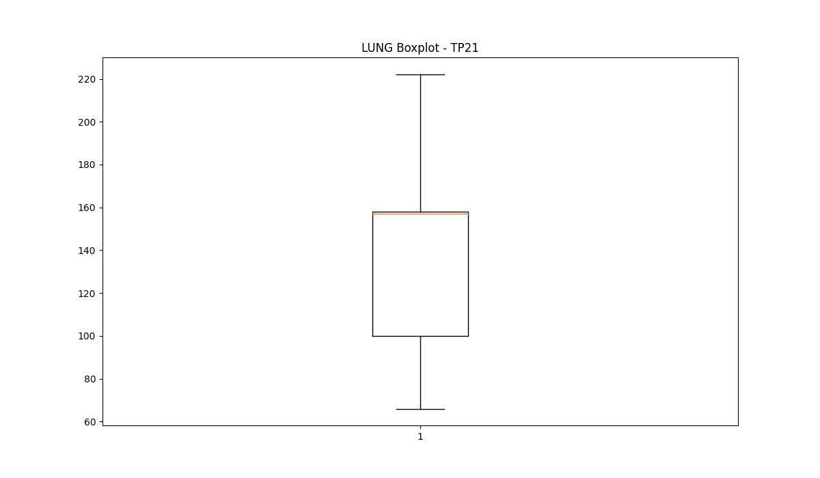
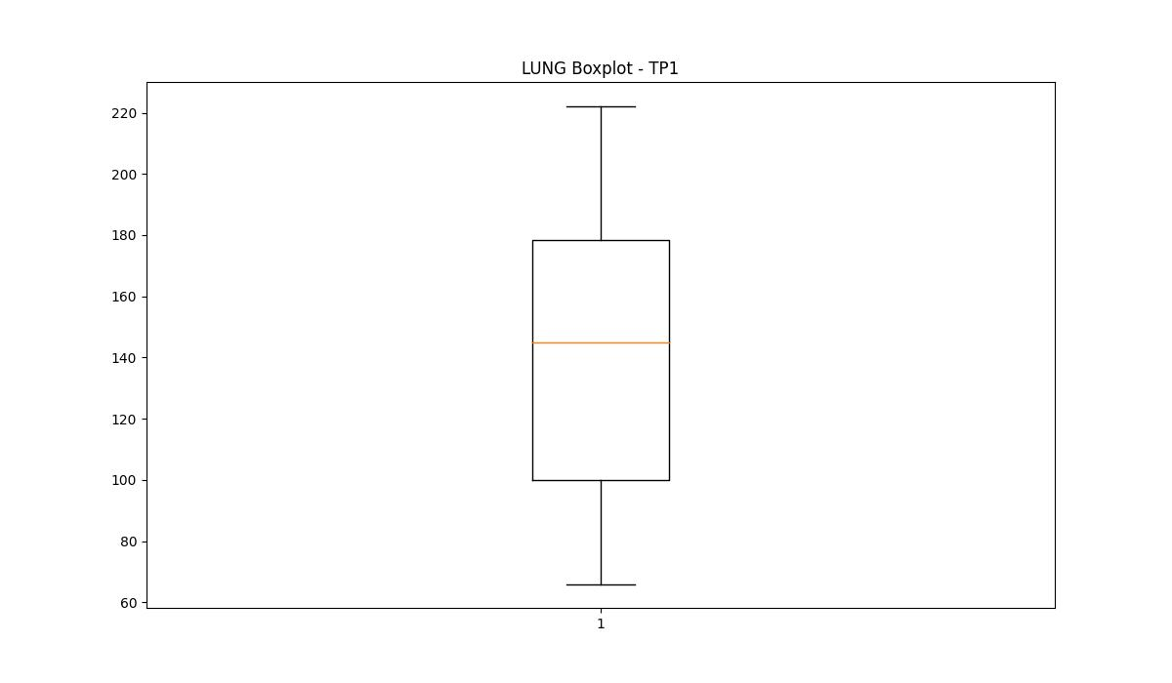
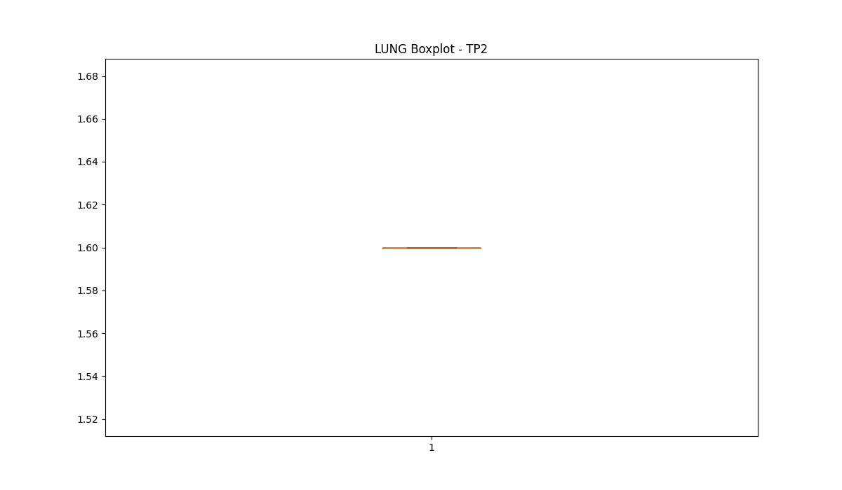

BOXPLOT SENZA OUTLIERS

DIAM

numTP |  | 4 | 21 | 1 | 2
DIAM outliers |  | [] | [] | [] | []
upper_bound |  | 8 | 357.5 | 290 | 300
lower_bound |  | 8 | -198.5 | -22 | 300

statistiche con outliers: |  |  |  |  |  | statistiche senza outliers:
numTP |  | 4 | 21 | 1 | 2 | numTP |  | 4 | 21 | 1 | 2
DIAM | max | 8 | 350 | 181 | 300 | DIAM | max | 8 | 350 | 181 | 300
 | min | 8 | 6 | 6 | 300 |  | min | 8 | 6 | 6 | 300
 | avg | 8 | 84.784000831 | 119.47889231 | 300 |  | avg | 8 | 84.784000831 | 119.47889231 | 300
 | median | 8 | 100 | 105 | 300 |  | median | 8 | 100 | 105 | 300

BOXPLOT CON OUTLIERS
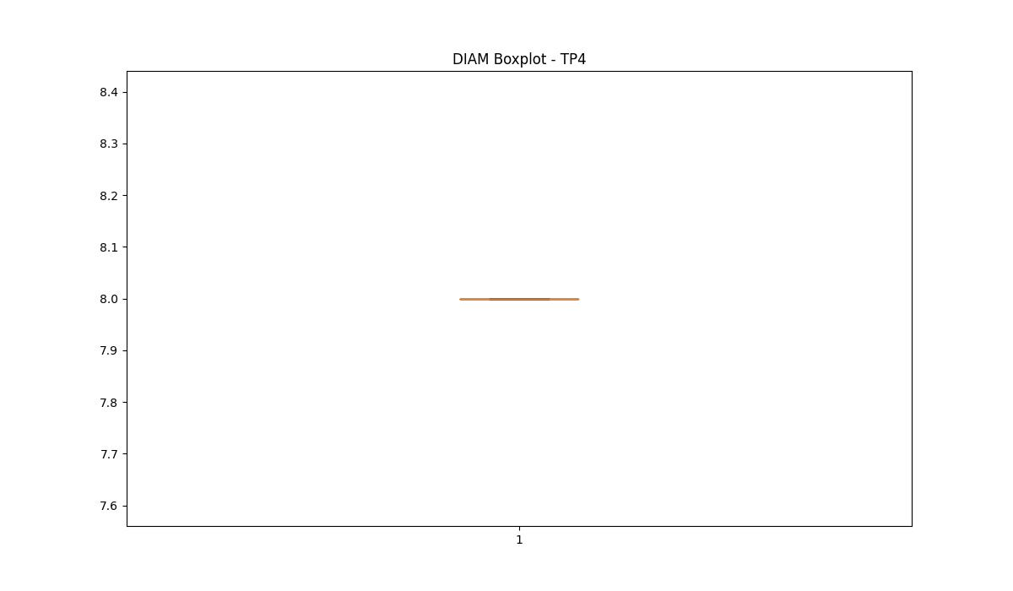
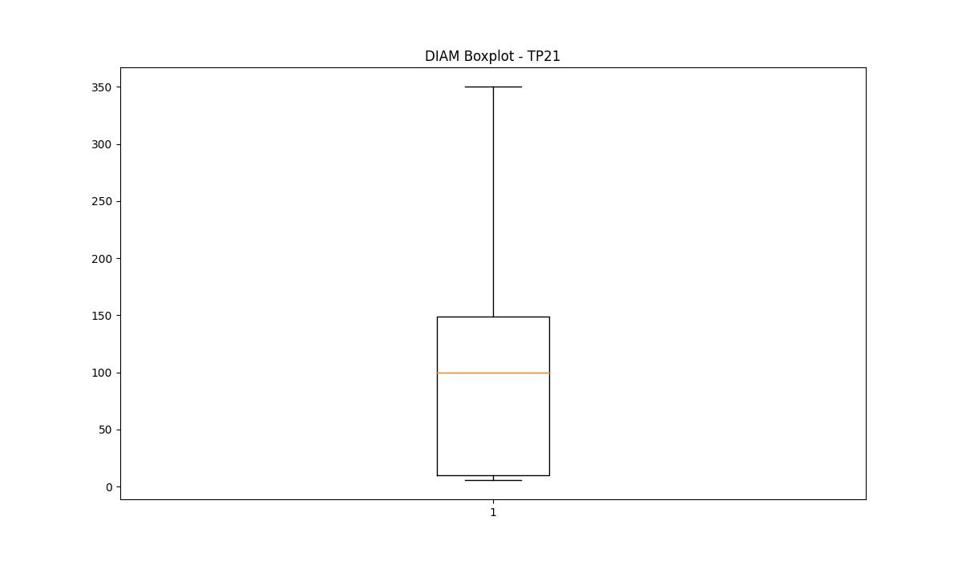
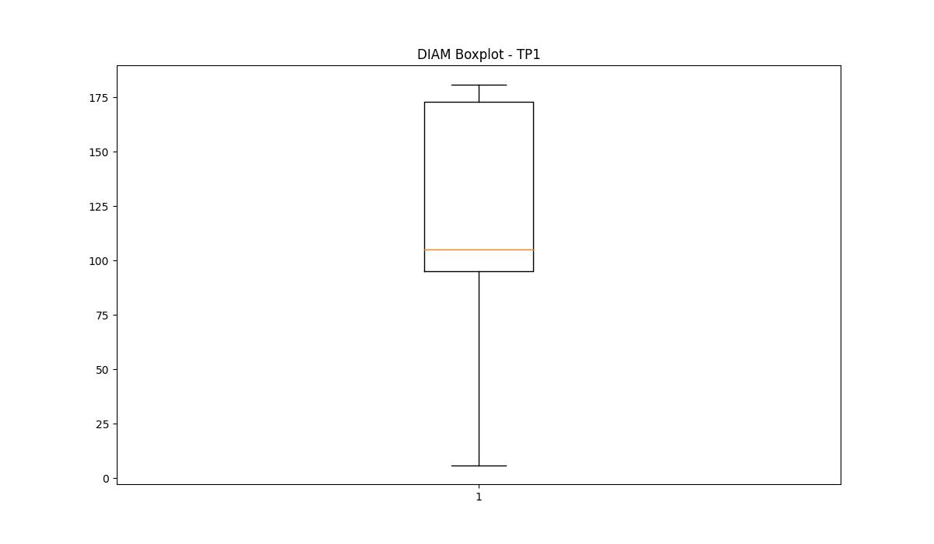
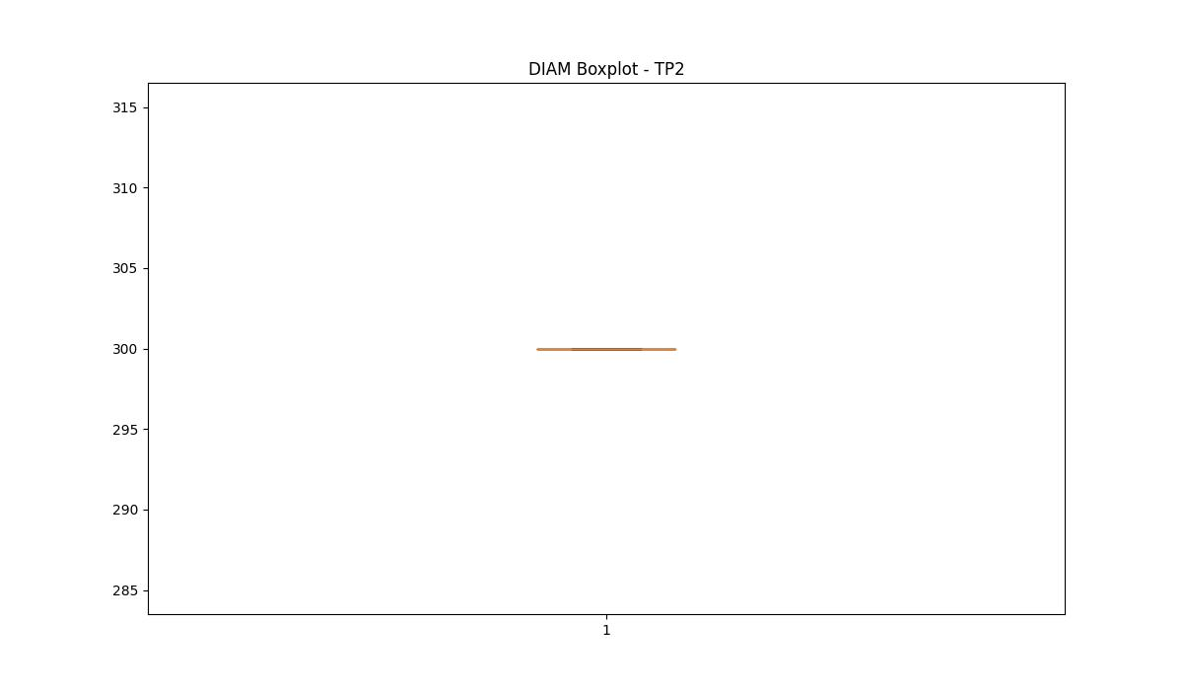

BOXPLOT SENZA OUTLIERS

