Sheet1
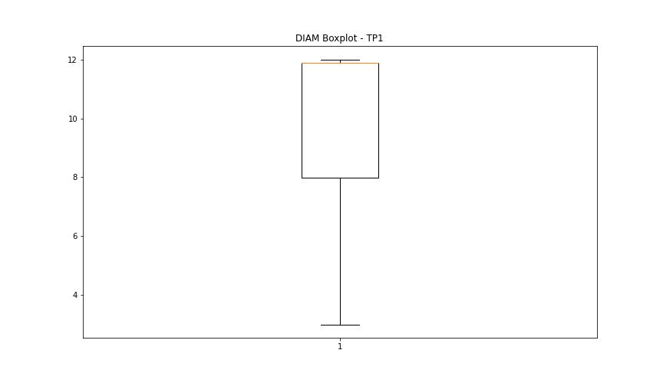
statorCelsius

numTP |  | 1
statorCelsius outliers |  | [48. 47. 17. 18. 49. 50. 51.]
upper_bound |  | 46.5
lower_bound |  | 18.5

statistiche con outliers: |  |  | statistiche senza outliers:
numTP |  | 1 | numTP |  | 1
statorCelsius | max | 51 | statorCelsius | max | 46
 | min | 17 |  | min | 19
 | avg | 32.771237779 |  | avg | 32.695993204
 | median | 32 |  | median | 32

BOXPLOT CON OUTLIERS
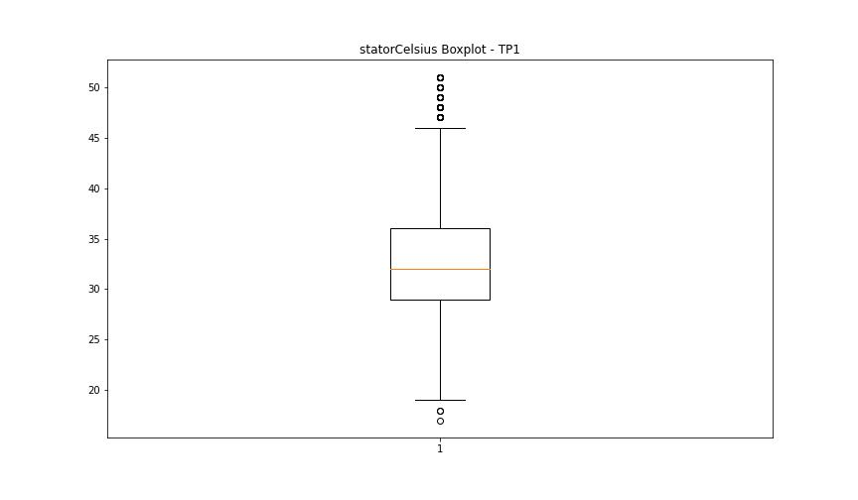

BOXPLOT SENZA OUTLIERS

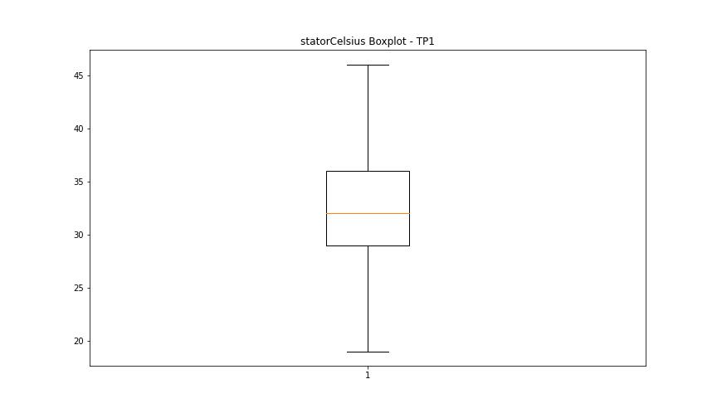

bearingsCelsius

numTP |  | 1
bearingsCelsius outliers |  | []
upper_bound |  | 49.5
lower_bound |  | 13.5

statistiche con outliers: |  |  | statistiche senza outliers:
numTP |  | 1 | numTP |  | 1
bearingsCelsius | max | 43 | bearingsCelsius | max | 43
 | min | 17 |  | min | 17
 | avg | 30.852920459 |  | avg | 30.852920459
 | median | 29 |  | median | 29

BOXPLOT CON OUTLIERS
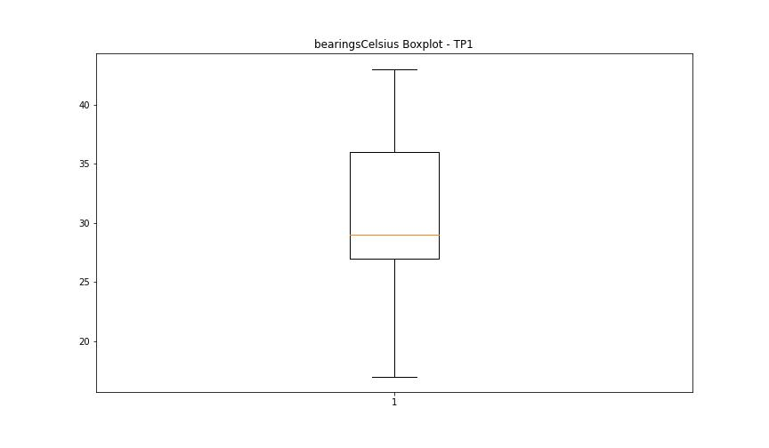

BOXPLOT SENZA OUTLIERS

spindleRpm

numTP |  | 1
spindleRpm outliers |  | [4.8980e+03 6.3490e+03 8.4100e+03 8.3190e+03 8.3530e+03 8.3130e+03 8.3460e+03 8.3910e+03 8.3780e+03 8.3170e+03 8.3310e+03 8.3610e+03 8.3540e+03 8.3880e+03 8.3900e+03 8.3960e+03 8.3770e+03 8.3380e+03 8.4130e+03 8.3930e+03 8.3120e+03 8.3570e+03 8.3790e+03 8.3340e+03 8.3150e+03 8.4020e+03 8.3800e+03 8.3710e+03 8.4040e+03 8.3470e+03 8.3500e+03 8.3640e+03 8.3830e+03 8.3740e+03 8.3360e+03 8.3630e+03 8.4060e+03 8.3230e+03 8.3860e+03 8.3350e+03 0.0000e+00 8.3680e+03 8.3600e+03 8.3940e+03 8.3410e+03 8.3180e+03 8.3020e+03 8.3100e+03 8.3160e+03 8.3590e+03 8.3990e+03 8.4030e+03 8.3850e+03 8.3580e+03 8.3690e+03 8.3240e+03 8.3620e+03 8.3840e+03 8.3400e+03 4.6600e+02 8.3430e+03 8.3730e+03 8.3070e+03 8.3810e+03 8.4000e+03 8.3950e+03 8.3560e+03 8.4010e+03 8.3890e+03 8.3270e+03 8.3820e+03 8.3670e+03 8.3750e+03 8.3080e+03 8.3330e+03 8.2980e+03 8.3660e+03 8.3870e+03 8.3280e+03 8.4080e+03 8.3980e+03 8.3250e+03 8.3760e+03 8.4120e+03 8.3050e+03 8.3260e+03 8.4090e+03 8.3200e+03 8.3320e+03 8.3480e+03 8.3420e+03 8.1150e+03 8.3550e+03 8.3440e+03 8.3510e+03 8.3000e+03 8.3970e+03 8.4070e+03 8.3720e+03 8.3210e+03 8.3220e+03 4.6870e+03 8.3520e+03 8.3090e+03 5.3270e+03 5.3150e+03 8.3920e+03 8.3390e+03 8.4050e+03 3.1530e+03 8.3290e+03 8.3300e+03 1.2200e+03 8.3650e+03 8.3490e+03 8.3140e+03 8.3010e+03 7.9020e+03 7.9040e+03 7.3310e+03 7.1350e+03 8.3370e+03 1.2700e+03 2.4660e+03 8.3060e+03 8.3450e+03 8.3700e+03 4.3280e+03 7.3780e+03 2.1320e+03 5.6300e+02 8.5830e+03 8.3030e+03 8.3110e+03 7.9090e+03 8.4110e+03 3.4500e+02 8.2210e+03 1.5620e+03 6.5920e+03 8.3040e+03 7.1000e+03 6.6220e+03 1.5440e+03 2.9210e+03 2.0150e+03 6.0810e+03 2.7520e+03 6.9800e+03 2.6860e+03 8.4160e+03 5.0830e+03 2.9280e+03 4.5080e+03 8.4960e+03 1.0055e+04 4.2690e+03 5.3610e+03 1.3600e+02 5.0720e+03 3.9200e+02 5.6660e+03 1.3680e+03 8.9670e+03 8.2400e+03 8.2330e+03 1.0000e+00 1.0294e+04 1.4370e+03 1.0110e+03 1.0010e+03 1.0170e+03 1.0030e+03 1.0150e+03 9.7800e+02 7.5990e+03 8.591
upper_bound |  | 30514.5
lower_bound |  | 10494.5

statistiche con outliers: |  |  | statistiche senza outliers:
numTP |  | 1 | numTP |  | 1
spindleRpm | max | 23077 | spindleRpm | max | 23077
 | min | 0 |  | min | 11106
 | avg | 20423.065735 |  | avg | 21053.466363
 | median | 22038 |  | median | 22922

BOXPLOT CON OUTLIERS
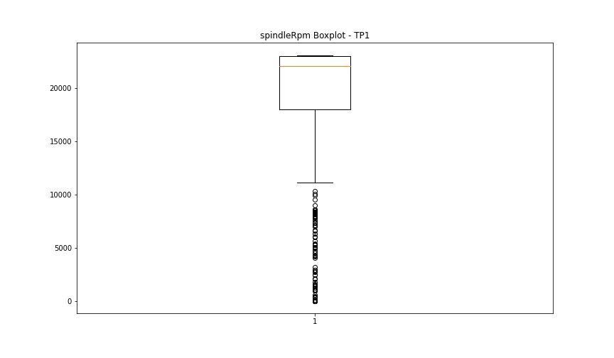

BOXPLOT SENZA OUTLIERS

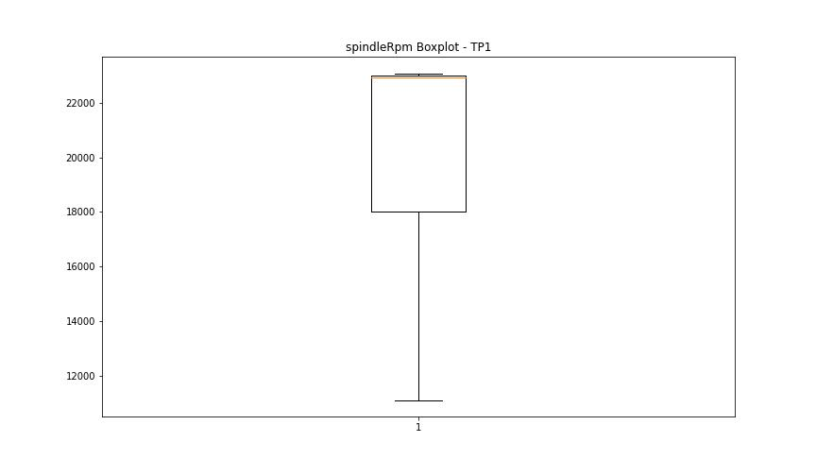

rpmSetPoint

numTP |  | 1
rpmSetPoint outliers |  | [8400. 1000.]
upper_bound |  | 30500
lower_bound |  | 10500

statistiche con outliers: |  |  | statistiche senza outliers:
numTP |  | 1 | numTP |  | 1
rpmSetPoint | max | 23000 | rpmSetPoint | max | 23000
 | min | 1000 |  | min | 15000
 | avg | 20509.391113 |  | avg | 21095.935728
 | median | 23000 |  | median | 23000

BOXPLOT CON OUTLIERS
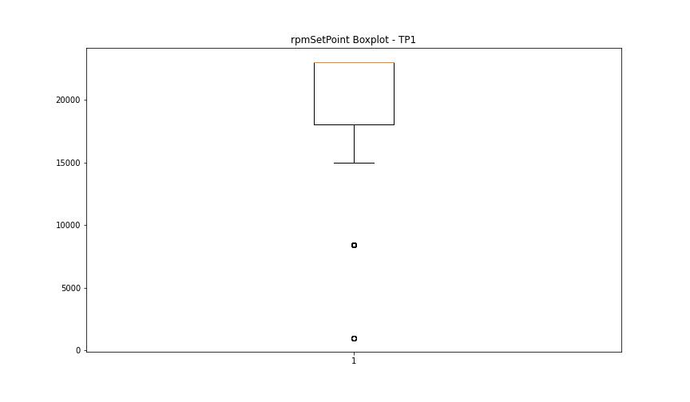

BOXPLOT SENZA OUTLIERS

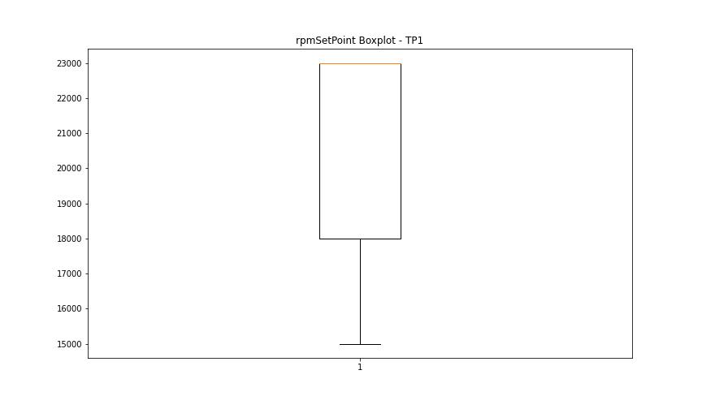

CurrentPeak

numTP |  | 1
CurrentPeak outliers |  | [20.757 20.552 6.766 10.183 20.518 9.129 7.48 8.891 12.716 21.454 20.774 5.508 7.735 9.792 9.112 8.534 11.696 8.007 4.811 3.502 1.666 9.078 8.67 20.672 7.905 20.587 23.766 21.93 21.403 20.621 20.705 21.913 23.493 20.535 21.947 7.293 6.392 13.481 13.192 20.688 10.098 9.979 21.046 20.009 6.919 8.84 20.961 12.087 21.097 20.825 18.768 21.556 12.512 20.74 21.844 20.875 21.726 19.431 20.655 22.253 23.29 20.723 24.089 21.641 8.449 13.804 14.212 21.028 22.677 20.91 21.386 22.559 21.896 21.334 9.044 5.661 10.472 11.917 21.743 22.167 22.27 20.604 22.983 21.674 22.966 21.198 18.903 22.15 25.924 11.662 4.743 7.616 6.902 8.143 12.07 21.521 20.57 20.927 21.59 22.236 5.338 10.863 21.777 18.886 9.843 4.556 8.16 21.267 21.691 11.713 9.605 7.82 8.177 14.297 14.229 20.808 21.181 20.841 21.981 21.368 20.944 20.995 13.124 18.972 20.791 21.148 22.813 8.313 12.121 5.491 6.664 8.024 10.608 23.579 21.063 8.823 8.262 11.101 6.63 12.206 7.361 5.27 9.163 6.97 11.492 6.069 14.28 6.171 8.364 4.981 3.723 8.653 7.871 5.321 21.011 21.165 1.717 5.066 25.618 21.08 4.658 3.57 3.774 4.641 4.012 10.234 8.925 21.318 22.202 21.76 8.738 6.732 20.638 24.275 22.746 22.184 7.65 6.29 13.566 25.058 23.205 6.086 21.607 5.814 24.395 20.978 10.795 7.854 7.548 7.106 7.174 5.695 7.242 7.684 9.333 23.375 7.344 8.568 8.908 12.682 8.075 7.14 7.259 8.211 9.911 7.565 11.747 6.46 11.458 13.328 6.8 5.015 4.726 8.109 6.596 6.341 6.834 6.698 6.715 8.041 8.347 9.18 10.846 22.66 0.17 23.358 23. 5.61 8.33 21.233 22.627 22.337 21.879 22.695 7.956 7.922 9.894 10.268 8.245 9.146 5.287 4.046 22.643 20.858 24.344 4.947 8.415 5.712 18.938 6.851 13.243 7.939 5.253 6.358 4.131 23.783 21.131 1.938 4.318 2.533 21.114 23.732 21.658 21.573 20.893 23.256 21.471 22.797 22.44 24.225 22.865 22.406 11.067 21.42 22.134 21.216 16.898 23.562 21
upper_bound |  | 20.512
lower_bound |  | 20.032

statistiche con outliers: |  |  | statistiche senza outliers:
numTP |  | 1 | numTP |  | 1
CurrentPeak | max | 62.067 | CurrentPeak | max | 20.502
 | min | 0 |  | min | 20.059
 | avg | 20.13212406 |  | avg | 20.277653205
 | median | 20.264 |  | median | 20.264

BOXPLOT CON OUTLIERS
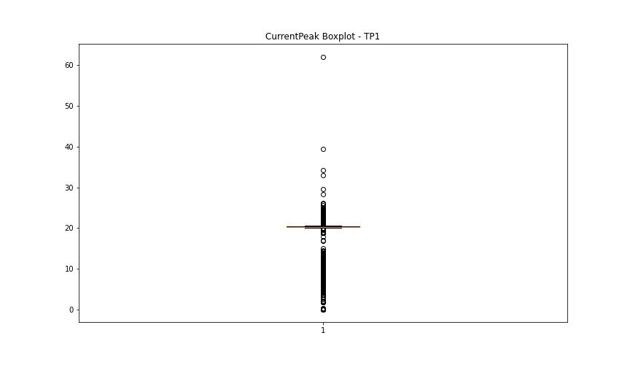

BOXPLOT SENZA OUTLIERS

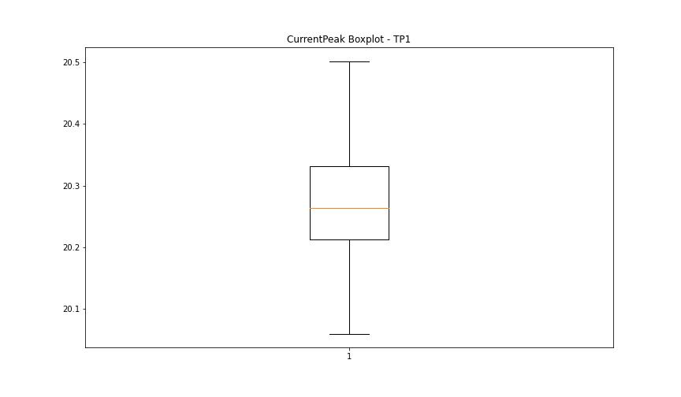

VibromPeak

numTP |  | 1
VibromPeak outliers |  | [ 7. 5.9 6.6 6.2 5.6 5.5 7.1 6.7 5.7 5.8 6.4 7.3 7.2 6. 6.8 6.1 7.5 6.3 8.1 6.5 7.6 7.8 7.7 6.9 7.4 8.2 8. 8.7 7.9 8.4 8.8 9.3 11.5 31.2 8.9 8.6 9.2 9.1 9.4 8.3 18.4 17.799 21.5 11.4 16.2 ]
upper_bound |  | 5.45
lower_bound |  | -1.35

statistiche con outliers: |  |  | statistiche senza outliers:
numTP |  | 1 | numTP |  | 1
VibromPeak | max | 31.2 | VibromPeak | max | 5.4
 | min | 0.1 |  | min | 0.1
 | avg | 2.1925606278 |  | avg | 2.1097096867
 | median | 2 |  | median | 2

BOXPLOT CON OUTLIERS
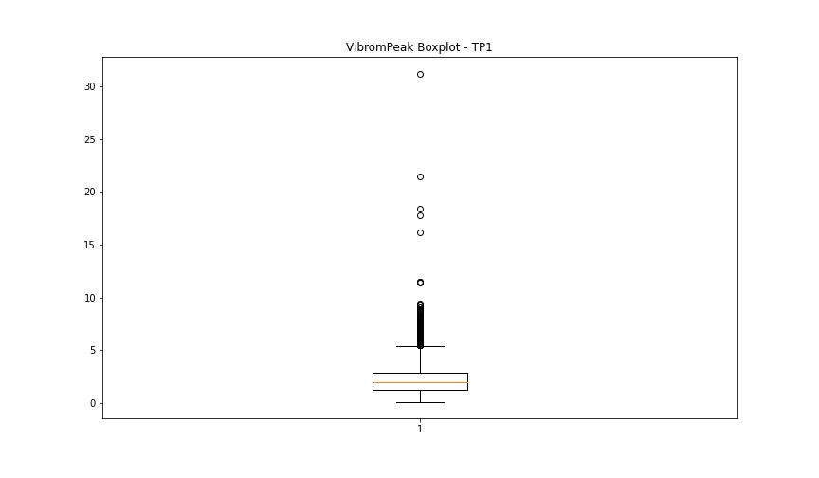

BOXPLOT SENZA OUTLIERS

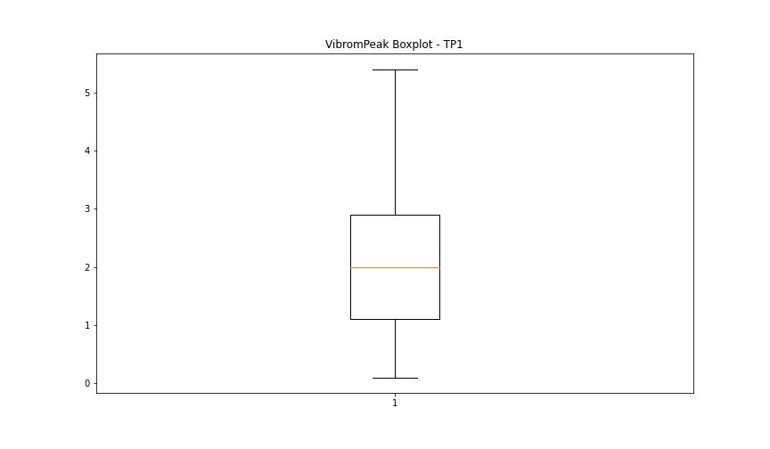

LUNG

numTP |  | 1
LUNG outliers |  | [156.059 151.1 100.779 151.699 100. 99.849 99.75 99.65 152.8 151.899 152.5 152.479 152.42 100.697 152.873 145.13 154.669 154.555 154.526 154.678]
upper_bound |  | 140.025
lower_bound |  | 101.425

statistiche con outliers: |  |  | statistiche senza outliers:
numTP |  | 1 | numTP |  | 1
LUNG | max | 156.059 | LUNG | max | 137.657
 | min | 99.65 |  | min | 101.69
 | avg | 121.46566434 |  | avg | 118.60975467
 | median | 122.759 |  | median | 122.419

BOXPLOT CON OUTLIERS
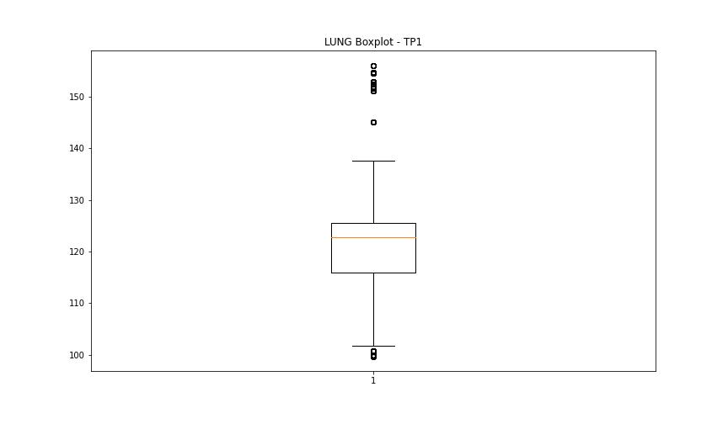

BOXPLOT SENZA OUTLIERS

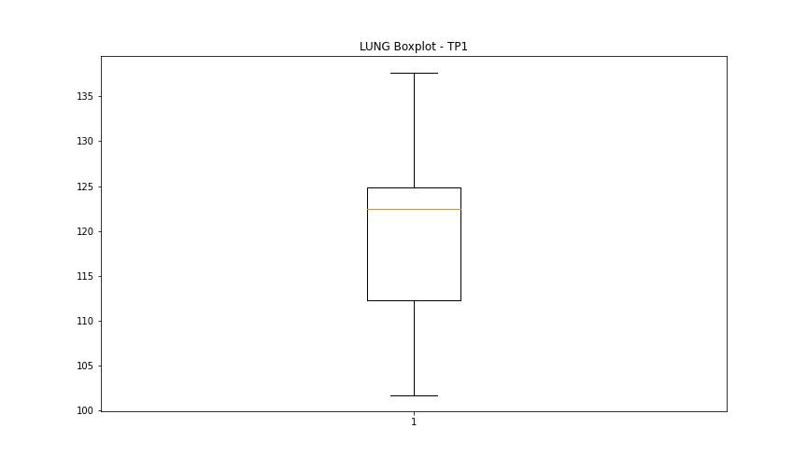

DIAM

numTP |  | 1
DIAM outliers |  | [ 20. 100.4 40. 180. 19.9 19.5]
upper_bound |  | 18.015
lower_bound |  | 1.975

statistiche con outliers: |  |  | statistiche senza outliers:
numTP |  | 1 | numTP |  | 1
DIAM | max | 180 | DIAM | max | 12
 | min | 2.99 |  | min | 2.99
 | avg | 19.439327717 |  | avg | 9.9161126078
 | median | 11.9 |  | median | 11.9

BOXPLOT CON OUTLIERS
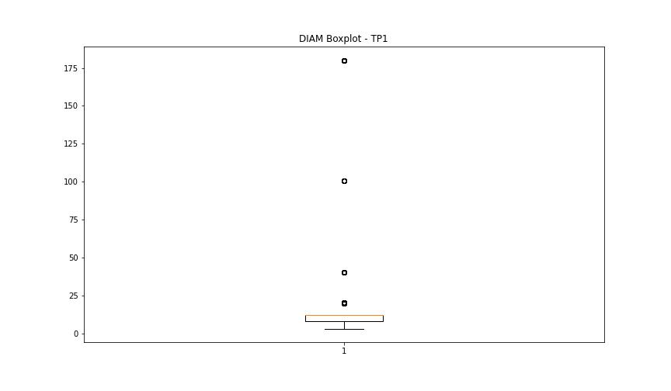

BOXPLOT SENZA OUTLIERS

