Sheet1
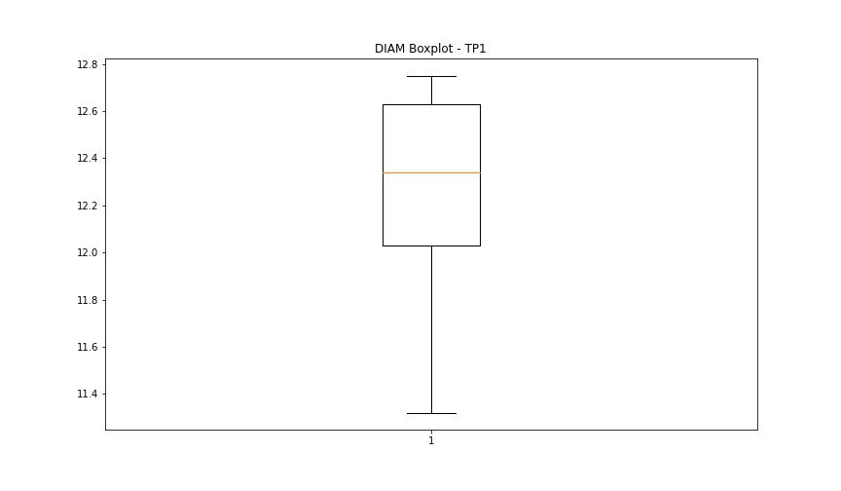
statorCelsius

numTP |  | 1
statorCelsius outliers |  | [23. 20. 21. 24. 22. 37. 38. 40. 39. 0. 18. 17. 19. 15. 16.]
upper_bound |  | 36.5
lower_bound |  | 24.5

statistiche con outliers: |  |  | statistiche senza outliers:
numTP |  | 1 | numTP |  | 1
statorCelsius | max | 40 | statorCelsius | max | 36
 | min | 0 |  | min | 25
 | avg | 30.25875938 |  | avg | 30.538453002
 | median | 31 |  | median | 31

BOXPLOT CON OUTLIERS
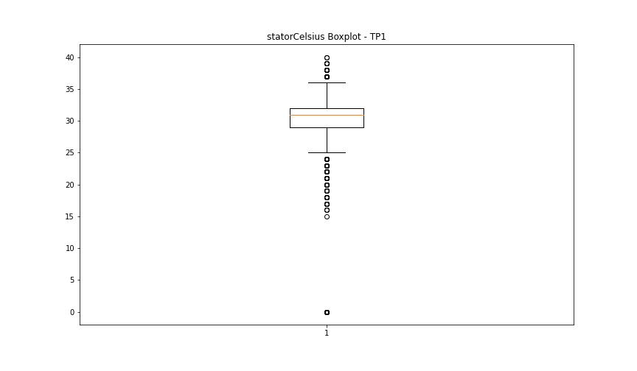

BOXPLOT SENZA OUTLIERS

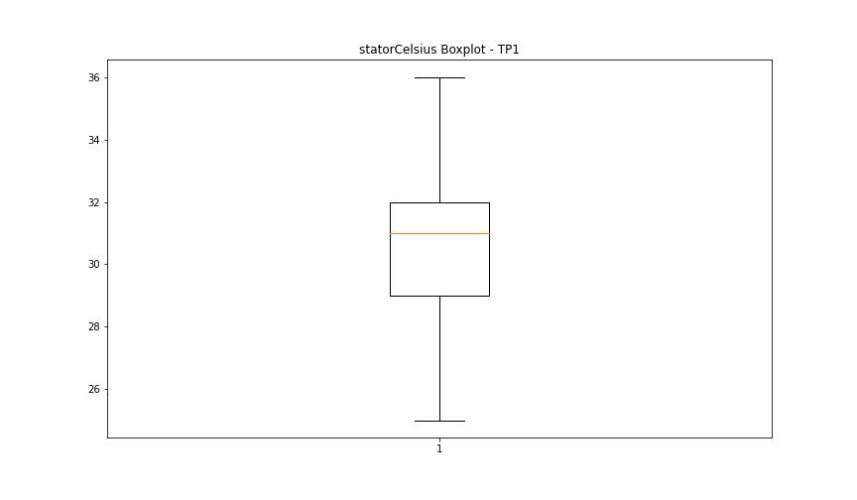

bearingsCelsius

numTP |  | 1
bearingsCelsius outliers |  | [19. 20. 21. 34. 0. 18. 16. 17. 15. 14.]
upper_bound |  | 33.5
lower_bound |  | 21.5

statistiche con outliers: |  |  | statistiche senza outliers:
numTP |  | 1 | numTP |  | 1
bearingsCelsius | max | 34 | bearingsCelsius | max | 33
 | min | 0 |  | min | 22
 | avg | 27.586783998 |  | avg | 27.86491093
 | median | 27 |  | median | 27

BOXPLOT CON OUTLIERS
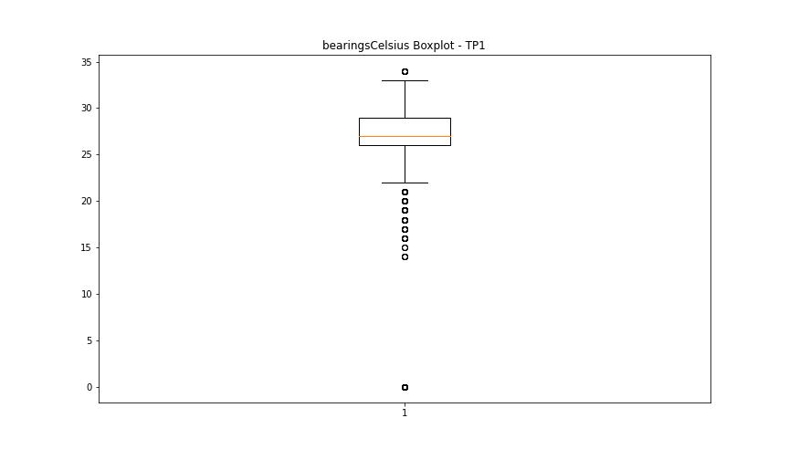

BOXPLOT SENZA OUTLIERS

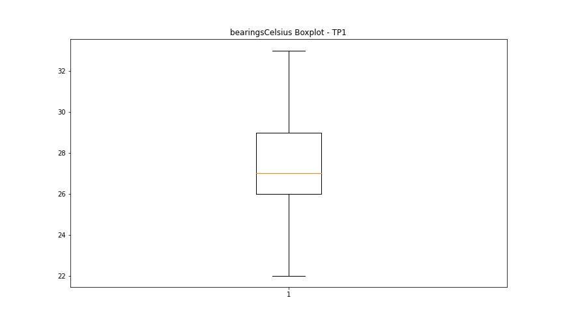

spindleRpm

numTP |  | 1
spindleRpm outliers |  | [ 4997. 9998. 14996. 5001. 10003. 15004. 5003. 9996. 15005. 4998. 10002. 13498. 13513. 13494. 13506. 15849. 13500. 16040. 13497. 13496. 13507. 13503. 13502. 13508. 13499. 13495. 15968. 16038. 13505. 16032. 15969. 16033. 15957. 16039. 13492. 15862. 13509. 16037. 13490. 13501. 16034. 15963. 16031. 13510. 15051. 15042. 15520. 15518. 15516. 15513. 15515. 15540. 13088. 15514. 15523. 15508. 16050. 13493. 15970. 13491. 13370. 15828. 15845. 15846. 15855. 15841. 15839. 15858. 15854. 15835. 16035. 13504. 16042. 15962. 15966. 13485. 13512. 11438. 0. 13518. 13516. 15959. 15967. 16043. 13488. 13515. 13489. 15834. 15850. 15842. 15843. 13368. 15847. 15863. 15865. 15853. 16041. 13514. 13483. 13511. 15838. 15859. 14204. 9454. 13486. 15965. 5000. 10000. 15955. 15961. 15836. 13487. 16036. 874. 13517. 14883. 14879. 14881. 14874. 14880. 14869. 14884. 14888. 14891. 14876. 14764. 5739. 15958.]
upper_bound |  | 16030.5
lower_bound |  | 15970.5

statistiche con outliers: |  |  | statistiche senza outliers:
numTP |  | 1 | numTP |  | 1
spindleRpm | max | 16050 | spindleRpm | max | 16030
 | min | 0 |  | min | 15971
 | avg | 15785.556605 |  | avg | 16001.644414
 | median | 16001 |  | median | 16001

BOXPLOT CON OUTLIERS
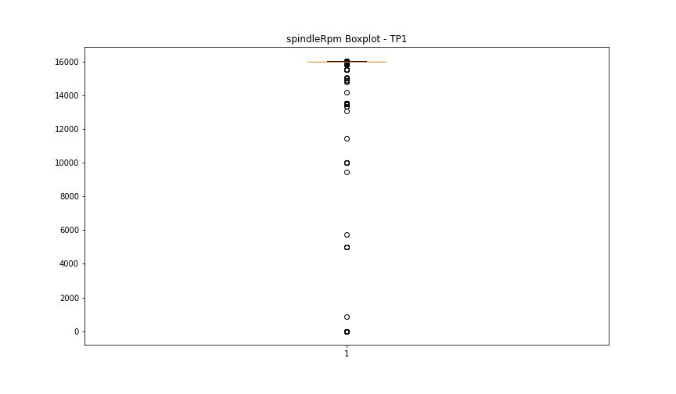

BOXPLOT SENZA OUTLIERS

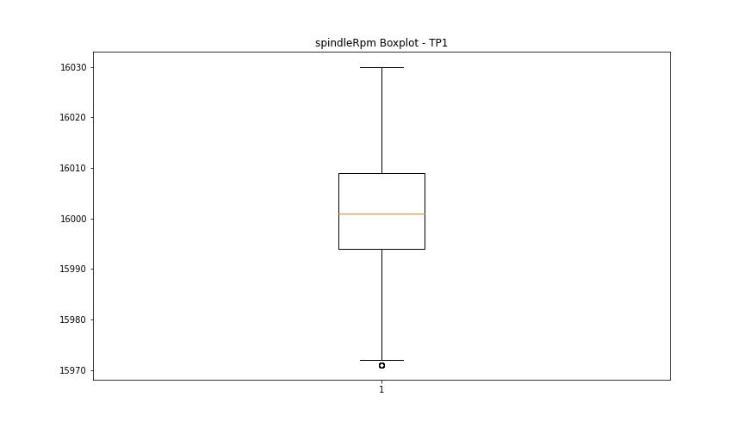

rpmSetPoint

numTP |  | 1
rpmSetPoint outliers |  | [ 5000. 10000. 15000. 13500. 0.]
upper_bound |  | 16000
lower_bound |  | 16000

statistiche con outliers: |  |  | statistiche senza outliers:
numTP |  | 1 | numTP |  | 1
rpmSetPoint | max | 16000 | rpmSetPoint | max | 16000
 | min | 0 |  | min | 16000
 | avg | 15793.661934 |  | avg | 16000
 | median | 16000 |  | median | 16000

BOXPLOT CON OUTLIERS
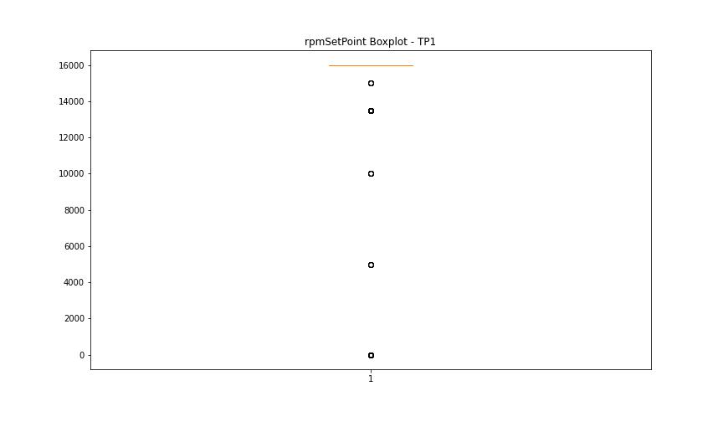

BOXPLOT SENZA OUTLIERS

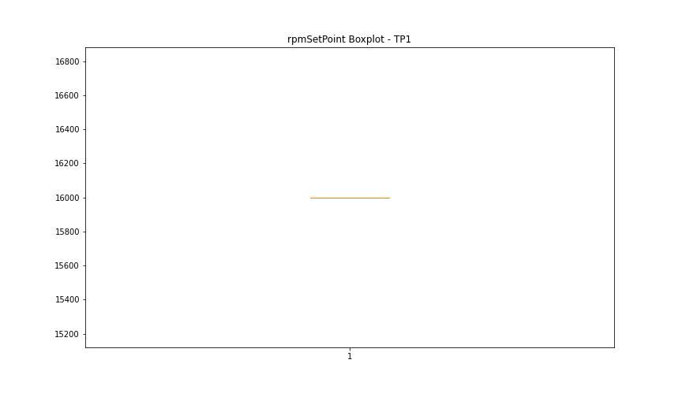

CurrentPeak

numTP |  | 1
CurrentPeak outliers |  | [ 7.667 8.432 7.837 7.745 8.446 7.802 8.368 13.976 13.551 13.714 13.622 13.643 13.579 13.607 12.829 12.843 12.772 14.16 13.565 13.961 12.737 12.8 13.699 8.404 4.162 3.078 3.83 3.125 4.223 3.045 3.815 4.021 3.139 3.801 13.593 14.33 12.751 14.584 13.657 8.339 2.952 2.811 3.909 3.107 4.491 4.397 3.186 4.288 14.188 12.63 13.685 8.325 2.999 3.327 4.505 3.06 3.736 12.814 7.575 8.276 12.786 12.588 8.418 4.679 3.345 3.407 4.852 14.025 8.231 3.956 3.313 4.191 3.172 3.942 14.039 8.292 4.083 4.176 4.523 4.476 3.28 14.436 2.872 2.966 3.233 4.429 3.895 2.778 3.595 4.303 3.031 12.708 14.28 4.758 3.515 4.632 3.374 4.552 4.129 3.298 4.097 8.31 3.392 4.711 4.838 3.454 4.27 3.783 3.439 3.974 3.768 4.65 4.115 3.36 3.58 4.036 4.068 4.05 4.538 8.386 8.433 3.266 3.219 3.092 12.722 14.358 14.372]
upper_bound |  | 13.544
lower_bound |  | 12.864

statistiche con outliers: |  |  | statistiche senza outliers:
numTP |  | 1 | numTP |  | 1
CurrentPeak | max | 14.584 | CurrentPeak | max | 13.537
 | min | 2.778 |  | min | 12.864
 | avg | 13.139866112 |  | avg | 13.206362958
 | median | 13.211 |  | median | 13.211

BOXPLOT CON OUTLIERS
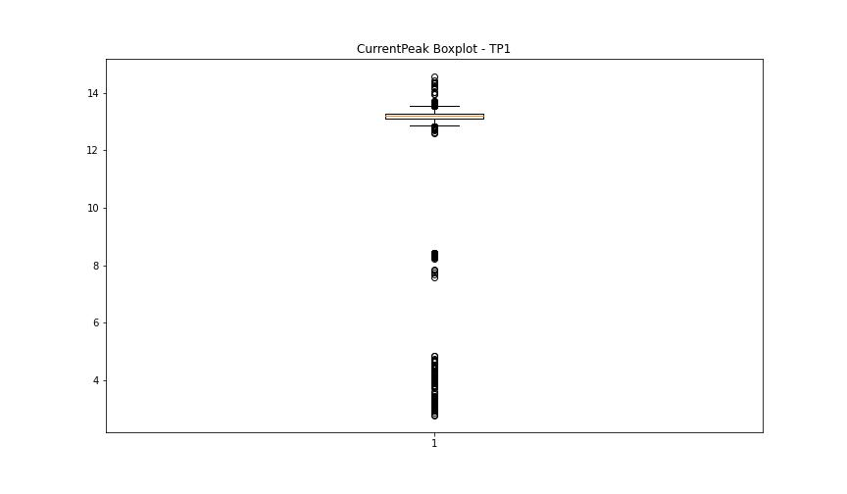

BOXPLOT SENZA OUTLIERS

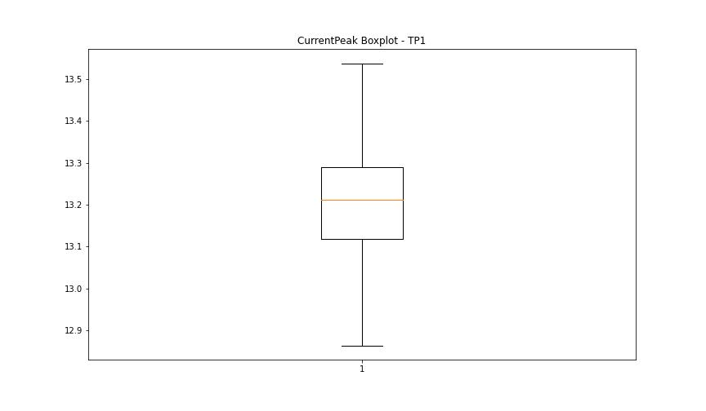

VibromPeak

numTP |  | 1
VibromPeak outliers |  | [2.3 2.4 2.7 2.5 2.2 3.1 2.6 3.2 4.9 4.3 3. 2.8 3.6 2.9 3.3]
upper_bound |  | 2.15
lower_bound |  | 0.15

statistiche con outliers: |  |  | statistiche senza outliers:
numTP |  | 1 | numTP |  | 1
VibromPeak | max | 4.9 | VibromPeak | max | 2.1
 | min | 0.2 |  | min | 0.2
 | avg | 1.1874381424 |  | avg | 1.1541559602
 | median | 1.1 |  | median | 1.1

BOXPLOT CON OUTLIERS
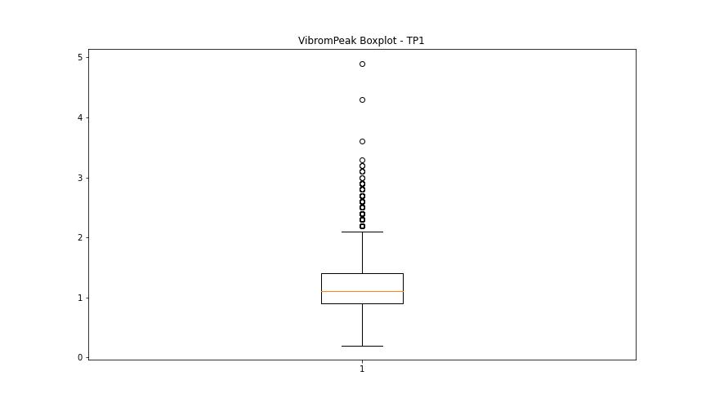

BOXPLOT SENZA OUTLIERS

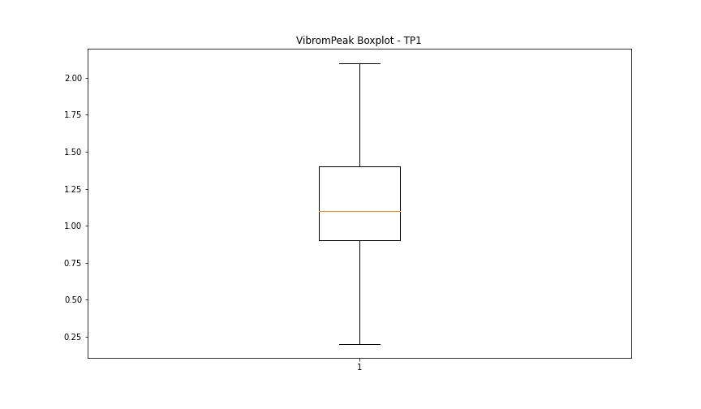

LUNG

numTP |  | 1
LUNG outliers |  | [115. 114.999 107.529 115.069 113.791 107.48 113.752]
upper_bound |  | 129.154
lower_bound |  | 116.154

statistiche con outliers: |  |  | statistiche senza outliers:
numTP |  | 1 | numTP |  | 1
LUNG | max | 128.677 | LUNG | max | 128.677
 | min | 107.48 |  | min | 118.62
 | avg | 122.17212989 |  | avg | 122.89959581
 | median | 122.599 |  | median | 122.86

BOXPLOT CON OUTLIERS
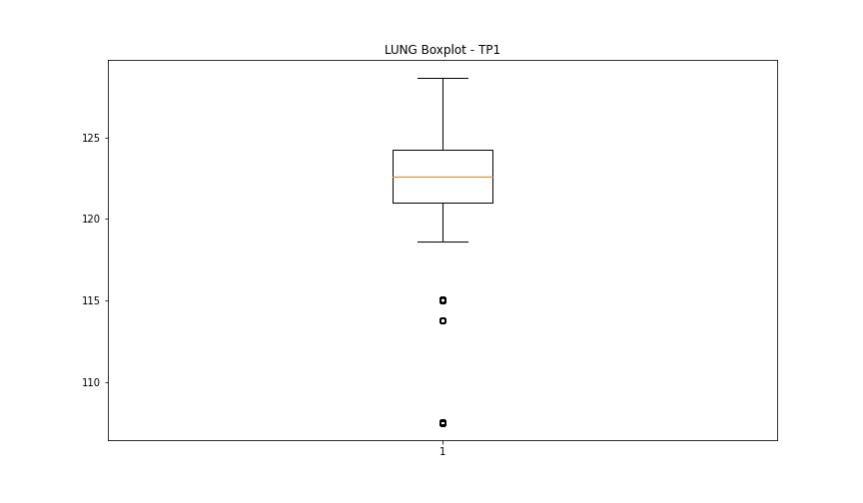

BOXPLOT SENZA OUTLIERS

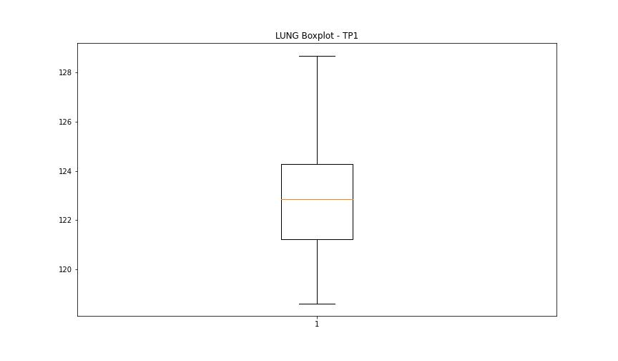

DIAM

numTP |  | 1
DIAM outliers |  | [100. 6.35]
upper_bound |  | 13.53
lower_bound |  | 11.13

statistiche con outliers: |  |  | statistiche senza outliers:
numTP |  | 1 | numTP |  | 1
DIAM | max | 100 | DIAM | max | 12.75
 | min | 6.35 |  | min | 11.32
 | avg | 15.432302219 |  | avg | 12.303595554
 | median | 12.34 |  | median | 12.34

BOXPLOT CON OUTLIERS
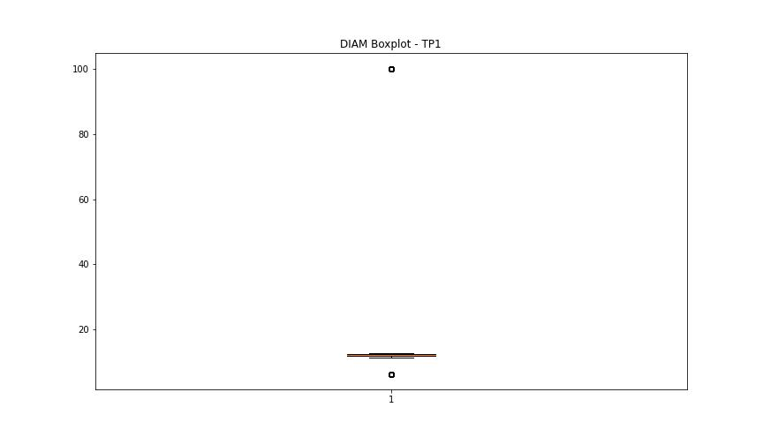

BOXPLOT SENZA OUTLIERS

