Sheet1
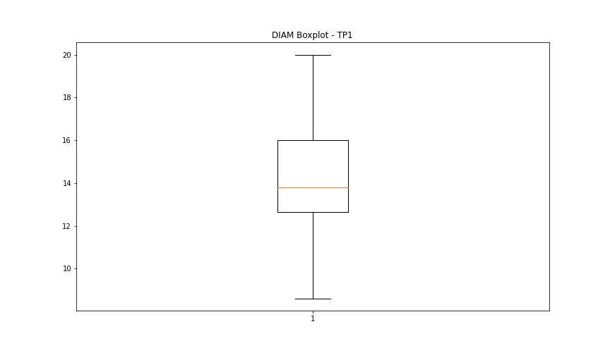
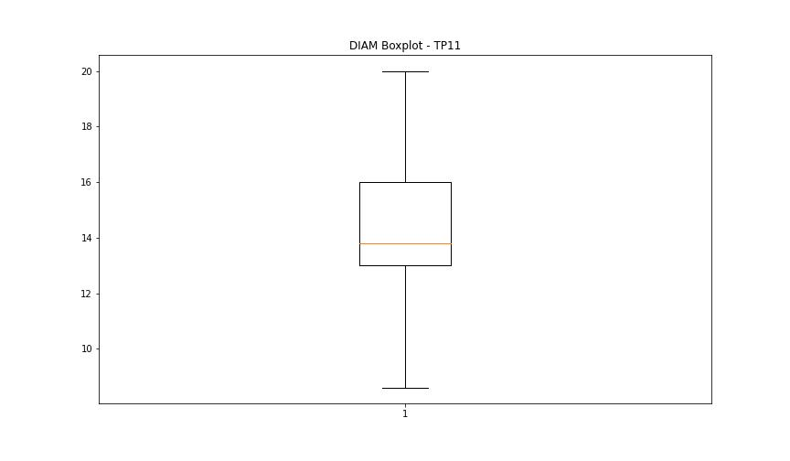
statorCelsius

numTP |  | 1 | 11
statorCelsius outliers |  | [21. 20. 19. 18. 22. 16. 17.] | [21. 20. 19. 18. 16. 55. 17. 15.]
upper_bound |  | 55 | 54
lower_bound |  | 23 | 22

statistiche con outliers: |  |  |  | statistiche senza outliers:
numTP |  | 1 | 11 | numTP |  | 1 | 11
statorCelsius | max | 52 | 55 | statorCelsius | max | 52 | 54
 | min | 16 | 15 |  | min | 23 | 22
 | avg | 38.365098222 | 37.487112844 |  | avg | 38.455995224 | 37.576964947
 | median | 39 | 39 |  | median | 39 | 39

BOXPLOT CON OUTLIERS
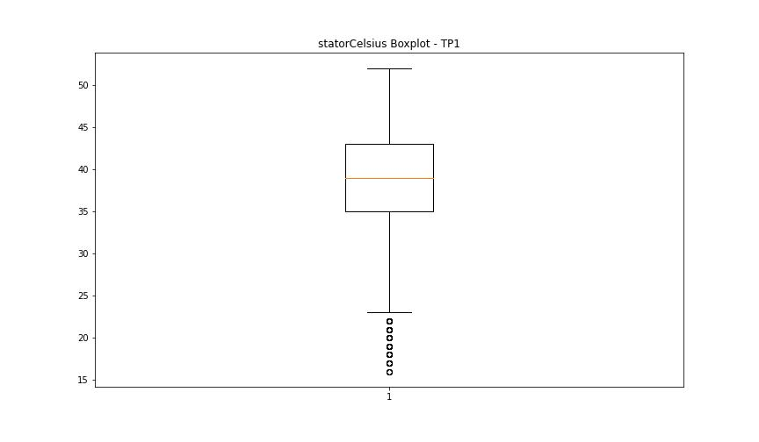
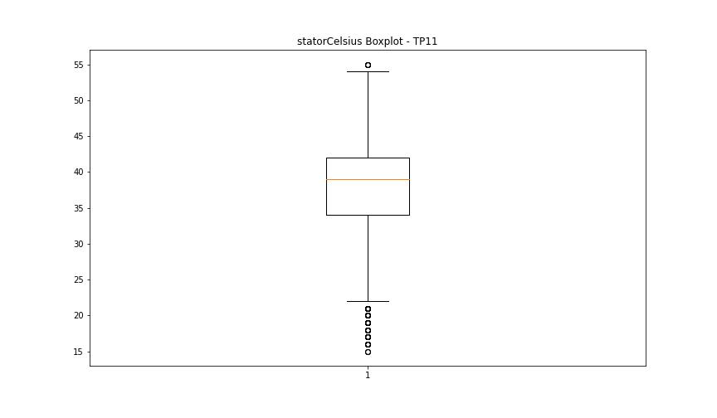

BOXPLOT SENZA OUTLIERS

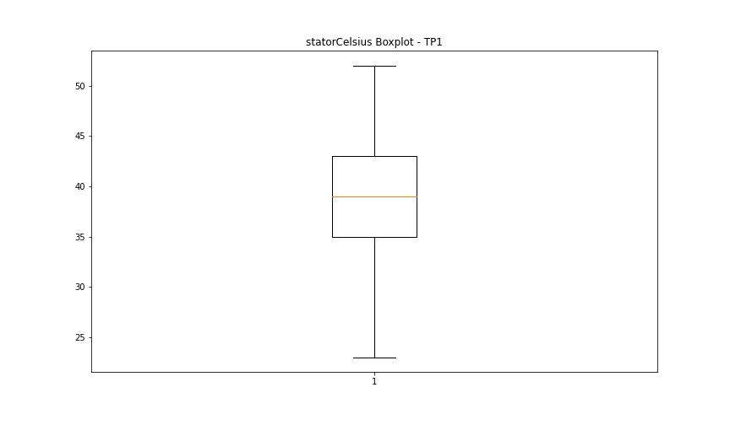
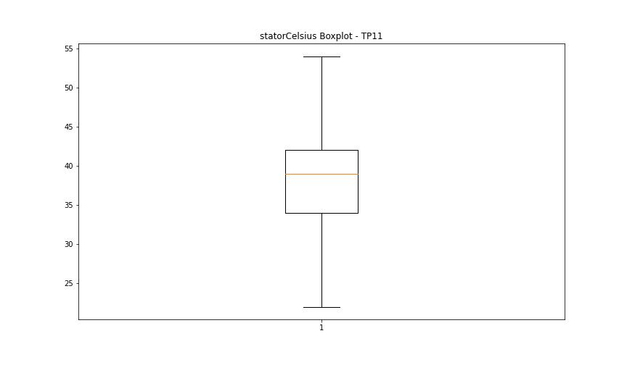

bearingsCelsius

numTP |  | 1 | 11
bearingsCelsius outliers |  | [21. 20. 19. 18. 17.] | [21. 20. 19. 18. 17. 16. 15.]
upper_bound |  | 41.5 | 38
lower_bound |  | 21.5 | 22

statistiche con outliers: |  |  |  | statistiche senza outliers:
numTP |  | 1 | 11 | numTP |  | 1 | 11
bearingsCelsius | max | 40 | 38 | bearingsCelsius | max | 40 | 38
 | min | 17 | 15 |  | min | 22 | 22
 | avg | 31.243752387 | 29.973828604 |  | avg | 31.295925326 | 30.085470397
 | median | 32 | 30 |  | median | 32 | 30

BOXPLOT CON OUTLIERS
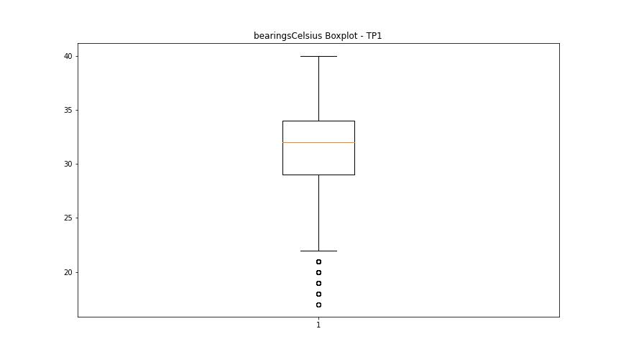
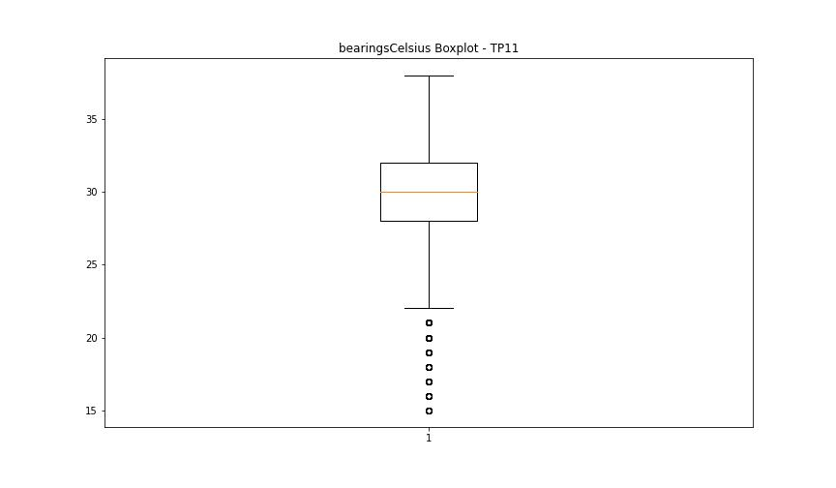

BOXPLOT SENZA OUTLIERS

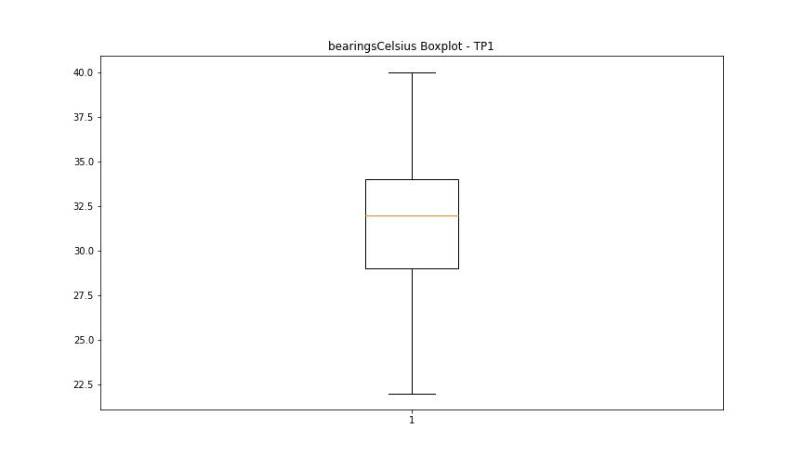
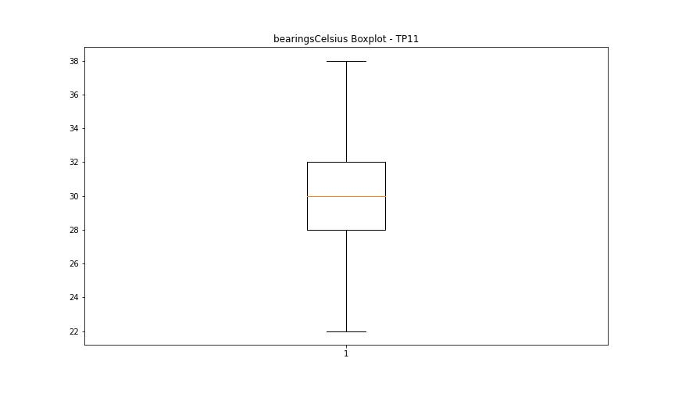

spindleRpm

numTP |  | 1 | 11
spindleRpm outliers |  | [21998. 21990. 21995. 22000. 21982. 22003. 22018. 21987. 22020. 22010. 21983. 22008. 21985. 22035. 22013. 21980. 21993. 22023. 22005. 22033. 21977. 22030. 21988. 22028. 21975. 22038. 21992. 22002. 22015. 21997. 22048. 21967. 21972. 16243. 21970. 22025. 21964. 22017. 22007. 21962. 22012. 22043. 16151. 8621. 16804. 16100. 23717. 23511. 23721. 22022. 21949. 21952. 21942. 22045. 22058. 21978. 21954. 21969. 21957. 22040. 21934. 22053. 21959. 22071. 22055. 21937. 22063. 22051. 21947. 21974. 22050. 22078. 22027. 21960. 22124. 15545. 22041. 22046. 21944. 2208. 21927. 5538. 21965. 22032. 14320. 17588. 22068. 18000. 18022. 18011. 17994. 18010. 17997. 18007. 17990. 18004. 17995. 17985. 18014. 17992. 18006. 17999. 18002. 13140. 9301. 16781. 15404. 13202. 13713. 5946. 5899. 5821. 5550. 4718. 7564. 6606. 22073. 21932. 22083. 21922. 5516. 21912. 21984. 22061. 21907. 14410. 16331. 21897. 22088. 21917. 22081. 21979. 21832. 22121. 21902. 8970. 10362. 21930. 22099. 22086. 8942. 21884. 21877. 24263. 22096. 23630. 21882. 21929. 22109. 21904. 24217. 22070. 22056. 22060. 22026. 22066. 21895. 21920. 21872. 24175. 22094. 22111. 16636. 5992. 13212. 9259. 9230. 22104. 22114. 23723. 23680. 21778. 23485. 23523. 23572. 21480. 23566. 23552. 21604. 23480. 23549. 23526. 21543. 23500. 23491. 23514. 23592. 21592. 23471. 23531. 23506. 21575. 23488. 21652. 23520. 21584. 23457. 23578. 21509. 23477. 23503. 23497. 21551. 23509. 23517. 21633. 23494. 21538. 23543. 21582. 23560. 21560. 23537. 21528. 23465. 23534. 21545. 23468. 21596. 21643. 21562. 23546. 21526. 23563. 21606. 21621. 23554. 21626. 23569. 23529. 21616. 23483. 21521. 21601. 23448. 21572. 21924. 21945. 18012. 18005. 17993. 17989. 18009. 17960. 17983. 17980. 18043. 17972. 18027. 18016. 18019. 18017. 18028. 17953. 17982. 17987. 17957. 18015. 18023. 18031. 17996. 18024. 17984. 18021. 18001. 18020. 18018. 17978. 18034. 18026. 18051. 17975. 18013. 17969. 17963. 18033. 18029. 18082. | [22003. 22015. 21988. 21985. 22028. 21993. 21980. 21987. 21992. 21998. 21975. 22013. 22002. 21990. 22023. 22010. 22000. 22005. 22008. 21995. 9985. 9986. 9987. 22018. 21977. 22025. 21982. 21967. 22035. 21997. 22043. 9993. 9983. 22053. 21962. 22020. 22038. 21983. 9982. 22007. 22033. 9991. 21965. 21960. 22030. 21952. 22050. 21972. 9989. 22040. 22045. 18071. 23235. 23584. 19182. 19381. 19664. 22524. 21825. 21609. 22048. 22288. 22439. 22646. 22772. 22601. 22325. 23749. 23445. 23720. 22012. 20146. 9990. 9992. 21970. 21964. 21937. 21957. 9988. 23292. 22628. 21959. 21944. 21934. 9994. 9981. 21947. 22017. 9999. 22065. 9980. 21954. 21989. 21909. 22078. 21979. 9984. 2520. 21955. 9997. 16177. 9975. 9977. 21974. 10000. 10366. 5471. 9995. 9996. 23732. 17567. 9979. 9972. 19846. 19836. 19535. 20080. 21949. 4915. 2994. 9886. 6960. 21969. 7498. 21978. 21942. 10002. 9998. 14221. 17883. 17999. 18011. 17985. 17994. 18009. 18000. 18010. 18029. 18012. 18004. 17995. 18007. 17997. 17989. 18002. 17990. 11853. 13643. 7550. 15225. 15187. 13844. 9974. 11578. 16881. 13568. 5459. 12167. 13010. 9639. 9033. 15910. 8717. 5425. 7446. 13164. 23688. 8235. 6853. 5730. 10177. 6820. 11335. 17173. 20534. 22058. 17162. 18843. 19857. 12822. 9808. 9550. 9976. 22027. 7074. 22022. 21917. 8531. 21785. 23758. 23712. 23767. 23741. 21760. 23517. 23491. 23529. 21565. 23488. 23534. 23520. 21562. 23497. 23460. 23523. 23531. 21538. 23506. 23508. 23526. 23543. 21567. 9787. 23483. 21553. 21550. 23465. 23503. 23540. 21548. 23457. 23511. 21606. 23494. 23485. 23552. 23477. 23471. 23514. 21560. 9790. 23462. 23537. 23546. 21579. 23468. 23474. 23549. 23500. 21570. 23480. 21574. 21555. 21589. 13281. 10184. 18017. 17992. 17987. 18028. 18016. 17988. 18005. 18019. 18014. 17993. 18001. 18006. 18026. 18020. 17996. 17991. 18021. 9978. 17982. 18015. 2002. 17984. 18024. 18022. 17979. 15858. 17980. 23263. 23283. 17977. 17974. 17978.
upper_bound |  | 24168 | 24132
lower_bound |  | 23736 | 23796

statistiche con outliers: |  |  |  | statistiche senza outliers:
numTP |  | 1 | 11 | numTP |  | 1 | 11
spindleRpm | max | 24263 | 24087 | spindleRpm | max | 24162 | 24087
 | min | 2208 | 2002 |  | min | 23761 | 23817
 | avg | 23406.349909 | 23220.251823 |  | avg | 23992.357609 | 23992.029235
 | median | 23982 | 23983.5 |  | median | 23997 | 23994

BOXPLOT CON OUTLIERS
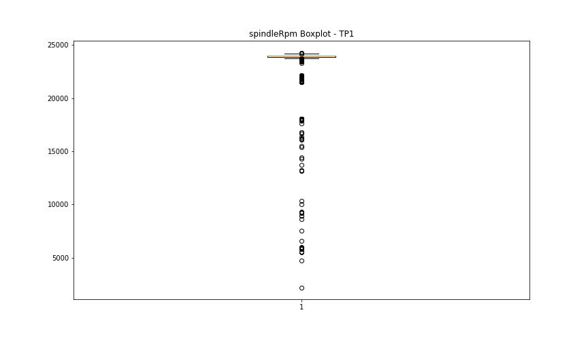
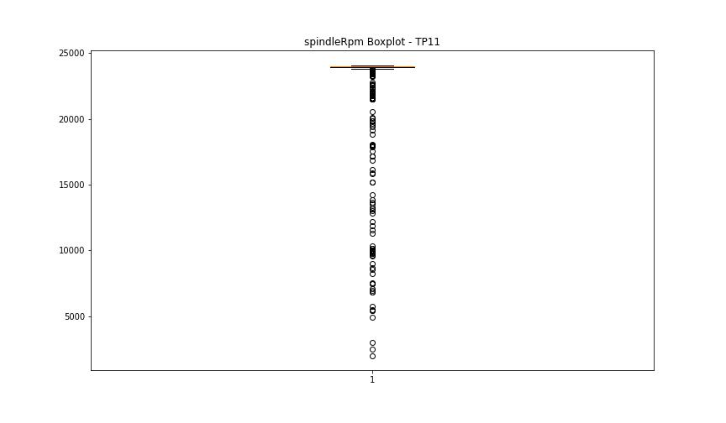

BOXPLOT SENZA OUTLIERS

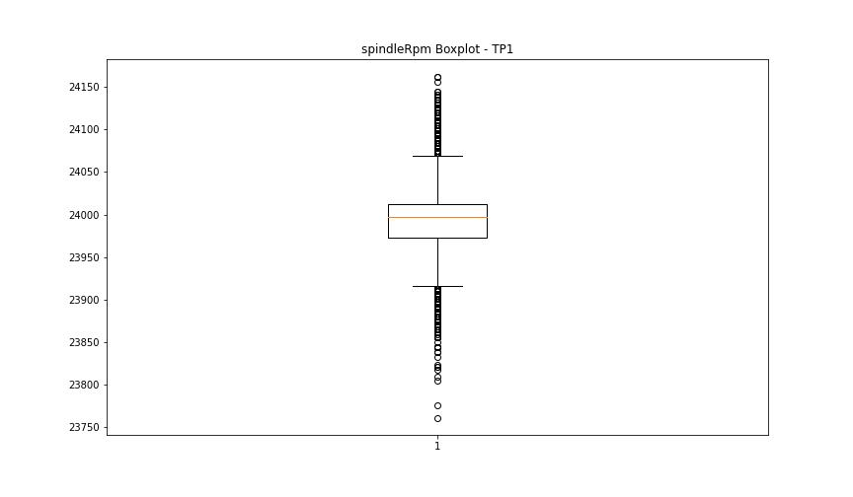
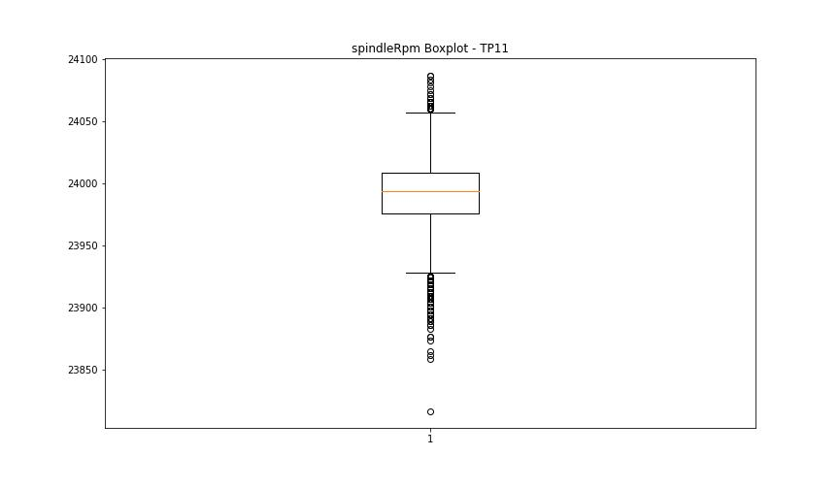

rpmSetPoint

numTP |  | 1 | 11
rpmSetPoint outliers |  | [22000. 18000.] | [22000. 10000. 18000.]
upper_bound |  | 24000 | 24000
lower_bound |  | 24000 | 24000

statistiche con outliers: |  |  |  | statistiche senza outliers:
numTP |  | 1 | 11 | numTP |  | 1 | 11
rpmSetPoint | max | 24000 | 24000 | rpmSetPoint | max | 24000 | 24000
 | min | 18000 | 10000 |  | min | 24000 | 24000
 | avg | 23433.578005 | 23253.194715 |  | avg | 24000 | 24000
 | median | 24000 | 24000 |  | median | 24000 | 24000

BOXPLOT CON OUTLIERS
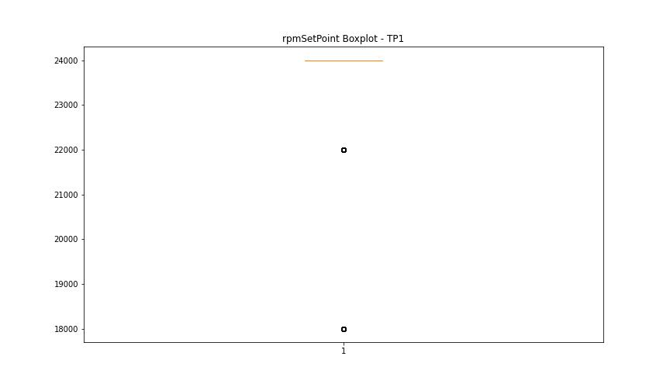
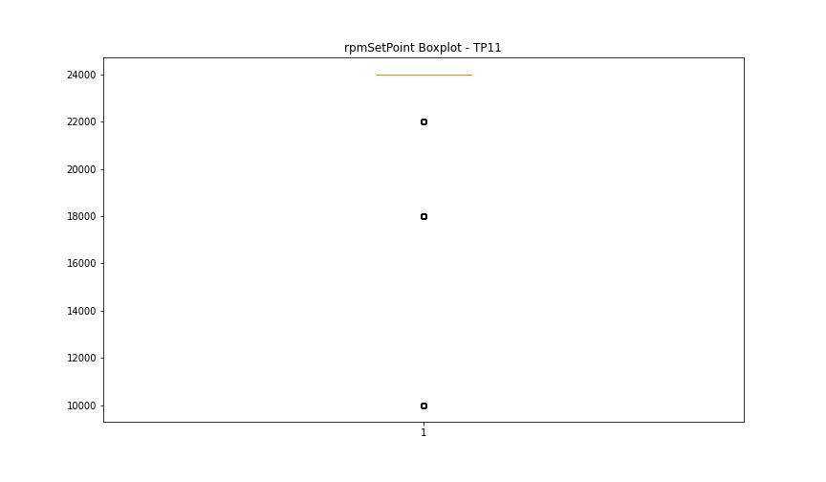

BOXPLOT SENZA OUTLIERS

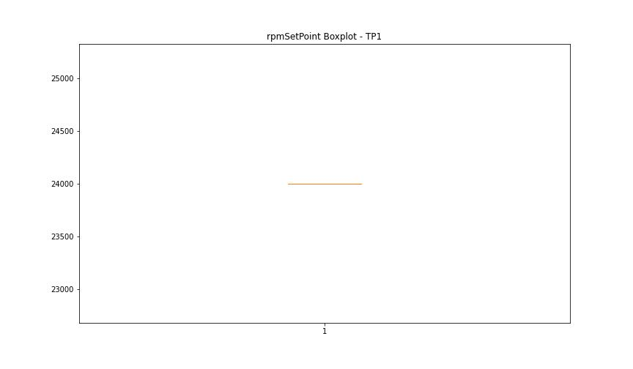


CurrentPeak

numTP |  | 1 | 11
CurrentPeak outliers |  | [3.632 3.646 3.787 3.752 3.617 3.773 3.894 3.709 3.511 3.844 3.603 4.368 1.677 3.483 0.792 0.821 0.757 1.203 3.235 3.037] | [4.623 2.718 4.701 2.244 3.462 4.333 4.46 1.996 5.543 5.713 4.184 3.646 1.72 2.428 3.83 0.885 1.295 0.778 0.438]
upper_bound |  | 23.572 | 25.126
lower_bound |  | 6.212 | 5.87

statistiche con outliers: |  |  |  | statistiche senza outliers:
numTP |  | 1 | 11 | numTP |  | 1 | 11
CurrentPeak | max | 21.629 | 21.126 | CurrentPeak | max | 21.629 | 21.126
 | min | 0.757 | 0.438 |  | min | 6.931 | 6.442
 | avg | 14.517987102 | 14.928834886 |  | avg | 14.528687519 | 14.936950005
 | median | 13.367 | 13.551 |  | median | 13.367 | 13.551

BOXPLOT CON OUTLIERS
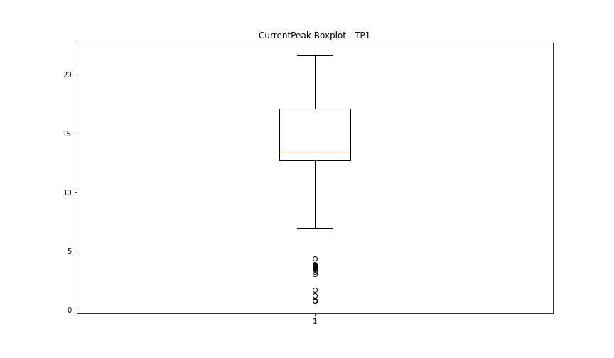
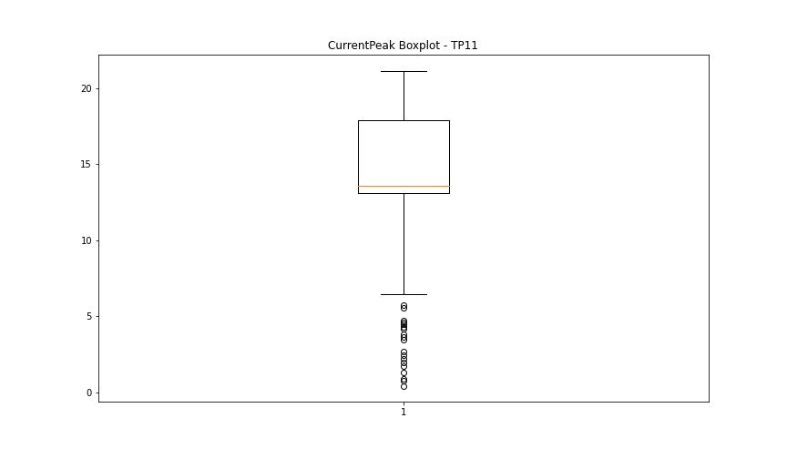

BOXPLOT SENZA OUTLIERS

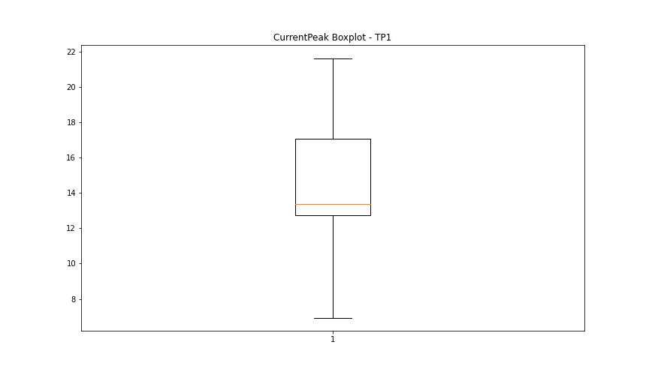
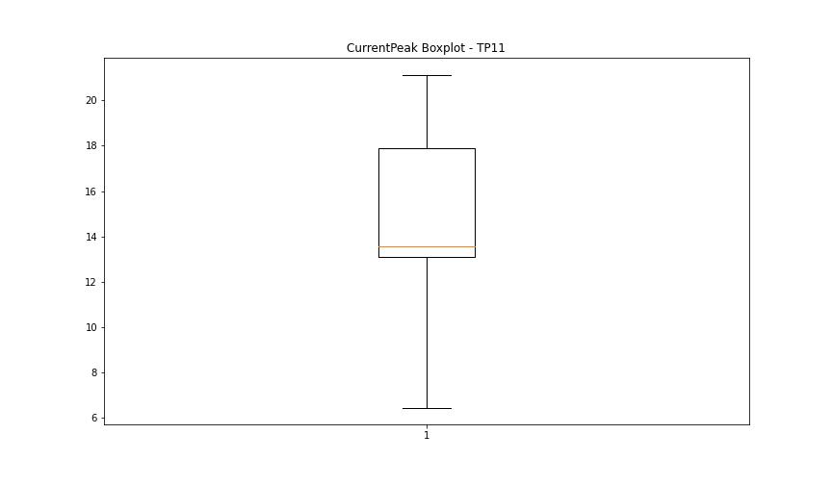

VibromPeak

numTP |  | 1 | 11
VibromPeak outliers |  | [ 5.5 6.9 9.6 8. 10.1 6.6 6.4 4.9 9.4 7.8 10.3 8.3 5.8 6.7 12.3 10.4 9.2 11.2 5. 5.1 6.2 7. 7.3 7.4 8.4 9.1 5.9 8.7 8.6 9.7 10.6 5.2 7.7 5.6 5.3 13.5 5.4 6. 4.7 6.5 7.1 7.5 5.7 4.8 7.2 7.6 7.9 6.3 6.8 6.1 9.5 8.9 9.3 9.8 10.2 10.7 11.6 13.3 13.7 9.9 11.3 11.4 11. 11.1 10. 9. 8.1 8.2 8.5 11.8 10.5 11.7 12.7 8.8 10.9 10.8 14.5 14.4 12.4 13. ] | [ 5.6 5.9 5.2 5.1 7.6 7.2 1.2 3.8 3.7 5.5 5.4 4.8 2.9 3.2 3.3 3.1 1.1 4.2 4.5 3.9 5. 4.3 3.5 4.4 5.3 5.8 6. 11.2 10.6 3.6 4.1 6.4 6.6 10.5 10.8 6.3 6.9 6.8 7.7 6.5 3. 3.4 4. 4.9 7. 17.9 4.6 7.9 7.1 8.3 8.5 7.3 4.7 6.2 7.4 7.5 6.1 6.7 5.7 8.6 8. 9.5 7.8 8.1 0.9 0.3 9.1 9.4 10.4 1. 0.4 0.6 0.8 0.2 0.1 0.7 8.7 8.2 8.4 9.3 9.6 10.2 10.7 11.5 9.7 9.9 9.8 13.6 12.3 12.5 12.7 12. 11.8 13. 12.6 8.8 9. 8.9 9.2 11.9 11. 0.5 10. ]
upper_bound |  | 4.65 | 2.9
lower_bound |  | -0.55 | 1.3

statistiche con outliers: |  |  |  | statistiche senza outliers:
numTP |  | 1 | 11 | numTP |  | 1 | 11
VibromPeak | max | 14.5 | 17.9 | VibromPeak | max | 4.6 | 2.8
 | min | 0.1 | 0.1 |  | min | 0.1 | 1.3
 | avg | 2.2634477492 | 2.3270594181 |  | avg | 2.0335749441 | 2.0857606605
 | median | 2 | 2.1 |  | median | 1.9 | 2.1

BOXPLOT CON OUTLIERS
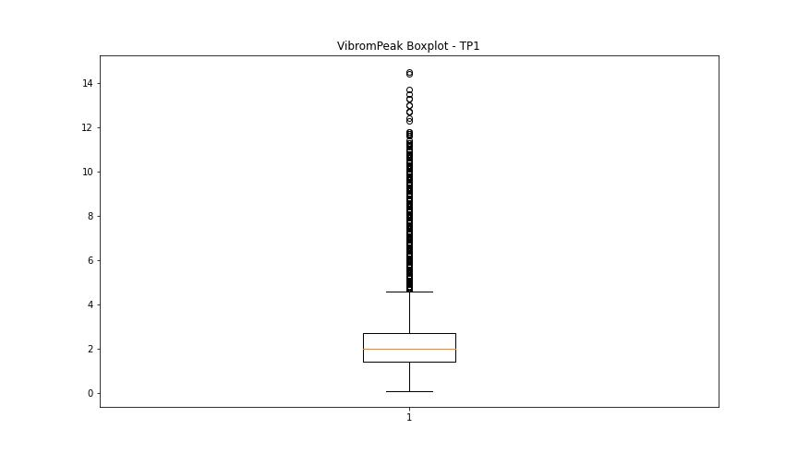
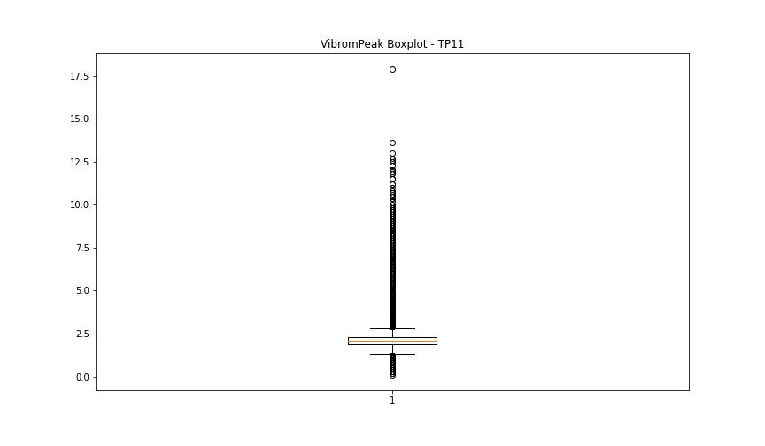

BOXPLOT SENZA OUTLIERS

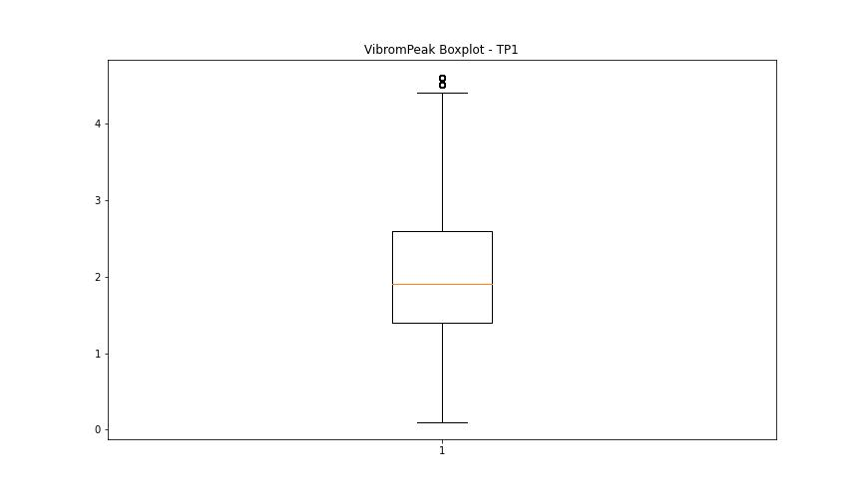
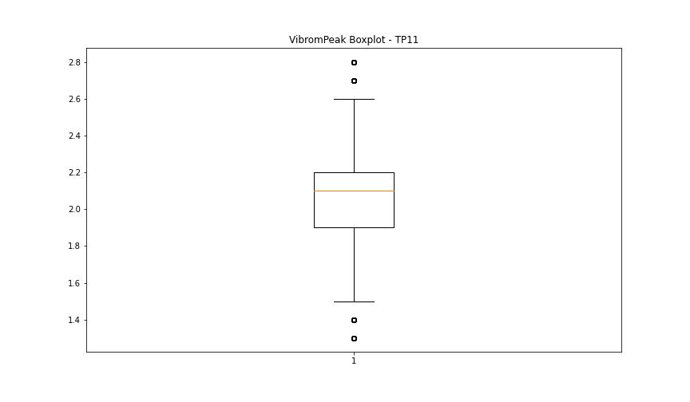

LUNG

numTP |  | 1 | 11
LUNG outliers |  | [104.9 104.849 104.949 105. 106.919 106.82 106.72 ] | [104.87 104.82 104.919 104.9 106.749 106.75 105. 106.759 104.949 106.66 106.76 106.83 106.779 106.68 106.73 106.529 106.43 106.33 ]
upper_bound |  | 130.255 | 130.205
lower_bound |  | 106.935 | 106.869

statistiche con outliers: |  |  |  | statistiche senza outliers:
numTP |  | 1 | 11 | numTP |  | 1 | 11
LUNG | max | 128.149 | 127.79 | LUNG | max | 128.149 | 127.79
 | min | 104.849 | 104.82 |  | min | 107.07 | 106.879
 | avg | 117.69742284 | 117.49801841 |  | avg | 118.50738341 | 119.31847816
 | median | 118.849 | 118.51 |  | median | 119.26 | 118.83

BOXPLOT CON OUTLIERS
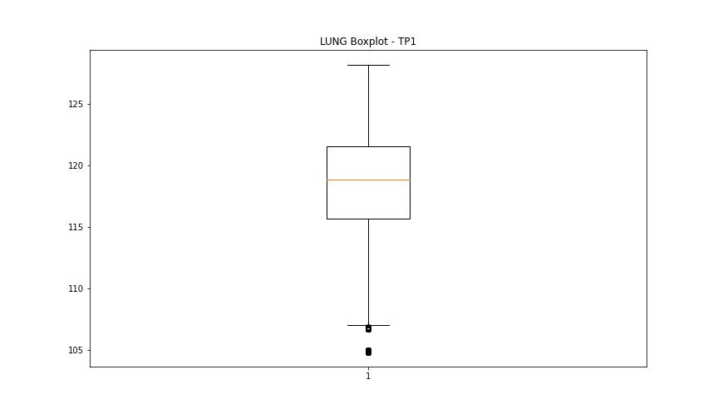
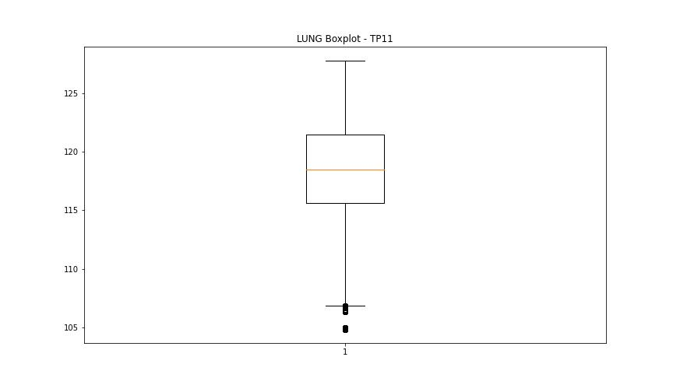

BOXPLOT SENZA OUTLIERS

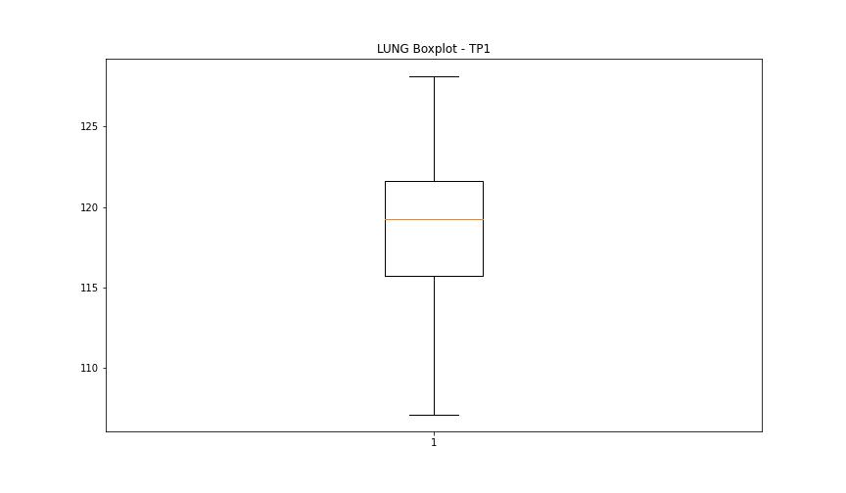
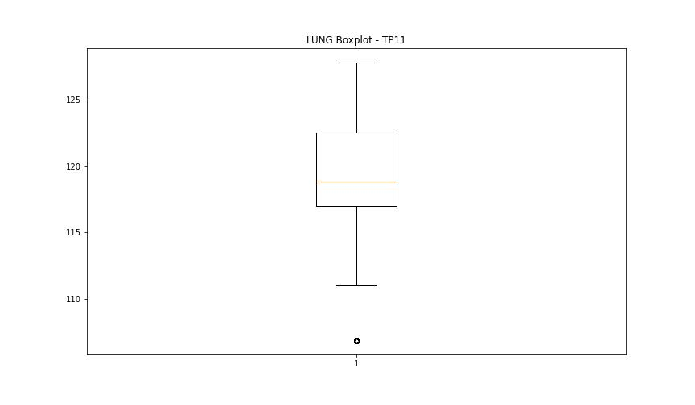

DIAM

numTP |  | 1 | 11
DIAM outliers |  | [ 4. 7.4 25. 33. 24.7 32.799 32.4 ] | [180. 4. 7.4 25. 33. 24.7 32.799 32.4 ]
upper_bound |  | 21.025 | 20.5
lower_bound |  | 7.625 | 8.5

statistiche con outliers: |  |  |  | statistiche senza outliers:
numTP |  | 1 | 11 | numTP |  | 1 | 11
DIAM | max | 33 | 180 | DIAM | max | 20 | 20
 | min | 4 | 4 |  | min | 8.6 | 8.6
 | avg | 13.866458314 | 16.551940149 |  | avg | 13.544593266 | 13.636729342
 | median | 13.8 | 13.8 |  | median | 13.8 | 13.8

BOXPLOT CON OUTLIERS
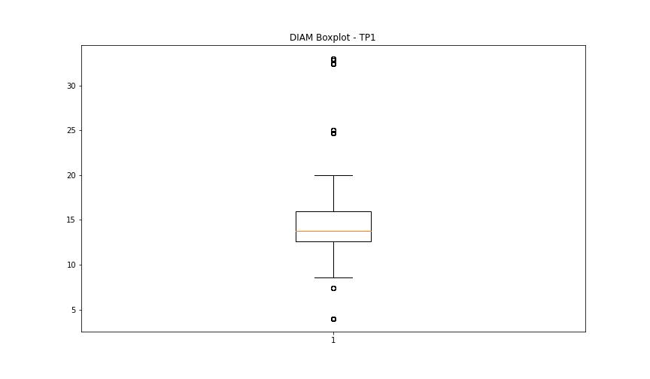
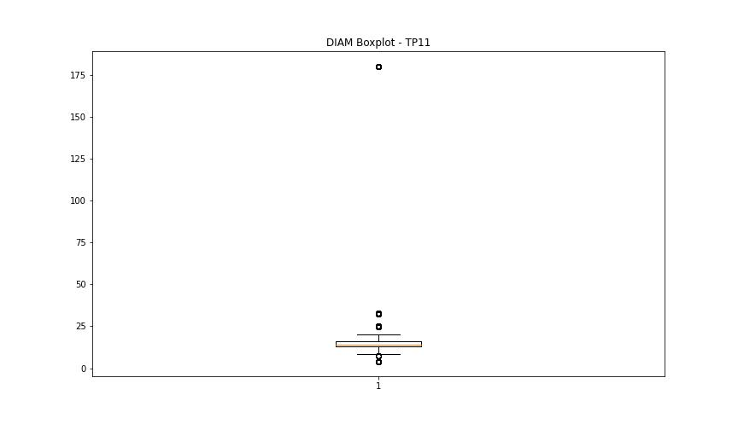

BOXPLOT SENZA OUTLIERS

