Sheet1
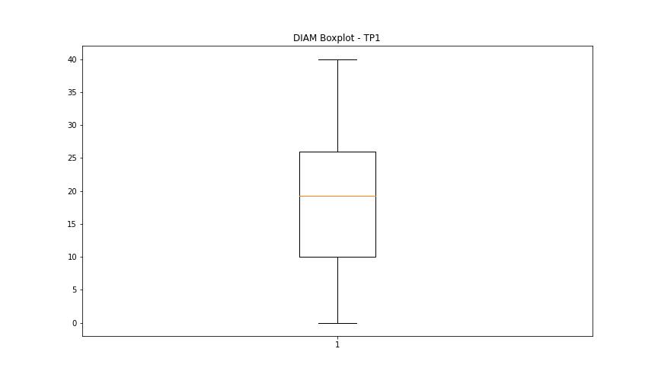
statorCelsius

numTP |  | 1
statorCelsius outliers |  | [18. 21. 24. 25. 26. 31. 32. 30. 29. 19. 28. 20. 23. 22. 27. 17. 16. 15. 53. 54. 56. 55. 57. 58. 59. 60. 61. 63. 62. 14. 13. 12.]
upper_bound |  | 52.5
lower_bound |  | 32.5

statistiche con outliers: |  |  | statistiche senza outliers:
numTP |  | 1 | numTP |  | 1
statorCelsius | max | 63 | statorCelsius | max | 52
 | min | 12 |  | min | 33
 | avg | 41.774944339 |  | avg | 42.148903338
 | median | 42 |  | median | 42

BOXPLOT CON OUTLIERS
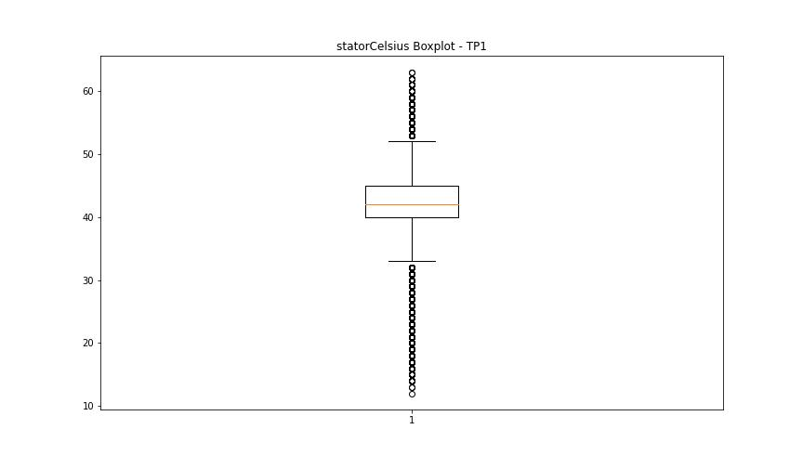

BOXPLOT SENZA OUTLIERS

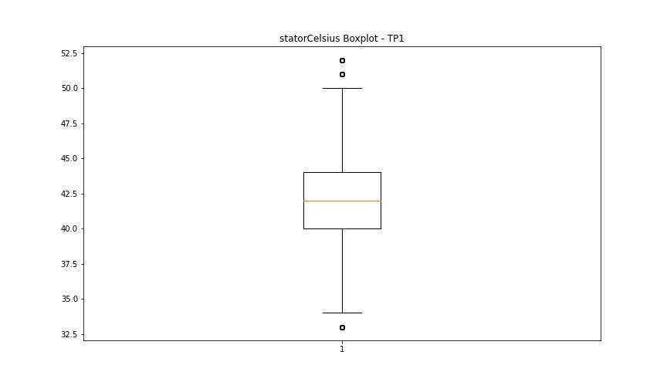

bearingsCelsius

numTP |  | 1
bearingsCelsius outliers |  | [18. 19. 20. 21. 17. 15. 16. 39. 40. 41. 42. 43. 44. 45. 46. 47. 48. 49. 13. 14. 12.]
upper_bound |  | 38
lower_bound |  | 22

statistiche con outliers: |  |  | statistiche senza outliers:
numTP |  | 1 | numTP |  | 1
bearingsCelsius | max | 49 | bearingsCelsius | max | 38
 | min | 12 |  | min | 22
 | avg | 30.712043467 |  | avg | 30.109004928
 | median | 30 |  | median | 30

BOXPLOT CON OUTLIERS
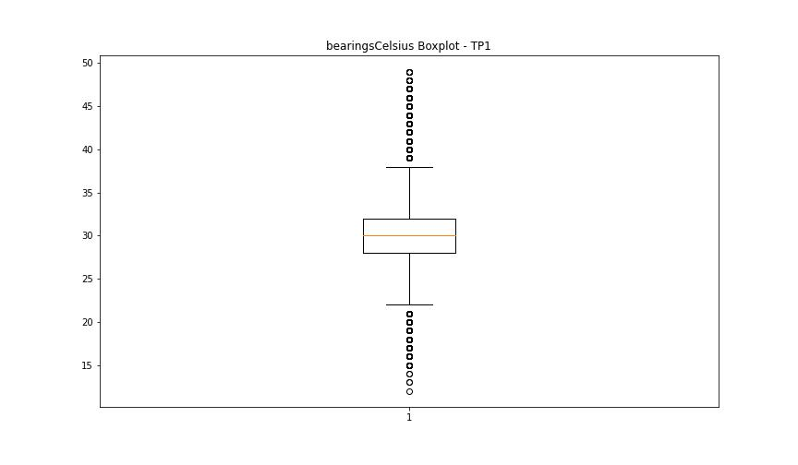

BOXPLOT SENZA OUTLIERS

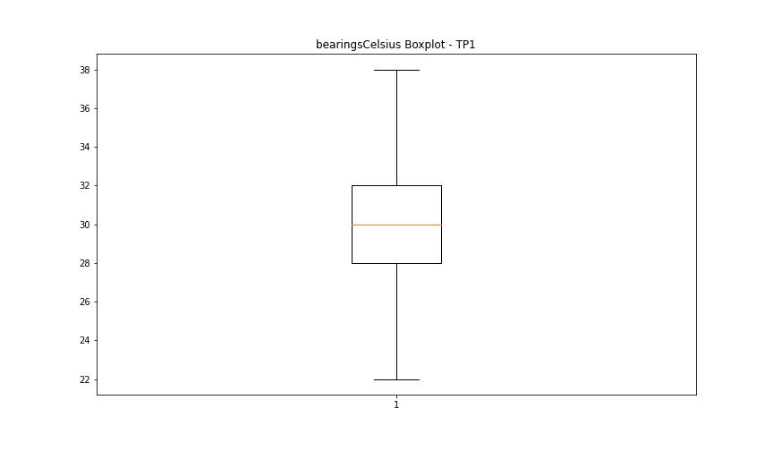

spindleRpm

numTP |  | 1
spindleRpm outliers |  | [10008. 9999. 10004. 10001. 10006. 9998. 10003. 10002. 9996. 10007. 10000. 9997. 10010. 9991. 9995. 10009. 9989. 10005. 7998. 9983. 8000. 8001. 9994. 9992. 9993. 7997. 8002. 4991. 7995. 7999. 8003. 7805. 7990. 13410. 10013. 8006. 9990. 10015. 10012. 10011. 7996. 10017. 0. 8004. 10014. 7993. 11882. 5776. 7992. 8005. 1479. 1701. 10882. 7994. 10018. 9988. 10016. 7991. 7449. 1555. 6523. 10480. 4619. 5874. 9987. 5061. 9794. 5539. 9986. 7135. 6794. 4627. 8008. 1824. 8007. 3401. 5049. 1096. 8378. 10255. 11574. 4287. 3297. 6240. 647. 10485. 6494. 8952. 1075. 306. 13567. 5700. 4715. 1041. 10019. 2898. 12981. 7989. 6547. 8431. 6452. 6176. 10021. 7516. 6379. 6702. 12347. 3414. 9984. 7988. 6761. 1381. 13069. 1901. 7903. 6634. 12194. 41. 4818. 2658. 474. 5422. 9797. 1834. 417. 10452. 2849. 14995.]
upper_bound |  | 23012
lower_bound |  | 14996

statistiche con outliers: |  |  | statistiche senza outliers:
numTP |  | 1 | numTP |  | 1
spindleRpm | max | 20070 | spindleRpm | max | 20070
 | min | 0 |  | min | 15309
 | avg | 17773.835258 |  | avg | 19433.583753
 | median | 19991 |  | median | 19999

BOXPLOT CON OUTLIERS
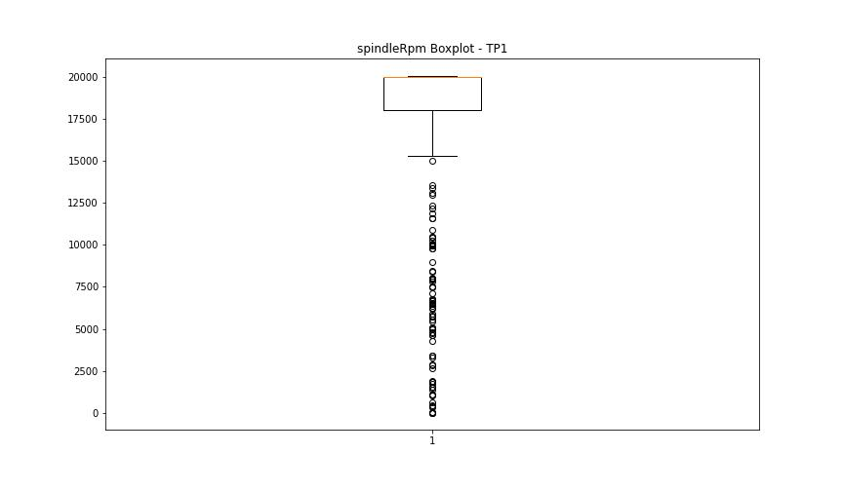

BOXPLOT SENZA OUTLIERS

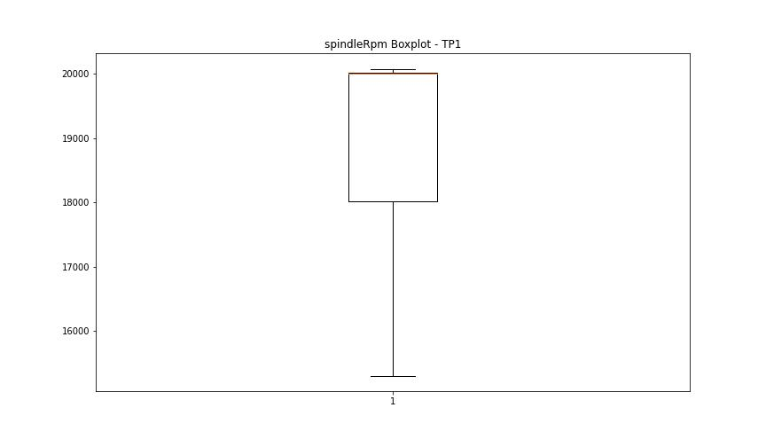

rpmSetPoint

numTP |  | 1
rpmSetPoint outliers |  | [10000. 8000.]
upper_bound |  | 23000
lower_bound |  | 15000

statistiche con outliers: |  |  | statistiche senza outliers:
numTP |  | 1 | numTP |  | 1
rpmSetPoint | max | 20000 | rpmSetPoint | max | 20000
 | min | 8000 |  | min | 15000
 | avg | 17776.463042 |  | avg | 19429.421951
 | median | 20000 |  | median | 20000

BOXPLOT CON OUTLIERS
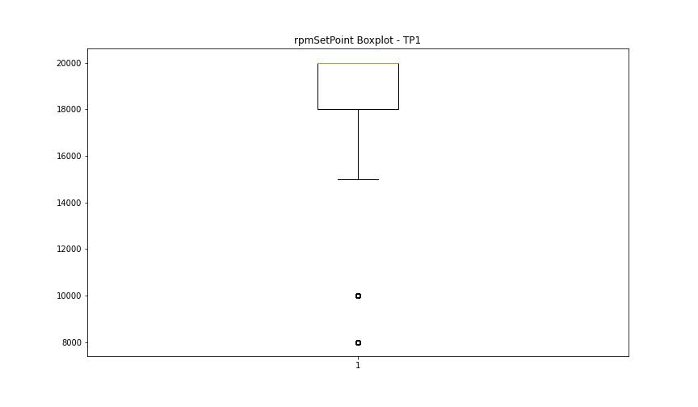

BOXPLOT SENZA OUTLIERS

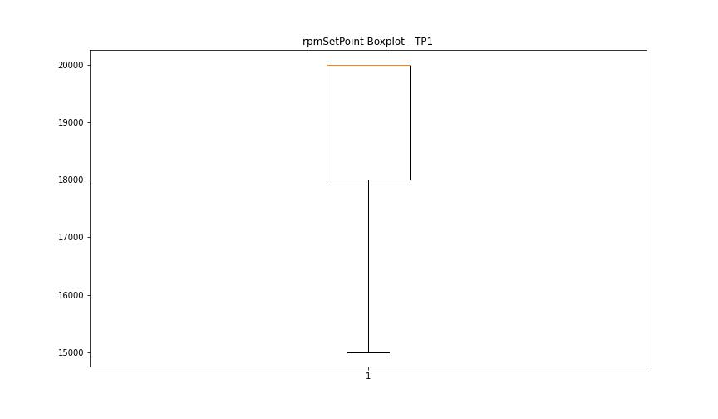

CurrentPeak

numTP |  | 1
CurrentPeak outliers |  | [20.554 19.47 20.296 19.962 20.173 19.945 19.851 20.05 19.869 20.695 19.716 20.496 20.648 19.535 19.898 20.097 20.039 20.162 19.394 19.763 19.933 20.39 20.542 20.021 19.775 20.789 19.089 19.347 20.326 18.966 19.886 19.658 19.699 20.126 19.623 20.238 19.593 19.382 19.564 18.996 19.242 19.839 20.478 20.203 19.822 19.441 19.916 20.636 19.107 19.23 19.212 19.306 20.191 20.085 20.513 20.449 19.546 20.343 20.144 19.81 19.289 20.941 19.687 19.992 19.195 19.365 20.068 20.525 19.423 19.458 19.746 19.64 19.792 20.25 20.267 20.009 20.115 19.488 20.589 20.314 20.619 20.466 19.031 20.419 19.119 19.734 20.373 19.517 20.361 19.669 18.955 20.22 20.402 21. 20.847 19.582 19.974 19.06 20.677 20.285 19.611 19.259 20.572 19.5 19.271 20.437 19.136 19.042 19.148 19.318 20.894 20.818 19.335 19.072 20.865 20.666 20.83 18.878 20.771 19.183 18.919 18.755 18.814 18.785 18.937 20.724 18.89 17.378 21.123 20.712 20.97 19.412 18.662 0. 18.908 19.166 20.601 20.8 18.632 18.984 18.861 19.013 20.988 20.742 18.738 20.906 20.753 20.876 21.029 21.216 18.796 21.064 21.017 18.644 20.953 18.527 18.843 18.832 20.923 18.556 18.72 18.615 18.679 18.708 18.691 18.416 18.585 18.568 18.603 18.064 18.48 18.767 18.539 21.046 16.06 15.943 21.093 21.14 17.162]
upper_bound |  | 15.7215
lower_bound |  | 11.4535

statistiche con outliers: |  |  | statistiche senza outliers:
numTP |  | 1 | numTP |  | 1
CurrentPeak | max | 21.216 | CurrentPeak | max | 15.603
 | min | 0 |  | min | 11.525
 | avg | 14.464204472 |  | avg | 13.514517003
 | median | 13.757 |  | median | 13.541

BOXPLOT CON OUTLIERS
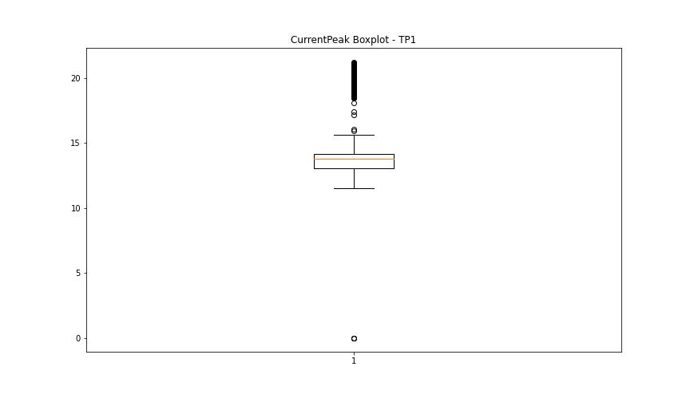

BOXPLOT SENZA OUTLIERS

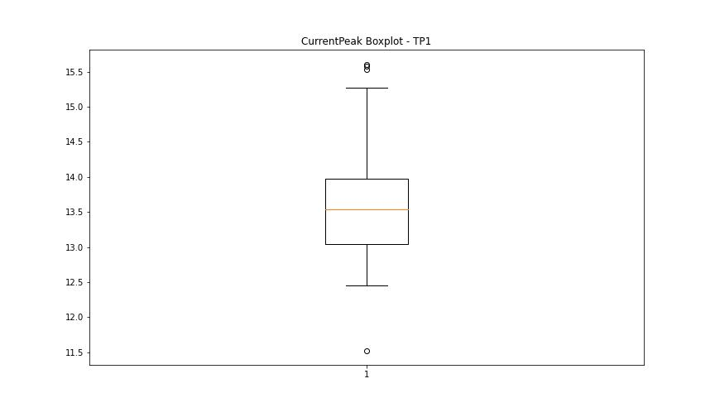

VibromPeak

numTP |  | 1
VibromPeak outliers |  | [ 8.9 2.5 2.6 3.7 3.1 3.6 3. 3.4 4.3 2.9 2.7 3.2 2.8 3.3 3.5 3.8 4. 4.5 3.9 4.1 4.7 6.4 7.8 6.9 7.2 6.1 6. 5.7 5.9 4.6 4.2 7. 6.7 5.2 6.5 6.3 4.4 6.6 4.9 4.8 5. 5.5 5.4 6.8 5.1 5.3 6.2 7.1 5.6 7.4 7.3 7.7 5.8 7.6 8. 7.5 7.9 8.1 8.5 9. 8.7 8.4 8.3 9.6 8.8 10.3 16.7 10. 11.3 11.4 12.6 13.3 17.9 9.5 8.2 12. 9.8 11.1 12.8 11.7 12.9]
upper_bound |  | 2.45
lower_bound |  | -0.35

statistiche con outliers: |  |  | statistiche senza outliers:
numTP |  | 1 | numTP |  | 1
VibromPeak | max | 17.9 | VibromPeak | max | 2.4
 | min | 0.1 |  | min | 0.1
 | avg | 1.1446262165 |  | avg | 1.010473422
 | median | 0.9 |  | median | 0.9

BOXPLOT CON OUTLIERS
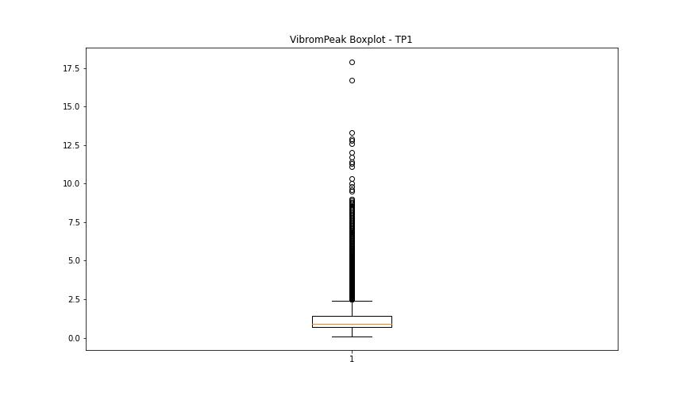

BOXPLOT SENZA OUTLIERS

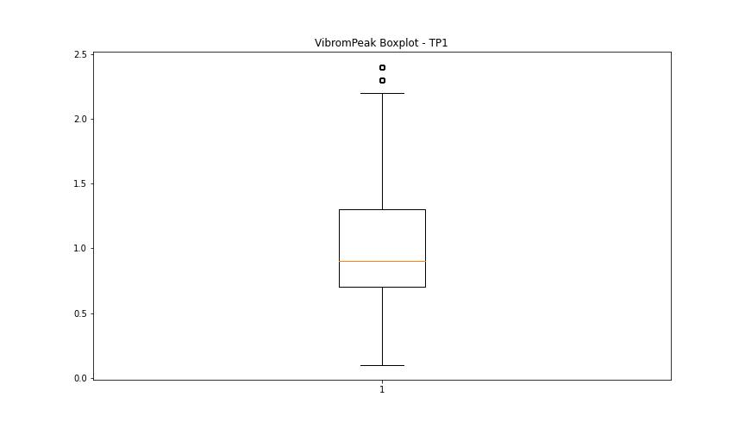

LUNG

numTP |  | 1
LUNG outliers |  | [90.309 0. ]
upper_bound |  | 137.2475
lower_bound |  | 100.9315

statistiche con outliers: |  |  | statistiche senza outliers:
numTP |  | 1 | numTP |  | 1
LUNG | max | 133.399 | LUNG | max | 133.399
 | min | 0 |  | min | 104.26
 | avg | 118.5679784 |  | avg | 118.56906087
 | median | 123.01 |  | median | 123.01

BOXPLOT CON OUTLIERS
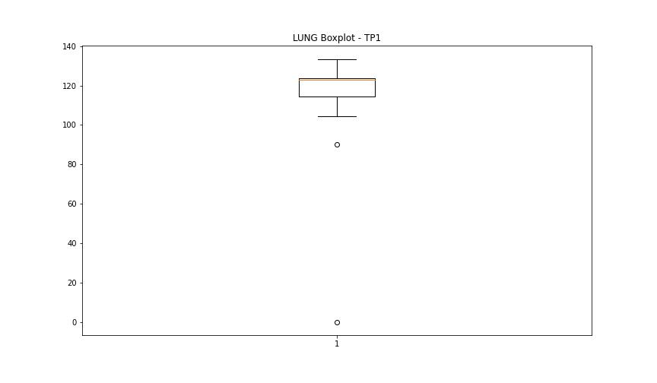

BOXPLOT SENZA OUTLIERS

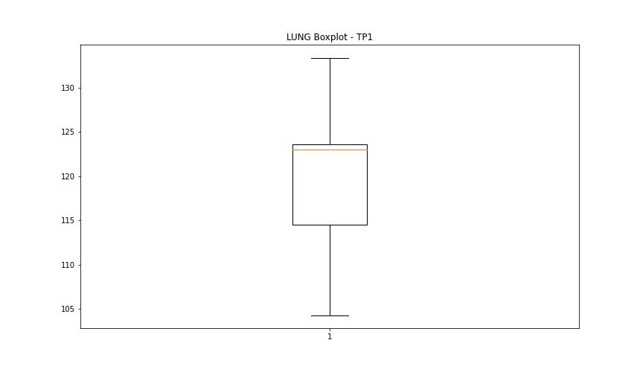

DIAM

numTP |  | 1
DIAM outliers |  | [80.]
upper_bound |  | 50.015
lower_bound |  | -14.025

statistiche con outliers: |  |  | statistiche senza outliers:
numTP |  | 1 | numTP |  | 1
DIAM | max | 80 | DIAM | max | 40
 | min | 0 |  | min | 0
 | avg | 19.021873808 |  | avg | 18.664192383
 | median | 19.299 |  | median | 19.299

BOXPLOT CON OUTLIERS
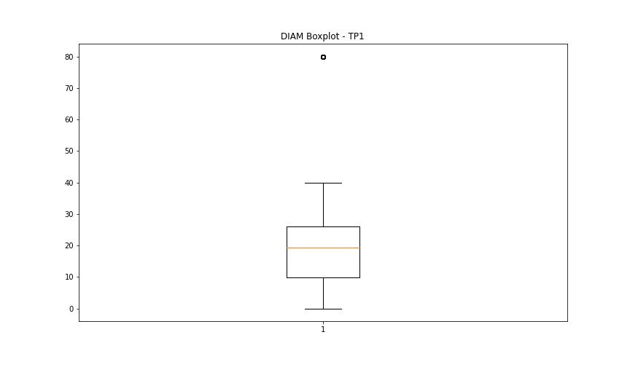

BOXPLOT SENZA OUTLIERS

