Sheet1
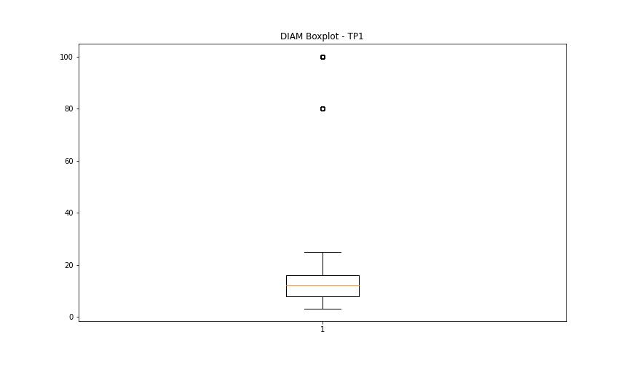
statorCelsius

numTP |  | 1
statorCelsius outliers |  | [14.]
upper_bound |  | 42.5
lower_bound |  | 14.5

statistiche con outliers: |  |  | statistiche senza outliers:
numTP |  | 1 | numTP |  | 1
statorCelsius | max | 42 | statorCelsius | max | 42
 | min | 14 |  | min | 15
 | avg | 28.103820598 |  | avg | 28.106163815
 | median | 27 |  | median | 27

BOXPLOT CON OUTLIERS
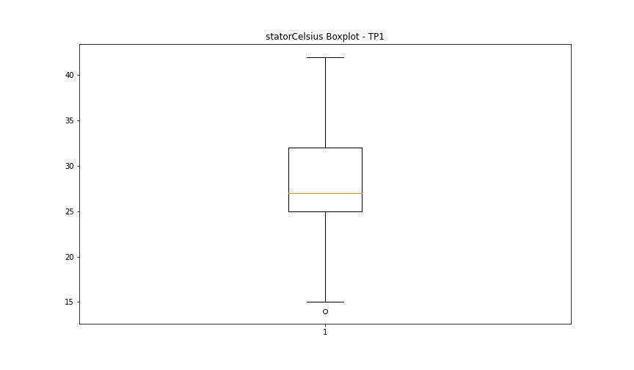

BOXPLOT SENZA OUTLIERS

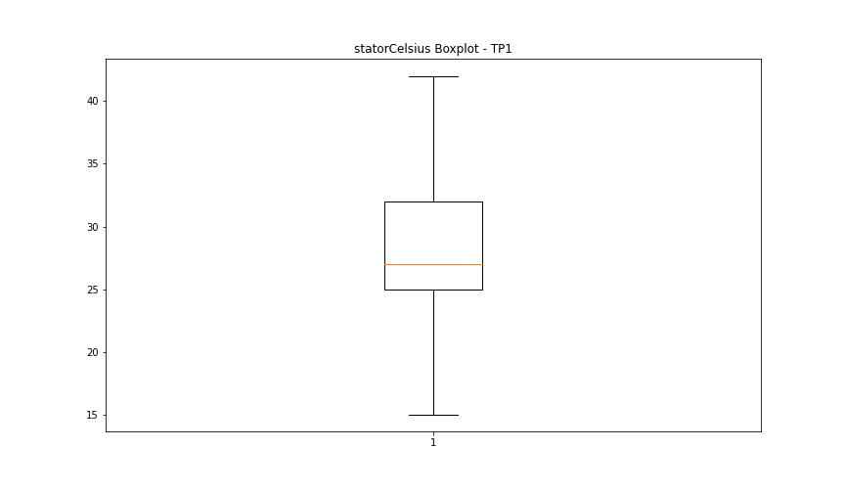

bearingsCelsius

numTP |  | 1
bearingsCelsius outliers |  | [32. 30. 33. 17. 15. 13. 14. 12.]
upper_bound |  | 29.5
lower_bound |  | 17.5

statistiche con outliers: |  |  | statistiche senza outliers:
numTP |  | 1 | numTP |  | 1
bearingsCelsius | max | 33 | bearingsCelsius | max | 29
 | min | 12 |  | min | 18
 | avg | 23.708139535 |  | avg | 23.88590604
 | median | 24 |  | median | 24

BOXPLOT CON OUTLIERS
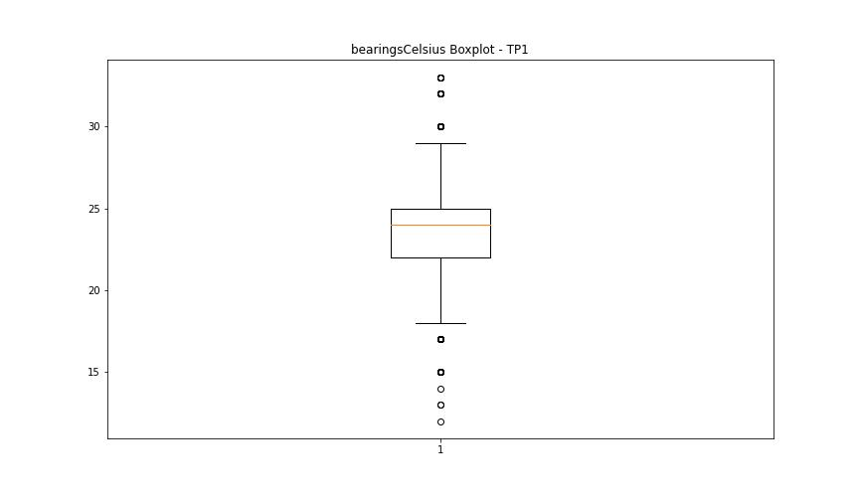

BOXPLOT SENZA OUTLIERS

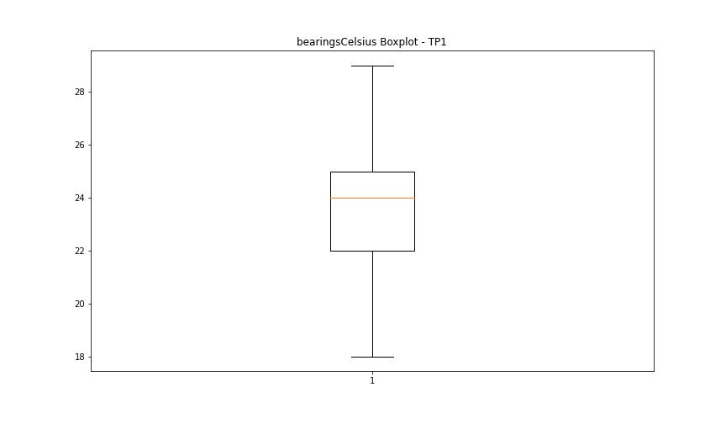

spindleRpm

numTP |  | 1
spindleRpm outliers |  | [65535.]
upper_bound |  | 36667.75
lower_bound |  | -13246.25

statistiche con outliers: |  |  | statistiche senza outliers:
numTP |  | 1 | numTP |  | 1
spindleRpm | max | 65535 | spindleRpm | max | 20048
 | min | 0 |  | min | 0
 | avg | 12724.479402 |  | avg | 12680.580382
 | median | 14923 |  | median | 14923

BOXPLOT CON OUTLIERS
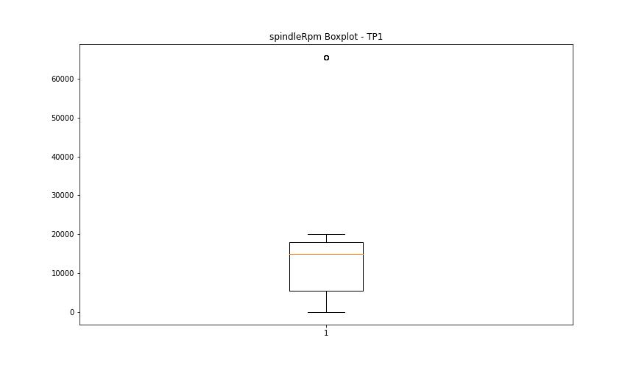

BOXPLOT SENZA OUTLIERS

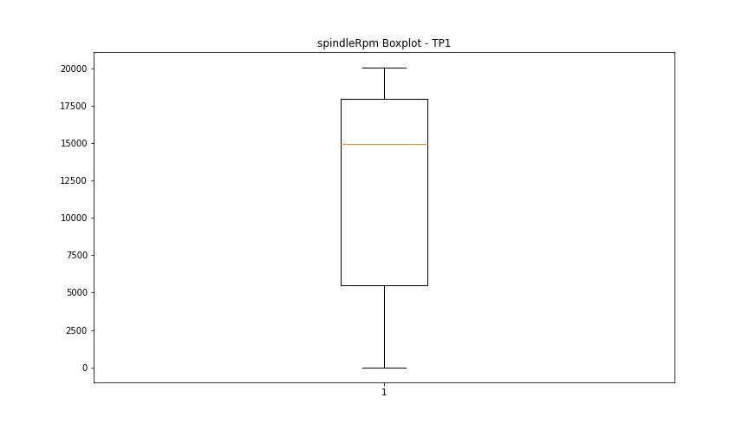

rpmSetPoint

numTP |  | 1
rpmSetPoint outliers |  | []
upper_bound |  | 36750
lower_bound |  | -13250

statistiche con outliers: |  |  | statistiche senza outliers:
numTP |  | 1 | numTP |  | 1
rpmSetPoint | max | 20000 | rpmSetPoint | max | 20000
 | min | 3000 |  | min | 3000
 | avg | 12858.405316 |  | avg | 12858.405316
 | median | 15000 |  | median | 15000

BOXPLOT CON OUTLIERS
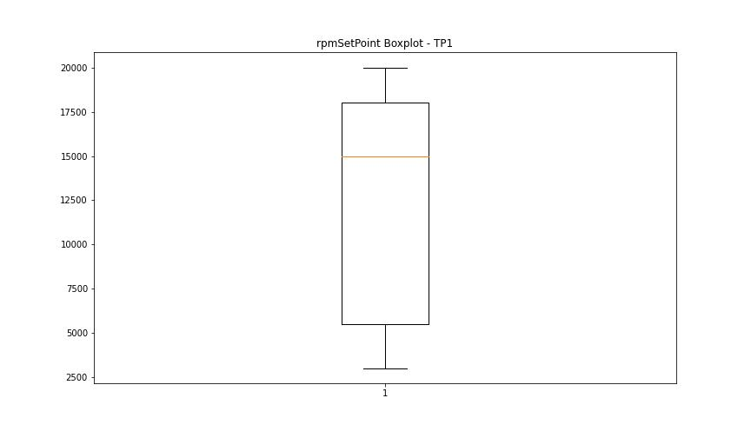

BOXPLOT SENZA OUTLIERS

CurrentPeak

numTP |  | 1
CurrentPeak outliers |  | [20.502 20.535 20.875 1.887 1.717 2.142 1.853 20.587 21.046 3.366 3.23 4.522 5.491 4.947 3.927 5.78 5.508 20.723 5.525 4.607 2.856 6.018 1.36 3.536 6.545 23.952 4.012 2.363 2.958 3.876 3.468 4.165 3.264 1.904 3.094 2.669 3.774 3.791 2.193 1.53 2.244 2.227 1.785 1.836 2.499 3.859 2.975 2.822 20.518 20.57 3.944 3.706 4.131 4.199 1.802 2.652 4.301 3.502 4.454 3.128 4.216 3.332 3.689 3.111 3.196 20.858 20.604 0.969 1.751 2.159 3.91 2.125 20.552 20.705 20.688 3.026 5.219 5.015 3.383 3.417 4.675 2.839 2.533 6.375 6.426 4.267 4.488 3.723 5.321 4.08 4.777 2.601 3.672 2.737 2.754 5.61 10.727 0.884 2.482 4.352 2.414 4.471 21.794 20.621 22.525 5.865 20.655 20.791 3.587 3.57 20.825 20.808 20.672 3.213 3.4 3.315 3.162 2.89 3.298 3.077 3.247 3.281 3.145 3.451 2.805 2.771 3.043 7.854 5.168 20.927 5.049 3.604 4.437 4.318 5.355 20.774 1.938 1.666 3.961 18.886 8.211 2.397 3.995 5.066 3.825 4.369 5.899 4.726 24.888 1.768 8.449 6.409 4.386 3.06 4.063 2.788 5.712 4.539 8.483 4.233 4.692 4.641 4.879 3.74 22.1 21.403 4.284 8.602 21.437 21.691 22.014 5.474 1.598 1.513 1.343 4.709 3.553 3.808 3.757 3.519 2.941 3.621 4.811 4.046 6.681 6.086 21.028 21.097 4.59 2.992 2.108 2.21 1.632 3.009 2.873 5.95 9.69 20.995 3.842 23.222 20.944 21.148 20.757 21.165 20.74 20.841 21.42 21.011 21.454 6.477 6.63 6.341 22.643 5.236 7.412 6.256 4.743 9.163 2.516 2.448 2.55 1.275 8.279 2.38 1.819 1.955 4.913 1.581 2.023 1.394 2.312 2.295 2.907 2.329 2.006 1.615 3.349 5.27 1.241 2.261 2.057 1.122 1.224 1.734 20.638 1.088 2.618 1.989 3.485 0.833 2.278 26.027 21.607 25.534 21.674 3.893 4.097 1.649 5.1 4.403 4.981 5.695 4.505 5.627 5.406 5.576 20.961 22.27 5.338 4.93 2.584 4.114 3.655 8.194 9.01 7.65 11.407 10.608 2.7
upper_bound |  | 20.502
lower_bound |  | 19.958

statistiche con outliers: |  |  | statistiche senza outliers:
numTP |  | 1 | numTP |  | 1
CurrentPeak | max | 26.027 | CurrentPeak | max | 20.485
 | min | 0.799 |  | min | 20.077
 | avg | 17.685947342 |  | avg | 20.253503363
 | median | 20.23 |  | median | 20.247

BOXPLOT CON OUTLIERS
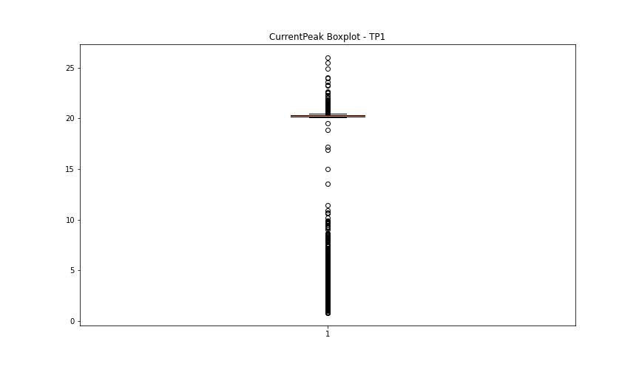

BOXPLOT SENZA OUTLIERS

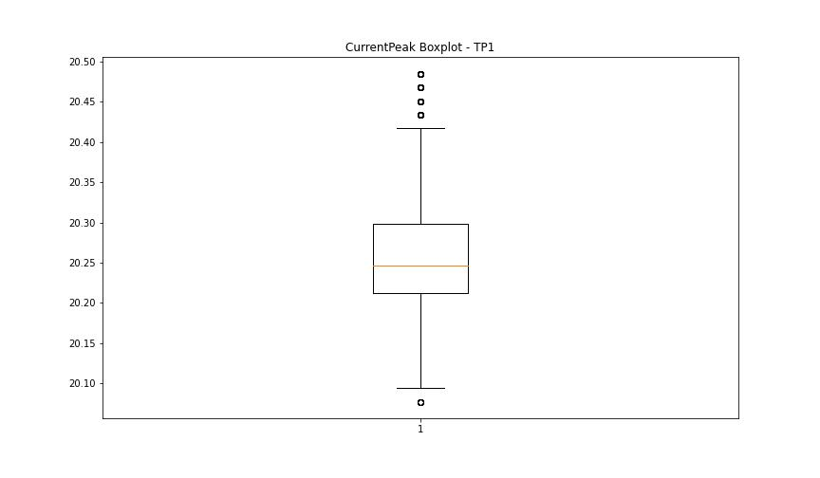

VibromPeak

numTP |  | 1
VibromPeak outliers |  | [ 6.6 6.8 4. 4.1 4.5 5.4 4.8 4.9 4.6 4.2 4.7 4.3 4.4 6.1 5.3 5.9 6.2 5.7 6. 8.6 9.6 9.7 8.7 9.1 10.1 7.6 8. 8.1 7.7 7.9 6.7 5. 6.3 5.2 5.8 8.3 5.1 7. 7.8 13. 16.6 10.8 12.7 12.8 14.4 11.3 12.4 5.6 6.5 5.5 7.5 7.1 7.3 8.5 8.4 7.2 6.4 8.8 7.4 8.2 9.2 11.1 10.5 9.4]
upper_bound |  | 3.95
lower_bound |  | -1.25

statistiche con outliers: |  |  | statistiche senza outliers:
numTP |  | 1 | numTP |  | 1
VibromPeak | max | 16.6 | VibromPeak | max | 3.9
 | min | 0.1 |  | min | 0.1
 | avg | 1.6989780533 |  | avg | 1.3878053193
 | median | 1.4 |  | median | 1.3

BOXPLOT CON OUTLIERS
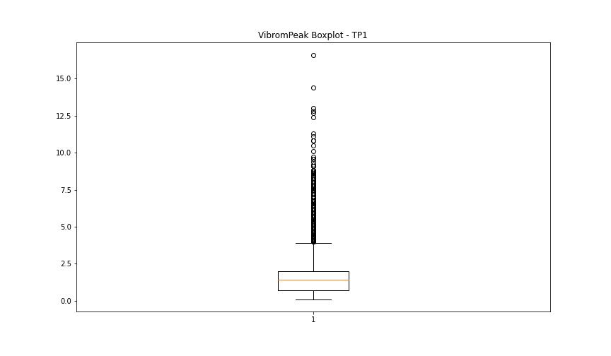

BOXPLOT SENZA OUTLIERS

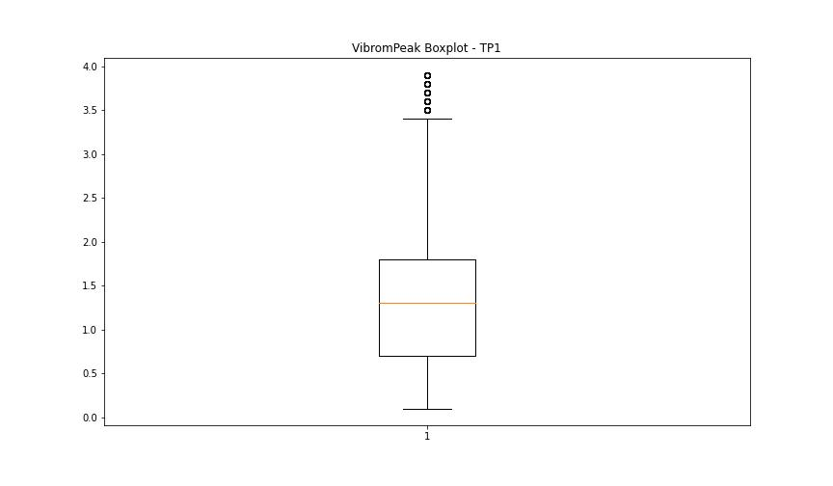

LUNG

numTP |  | 1
LUNG outliers |  | [195.67 163.8 163.977 165.509 196.291]
upper_bound |  | 158.334
lower_bound |  | 69.334

statistiche con outliers: |  |  | statistiche senza outliers:
numTP |  | 1 | numTP |  | 1
LUNG | max | 196.291 | LUNG | max | 150.27
 | min | 97.699 |  | min | 97.699
 | avg | 115.95958771 |  | avg | 113.82252052
 | median | 111.158 |  | median | 111.158

BOXPLOT CON OUTLIERS
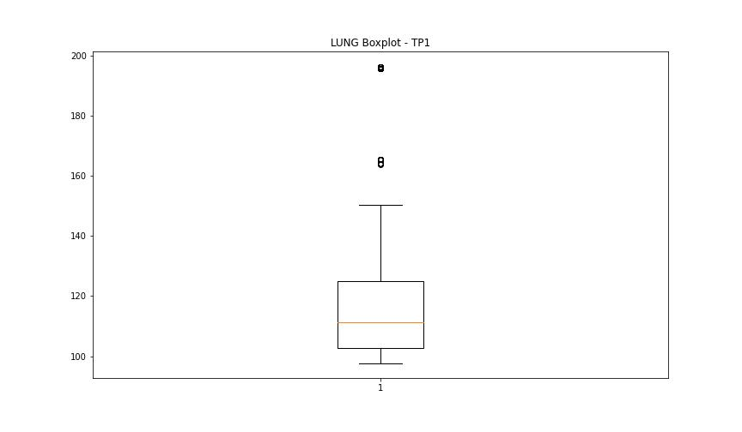

BOXPLOT SENZA OUTLIERS

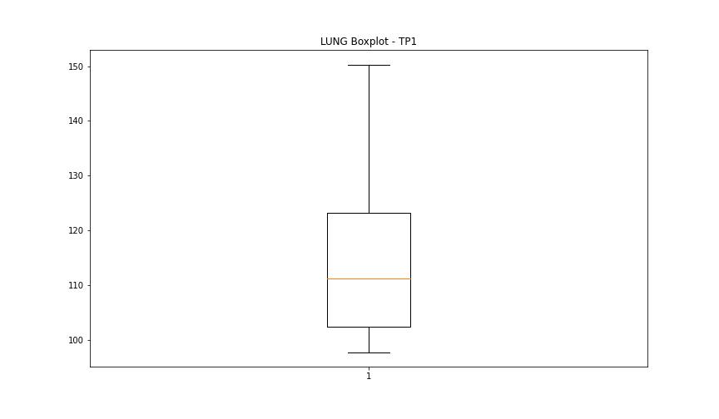

DIAM

numTP |  | 1
DIAM outliers |  | [293.399 298. 297. 300. 297.5 299. ]
upper_bound |  | 234.85
lower_bound |  | -124.75

statistiche con outliers: |  |  | statistiche senza outliers:
numTP |  | 1 | numTP |  | 1
DIAM | max | 300 | DIAM | max | 100
 | min | 3.2 |  | min | 3.2
 | avg | 77.973907309 |  | avg | 21.460216419
 | median | 12 |  | median | 12

BOXPLOT CON OUTLIERS
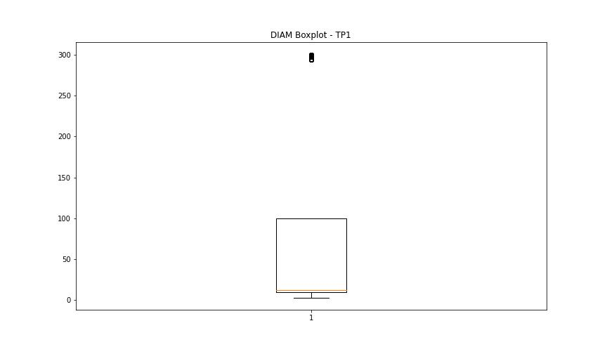

BOXPLOT SENZA OUTLIERS

