Sheet1
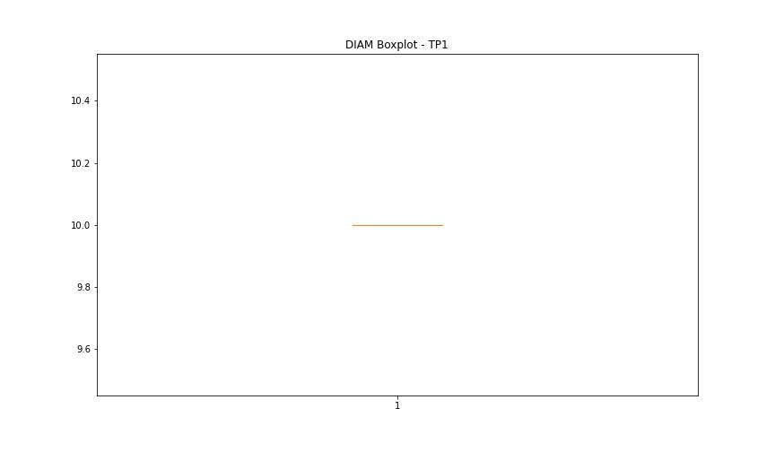
statorCelsius

numTP |  | 1
statorCelsius outliers |  | [54.]
upper_bound |  | 53
lower_bound |  | 5

statistiche con outliers: |  |  | statistiche senza outliers:
numTP |  | 1 | numTP |  | 1
statorCelsius | max | 54 | statorCelsius | max | 53
 | min | 5 |  | min | 5
 | avg | 29.196533146 |  | avg | 29.190721649
 | median | 29 |  | median | 29

BOXPLOT CON OUTLIERS
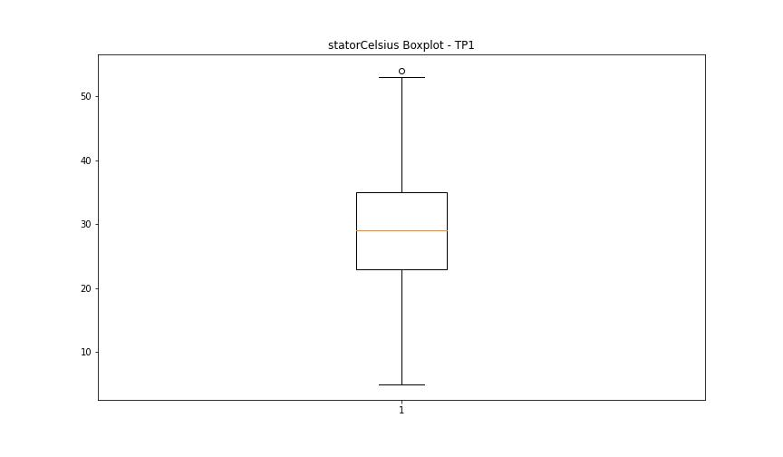

BOXPLOT SENZA OUTLIERS

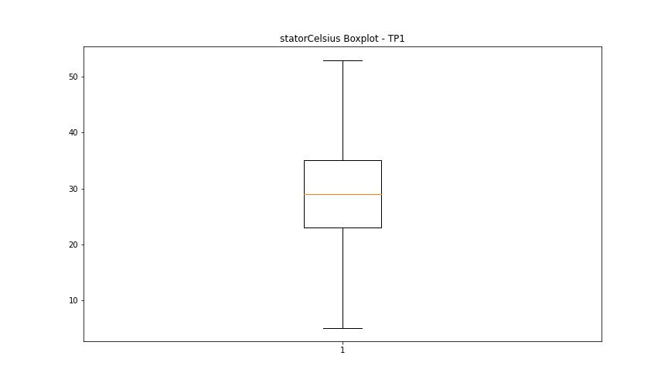

bearingsCelsius

numTP |  | 1
bearingsCelsius outliers |  | [43. 44. 45. 42. 8. 7. 6. 5.]
upper_bound |  | 41
lower_bound |  | 9

statistiche con outliers: |  |  | statistiche senza outliers:
numTP |  | 1 | numTP |  | 1
bearingsCelsius | max | 45 | bearingsCelsius | max | 41
 | min | 5 |  | min | 9
 | avg | 25.107285078 |  | avg | 25.158007117
 | median | 25 |  | median | 26

BOXPLOT CON OUTLIERS
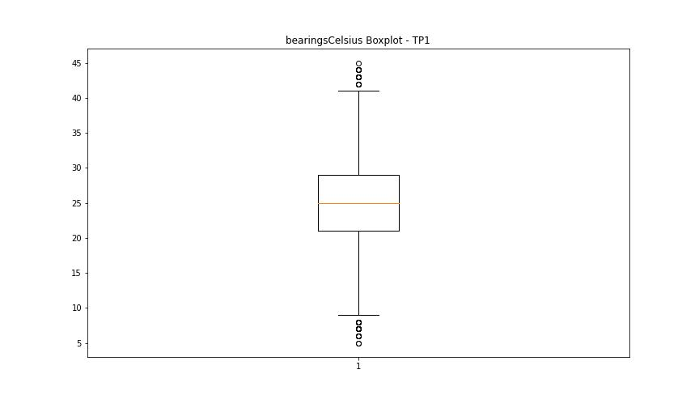

BOXPLOT SENZA OUTLIERS

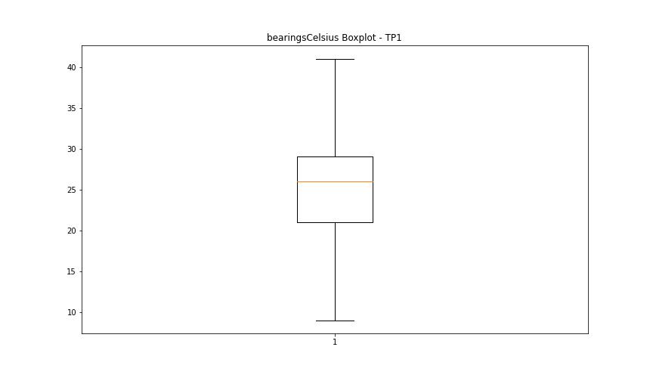

spindleRpm

numTP |  | 1
spindleRpm outliers |  | [20016. 13995. 14002. 13998. 14000. 12006. 11990. 14003. 14010. 14007. 14001. 13997. 12009. 14004. 14012. 12004. 11999. 14997. 19997. 12003. 3216. 18027. 1161. 13999. 14011. 12001. 11994. 14005. 14020. 12002. 11996. 11997. 17104. 17082. 17092. 13992. 13996. 17796. 16390. 16180. 15997. 15853. 15653. 15466. 15306. 18031. 16391. 15808. 15601. 17782. 17948. 13994. 12008. 14009. 13993. 18024. 17815. 17629. 17273. 17090. 16934. 16730. 16923. 17292. 17640. 17825. 17818. 17638. 16536. 16025. 15822. 15645. 15672. 15845. 16026. 16210. 16575. 16750. 17049. 17269. 17449. 17843. 17812. 17625. 17458. 17278. 17087. 16901. 17100. 17282. 17482. 17643. 17817. 17805. 12021. 11988. 11998. 13991. 14006. 18028. 12000. 12005. 11995. 615. 17980. 18026. 13987. 12010. 12007. 14991. 20008. 14916. 20006. 15000. 19993. 14999. 19991. 19983. 15004. 19989. 15009. 15001. 19999. 14888. 20001. 14943. 14998. 20014. 14990. 17979. 15018. 19987. 14013. 19995. 20002. 20003. 12012. 17978. 15003. 14015. 20018. 17773. 17977. 12013. 20010. 15005. 20004. 14897. 20026. 5493.]
upper_bound |  | 18022
lower_bound |  | 17982

statistiche con outliers: |  |  | statistiche senza outliers:
numTP |  | 1 | numTP |  | 1
spindleRpm | max | 20026 | spindleRpm | max | 18022
 | min | 615 |  | min | 17982
 | avg | 17744.184587 |  | avg | 18002.51463
 | median | 18002 |  | median | 18002

BOXPLOT CON OUTLIERS
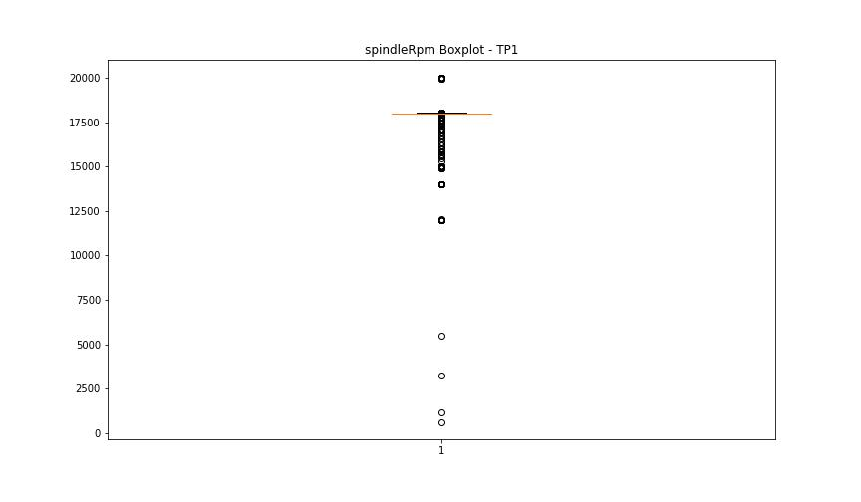

BOXPLOT SENZA OUTLIERS

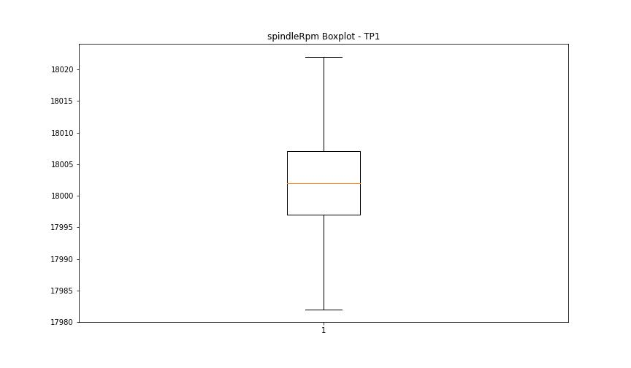

rpmSetPoint

numTP |  | 1
rpmSetPoint outliers |  | [20000. 14000. 12000. 15000.]
upper_bound |  | 18000
lower_bound |  | 18000

statistiche con outliers: |  |  | statistiche senza outliers:
numTP |  | 1 | numTP |  | 1
rpmSetPoint | max | 20000 | rpmSetPoint | max | 18000
 | min | 12000 |  | min | 18000
 | avg | 17769.501054 |  | avg | 18000
 | median | 18000 |  | median | 18000

BOXPLOT CON OUTLIERS
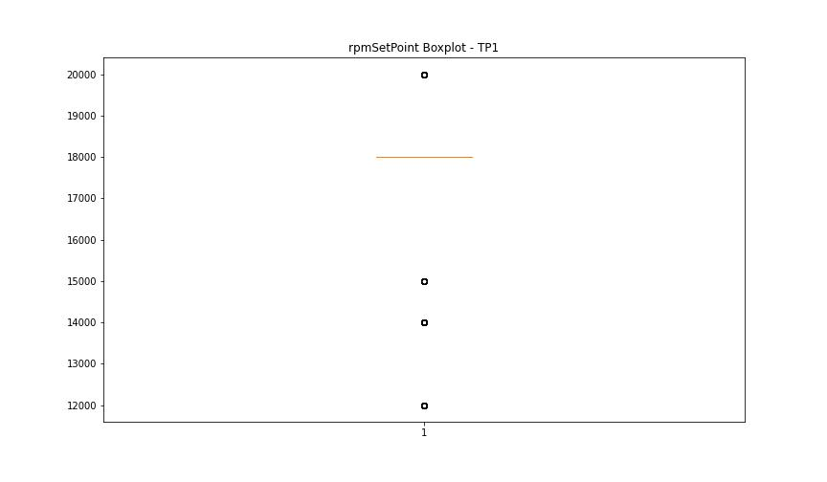

BOXPLOT SENZA OUTLIERS

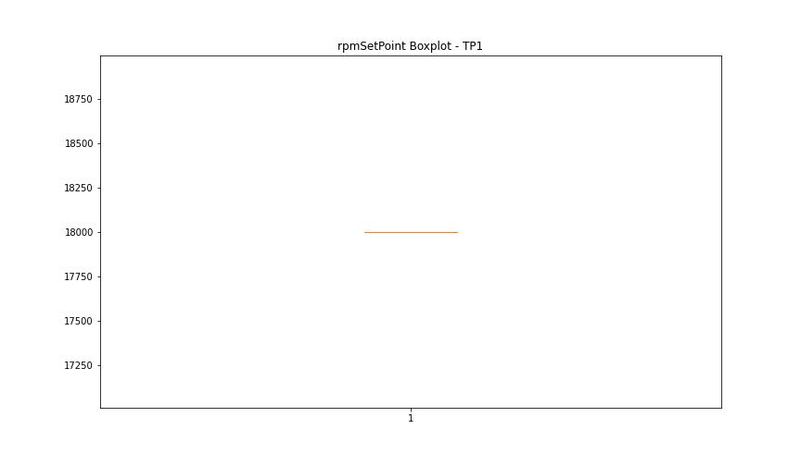

CurrentPeak

numTP |  | 1
CurrentPeak outliers |  | [12.896 14.302 12.884 13.664 13.74 14.501 12.855 5.501 0.931 5.085 0.609 0.544 0.503 0.515 0.656 5.929 5.027 8.771 5.578 12.791 0.638 0.779 1.406 0.181 0.82 1.675 2.044 2.378 2.595 2.501 0.439 0.714 2.718 0.685 1.833 1.998 2.15 2.613 2.367 3.984 6.691 6.052 5.074 6.386 0.621 0.867 0.914 0.257 2.121 1.769 1.787 2.261 2.302 1.019 12.867 13.722 13.675 13.951 13.693 13.875 14.109 14.273 14.167 14.396 12.914 14.261 12.931 14.349 14.044 14.185 14.121 13.986 13.833 14.337 14.197 14.414 14.519 14.214 14.074 14.367 14.291 13.787 13.816 14.32 14.595 13.998 13.798 13.71 14.472 14.378 14.244 14.027 14.49 14.671 14.871 14.015 14.138 14.777 14.091]
upper_bound |  | 13.6595
lower_bound |  | 12.9355

statistiche con outliers: |  |  | statistiche senza outliers:
numTP |  | 1 | numTP |  | 1
CurrentPeak | max | 14.871 | CurrentPeak | max | 13.646
 | min | 0.181 |  | min | 12.943
 | avg | 13.168683298 |  | avg | 13.295463403
 | median | 13.294 |  | median | 13.294

BOXPLOT CON OUTLIERS
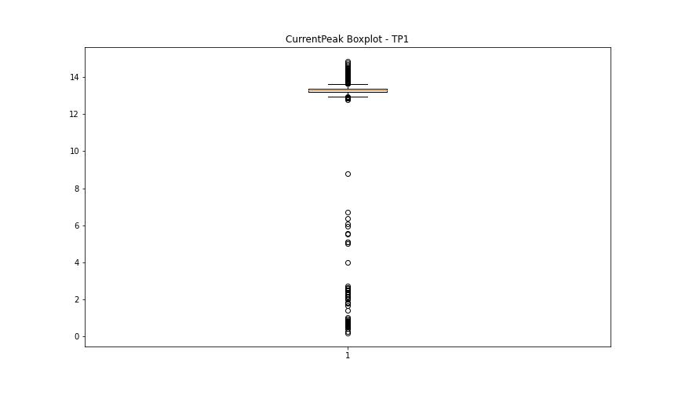

BOXPLOT SENZA OUTLIERS

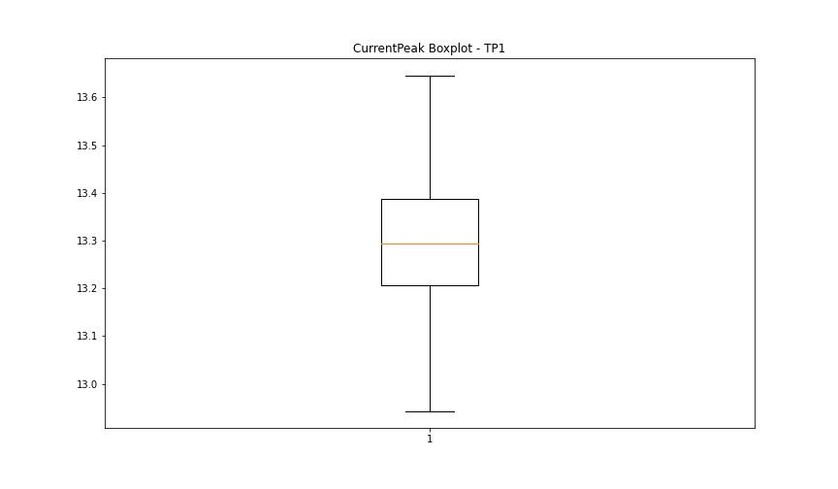

VibromPeak

numTP |  | 1
VibromPeak outliers |  | [3.6 3.7]
upper_bound |  | 3.5
lower_bound |  | -0.5

statistiche con outliers: |  |  | statistiche senza outliers:
numTP |  | 1 | numTP |  | 1
VibromPeak | max | 3.7 | VibromPeak | max | 3.5
 | min | 0.1 |  | min | 0.1
 | avg | 1.502412743 |  | avg | 1.4978638498
 | median | 1.4 |  | median | 1.4

BOXPLOT CON OUTLIERS
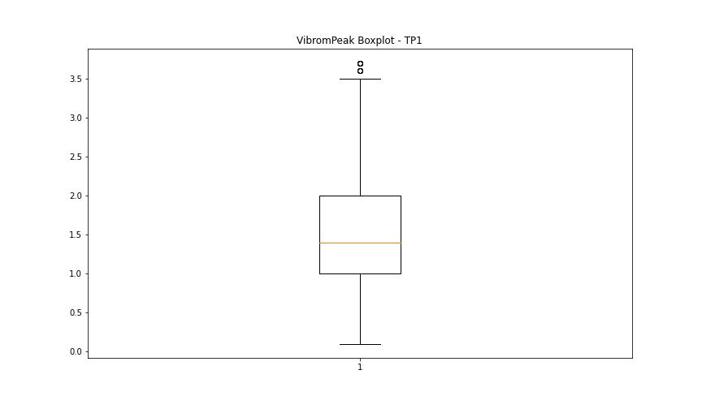

BOXPLOT SENZA OUTLIERS

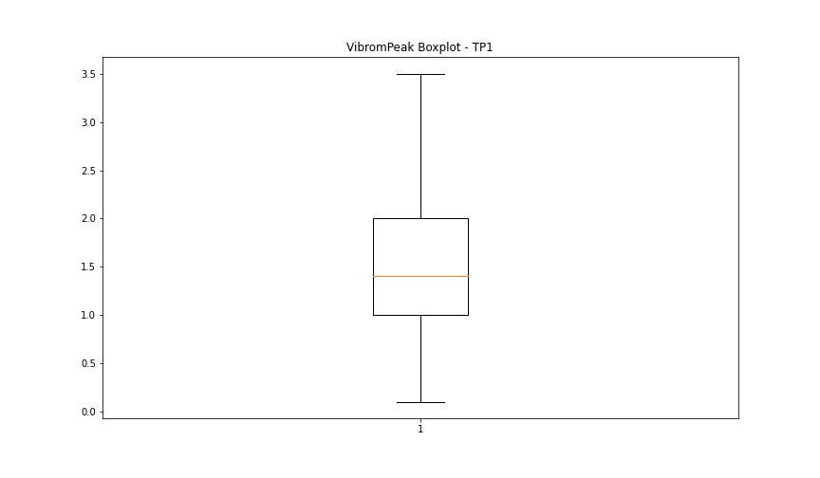

LUNG

numTP |  | 1
LUNG outliers |  | [110.772 130.789 117.753 119.757 115.598 128.3 120.944 137.929 130.415 128.241 117.156]
upper_bound |  | 115.2905
lower_bound |  | 112.3185

statistiche con outliers: |  |  | statistiche senza outliers:
numTP |  | 1 | numTP |  | 1
LUNG | max | 137.929 | LUNG | max | 114.176
 | min | 110.772 |  | min | 112.562
 | avg | 116.65831928 |  | avg | 113.57840592
 | median | 113.849 |  | median | 113.533

BOXPLOT CON OUTLIERS
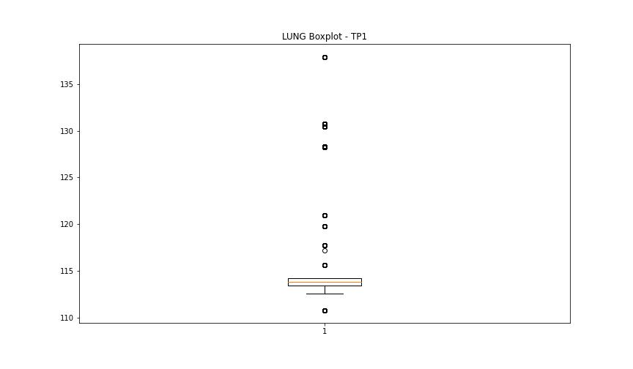

BOXPLOT SENZA OUTLIERS

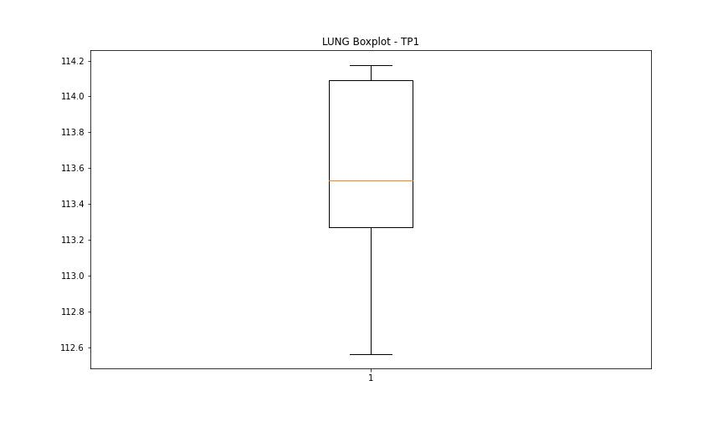

DIAM

numTP |  | 1
DIAM outliers |  | [12. 8. 0.1 12.5 3. 80. 30. 60. ]
upper_bound |  | 10
lower_bound |  | 10

statistiche con outliers: |  |  | statistiche senza outliers:
numTP |  | 1 | numTP |  | 1
DIAM | max | 80 | DIAM | max | 10
 | min | 0.1 |  | min | 10
 | avg | 11.144858281 |  | avg | 10
 | median | 10 |  | median | 10

BOXPLOT CON OUTLIERS
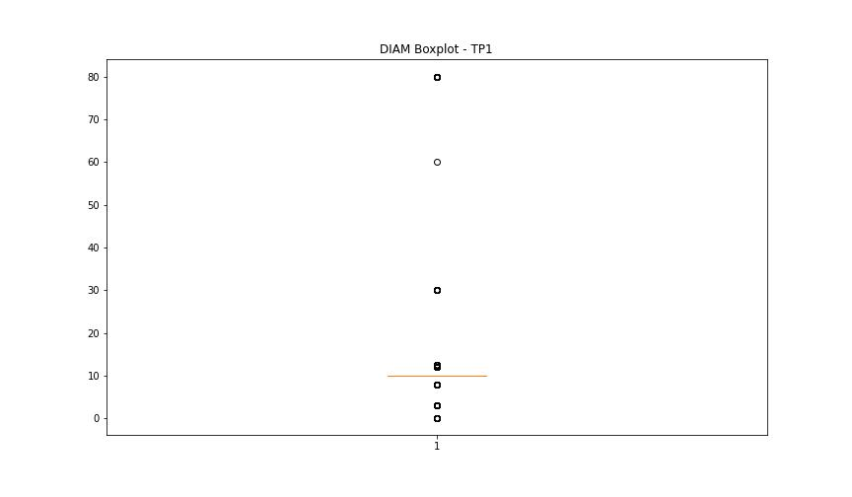

BOXPLOT SENZA OUTLIERS

