Sheet1
statorCelsius

numTP |  | 1 | 19
statorCelsius outliers |  | [22. 20. 39. 37. 35. 19. 18. 17. 36.] | []
upper_bound |  | 34.5 | 0
lower_bound |  | 22.5 | 0

statistiche con outliers: |  |  |  | statistiche senza outliers:
numTP |  | 1 | 19 | numTP |  | 1 | 19
statorCelsius | max | 39 | 0 | statorCelsius | max | 34 | 0
 | min | 17 | 0 |  | min | 23 | 0
 | avg | 29.024844227 | 0 |  | avg | 29.082535063 | 0
 | median | 29 | 0 |  | median | 29 | 0

BOXPLOT CON OUTLIERS
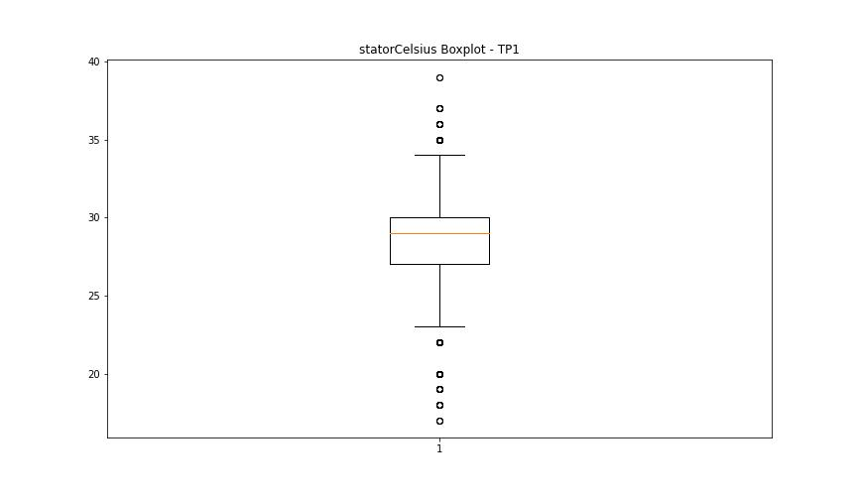
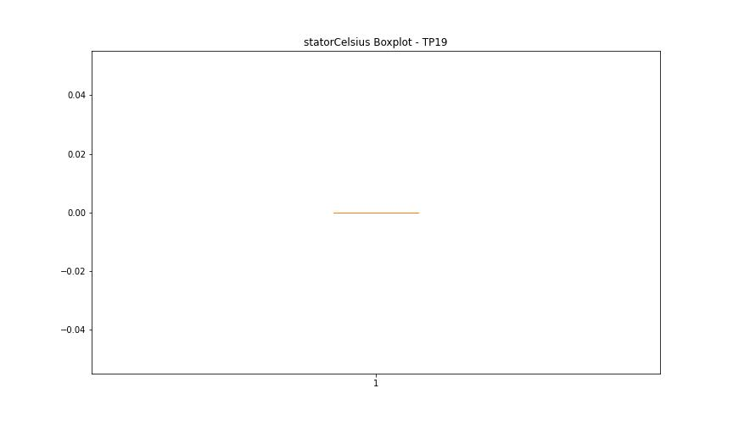

BOXPLOT SENZA OUTLIERS

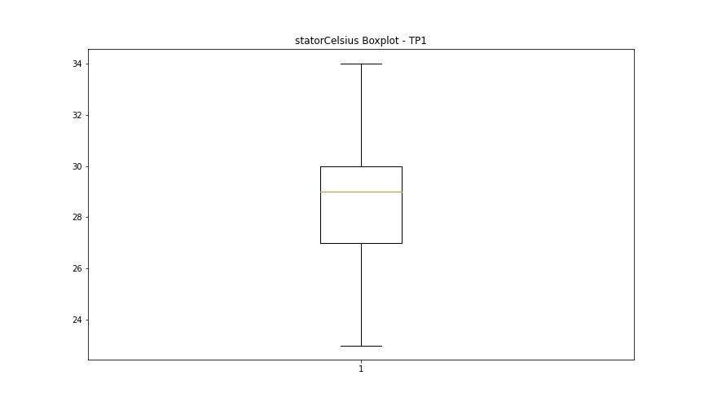

bearingsCelsius

numTP |  | 1 | 19
bearingsCelsius outliers |  | [22. 24. 23. 25. 30. 20. 37. 35. 33. 32. 19. 17. 18. 34.] | []
upper_bound |  | 29.5 | 0
lower_bound |  | 25.5 | 0

statistiche con outliers: |  |  |  | statistiche senza outliers:
numTP |  | 1 | 19 | numTP |  | 1 | 19
bearingsCelsius | max | 37 | 0 | bearingsCelsius | max | 29 | 0
 | min | 17 | 0 |  | min | 27 | 0
 | avg | 27.046315038 | 0 |  | avg | 27.584976123 | 0
 | median | 27 | 0 |  | median | 27 | 0

BOXPLOT CON OUTLIERS
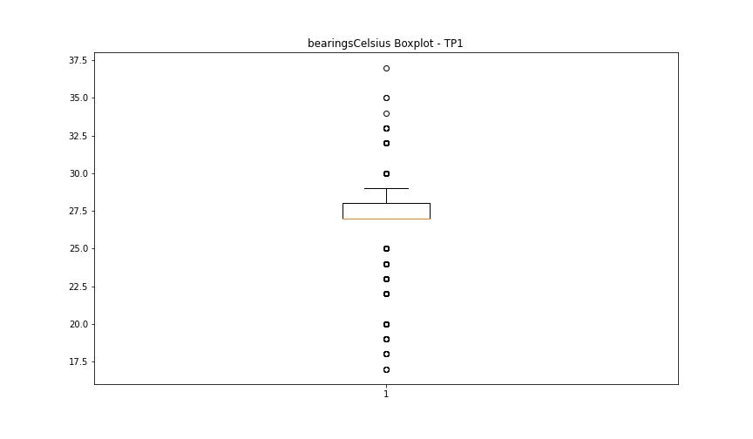


BOXPLOT SENZA OUTLIERS

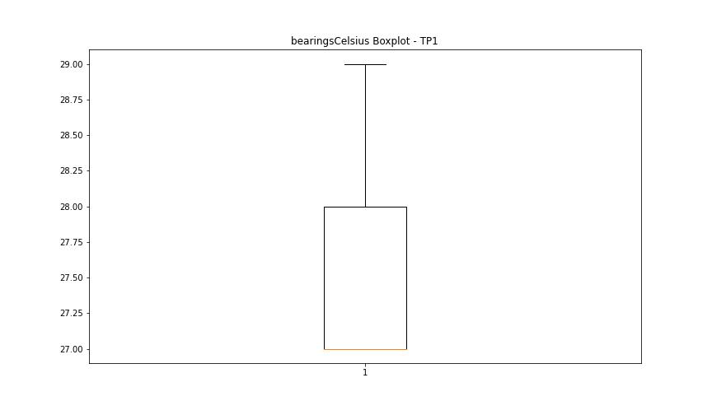

spindleRpm

numTP |  | 1 | 19
spindleRpm outliers |  | [] | []
upper_bound |  | 33909.4015 | 0
lower_bound |  | -8337.0025 | 0

statistiche con outliers: |  |  |  | statistiche senza outliers:
numTP |  | 1 | 19 | numTP |  | 1 | 19
spindleRpm | max | 18105 | 0 | spindleRpm | max | 18105 | 0
 | min | 0 | 0 |  | min | 0 | 0
 | avg | 11971.775824 | 0 |  | avg | 11971.775824 | 0
 | median | 12070 | 0 |  | median | 12070 | 0

BOXPLOT CON OUTLIERS
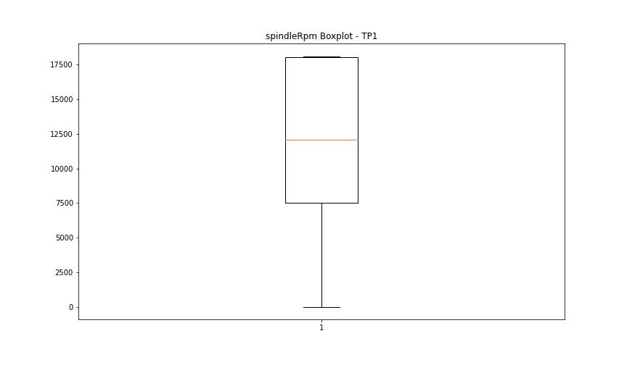


BOXPLOT SENZA OUTLIERS

rpmSetPoint

numTP |  | 1 | 19
rpmSetPoint outliers |  | [] | []
upper_bound |  | 33750 | 0
lower_bound |  | -8250 | 0

statistiche con outliers: |  |  |  | statistiche senza outliers:
numTP |  | 1 | 19 | numTP |  | 1 | 19
rpmSetPoint | max | 18000 | 0 | rpmSetPoint | max | 18000 | 0
 | min | 0 | 0 |  | min | 0 | 0
 | avg | 11939.913482 | 0 |  | avg | 11939.913482 | 0
 | median | 12000 | 0 |  | median | 12000 | 0

BOXPLOT CON OUTLIERS
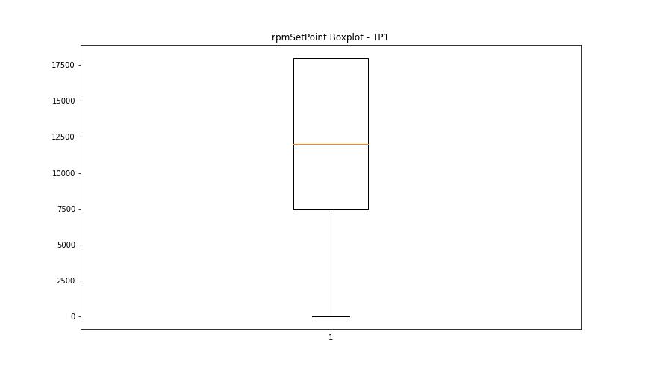


BOXPLOT SENZA OUTLIERS

CurrentPeak

numTP |  | 1 | 19
CurrentPeak outliers |  | [15.097 15.19 15.159 15.221 15.128 15.252 15.283 15.345 15.314 15.407 15.438 15.066 15.376 15.469 15.035 15.624 15.004 4.898 15.562 15.531 15.5 3.844 14.973 15.593 6.822 16.027 15.686 15.996 15.748 15.81 0.31 ] | [20.445 20.49 ]
upper_bound |  | 43.214 | 20.439
lower_bound |  | 17.422 | 20.015

statistiche con outliers: |  |  |  | statistiche senza outliers:
numTP |  | 1 | 19 | numTP |  | 1 | 19
CurrentPeak | max | 38.192 | 20.49 | CurrentPeak | max | 38.192 | 20.43
 | min | 0.31 | 20.084 |  | min | 19.964 | 20.084
 | avg | 29.020372505 | 20.235615584 |  | avg | 30.479802203 | 20.233853403
 | median | 29.791 | 20.235 |  | median | 30.194 | 20.235

BOXPLOT CON OUTLIERS
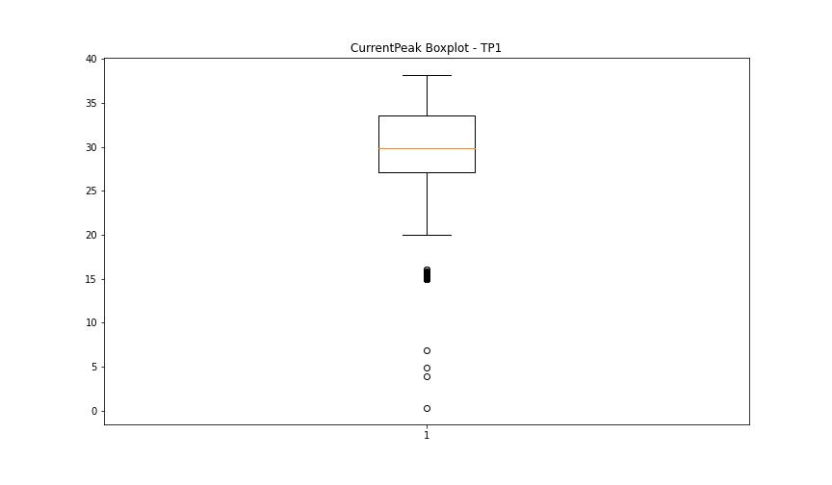
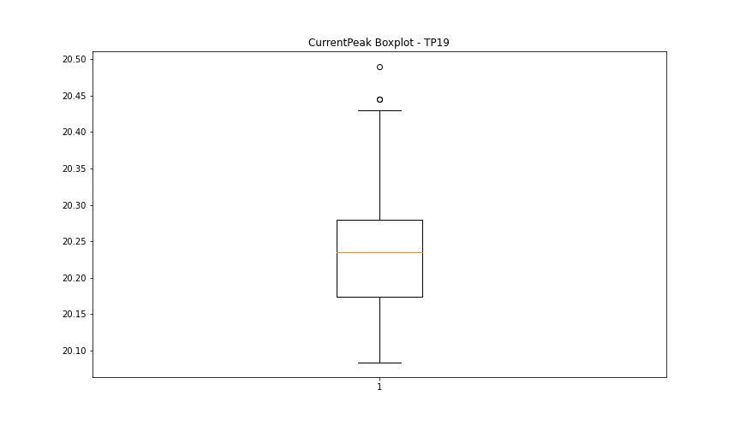

BOXPLOT SENZA OUTLIERS

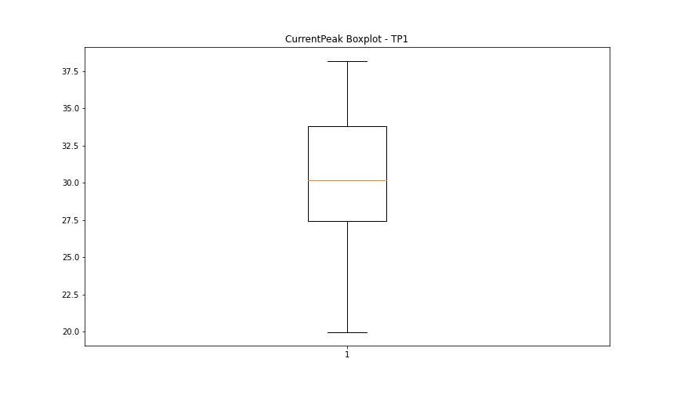
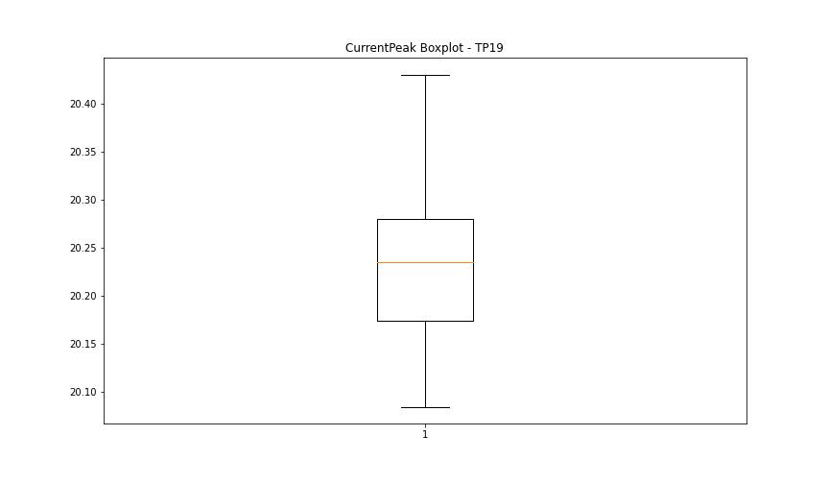

VibromPeak

numTP |  | 1 | 19
VibromPeak outliers |  | [3.6 3.9 3.8 4. 3.7 4.1 4.4 4.5 4.7 4.2 4.3]
upper_bound |  | 3.5
lower_bound |  | -0.5

statistiche con outliers: |  |  |  | statistiche senza outliers:
numTP |  | 1 | 19 | numTP |  | 1 | 19
VibromPeak | max | 4.7 | nan | VibromPeak | max | 3.5
 | min | 0.2 | nan |  | min | 0.2
 | avg | 1.4887759962 | nan |  | avg | 1.4729677883
 | median | 1.2 | nan |  | median | 1.2

BOXPLOT CON OUTLIERS
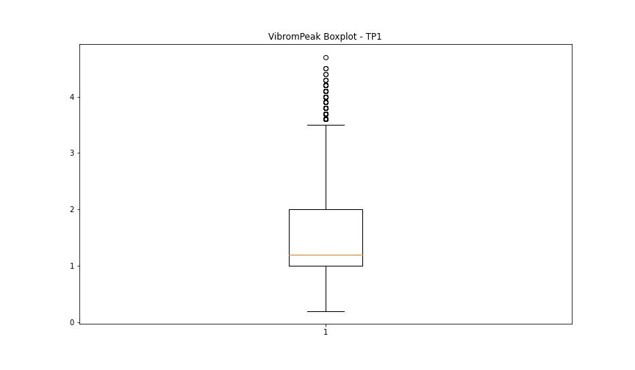
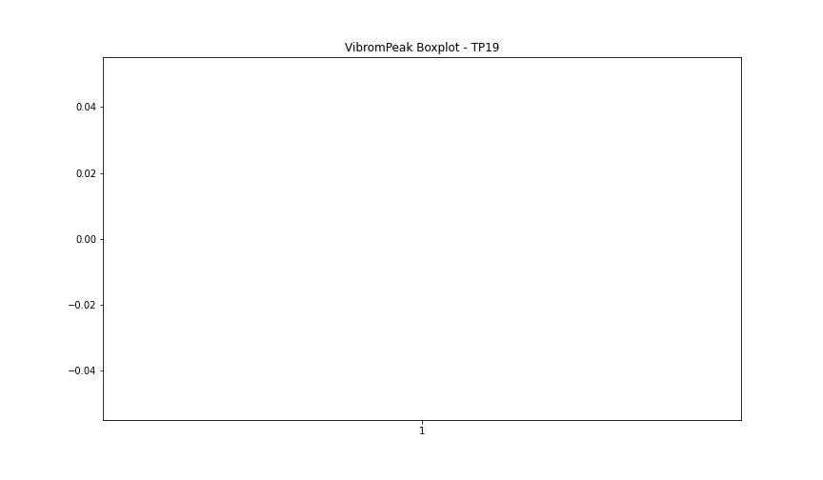

BOXPLOT SENZA OUTLIERS

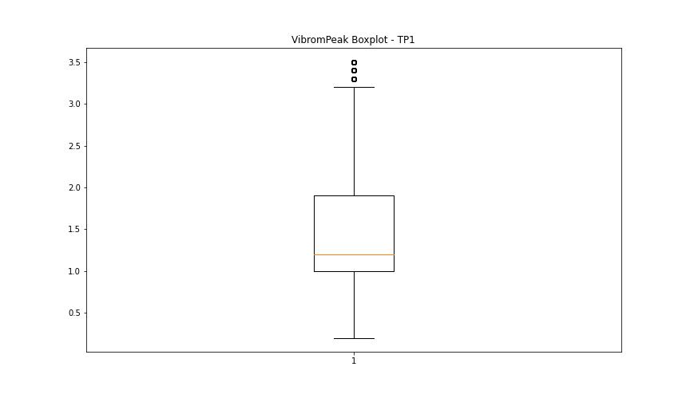

LUNG

numTP |  | 1 | 19
LUNG outliers |  | [] | []
upper_bound |  | 347.3325 | 1
lower_bound |  | -205.9195 | 1

statistiche con outliers: |  |  |  | statistiche senza outliers:
numTP |  | 1 | 19 | numTP |  | 1 | 19
LUNG | max | 214 | 1 | LUNG | max | 214 | 1
 | min | 0.01 | 1 |  | min | 0.01 | 1
 | avg | 75.532552129 | 1 |  | avg | 75.532552129 | 1
 | median | 97.75 | 1 |  | median | 97.75 | 1

BOXPLOT CON OUTLIERS
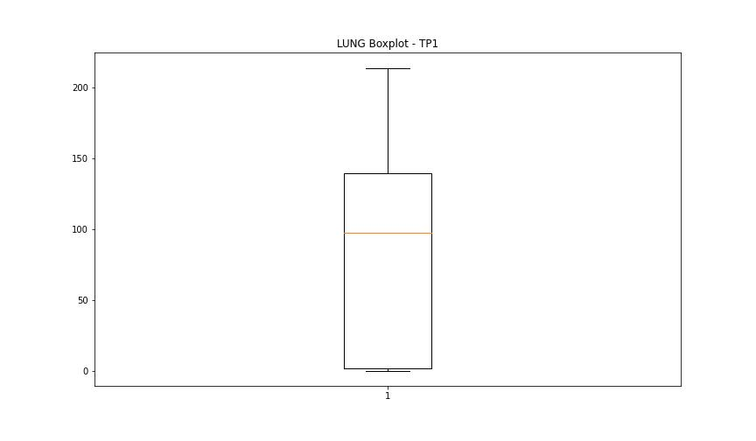
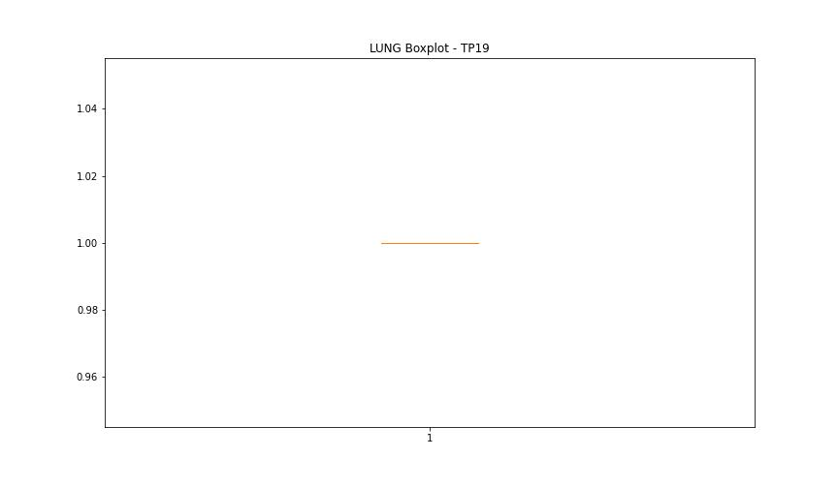

BOXPLOT SENZA OUTLIERS

DIAM

numTP |  | 1 | 19
DIAM outliers |  | [] | []
upper_bound |  | 479.058 | 50
lower_bound |  | -271.83 | 50

statistiche con outliers: |  |  |  | statistiche senza outliers:
numTP |  | 1 | 19 | numTP |  | 1 | 19
DIAM | max | 300 | 50 | DIAM | max | 300 | 50
 | min | 4 | 50 |  | min | 4 | 50
 | avg | 75.946912529 | 50 |  | avg | 75.946912529 | 50
 | median | 11.85 | 50 |  | median | 11.85 | 50

BOXPLOT CON OUTLIERS
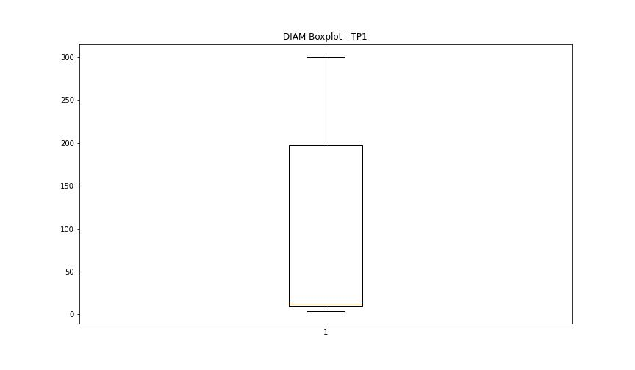
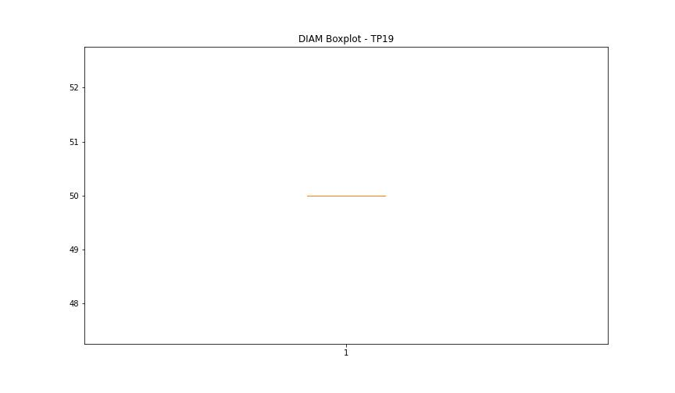

BOXPLOT SENZA OUTLIERS

