Sheet1
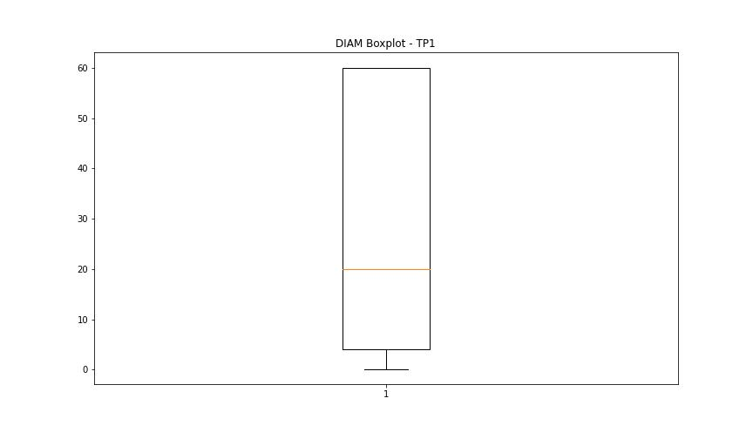
statorCelsius

numTP |  | 1 | 19
statorCelsius outliers |  | [25. 24. 43. 44. 45. 55. 54. 52. 46.] | []
upper_bound |  | 42 | 0
lower_bound |  | 26 | 0

statistiche con outliers: |  |  |  | statistiche senza outliers:
numTP |  | 1 | 19 | numTP |  | 1 | 19
statorCelsius | max | 55 | 0 | statorCelsius | max | 42 | 0
 | min | 24 | 0 |  | min | 26 | 0
 | avg | 34.244101821 | 0 |  | avg | 34.245783885 | 0
 | median | 35 | 0 |  | median | 35 | 0

BOXPLOT CON OUTLIERS
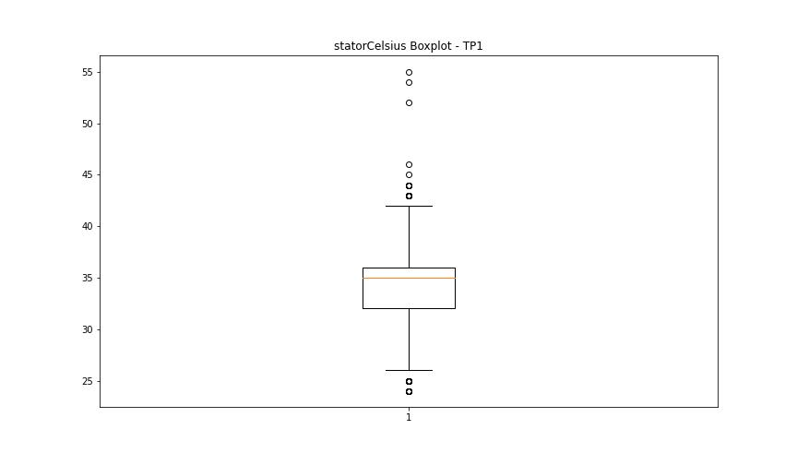
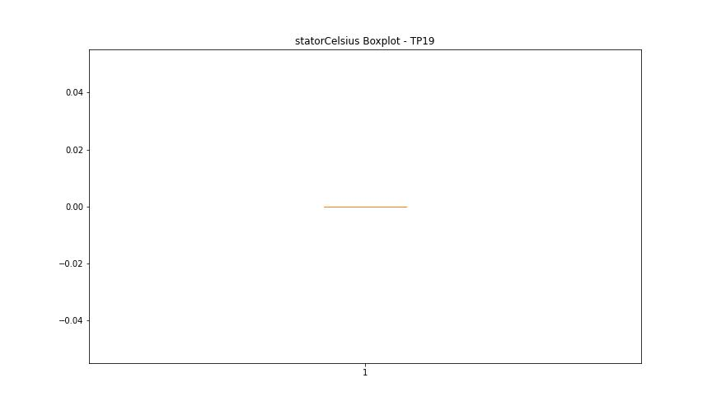

BOXPLOT SENZA OUTLIERS

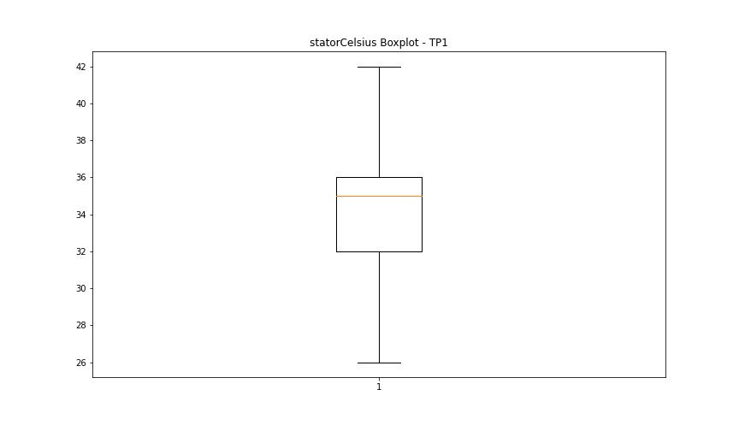

bearingsCelsius

numTP |  | 1 | 19
bearingsCelsius outliers |  | [26. 27. 25. 40. 41. 45. 43.] | []
upper_bound |  | 39.5 | 0
lower_bound |  | 27.5 | 0

statistiche con outliers: |  |  |  | statistiche senza outliers:
numTP |  | 1 | 19 | numTP |  | 1 | 19
bearingsCelsius | max | 45 | 0 | bearingsCelsius | max | 39 | 0
 | min | 25 | 0 |  | min | 28 | 0
 | avg | 33.593853477 | 0 |  | avg | 33.755591054 | 0
 | median | 34 | 0 |  | median | 34 | 0

BOXPLOT CON OUTLIERS
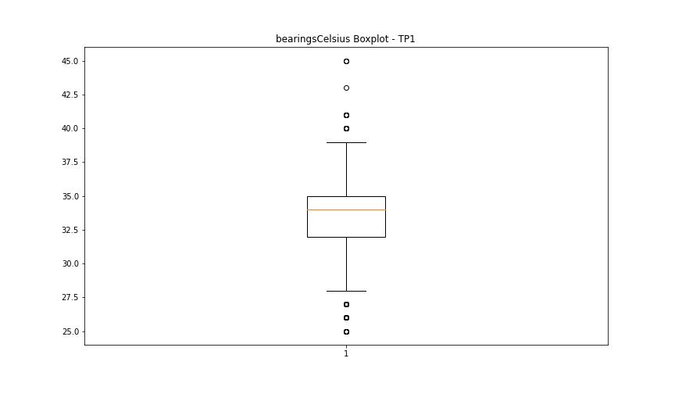


BOXPLOT SENZA OUTLIERS

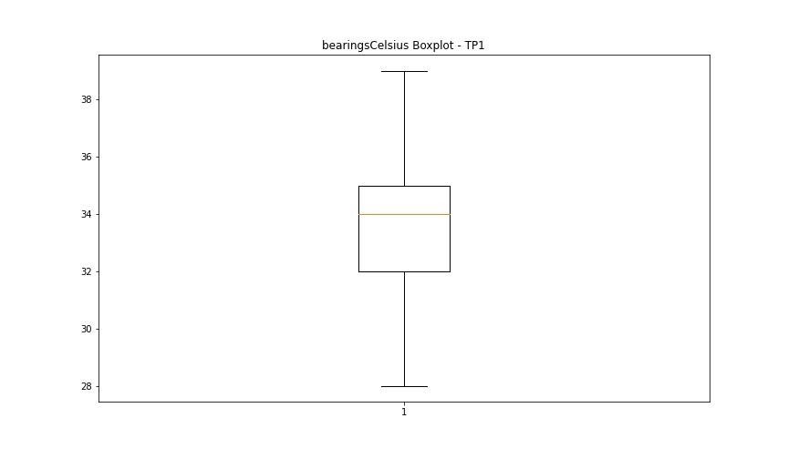

spindleRpm

numTP |  | 1 | 19
spindleRpm outliers |  | [] | []
upper_bound |  | 34506.5 | 0
lower_bound |  | -9505.5 | 0

statistiche con outliers: |  |  |  | statistiche senza outliers:
numTP |  | 1 | 19 | numTP |  | 1 | 19
spindleRpm | max | 18029 | 0 | spindleRpm | max | 18029 | 0
 | min | 0 | 0 |  | min | 0 | 0
 | avg | 11734.564361 | 0 |  | avg | 11734.564361 | 0
 | median | 12000 | 0 |  | median | 12000 | 0

BOXPLOT CON OUTLIERS
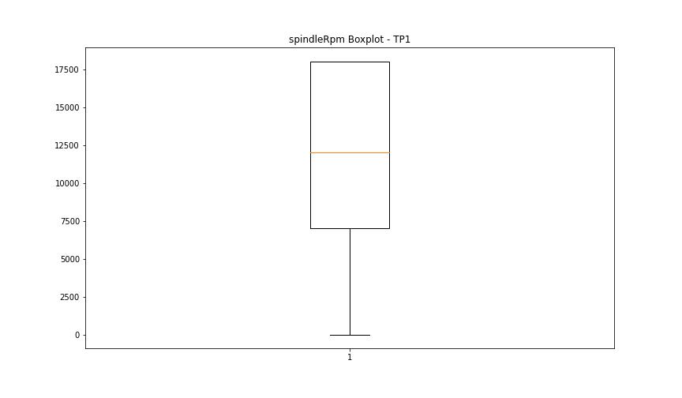


BOXPLOT SENZA OUTLIERS

rpmSetPoint

numTP |  | 1 | 19
rpmSetPoint outliers |  | [] | []
upper_bound |  | 34500 | 0
lower_bound |  | -9500 | 0

statistiche con outliers: |  |  |  | statistiche senza outliers:
numTP |  | 1 | 19 | numTP |  | 1 | 19
rpmSetPoint | max | 18000 | 0 | rpmSetPoint | max | 18000 | 0
 | min | 0 | 0 |  | min | 0 | 0
 | avg | 11741.928808 | 0 |  | avg | 11741.928808 | 0
 | median | 12000 | 0 |  | median | 12000 | 0

BOXPLOT CON OUTLIERS



BOXPLOT SENZA OUTLIERS

CurrentPeak

numTP |  | 1 | 19
CurrentPeak outliers |  | [11.888 12.287 11.906 11.953 12.269 14.595 11.83 12.181 11.859 11.876 12. 12.304 12.087 11.935 12.152 11.964 11.917 11.8 12.011 11.707 12.029 12.316 11.783 12.117 12.257 12.164 12.041 12.228 14.613 11.812 11.841 12.24 11.753 14.578 12.105 12.21 12.38 11.689 11.982 12.076 9.445 0.732 9.369 0.714 9.398 0.791 9.339 0.808 11.736 12.058 11.66 12.193 12.351 6.644 1.066 9.492 10.376 9.181 9.779 1.083 1.511 1.57 1.617 1.435 0.914 1.417 1.464 1.037 1.406 1.388 1.189 1.447 0.884 0.96 1.312 0.931 1.236 1.16 1.054 1.359 1.294 0.761 1.283 1.207 1.494 1.523 0.943 0.896 1.324 1.007 0.82 0.867 1.371 1.095 1.558 1.113 1.646 0.972 1.341 1.019 10.406 7.306 1.482 1.13 1.171 0.855 1.218 1.634 1.693 0.99 1.599 0.837 1.142 1.71 1.541 1.248 14.625 9.533 0.779 10.3 1.587 1.265 10.576 7.687 14.841 9.322 14.777 9.656 9.521 0.744 10.91 7.746 9.416 9.474 10.148 9.732 14.642 9.626 0.703 9.503 1.757 10.283 7.886 1.675 1.986 0. 10.605 7.81 9.597 10.669 7.488 9.644 10.511 10.558 7.47 12.427 12.363 14.671 9.75 11.642 11.724 9.615 12.439 11.677 7.64 12.333 6.433 12.134 11.765 10.435 7.441 12.41 9.55 10.623 7.869 9.292 12.392 11.173 7.992 9.58 0.685 11.097 8.126 14.654 7.535 9.427 14.701 10.652 7.5 10.47 7.716 14.689 0.363 10.863 7.382 10.529 9.304 7.394 10.757 7.365 7.974 10.546 7.792 10.423 7.669 10.119 7.763] | [20.52 20.504 20.49 ]
upper_bound |  | 14.5705 | 20.46
lower_bound |  | 12.5105 | 19.98

statistiche con outliers: |  |  |  | statistiche senza outliers:
numTP |  | 1 | 19 | numTP |  | 1 | 19
CurrentPeak | max | 14.841 | 20.52 | CurrentPeak | max | 14.566 | 20.459
 | min | 0 | 20.055 |  | min | 12.744 | 20.055
 | avg | 13.046093957 | 20.228208872 |  | avg | 13.647979757 | 20.227757926
 | median | 13.511 | 20.235 |  | median | 13.587 | 20.235

BOXPLOT CON OUTLIERS
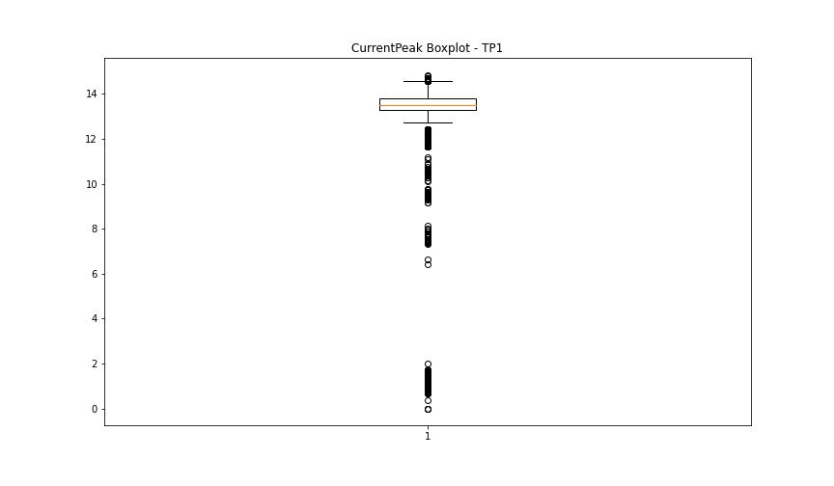
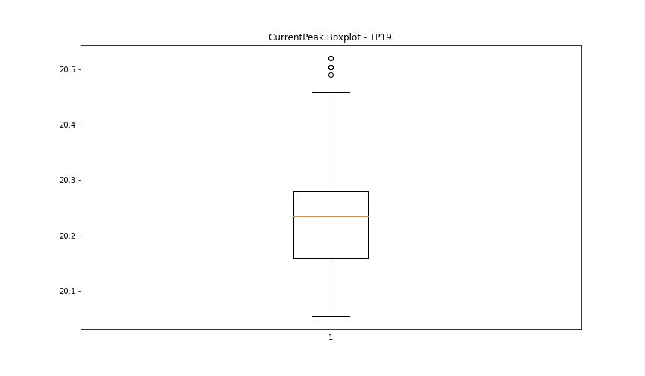

BOXPLOT SENZA OUTLIERS

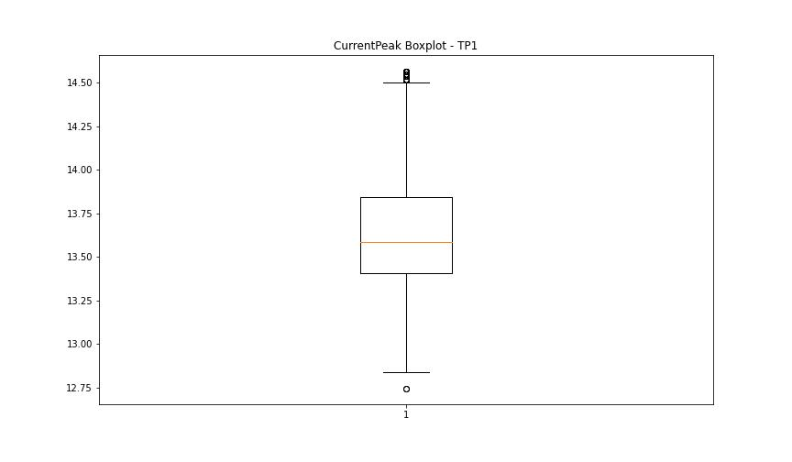
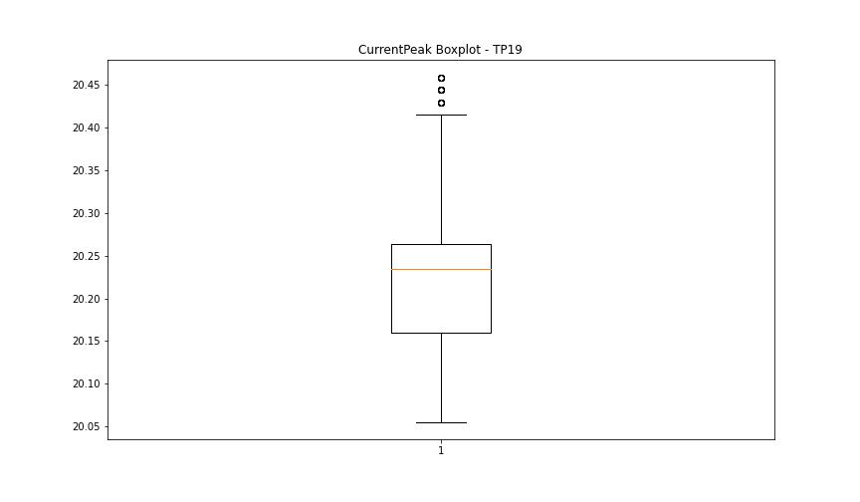

VibromPeak

numTP |  | 1 | 19
VibromPeak outliers |  | [2.9 2.6 3.1 3.8 4.1 3.7 3.6 2.8 3.3 2.5 2.7 3.2 5. 4.2 2.4 6.1 5.8 5.1 4.8 4.3 3. 4.6 4.7 4.5 4. 5.6 6.5 5.2 6.9 6.3 6.6 3.4 3.5 6.4 6.2 5.3 4.9 4.4 5.4 3.9 5.9 7.1 6.7 7.4 7.6] | []
upper_bound |  | 2.3 | 0.6
lower_bound |  | -0.1 | 0.6

statistiche con outliers: |  |  |  | statistiche senza outliers:
numTP |  | 1 | 19 | numTP |  | 1 | 19
VibromPeak | max | 7.6 | 0.6 | VibromPeak | max | 2.3 | 0.6
 | min | 0.2 | 0.6 |  | min | 0.2 | 0.6
 | avg | 1.1251397226 | 0.6 |  | avg | 1.06590452 | 0.6
 | median | 1.1 | 0.6 |  | median | 1.1 | 0.6

BOXPLOT CON OUTLIERS
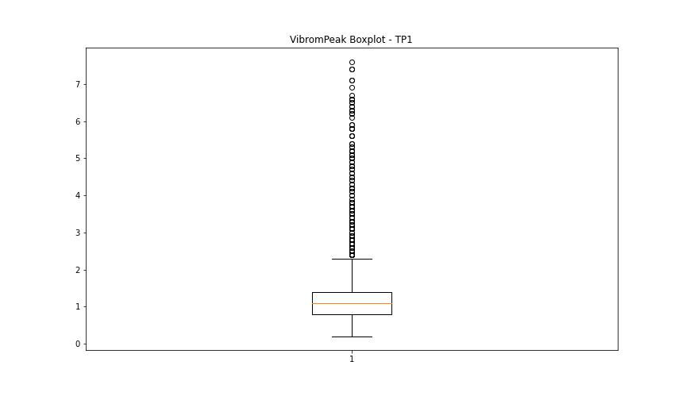
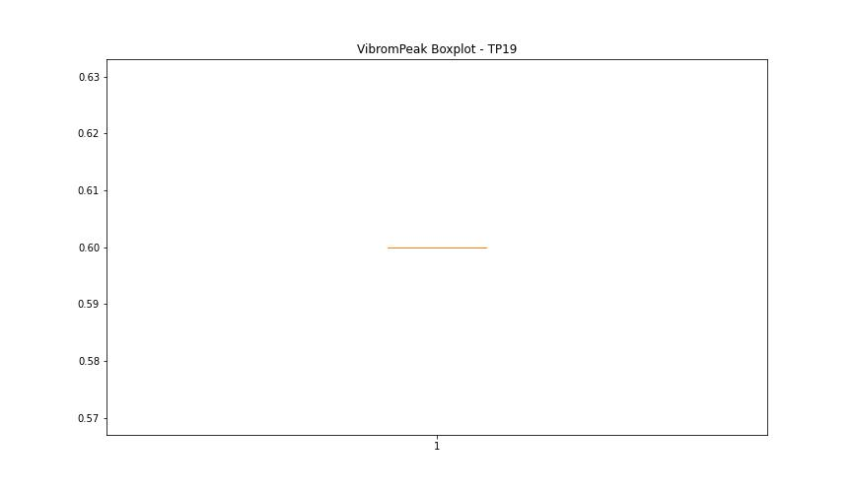

BOXPLOT SENZA OUTLIERS

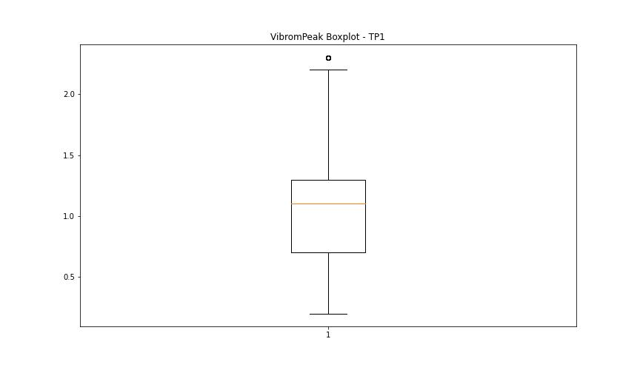

LUNG

numTP |  | 1 | 19
LUNG outliers |  | [] | []
upper_bound |  | 351.0325 | 1
lower_bound |  | -210.6035 | 1

statistiche con outliers: |  |  |  | statistiche senza outliers:
numTP |  | 1 | 19 | numTP |  | 1 | 19
LUNG | max | 214 | 1 | LUNG | max | 214 | 1
 | min | 0.01 | 1 |  | min | 0.01 | 1
 | avg | 99.391137831 | 1 |  | avg | 99.391137831 | 1
 | median | 134.8 | 1 |  | median | 134.8 | 1

BOXPLOT CON OUTLIERS
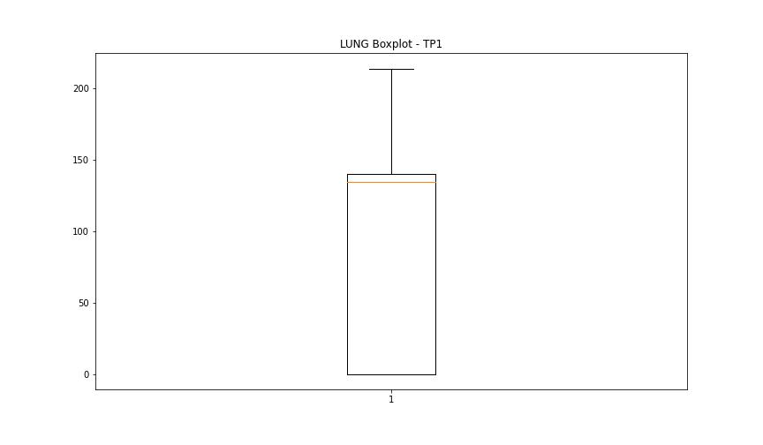
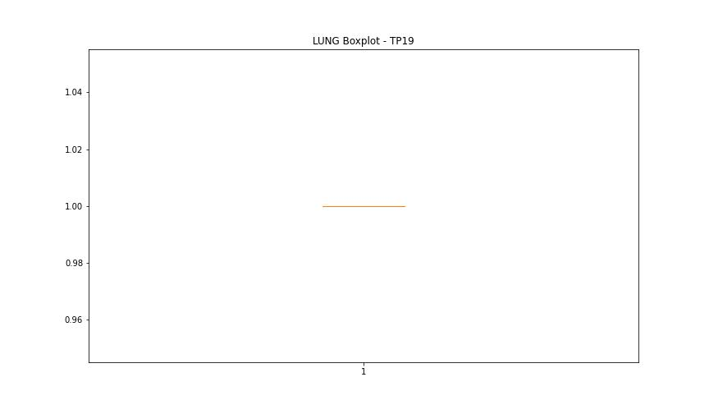

BOXPLOT SENZA OUTLIERS

DIAM

numTP |  | 1 | 19
DIAM outliers |  | [215.] | []
upper_bound |  | 144 | 50
lower_bound |  | -80 | 50

statistiche con outliers: |  |  |  | statistiche senza outliers:
numTP |  | 1 | 19 | numTP |  | 1 | 19
DIAM | max | 215 | 50 | DIAM | max | 60 | 50
 | min | 0.1 | 50 |  | min | 0.1 | 50
 | avg | 45.763191018 | 50 |  | avg | 24.758692335 | 50
 | median | 20 | 50 |  | median | 20 | 50

BOXPLOT CON OUTLIERS
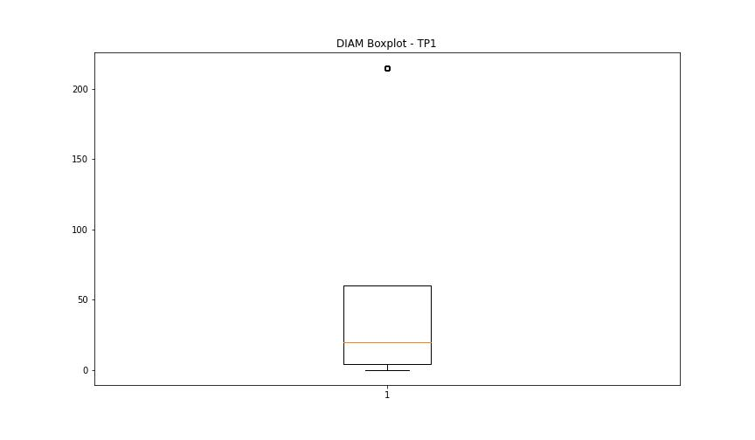
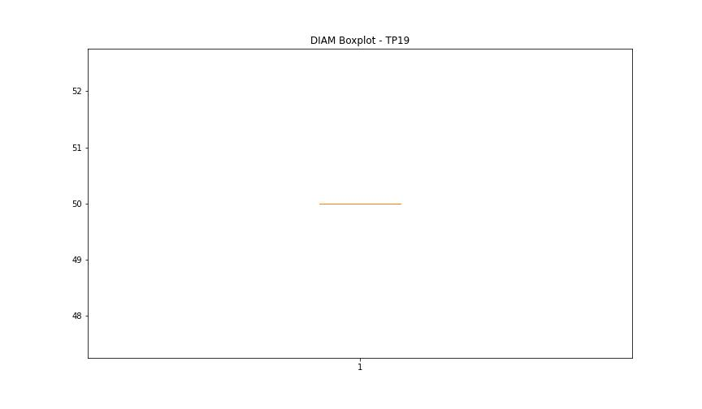

BOXPLOT SENZA OUTLIERS

