Sheet1
statorCelsius

numTP |  | 1 | 19
statorCelsius outliers |  | [] | []
upper_bound |  | 48 | 0
lower_bound |  | 0 | 0

statistiche con outliers: |  |  |  | statistiche senza outliers:
numTP |  | 1 | 19 | numTP |  | 1 | 19
statorCelsius | max | 43 | 0 | statorCelsius | max | 43 | 0
 | min | 7 | 0 |  | min | 7 | 0
 | avg | 24.197264598 | 0 |  | avg | 24.197264598 | 0
 | median | 24 | 0 |  | median | 24 | 0

BOXPLOT CON OUTLIERS
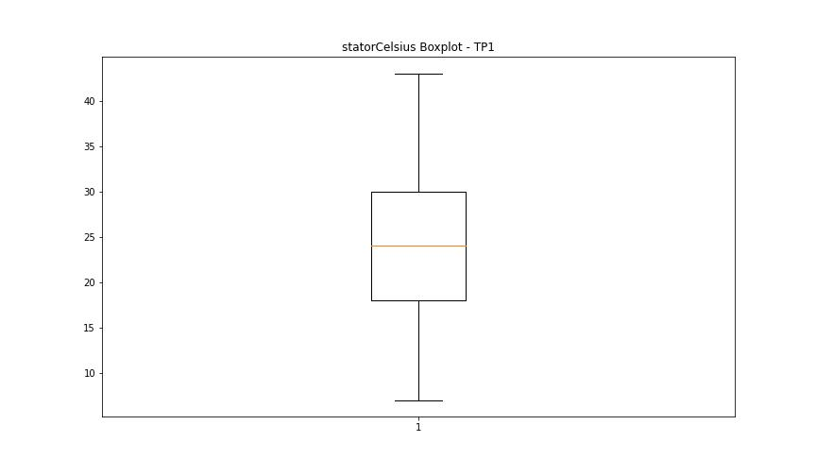
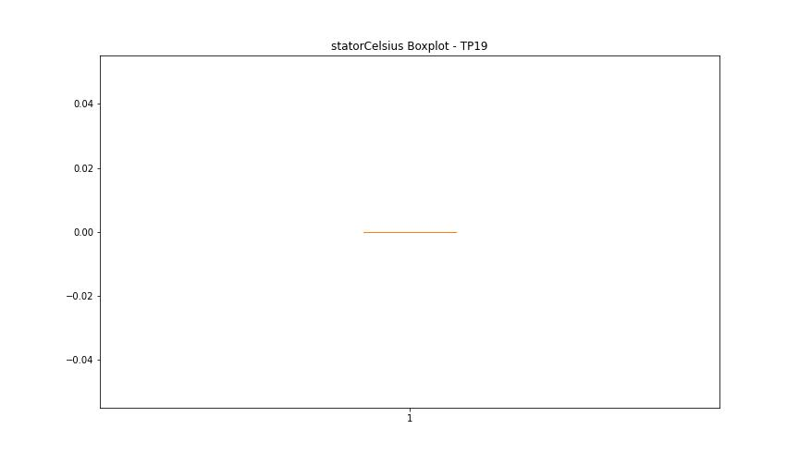

BOXPLOT SENZA OUTLIERS

bearingsCelsius

numTP |  | 1 | 19
bearingsCelsius outliers |  | [] | []
upper_bound |  | 44.5 | 0
lower_bound |  | 0.5 | 0

statistiche con outliers: |  |  |  | statistiche senza outliers:
numTP |  | 1 | 19 | numTP |  | 1 | 19
bearingsCelsius | max | 38 | 0 | bearingsCelsius | max | 38 | 0
 | min | 9 | 0 |  | min | 9 | 0
 | avg | 23.099982465 | 0 |  | avg | 23.099982465 | 0
 | median | 23 | 0 |  | median | 23 | 0

BOXPLOT CON OUTLIERS
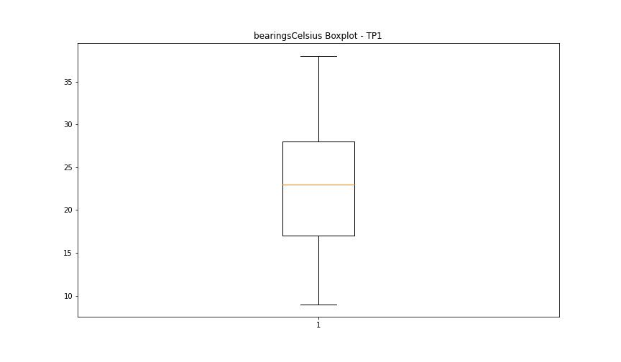


BOXPLOT SENZA OUTLIERS

spindleRpm

numTP |  | 1 | 19
spindleRpm outliers |  | [] | []
upper_bound |  | 33435.25 | 0
lower_bound |  | -7242.75 | 0

statistiche con outliers: |  |  |  | statistiche senza outliers:
numTP |  | 1 | 19 | numTP |  | 1 | 19
spindleRpm | max | 18341 | 0 | spindleRpm | max | 18341 | 0
 | min | 0 | 0 |  | min | 0 | 0
 | avg | 13318.654666 | 0 |  | avg | 13318.654666 | 0
 | median | 12165 | 0 |  | median | 12165 | 0

BOXPLOT CON OUTLIERS
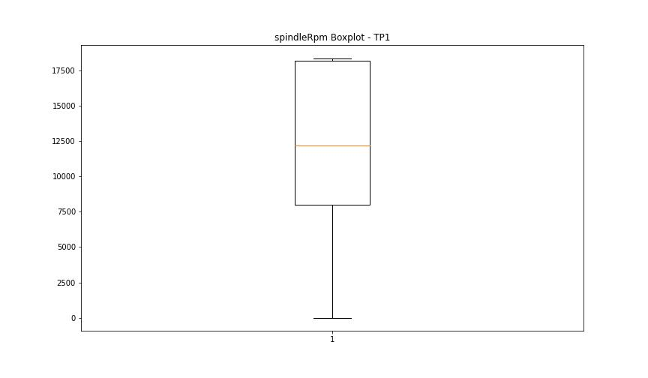


BOXPLOT SENZA OUTLIERS

rpmSetPoint

numTP |  | 1 | 19
rpmSetPoint outliers |  | [] | []
upper_bound |  | 33000 | 0
lower_bound |  | -7000 | 0

statistiche con outliers: |  |  |  | statistiche senza outliers:
numTP |  | 1 | 19 | numTP |  | 1 | 19
rpmSetPoint | max | 18000 | 0 | rpmSetPoint | max | 18000 | 0
 | min | 0 | 0 |  | min | 0 | 0
 | avg | 13216.237068 | 0 |  | avg | 13216.237068 | 0
 | median | 12000 | 0 |  | median | 12000 | 0

BOXPLOT CON OUTLIERS
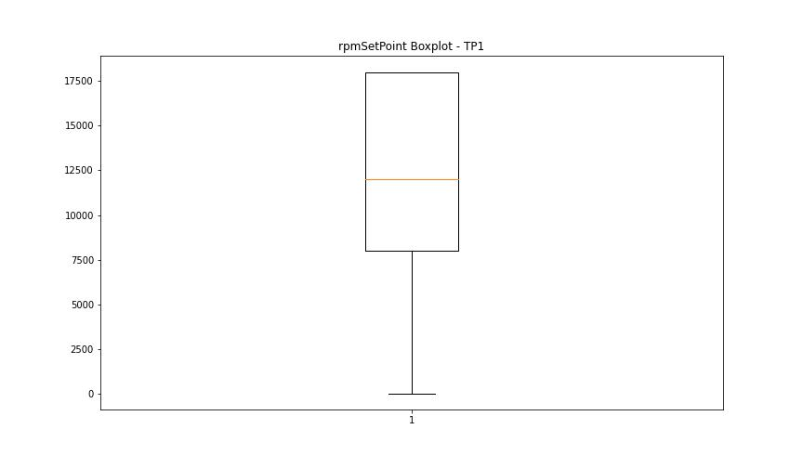


BOXPLOT SENZA OUTLIERS

CurrentPeak

numTP |  | 1 | 19
CurrentPeak outliers |  | [] | [0.7]
upper_bound |  | 63.7 | 1.15
lower_bound |  | -19.5 | 0.75

statistiche con outliers: |  |  |  | statistiche senza outliers:
numTP |  | 1 | 19 | numTP |  | 1 | 19
CurrentPeak | max | 33.299 | 1 | CurrentPeak | max | 33.299 | 1
 | min | 0 | 0.7 |  | min | 0 | 0.9
 | avg | 18.343282413 | 0.93815789474 |  | avg | 18.343282413 | 0.94459459459
 | median | 13.4 | 0.9 |  | median | 13.4 | 0.9

BOXPLOT CON OUTLIERS
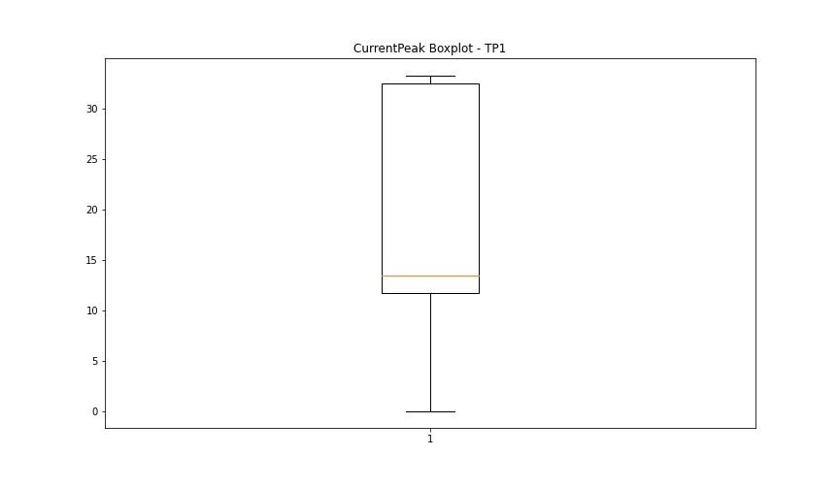
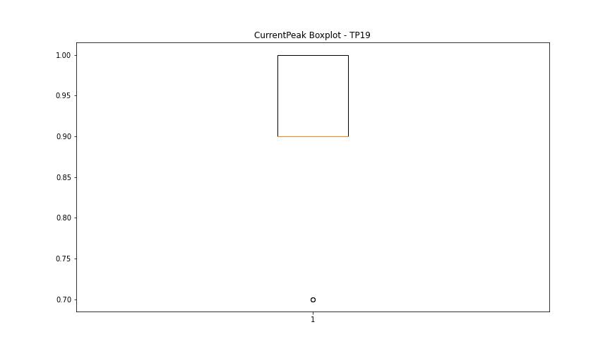

BOXPLOT SENZA OUTLIERS

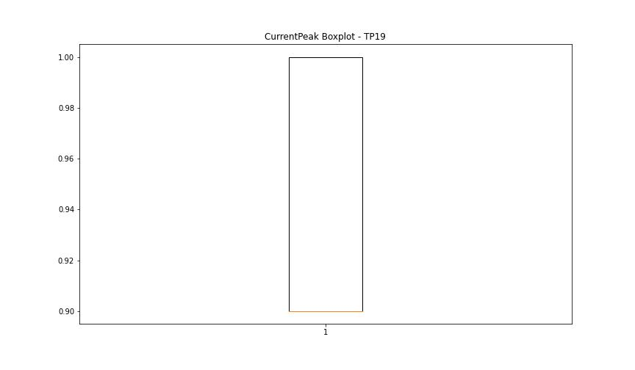

VibromPeak

numTP |  | 1 | 19
VibromPeak outliers |  | [10.8 25.6 11.5 10.6 11.6 44.099 11.3 10.9 11.1 11. 11.7 11.9 11.4 13. 10.7 12.6 11.2 12.7 11.8 12. 12.5 12.2 12.3 13.4 12.8 14.1 12.4 14.5 13.2 12.1 12.9 14.9 13.6 13.3 13.7 13.8 16.2 17.1 13.1 14.7 15.6 14.2 14.6 15.9 13.5 14.4 14.8 15.3 15. 16.9 17.299 14.3 16.4 15.2 17.6 15.4 16. 14. 16.299 15.1 13.9 18.799 16.5 16.1 15.7 16.6 17.4 16.7 15.5 16.799]
upper_bound |  | 10.5
lower_bound |  | -5.5

statistiche con outliers: |  |  |  | statistiche senza outliers:
numTP |  | 1 | 19 | numTP |  | 1 | 19
VibromPeak | max | 44.099 | nan | VibromPeak | max | 10.5
 | min | 0.1 | nan |  | min | 0.1
 | avg | 2.5511483638 | nan |  | avg | 2.2172676486
 | median | 0.6 | nan |  | median | 0.6

BOXPLOT CON OUTLIERS
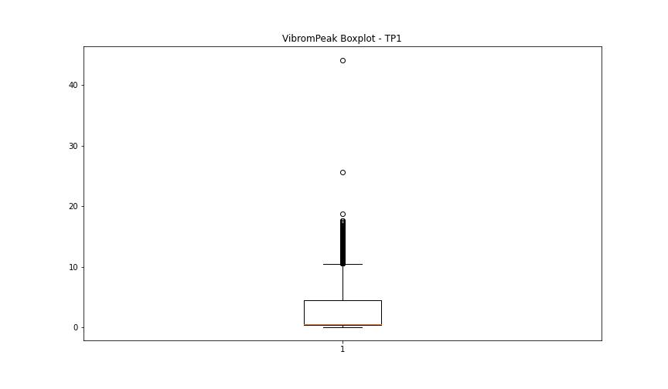
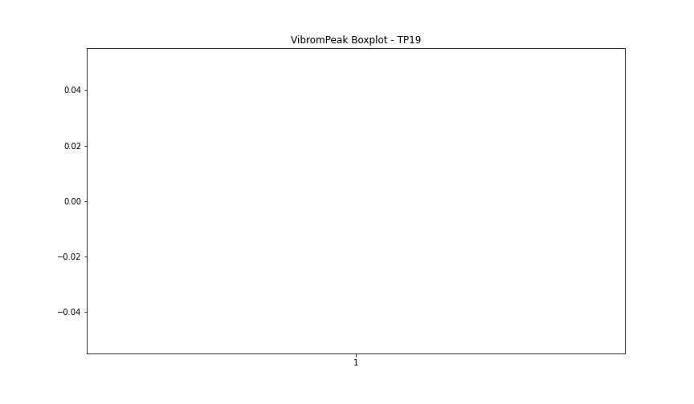

BOXPLOT SENZA OUTLIERS

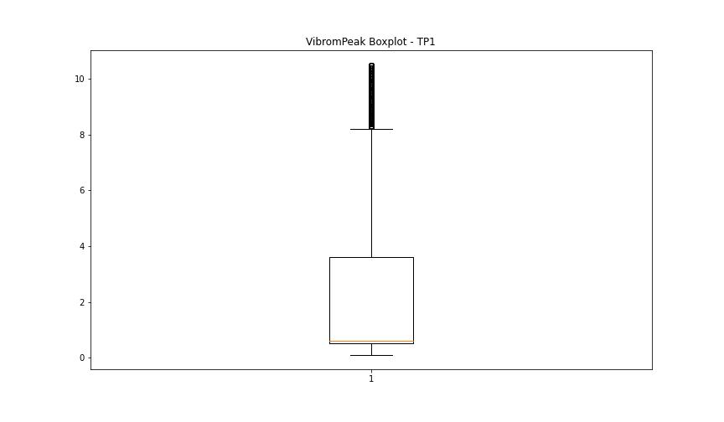

LUNG

numTP |  | 1 | 19
LUNG outliers |  | [] | []
upper_bound |  | 274.6825 | 1
lower_bound |  | -164.7935 | 1

statistiche con outliers: |  |  |  | statistiche senza outliers:
numTP |  | 1 | 19 | numTP |  | 1 | 19
LUNG | max | 214 | 1 | LUNG | max | 214 | 1
 | min | 0.01 | 1 |  | min | 0.01 | 1
 | avg | 47.30669623 | 1 |  | avg | 47.30669623 | 1
 | median | 2.05 | 1 |  | median | 2.05 | 1

BOXPLOT CON OUTLIERS
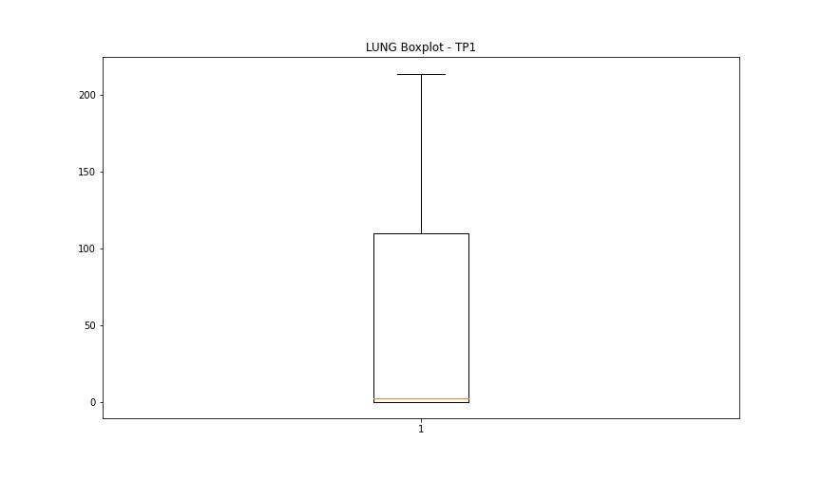
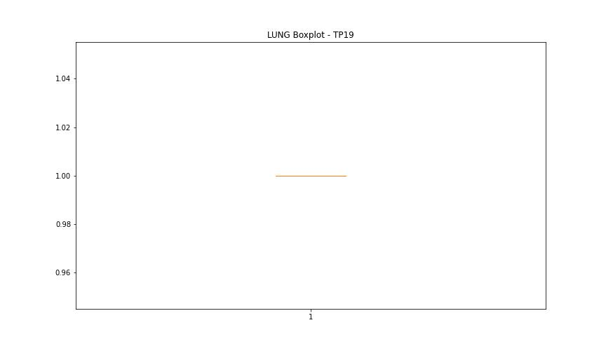

BOXPLOT SENZA OUTLIERS

DIAM

numTP |  | 1 | 19
DIAM outliers |  | [] | []
upper_bound |  | 531.5 | 50
lower_bound |  | -312.5 | 50

statistiche con outliers: |  |  |  | statistiche senza outliers:
numTP |  | 1 | 19 | numTP |  | 1 | 19
DIAM | max | 215 | 50 | DIAM | max | 215 | 50
 | min | 0.1 | 50 |  | min | 0.1 | 50
 | avg | 68.865274417 | 50 |  | avg | 68.865274417 | 50
 | median | 12 | 50 |  | median | 12 | 50

BOXPLOT CON OUTLIERS
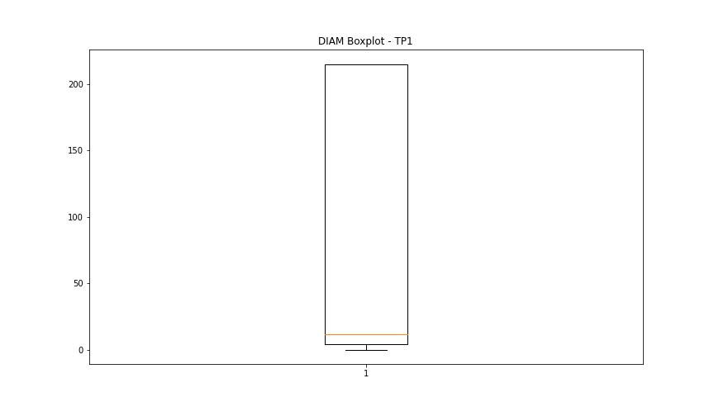
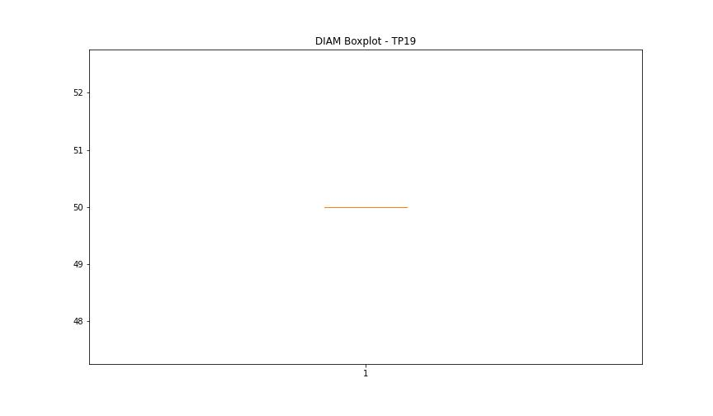

BOXPLOT SENZA OUTLIERS

