Sheet1
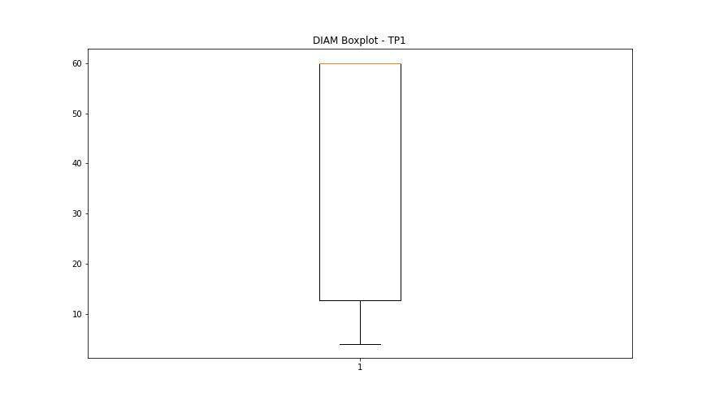
statorCelsius

numTP |  | 19 | 1
statorCelsius outliers |  | [] | [20. 19. 46.]
upper_bound |  | 0 | 45
lower_bound |  | 0 | 21

statistiche con outliers: |  |  |  | statistiche senza outliers:
numTP |  | 19 | 1 | numTP |  | 19 | 1
statorCelsius | max | 0 | 46 | statorCelsius | max | 0 | 45
 | min | 0 | 19 |  | min | 0 | 21
 | avg | 0 | 32.626127631 |  | avg | 0 | 32.638404826
 | median | 0 | 33 |  | median | 0 | 33

BOXPLOT CON OUTLIERS
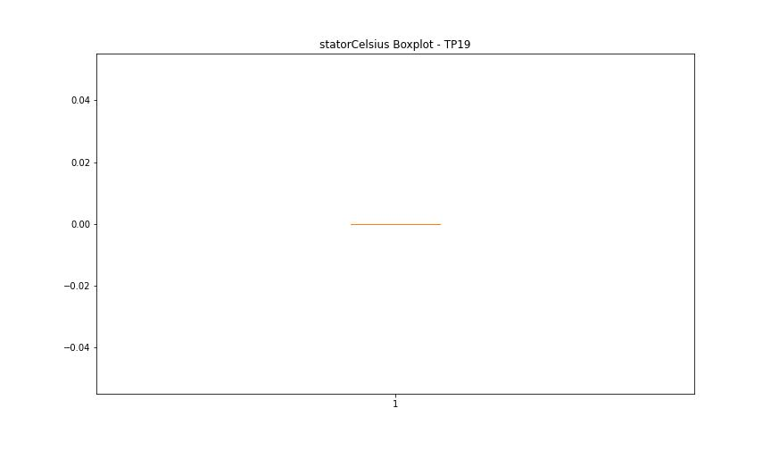
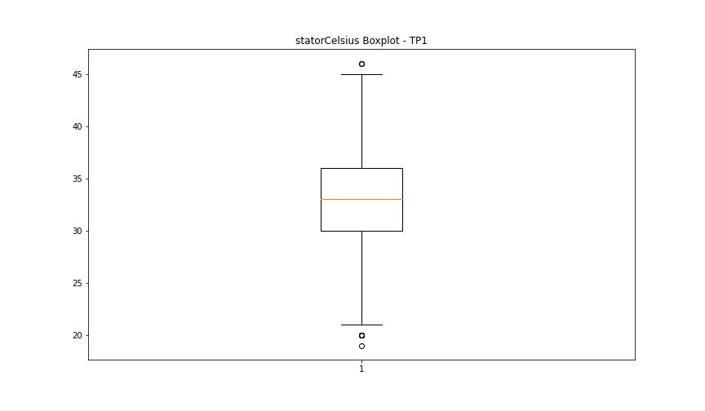

BOXPLOT SENZA OUTLIERS

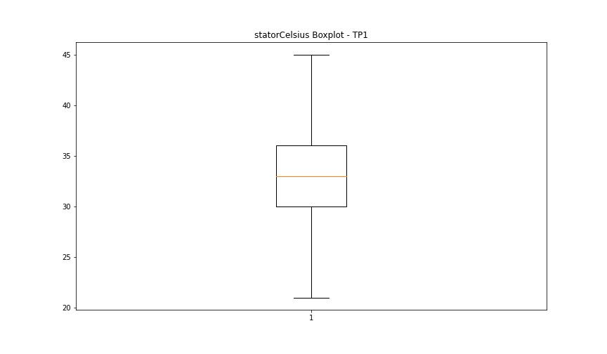

bearingsCelsius

numTP |  | 19 | 1
bearingsCelsius outliers |  | [] | [39.]
upper_bound |  | 0 | 38.5
lower_bound |  | 0 | 18.5

statistiche con outliers: |  |  |  | statistiche senza outliers:
numTP |  | 19 | 1 | numTP |  | 19 | 1
bearingsCelsius | max | 0 | 39 | bearingsCelsius | max | 0 | 38
 | min | 0 | 19 |  | min | 0 | 19
 | avg | 0 | 28.379552289 |  | avg | 0 | 28.361780455
 | median | 0 | 28 |  | median | 0 | 28

BOXPLOT CON OUTLIERS

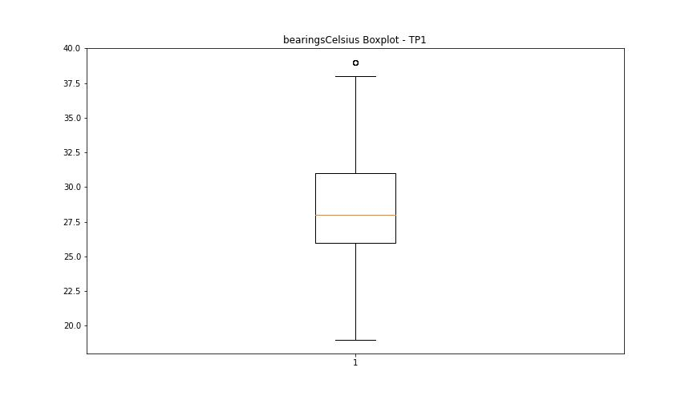

BOXPLOT SENZA OUTLIERS

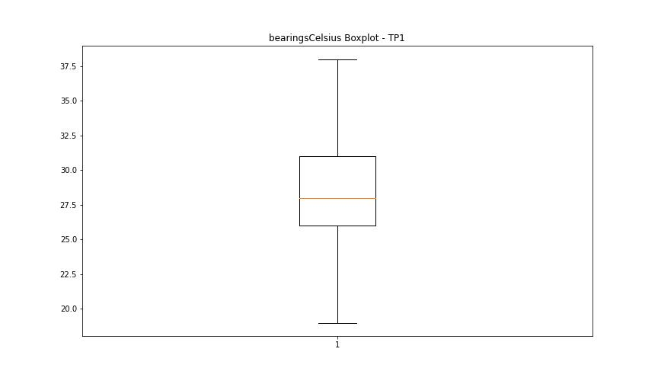

spindleRpm

numTP |  | 19 | 1
spindleRpm outliers |  | [] | []
upper_bound |  | 0 | 19510.5
lower_bound |  | 0 | -509.5

statistiche con outliers: |  |  |  | statistiche senza outliers:
numTP |  | 19 | 1 | numTP |  | 19 | 1
spindleRpm | max | 0 | 18027 | spindleRpm | max | 0 | 18027
 | min | 0 | 0 |  | min | 0 | 0
 | avg | 0 | 9169.2536612 |  | avg | 0 | 9169.2536612
 | median | 0 | 7996.1 |  | median | 0 | 7996.1

BOXPLOT CON OUTLIERS

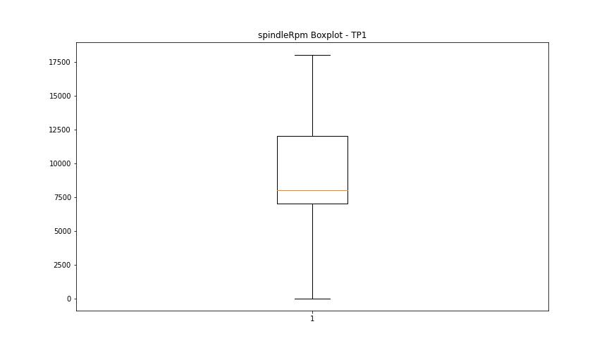

BOXPLOT SENZA OUTLIERS

rpmSetPoint

numTP |  | 19 | 1
rpmSetPoint outliers |  | [] | []
upper_bound |  | 0 | 19500
lower_bound |  | 0 | -500

statistiche con outliers: |  |  |  | statistiche senza outliers:
numTP |  | 19 | 1 | numTP |  | 19 | 1
rpmSetPoint | max | 0 | 18000 | rpmSetPoint | max | 0 | 18000
 | min | 0 | 0 |  | min | 0 | 0
 | avg | 0 | 9177.7480789 |  | avg | 0 | 9177.7480789
 | median | 0 | 8000 |  | median | 0 | 8000

BOXPLOT CON OUTLIERS

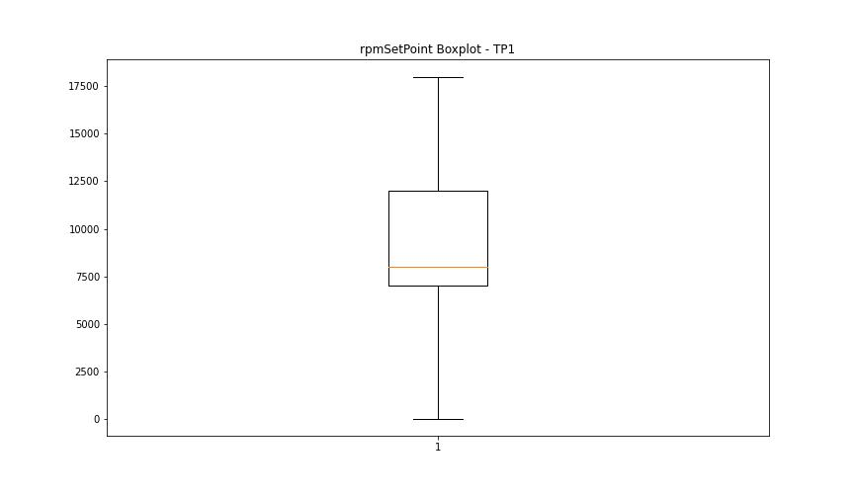

BOXPLOT SENZA OUTLIERS

CurrentPeak

numTP |  | 19 | 1
CurrentPeak outliers |  | [] | [7.623 8.25 7.898 8.05 0. 9.093 0.808 9.105 0.761 0.779 1.511 8.865 7.242 0.714 0.791 7.64 6.966 7.746 0.703 9.076 7.382 8.021 9. 9.199 8.97 0.732 9.322 9.263 0.855 9.14 9.029 7.775 8.203]
upper_bound |  | 20.37 | 16.539
lower_bound |  | 20.01 | 9.323

statistiche con outliers: |  |  |  | statistiche senza outliers:
numTP |  | 19 | 1 | numTP |  | 19 | 1
CurrentPeak | max | 20.355 | 14.642 | CurrentPeak | max | 20.355 | 14.642
 | min | 20.084 | 0 |  | min | 20.084 | 9.351
 | avg | 20.202071429 | 12.960401604 |  | avg | 20.202071429 | 13.119055461
 | median | 20.1895 | 13.324 |  | median | 20.1895 | 13.359

BOXPLOT CON OUTLIERS
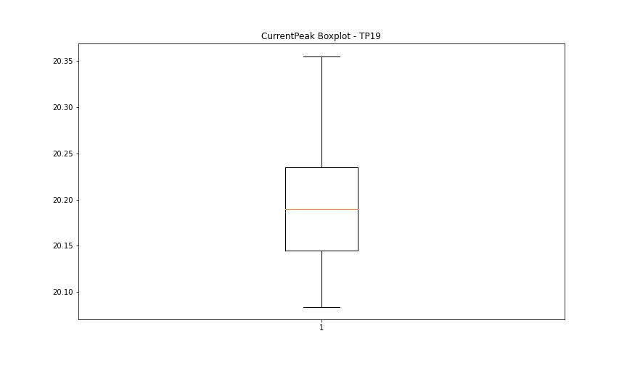
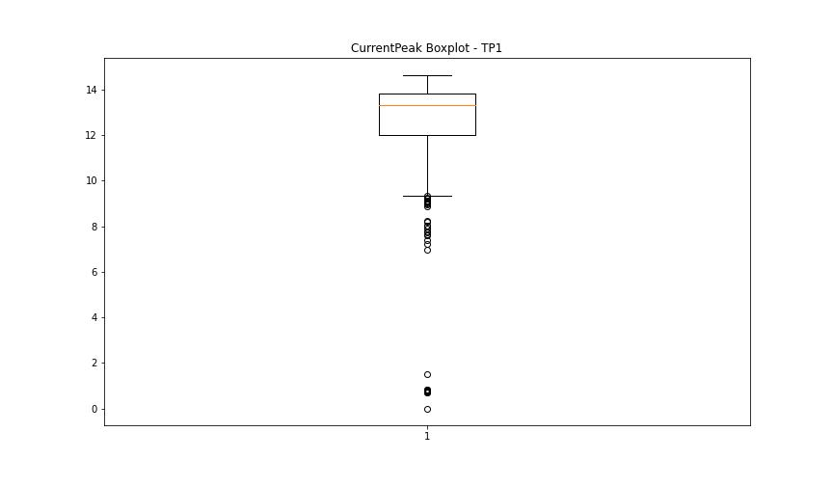

BOXPLOT SENZA OUTLIERS

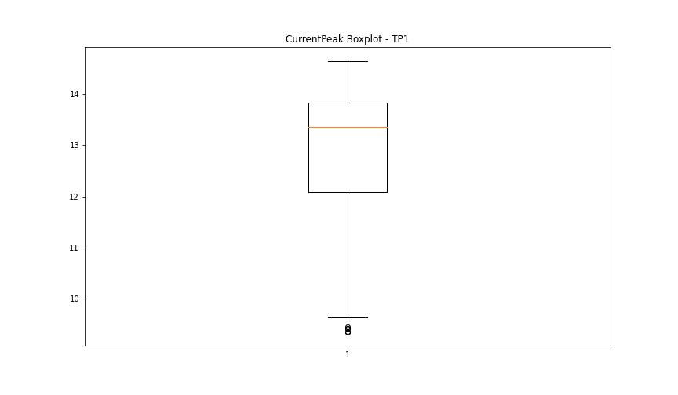

VibromPeak

numTP |  | 19 | 1
VibromPeak outliers |  |  | [4.3 3.2 5.5 5.4 3.8 4.9 3.3 4.6 3.5 5.7 4.1 3.4 5. 3.7 4.5 3.6 6.3 6.2 4.2 4.8 3.9 9.6]
upper_bound |  |  | 3.15
lower_bound |  |  | -0.45

statistiche con outliers: |  |  |  | statistiche senza outliers:
numTP |  | 19 | 1 | numTP |  | 19 | 1
VibromPeak | max | nan | 9.6 | VibromPeak | max |  | 3.1
 | min | nan | 0.2 |  | min |  | 0.2
 | avg | nan | 1.3625543297 |  | avg |  | 1.3167967424
 | median | nan | 1.4 |  | median |  | 1.4

BOXPLOT CON OUTLIERS
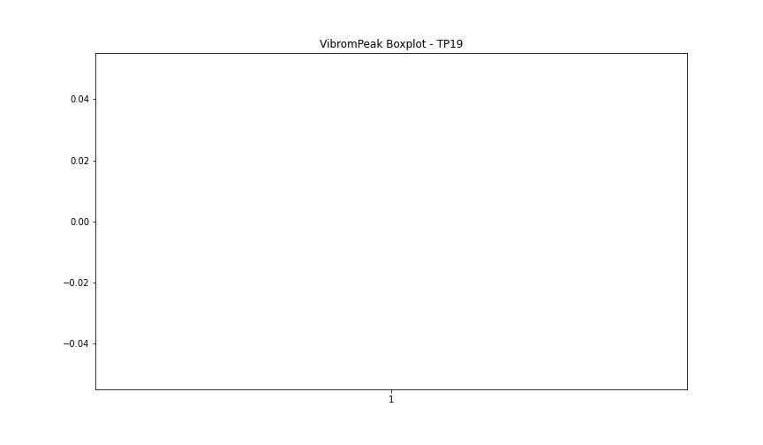
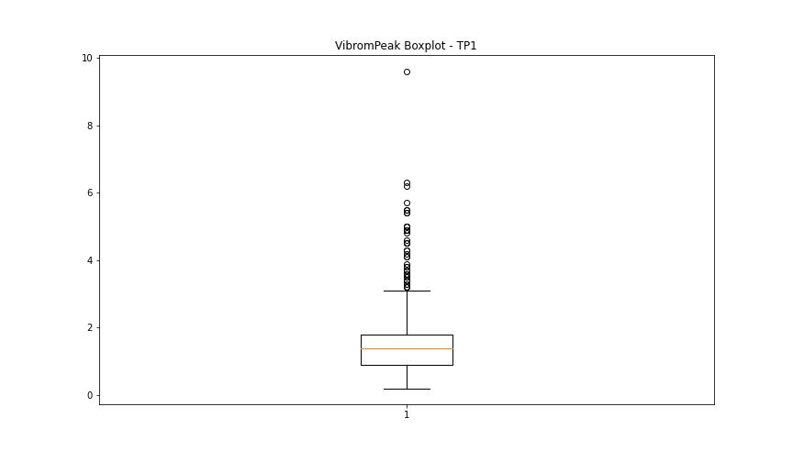

BOXPLOT SENZA OUTLIERS

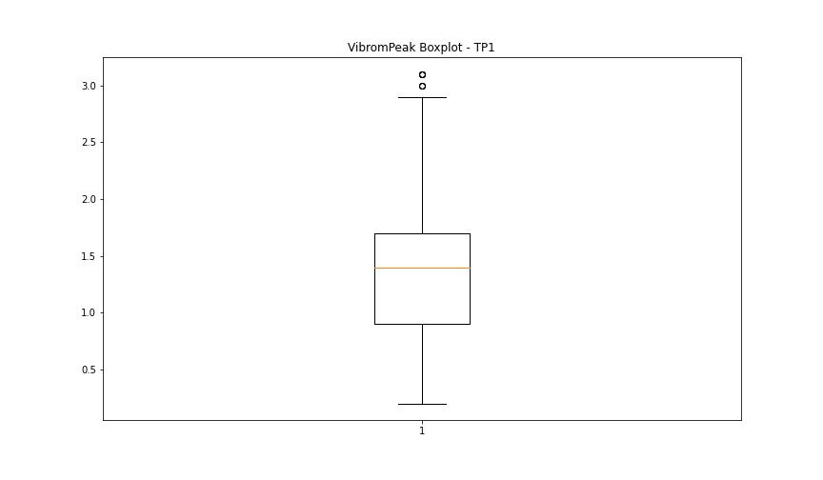

LUNG

numTP |  | 19 | 1
LUNG outliers |  | [] | []
upper_bound |  | 1 | 531.925
lower_bound |  | 1 | -315.875

statistiche con outliers: |  |  |  | statistiche senza outliers:
numTP |  | 19 | 1 | numTP |  | 19 | 1
LUNG | max | 1 | 214 | LUNG | max | 1 | 214
 | min | 1 | 0.01 |  | min | 1 | 0.01
 | avg | 1 | 125.48833979 |  | avg | 1 | 125.48833979
 | median | 1 | 122.103 |  | median | 1 | 122.103

BOXPLOT CON OUTLIERS
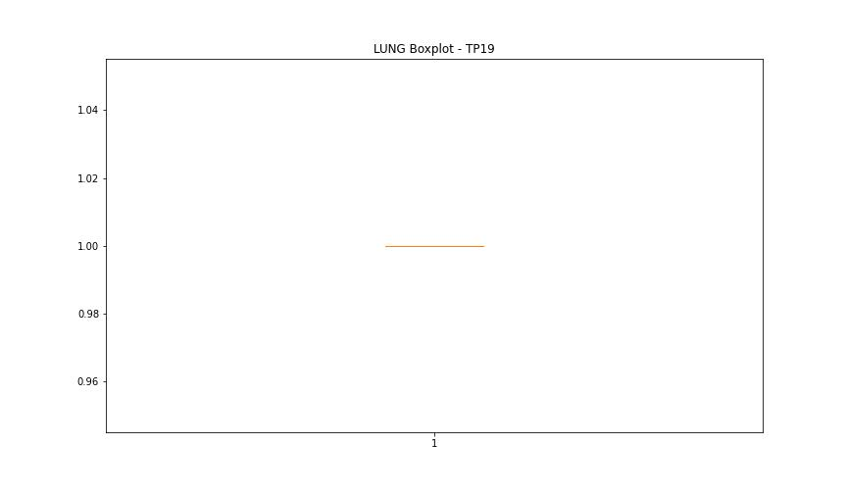
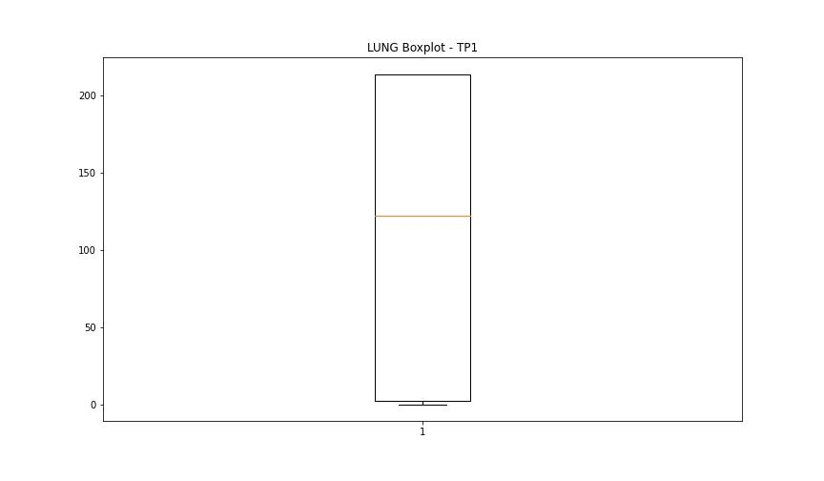

BOXPLOT SENZA OUTLIERS

DIAM

numTP |  | 19 | 1
DIAM outliers |  | [] | [215.]
upper_bound |  | 50 | 130.95
lower_bound |  | 50 | -58.25

statistiche con outliers: |  |  |  | statistiche senza outliers:
numTP |  | 19 | 1 | numTP |  | 19 | 1
DIAM | max | 50 | 215 | DIAM | max | 50 | 60
 | min | 50 | 4 |  | min | 50 | 4
 | avg | 50 | 67.19355162 |  | avg | 50 | 37.406784424
 | median | 50 | 60 |  | median | 50 | 60

BOXPLOT CON OUTLIERS
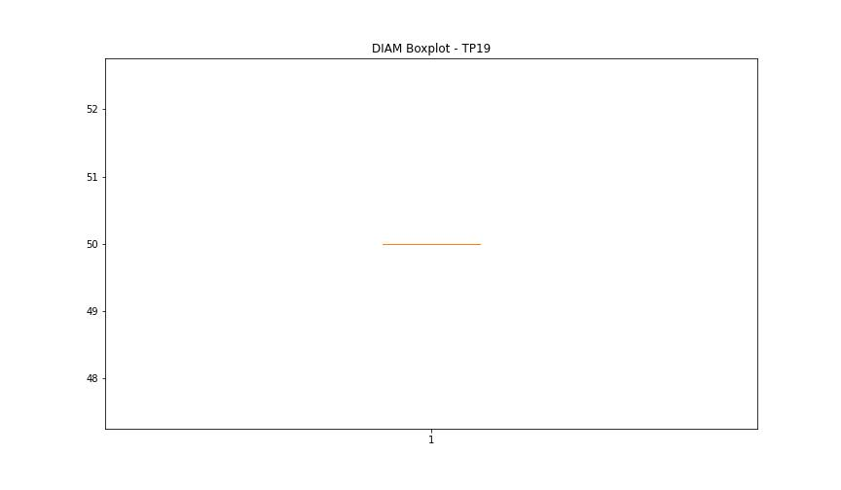
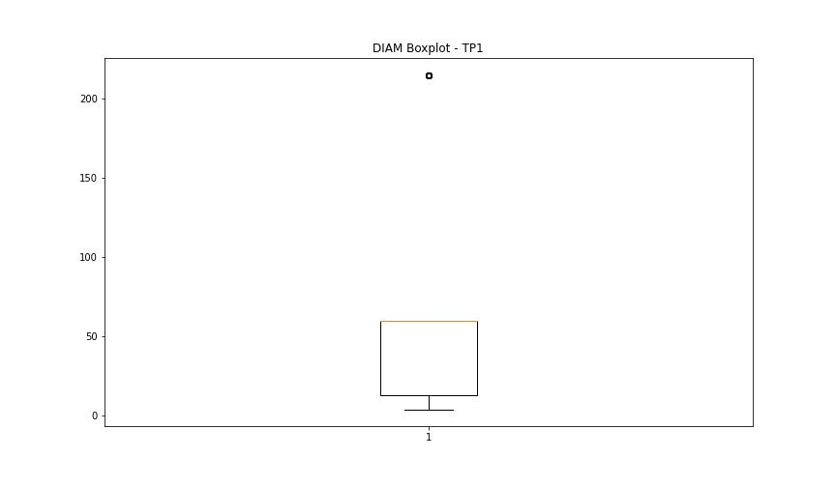

BOXPLOT SENZA OUTLIERS

