Sheet1
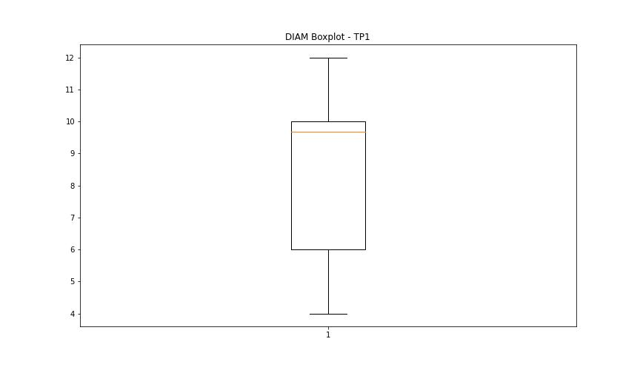
statorCelsius

numTP |  | 1
statorCelsius outliers |  | [0.]
upper_bound |  | 42.5
lower_bound |  | 14.5

statistiche con outliers: |  |  | statistiche senza outliers:
numTP |  | 1 | numTP |  | 1
statorCelsius | max | 40 | statorCelsius | max | 40
 | min | 0 |  | min | 15
 | avg | 28.12 |  | avg | 28.145299145
 | median | 26 |  | median | 26

BOXPLOT CON OUTLIERS
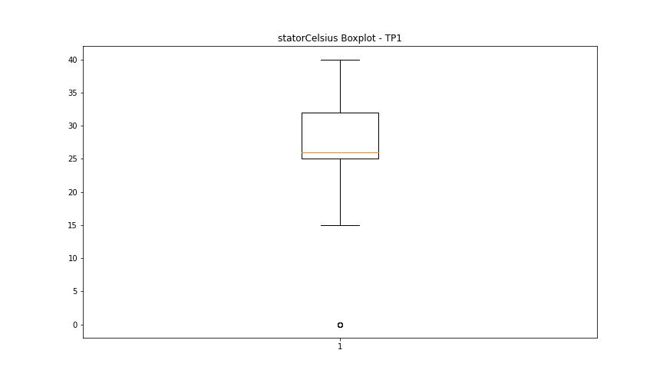

BOXPLOT SENZA OUTLIERS

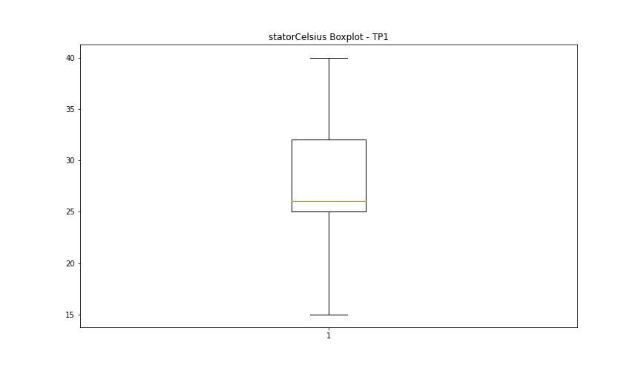

bearingsCelsius

numTP |  | 1
bearingsCelsius outliers |  | [30. 31. 32. 34. 20. 19. 18. 17. 16. 0. 15. 33. 35.]
upper_bound |  | 29
lower_bound |  | 21

statistiche con outliers: |  |  | statistiche senza outliers:
numTP |  | 1 | numTP |  | 1
bearingsCelsius | max | 35 | bearingsCelsius | max | 29
 | min | 0 |  | min | 21
 | avg | 25.109438202 |  | avg | 25.223076923
 | median | 25 |  | median | 25

BOXPLOT CON OUTLIERS
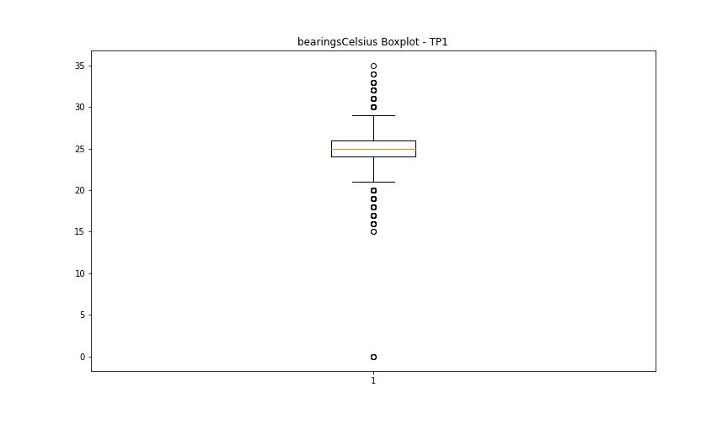

BOXPLOT SENZA OUTLIERS

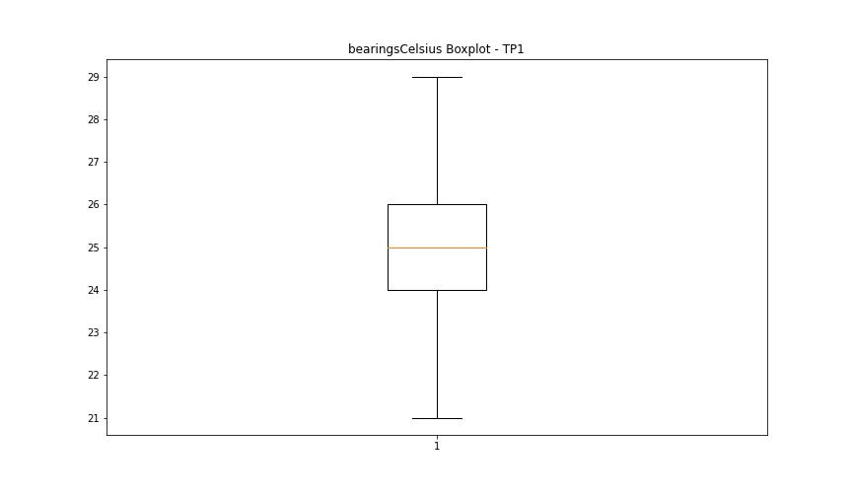

spindleRpm

numTP |  | 1
spindleRpm outliers |  | [65535. 0. 2115. 529.]
upper_bound |  | 26992.75
lower_bound |  | 3030.75

statistiche con outliers: |  |  | statistiche senza outliers:
numTP |  | 1 | numTP |  | 1
spindleRpm | max | 65535 | spindleRpm | max | 18037
 | min | 0 |  | min | 3996
 | avg | 15969.802472 |  | avg | 15960.894595
 | median | 17997 |  | median | 17997

BOXPLOT CON OUTLIERS
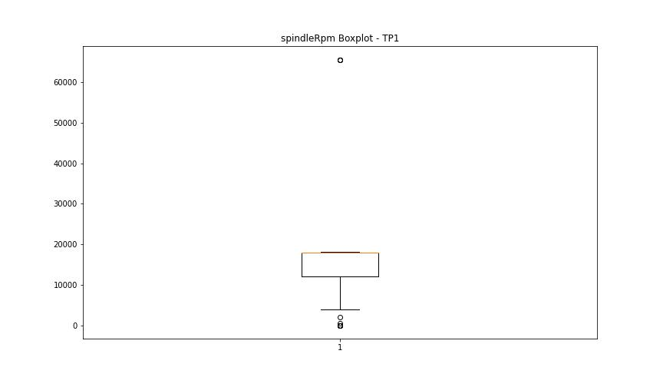

BOXPLOT SENZA OUTLIERS

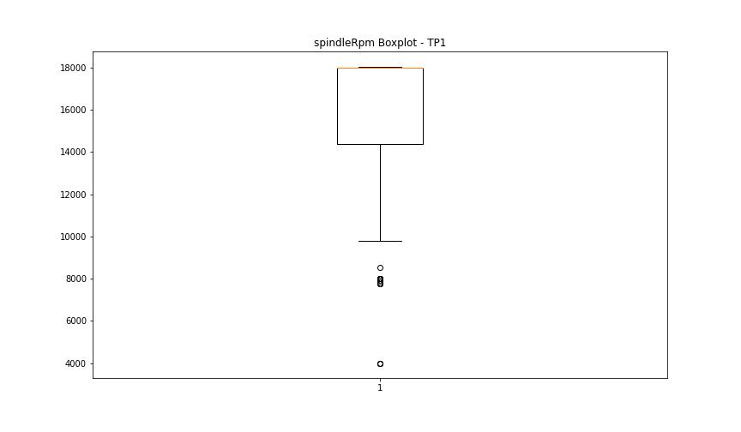

rpmSetPoint

numTP |  | 1
rpmSetPoint outliers |  | [0.]
upper_bound |  | 27000
lower_bound |  | 3000

statistiche con outliers: |  |  | statistiche senza outliers:
numTP |  | 1 | numTP |  | 1
rpmSetPoint | max | 18000 | rpmSetPoint | max | 18000
 | min | 0 |  | min | 4000
 | avg | 15902.47191 |  | avg | 15916.779127
 | median | 18000 |  | median | 18000

BOXPLOT CON OUTLIERS
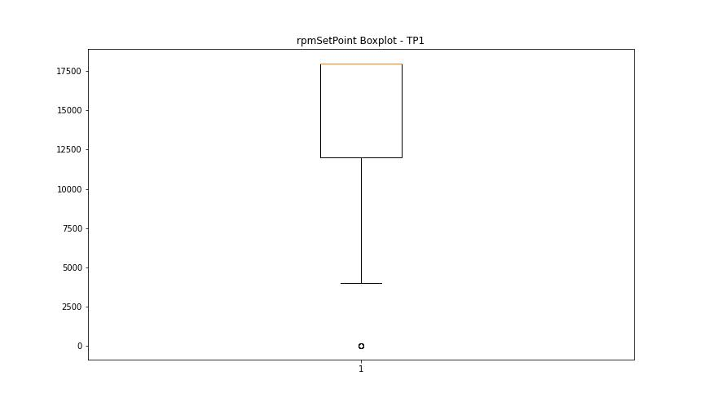

BOXPLOT SENZA OUTLIERS

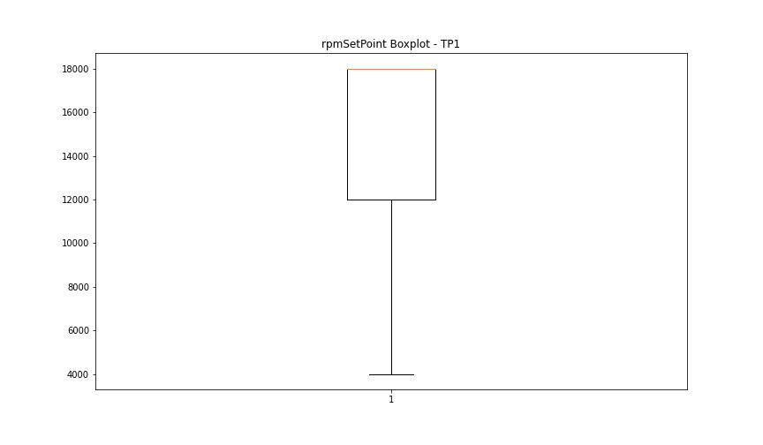

CurrentPeak

numTP |  | 1
CurrentPeak outliers |  | [13.246 0.07 11.76 0.318 0.651 0.559 0.743 0.516 0.361 12.036 0.531 11.993 0.623 11.929 0.545 12.114 0.686 11.852 12.262 12.602 0.502 12.085 0.637 12.737 12.064 1.522 0.792 12.283 0.807 0.424 0.346 0.467 0.665 0.375 0.7 12.191 0.084 11.837 0.58 12.354 0.304 0.438 0.488 0.29 0.396 0.715 12.312 0.254 0.594 11.717 0.269 0.41 0.608 12.128 12.099 0.757 0.24 12.34 12.588 8.814 12.375 0.453 11.745 12.538 11.901 13.168 12.432 12.418 1.784 1.295 2.456 0.941 1.918 11.915 12.404 12.39 1.954 1.706 1.628 0.835 0.991 12.22 12.446 13.395 13.331 11.88 11.958 7.508 7.351 7.604 7.4 12.234 0.332 1.373 2.732 4.396 2.959 2.881 12.05 12.46 13.381 12.298 0.729 0.177 12.206 13.303 13.317 26.564 11.809 12.007 12.248 0.821 2.378 1.663 10.414 1.876 2.52 8.17 10.216 10.372 9.869 12.142 11.823 12.021 12.156 11.653 11.682 12.17 11.795 1.246 22.84 0.226 11.944 12.574 12.708 2.286]
upper_bound |  | 20.797
lower_bound |  | 13.405

statistiche con outliers: |  |  | statistiche senza outliers:
numTP |  | 1 | numTP |  | 1
CurrentPeak | max | 26.564 | CurrentPeak | max | 19.109
 | min | 0.07 |  | min | 13.423
 | avg | 15.814282022 |  | avg | 17.469759354
 | median | 17.601 |  | median | 17.707

BOXPLOT CON OUTLIERS
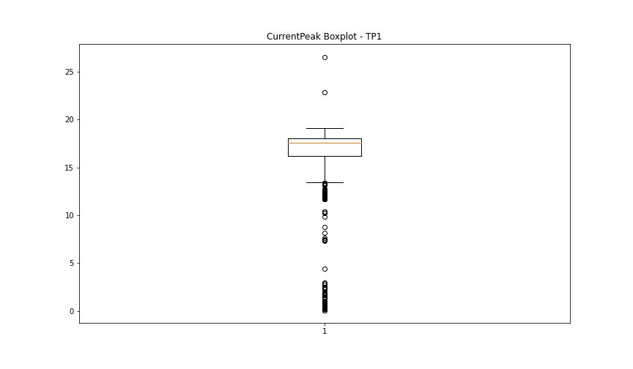

BOXPLOT SENZA OUTLIERS

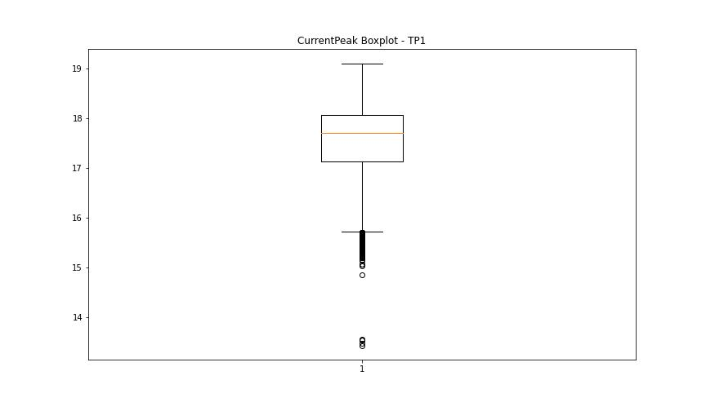

VibromPeak

numTP |  | 1
VibromPeak outliers |  | [1.6 1.7 5.1 2.2 1.9 2. 2.3 2.9 1.8 2.6 3.1 3.5 4.3 5.8 3. 4.9 3.4 2.1 2.4 2.8 5.2 4.6 4.1 2.5 2.7 3.3 3.8 5.5]
upper_bound |  | 1.5
lower_bound |  | -0.1

statistiche con outliers: |  |  | statistiche senza outliers:
numTP |  | 1 | numTP |  | 1
VibromPeak | max | 5.8 | VibromPeak | max | 1.5
 | min | 0.1 |  | min | 0.1
 | avg | 0.74238470191 |  | avg | 0.68728337237
 | median | 0.7 |  | median | 0.6

BOXPLOT CON OUTLIERS
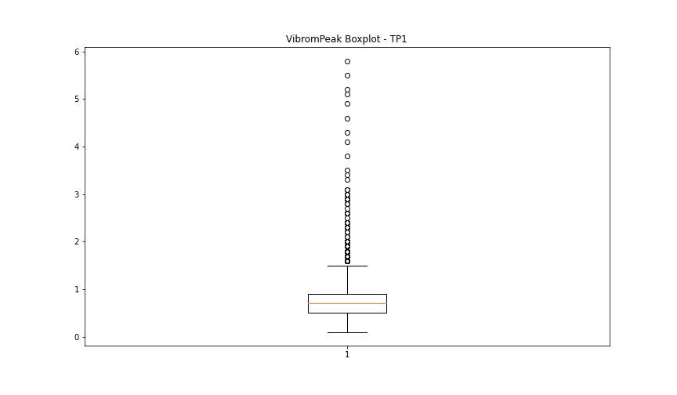

BOXPLOT SENZA OUTLIERS

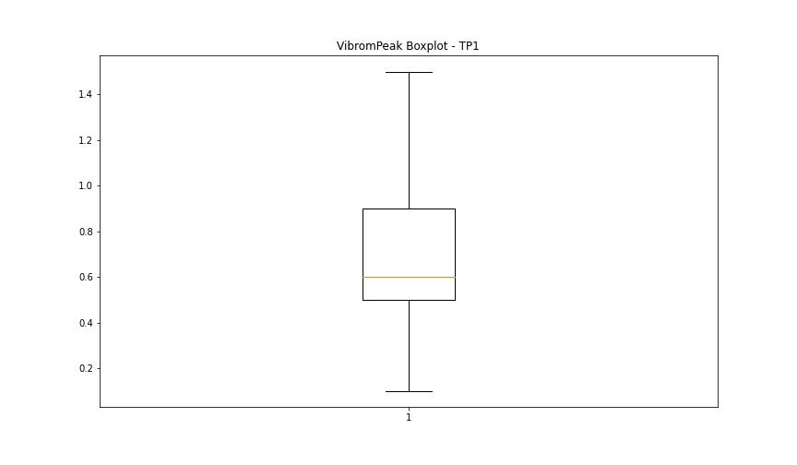

LUNG

numTP |  | 1
LUNG outliers |  | [115.05 111.539 106.599 158.41 107.589 167.99 115.72 112.229 107.294 159.035 108.242 168.008 142.787 142.789]
upper_bound |  | 131.066
lower_bound |  | 116.314

statistiche con outliers: |  |  | statistiche senza outliers:
numTP |  | 1 | numTP |  | 1
LUNG | max | 168.008 | LUNG | max | 129.21
 | min | 106.599 |  | min | 119.629
 | avg | 123.96369798 |  | avg | 124.55873626
 | median | 124.75 |  | median | 124.75

BOXPLOT CON OUTLIERS
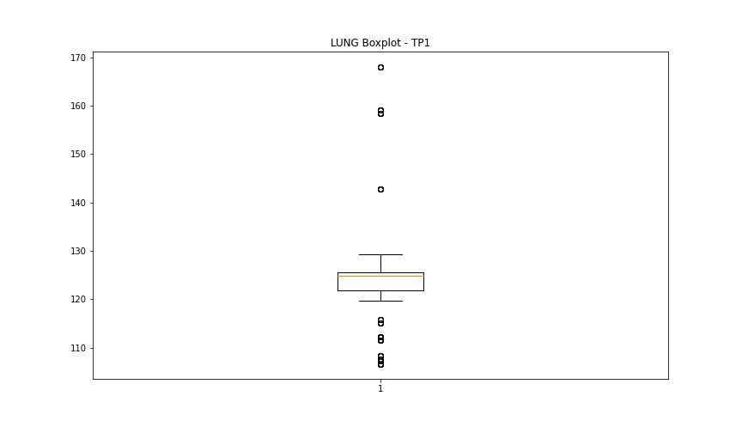

BOXPLOT SENZA OUTLIERS

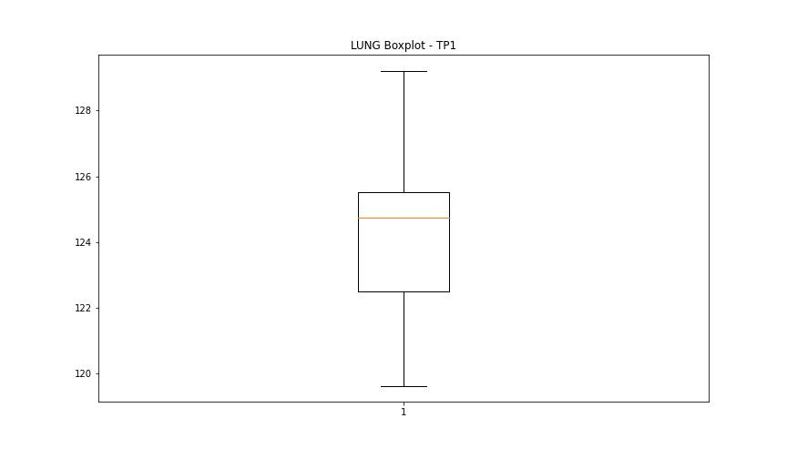

DIAM

numTP |  | 1
DIAM outliers |  | [137.309 54.02 20. ]
upper_bound |  | 16
lower_bound |  | 0

statistiche con outliers: |  |  | statistiche senza outliers:
numTP |  | 1 | numTP |  | 1
DIAM | max | 137.309 | DIAM | max | 12
 | min | 4 |  | min | 4
 | avg | 10.468178652 |  | avg | 8.7823633403
 | median | 9.68 |  | median | 9.68

BOXPLOT CON OUTLIERS
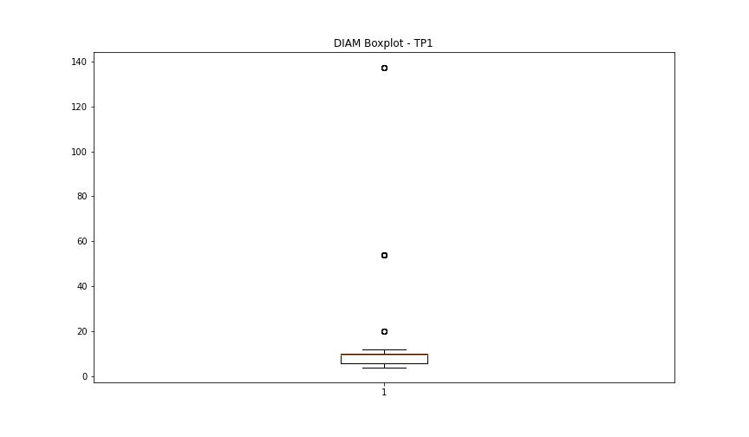

BOXPLOT SENZA OUTLIERS

