Sheet1
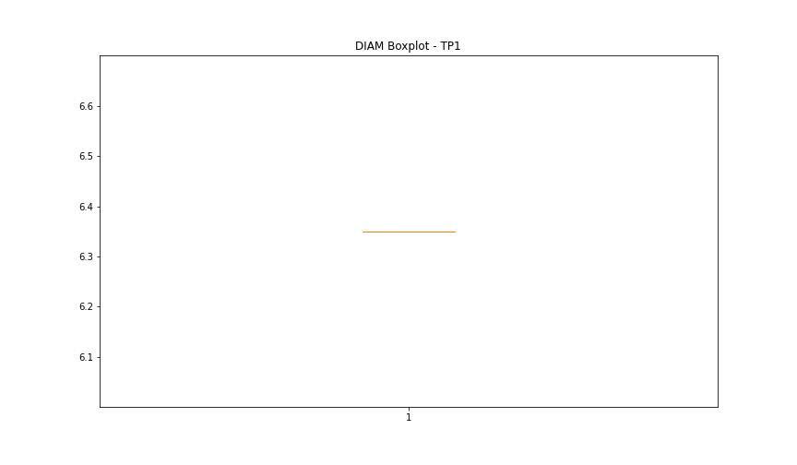
statorCelsius

numTP |  | 1
statorCelsius outliers |  | [26. 28. 30. 31. 29. 33. 25. 27. 36. 34. 32. 35. 37. 38. 43. 44. 24. 23. 21. 22. 20. 17. 18. 19. 15. 13. 16. 14. 8. 10. 11. 12. 9.]
upper_bound |  | 42.5
lower_bound |  | 38.5

statistiche con outliers: |  |  | statistiche senza outliers:
numTP |  | 1 | numTP |  | 1
statorCelsius | max | 44 | statorCelsius | max | 42
 | min | 8 |  | min | 39
 | avg | 39.468781895 |  | avg | 40.652944417
 | median | 41 |  | median | 41

BOXPLOT CON OUTLIERS
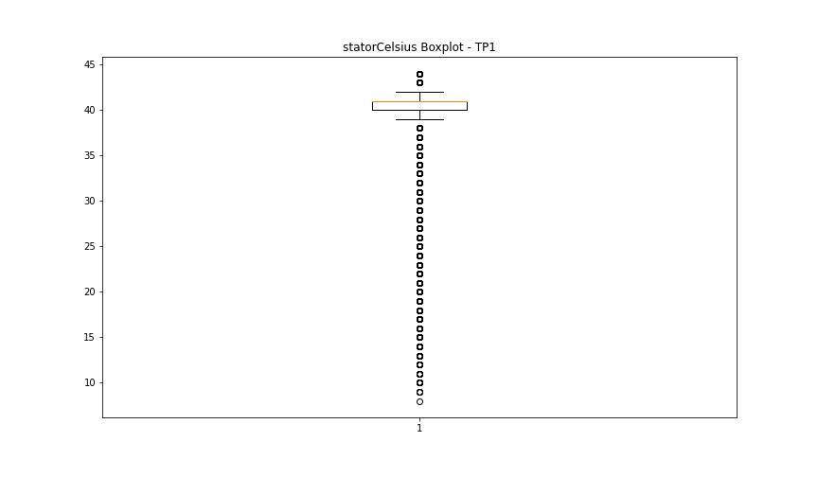

BOXPLOT SENZA OUTLIERS

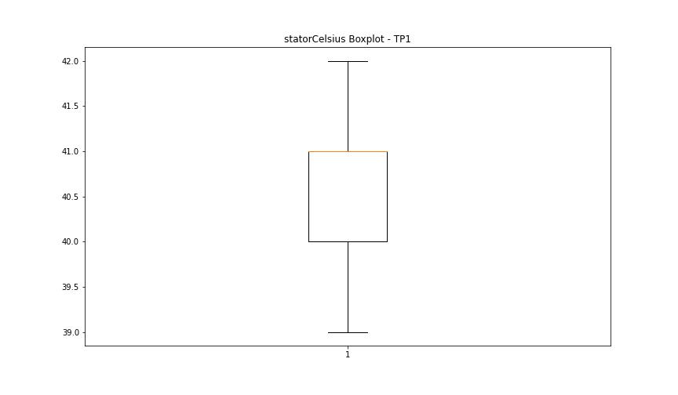

bearingsCelsius

numTP |  | 1
bearingsCelsius outliers |  | [40. 41. 22. 20. 21. 19. 18. 15. 16. 17. 14. 12. 13. 7. 8. 11. 9. 10.]
upper_bound |  | 39
lower_bound |  | 23

statistiche con outliers: |  |  | statistiche senza outliers:
numTP |  | 1 | numTP |  | 1
bearingsCelsius | max | 41 | bearingsCelsius | max | 39
 | min | 7 |  | min | 23
 | avg | 30.651949046 |  | avg | 30.971203052
 | median | 31 |  | median | 31

BOXPLOT CON OUTLIERS
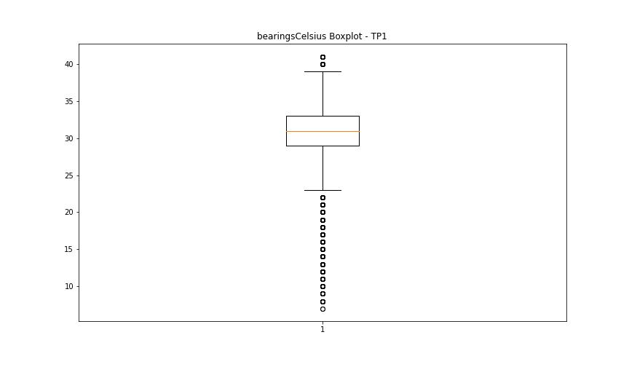

BOXPLOT SENZA OUTLIERS

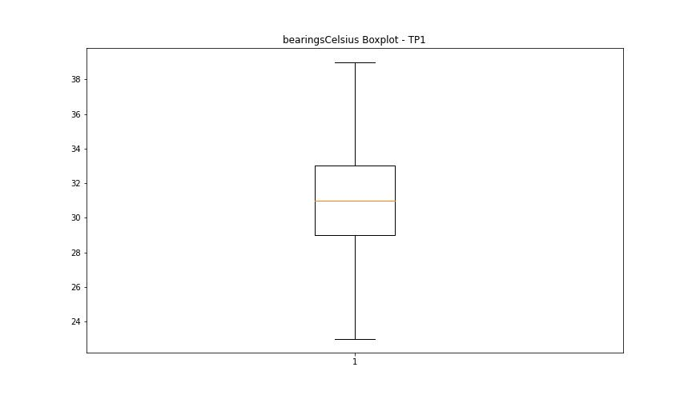

spindleRpm

numTP |  | 1
spindleRpm outliers |  | [ 5003. 5005. 4997. 10006. 10001. 10003. 4998. 10002. 14995. 4996. 10005. 11001. 11000. 10998. 10993. 11015. 5002. 9995. 14993. 11014. 4001. 4002. 3996. 3998. 3997. 3995. 4000. 11006. 11004. 22558. 22780. 23898. 23886. 8380. 22840. 24114. 24099. 10638. 10763. 21290. 17933. 10915. 10983. 10996. 19850. 23850. 23901. 23895. 23856. 24105. 11008. 10995. 23485. 12757. 13323. 10444. 17556. 10999. 11002. 11010. 23859. 9935. 23853. 23368. 23883. 2993. 23874. 10979. 12772. 65535. 10041. 17868. 18402. 15054. 23403. 23862. 24102. 23659. 23892. 23776. 23889. 23818. 23835. 10988. 16861. 23357. 23821. 23838. 20598. 23880. 23865. 16591. 23877. 12068. 13909. 18124. 7548. 10046. 18671. 17219. 20649. 16826. 22150. 11007. 11003. 7561. 21029. 10167. 20178. 23354. 21091. 10992. 10991. 15281. 22405. 22330. 20028. 19805. 23021. 21390. 9267. 22824. 20453. 22974. 11009. 14964. 8488. 17485. 17367. 10989. 8161. 20355. 21728. 12098. 11016. 10994. 10634. 6354. 16435. 21548. 11078. 11011. 18608. 11012. 11005. 4003. 3999. 3994. 10388. 6376. 10930. 8272. 11119. 23182. 18466. 11864. 16519. 17875. 15727. 7407. 19675. 8076. 7171. 17270. 6685. 11392. 12949. 23871. 3118. 22513. 10667. 18873. 10990. 22654. 22905. 11052. 2983. 17591. 6768. 24108. 10987. 21299. 21147. 6144. 10986. 11293. 23286. 22938. 10157. 18507. 24153. 18286. 12100. 13189. 18033. 10997. 19828. 10080. 18148. 12457. 16883. 13505. 14902. 15373. 18164. 16138. 9417. 23832. 10291. 7829. 11795. 24126. 19329. 12148. 10734. 20826. 21912. 10985. 1669. 6622. 5730. 11019. 20698. 16898. 19863. 18487. 17001. 13201. 11744. 12404. 15715. 9564. 10670. 11399. 14288. 24129. 20153. 20364. 5065. 16031. 20123. 15357. 6332. 21089. 4004. 10984. 15581. 7656. 11444. 24117. 11709. 19182. 7065. 13111. 19722. 9843. 19191. 18309. 20629. 16275. 10107. 17202. 18320. 1723. 9113. 4773. 19736. 22856. 4087. 11825. 10591. 11261. 14518. 21397. 10266. 19684. 21631. 8040.
upper_bound |  | 24096
lower_bound |  | 23904

statistiche con outliers: |  |  | statistiche senza outliers:
numTP |  | 1 | numTP |  | 1
spindleRpm | max | 65535 | spindleRpm | max | 24096
 | min | 1318 |  | min | 23904
 | avg | 24086.322711 |  | avg | 24000.156694
 | median | 24000 |  | median | 24000

BOXPLOT CON OUTLIERS
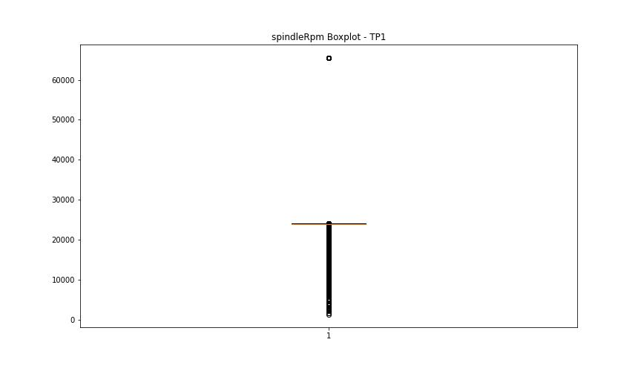

BOXPLOT SENZA OUTLIERS

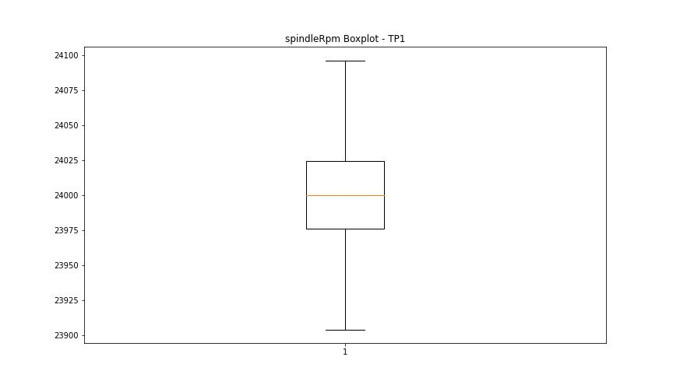

rpmSetPoint

numTP |  | 1
rpmSetPoint outliers |  | [ 5000. 10000. 15000. 11000. 4000. 23000.]
upper_bound |  | 24000
lower_bound |  | 24000

statistiche con outliers: |  |  | statistiche senza outliers:
numTP |  | 1 | numTP |  | 1
rpmSetPoint | max | 24000 | rpmSetPoint | max | 24000
 | min | 4000 |  | min | 24000
 | avg | 23915.148779 |  | avg | 24000
 | median | 24000 |  | median | 24000

BOXPLOT CON OUTLIERS
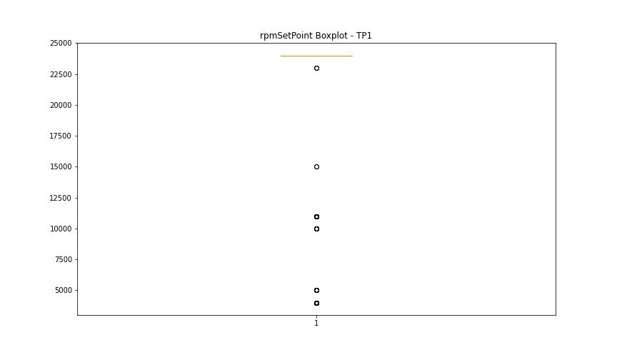

BOXPLOT SENZA OUTLIERS

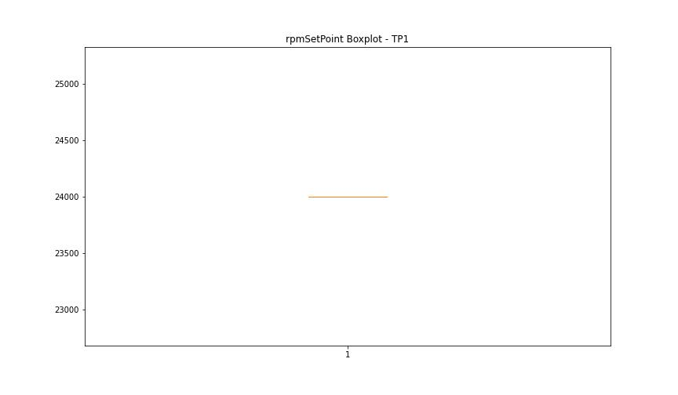

CurrentPeak

numTP |  | 1
CurrentPeak outliers |  | [12.786 12.829 12.63 1.996 12.864 7.894 13.013 1.954 12.906 12.843 8.035 8.29 12.956 7.681 13.062 13.154 12.921 12.722 12.892 14.584 7.696 8.396 12.935 14.422 14.202 9.742 14.068 9.487 14.096 10.004 14.174 9.763 14.33 9.791 14.528 9.777 9.671 14.131 14.188 9.529 14.223 9.621 9.607 14.145 9.331 13.976 9.543 14.57 9.466 9.728 14.386 12.878 13.211 14.266 14.74 14.514 14.726 13.487 2.669 14.294 14.358 14.662 14.238 14.5 14.039 14.372 14.315 14.344 14.45 14.436 12.999 14.16 14.62 14.478 14.634 14.648 13.855 14.28 14.712 14.542 14.606 14.407 14.025 14.896 14.556 14.804 14.252 13.912 13.119 14.464 14.004 14.117 14.832 12.97 14.677 13.898 12.206 14.698 14.754 15.059 12.984 14.082 12.772 13.933 14.053 13.947 13.961 13.99 13.806 13.884 13.869 13.777 13.735 14.79 13.827 13.841 12.666 13.041 13.303 14.769 14.846 14.818 13.027 13.197 15.045 14.924 13.791 14.861 13.105 12.694 12.737 13.749 14.91 15.229 12.616 13.275 13.091 13.076 13.133 13.183 12.68 13.671 13.317 13.225 14.967 13.331 12.751 9.883 9.515 9.869 9.685 9.451 9.579 9.713 12.814 14.875 13.168 14.938 12.446 12.46 13.353 12.708 13.459 13.607 13.699 15.016 15.292 15.08 15.243 15.031 12.574 9.161 9.805 9.897 9.423 9.699 9.65 9.437 12.8 12.645 13.622 14.988 15.349 13.26 12.156 12.588 15.094 15.385 14.953 9.289 9.593 9.635 15.002 12.432 15.321 12.538 13.246 12.602 9.225 9.381 16.694 13.395 2.01 15.123 15.108 9.558 9.848 9.82 15.165 13.473 15.137 15.257 15.186 15.215 15.151 15.37 15.2 13.515 15.307 2.959 13.445 2.499 4.913 3.986 12.22 9.926 9.345 9.409 9.501 9.834 15.278 15.335 15.413 15.441 13.289 13.643 1.6 9.975 9.253 9.94 10.018 9.961 9.912 13.714 6.655 10.159 6.811 6.598 10.032 6.549 6.626 10.082 6.478 10.138 6.641 6.4 10.053 6.853 6.52 10.188 6.584 10.096 6.888 10.251 6.839 4.963 6.733 12.128 13.381 12.51 12.482 13.423]
upper_bound |  | 1.561
lower_bound |  | 0.569

statistiche con outliers: |  |  | statistiche senza outliers:
numTP |  | 1 | numTP |  | 1
CurrentPeak | max | 16.694 | CurrentPeak | max | 1.508
 | min | 0.665 |  | min | 0.665
 | avg | 4.1833079905 |  | avg | 0.9938268548
 | median | 1.033 |  | median | 0.991

BOXPLOT CON OUTLIERS
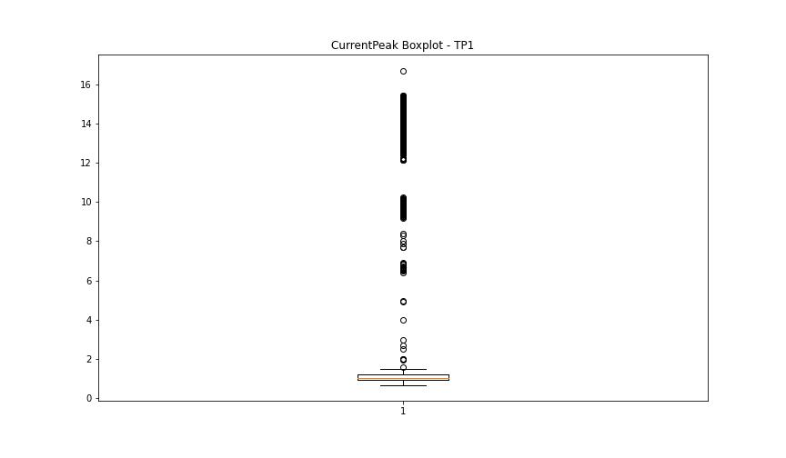

BOXPLOT SENZA OUTLIERS

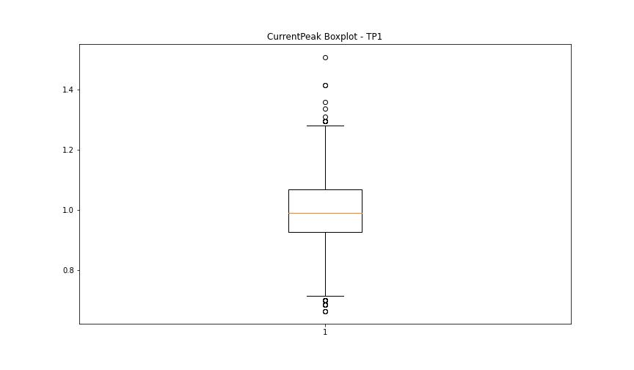

VibromPeak

numTP |  | 1
VibromPeak outliers |  | []
upper_bound |  | 6.3
lower_bound |  | -2.5

statistiche con outliers: |  |  | statistiche senza outliers:
numTP |  | 1 | numTP |  | 1
VibromPeak | max | 4.5 | VibromPeak | max | 4.5
 | min | 0.1 |  | min | 0.1
 | avg | 1.7868488912 |  | avg | 1.7868488912
 | median | 0.9 |  | median | 0.9

BOXPLOT CON OUTLIERS
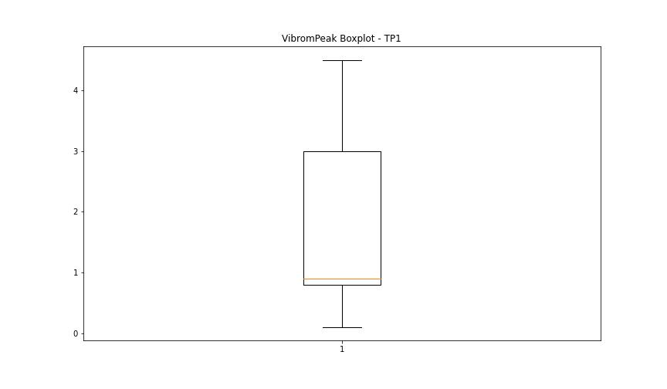

BOXPLOT SENZA OUTLIERS

LUNG

numTP |  | 1
LUNG outliers |  | [115.01 104.32 104.323 114.52 104.347 114.569 96.897 104.497 114.54 96.753 100.536 104.378]
upper_bound |  | 100.1635
lower_bound |  | 97.1035

statistiche con outliers: |  |  | statistiche senza outliers:
numTP |  | 1 | numTP |  | 1
LUNG | max | 115.01 | LUNG | max | 100.079
 | min | 96.753 |  | min | 97.113
 | avg | 98.738775369 |  | avg | 98.649609428
 | median | 98.725 |  | median | 98.725

BOXPLOT CON OUTLIERS
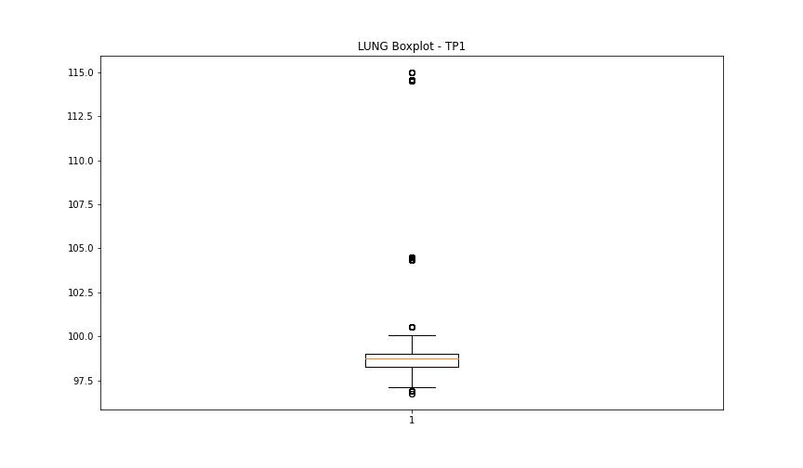

BOXPLOT SENZA OUTLIERS

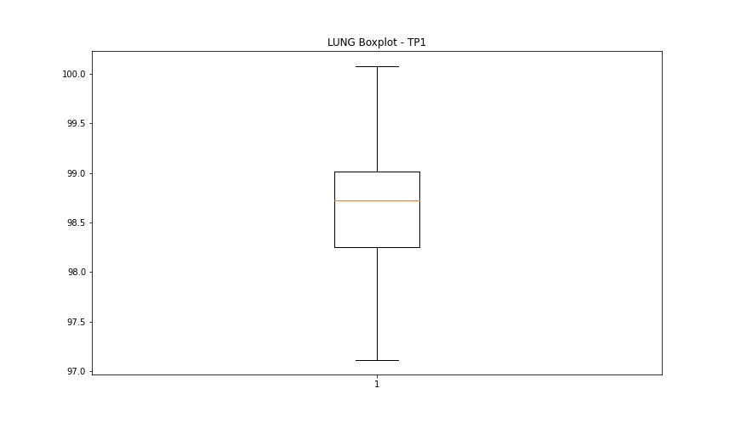

DIAM

numTP |  | 1
DIAM outliers |  | [ 16. 101.599 3.175 9.519 4.759]
upper_bound |  | 6.35
lower_bound |  | 6.35

statistiche con outliers: |  |  | statistiche senza outliers:
numTP |  | 1 | numTP |  | 1
DIAM | max | 101.599 | DIAM | max | 6.35
 | min | 3.175 |  | min | 6.35
 | avg | 6.6591675041 |  | avg | 6.35
 | median | 6.35 |  | median | 6.35

BOXPLOT CON OUTLIERS
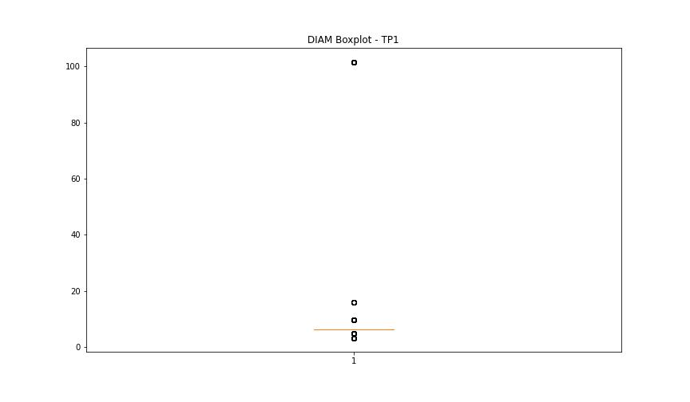

BOXPLOT SENZA OUTLIERS

