Sheet1
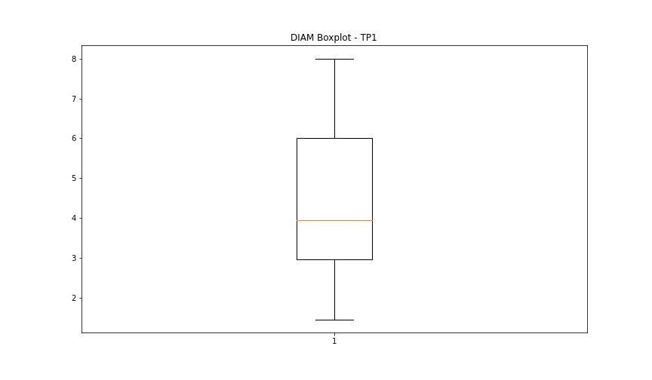
statorCelsius

numTP |  | 1
statorCelsius outliers |  | []
upper_bound |  | 54.5
lower_bound |  | 10.5

statistiche con outliers: |  |  | statistiche senza outliers:
numTP |  | 1 | numTP |  | 1
statorCelsius | max | 48 | statorCelsius | max | 48
 | min | 14 |  | min | 14
 | avg | 33.033340792 |  | avg | 33.033340792
 | median | 33 |  | median | 33

BOXPLOT CON OUTLIERS
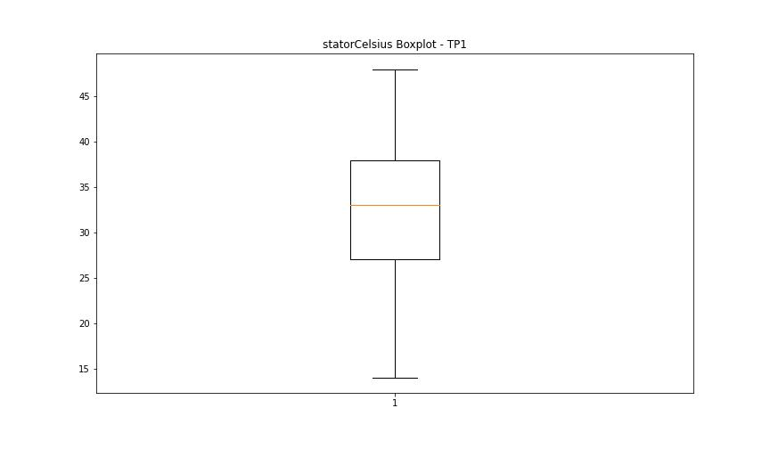

BOXPLOT SENZA OUTLIERS

bearingsCelsius

numTP |  | 1
bearingsCelsius outliers |  | [15. 17. 14.]
upper_bound |  | 42
lower_bound |  | 18

statistiche con outliers: |  |  | statistiche senza outliers:
numTP |  | 1 | numTP |  | 1
bearingsCelsius | max | 41 | bearingsCelsius | max | 41
 | min | 14 |  | min | 18
 | avg | 29.623741329 |  | avg | 29.657245402
 | median | 28 |  | median | 28

BOXPLOT CON OUTLIERS
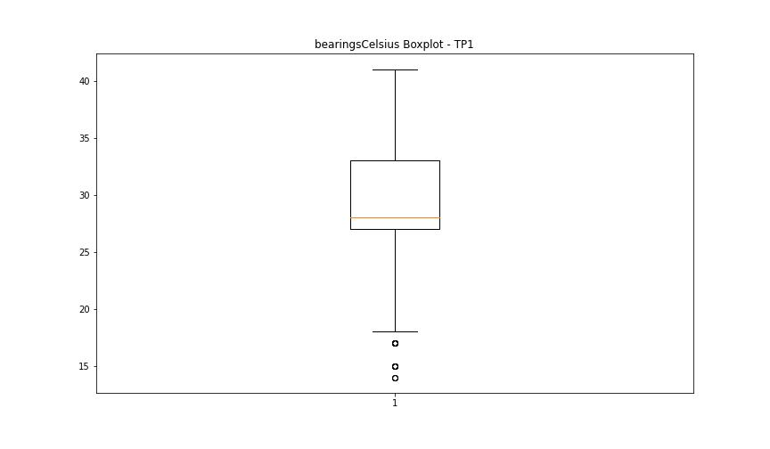

BOXPLOT SENZA OUTLIERS

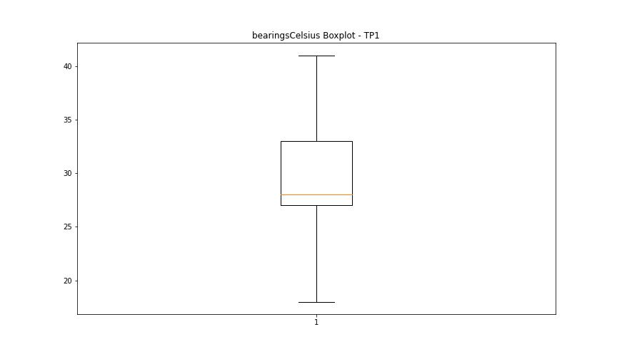

spindleRpm

numTP |  | 1
spindleRpm outliers |  | [ 0. 65535. 1217. 1289.]
upper_bound |  | 31090.75
lower_bound |  | 1536.75

statistiche con outliers: |  |  | statistiche senza outliers:
numTP |  | 1 | numTP |  | 1
spindleRpm | max | 65535 | spindleRpm | max | 24067
 | min | 0 |  | min | 1919
 | avg | 16742.137391 |  | avg | 16718.439341
 | median | 18009 |  | median | 18009

BOXPLOT CON OUTLIERS
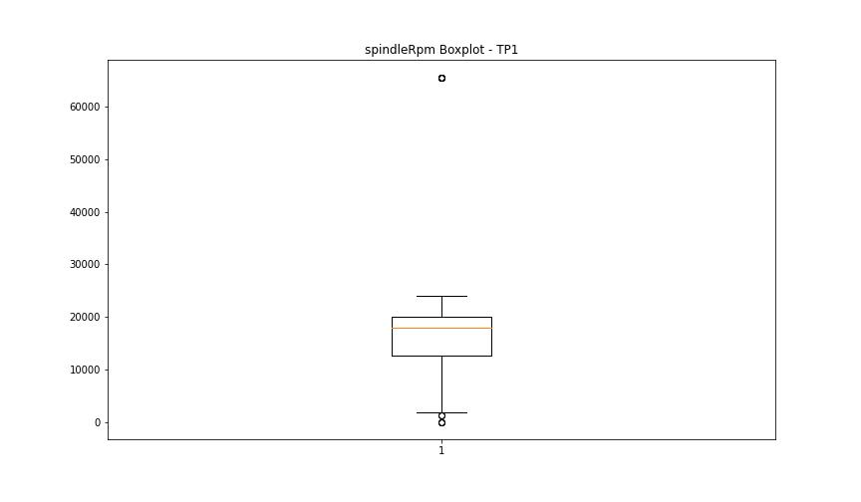

BOXPLOT SENZA OUTLIERS

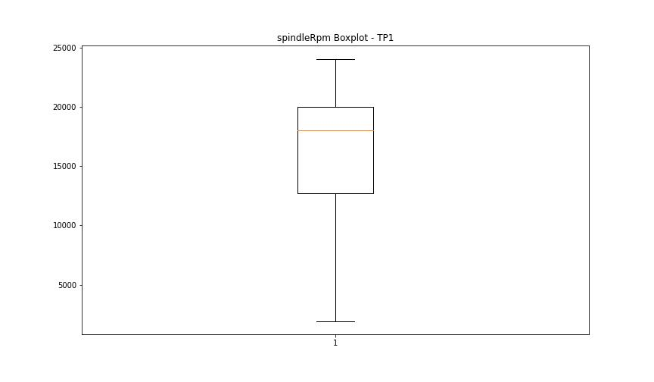

rpmSetPoint

numTP |  | 1
rpmSetPoint outliers |  | [4000. 6000. 5000.]
upper_bound |  | 27500
lower_bound |  | 7500

statistiche con outliers: |  |  | statistiche senza outliers:
numTP |  | 1 | numTP |  | 1
rpmSetPoint | max | 24000 | rpmSetPoint | max | 24000
 | min | 4000 |  | min | 8000
 | avg | 16973.002909 |  | avg | 16997.724215
 | median | 18000 |  | median | 18000

BOXPLOT CON OUTLIERS
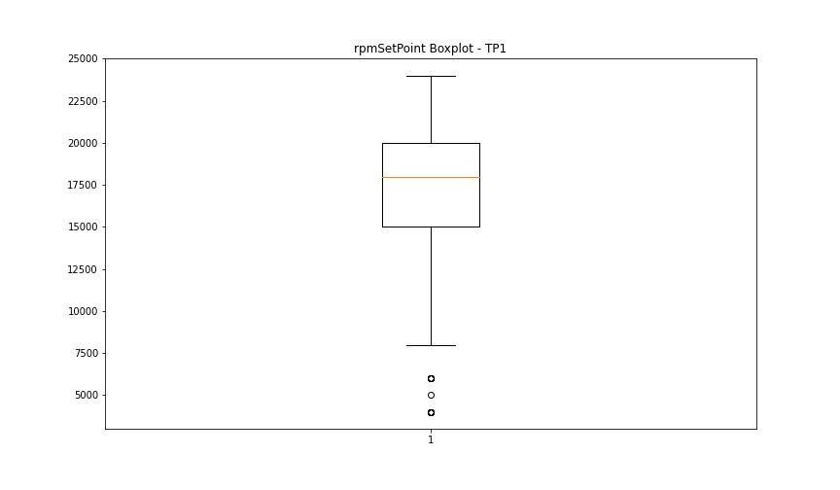

BOXPLOT SENZA OUTLIERS

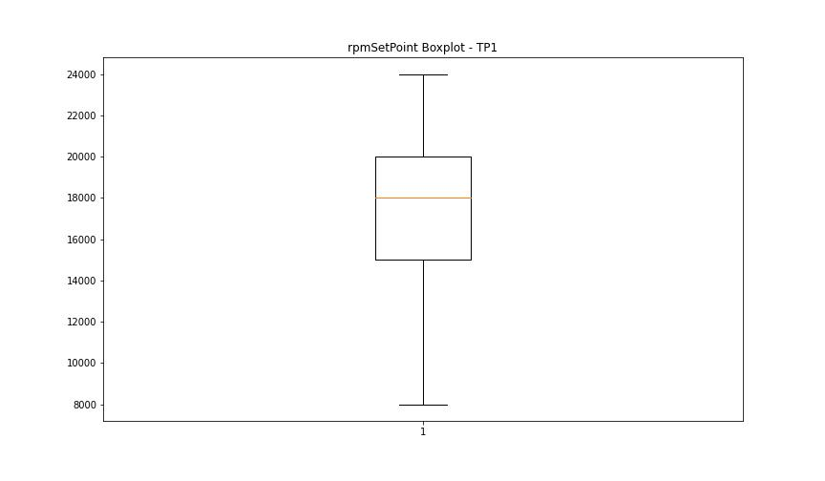

CurrentPeak

numTP |  | 1
CurrentPeak outliers |  | []
upper_bound |  | 38.607
lower_bound |  | -10.353

statistiche con outliers: |  |  | statistiche senza outliers:
numTP |  | 1 | numTP |  | 1
CurrentPeak | max | 21.981 | CurrentPeak | max | 21.981
 | min | 0 |  | min | 0
 | avg | 14.960377825 |  | avg | 14.960377825
 | median | 20.179 |  | median | 20.179

BOXPLOT CON OUTLIERS
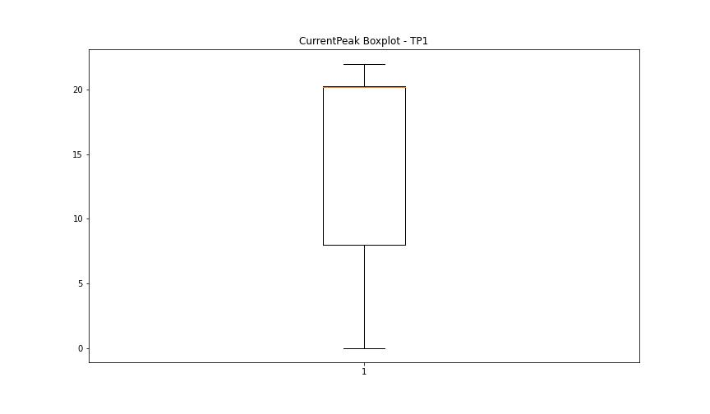

BOXPLOT SENZA OUTLIERS

VibromPeak

numTP |  | 1
VibromPeak outliers |  | [ 7.4 4.5 8.1 8.6 3.4 4.6 4.9 5.1 7.3 4.4 4.8 4.3 3.3 3.6 9.2 9.1 6.1 5.2 5. 6.9 6.8 7.7 7.5 23.5 23.299 9.6 13.9 17.2 16.7 12.2 8.7 3.9 3.8 3.7 5.3 5.6 5.7 5.9 7. 4.1 5.5 5.4 4.7 4.2 4. 6.2 8.5 3.5 7.6 6.6 6.3 8.8 8.4 8.9 9.4 6.4 8. 5.8 12. 12.9 7.9 8.3 11.9 14. 13.2 11.3 10.7 9.9 10.4 10.1 8.2 10.6 10. 7.8 14.5 13.4 16.1 14.8 14.6 13.3 9.5 10.5 9.3 15.1 9.7 9.8 10.2 9. 12.6 10.9 11.5 11.8 11.4 11.6 11. 12.7 6.7 6. 7.2 6.5 7.1 ]
upper_bound |  | 3.25
lower_bound |  | -1.15

statistiche con outliers: |  |  | statistiche senza outliers:
numTP |  | 1 | numTP |  | 1
VibromPeak | max | 23.5 | VibromPeak | max | 3.2
 | min | 0.1 |  | min | 0.1
 | avg | 1.3763216222 |  | avg | 1.0476230593
 | median | 1 |  | median | 0.9

BOXPLOT CON OUTLIERS
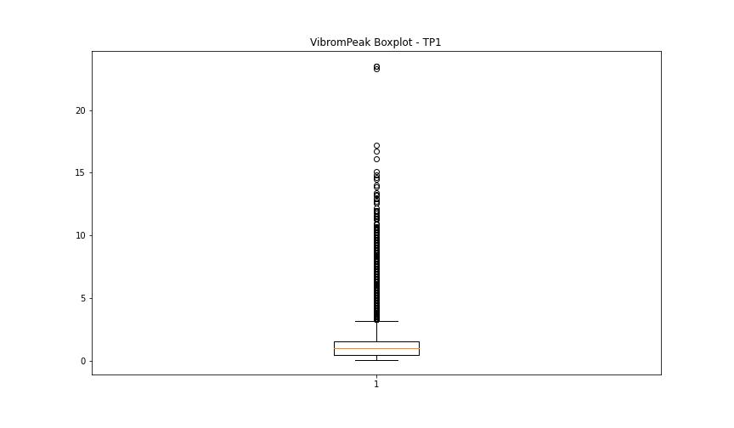

BOXPLOT SENZA OUTLIERS

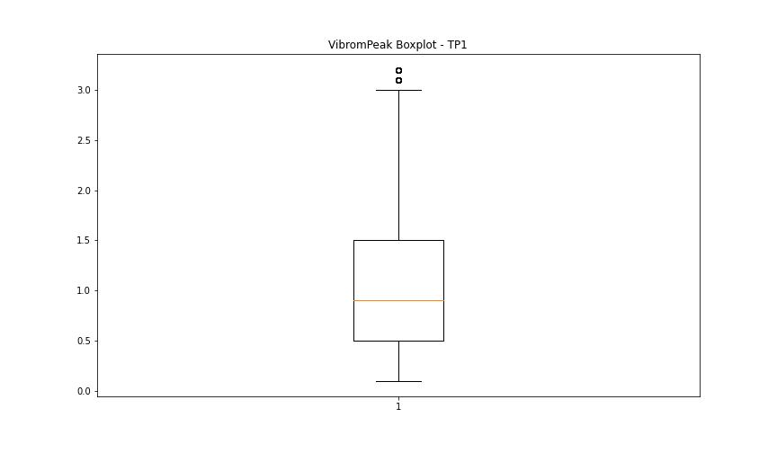

LUNG

numTP |  | 1
LUNG outliers |  | [207.647 210.035 210.039 210.011 198.58 213.299 215.013 253.902 253.922 209.212 253.919 200.219 210.581 252.393 217.099 252.207]
upper_bound |  | 195.1815
lower_bound |  | 53.6255

statistiche con outliers: |  |  | statistiche senza outliers:
numTP |  | 1 | numTP |  | 1
LUNG | max | 253.922 | LUNG | max | 193.09
 | min | 88.095 |  | min | 88.095
 | avg | 127.45679917 |  | avg | 123.12899918
 | median | 127.474 |  | median | 127.474

BOXPLOT CON OUTLIERS
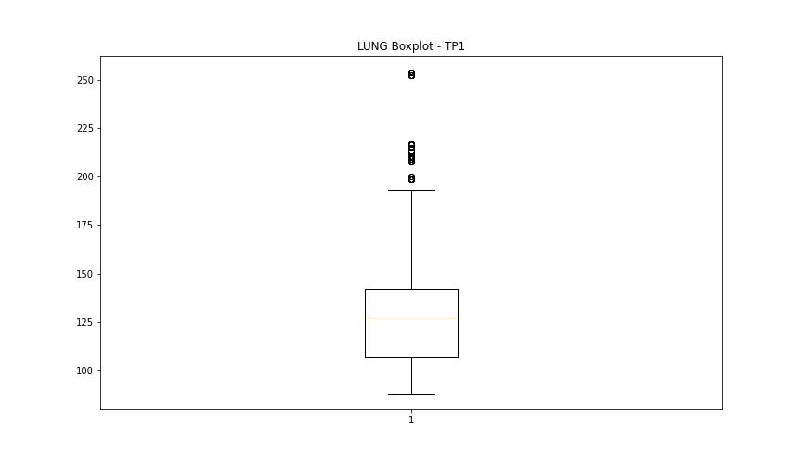

BOXPLOT SENZA OUTLIERS

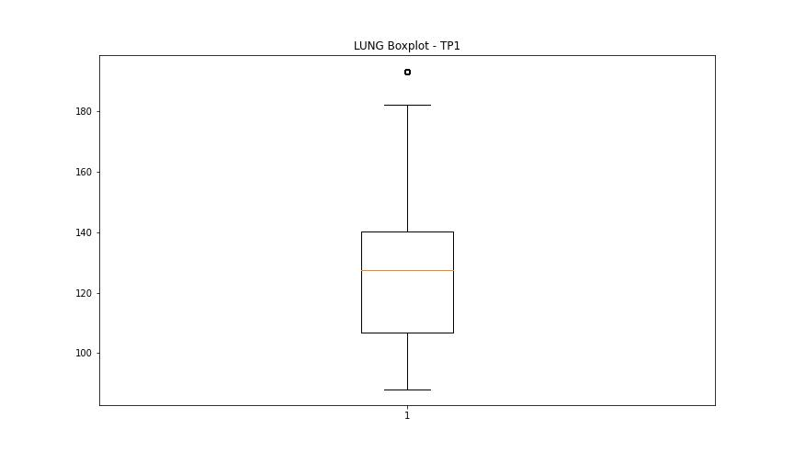

DIAM

numTP |  | 1
DIAM outliers |  | [20. 50. 15. 10. 19. 25. 18.5 18. 17. 9.95 12. ]
upper_bound |  | 9.075
lower_bound |  | 0.875

statistiche con outliers: |  |  | statistiche senza outliers:
numTP |  | 1 | numTP |  | 1
DIAM | max | 50 | DIAM | max | 8
 | min | 1.45 |  | min | 1.45
 | avg | 6.9325911837 |  | avg | 4.2597466391
 | median | 3.95 |  | median | 3.95

BOXPLOT CON OUTLIERS
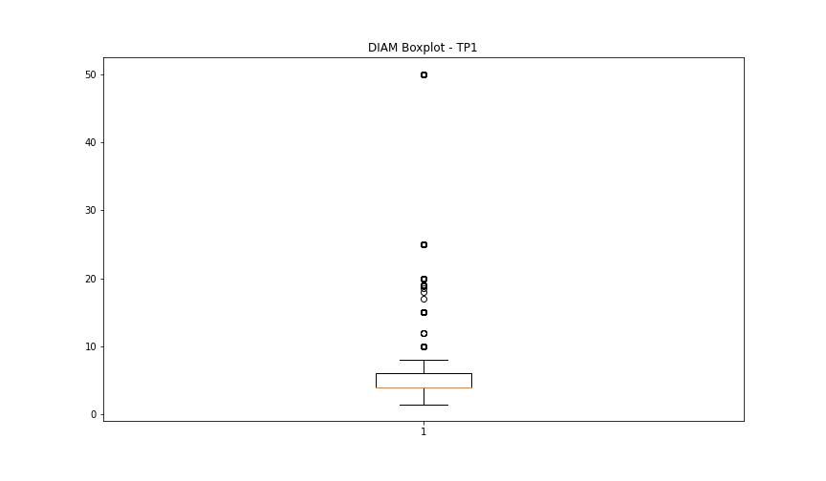

BOXPLOT SENZA OUTLIERS

