Sheet1
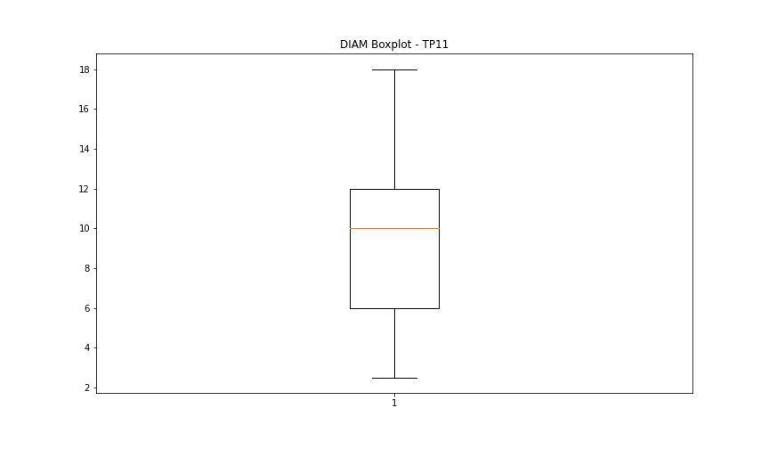
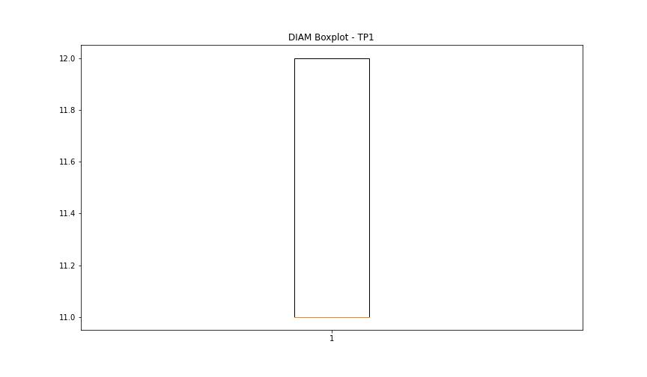
statorCelsius

numTP |  | 11 | 1
statorCelsius outliers |  | [18. 19. 40. 17. 15.] | [26. 21. 20. 15. 19. 17. 18. 16.]
upper_bound |  | 39.5 | 25.5
lower_bound |  | 19.5 | 21.5

statistiche con outliers: |  |  |  | statistiche senza outliers:
numTP |  | 11 | 1 | numTP |  | 11 | 1
statorCelsius | max | 40 | 26 | statorCelsius | max | 39 | 25
 | min | 15 | 15 |  | min | 20 | 22
 | avg | 29.782018634 | 23.664025357 |  | avg | 29.805640175 | 23.721854305
 | median | 30 | 24 |  | median | 30 | 24

BOXPLOT CON OUTLIERS
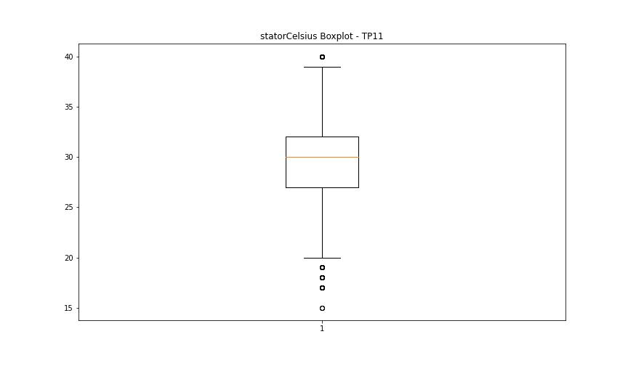
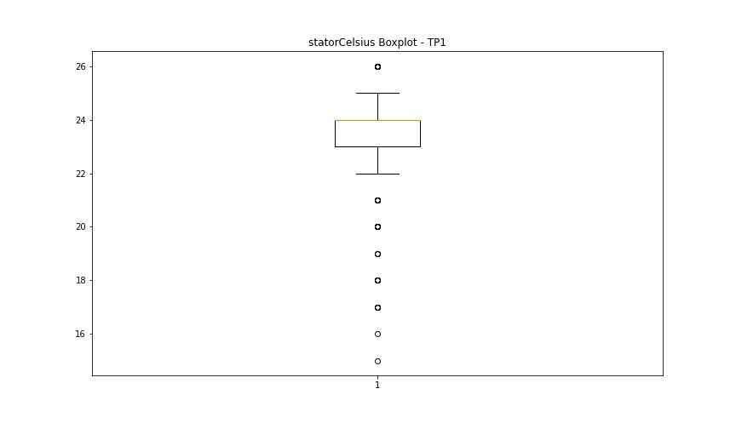

BOXPLOT SENZA OUTLIERS

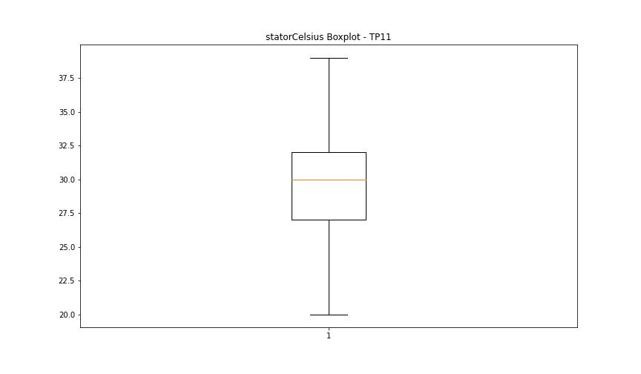
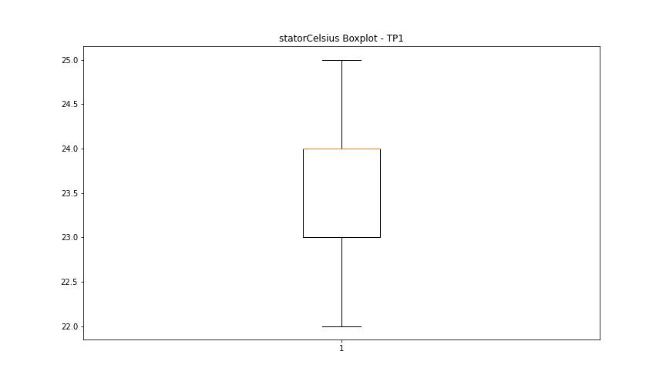

bearingsCelsius

numTP |  | 11 | 1
bearingsCelsius outliers |  | [17. 18. 19. 32. 15.] | [23. 21. 17. 22. 19. 20. 18.]
upper_bound |  | 31.5 | 27.5
lower_bound |  | 19.5 | 23.5

statistiche con outliers: |  |  |  | statistiche senza outliers:
numTP |  | 11 | 1 | numTP |  | 11 | 1
bearingsCelsius | max | 32 | 27 | bearingsCelsius | max | 30 | 27
 | min | 15 | 17 |  | min | 20 | 24
 | avg | 25.330507205 | 25.149762282 |  | avg | 25.398380395 | 25.256097561
 | median | 25 | 25 |  | median | 25 | 25

BOXPLOT CON OUTLIERS
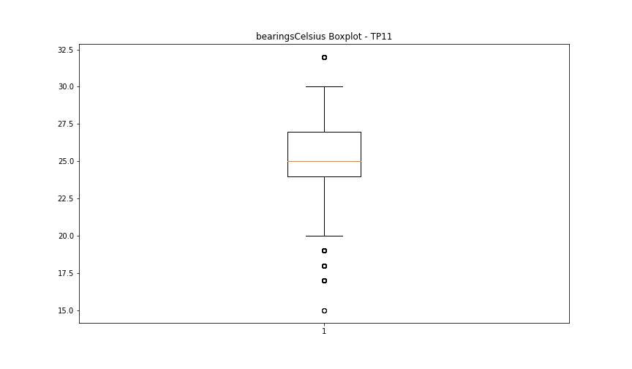
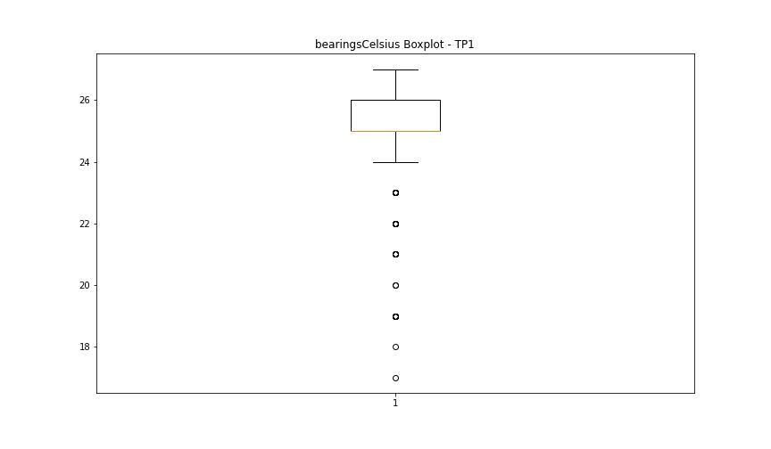

BOXPLOT SENZA OUTLIERS

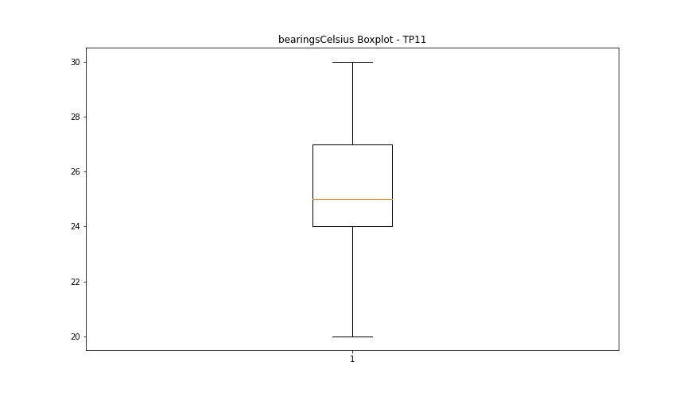
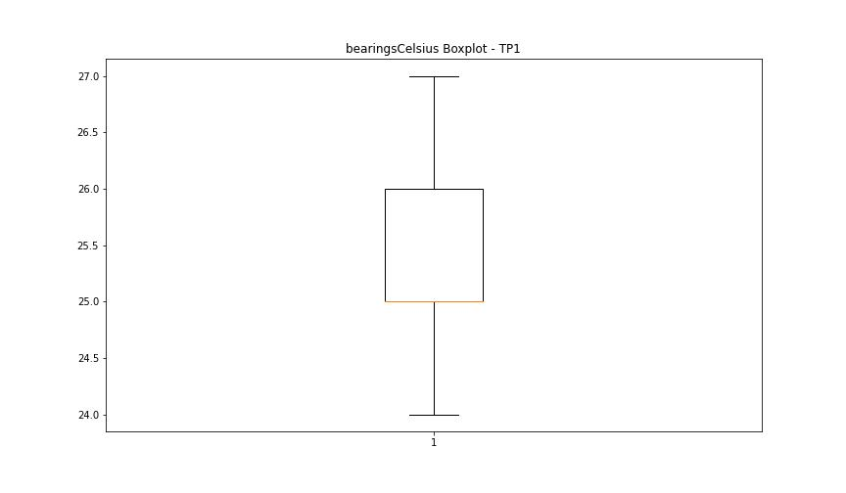

spindleRpm

numTP |  | 11 | 1
spindleRpm outliers |  | [] | []
upper_bound |  | 38315.5 | 39287
lower_bound |  | -15840.5 | -17041

statistiche con outliers: |  |  |  | statistiche senza outliers:
numTP |  | 11 | 1 | numTP |  | 11 | 1
spindleRpm | max | 18042 | 18204 | spindleRpm | max | 18042 | 18204
 | min | 0 | 247 |  | min | 0 | 247
 | avg | 12038.972468 | 10970.158479 |  | avg | 12038.972468 | 10970.158479
 | median | 17957 | 7669 |  | median | 17957 | 7669

BOXPLOT CON OUTLIERS
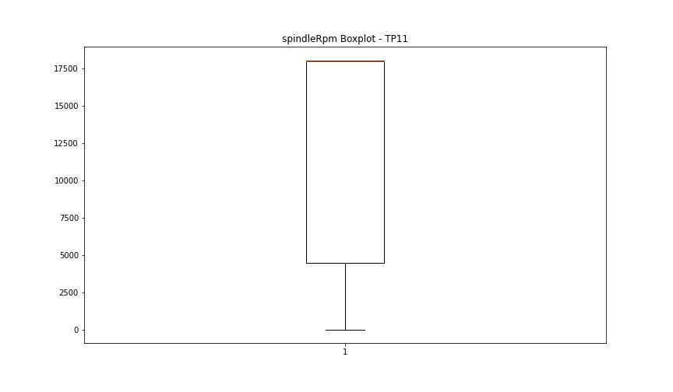
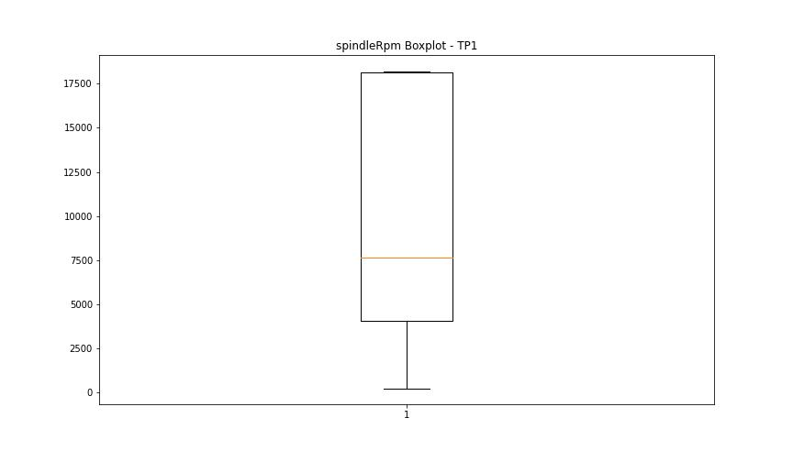

BOXPLOT SENZA OUTLIERS

rpmSetPoint

numTP |  | 11 | 1
rpmSetPoint outliers |  | [] | []
upper_bound |  | 38250 | 39000
lower_bound |  | -15750 | -17000

statistiche con outliers: |  |  |  | statistiche senza outliers:
numTP |  | 11 | 1 | numTP |  | 11 | 1
rpmSetPoint | max | 18000 | 18000 | rpmSetPoint | max | 18000 | 18000
 | min | 4000 | 4000 |  | min | 4000 | 4000
 | avg | 12077.563738 | 10855.388273 |  | avg | 12077.563738 | 10855.388273
 | median | 18000 | 7500 |  | median | 18000 | 7500

BOXPLOT CON OUTLIERS
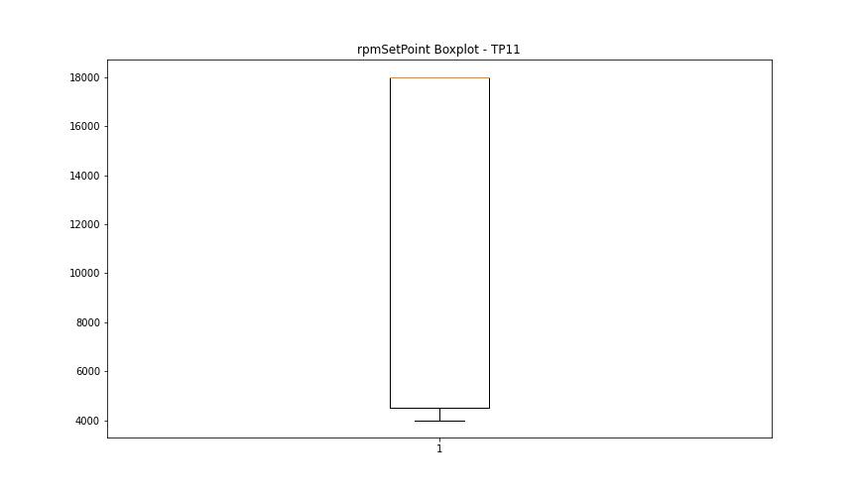
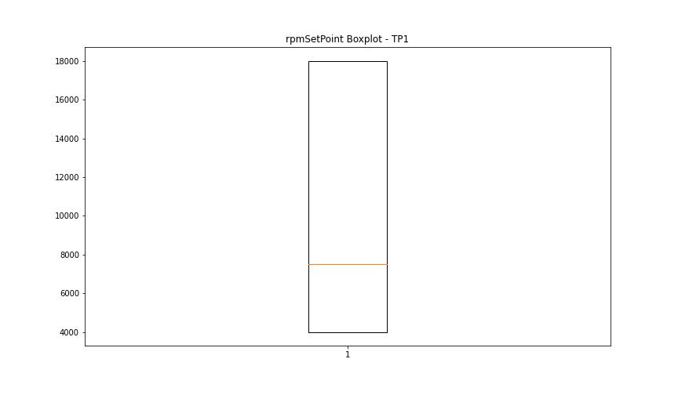

BOXPLOT SENZA OUTLIERS

CurrentPeak

numTP |  | 11 | 1
CurrentPeak outliers |  | [20.688 20.604 20.451 20.502 20.808 20.434 20.468 20.621 20.485 20.587 20.705 20.518 20.672 20.535 3.808 3.111 20.552 21.046 3.4 3.298 2.958 3.434 20.655 3.128 2.941 3.621 3.349 2.992 3.638 3.196 20.57 3.162 3.315 3.043 3.842 21.437 3.145 20.927 3.332 3.247 3.281 3.672 4.641 18.87 20.841 20.74 21.011 20.774 20.757 20.91 3.026 4.726 2.924 2.312 1.598 2.975 2.023 2.329 3.774 2.533 2.652 2.448 4.25 2.125 3.468 2.346 3.502 2.057 4.879 2.737 3.893 2.261 3.383 2.754 5.746 4.845 3.74 5.763 4.097 18.972 18.802 4.386 2.397 3.876 5.525 2.618 4.675 4.522 6.222 4.301 3.536 2.567 3.009 2.788 6.256 2.669 3.553 4.777 2.822 2.839 2.227 1.785 2.006 2.703 2.431 4.352 4.964 5.1 1.955 2.499 3.859 2.482 2.907 1.802 2.159 1.156 4.08 3.961 4.165 2.142 3.485 1.547 4.148 4.709 2.601 2.584 3.723 2.873 2.516 5.253 4.556 4.216 3.23 5.78 2.278 4.947 5.219 3.094 3.417 1.887 3.451 4.114 5.831 2.89 3.825 1.938 1.853 2.55 3.587 2.414 1.479 4.267 3.91 1.734 2.805 2.856 1.972 1.666 2.72 3.077 18.886 5.695 3.689 3.944 4.828 3.604 4.42 3.213 4.743 4.692 4.131 3.791 4.607 3.927 5.236 5.151 3.06 4.012 2.363 6.035 5.049 1.7 3.519 4.029 4.335 4.369 6.426 4.624 4.454 3.264 4.998 4.76 5.61 4.182 3.655 3.706 4.93 4.488 4.471 3.366 5.882 4.046 4.539 0.969 4.811 1.581 1.87 3.978 1.411 5.27 1.224 6.919 1.819 4.981 5.95 5.117 5.508 2.108 1.377 2.091 1.513 1.989 1.564 2.295 2.176 1.683 1.003 1.394 1.428 18.836 5.032 4.318 2.771 1.462 4.437 2.074 4.794 4.913 3.757 1.445 5.44 5.967 1.122 5.797 6.103 2.244 4.505 2.193 2.686 1.615 1.275 5.066 3.179 1.836 2.04 5.287 5.168 5.372 5.576 5.406 0.748 1.173 6.12 5.491 1.139 4.573 0.833 2.21 5.678 5.015 4.233 2.38 1.717 1.258 4.403 1.36 5.338 1.19 | [ 2.5 2.4 2.3 20. 19.9 19.799 23.9 23.7 24.1 24. ]
upper_bound |  | 20.434 | 19.35
lower_bound |  | 20.026 | 3.75

statistiche con outliers: |  |  |  | statistiche senza outliers:
numTP |  | 11 | 1 | numTP |  | 11 | 1
CurrentPeak | max | 27.896 | 24.1 | CurrentPeak | max | 20.417 | 16.4
 | min | 0.238 | 2.3 |  | min | 20.042 | 7
 | avg | 19.238428473 | 11.470675911 |  | avg | 20.237514735 | 11.54568325
 | median | 20.23 | 9.7 |  | median | 20.23 | 9.7

BOXPLOT CON OUTLIERS
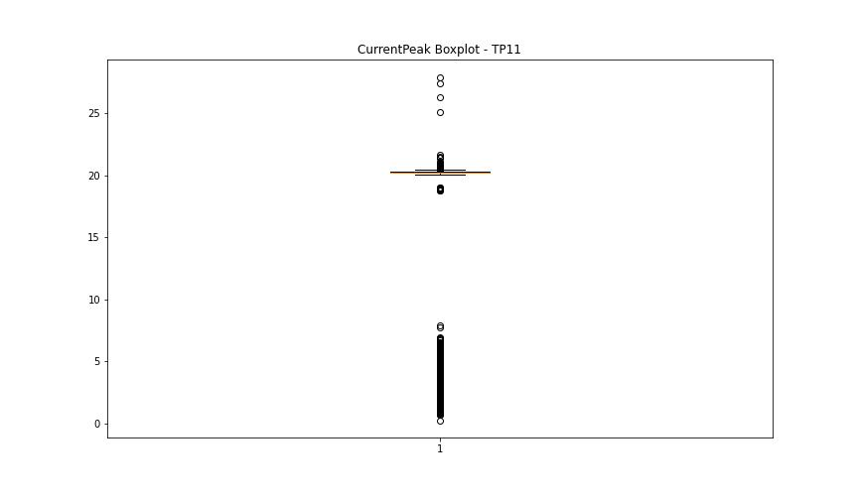
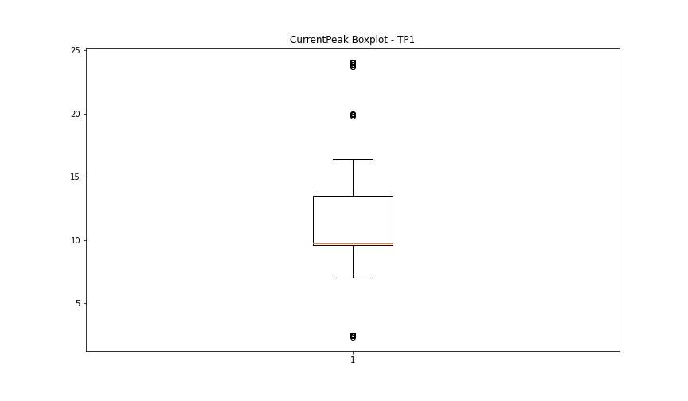

BOXPLOT SENZA OUTLIERS

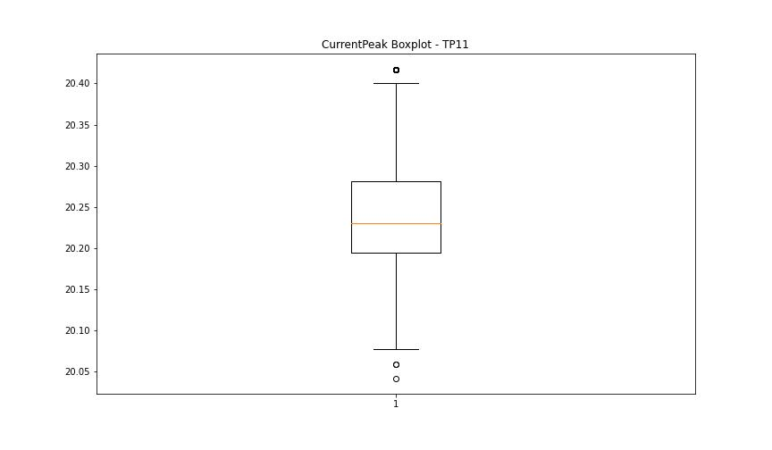
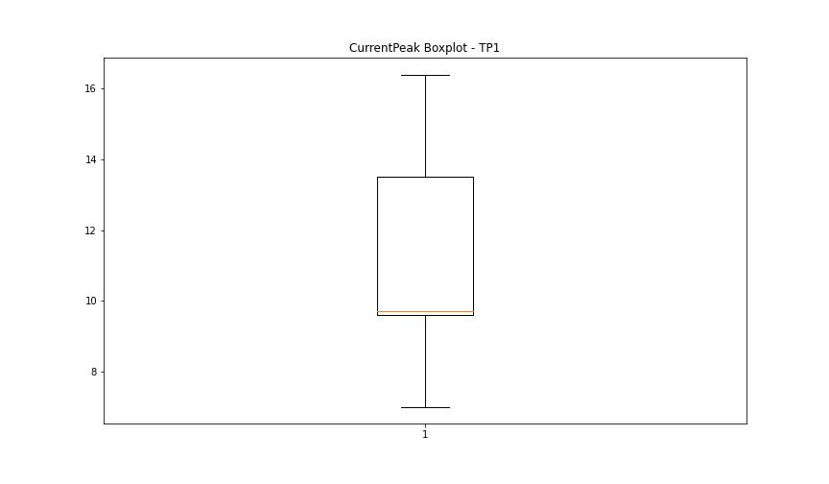

VibromPeak

numTP |  | 11 | 1
VibromPeak outliers |  | [ 5.1 4.3 4.2 4.8 6.5 4.5 8.2 5.9 4.6 5. 4.7 4.9 5.7 4.4 11.6 5.2] | []
upper_bound |  | 4.1 | 3.05
lower_bound |  | -0.7 | -1.35

statistiche con outliers: |  |  |  | statistiche senza outliers:
numTP |  | 11 | 1 | numTP |  | 11 | 1
VibromPeak | max | 11.6 | 2.2 | VibromPeak | max | 4.1 | 2.2
 | min | 0.2 | 0.2 |  | min | 0.2 | 0.2
 | avg | 1.6808771982 | 0.83763866878 |  | avg | 1.6757209302 | 0.83763866878
 | median | 1.5 | 0.9 |  | median | 1.5 | 0.9

BOXPLOT CON OUTLIERS
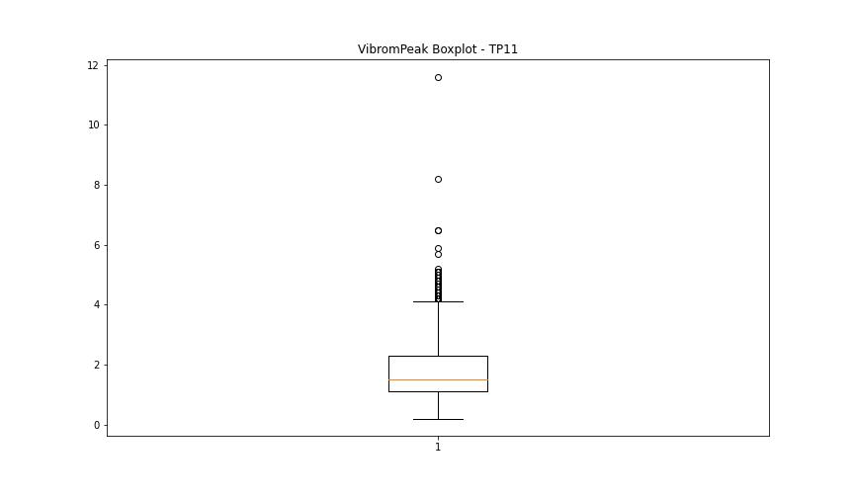
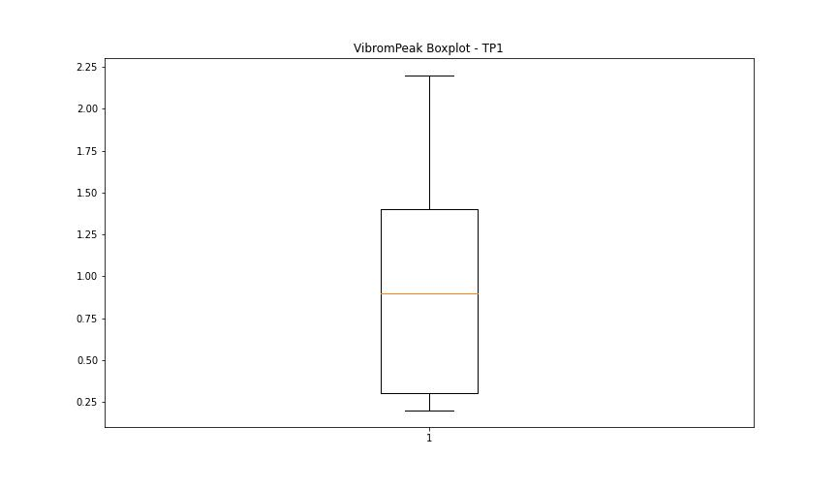

BOXPLOT SENZA OUTLIERS

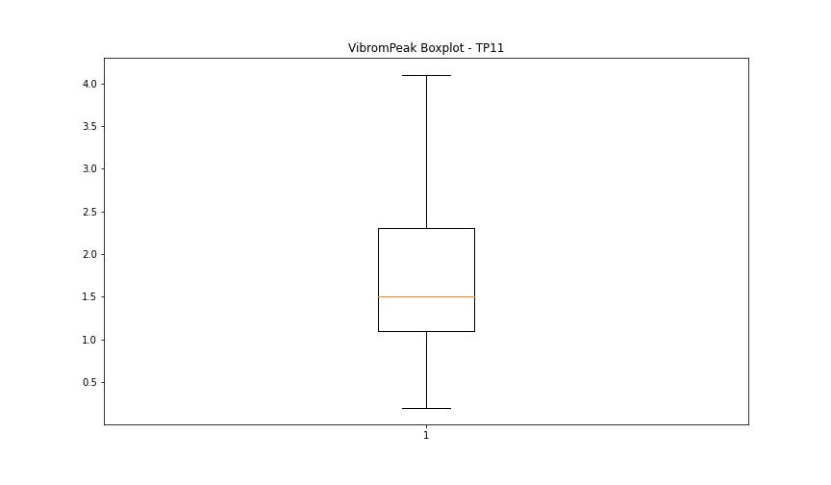

LUNG

numTP |  | 11 | 1
LUNG outliers |  | [199. 222.5 220. 72. 245.5 244. ] | [220. 244.]
upper_bound |  | 189.925 | 209.045
lower_bound |  | 94.045 | 120.925

statistiche con outliers: |  |  |  | statistiche senza outliers:
numTP |  | 11 | 1 | numTP |  | 11 | 1
LUNG | max | 245.5 | 244 | LUNG | max | 181.399 | 188
 | min | 72 | 149.33 |  | min | 97.8 | 149.33
 | avg | 142.82807577 | 166.35990174 |  | avg | 141.37647709 | 165.43287349
 | median | 147.612 | 169 |  | median | 147.612 | 169

BOXPLOT CON OUTLIERS
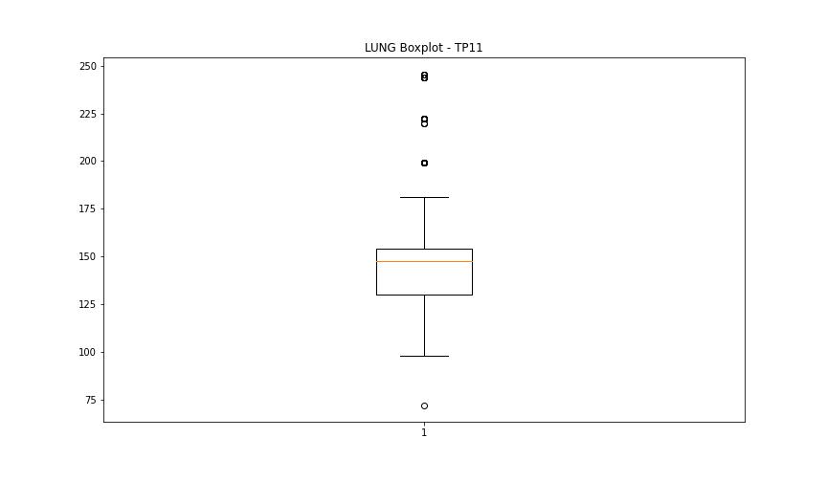
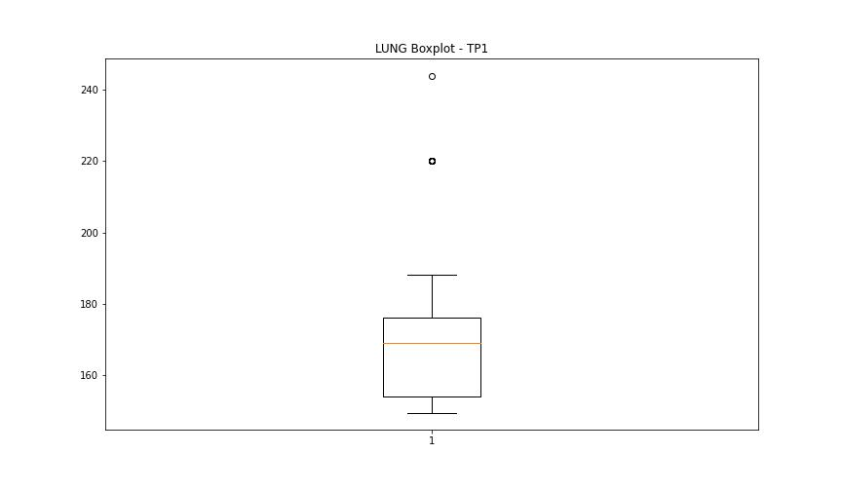

BOXPLOT SENZA OUTLIERS

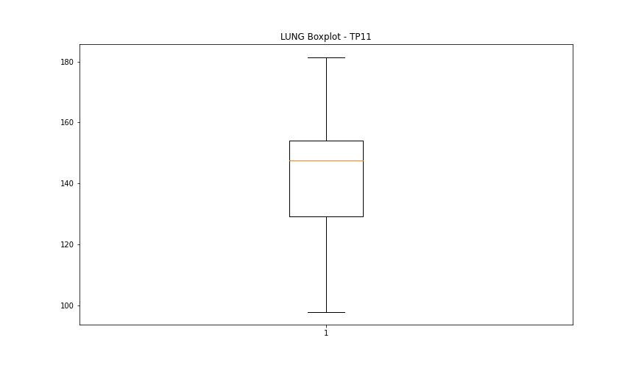
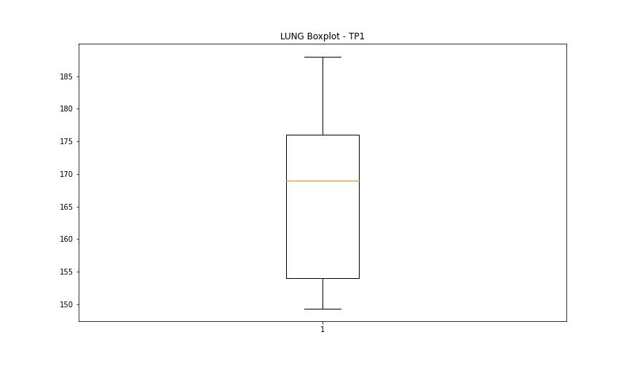

DIAM

numTP |  | 11 | 1
DIAM outliers |  | [300. 140. 160.44 143. 31. 141. 167.199] | [ 16. 14. 140. 137. 156.449 141. 143. 167.199]
upper_bound |  | 21 | 13.5
lower_bound |  | -3 | 9.5

statistiche con outliers: |  |  |  | statistiche senza outliers:
numTP |  | 11 | 1 | numTP |  | 11 | 1
DIAM | max | 300 | 167.199 | DIAM | max | 18 | 12
 | min | 2.5 | 11 |  | min | 2.5 | 11
 | avg | 16.638870967 | 17.812393027 |  | avg | 8.9243304878 | 11.424657534
 | median | 10 | 12 |  | median | 10 | 11

BOXPLOT CON OUTLIERS
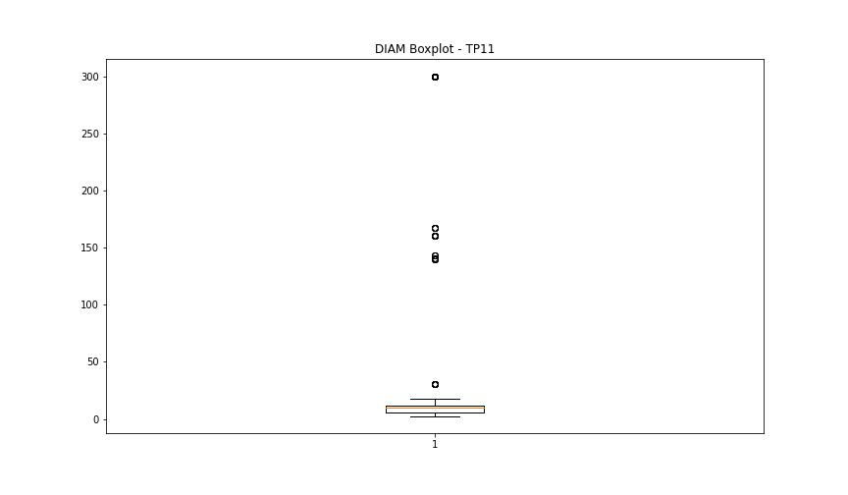
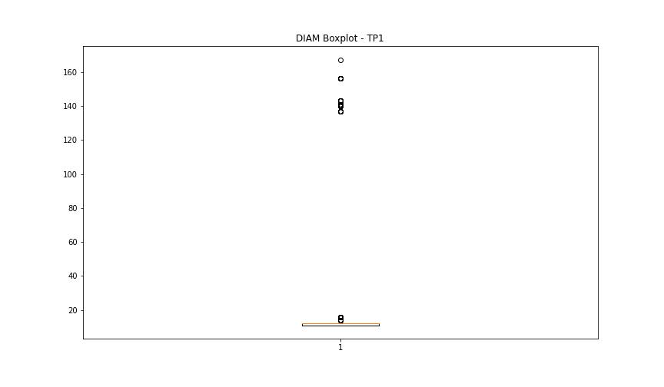

BOXPLOT SENZA OUTLIERS

