Sheet1
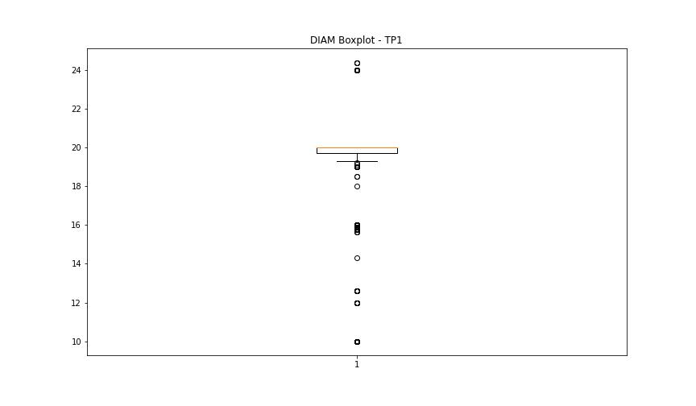
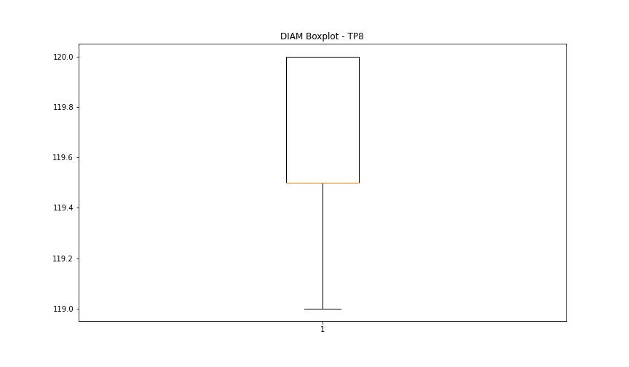
statorCelsius

numTP |  | 1 | 8
statorCelsius outliers |  | [17. 15. 38. 39. 40. 0. 14.] | []
upper_bound |  | 37.5 | 0
lower_bound |  | 17.5 | 0

statistiche con outliers: |  |  |  | statistiche senza outliers:
numTP |  | 1 | 8 | numTP |  | 1 | 8
statorCelsius | max | 40 | 0 | statorCelsius | max | 37 | 0
 | min | 0 | 0 |  | min | 18 | 0
 | avg | 27.966775599 | 0 |  | avg | 27.95754167 | 0
 | median | 27 | 0 |  | median | 27 | 0

BOXPLOT CON OUTLIERS
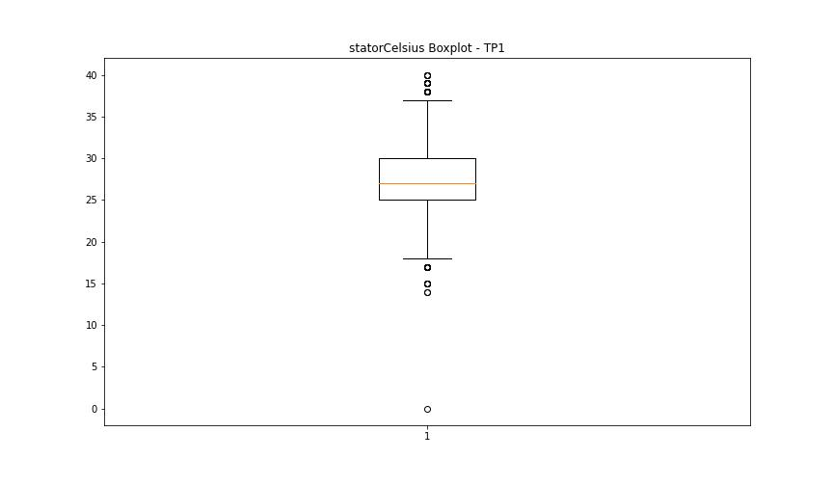
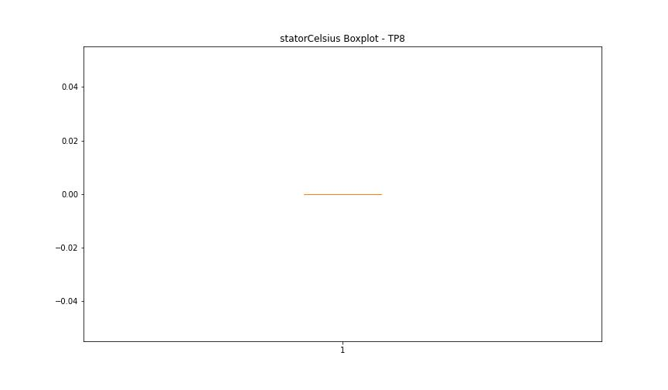

BOXPLOT SENZA OUTLIERS

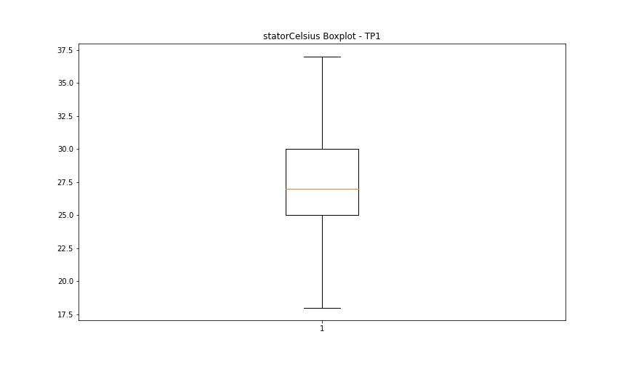

bearingsCelsius

numTP |  | 1 | 8
bearingsCelsius outliers |  | [15. 13. 14. 35. 34. 0. 12.] | []
upper_bound |  | 33 | 0
lower_bound |  | 17 | 0

statistiche con outliers: |  |  |  | statistiche senza outliers:
numTP |  | 1 | 8 | numTP |  | 1 | 8
bearingsCelsius | max | 35 | 0 | bearingsCelsius | max | 33 | 0
 | min | 0 | 0 |  | min | 17 | 0
 | avg | 24.779684096 | 0 |  | avg | 24.834486065 | 0
 | median | 25 | 0 |  | median | 25 | 0

BOXPLOT CON OUTLIERS
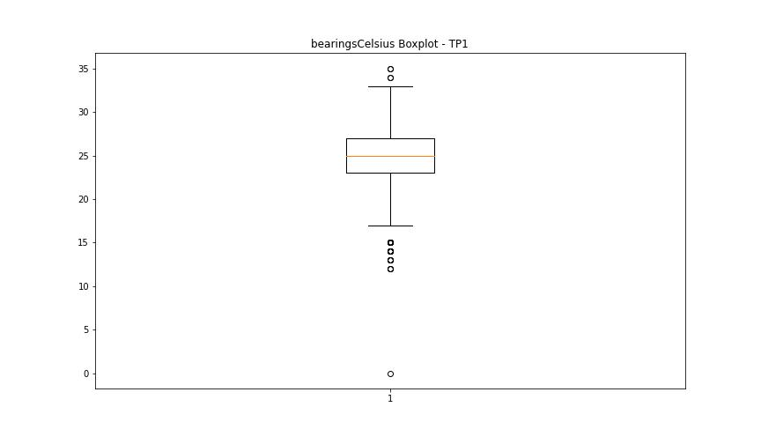


BOXPLOT SENZA OUTLIERS

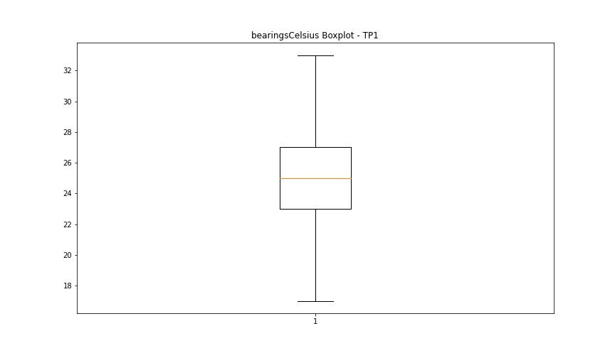

spindleRpm

numTP |  | 1 | 8
spindleRpm outliers |  | [ 7227. 4960. 4938. 5386. 4927. 4887. 4937. 4894. 4925. 4963. 4899. 4968. 4936. 4975. 4926. 4912. 4941. 4889. 7080. 4913. 4979. 4919. 4991. 4981. 4989. 4957. 4987. 4906. 4947. 4930. 4898. 4959. 4929. 4903. 4985. 9515. 4969. 4953. 4922. 4915. 4970. 4973. 4921. 4884. 4923. 4974. 4892. 4897. 4955. 4942. 4944. 4908. 4916. 4980. 4946. 4914. 4885. 4891. 4918. 4945. 4965. 4893. 4896. 4950. 4882. 4978. 4967. 4966. 4998. 4949. 4920. 4984. 4962. 4932. 4909. 4988. 4999. 4940. 5958. 4951. 4964. 4958. 4917. 0. 8030. 8534. 4956. 4924. 4911. 4905. 4928. 11567. 4935. 4019. 4008. 4012. 9066. 4022. 9063. 4021. 9050. 4011. 9052. 8968. 4934. 4010. 9037. 9032. 4017. 8994. 3984. 9055. 3973. 4020. 9011. 4890. 9039. 3964. 4895. 9559. 3990. 8254. 7725. 8954. 8261. 4972. 9494. 9043. 8983. 7294. 9476. 9582. 9041. 9061. 7245. 9533. 3995. 8976. 9060. 4004. 9005. 9473. 4015. 8203. 9033. 7735. 8225. 9481. 8185. 7643. 9059. 8145. 9045. 9518. 7280. 7293. 7264. 8196. 7345. 8181. 9506. 7338. 8212. 4933. 3994. 9027. 8989. 8258. 7676. 9017. 8186. 4992. 9531. 3974. 8265. 9053. 7727. 8293. 3992. 9002. 4005. 9025. 9513. 7313. 8170. 9572. 7339. 7305. 8239. 7333. 8163. 9040. 3985. 8966. 8986. 4018. 8992. 4016. 9046. 3945. 9491. 8236. 7674. 9014. 8264. 9557. 8205. 8946. 7687. 8296. 9499. 7269. 7330. 8228. 8245. 9577. 7310. 8215. 7292. 8243. 7306. 7240. 7323. 5005. 8981. 9004. 4014. 4000. 9034. 3993. 8960. 4902. 9056. 9487. 8978. 10480. 10475. 10445. 10510. 4976. 9019. 10481. 10431. 9574. 9074. 8999. 10677. 9022. 3971. 9546. 9532. 10656. 9578. 9475. 8841. 9192. 8817. 9561. 8816. 9530. 9552. 8262. 8998. 8295. 8270. 9472. 3977. 8188. 9474. 8166. 9062. 8284. 9517. 4961. 9570. 8979. 8308. 9555. | []
upper_bound |  | 19986 | 0
lower_bound |  | 12154 | 0

statistiche con outliers: |  |  |  | statistiche senza outliers:
numTP |  | 1 | 8 | numTP |  | 1 | 8
spindleRpm | max | 65535 | 0 | spindleRpm | max | 18114 | 0
 | min | 0 | 0 |  | min | 12313 | 0
 | avg | 14728.765319 | 0 |  | avg | 16350.36845 | 0
 | median | 16082 | 0 |  | median | 16337.5 | 0

BOXPLOT CON OUTLIERS
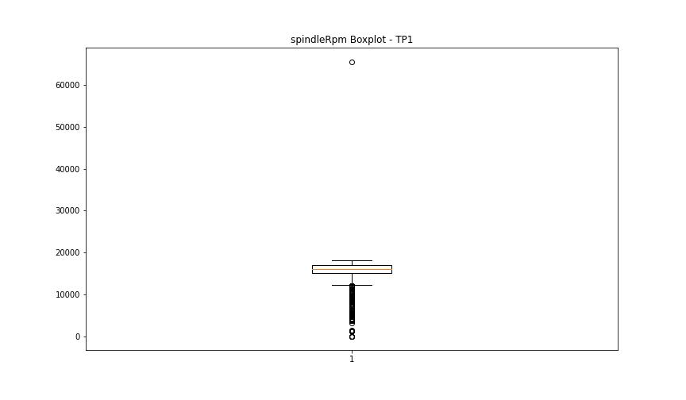


BOXPLOT SENZA OUTLIERS

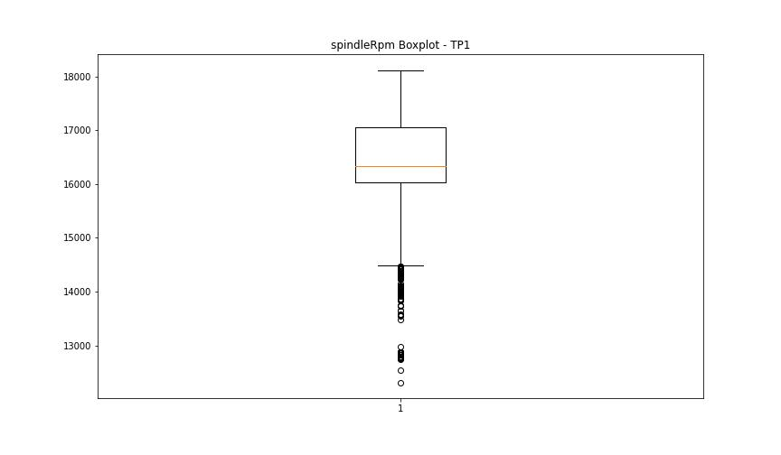

rpmSetPoint

numTP |  | 1 | 8
rpmSetPoint outliers |  | [ 5000. 4000. 9000. 9500. 8200. 7700. 7300. 10400. 10600. 8700. 9200. 6000. 6500. 1200. 0.] | [5000.]
upper_bound |  | 20000 | 6000
lower_bound |  | 12000 | 6000

statistiche con outliers: |  |  |  | statistiche senza outliers:
numTP |  | 1 | 8 | numTP |  | 1 | 8
rpmSetPoint | max | 18000 | 6000 | rpmSetPoint | max | 18000 | 6000
 | min | 0 | 5000 |  | min | 12000 | 6000
 | avg | 14782.523148 | 5998.8657845 |  | avg | 16377.997134 | 6000
 | median | 16000 | 6000 |  | median | 16900 | 6000

BOXPLOT CON OUTLIERS
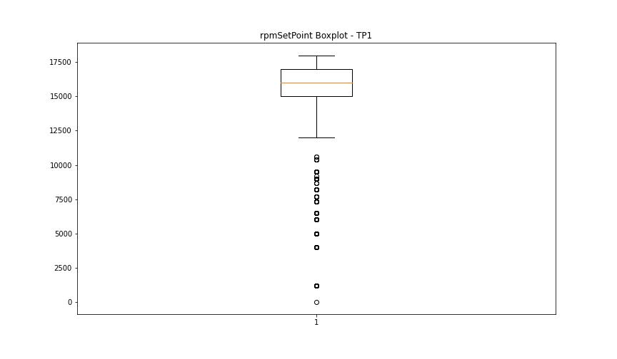
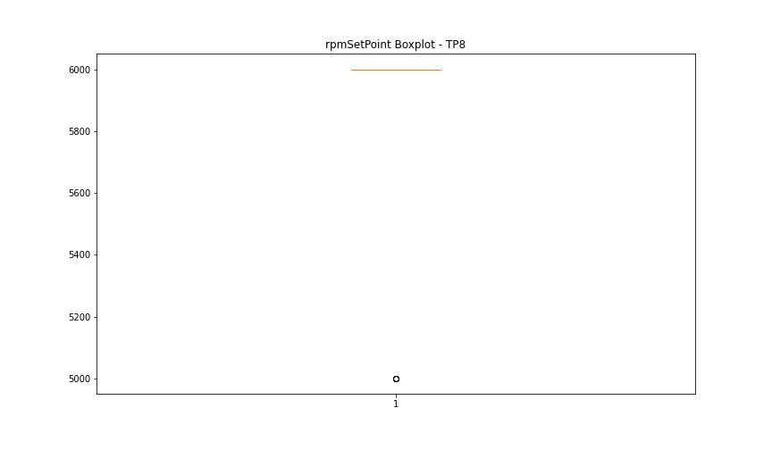

BOXPLOT SENZA OUTLIERS

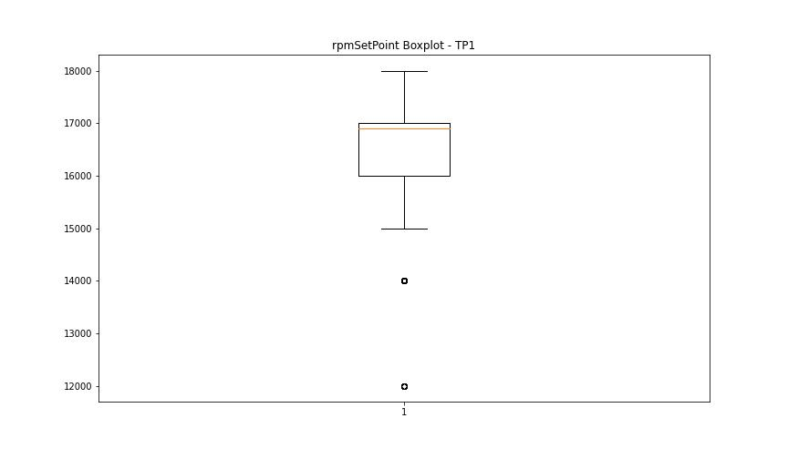
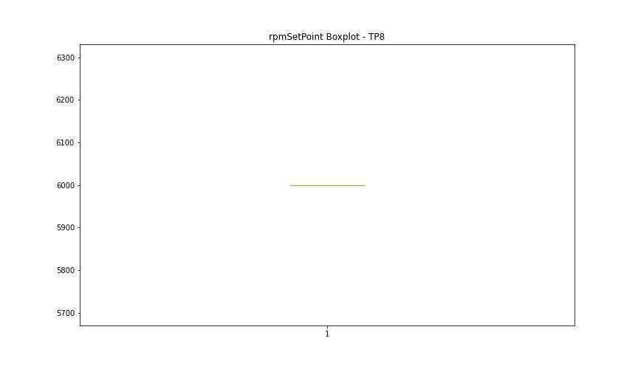

CurrentPeak

numTP |  | 1 | 8
CurrentPeak outliers |  | [37.044 37.2 15.283 15.066 15.035 15.159 19.84 37.292 15.252 37.138 37.23 15.097 15.128 37.448 20.552 19.653 15.314 37.665 38.068 20.025 20.615 15.221 15.19 37.417 4.247 38.13 37.479 38.192 37.076 18.197 37.695 37.355 17.732 37.106 20.955 4.557 3.875 4.65 7.595 15.407 14.973 37.386 37.944 17.67 4.123 7.068 20.924 19.622 20.832 4.216 20.367 20.305 19.468 7.781 5.239 3.782 5.177 5.301 4.371 5.983 37.509 20.181 4.619 21.018 20.118 15.438 37.324 19.933 4.96 4.495 19.065 4.774 20.708 19.964 37.633 37.168 19.499 20.646 20.212 15.004 37.82 15.345 20.801 19.344 18.693 19.127 37.541 20.336 19.406 37.571 19.219 19.684 19.158 19.778 19.902 15.376 6.975 5.642 8.091 18.848 19.995 20.521 18.754 19.591 4.185 3.906 18.631 20.243 18.816 17.452 3.503 20.15 20.863 3.162 4.34 3.813 3.689 3.534 7.409 19.096 17.917 19.53 18.879 3.41 5.332 6.386 20.677 15.469 19.375 17.886 20.429 4.061 19.809 19.747 3.937 18.042 3.286 2.294 4.278 3.472 4.03 1.922 2.263 19.003 3.999 4.092 3.596 3.751 3.038 3.224 6.448 6.231 6.107 2.79 9.424 4.929 14.291 16.181 5.859 15.5 7.285 3.1 3.255 4.464 3.844 7.006 6.045 20.459 5.549 7.192 7.347 7.688 8.153 19.282 5.146 4.712 4.309 4.867 6.324 5.89 6.51 4.588 5.735 5.084 6.2 4.898 5.053 6.417 4.681 5.27 3.968 3.627 5.487 5.394 5.425 6.913 6.479 6.696 7.471 6.882 7.564 5.022 7.378 6.355 8.401 7.316 7.13 4.743 3.565 5.611 7.843 7.936 6.634 4.402 5.797 8.618 7.998 7.533 5.921 5.828 4.836 3.72 3.379 5.208 6.293 2.697 8.06 10.664 8.339 18.941 7.161 8.184 8.463 10.137 10.106 0.341 6.138 20.739 20.274 4.526 2.914 4.154 4.433 3.658 3.441 20.056 3.348 5.115 7.75 12.483 5.313 4.991 5.673 2.976 20.087 19.437 20.77 14.911 5.456 4.805 2.139 37.757 37.727 5.518 3.131 2.945 7.254 20.584 3.069 20.49 37.262 2.883 18.166 15.531 19.313 5.704 20.893] | []
upper_bound |  | 37.0295 | 22.0505
lower_bound |  | 21.0335 | -4.1135

statistiche con outliers: |  |  |  | statistiche senza outliers:
numTP |  | 1 | 8 | numTP |  | 1 | 8
CurrentPeak | max | 38.192 | 12.772 | CurrentPeak | max | 37.014 | 12.772
 | min | 0.341 | 3.899 |  | min | 21.049 | 3.899
 | avg | 27.211802696 | 8.647615879 |  | avg | 29.758088771 | 8.647615879
 | median | 28.643 | 6.149 |  | median | 29.45 | 6.149

BOXPLOT CON OUTLIERS
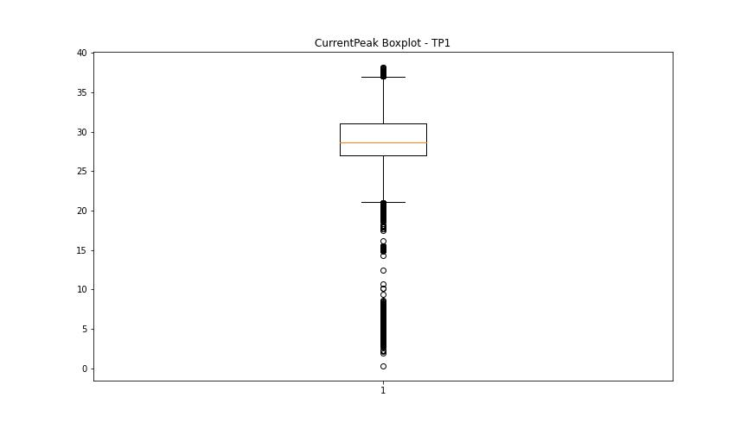
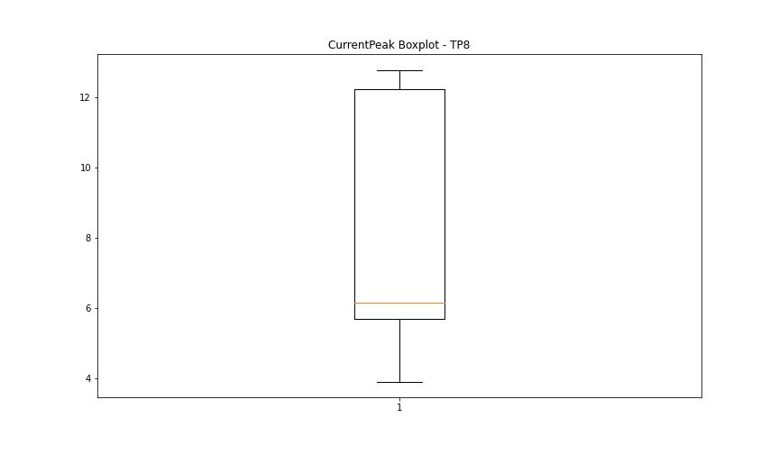

BOXPLOT SENZA OUTLIERS

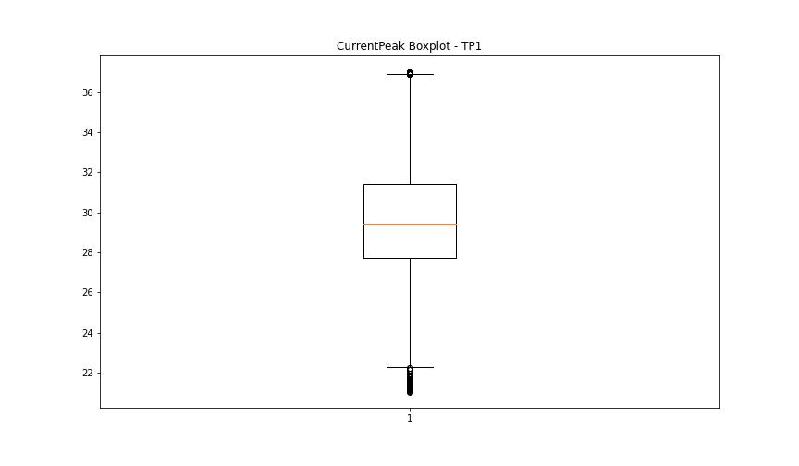

VibromPeak

numTP |  | 1 | 8
VibromPeak outliers |  | [ 6.8 6. 5.9 7.8 8.1 9.1 9.4 8.2 9.3 11.2 14.1 12.7 10.5 11.8 12.1 11.4 10.4 7.7 6.3 10. 9.9 8.9 7.4 6.4 10.3 12.4 13.3 14. 13.6 11.7 11.3 10.7 10.6 9. 9.7 7.3 7. 9.6 7.9 9.8 10.8 10.9 11. 9.2 8.8 10.1 7.6 7.1 7.5 8. 7.2 5.8 6.7 6.2 11.1 8.6 11.9 12. 12.6 13.4 12.9 15.2 13.1 12.3 14.6 12.8 6.1 6.6 8.3 8.4 6.9 8.5 6.5 11.6] | []
upper_bound |  | 5.7 | 3.075
lower_bound |  | -1.5 | 0.075

statistiche con outliers: |  |  |  | statistiche senza outliers:
numTP |  | 1 | 8 | numTP |  | 1 | 8
VibromPeak | max | 15.2 | 2.6 | VibromPeak | max | 5.7 | 2.6
 | min | 0.1 | 1.1 |  | min | 0.1 | 1.1
 | avg | 2.281198163 | 1.6666666667 |  | avg | 2.122765314 | 1.6666666667
 | median | 2 | 1.3 |  | median | 1.9 | 1.3

BOXPLOT CON OUTLIERS
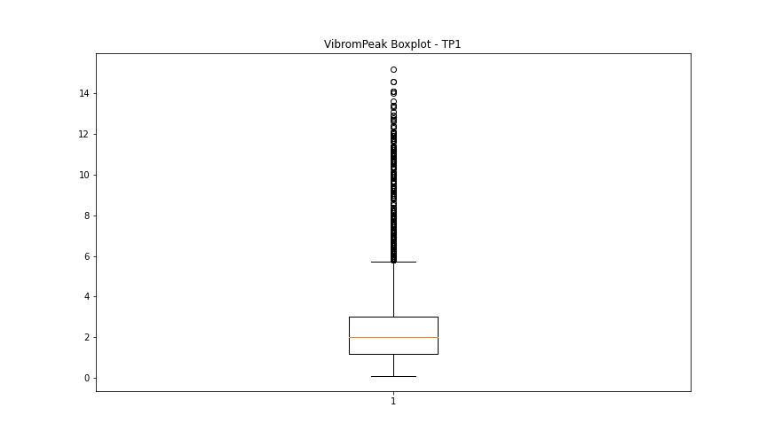
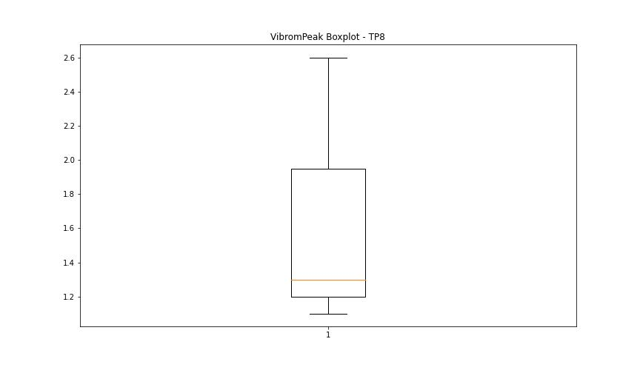

BOXPLOT SENZA OUTLIERS

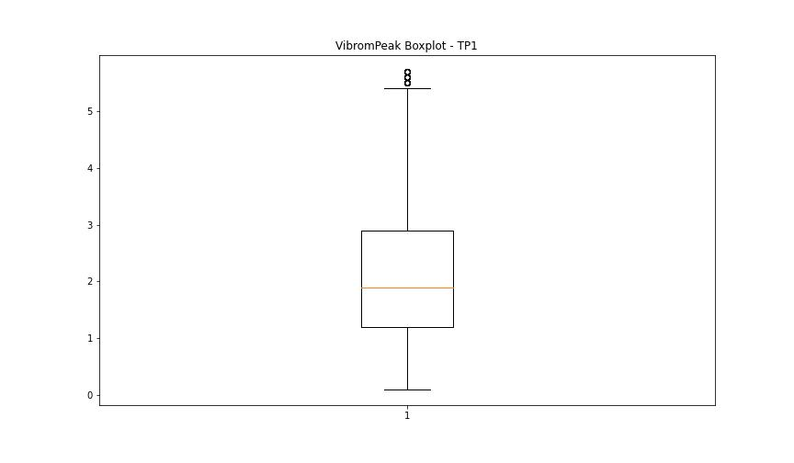

LUNG

numTP |  | 1 | 8
LUNG outliers |  | [ 65. 64. 58. 55. 48. 204.] | [1.6]
upper_bound |  | 186.3225 | 2
lower_bound |  | 82.4465 | 2

statistiche con outliers: |  |  |  | statistiche senza outliers:
numTP |  | 1 | 8 | numTP |  | 1 | 8
LUNG | max | 204 | 2 | LUNG | max | 185.5 | 2
 | min | 48 | 1.6 |  | min | 89 | 2
 | avg | 133.59684504 | 1.9711153119 |  | avg | 133.76709201 | 2
 | median | 147.369 | 2 |  | median | 147.369 | 2

BOXPLOT CON OUTLIERS
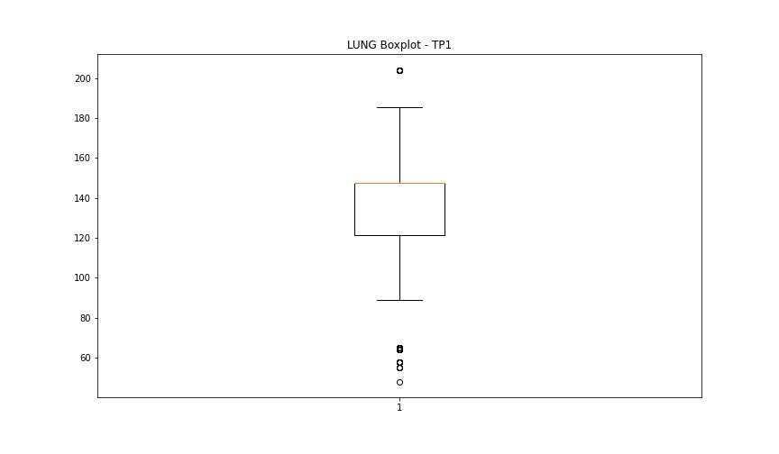
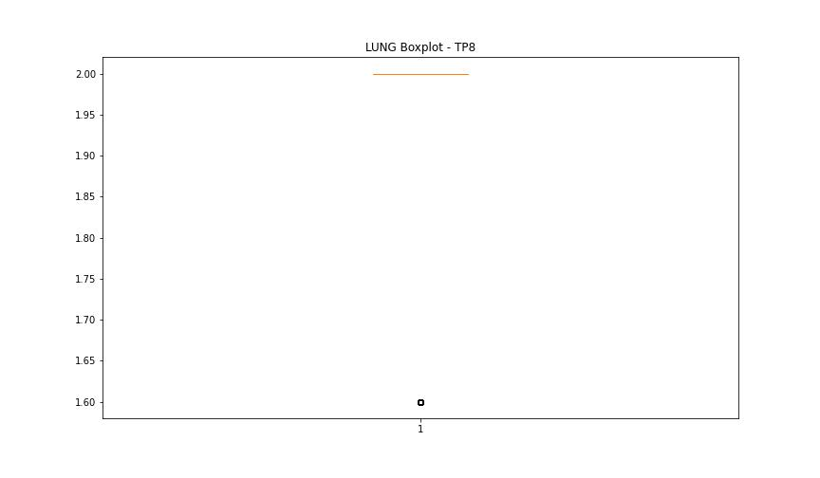

BOXPLOT SENZA OUTLIERS

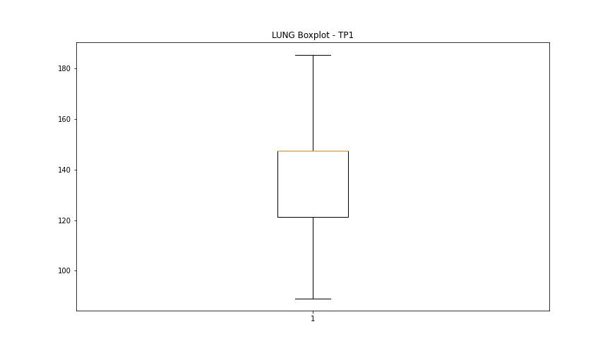
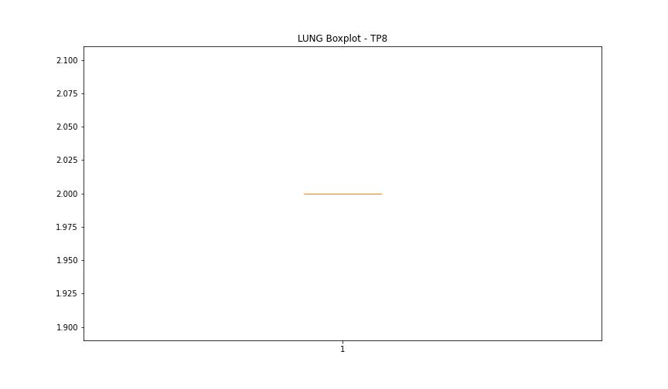

DIAM

numTP |  | 1 | 8
DIAM outliers |  | [301.399 7.9 35. 56. 2. 42. 50. 3. 98. 120. 146. 8. 156.1 152. 170. 177. 142. 90. 89. 176. 144. 109. 166. 4. 300. 299.5 299.399 38. ] | [118.699]
upper_bound |  | 26.375 | 120.75
lower_bound |  | 9.375 | 118.75

statistiche con outliers: |  |  |  | statistiche senza outliers:
numTP |  | 1 | 8 | numTP |  | 1 | 8
DIAM | max | 301.399 | 120 | DIAM | max | 24.379 | 120
 | min | 2 | 118.699 |  | min | 10 | 119
 | avg | 50.106564406 | 119.67363856 |  | avg | 19.341155989 | 119.6799433
 | median | 20 | 119.5 |  | median | 20 | 119.5

BOXPLOT CON OUTLIERS
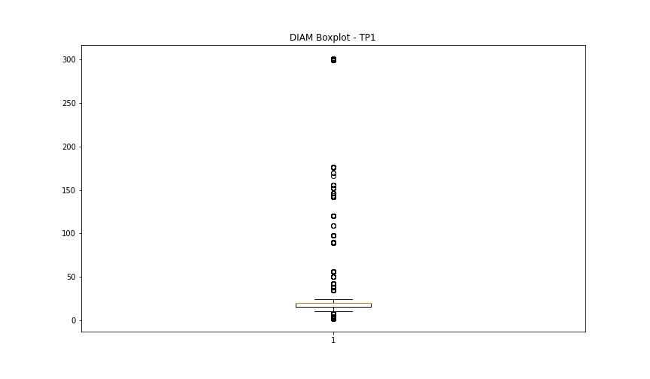
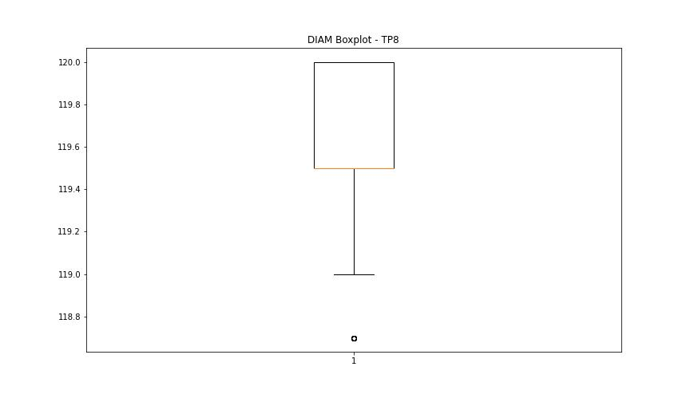

BOXPLOT SENZA OUTLIERS

