Sheet1
statorCelsius

numTP |  | 1
statorCelsius outliers |  | [40. 41. 42. 43. 45.]
upper_bound |  | 39.5
lower_bound |  | 19.5

statistiche con outliers: |  |  | statistiche senza outliers:
numTP |  | 1 | numTP |  | 1
statorCelsius | max | 45 | statorCelsius | max | 39
 | min | 20 |  | min | 20
 | avg | 29.742325581 |  | avg | 29.363405892
 | median | 29 |  | median | 28

BOXPLOT CON OUTLIERS
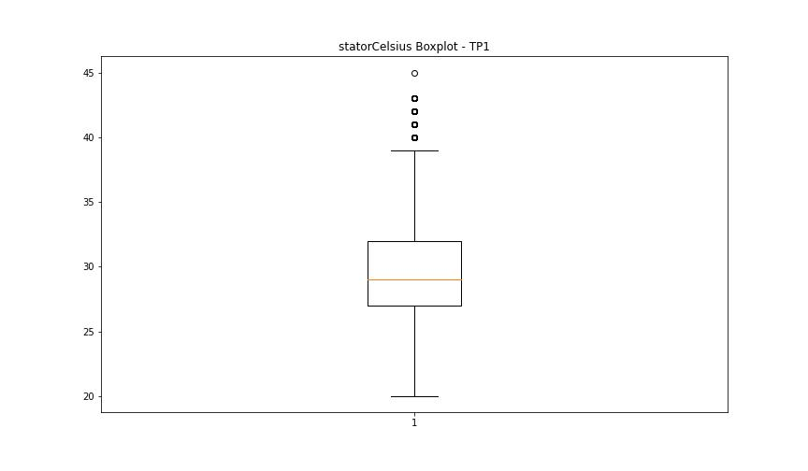

BOXPLOT SENZA OUTLIERS

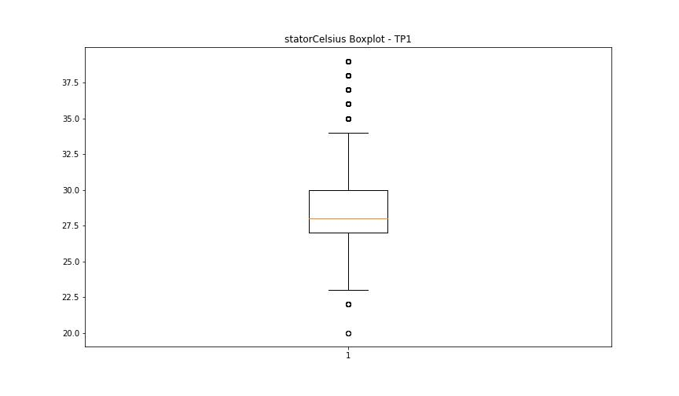

bearingsCelsius

numTP |  | 1
bearingsCelsius outliers |  | []
upper_bound |  | 0
lower_bound |  | 0

statistiche con outliers: |  |  | statistiche senza outliers:
numTP |  | 1 | numTP |  | 1
bearingsCelsius | max | 0 | bearingsCelsius | max | 0
 | min | 0 |  | min | 0
 | avg | 0 |  | avg | 0
 | median | 0 |  | median | 0

BOXPLOT CON OUTLIERS
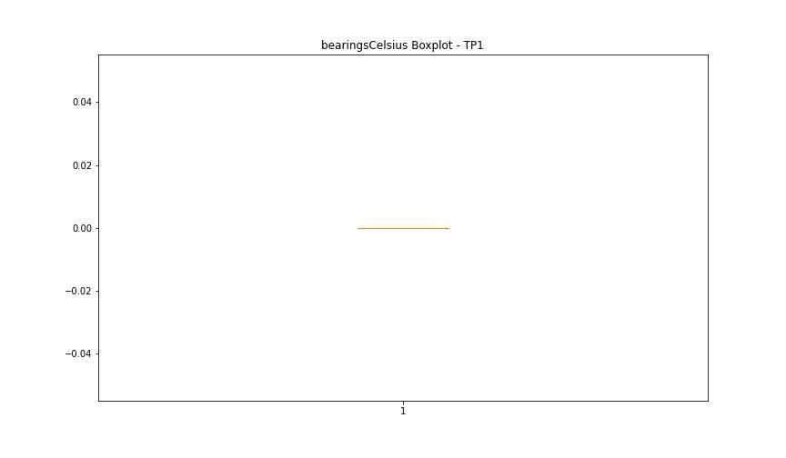

BOXPLOT SENZA OUTLIERS

spindleRpm

numTP |  | 1
spindleRpm outliers |  | [65535.]
upper_bound |  | 39206.5
lower_bound |  | -17269.5

statistiche con outliers: |  |  | statistiche senza outliers:
numTP |  | 1 | numTP |  | 1
spindleRpm | max | 65535 | spindleRpm | max | 18097
 | min | 0 |  | min | 0
 | avg | 9015.9420719 |  | avg | 9011.1620433
 | median | 3980 |  | median | 3980

BOXPLOT CON OUTLIERS
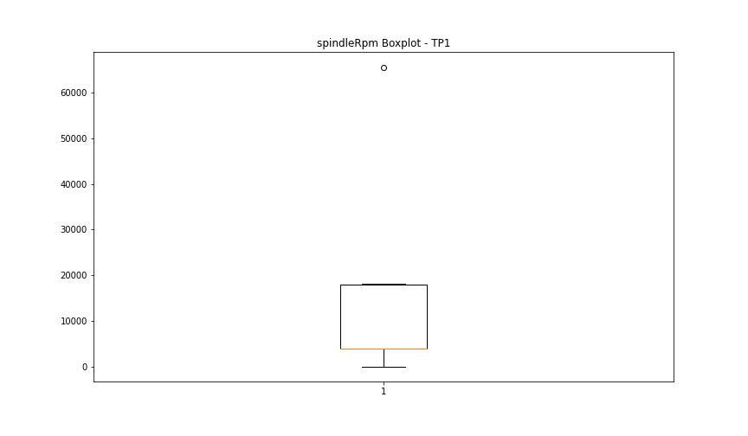

BOXPLOT SENZA OUTLIERS

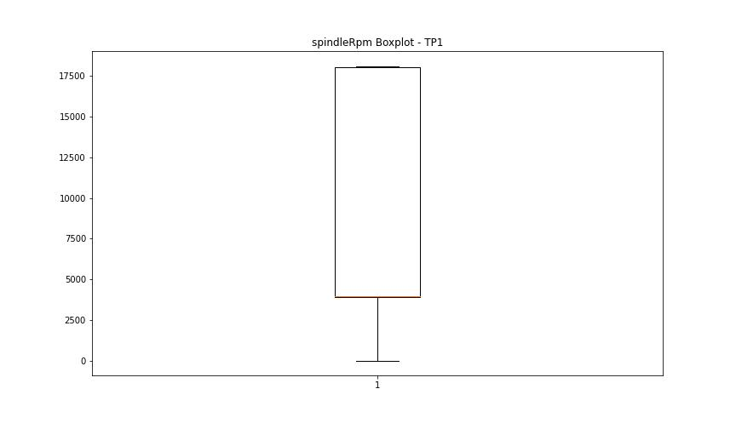

rpmSetPoint

numTP |  | 1
rpmSetPoint outliers |  | []
upper_bound |  | 39000
lower_bound |  | -17000

statistiche con outliers: |  |  | statistiche senza outliers:
numTP |  | 1 | numTP |  | 1
rpmSetPoint | max | 18000 | rpmSetPoint | max | 18000
 | min | 2000 |  | min | 2000
 | avg | 9051.8393235 |  | avg | 9051.8393235
 | median | 4000 |  | median | 4000

BOXPLOT CON OUTLIERS
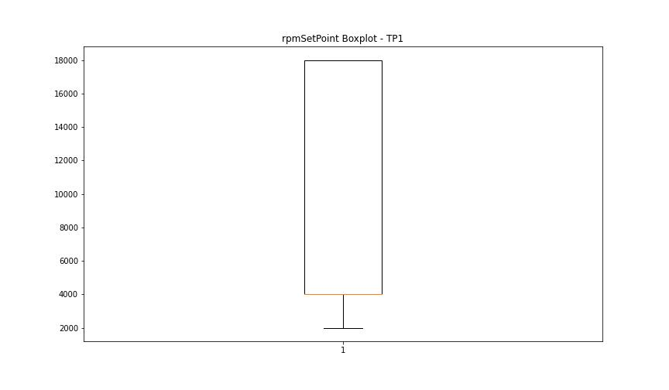

BOXPLOT SENZA OUTLIERS

CurrentPeak

numTP |  | 1
CurrentPeak outliers |  | [ 1.953 6.324 0.961 0.558 3.534 1.612 15.159 5.549 0.589 5.642 4.495 3.596 3.224 3.1 4.061 3.41 16.15 6.417 15.066 1.116 4.898 15.128 15.283 3.286 3.472 5.239 5.921 6.045 15.252 16.337 5.611 4.03 15.19 2.79 6.107 3.813 6.603 2.015 15.686 5.208 6.2 1.767 3.689 6.851 2.976 3.131 4.805 4.309 6.572 1.798 16.957 6.386 15.221 6.82 6.262 6.448 3.906 7.254 5.456 15.345 1.178 2.325 2.511 3.007 3.627 1.24 3.317 2.542 3.038 4.619 1.674 4.96 1.054 6.665 1.302 6.913 6.882 6.51 3.999 1.395 6.944 7.13 6.231 2.635 4.65 5.89 5.518 6.696 6.541 4.712 17.639 3.162 2.201 5.332 1.891 5.394 3.193 6.479 7.006 5.673 6.355 2.263 0.279 6.293 3.658 15.097 4.743 7.192 15.872 2.697 1.55 2.046 3.255 4.092 6.758 7.099 15.469 4.867 16.646 6.634 7.657 1.829 2.232 0.31 7.161 2.728 4.991 3.875 16.988 3.348 1.736 3.937 7.595 4.247 3.441 4.371 5.146 4.526 16.243 5.983 7.037 0.527 17.143 15.035 15.314 16.895 16.368 14.973 15.593 15.562 15.934 0.186 16.523 15.5 5.797 15.407 0.341 15.004 4.402 5.177 16.12 15.779 17.36 4.557 5.084 7.843 5.425 16.709 8.649 13.764 15.748 16.058 4.216 17.298 15.81 15.841 15.996 4.123 7.719 15.376 7.502 9.703 11.501 9.641 9.889 4.185 13.299 17.483 16.399 17.049 4.464 3.379 16.461 15.531 16.212 16.181 16.802 9.92 13.361 9.734 13.485 9.858 13.578 10.013 11.284 9.827 5.58 12.462 7.068 3.968 8.68 17.205 17.112 16.275 16.926 16.584 15.438 5.828 5.301 5.735 15.717 9.145 8.618 6.076 8.37 8.773 8.06 8.587 8.463 13.609 9.765 14.322 13.516 16.615 4.433 4.588 10.23 13.051 7.223 9.083 15.624 15.655 5.022 4.774 8.711 3.782 8.959 8.556 10.447 9.052 10.044 6.975 8.804 17.267 17.236 8.742 4.278 11.377 11.129 14.725 11.067 12.152 9.176 10.633 7.409 8.339 7.378 9.207 8.432 11.222 6.138 4.154 7.533 8.184 10.943 5.859 3.565]
upper_bound |  | 42.7465
lower_bound |  | 17.7025

statistiche con outliers: |  |  | statistiche senza outliers:
numTP |  | 1 | numTP |  | 1
CurrentPeak | max | 38.904 | CurrentPeak | max | 38.904
 | min | 0.186 |  | min | 17.732
 | avg | 28.407255137 |  | avg | 30.361885247
 | median | 29.511 |  | median | 30.132

BOXPLOT CON OUTLIERS
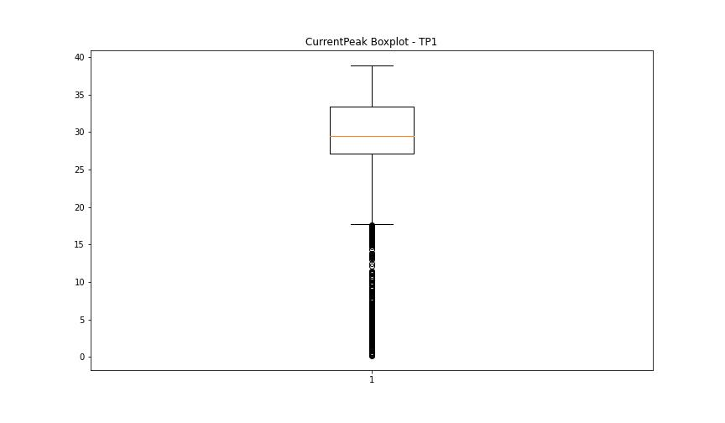

BOXPLOT SENZA OUTLIERS

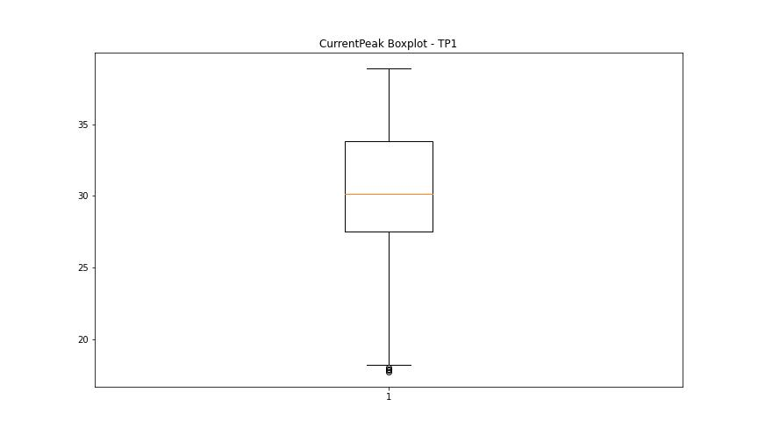

VibromPeak

numTP |  | 1
VibromPeak outliers |  | [ 5.1 5.4 5.2 5.5 13.8 17.4 17.7 25.5 25.2 25.6 6.6 5.7 5.8 6.5 5.6 5.9 6.4 5.3 6.3 6.2 7.1 6.1 6.9 7.2 8. 6. 6.7]
upper_bound |  | 5
lower_bound |  | -2.2

statistiche con outliers: |  |  | statistiche senza outliers:
numTP |  | 1 | numTP |  | 1
VibromPeak | max | 25.6 | VibromPeak | max | 5
 | min | 0.1 |  | min | 0.1
 | avg | 1.5500549683 |  | avg | 1.4999316648
 | median | 1.3 |  | median | 1.3

BOXPLOT CON OUTLIERS
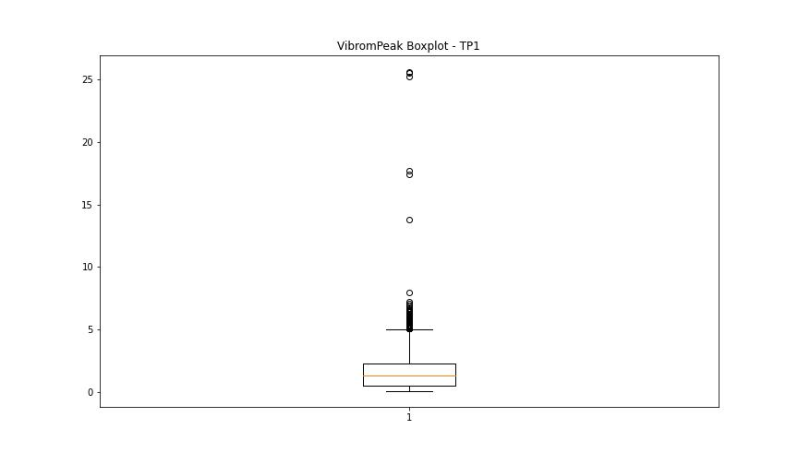

BOXPLOT SENZA OUTLIERS

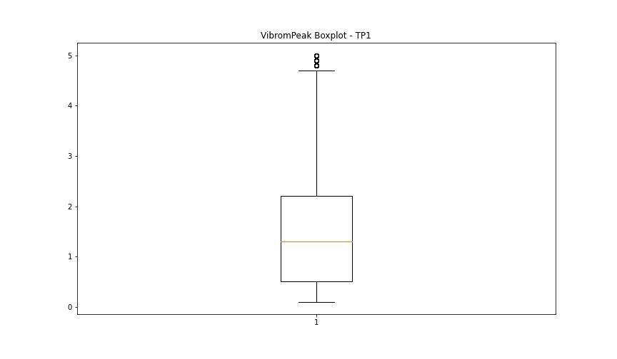

LUNG

numTP |  | 1
LUNG outliers |  | []
upper_bound |  | 322.9975
lower_bound |  | -36.5985

statistiche con outliers: |  |  | statistiche senza outliers:
numTP |  | 1 | numTP |  | 1
LUNG | max | 275 | LUNG | max | 275
 | min | 98.25 |  | min | 98.25
 | avg | 154.61460474 |  | avg | 154.61460474
 | median | 138 |  | median | 138

BOXPLOT CON OUTLIERS
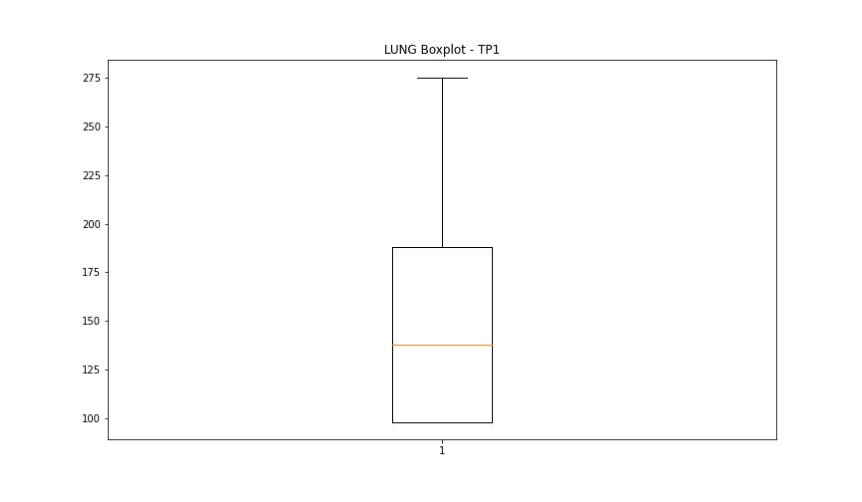

BOXPLOT SENZA OUTLIERS

DIAM

numTP |  | 1
DIAM outliers |  | []
upper_bound |  | 851.65
lower_bound |  | -485.55

statistiche con outliers: |  |  | statistiche senza outliers:
numTP |  | 1 | numTP |  | 1
DIAM | max | 351 | DIAM | max | 351
 | min | 1.6 |  | min | 1.6
 | avg | 137.41893632 |  | avg | 137.41893632
 | median | 16 |  | median | 16

BOXPLOT CON OUTLIERS
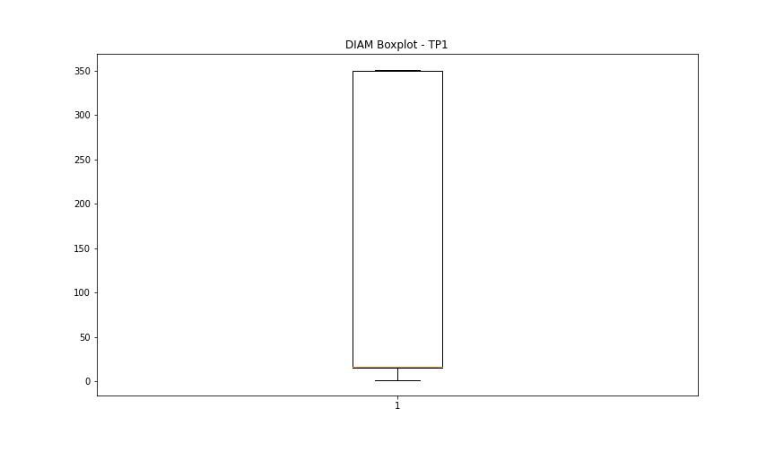

BOXPLOT SENZA OUTLIERS

