Sheet1
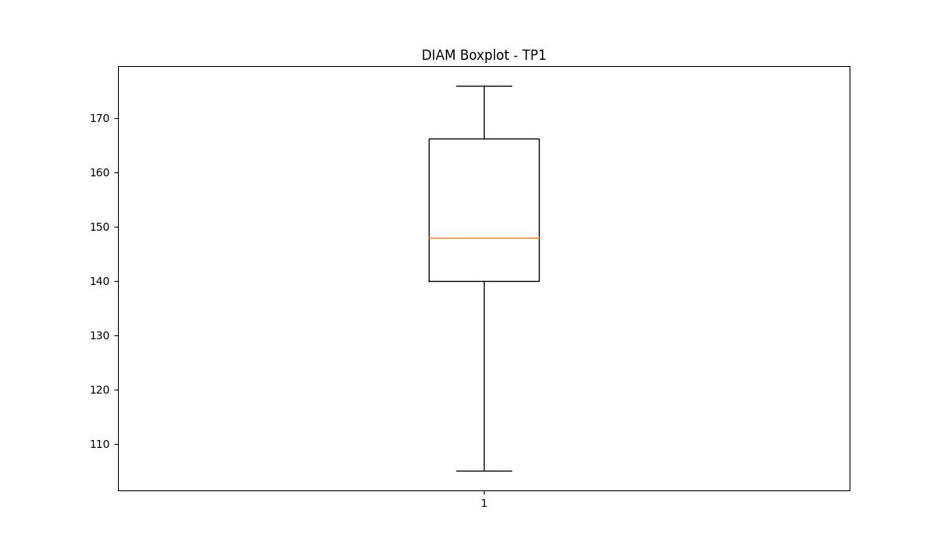
statorCelsius

numTP |  | 21 | 1 | 4 | 2
statorCelsius outliers |  | [22. 23. 18. 20. 33. 34. 19. 37. 38. 35. 15. 17. 42. 41. 36. 40. 13. 14.] | [20. 17. 18. 21. 19. 12. 13. 14. 15. 16. 39. 41. 40.] | [] | []
upper_bound |  | 32 | 38 | 0 | 0
lower_bound |  | 24 | 22 | 0 | 0

statistiche con outliers: |  |  |  |  |  | statistiche senza outliers:
numTP |  | 21 | 1 | 4 | 2 | numTP |  | 21 | 1 | 4 | 2
statorCelsius | max | 42 | 41 | 0 | 0 | statorCelsius | max | 32 | 38 | 0 | 0
 | min | 13 | 12 | 0 | 0 |  | min | 24 | 22 | 0 | 0
 | avg | 27.97106811 | 29.440756774 | 0 | 0 |  | avg | 28.035218115 | 29.544248362 | 0 | 0
 | median | 28 | 29 | 0 | 0 |  | median | 28 | 29 | 0 | 0

BOXPLOT CON OUTLIERS
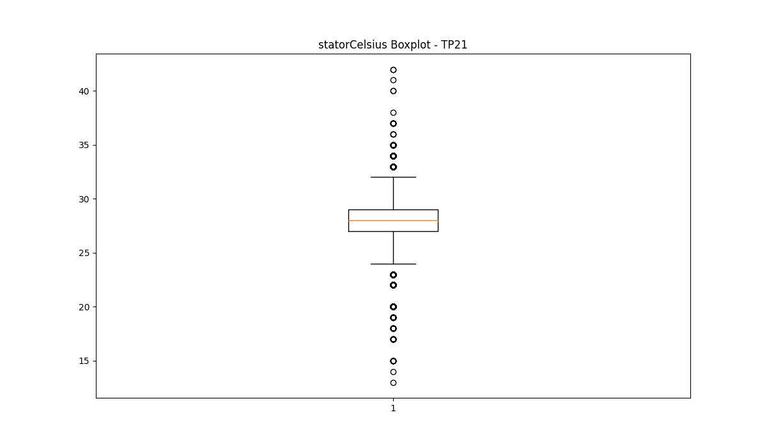
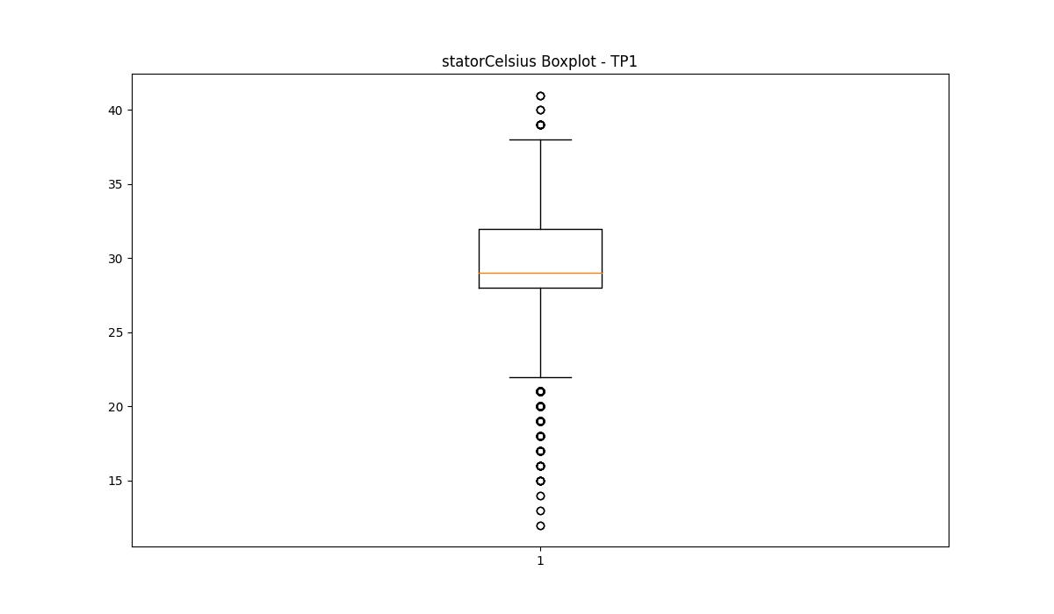
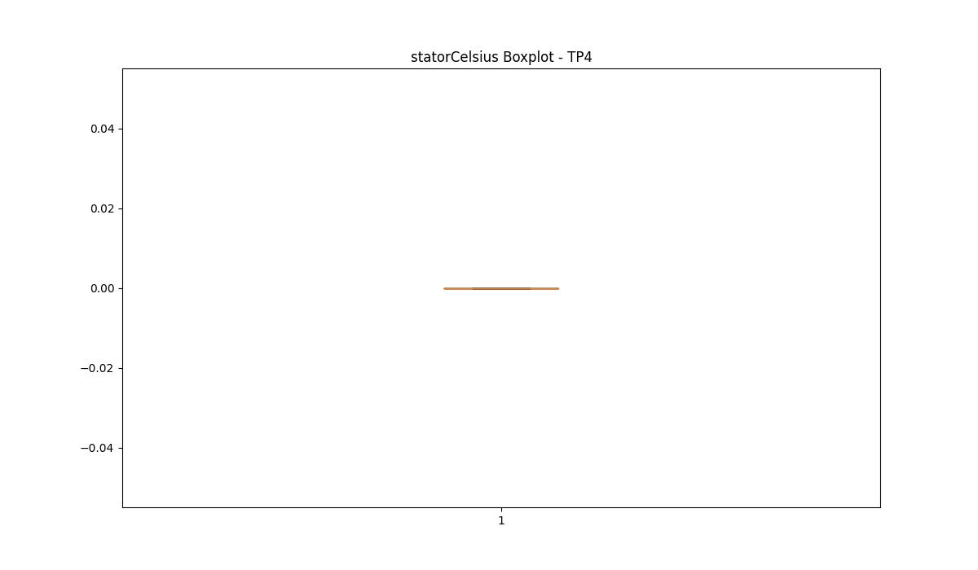
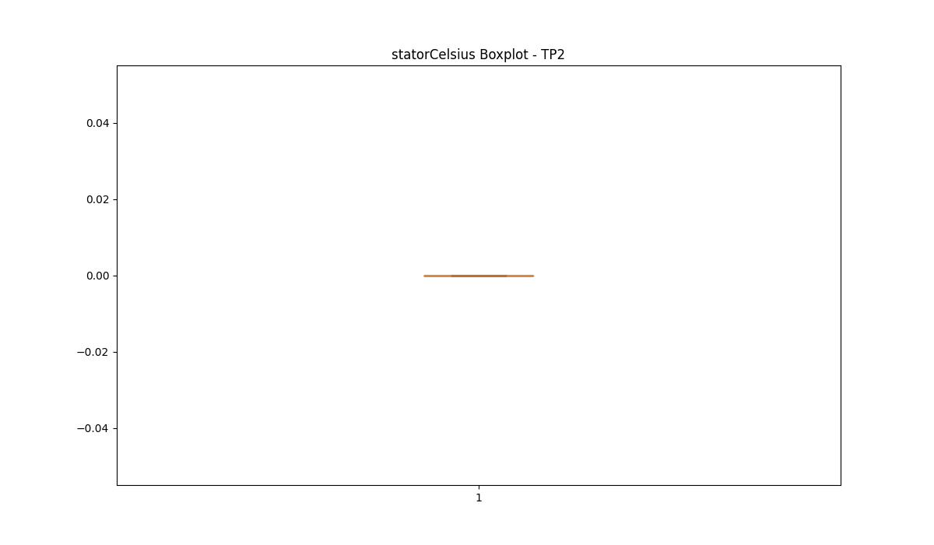

BOXPLOT SENZA OUTLIERS

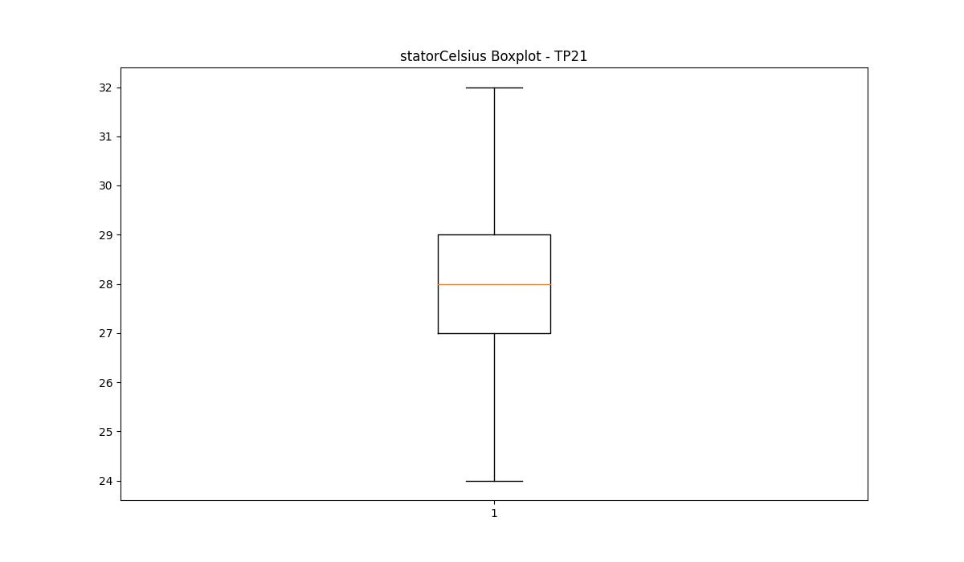
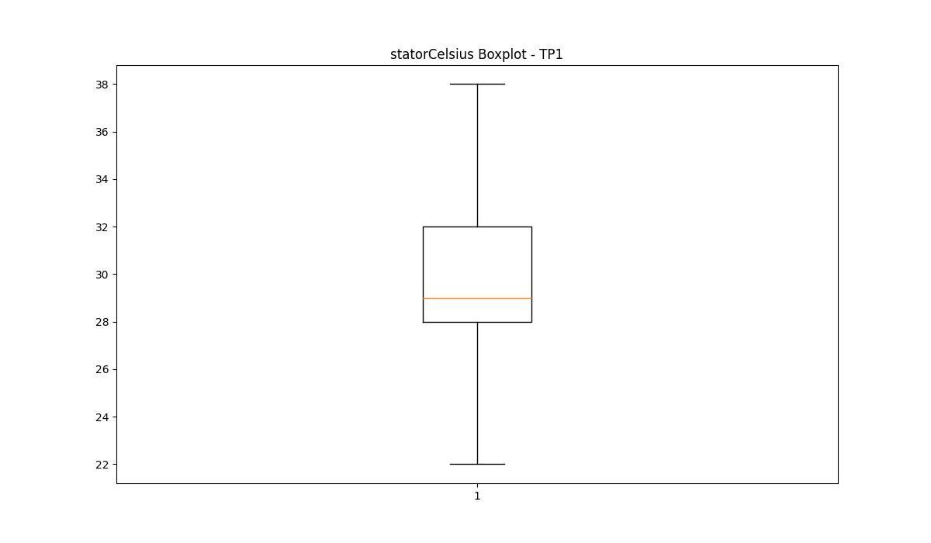

bearingsCelsius

numTP |  | 21 | 1 | 4 | 2
bearingsCelsius outliers |  | [20. 19. 15. 17. 18. 32. 14.] | [21. 22. 18. 19. 20. 17. 16. 11. 12. 14. 15. 13. 27. 28.] | [] | []
upper_bound |  | 30 | 26.5 | 0 | 0
lower_bound |  | 22 | 22.5 | 0 | 0

statistiche con outliers: |  |  |  |  |  | statistiche senza outliers:
numTP |  | 21 | 1 | 4 | 2 | numTP |  | 21 | 1 | 4 | 2
bearingsCelsius | max | 32 | 28 | 0 | 0 | bearingsCelsius | max | 30 | 26 | 0 | 0
 | min | 14 | 11 | 0 | 0 |  | min | 22 | 23 | 0 | 0
 | avg | 26.110510673 | 24.486419753 | 0 | 0 |  | avg | 26.202031484 | 24.812611043 | 0 | 0
 | median | 27 | 25 | 0 | 0 |  | median | 27 | 25 | 0 | 0

BOXPLOT CON OUTLIERS
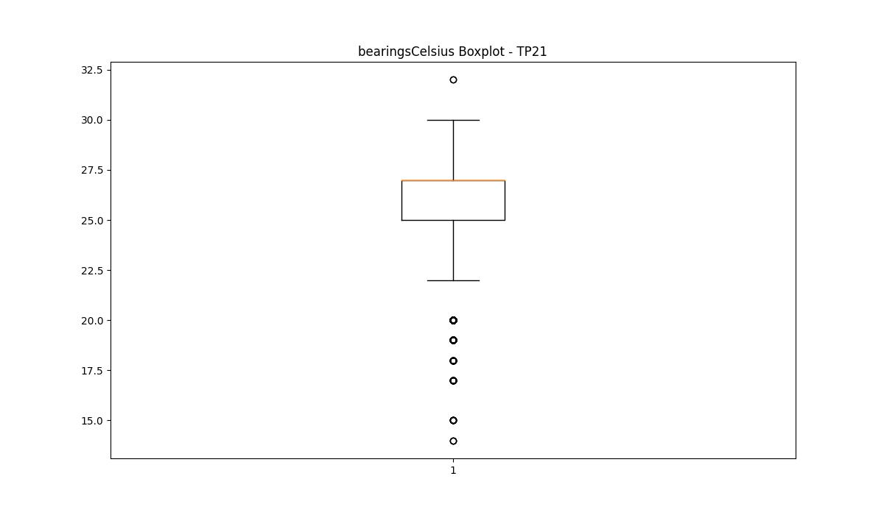
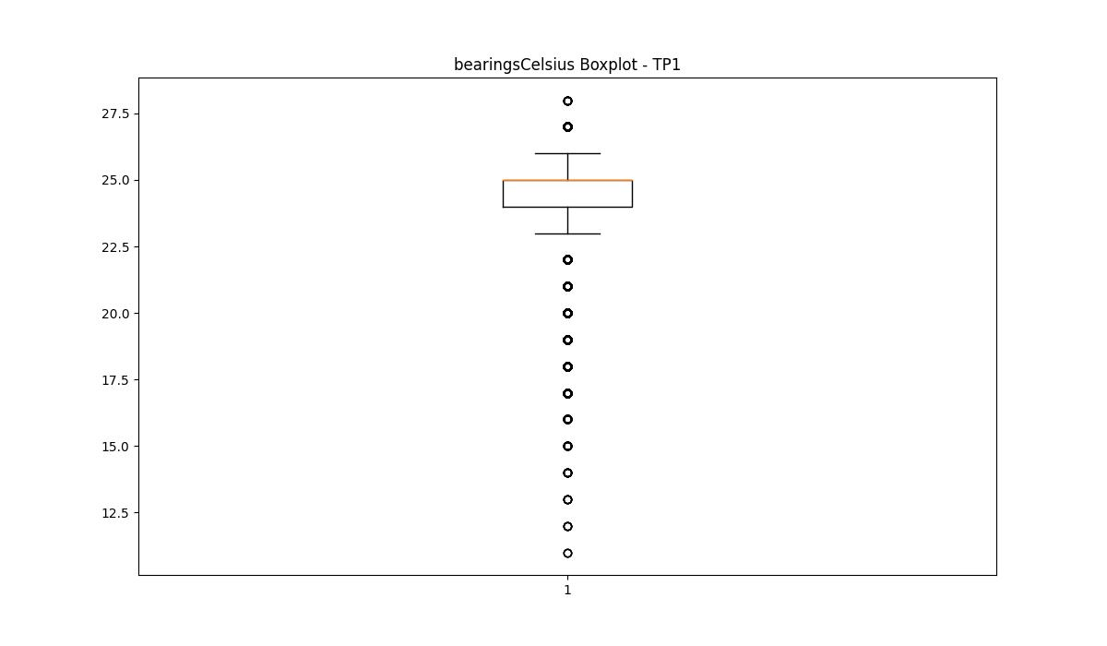



BOXPLOT SENZA OUTLIERS

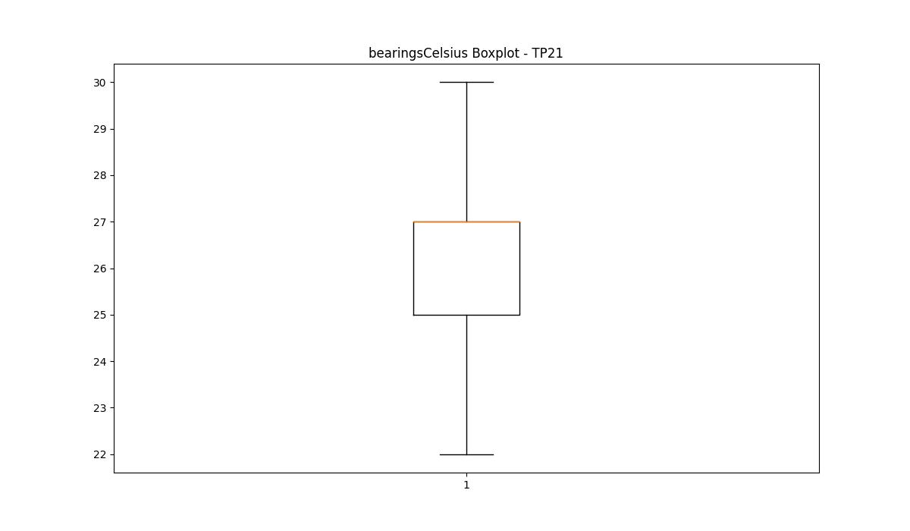
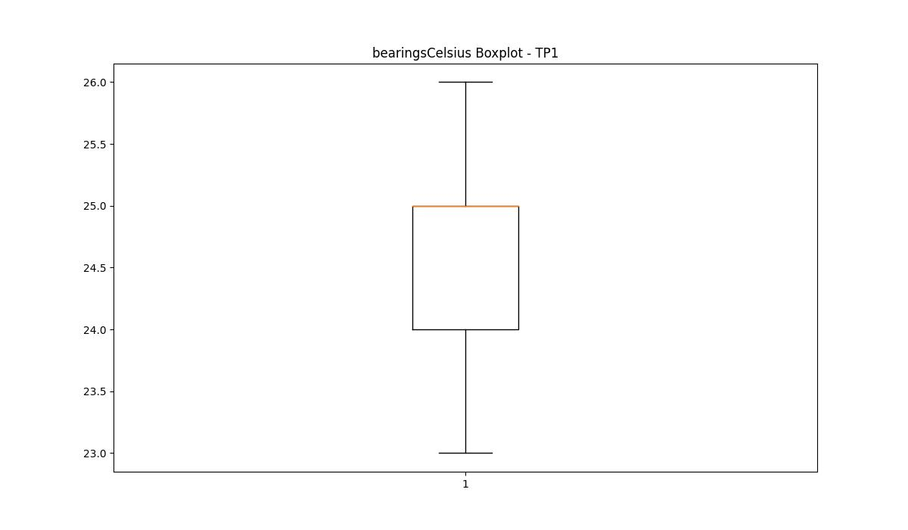

spindleRpm

numTP |  | 21 | 1 | 4 | 2
spindleRpm outliers |  | [] | [] | [] | []
upper_bound |  | 25610.5 | 17999.5 | 0 | 0
lower_bound |  | -7961.5 | -276.5 | 0 | 0

statistiche con outliers: |  |  |  |  |  | statistiche senza outliers:
numTP |  | 21 | 1 | 4 | 2 | numTP |  | 21 | 1 | 4 | 2
spindleRpm | max | 17475 | 17190 | 0 | 0 | spindleRpm | max | 17475 | 17190 | 0 | 0
 | min | 3229 | 0 | 0 | 0 |  | min | 3229 | 0 | 0 | 0
 | avg | 9524.769979 | 9372.9839025 | 0 | 0 |  | avg | 9524.769979 | 9372.9839025 | 0 | 0
 | median | 8905 | 10260 | 0 | 0 |  | median | 8905 | 10260 | 0 | 0

BOXPLOT CON OUTLIERS
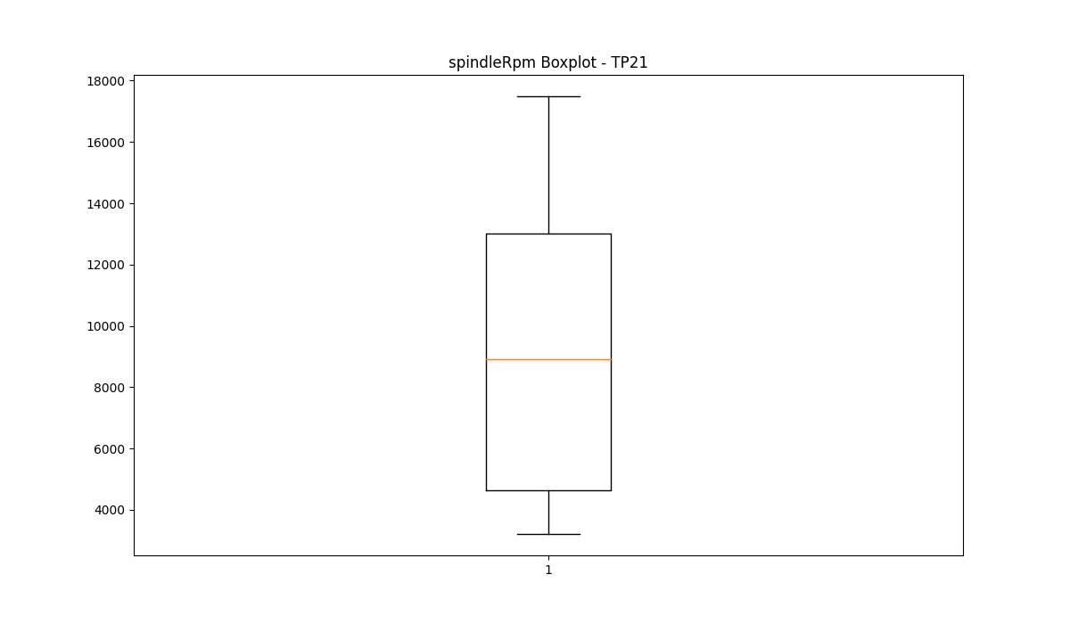
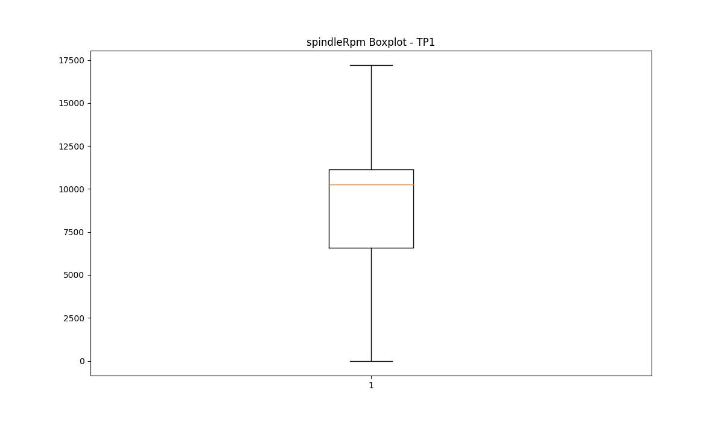
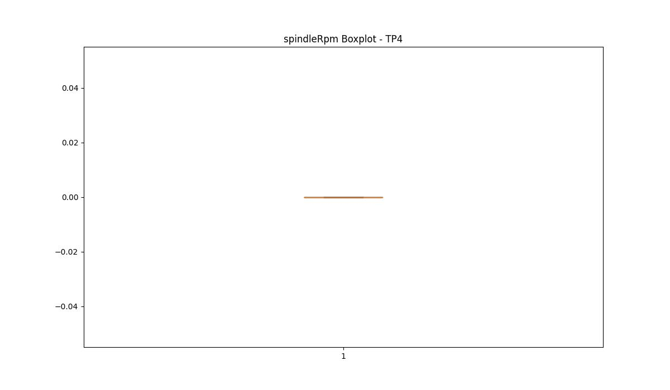


BOXPLOT SENZA OUTLIERS

rpmSetPoint

numTP |  | 21 | 1 | 4 | 2
rpmSetPoint outliers |  | [] | [] | [] | []
upper_bound |  | 27500 | 19500 | 10000 | 32500
lower_bound |  | -8500 | -500 | -2000 | -11500

statistiche con outliers: |  |  |  |  |  | statistiche senza outliers:
numTP |  | 21 | 1 | 4 | 2 | numTP |  | 21 | 1 | 4 | 2
rpmSetPoint | max | 18000 | 18000 | 7000 | 16000 | rpmSetPoint | max | 18000 | 18000 | 7000 | 16000
 | min | 3500 | 5000 | 1000 | 5000 |  | min | 3500 | 5000 | 1000 | 5000
 | avg | 10360.991832 | 10094.157447 | 4171.875 | 8584.2696629 |  | avg | 10360.991832 | 10094.157447 | 4171.875 | 8584.2696629
 | median | 9500 | 11000 | 5000 | 5000 |  | median | 9500 | 11000 | 5000 | 5000

BOXPLOT CON OUTLIERS
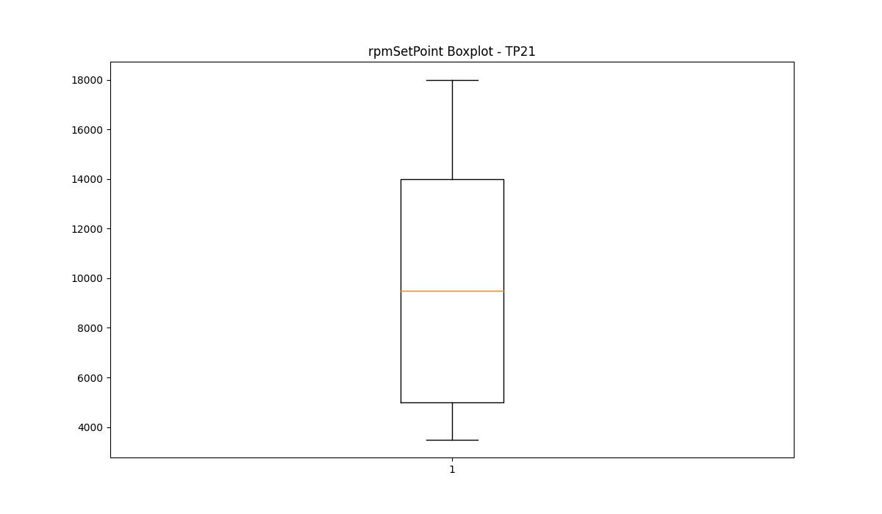
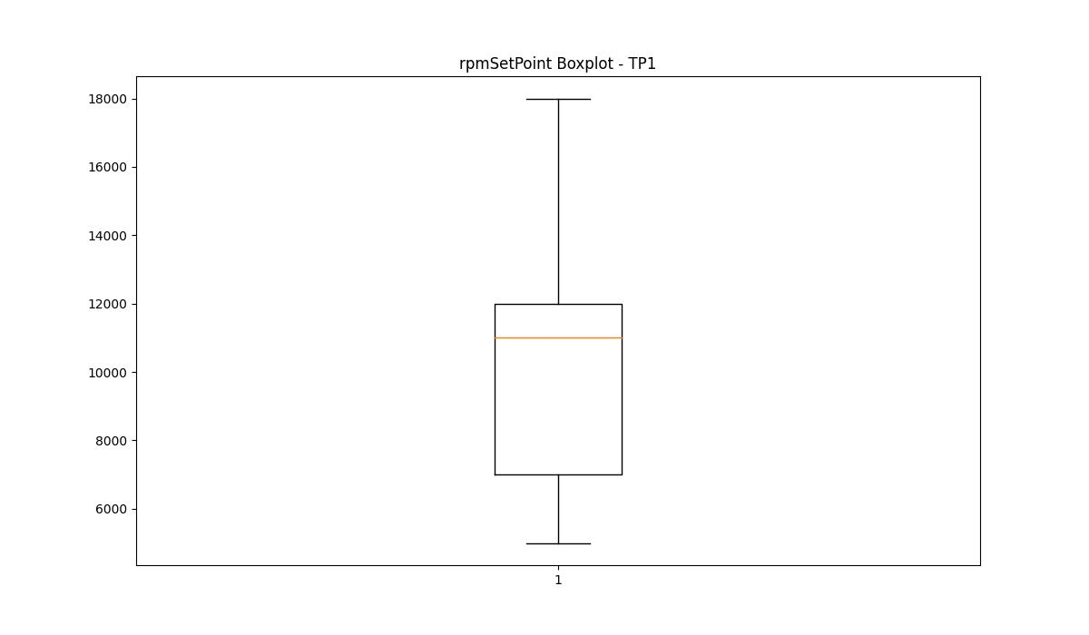
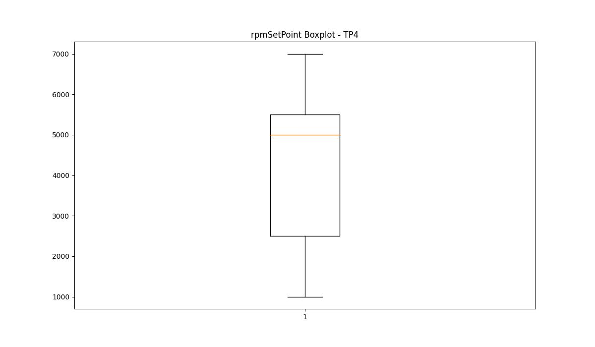
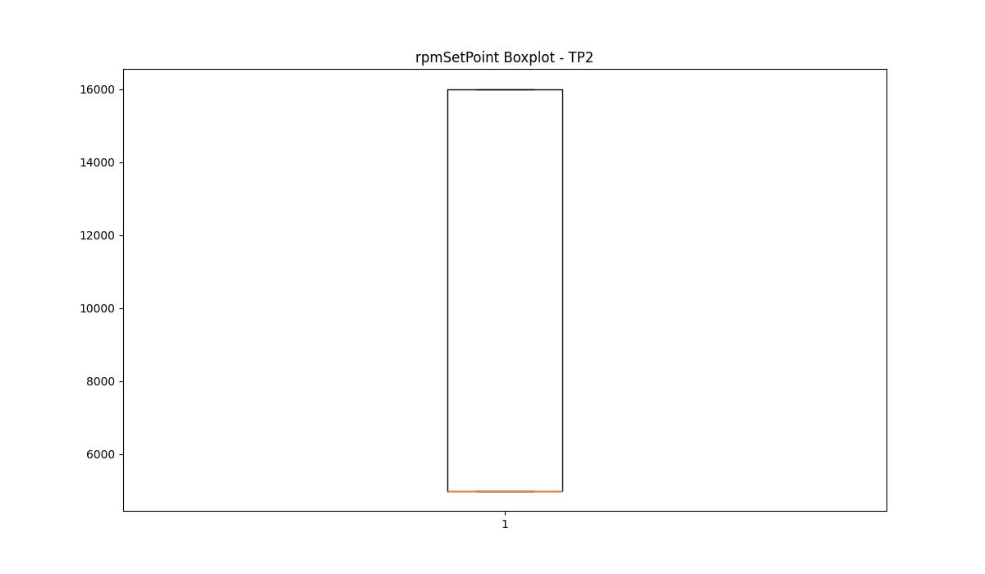

BOXPLOT SENZA OUTLIERS

CurrentPeak

numTP |  | 21 | 1 | 4 | 2
CurrentPeak outliers |  | [23.374 23.839 6.944 29.605 4.185 4.309 4.371 4.774 20.863 23.343 22.847 23.497 22.878 37.386 40.051 23.777 22.537 40.331 32.457 38.316 22.754 19.344 23.405 23.157 23.188 23.559 29.636 33.914 33.634 39.99 39.618 30.969 30.938 29.976 19.406 22.257 22.351 20.025 21.855 31.775 31.558 31.465 32.022 32.054 32.116 23.622 23.436 31.837 22.971 22.723 3.937 3.627 23.684 23.528 22.103 23.281 4.247 4.588 38.966 29.419 22.165 23.25 38.471 22.94 30.473 29.822 22.289 22.785 23.746 29.853 39.959 30.256 30.628 29.667 29.511 23.715 34.937 40.021 30.132 30.07 39.866 39.028 29.884 29.729 29.295 30.007 30.349 38.657 23.002 31.65 20.924 32.209 38.223 21.761 20.181 39.804 31.93 32.178 21.576 22.506 32.301 23.125 30.783 30.101 29.915 29.264 30.41 21.08 29.388 22.134 20.118 22.66 39.587 40.113 23.063 23.094 19.809 20.336 22.629 29.791 23.033 29.171 23.653 22.475 32.643 40.145 39.928 38.254 40.083 39.431 32.89 23.466 29.481 37.82 25.761 23.808 29.542 19.964 29.698 38.688 39.742 39.339 40.269 21.917 30.039 29.573 22.691 23.312 30.194 29.233 33.263 33.976 34.161 30.379 22.226 22.01 30.813 33.511 33.573 19.53 20.801 22.599 22.413 19.561 22.816 39.772 39.556 36.487 39.68 36.983 19.653 20.087 33.014 33.449 33.604 33.945 33.48 34.223 39.896 38.625 29.76 39.06 33.077 29.945 39.091 38.75 36.673 39.122 37.509 40.393 34.564 40.175 40.362 19.902 22.382 38.409 22.041 30.441 33.387 38.16 38.068 38.098 25.823 29.357 38.874 39.493 35.618 39.71 25.792 38.192 37.882 38.936 19.933 20.955 22.444 30.225 38.78 22.32 36.394 33.79 33.139 33.325 39.153 19.313 21.979 33.108 19.747 33.355 33.231 39.401 38.533 38.595 33.417 22.568 22.072 20.398 22.909 29.326 19.468 19.871 30.318 39.369 19.778 23.591 36.641 34.348 25.947 27.962 21.389 26.504 31.868 30.875 28.643 32.271 33.728 32.922 31.062 29.202 26.846 34.441 31.093 28.427 30.287 28.892 28.458 26.877 27.806 31.216 26.319 31.961 27.372 26.535 30.597 34.41 28.117 30.721 30.69 26.132 29.10 | [19. 18.85 19.299 17.9 18.7 18.799 18.9 19.1 19.2 19.45 19.9 19.75 19.549 20.45 20. 20.549 20.5 20.6 44.799 49.65 44.349 43.599 45.549 45.849 49.799 52.25 0. 46.9 49.4 45.299 48.349 46.7 48.65 43.65 47. 53.049 45.95 44.9 48.2 18.549 47.049 44.549 49.099 51.7 48.849 49.849 46.849 50.599 45.75 45.2 47.849 46.95 50.2 52.099 48.15 45.5 45.099 44.2 49.45 46.65 50.799 43.7 47.65 50.95 48.5 51.099 51.15 49.2 46.299 52.7 43.5 47.5 46.45 45.349 44.4 46.599 47.2 47.799 18.6 48.95 49.049 44.5 43.549 47.7 47.349 43.349 46.4 44. 51.849 52.4 51.4 47.25 44.45 48.45 48.25 44.95 46.5 49. 49.5 50.4 47.15 44.849 45. 50. 52. 44.099 51.5 50.849 47.599 46.75 51.2 47.9 50.9 50.099 48.799 53.2 52.349 48.75 45.049 51.45 52.2 46.349 47.099 48.299 50.5 49.9 53.15 44.65 51.25 53.45 47.45 45.599 43.95 44.049 45.7 51.75 50.299 46.049 52.299 45.25 50.7 51.9 45.4 45.65 49.25 52.75 49.549 45.9 49.299 52.549 43.849 52.849 46.099 48.049 48.099 44.7 46.25 50.049 49.349 46.799 47.4 44.15 46.15 47.75 50.15 45.45 43.799 46.2 44.25 48. 44.599 51.299 47.95 43.4 47.299 51.599 50.549 52.049 50.75 45.15 48.4 44.75 52.9 52.5 52.45 48.9 49.75 46. 48.7 49.7 51.349 48.549 49.15 50.25 51.95 45.799 53.549 48.599 43.9 52.15 49.95 52.599 54.15 52.95 46.549 44.299 43.45 43.75 51.049 53.299 51.799 52.65 47.549 49.599 50.65 51.65 ] | [] | [11.649 11.715]
upper_bound |  | 25.7145 | 43.3225 | 9.9 | 11.6325
lower_bound |  | 23.8545 | 21.9265 | 1.58 | 11.2365

statistiche con outliers: |  |  |  |  |  | statistiche senza outliers:
numTP |  | 21 | 1 | 4 | 2 | numTP |  | 21 | 1 | 4 | 2
CurrentPeak | max | 40.393 | 54.15 | 7.85 | 11.715 | CurrentPeak | max | 25.698 | 43.299 | 7.85 | 11.627
 | min | 3.627 | 0 | 3.12 | 11.297 |  | min | 23.87 | 22.1 | 3.12 | 11.297
 | avg | 25.087451687 | 32.768583646 | 5.9596354167 | 11.446921348 |  | avg | 24.77651184 | 32.216738602 | 5.9596354167 | 11.441517241
 | median | 24.83 | 31.95 | 6.54 | 11.44 |  | median | 24.83 | 31.799 | 6.54 | 11.44

BOXPLOT CON OUTLIERS
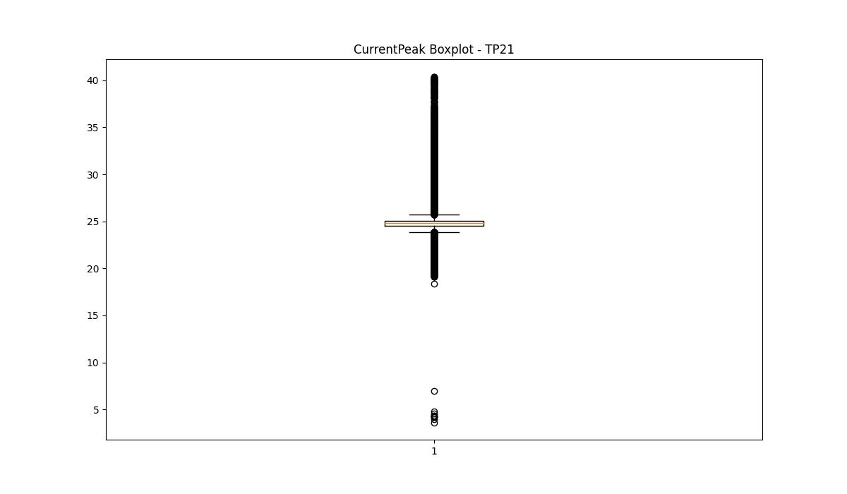
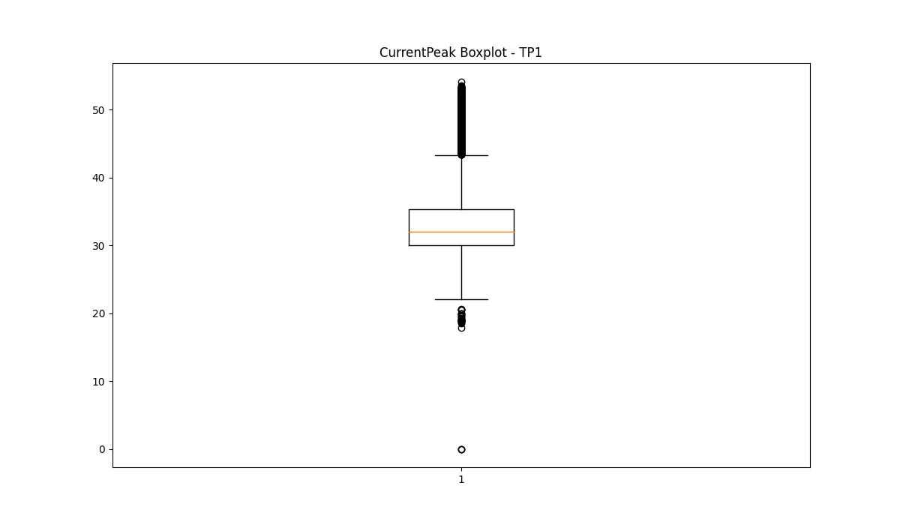
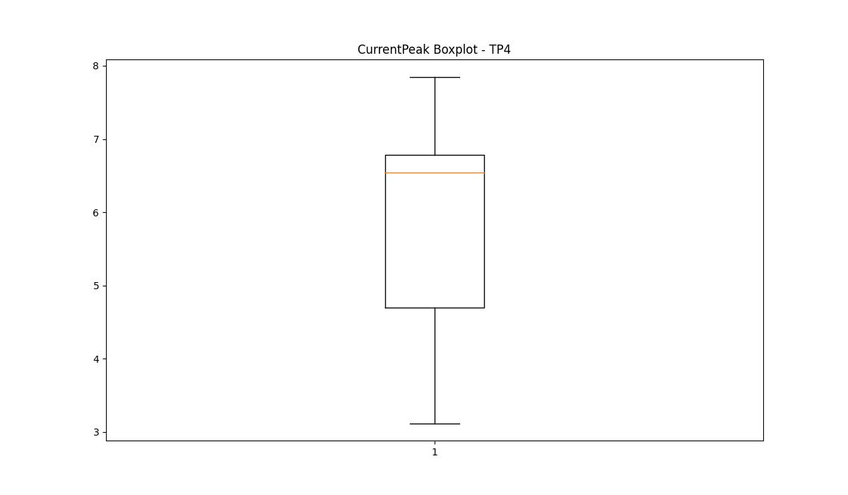
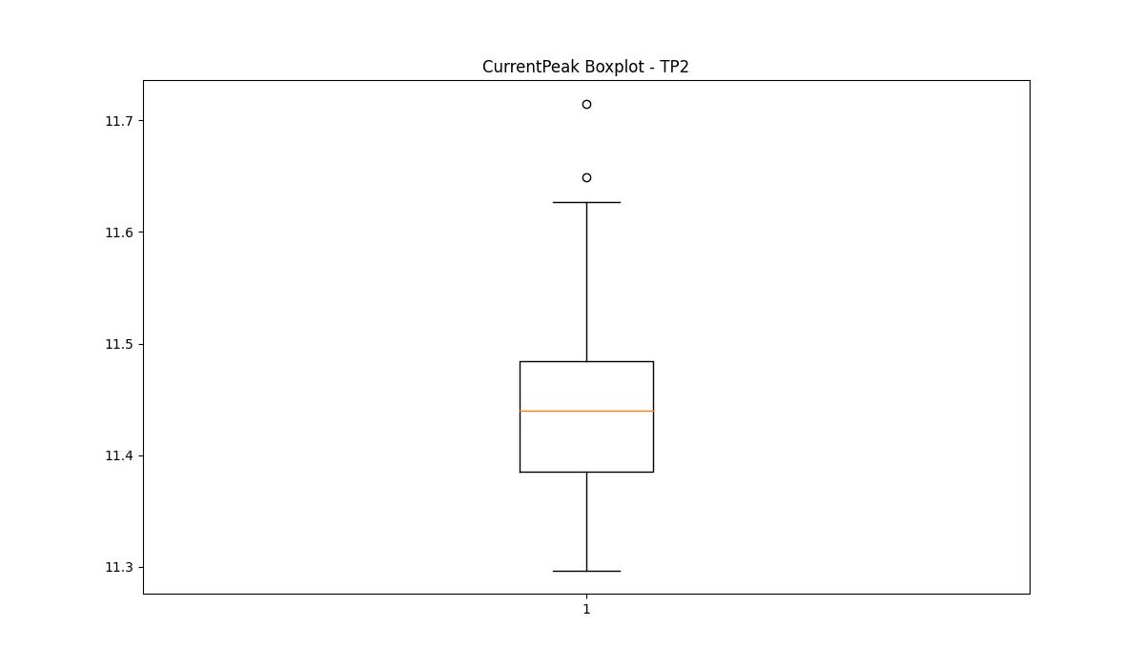

BOXPLOT SENZA OUTLIERS

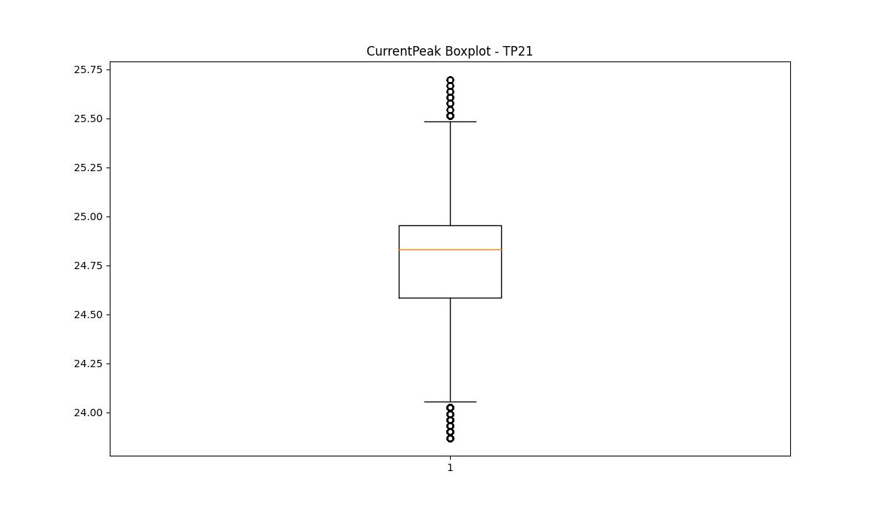
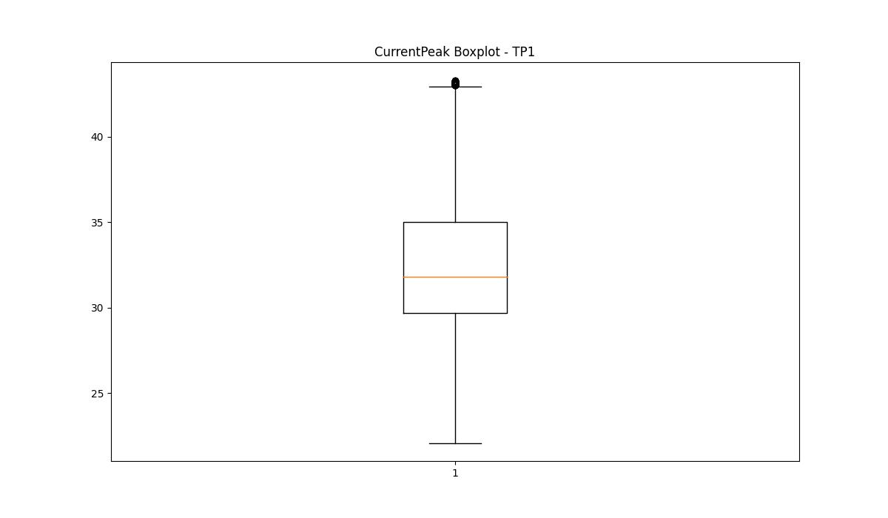
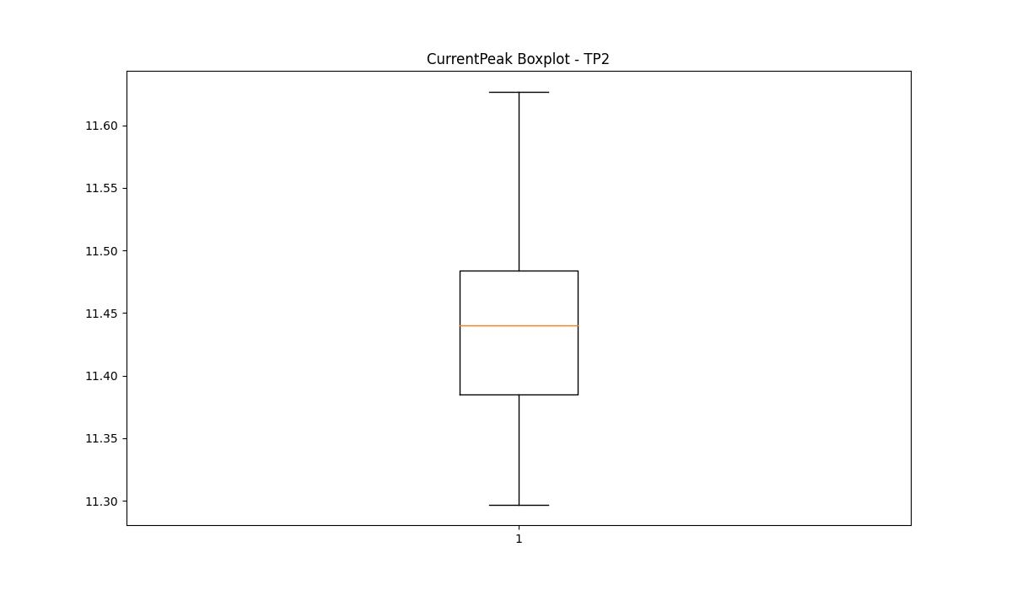

VibromPeak

numTP |  | 21 | 1 | 4 | 2
VibromPeak outliers |  | [ 5.8 6.1 6.9 8.4 6. 9.1 7.5 6.5 6.6 8.7 6.2 7.9 8.9 7.6 7.2 6.3 8.3 6.7 9.2 8.2 8.6 5.9 9. 7.3 8.5 8. 9.5 7.4 9.4 6.4 9.7 5.7 5.6 9.3 8.8 9.9 10.1 9.6 18.6 15.2 15.5 18.4 17.6 15.1 12.8 12.9 9.8 7.7 8.1 16.5 17.2 16.1 17.4 17.299 16.299 18.299 15.6 16.2 18.5 17.7 15.9 15. 17.799 16. 15.3 17. 18. 16.799 10. 17.9 16.4 19. 18.2 20. 18.9 19.9 18.7 13.2 19.7 17.5 16.9 20.299 19.4 19.1 19.299 17.1 20.7 13.8 11.5 13.3 14. 13.7 11.2 15.7 10.9 11.7 11. 10.6 19.6 18.1 13. 14.3 10.3 14.2 11.9 15.4 13.5 13.9 14.7 12.4 14.8 16.6 15.8 14.4 12.5 10.4 7. 7.8 12.6 14.5 13.1 10.2 10.5 12.1 7.1 14.6 11.4 10.7 12.2 14.9 10.8 11.6 11.3 12.3 13.4 16.7 12.7 12. 11.1 6.8 11.8 13.6 14.1 18.799 19.2 20.2 19.5 24. 26.7 20.5 39.7 20.1 21. 20.4 22.1 21.299 21.4 19.799 21.7 ] | [ 1.2 1.4 1.5 1.3 1.7 28.6 1.9 1.6 2. 2.1 1.8 2.2 2.7 2.5 6.3 5.9 5.4 5.5 5.1 4.9 8.5 4.4 4.5 4.3 4.6 3.1 3.5 3.9 4.2 3.3 3. 3.7 2.6 2.4 2.3 2.9 2.8 4.8]
upper_bound |  | 5.55 | 1.15
lower_bound |  | -2.05 | -0.05

statistiche con outliers: |  |  |  |  |  | statistiche senza outliers:
numTP |  | 21 | 1 | 4 | 2 | numTP |  | 21 | 1 | 4 | 2
VibromPeak | max | 39.7 | 28.6 | nan | nan | VibromPeak | max | 5.5 | 1.1
 | min | 0.1 | 0.1 | nan | nan |  | min | 0.1 | 0.1
 | avg | 2.7168525876 | 0.5798223391 | nan | nan |  | avg | 1.3626493282 | 0.56301472505
 | median | 1.1 | 0.5 | nan | nan |  | median | 1 | 0.5

BOXPLOT CON OUTLIERS
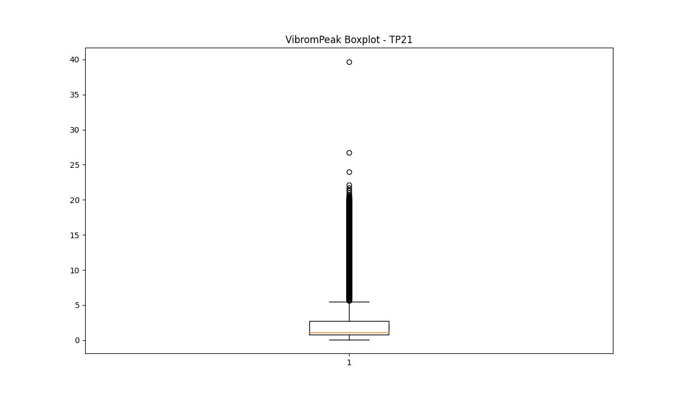
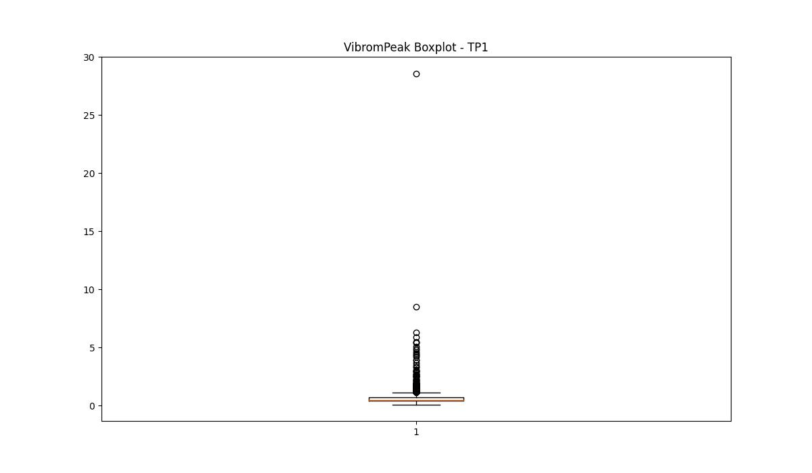
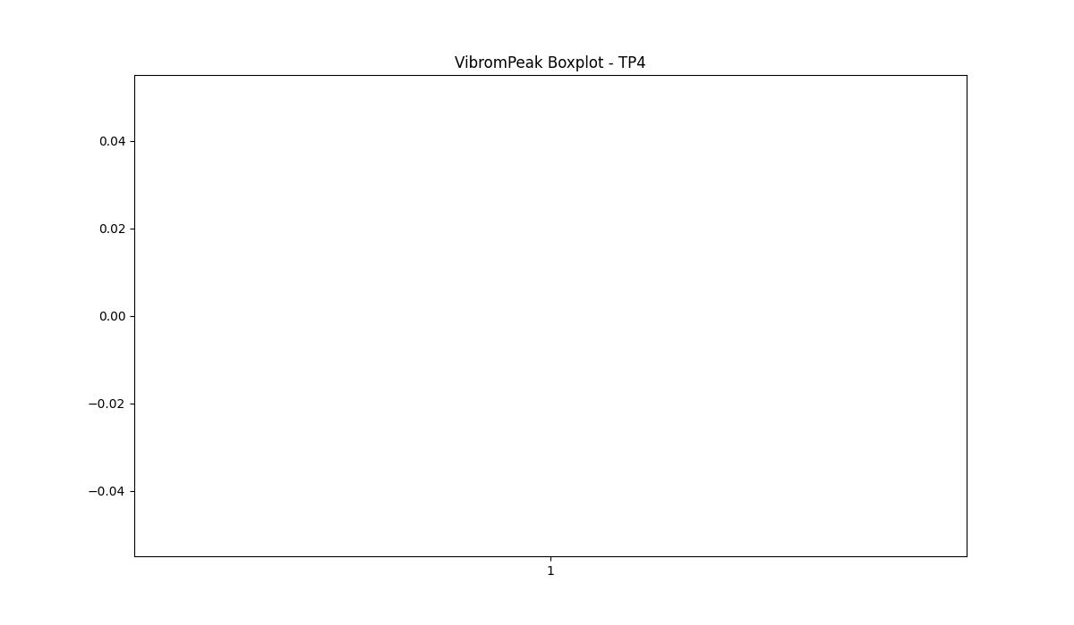
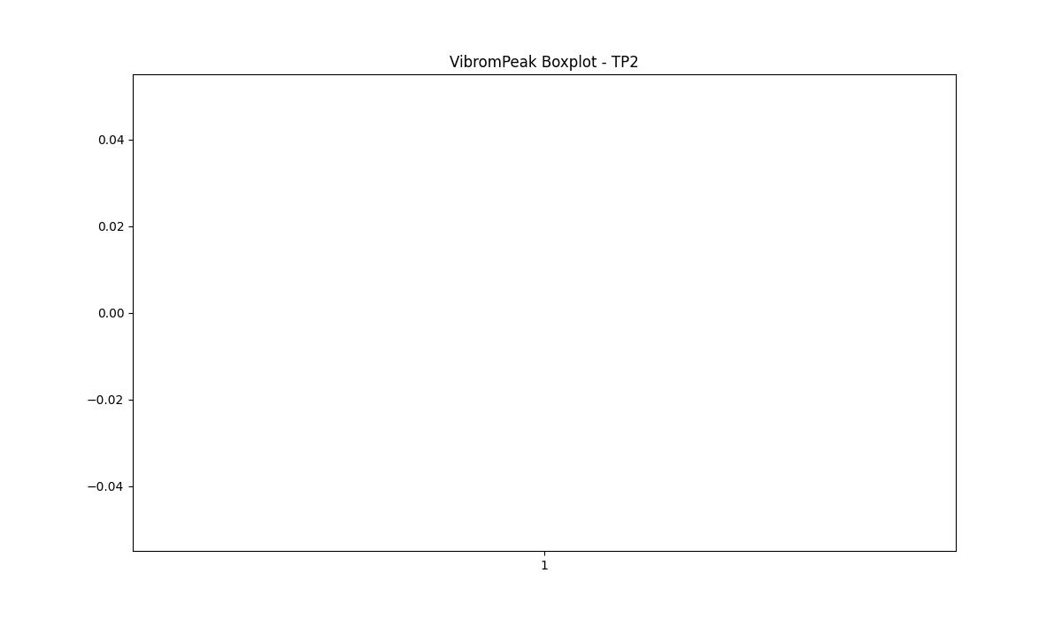

BOXPLOT SENZA OUTLIERS

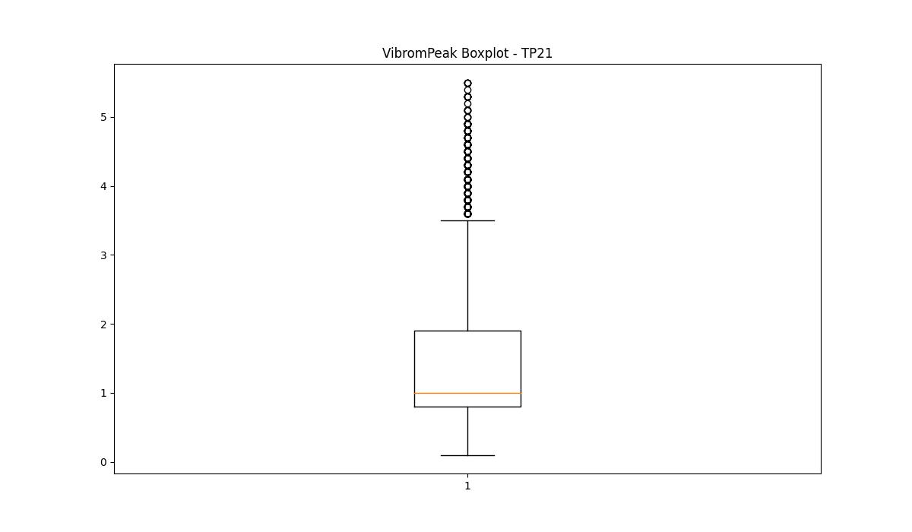
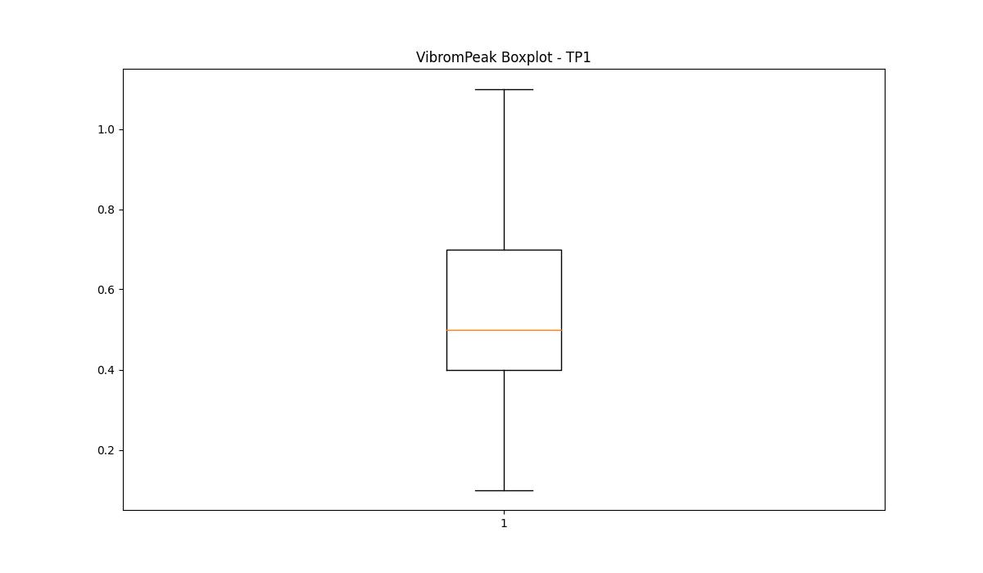

LUNG

numTP |  | 21 | 1 | 4 | 2
LUNG outliers |  | [] | [25.] | [] | []
upper_bound |  | 285.8 | 274 | 87.5 | 103.75
lower_bound |  | 1 | 74 | 51.5 | 97.75

statistiche con outliers: |  |  |  |  |  | statistiche senza outliers:
numTP |  | 21 | 1 | 4 | 2 | numTP |  | 21 | 1 | 4 | 2
LUNG | max | 237 | 237 | 87 | 101.5 | LUNG | max | 237 | 237 | 87 | 101.5
 | min | 97.919 | 25 | 64.5 | 100 |  | min | 97.919 | 120.5 | 64.5 | 100
 | avg | 145.00854239 | 174.64075559 | 69.604631845 | 101.01123596 |  | avg | 145.00854239 | 174.75600793 | 69.604631845 | 101.01123596
 | median | 150 | 179 | 69.199 | 101.5 |  | median | 150 | 179 | 69.199 | 101.5

BOXPLOT CON OUTLIERS
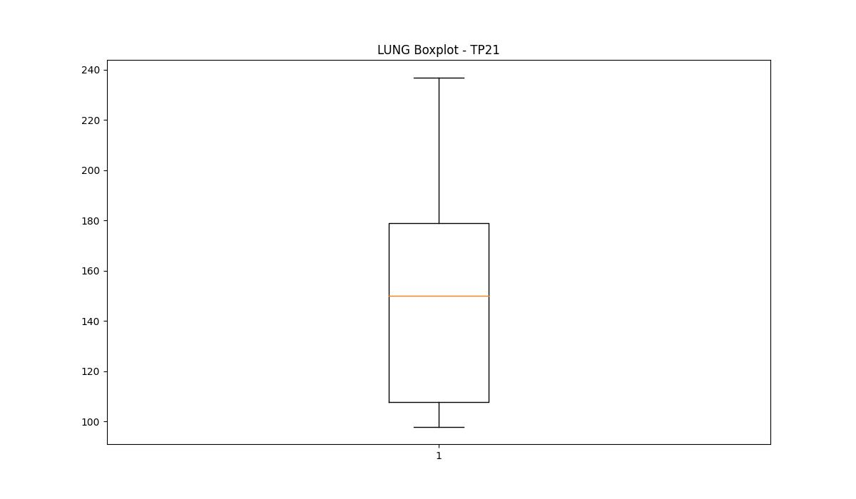
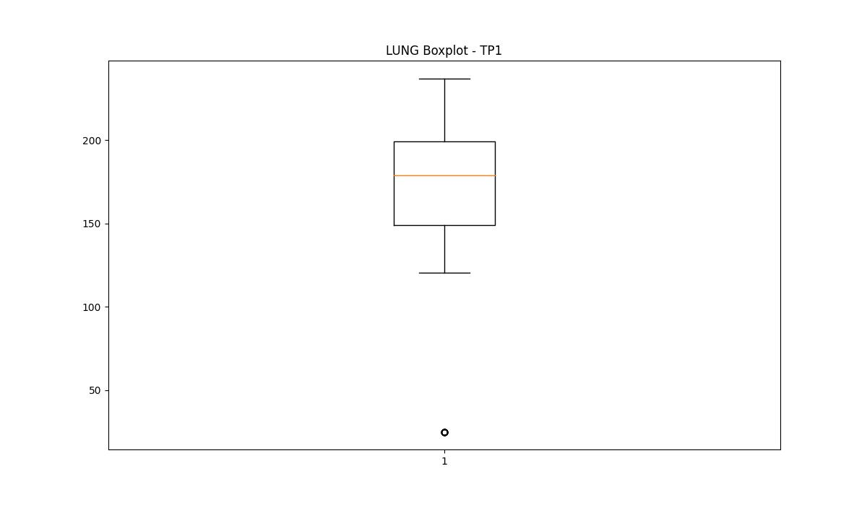
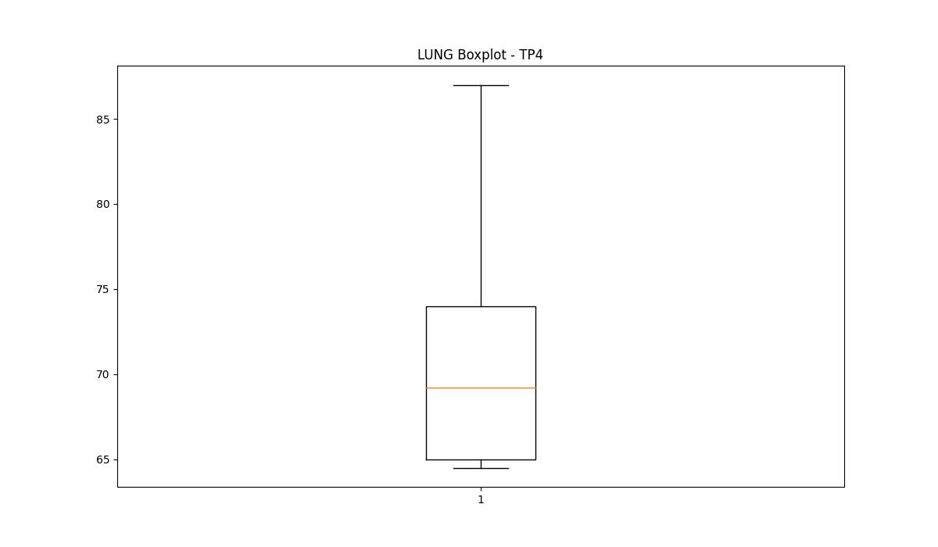
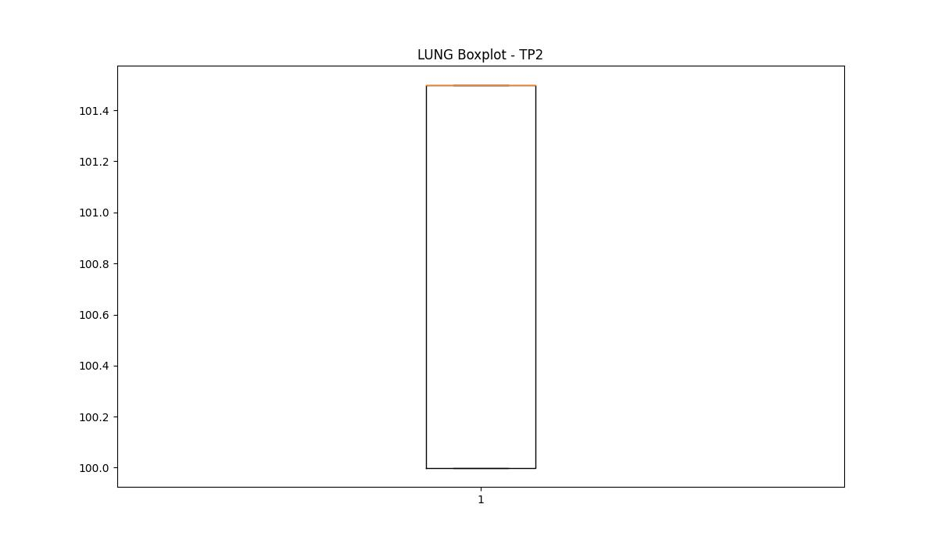

BOXPLOT SENZA OUTLIERS

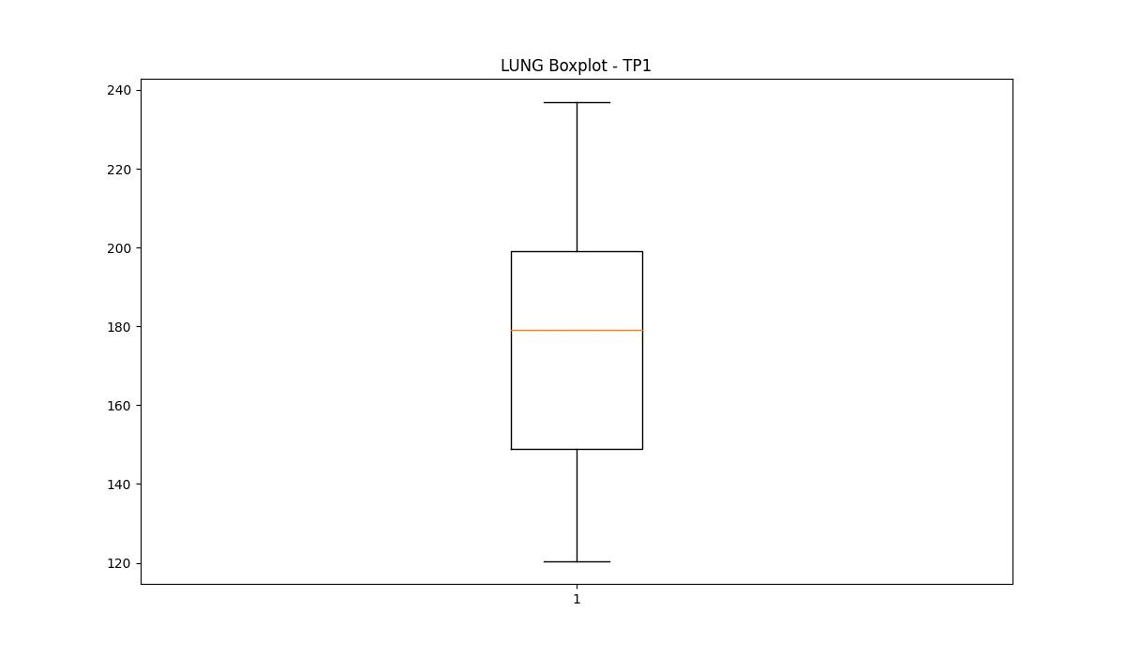

DIAM

numTP |  | 21 | 1 | 4 | 2
DIAM outliers |  | [] | [259.17 259. 16. 50.799 10. 8. 255. 11.6 25. 14. ] | [] | []
upper_bound |  | 601 | 230 | 12.5 | 12
lower_bound |  | -335 | 86 | 0.5 | 12

statistiche con outliers: |  |  |  |  |  | statistiche senza outliers:
numTP |  | 21 | 1 | 4 | 2 | numTP |  | 21 | 1 | 4 | 2
DIAM | max | 350 | 259.17 | 10 | 12 | DIAM | max | 350 | 176 | 10 | 12
 | min | 6 | 8 | 5 | 12 |  | min | 6 | 105 | 5 | 12
 | avg | 164.45469027 | 171.45019112 | 6.9135416667 | 12 |  | avg | 164.45469027 | 150.98755736 | 6.9135416667 | 12
 | median | 141 | 157 | 8 | 12 |  | median | 141 | 148 | 8 | 12

BOXPLOT CON OUTLIERS
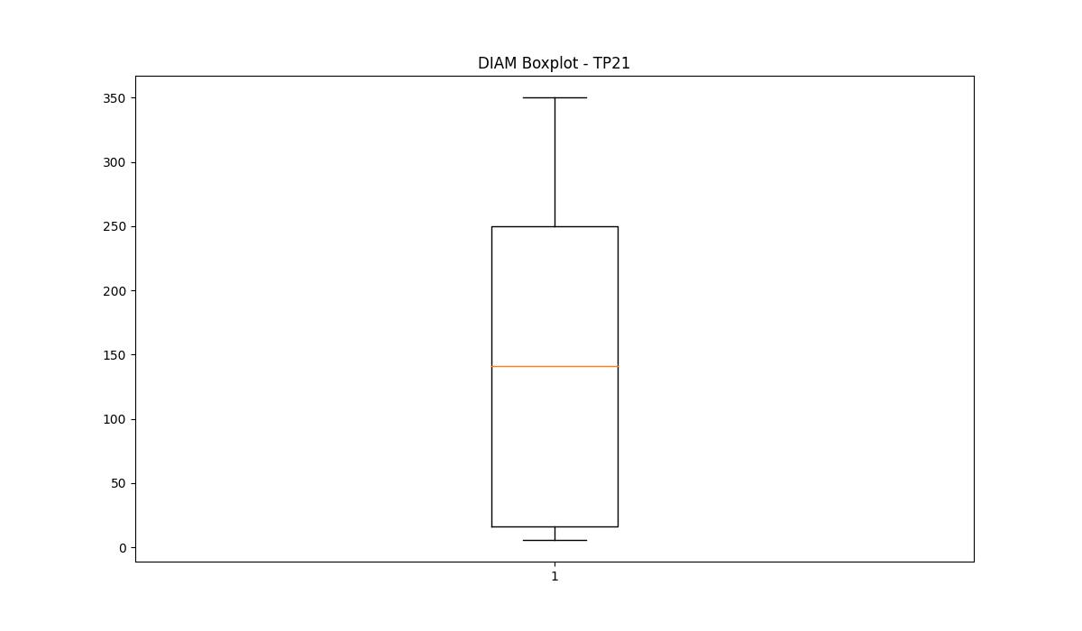
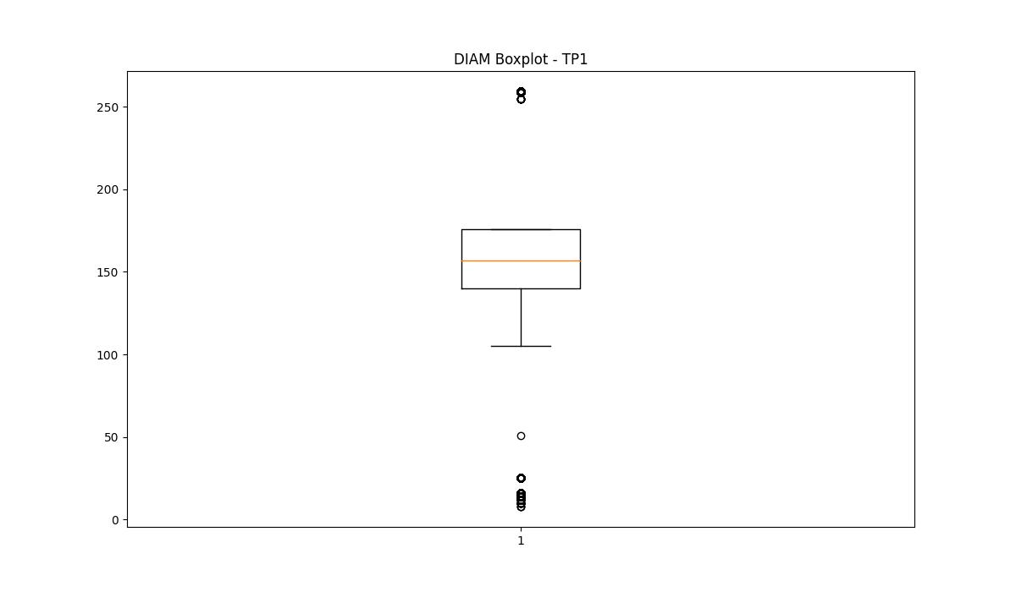
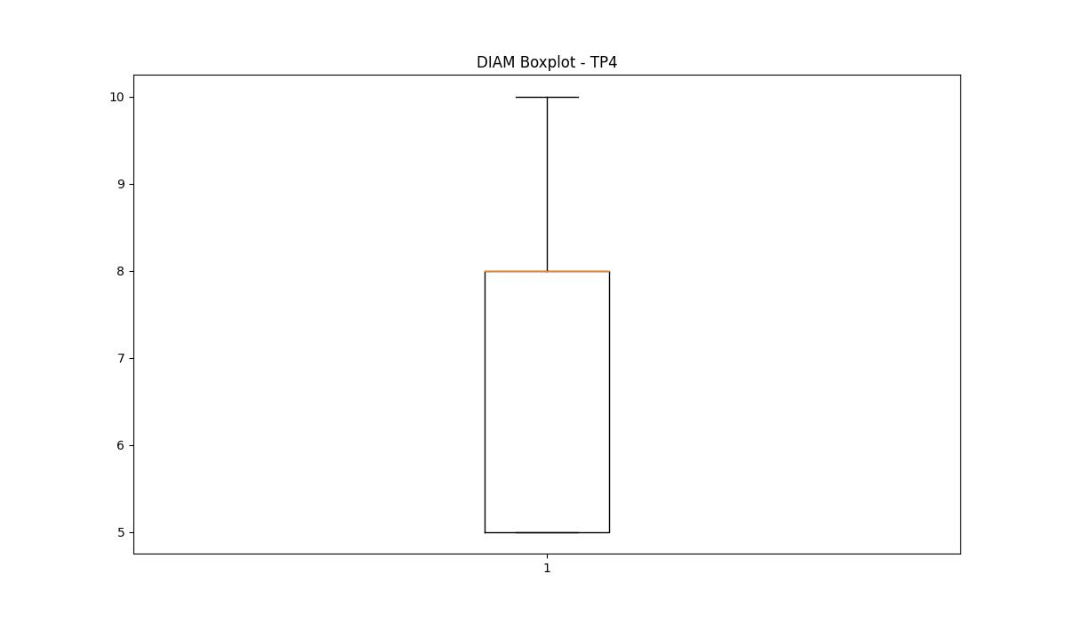
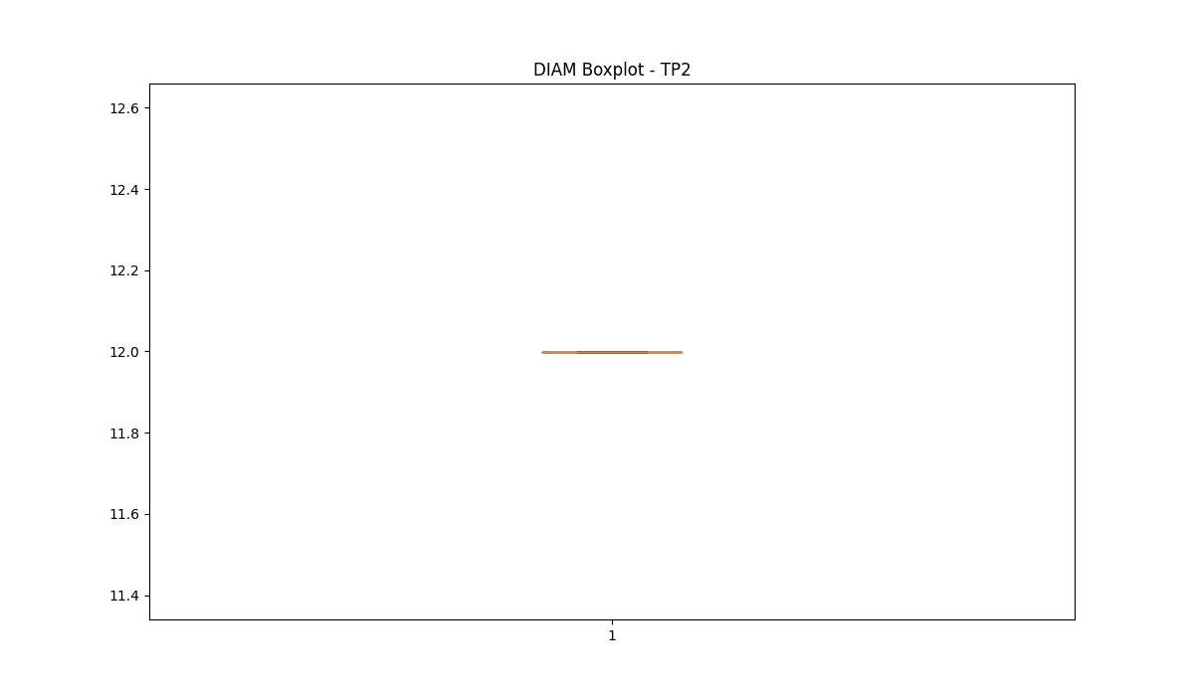

BOXPLOT SENZA OUTLIERS

